Sheet1
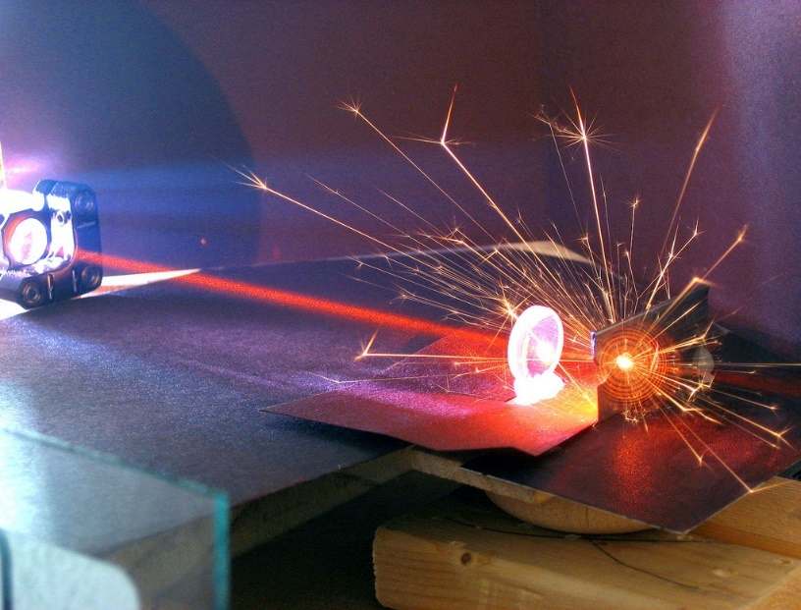
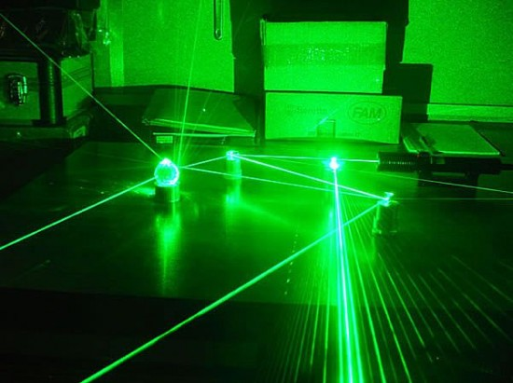
Modified: 18/02/2017 |  | Michelson's Interferometer |  |  |  |  |  |  | Krypton Laser
 |  | To find refractive index of thin film

 |  |  | Color: | Yellow+green | Red | Light blue | Red+black
 |  |  |  | Krypton Laser | He-Ne Laser | Argon Laser | Ruby Laser
l | Choose Laser | 5680 | A0 | 5680 | 5430 | 4880 | 6940 | A0
 |  |  |  | Range(interval)
 | Adjust micrometer | 0 | mm | 0 - 25(0.0001)
t | Thickness of glass plate | 1 | mm | 1 - 3 mm (0.5)
q | Angle of rotation | 1 | Degrees | 0 - 300(0.010)

n | Refractive index of glass | 1.5 |  |  |  |  |  |  | He-Ne Laser
d=Nl/2 | Distance moved to appear or disappear N fringes
D | Calibaraion constant | 10

For 1 fringes | d= | 0.000000284 | m = | 0.000284 | mm
For 2 fringes | d= | 0.000000568 | m = | 0.000568 | mm

 | D*d= | 0.00284 | mm | One fring should appear/disappear corresponds to this micrometer

 | Refractive index of the glass plate
 | This will change with respect to angel

 |  | N= | 0.17859847098
 |  |  |  |  |  |  |  |  | Argon Laser
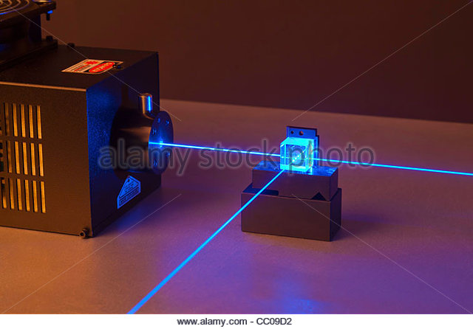

 |  | q = | 1.5531793 |  |  |  |  |  | Ruby Laser

