pairwise_comp
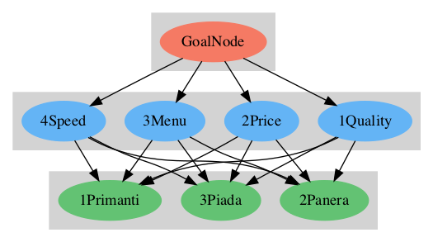
GoalNode
 |  |  |  |  |  |  | Results
2Criteria | 1Quality | 2Price | 3Menu | 4Speed | Direct values |  | Normal | Ideal
1Quality | 1 | 2 | 4 | 1 |  |  | 0.379 | 1
2Price | 0.5 | 1 | 2 | 0.5 |  |  | 0.189 | 0.5
3Menu | 0.25 | 0.5 | 1 | 3 |  |  | 0.217 | 0.572
4Speed | 1 | 2 | 0.333 | 1 |  |  | 0.215 | 0.568
Sum of Col |  |  |  |  |  |  | Incons. | 0.32

1Quality
 |  |  |  |  |  | Results
3Alternatives | 1Primanti | 2Panera | 3Piada | Direct values |  | Normal | Ideal
1Primanti | 1 | 0.5 | 0.333 |  |  | 0.168 | 0.347
2Panera | 2 | 1 | 2 |  |  | 0.484 | 1
3Piada | 3 | 0.5 | 1 |  |  | 0.349 | 0.721
Sum of Col |  |  |  |  |  | Incons. | 0.13

2Price
 |  |  |  |  |  | Results
3Alternatives | 1Primanti | 2Panera | 3Piada | Direct values |  | Normal | Ideal
1Primanti | 1 | 1.1 | 1.4 | 0.1 |  | 0.381 | 1
2Panera | 0.909 | 1 | 1.273 |  |  | 0.347 | 0.909
3Piada | 0.714 | 0.786 | 1 |  |  | 0.272 | 0.714
Sum of Col |  |  |  |  |  | Incons. | 0

3Menu
 |  |  |  |  |  | Results
3Alternatives | 1Primanti | 2Panera | 3Piada | Direct values |  | Normal | Ideal
1Primanti | 1 | 0.25 | 0.2 |  |  | 0.096 | 0.161
2Panera | 4 | 1 | 3 |  |  | 0.596 | 1
3Piada | 5 | 0.333 | 1 |  |  | 0.308 | 0.518
Sum of Col |  |  |  |  |  | Incons. | 0.19

4Speed
 |  |  |  |  |  | Results
3Alternatives | 1Primanti | 2Panera | 3Piada | Direct values |  | Normal | Ideal
1Primanti | 1 | 3 | 2 |  |  | 0.55 | 1
2Panera | 0.333 | 1 | 1 |  |  | 0.21 | 0.382
3Piada | 0.5 | 1 | 1 |  |  | 0.24 | 0.437
Sum of Col |  |  |  |  |  | Incons. | 0.018

Sens_1Quality
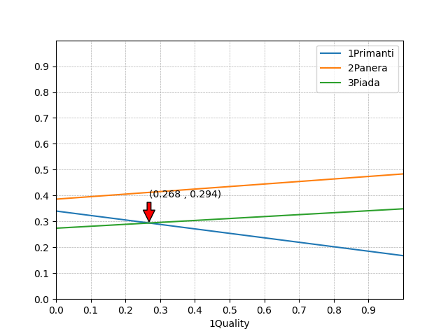

Sens_2Price
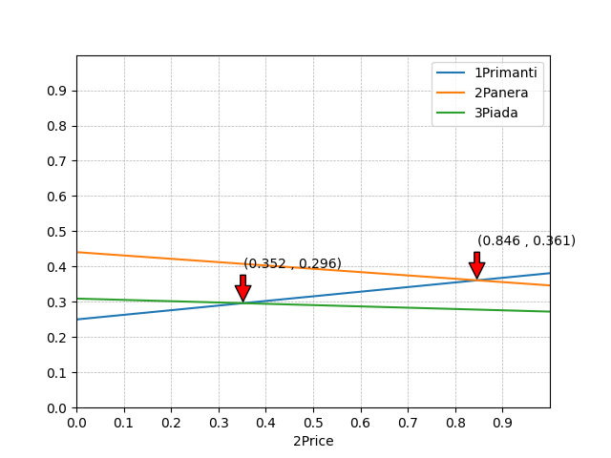

Sens_3Menu
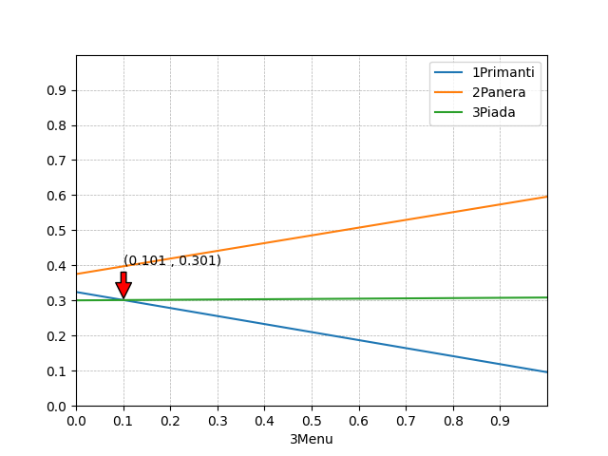

Sens_4Speed
