pairwise_comp2
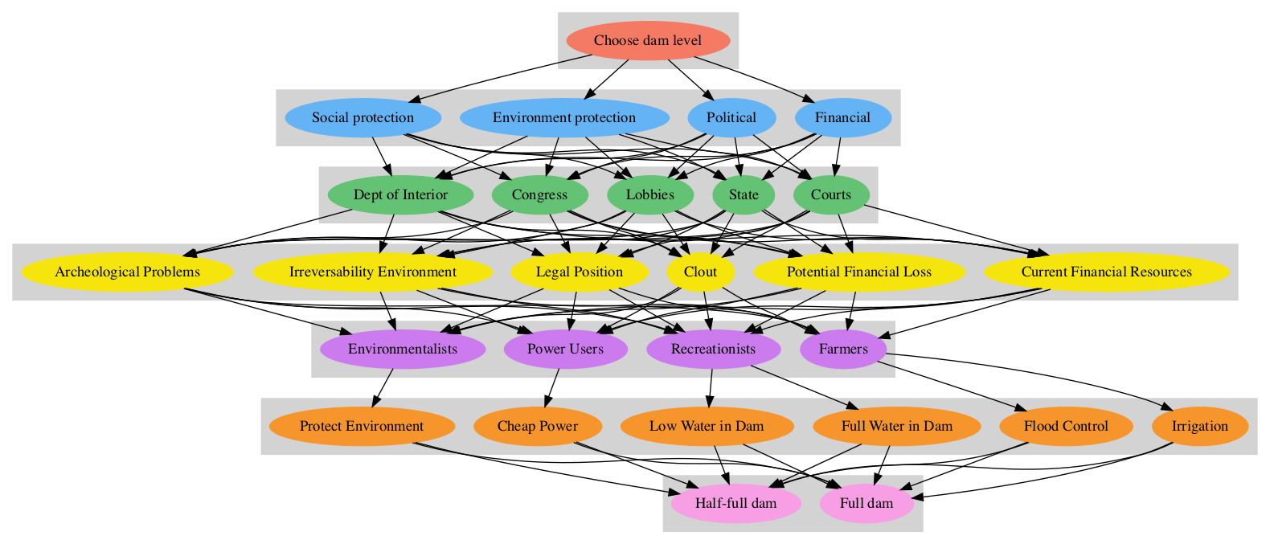
Choose dam level
 |  |  |  |  |  |  |  | Results
2Decision Criteria | Financial | Political | Environment protection | Social protection | Direct values |  |  | Normal | Ideal
Financial | 1 | 1.6 | 2.667 | 2 | 0.40 |  |  | 0.4 | 1
Political | 0.625 | 1 | 1.667 | 1.25 | 0.25 |  |  | 0.25 | 0.625
Environment protection | 0.375 | 0.6 | 1 | 0.75 | 0.15 |  |  | 0.15 | 0.375
Social protection | 0.5 | 0.8 | 1.333 | 1 | 0.20 |  |  | 0.2 | 0.5
Sum of Col |  |  |  |  |  |  |  | Incons. | 0

Financial
 |  |  |  |  |  |  |  |  | Results
3Decision Makers | Congress | Dept of Interior | Courts | State | Lobbies | Direct values |  |  | Normal | Ideal
Congress | 1 | 1.2 | 6 | 1.5 | 1.5 | 0.30 |  |  | 0.3 | 1
Dept of Interior | 0.833 | 1 | 5 | 1.25 | 1.25 | 0.25 |  |  | 0.25 | 0.833
Courts | 0.167 | 0.2 | 1 | 0.25 | 0.25 | 0.05 |  |  | 0.05 | 0.167
State | 0.667 | 0.8 | 4 | 1 | 1 | 0.20 |  |  | 0.2 | 0.667
Lobbies | 0.667 | 0.8 | 4 | 1 | 1 | 0.20 |  |  | 0.2 | 0.667
Sum of Col |  |  |  |  |  |  |  |  | Incons. | 0

Political
 |  |  |  |  |  |  |  |  | Results
3Decision Makers | Congress | Dept of Interior | Courts | State | Lobbies | Direct values |  |  | Normal | Ideal
Congress | 1 | 2.333 | 7 | 2.333 | 1.167 | 0.35 |  |  | 0.35 | 1
Dept of Interior | 0.429 | 1 | 3 | 1 | 0.5 | 0.15 |  |  | 0.15 | 0.429
Courts | 0.143 | 0.333 | 1 | 0.333 | 0.167 | 0.05 |  |  | 0.05 | 0.143
State | 0.429 | 1 | 3 | 1 | 0.5 | 0.15 |  |  | 0.15 | 0.429
Lobbies | 0.857 | 2 | 6 | 2 | 1 | 0.30 |  |  | 0.3 | 0.857
Sum of Col |  |  |  |  |  |  |  |  | Incons. | 0

Environment protection
 |  |  |  |  |  |  |  |  | Results
3Decision Makers | Congress | Dept of Interior | Courts | State | Lobbies | Direct values |  |  | Normal | Ideal
Congress | 1 | 0.2 | 0.5 | 1 | 1 | 0.10 |  |  | 0.1 | 0.2
Dept of Interior | 5 | 1 | 2.5 | 5 | 5 | 0.50 |  |  | 0.5 | 1
Courts | 2 | 0.4 | 1 | 2 | 2 | 0.20 |  |  | 0.2 | 0.4
State | 1 | 0.2 | 0.5 | 1 | 1 | 0.10 |  |  | 0.1 | 0.2
Lobbies | 1 | 0.2 | 0.5 | 1 | 1 | 0.10 |  |  | 0.1 | 0.2
Sum of Col |  |  |  |  |  |  |  |  | Incons. | 0

Social protection
 |  |  |  |  |  |  |  |  | Results
3Decision Makers | Congress | Dept of Interior | Courts | State | Lobbies | Direct values |  |  | Normal | Ideal
Congress | 1 | 0.5 | 0.25 | 0.5 | 1 | 0.10 |  |  | 0.1 | 0.25
Dept of Interior | 2 | 1 | 0.5 | 1 | 2 | 0.20 |  |  | 0.2 | 0.5
Courts | 4 | 2 | 1 | 2 | 4 | 0.40 |  |  | 0.4 | 1
State | 2 | 1 | 0.5 | 1 | 2 | 0.20 |  |  | 0.2 | 0.5
Lobbies | 1 | 0.5 | 0.25 | 0.5 | 1 | 0.10 |  |  | 0.1 | 0.25
Sum of Col |  |  |  |  |  |  |  |  | Incons. | 0

Congress
 |  |  |  |  |  |  |  |  |  | Results
4Factors | Clout | Legal Position | Irreversability Environment | Archeological Problems | Current Financial Resources | Potential Financial Loss | Direct values |  |  | Normal | Ideal
Clout | 1 | 2 | 4 | 4 | 0.571 | 0.8 | 0.20 |  |  | 0.2 | 0.571
Legal Position | 0.5 | 1 | 2 | 2 | 0.286 | 0.4 | 0.10 |  |  | 0.1 | 0.286
Irreversability Environment | 0.25 | 0.5 | 1 | 1 | 0.143 | 0.2 | 0.05 |  |  | 0.05 | 0.143
Archeological Problems | 0.25 | 0.5 | 1 | 1 | 0.143 | 0.2 | 0.05 |  |  | 0.05 | 0.143
Current Financial Resources | 1.75 | 3.5 | 7 | 7 | 1 | 1.4 | 0.35 |  |  | 0.35 | 1
Potential Financial Loss | 1.25 | 2.5 | 5 | 5 | 0.714 | 1 | 0.25 |  |  | 0.25 | 0.714
Sum of Col |  |  |  |  |  |  |  |  |  | Incons. | 0

Dept of Interior
 |  |  |  |  |  |  |  |  |  | Results
4Factors | Clout | Legal Position | Irreversability Environment | Archeological Problems | Current Financial Resources | Potential Financial Loss | Direct values |  |  | Normal | Ideal
Clout | 1 | 2 | 0.25 | 2 | 0.5 | 0.5 | 0.10 |  |  | 0.1 | 0.25
Legal Position | 0.5 | 1 | 0.125 | 1 | 0.25 | 0.25 | 0.05 |  |  | 0.05 | 0.125
Irreversability Environment | 4 | 8 | 1 | 8 | 2 | 2 | 0.40 |  |  | 0.4 | 1
Archeological Problems | 0.5 | 1 | 0.125 | 1 | 0.25 | 0.25 | 0.05 |  |  | 0.05 | 0.125
Current Financial Resources | 2 | 4 | 0.5 | 4 | 1 | 1 | 0.20 |  |  | 0.2 | 0.5
Potential Financial Loss | 2 | 4 | 0.5 | 4 | 1 | 1 | 0.20 |  |  | 0.2 | 0.5
Sum of Col |  |  |  |  |  |  |  |  |  | Incons. | 0

Courts
 |  |  |  |  |  |  |  |  |  | Results
4Factors | Clout | Legal Position | Irreversability Environment | Archeological Problems | Current Financial Resources | Potential Financial Loss | Direct values |  |  | Normal | Ideal
Clout | 1 | 0.5 | 2.5 | 5 | 5 | 5 | 0.25 |  |  | 0.25 | 0.5
Legal Position | 2 | 1 | 5 | 10 | 10 | 10 | 0.50 |  |  | 0.5 | 1
Irreversability Environment | 0.4 | 0.2 | 1 | 2 | 2 | 2 | 0.10 |  |  | 0.1 | 0.2
Archeological Problems | 0.2 | 0.1 | 0.5 | 1 | 1 | 1 | 0.05 |  |  | 0.05 | 0.1
Current Financial Resources | 0.2 | 0.1 | 0.5 | 1 | 1 | 1 | 0.05 |  |  | 0.05 | 0.1
Potential Financial Loss | 0.2 | 0.1 | 0.5 | 1 | 1 | 1 | 0.05 |  |  | 0.05 | 0.1
Sum of Col |  |  |  |  |  |  |  |  |  | Incons. | 0

State
 |  |  |  |  |  |  |  |  |  | Results
4Factors | Clout | Legal Position | Irreversability Environment | Archeological Problems | Current Financial Resources | Potential Financial Loss | Direct values |  |  | Normal | Ideal
Clout | 1 | 2 | 0.333 | 2 | 0.333 | 0.5 | 0.10 |  |  | 0.1 | 0.333
Legal Position | 0.5 | 1 | 0.167 | 1 | 0.167 | 0.25 | 0.05 |  |  | 0.05 | 0.167
Irreversability Environment | 3 | 6 | 1 | 6 | 1 | 1.5 | 0.30 |  |  | 0.3 | 1
Archeological Problems | 0.5 | 1 | 0.167 | 1 | 0.167 | 0.25 | 0.05 |  |  | 0.05 | 0.167
Current Financial Resources | 3 | 6 | 1 | 6 | 1 | 1.5 | 0.30 |  |  | 0.3 | 1
Potential Financial Loss | 2 | 4 | 0.667 | 4 | 0.667 | 1 | 0.20 |  |  | 0.2 | 0.667
Sum of Col |  |  |  |  |  |  |  |  |  | Incons. | 0

Lobbies
 |  |  |  |  |  |  |  |  |  | Results
4Factors | Clout | Legal Position | Irreversability Environment | Archeological Problems | Current Financial Resources | Potential Financial Loss | Direct values |  |  | Normal | Ideal
Clout | 1 | 2.5 | 2.5 | 10 | 20 | 20 | 0.50 |  |  | 0.5 | 1
Legal Position | 0.4 | 1 | 1 | 4 | 8 | 8 | 0.20 |  |  | 0.2 | 0.4
Irreversability Environment | 0.4 | 1 | 1 | 4 | 8 | 8 | 0.20 |  |  | 0.2 | 0.4
Archeological Problems | 0.1 | 0.25 | 0.25 | 1 | 2 | 2 | 0.05 |  |  | 0.05 | 0.1
Current Financial Resources | 0.05 | 0.125 | 0.125 | 0.5 | 1 | 1 | 0.03 |  |  | 0.025 | 0.05
Potential Financial Loss | 0.05 | 0.125 | 0.125 | 0.5 | 1 | 1 | 0.03 |  |  | 0.025 | 0.05
Sum of Col |  |  |  |  |  |  |  |  |  | Incons. | 0

Clout
 |  |  |  |  |  |  |  | Results
5Groups Affected | Farmers | Recreationists | Power Users | Environmentalists | Direct values |  |  | Normal | Ideal
Farmers | 1 | 2.667 | 2.667 | 1.333 | 0.40 |  |  | 0.4 | 1
Recreationists | 0.375 | 1 | 1 | 0.5 | 0.15 |  |  | 0.15 | 0.375
Power Users | 0.375 | 1 | 1 | 0.5 | 0.15 |  |  | 0.15 | 0.375
Environmentalists | 0.75 | 2 | 2 | 1 | 0.30 |  |  | 0.3 | 0.75
Sum of Col |  |  |  |  |  |  |  | Incons. | 0

Legal Position
 |  |  |  |  |  |  |  | Results
5Groups Affected | Farmers | Recreationists | Power Users | Environmentalists | Direct values |  |  | Normal | Ideal
Farmers | 1 | 2.333 | 2.333 | 1 | 0.35 |  |  | 0.35 | 1
Recreationists | 0.429 | 1 | 1 | 0.429 | 0.15 |  |  | 0.15 | 0.429
Power Users | 0.429 | 1 | 1 | 0.429 | 0.15 |  |  | 0.15 | 0.429
Environmentalists | 1 | 2.333 | 2.333 | 1 | 0.35 |  |  | 0.35 | 1
Sum of Col |  |  |  |  |  |  |  | Incons. | 0

Irreversability Environment
 |  |  |  |  |  |  |  | Results
5Groups Affected | Farmers | Recreationists | Power Users | Environmentalists | Direct values |  |  | Normal | Ideal
Farmers | 1 | 0.4 | 2 | 0.167 | 0.10 |  |  | 0.1 | 0.167
Recreationists | 2.5 | 1 | 5 | 0.417 | 0.25 |  |  | 0.25 | 0.417
Power Users | 0.5 | 0.2 | 1 | 0.083 | 0.05 |  |  | 0.05 | 0.083
Environmentalists | 6 | 2.4 | 12 | 1 | 0.60 |  |  | 0.6 | 1
Sum of Col |  |  |  |  |  |  |  | Incons. | 0

Archeological Problems
 |  |  |  |  |  |  |  | Results
5Groups Affected | Farmers | Recreationists | Power Users | Environmentalists | Direct values |  |  | Normal | Ideal
Farmers | 1 | 0.6 | 1.5 | 0.3 | 0.15 |  |  | 0.15 | 0.3
Recreationists | 1.667 | 1 | 2.5 | 0.5 | 0.25 |  |  | 0.25 | 0.5
Power Users | 0.667 | 0.4 | 1 | 0.2 | 0.10 |  |  | 0.1 | 0.2
Environmentalists | 3.333 | 2 | 5 | 1 | 0.50 |  |  | 0.5 | 1
Sum of Col |  |  |  |  |  |  |  | Incons. | 0

Current Financial Resources
 |  |  |  |  |  |  |  | Results
5Groups Affected | Farmers | Recreationists | Power Users | Environmentalists | Direct values |  |  | Normal | Ideal
Farmers | 1 | 2.5 | 0.5 | 1.667 | 0.25 |  |  | 0.25 | 0.5
Recreationists | 0.4 | 1 | 0.2 | 0.667 | 0.10 |  |  | 0.1 | 0.2
Power Users | 2 | 5 | 1 | 3.333 | 0.50 |  |  | 0.5 | 1
Environmentalists | 0.6 | 1.5 | 0.3 | 1 | 0.15 |  |  | 0.15 | 0.3
Sum of Col |  |  |  |  |  |  |  | Incons. | 0

Potential Financial Loss
 |  |  |  |  |  |  |  | Results
5Groups Affected | Farmers | Recreationists | Power Users | Environmentalists | Direct values |  |  | Normal | Ideal
Farmers | 1 | 2.5 | 0.5 | 1.667 | 0.25 |  |  | 0.25 | 0.5
Recreationists | 0.4 | 1 | 0.2 | 0.667 | 0.10 |  |  | 0.1 | 0.2
Power Users | 2 | 5 | 1 | 3.333 | 0.50 |  |  | 0.5 | 1
Environmentalists | 0.6 | 1.5 | 0.3 | 1 | 0.15 |  |  | 0.15 | 0.3
Sum of Col |  |  |  |  |  |  |  | Incons. | 0

Farmers
 |  |  |  |  |  | Results
6Objectives | Irrigation | Flood Control | Direct values |  |  | Normal | Ideal
Irrigation | 1 | 1 | 0.50 |  |  | 0.5 | 1
Flood Control | 1 | 1 | 0.50 |  |  | 0.5 | 1
Sum of Col |  |  |  |  |  | Incons. | 0

Recreationists
 |  |  |  |  |  | Results
6Objectives | Full Water in Dam | Low Water in Dam | Direct values |  |  | Normal | Ideal
Full Water in Dam | 1 | 3 | 0.75 |  |  | 0.75 | 1
Low Water in Dam | 0.333 | 1 | 0.25 |  |  | 0.25 | 0.333
Sum of Col |  |  |  |  |  | Incons. | 0

Power Users
 |  |  |  |  | Results
6Objectives | Cheap Power | Direct values |  |  | Normal | Ideal
Cheap Power | 1 | 1 |  |  | 1 | 1
Sum of Col |  |  |  |  | Incons.

Environmentalists
 |  |  |  |  | Results
6Objectives | Protect Environment | Direct values |  |  | Normal | Ideal
Protect Environment | 1 | 1 |  |  | 1 | 1
Sum of Col |  |  |  |  | Incons.

Irrigation
 |  |  |  |  |  | Results
7Alternatives | Full dam | Half-full dam | Direct values |  |  | Normal | Ideal
Full dam | 1 | 3 | 0.75 |  |  | 0.75 | 1
Half-full dam | 0.333 | 1 | 0.25 |  |  | 0.25 | 0.333
Sum of Col |  |  |  |  |  | Incons. | 0

Flood Control
 |  |  |  |  |  | Results
7Alternatives | Full dam | Half-full dam | Direct values |  |  | Normal | Ideal
Full dam | 1 | 0.333 | 0.25 |  |  | 0.25 | 0.333
Half-full dam | 3 | 1 | 0.75 |  |  | 0.75 | 1
Sum of Col |  |  |  |  |  | Incons. | 0

Full Water in Dam
 |  |  |  |  |  | Results
7Alternatives | Full dam | Half-full dam | Direct values |  |  | Normal | Ideal
Full dam | 1 | 9 | 0.90 |  |  | 0.9 | 1
Half-full dam | 0.111 | 1 | 0.10 |  |  | 0.1 | 0.111
Sum of Col |  |  |  |  |  | Incons. | 0

Low Water in Dam
 |  |  |  |  |  | Results
7Alternatives | Full dam | Half-full dam | Direct values |  |  | Normal | Ideal
Full dam | 1 | 0.111 | 0.10 |  |  | 0.1 | 0.111
Half-full dam | 9 | 1 | 0.90 |  |  | 0.9 | 1
Sum of Col |  |  |  |  |  | Incons. | 0

Cheap Power
 |  |  |  |  |  | Results
7Alternatives | Full dam | Half-full dam | Direct values |  |  | Normal | Ideal
Full dam | 1 | 9 | 0.90 |  |  | 0.9 | 1
Half-full dam | 0.111 | 1 | 0.10 |  |  | 0.1 | 0.111
Sum of Col |  |  |  |  |  | Incons. | 0

Protect Environment
 |  |  |  |  |  | Results
7Alternatives | Full dam | Half-full dam | Direct values |  |  | Normal | Ideal
Full dam | 1 | 1 | 0.50 |  |  | 0.5 | 1
Half-full dam | 1 | 1 | 0.50 |  |  | 0.5 | 1
Sum of Col |  |  |  |  |  | Incons. | 0

Sens_Political
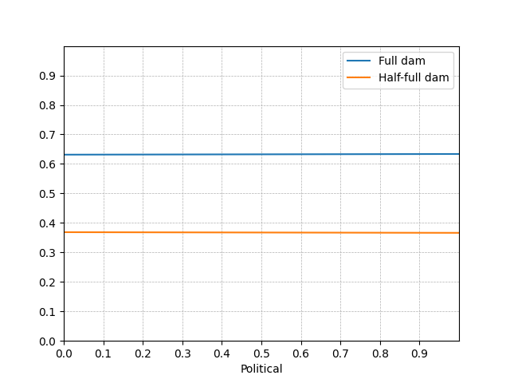


Sens_Environment protection
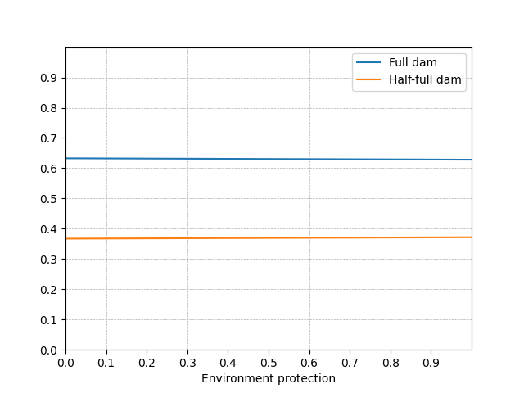


Sens_Social protection
