5min_usdkrw
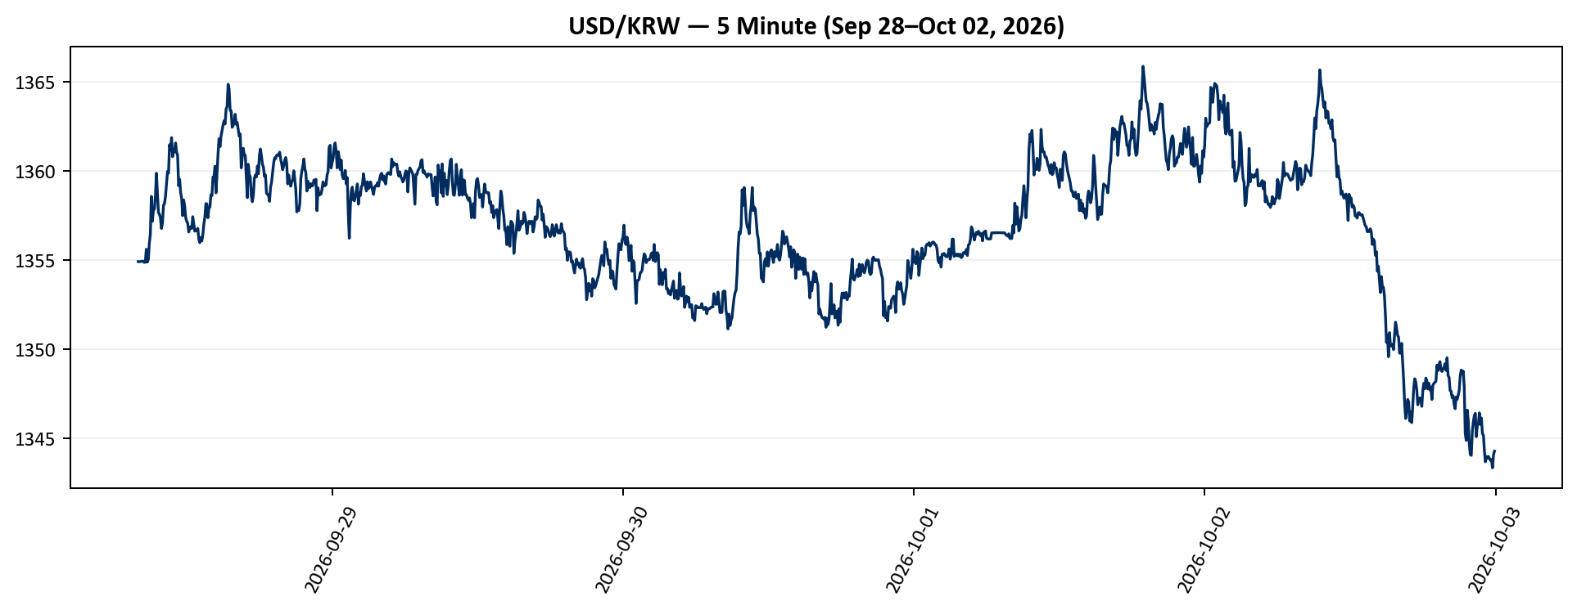
Datetime_KST | Open | High | Low | Close | Adj Close | Volume
2026-09-28 | 1355.2399902 | 1355.3599854 | 1354.9100342 | 1354.9200439 | 1354.9200439 | 0
2026-09-28 | 1355.1999512 | 1355.8699951 | 1354.8800049 | 1354.9100342 | 1354.9100342 | 0
2026-09-28 | 1354.9100342 | 1355.9100342 | 1354.9100342 | 1354.9200439 | 1354.9200439 | 0
2026-09-28 | 1354.9100342 | 1355.7800293 | 1354.3800049 | 1354.9300537 | 1354.9300537 | 0
2026-09-28 | 1354.9300537 | 1355.3699951 | 1354.1800537 | 1354.9399414 | 1354.9399414 | 0
2026-09-28 | 1354.9300537 | 1355.3699951 | 1354.8900146 | 1354.9399414 | 1354.9399414 | 0
2026-09-28 | 1354.9499512 | 1355.5400391 | 1354.8599854 | 1354.8699951 | 1354.8699951 | 0
2026-09-28 | 1354.8699951 | 1355.5400391 | 1354.8699951 | 1354.8900146 | 1354.8900146 | 0
2026-09-28 | 1354.8800049 | 1355.6500244 | 1354.8399658 | 1355.6099854 | 1355.6099854 | 0
2026-09-28 | 1355.0799561 | 1355.8800049 | 1354.8399658 | 1354.8900146 | 1354.8900146 | 0
2026-09-28 | 1355.5999756 | 1356.1800537 | 1354.8800049 | 1355.0400391 | 1355.0400391 | 0
2026-09-28 | 1355.5699463 | 1356.6800537 | 1354.8000488 | 1355.9499512 | 1355.9499512 | 0
2026-09-28 | 1355.2299805 | 1359.4799805 | 1355.2299805 | 1356.4699707 | 1356.4699707 | 0
2026-09-28 | 1356.9799805 | 1358.8800049 | 1356.5400391 | 1358.5799561 | 1358.5799561 | 0
2026-09-28 | 1358.6800537 | 1359.0799561 | 1355.6899414 | 1357.1800537 | 1357.1800537 | 0
2026-09-28 | 1357.1800537 | 1358.4799805 | 1355.9300537 | 1357.7800293 | 1357.7800293 | 0
2026-09-28 | 1357.8800049 | 1358.8800049 | 1356.4699707 | 1357.8800049 | 1357.8800049 | 0
2026-09-28 | 1357.7800293 | 1359.2800293 | 1356.7399902 | 1358.5799561 | 1358.5799561 | 0
2026-09-28 | 1358.7800293 | 1360.0799561 | 1358.5799561 | 1359.8800049 | 1359.8800049 | 0
2026-09-28 | 1359.8800049 | 1360.0799561 | 1358.5799561 | 1358.7800293 | 1358.7800293 | 0
2026-09-28 | 1358.8800049 | 1359.1800537 | 1357.0799561 | 1357.6800537 | 1357.6800537 | 0
2026-09-28 | 1357.7800293 | 1358.7800293 | 1357.3800049 | 1357.5799561 | 1357.5799561 | 0
2026-09-28 | 1357.5799561 | 1358.2600098 | 1356.9799805 | 1357.3800049 | 1357.3800049 | 0
2026-09-28 | 1357.4799805 | 1357.8800049 | 1356.7800293 | 1356.7800293 | 1356.7800293 | 0
2026-09-28 | 1356.7800293 | 1357.6800537 | 1356.4499512 | 1357.0799561 | 1357.0799561 | 0
2026-09-28 | 1357.0799561 | 1358.1800537 | 1356.8800049 | 1358.0799561 | 1358.0799561 | 0
2026-09-28 | 1357.9799805 | 1358.8800049 | 1357.5799561 | 1358.1800537 | 1358.1800537 | 0
2026-09-28 | 1358.5799561 | 1359.0200195 | 1357.9799805 | 1358.5799561 | 1358.5799561 | 0
2026-09-28 | 1358.5799561 | 1359.5799561 | 1358.3800049 | 1359.2800293 | 1359.2800293 | 0
2026-09-28 | 1359.2800293 | 1360.2800293 | 1359.0799561 | 1359.9799805 | 1359.9799805 | 0
2026-09-28 | 1359.9799805 | 1360.4799805 | 1359.3800049 | 1359.8800049 | 1359.8800049 | 0
2026-09-28 | 1359.8800049 | 1361.5799561 | 1359.6800537 | 1361.4799805 | 1361.4799805 | 0
2026-09-28 | 1361.4799805 | 1361.6800537 | 1360.3900146 | 1361.1800537 | 1361.1800537 | 0
2026-09-28 | 1361.2800293 | 1361.8800049 | 1360.7299805 | 1361.8800049 | 1361.8800049 | 0
2026-09-28 | 1361.6800537 | 1362 | 1360.3800049 | 1360.8100586 | 1360.8100586 | 0
2026-09-28 | 1360.4799805 | 1361.3000488 | 1360.4000244 | 1361.1099854 | 1361.1099854 | 0
2026-09-28 | 1361.0999756 | 1361.3000488 | 1360.5799561 | 1361.0799561 | 1361.0799561 | 0
2026-09-28 | 1360.9799805 | 1362.3800049 | 1360.8800049 | 1361.5799561 | 1361.5799561 | 0
2026-09-28 | 1361.4799805 | 1361.7800293 | 1360.7800293 | 1361.0500488 | 1361.0500488 | 0
2026-09-28 | 1360.9499512 | 1361.3800049 | 1360.5799561 | 1360.8800049 | 1360.8800049 | 0
2026-09-28 | 1360.7800293 | 1360.9399414 | 1359.1800537 | 1359.1800537 | 1359.1800537 | 0
2026-09-28 | 1359.2800293 | 1359.6800537 | 1358.7800293 | 1359.5400391 | 1359.5400391 | 0
2026-09-28 | 1359.6800537 | 1359.6800537 | 1358.6800537 | 1358.7800293 | 1358.7800293 | 0
2026-09-28 | 1358.8800049 | 1359.3199463 | 1357.9799805 | 1358.4799805 | 1358.4799805 | 0
2026-09-28 | 1358.4899902 | 1358.4899902 | 1357.1800537 | 1357.5 | 1357.5 | 0
2026-09-28 | 1357.5200195 | 1359.0400391 | 1357.3800049 | 1358.3800049 | 1358.3800049 | 0
2026-09-28 | 1358.0799561 | 1358.1600342 | 1357.2800293 | 1358.0400391 | 1358.0400391 | 0
2026-09-28 | 1358.0699463 | 1358.0699463 | 1356.9799805 | 1357.3900146 | 1357.3900146 | 0
2026-09-28 | 1357.3199463 | 1357.6800537 | 1356.9799805 | 1357.1800537 | 1357.1800537 | 0
2026-09-28 | 1357.1800537 | 1357.5799561 | 1357.0799561 | 1357.0799561 | 1357.0799561 | 0
2026-09-28 | 1356.9799805 | 1356.9799805 | 1356.3800049 | 1356.5799561 | 1356.5799561 | 0
2026-09-28 | 1356.4799805 | 1356.7900391 | 1356.2800293 | 1356.7800293 | 1356.7800293 | 0
2026-09-28 | 1356.8800049 | 1357.5500488 | 1356.6800537 | 1356.8800049 | 1356.8800049 | 0
2026-09-28 | 1357.0600586 | 1357.1800537 | 1356.5799561 | 1356.7800293 | 1356.7800293 | 0
2026-09-28 | 1356.7800293 | 1357.6800537 | 1354.4000244 | 1357.4399414 | 1357.4399414 | 0
2026-09-28 | 1357.2800293 | 1357.4899902 | 1356.7800293 | 1357.0400391 | 1357.0400391 | 0
2026-09-28 | 1357.1400146 | 1357.1700439 | 1356.4799805 | 1356.6300049 | 1356.6300049 | 0
2026-09-28 | 1356.6199951 | 1356.9300537 | 1356.4799805 | 1356.6400146 | 1356.6400146 | 0
2026-09-28 | 1356.6600342 | 1356.8599854 | 1356.4799805 | 1356.6999512 | 1356.6999512 | 0
2026-09-28 | 1356.6999512 | 1357.0600586 | 1356.5799561 | 1356.7800293 | 1356.7800293 | 0
2026-09-28 | 1356.8800049 | 1357.1800537 | 1356.0799561 | 1356.1800537 | 1356.1800537 | 0
2026-09-28 | 1356.4000244 | 1356.5699463 | 1355.9799805 | 1355.9799805 | 1355.9799805 | 0
2026-09-28 | 1356.3699951 | 1356.5899658 | 1355.9799805 | 1356.2700195 | 1356.2700195 | 0
2026-09-28 | 1356.2700195 | 1356.5799561 | 1355.9799805 | 1356.0799561 | 1356.0799561 | 0
2026-09-28 | 1355.9799805 | 1356.5799561 | 1355.9799805 | 1356.4399414 | 1356.4399414 | 0
2026-09-28 | 1356.4200439 | 1357.0799561 | 1356.3800049 | 1357.0400391 | 1357.0400391 | 0
2026-09-28 | 1357.0699463 | 1357.4799805 | 1356.5799561 | 1357.4200439 | 1357.4200439 | 0
2026-09-28 | 1357.4799805 | 1358.1899414 | 1357.2800293 | 1358.1700439 | 1358.1700439 | 0
2026-09-28 | 1358.1800537 | 1358.1800537 | 1357.5500488 | 1358.1600342 | 1358.1600342 | 0
2026-09-28 | 1357.9799805 | 1358.0799561 | 1357.2800293 | 1357.3800049 | 1357.3800049 | 0
2026-09-28 | 1357.5 | 1357.9100342 | 1357.3800049 | 1357.9100342 | 1357.9100342 | 0
2026-09-28 | 1357.9300537 | 1358.0500488 | 1357.6800537 | 1357.9799805 | 1357.9799805 | 0
2026-09-28 | 1358.0200195 | 1358.7600098 | 1357.7800293 | 1358.6700439 | 1358.6700439 | 0
2026-09-28 | 1358.5799561 | 1358.7700195 | 1358.1899414 | 1358.6300049 | 1358.6300049 | 0
2026-09-28 | 1358.6400146 | 1359.9799805 | 1358.2199707 | 1359.6600342 | 1359.6600342 | 0
2026-09-28 | 1359.6600342 | 1359.9899902 | 1359.4799805 | 1359.6800537 | 1359.6800537 | 0
2026-09-28 | 1359.7299805 | 1360.4899902 | 1359.5799561 | 1360.2700195 | 1360.2700195 | 0
2026-09-28 | 1360.2600098 | 1360.3299561 | 1358.7800293 | 1358.7800293 | 1358.7800293 | 0
2026-09-28 | 1358.8399658 | 1360.1400146 | 1358.7800293 | 1359.8399658 | 1359.8399658 | 0
2026-09-28 | 1359.5799561 | 1360.9799805 | 1359.5799561 | 1360.9499512 | 1360.9499512 | 0
2026-09-28 | 1360.9599609 | 1361.9799805 | 1360.8800049 | 1361.8199463 | 1361.8199463 | 0
2026-09-28 | 1361.9799805 | 1362.0799561 | 1361.0799561 | 1361.3699951 | 1361.3699951 | 0
2026-09-28 | 1361.4000244 | 1362.0999756 | 1361.0799561 | 1361.9799805 | 1361.9799805 | 0
2026-09-28 | 1361.9799805 | 1362.4799805 | 1361.7800293 | 1362.2600098 | 1362.2600098 | 0
2026-09-28 | 1362.2399902 | 1362.6800537 | 1361.6800537 | 1362.5999756 | 1362.5999756 | 0
2026-09-28 | 1362.4799805 | 1363.1800537 | 1362.2800293 | 1362.8199463 | 1362.8199463 | 0
2026-09-28 | 1362.7800293 | 1362.9799805 | 1362.2800293 | 1362.6400146 | 1362.6400146 | 0
2026-09-28 | 1362.6300049 | 1363.6800537 | 1362.0799561 | 1363.4799805 | 1363.4799805 | 0
2026-09-28 | 1363.3499756 | 1364.0799561 | 1363.2099609 | 1363.6300049 | 1363.6300049 | 0
2026-09-28 | 1363.6800537 | 1365.1999512 | 1363.6800537 | 1364.8800049 | 1364.8800049 | 0
2026-09-28 | 1364.4799805 | 1364.8800049 | 1363.5799561 | 1364.6099854 | 1364.6099854 | 0
2026-09-28 | 1364.3800049 | 1364.6800537 | 1363.4100342 | 1363.4100342 | 1363.4100342 | 0
2026-09-28 | 1363.6800537 | 1363.6800537 | 1362.0799561 | 1363.3800049 | 1363.3800049 | 0
2026-09-28 | 1363.2800293 | 1363.3100586 | 1362.0799561 | 1362.4599609 | 1362.4599609 | 0
2026-09-28 | 1362.5799561 | 1362.7800293 | 1362.0799561 | 1362.5500488 | 1362.5500488 | 0
2026-09-28 | 1362.5400391 | 1362.9699707 | 1362.4799805 | 1362.7800293 | 1362.7800293 | 0
2026-09-28 | 1362.7199707 | 1363.5799561 | 1362.5799561 | 1363.1899414 | 1363.1899414 | 0
2026-09-28 | 1363.2199707 | 1363.5799561 | 1362.3800049 | 1362.6300049 | 1362.6300049 | 0
2026-09-28 | 1362.7800293 | 1362.9799805 | 1361.9799805 | 1362.7299805 | 1362.7299805 | 0
2026-09-28 | 1362.7299805 | 1362.8800049 | 1362.2800293 | 1362.3299561 | 1362.3299561 | 0
2026-09-28 | 1362.3800049 | 1362.5100098 | 1361.4799805 | 1361.9599609 | 1361.9599609 | 0
2026-09-28 | 1362.0100098 | 1362.3900146 | 1361.2800293 | 1362.0799561 | 1362.0799561 | 0
2026-09-28 | 1361.75 | 1361.75 | 1359.7800293 | 1360.1800537 | 1360.1800537 | 0
2026-09-28 | 1360.2800293 | 1361.0200195 | 1359.7800293 | 1360.7600098 | 1360.7600098 | 0
2026-09-28 | 1361.1800537 | 1361.2900391 | 1360.5799561 | 1361.2800293 | 1361.2800293 | 0
2026-09-28 | 1361.1800537 | 1361.5600586 | 1360.3800049 | 1360.9100342 | 1360.9100342 | 0
2026-09-28 | 1360.7399902 | 1361.1099854 | 1360.3800049 | 1360.8900146 | 1360.8900146 | 0
2026-09-28 | 1360.6800537 | 1360.7900391 | 1359.0799561 | 1359.6800537 | 1359.6800537 | 0
2026-09-28 | 1359.6199951 | 1359.8800049 | 1357.7800293 | 1358.5100098 | 1358.5100098 | 0
2026-09-28 | 1358.5400391 | 1360.7800293 | 1357.9799805 | 1360.3800049 | 1360.3800049 | 0
2026-09-28 | 1360.1600342 | 1360.8900146 | 1359.3800049 | 1359.7900391 | 1359.7900391 | 0
2026-09-28 | 1359.8299561 | 1360.0799561 | 1358.6800537 | 1359.6700439 | 1359.6700439 | 0
2026-09-28 | 1359.5799561 | 1359.6400146 | 1357.9799805 | 1358.5600586 | 1358.5600586 | 0
2026-09-28 | 1358.5799561 | 1359.3299561 | 1358.0799561 | 1358.2800293 | 1358.2800293 | 0
2026-09-28 | 1358.2800293 | 1358.6999512 | 1358.0799561 | 1358.6500244 | 1358.6500244 | 0
2026-09-28 | 1358.6500244 | 1360.0799561 | 1358.4799805 | 1359.5799561 | 1359.5799561 | 0
2026-09-28 | 1359.7800293 | 1360.0899658 | 1358.7800293 | 1359.7800293 | 1359.7800293 | 0
2026-09-28 | 1359.9499512 | 1359.9799805 | 1359.2800293 | 1359.6700439 | 1359.6700439 | 0
2026-09-28 | 1359.9100342 | 1360.3399658 | 1359.5799561 | 1360.2800293 | 1360.2800293 | 0
2026-09-28 | 1359.8800049 | 1360.2399902 | 1359.1800537 | 1359.8499756 | 1359.8499756 | 0
2026-09-28 | 1359.8000488 | 1361.2800293 | 1359.0799561 | 1360.8800049 | 1360.8800049 | 0
2026-09-28 | 1361.0799561 | 1361.5799561 | 1360.4799805 | 1361.2399902 | 1361.2399902 | 0
2026-09-28 | 1361.25 | 1361.3800049 | 1360.2600098 | 1360.8599854 | 1360.8599854 | 0
2026-09-28 | 1360.8599854 | 1361.0999756 | 1360.3800049 | 1360.3800049 | 1360.3800049 | 0
2026-09-28 | 1360.7800293 | 1360.7800293 | 1359.7800293 | 1360.2199707 | 1360.2199707 | 0
2026-09-28 | 1360.0200195 | 1360.2299805 | 1359.0799561 | 1359.6999512 | 1359.6999512 | 0
2026-09-28 | 1359.7299805 | 1360.0100098 | 1359.5799561 | 1359.7800293 | 1359.7800293 | 0
2026-09-28 | 1359.75 | 1359.7800293 | 1358.0799561 | 1358.7600098 | 1358.7600098 | 0
2026-09-28 | 1358.6199951 | 1359.1700439 | 1358.3800049 | 1358.6899414 | 1358.6899414 | 0
2026-09-28 | 1358.7700195 | 1359.1600342 | 1358.0799561 | 1358.6700439 | 1358.6700439 | 0
2026-09-28 | 1358.6700439 | 1358.9000244 | 1357.9799805 | 1358.3000488 | 1358.3000488 | 0
2026-09-28 | 1358.3800049 | 1359.3299561 | 1357.6800537 | 1359.0799561 | 1359.0799561 | 0
2026-09-28 | 1359.0999756 | 1359.6099854 | 1358.6800537 | 1359.3599854 | 1359.3599854 | 0
2026-09-28 | 1359.2199707 | 1360.4699707 | 1359.1800537 | 1359.8800049 | 1359.8800049 | 0
2026-09-28 | 1360.0799561 | 1361.0400391 | 1359.5799561 | 1360.4100342 | 1360.4100342 | 0
2026-09-28 | 1360.3299561 | 1360.9499512 | 1359.9799805 | 1360.7399902 | 1360.7399902 | 0
2026-09-28 | 1360.7800293 | 1361.0400391 | 1359.9799805 | 1360.6899414 | 1360.6899414 | 0
2026-09-28 | 1360.6899414 | 1360.9799805 | 1359.9799805 | 1360.8800049 | 1360.8800049 | 0
2026-09-28 | 1360.9000244 | 1361.2399902 | 1360.2800293 | 1360.9200439 | 1360.9200439 | 0
2026-09-28 | 1360.8000488 | 1361.0799561 | 1360.2800293 | 1360.8800049 | 1360.8800049 | 0
2026-09-28 | 1360.9799805 | 1361.0799561 | 1360.1800537 | 1361.0600586 | 1361.0600586 | 0
2026-09-28 | 1360.7600098 | 1361.0400391 | 1360.2800293 | 1360.6800537 | 1360.6800537 | 0
2026-09-28 | 1360.6300049 | 1360.7900391 | 1359.8800049 | 1360.4100342 | 1360.4100342 | 0
2026-09-28 | 1360.4599609 | 1360.4699707 | 1359.7800293 | 1360.0799561 | 1360.0799561 | 0
2026-09-28 | 1359.6800537 | 1360.7600098 | 1359.1800537 | 1360.2800293 | 1360.2800293 | 0
2026-09-28 | 1360.3800049 | 1360.8299561 | 1360.1800537 | 1360.5799561 | 1360.5799561 | 0
2026-09-28 | 1360.6400146 | 1361.0200195 | 1360.2800293 | 1360.7600098 | 1360.7600098 | 0
2026-09-28 | 1360.8299561 | 1361.1800537 | 1360.2800293 | 1360.4300537 | 1360.4300537 | 0
2026-09-28 | 1360.4300537 | 1360.6099854 | 1359.0799561 | 1359.2800293 | 1359.2800293 | 0
2026-09-28 | 1359.5799561 | 1360.0100098 | 1359.3800049 | 1359.7800293 | 1359.7800293 | 0
2026-09-28 | 1359.7199707 | 1359.9100342 | 1359.3800049 | 1359.4200439 | 1359.4200439 | 0
2026-09-28 | 1359.2800293 | 1359.6700439 | 1358.8800049 | 1359.1500244 | 1359.1500244 | 0
2026-09-28 | 1359.4000244 | 1359.4599609 | 1358.7800293 | 1359.4100342 | 1359.4100342 | 0
2026-09-28 | 1359.4100342 | 1359.6300049 | 1359.0799561 | 1359.5 | 1359.5 | 0
2026-09-28 | 1359.5 | 1360.0699463 | 1359.0799561 | 1360.0200195 | 1360.0200195 | 0
2026-09-28 | 1359.9799805 | 1359.9899902 | 1358.9799805 | 1359.5400391 | 1359.5400391 | 0
2026-09-28 | 1359.5600586 | 1359.9799805 | 1358.1800537 | 1358.9799805 | 1358.9799805 | 0
2026-09-28 | 1358.9799805 | 1359.3000488 | 1356.5799561 | 1357.7099609 | 1357.7099609 | 0
2026-09-28 | 1357.7399902 | 1358.2099609 | 1357.1800537 | 1357.8299561 | 1357.8299561 | 0
2026-09-28 | 1357.8100586 | 1358.3000488 | 1357.4799805 | 1357.7800293 | 1357.7800293 | 0
2026-09-28 | 1357.7800293 | 1358.4300537 | 1356.9799805 | 1358.1800537 | 1358.1800537 | 0
2026-09-28 | 1358.1800537 | 1359.5799561 | 1358.0799561 | 1359.5799561 | 1359.5799561 | 0
2026-09-28 | 1359.5500488 | 1360.2800293 | 1358.9799805 | 1360 | 1360 | 0
2026-09-28 | 1360.0100098 | 1360.5799561 | 1359.6800537 | 1360.2800293 | 1360.2800293 | 0
2026-09-28 | 1360.2800293 | 1360.8800049 | 1359.6800537 | 1360.6800537 | 1360.6800537 | 0
2026-09-28 | 1360.5799561 | 1360.7800293 | 1359.6800537 | 1360.1099854 | 1360.1099854 | 0
2026-09-28 | 1360.1800537 | 1360.2600098 | 1359.3800049 | 1359.9000244 | 1359.9000244 | 0
2026-09-28 | 1359.8800049 | 1360.0200195 | 1358.4799805 | 1358.8800049 | 1358.8800049 | 0
2026-09-28 | 1359 | 1359.6600342 | 1358.9799805 | 1359.4300537 | 1359.4300537 | 0
2026-09-28 | 1359.4699707 | 1359.6800537 | 1358.6800537 | 1359.1199951 | 1359.1199951 | 0
2026-09-28 | 1359.3000488 | 1359.3900146 | 1358.5799561 | 1359.0799561 | 1359.0799561 | 0
2026-09-28 | 1359.0899658 | 1359.5100098 | 1358.4799805 | 1359.3000488 | 1359.3000488 | 0
2026-09-28 | 1359.3299561 | 1359.4799805 | 1358.9799805 | 1359.1700439 | 1359.1700439 | 0
2026-09-28 | 1359.2099609 | 1359.4499512 | 1358.5799561 | 1359.1899414 | 1359.1899414 | 0
2026-09-28 | 1359.1899414 | 1359.8399658 | 1358.8800049 | 1359.5 | 1359.5 | 0
2026-09-28 | 1359.6099854 | 1359.6099854 | 1358.6800537 | 1359.3800049 | 1359.3800049 | 0
2026-09-28 | 1359.3800049 | 1359.6199951 | 1358.6800537 | 1359.5400391 | 1359.5400391 | 0
2026-09-28 | 1359.5600586 | 1359.6300049 | 1357.5799561 | 1357.7800293 | 1357.7800293 | 0
2026-09-28 | 1358.0799561 | 1359.1800537 | 1358.0799561 | 1359.0600586 | 1359.0600586 | 0
2026-09-28 | 1359.0799561 | 1359.1199951 | 1358.3800049 | 1358.6500244 | 1358.6500244 | 0
2026-09-28 | 1358.6700439 | 1359.0699463 | 1358.1800537 | 1358.6800537 | 1358.6800537 | 0
2026-09-28 | 1358.6700439 | 1359.0500488 | 1357.8800049 | 1358.7099609 | 1358.7099609 | 0
2026-09-28 | 1358.6800537 | 1359.2800293 | 1358.4799805 | 1358.9799805 | 1358.9799805 | 0
2026-09-28 | 1359.0799561 | 1359.5799561 | 1358.6800537 | 1359.3900146 | 1359.3900146 | 0
2026-09-28 | 1359.3800049 | 1359.8800049 | 1358.4799805 | 1359.1800537 | 1359.1800537 | 0
2026-09-28 | 1359.1800537 | 1359.3199463 | 1358.4799805 | 1359.1800537 | 1359.1800537 | 0
2026-09-28 | 1359.1800537 | 1359.4399414 | 1358.8599854 | 1359.2399902 | 1359.2399902 | 0
2026-09-28 | 1359.2399902 | 1359.8800049 | 1358.9799805 | 1359.7800293 | 1359.7800293 | 0
2026-09-28 | 1359.7800293 | 1360.1400146 | 1359.2800293 | 1359.9699707 | 1359.9699707 | 0
2026-09-28 | 1359.8100586 | 1361.3399658 | 1359.3800049 | 1361.3299561 | 1361.3299561 | 0
2026-09-28 | 1361.0899658 | 1361.5799561 | 1360.1800537 | 1361.4499512 | 1361.4499512 | 0
2026-09-28 | 1361.3800049 | 1361.6700439 | 1359.7700195 | 1360.1700439 | 1360.1700439 | 0
2026-09-29 | 1360.1300049 | 1361.1800537 | 1359.9799805 | 1360.4799805 | 1360.4799805 | 0
2026-09-29 | 1360.8800049 | 1360.9100342 | 1359.9799805 | 1360.7099609 | 1360.7099609 | 0
2026-09-29 | 1360.6899414 | 1361.3800049 | 1359.9799805 | 1361.3800049 | 1361.3800049 | 0
2026-09-29 | 1361.3800049 | 1361.7800293 | 1360.9799805 | 1361.5799561 | 1361.5799561 | 0
2026-09-29 | 1361.5799561 | 1362.0200195 | 1360.9799805 | 1361.1099854 | 1361.1099854 | 0
2026-09-29 | 1361.3800049 | 1361.5300293 | 1360.1800537 | 1360.1800537 | 1360.1800537 | 0
2026-09-29 | 1360.5799561 | 1361.1300049 | 1360.4799805 | 1361.0899658 | 1361.0899658 | 0
2026-09-29 | 1361.0999756 | 1361.0999756 | 1359.8800049 | 1360.75 | 1360.75 | 0
2026-09-29 | 1360.7800293 | 1361.1800537 | 1360.0799561 | 1360.0799561 | 1360.0799561 | 0
2026-09-29 | 1360.4799805 | 1360.9499512 | 1359.7800293 | 1360.6199951 | 1360.6199951 | 0
2026-09-29 | 1360.5400391 | 1360.8800049 | 1359.6800537 | 1359.7800293 | 1359.7800293 | 0
2026-09-29 | 1359.6800537 | 1360.1300049 | 1359.0799561 | 1359.5799561 | 1359.5799561 | 0
2026-09-29 | 1360.0300293 | 1360.2700195 | 1359.4799805 | 1359.5799561 | 1359.5799561 | 0
2026-09-29 | 1359.6800537 | 1360.3699951 | 1359.2800293 | 1360.0400391 | 1360.0400391 | 0
2026-09-29 | 1360.1400146 | 1360.1400146 | 1358.9799805 | 1359.2800293 | 1359.2800293 | 0
2026-09-29 | 1359.5600586 | 1359.9200439 | 1358.2800293 | 1359.6400146 | 1359.6400146 | 0
2026-09-29 | 1359.5999756 | 1359.5999756 | 1357.4799805 | 1357.5799561 | 1357.5799561 | 0
2026-09-29 | 1358.0699463 | 1358.7900391 | 1355.5799561 | 1356.2299805 | 1356.2299805 | 0
2026-09-29 | 1356.4799805 | 1357.9799805 | 1356.0799561 | 1357.9799805 | 1357.9799805 | 0
2026-09-29 | 1357.8800049 | 1358.8900146 | 1357.2800293 | 1358.8900146 | 1358.8900146 | 0
2026-09-29 | 1358.6400146 | 1359.1300049 | 1358.0799561 | 1359.0999756 | 1359.0999756 | 0
2026-09-29 | 1358.9300537 | 1359.0300293 | 1358.2800293 | 1358.3800049 | 1358.3800049 | 0
2026-09-29 | 1358.6800537 | 1359.2900391 | 1358.1800537 | 1358.3299561 | 1358.3299561 | 0
2026-09-29 | 1358.3699951 | 1358.7399902 | 1357.9799805 | 1358.5899658 | 1358.5899658 | 0
2026-09-29 | 1358.5899658 | 1359.1800537 | 1358.2800293 | 1358.9000244 | 1358.9000244 | 0
2026-09-29 | 1358.8800049 | 1359.9300537 | 1358.8299561 | 1359.2800293 | 1359.2800293 | 0
2026-09-29 | 1359.3800049 | 1359.8699951 | 1356.8800049 | 1358.1400146 | 1358.1400146 | 0
2026-09-29 | 1357.1800537 | 1358.9200439 | 1356.3800049 | 1358.7600098 | 1358.7600098 | 0
2026-09-29 | 1358.2800293 | 1359.8699951 | 1358.0799561 | 1358.6300049 | 1358.6300049 | 0
2026-09-29 | 1358.6500244 | 1359.1300049 | 1358.0799561 | 1359.1300049 | 1359.1300049 | 0
2026-09-29 | 1358.6800537 | 1360.1099854 | 1358.4799805 | 1359.2199707 | 1359.2199707 | 0
2026-09-29 | 1358.8800049 | 1360.0899658 | 1358.8800049 | 1359.8499756 | 1359.8499756 | 0
2026-09-29 | 1359.8499756 | 1359.9499512 | 1358.8800049 | 1359.4499512 | 1359.4499512 | 0
2026-09-29 | 1359.4200439 | 1360.0300293 | 1358.0799561 | 1359.1300049 | 1359.1300049 | 0
2026-09-29 | 1359.2199707 | 1360.3199463 | 1358.5799561 | 1358.8800049 | 1358.8800049 | 0
2026-09-29 | 1359.3000488 | 1360.4200439 | 1358.7800293 | 1359.4000244 | 1359.4000244 | 0
2026-09-29 | 1359.4100342 | 1359.5300293 | 1359.0200195 | 1359.0200195 | 1359.0200195 | 0
2026-09-29 | 1359.0699463 | 1359.1099854 | 1358.8299561 | 1359.1099854 | 1359.1099854 | 0
2026-09-29 | 1359.1300049 | 1359.3900146 | 1359.1099854 | 1359.3900146 | 1359.3900146 | 0
2026-09-29 | 1359.3900146 | 1359.5999756 | 1359.0200195 | 1359.1600342 | 1359.1600342 | 0
2026-09-29 | 1359.0799561 | 1359.75 | 1358.4799805 | 1358.9399414 | 1358.9399414 | 0
2026-09-29 | 1358.6300049 | 1358.9399414 | 1358.4899902 | 1358.6899414 | 1358.6899414 | 0
2026-09-29 | 1358.6899414 | 1360.0200195 | 1358.6099854 | 1359.0699463 | 1359.0699463 | 0
2026-09-29 | 1359.0699463 | 1359.3299561 | 1359.0400391 | 1359.1800537 | 1359.1800537 | 0
2026-09-29 | 1359.1600342 | 1359.1800537 | 1359.0400391 | 1359.1600342 | 1359.1600342 | 0
2026-09-29 | 1359.0899658 | 1359.5200195 | 1358.1099854 | 1359.3499756 | 1359.3499756 | 0
2026-09-29 | 1359.2099609 | 1359.5 | 1359.0100098 | 1359.1600342 | 1359.1600342 | 0
2026-09-29 | 1359.1600342 | 1359.7299805 | 1359.1600342 | 1359.5400391 | 1359.5400391 | 0
2026-09-29 | 1359.3800049 | 1360.0899658 | 1358.1500244 | 1359.7800293 | 1359.7800293 | 0
2026-09-29 | 1359.7800293 | 1360.0200195 | 1359.5100098 | 1359.8800049 | 1359.8800049 | 0
2026-09-29 | 1359.8800049 | 1360.0200195 | 1359.4599609 | 1359.5100098 | 1359.5100098 | 0
2026-09-29 | 1359.5 | 1359.8399658 | 1359.4200439 | 1359.7299805 | 1359.7299805 | 0
2026-09-29 | 1359.6999512 | 1359.7299805 | 1359.4100342 | 1359.4100342 | 1359.4100342 | 0
2026-09-29 | 1359.4699707 | 1359.4699707 | 1358.0100098 | 1359.2700195 | 1359.2700195 | 0
2026-09-29 | 1359.3699951 | 1359.9499512 | 1359.2900391 | 1359.7800293 | 1359.7800293 | 0
2026-09-29 | 1359.7199707 | 1359.9300537 | 1359.5 | 1359.8900146 | 1359.8900146 | 0
2026-09-29 | 1359.8800049 | 1360 | 1359.5300293 | 1359.9100342 | 1359.9100342 | 0
2026-09-29 | 1359.7800293 | 1359.8800049 | 1358.1199951 | 1359.8399658 | 1359.8399658 | 0
2026-09-29 | 1359.8399658 | 1360.1099854 | 1359.5400391 | 1359.8100586 | 1359.8100586 | 0
2026-09-29 | 1359.8100586 | 1360.8199463 | 1359.8100586 | 1360.6800537 | 1360.6800537 | 0
2026-09-29 | 1360.1099854 | 1360.6899414 | 1359.7600098 | 1360.25 | 1360.25 | 0
2026-09-29 | 1360.25 | 1360.5 | 1358.1700439 | 1360.4699707 | 1360.4699707 | 0
2026-09-29 | 1360.3499756 | 1360.4599609 | 1359.7900391 | 1360.3800049 | 1360.3800049 | 0
2026-09-29 | 1359.8199463 | 1360.4499512 | 1359.7800293 | 1360.3599854 | 1360.3599854 | 0
2026-09-29 | 1359.8199463 | 1360.3900146 | 1359.7700195 | 1360.3900146 | 1360.3900146 | 0
2026-09-29 | 1360.4000244 | 1360.4100342 | 1359.4699707 | 1359.9399414 | 1359.9399414 | 0
2026-09-29 | 1359.8399658 | 1360.1800537 | 1356.75 | 1359.7199707 | 1359.7199707 | 0
2026-09-29 | 1359.7600098 | 1360.0799561 | 1359.2099609 | 1359.9599609 | 1359.9599609 | 0
2026-09-29 | 1359.4000244 | 1359.8800049 | 1356.75 | 1359.6800537 | 1359.6800537 | 0
2026-09-29 | 1359.3399658 | 1359.8199463 | 1359.0899658 | 1359.5799561 | 1359.5799561 | 0
2026-09-29 | 1359.6700439 | 1359.7099609 | 1358.9300537 | 1359.3900146 | 1359.3900146 | 0
2026-09-29 | 1359.4899902 | 1359.7299805 | 1358.5899658 | 1359.4799805 | 1359.4799805 | 0
2026-09-29 | 1359.4899902 | 1359.8000488 | 1358.3800049 | 1359.8000488 | 1359.8000488 | 0
2026-09-29 | 1359.6999512 | 1360.0100098 | 1359.6199951 | 1360.0100098 | 1360.0100098 | 0
2026-09-29 | 1360.0400391 | 1360.0400391 | 1358.8499756 | 1359.9599609 | 1359.9599609 | 0
2026-09-29 | 1359.8399658 | 1359.8499756 | 1358.8199463 | 1358.8299561 | 1358.8299561 | 0
2026-09-29 | 1359.25 | 1360.0600586 | 1358.5 | 1359.9000244 | 1359.9000244 | 0
2026-09-29 | 1359.7399902 | 1360.1800537 | 1358.9599609 | 1360.1800537 | 1360.1800537 | 0
2026-09-29 | 1360.2099609 | 1360.2099609 | 1359.9300537 | 1360.0699463 | 1360.0699463 | 0
2026-09-29 | 1360.0899658 | 1360.1099854 | 1358.8199463 | 1359.9499512 | 1359.9499512 | 0
2026-09-29 | 1359.8599854 | 1359.9200439 | 1358.8900146 | 1359.8000488 | 1359.8000488 | 0
2026-09-29 | 1359.9000244 | 1359.9000244 | 1358.1400146 | 1358.1400146 | 1358.1400146 | 0
2026-09-29 | 1358.7199707 | 1359.8199463 | 1358.5899658 | 1359.8199463 | 1359.8199463 | 0
2026-09-29 | 1359.8100586 | 1359.8100586 | 1359.8100586 | 1359.8100586 | 1359.8100586 | 0
2026-09-29 | 1359.5100098 | 1360.1099854 | 1358.8000488 | 1360.0300293 | 1360.0300293 | 0
2026-09-29 | 1360.0100098 | 1360.2700195 | 1360.0100098 | 1360.2299805 | 1360.2299805 | 0
2026-09-29 | 1360.1099854 | 1360.5799561 | 1359.0500488 | 1360.5799561 | 1360.5799561 | 0
2026-09-29 | 1360.5799561 | 1360.6899414 | 1360.3699951 | 1360.6400146 | 1360.6400146 | 0
2026-09-29 | 1359.1800537 | 1360.1899414 | 1359.1199951 | 1359.9200439 | 1359.9200439 | 0
2026-09-29 | 1359.9300537 | 1360.0400391 | 1359.0300293 | 1360.0200195 | 1360.0200195 | 0
2026-09-29 | 1359.8900146 | 1360.0200195 | 1359.0400391 | 1359.8499756 | 1359.8499756 | 0
2026-09-29 | 1359.8599854 | 1360.0500488 | 1359.0400391 | 1359.8000488 | 1359.8000488 | 0
2026-09-29 | 1360.0400391 | 1360.0699463 | 1359.0600586 | 1359.6600342 | 1359.6600342 | 0
2026-09-29 | 1359.4699707 | 1360.0600586 | 1358.5500488 | 1359.8399658 | 1359.8399658 | 0
2026-09-29 | 1359.8299561 | 1360.0899658 | 1359.7700195 | 1359.7800293 | 1359.7800293 | 0
2026-09-29 | 1359.9899902 | 1360.0699463 | 1359.75 | 1359.8199463 | 1359.8199463 | 0
2026-09-29 | 1359.8299561 | 1360.0400391 | 1358.0600586 | 1359.8000488 | 1359.8000488 | 0
2026-09-29 | 1359.5999756 | 1359.8199463 | 1358.0500488 | 1359.1199951 | 1359.1199951 | 0
2026-09-29 | 1359.1500244 | 1359.9399414 | 1357.9699707 | 1358.5999756 | 1358.5999756 | 0
2026-09-29 | 1358.6300049 | 1359.7900391 | 1357.6199951 | 1358.9499512 | 1358.9499512 | 0
2026-09-29 | 1359.0400391 | 1360.0200195 | 1358.0999756 | 1359.6700439 | 1359.6700439 | 0
2026-09-29 | 1359.5899658 | 1360.2199707 | 1358 | 1358.2700195 | 1358.2700195 | 0
2026-09-29 | 1358.2700195 | 1359.5100098 | 1358.0500488 | 1358.1099854 | 1358.1099854 | 0
2026-09-29 | 1358.6899414 | 1360.4799805 | 1358.1300049 | 1360.3399658 | 1360.3399658 | 0
2026-09-29 | 1360.3599854 | 1360.3599854 | 1358.8800049 | 1359.7399902 | 1359.7399902 | 0
2026-09-29 | 1359.9799805 | 1360.0400391 | 1358.8800049 | 1360.0300293 | 1360.0300293 | 0
2026-09-29 | 1359.8299561 | 1360.2800293 | 1356.5799561 | 1358.7800293 | 1358.7800293 | 0
2026-09-29 | 1358.9799805 | 1360.6800537 | 1358.4799805 | 1360.4000244 | 1360.4000244 | 0
2026-09-29 | 1360.6800537 | 1360.7800293 | 1358.1800537 | 1358.5799561 | 1358.5799561 | 0
2026-09-29 | 1358.6500244 | 1359.8800049 | 1358.3800049 | 1359.8800049 | 1359.8800049 | 0
2026-09-29 | 1359.9799805 | 1360.6800537 | 1358.4799805 | 1359.1800537 | 1359.1800537 | 0
2026-09-29 | 1358.75 | 1359.6800537 | 1358.1400146 | 1359.4799805 | 1359.4799805 | 0
2026-09-29 | 1359.3800049 | 1359.5799561 | 1357.5799561 | 1358.6800537 | 1358.6800537 | 0
2026-09-29 | 1358.6800537 | 1359.5799561 | 1358.1800537 | 1359.1800537 | 1359.1800537 | 0
2026-09-29 | 1359.0799561 | 1360.5799561 | 1358.7800293 | 1360.0300293 | 1360.0300293 | 0
2026-09-29 | 1359.8800049 | 1360.5799561 | 1359.0799561 | 1360.5799561 | 1360.5799561 | 0
2026-09-29 | 1360.4799805 | 1361.3800049 | 1360.4799805 | 1360.6800537 | 1360.6800537 | 0
2026-09-29 | 1360.4799805 | 1360.5799561 | 1358.5799561 | 1359.4499512 | 1359.4499512 | 0
2026-09-29 | 1359.4399414 | 1359.6800537 | 1357.8800049 | 1358.6800537 | 1358.6800537 | 0
2026-09-29 | 1358.4799805 | 1359.1500244 | 1358.1800537 | 1358.6400146 | 1358.6400146 | 0
2026-09-29 | 1359.1899414 | 1359.6800537 | 1358.5799561 | 1359.1800537 | 1359.1800537 | 0
2026-09-29 | 1359.0799561 | 1360.6800537 | 1358.9799805 | 1360.3800049 | 1360.3800049 | 0
2026-09-29 | 1360.4799805 | 1360.5500488 | 1359.2800293 | 1359.6099854 | 1359.6099854 | 0
2026-09-29 | 1359.5799561 | 1360.0799561 | 1358.8800049 | 1359.1800537 | 1359.1800537 | 0
2026-09-29 | 1358.4799805 | 1359.0799561 | 1358.2800293 | 1358.6400146 | 1358.6400146 | 0
2026-09-29 | 1358.8800049 | 1359.8800049 | 1358.5799561 | 1359.7800293 | 1359.7800293 | 0
2026-09-29 | 1359.6800537 | 1360.2800293 | 1359.4799805 | 1360.0799561 | 1360.0799561 | 0
2026-09-29 | 1359.9799805 | 1360.4799805 | 1358.2800293 | 1358.6500244 | 1358.6500244 | 0
2026-09-29 | 1358.6800537 | 1359.5799561 | 1358.6800537 | 1359.5 | 1359.5 | 0
2026-09-29 | 1359.1999512 | 1359.5799561 | 1358.6500244 | 1359.4799805 | 1359.4799805 | 0
2026-09-29 | 1359.4799805 | 1359.4799805 | 1357.9799805 | 1358.6800537 | 1358.6800537 | 0
2026-09-29 | 1358.6800537 | 1359.5799561 | 1358.1800537 | 1358.6800537 | 1358.6800537 | 0
2026-09-29 | 1358.6300049 | 1359.0799561 | 1357.8800049 | 1358.4799805 | 1358.4799805 | 0
2026-09-29 | 1358.3800049 | 1359.0999756 | 1358.1400146 | 1358.3599854 | 1358.3599854 | 0
2026-09-29 | 1358.3699951 | 1358.5799561 | 1357.7399902 | 1358.4899902 | 1358.4899902 | 0
2026-09-29 | 1358.0799561 | 1358.5799561 | 1357.5500488 | 1358.1800537 | 1358.1800537 | 0
2026-09-29 | 1358.0799561 | 1358.2800293 | 1357.3800049 | 1357.3800049 | 1357.3800049 | 0
2026-09-29 | 1357.3199463 | 1358.0799561 | 1357.1800537 | 1357.7800293 | 1357.7800293 | 0
2026-09-29 | 1357.8800049 | 1358.4399414 | 1357.8199463 | 1358.1800537 | 1358.1800537 | 0
2026-09-29 | 1358.3800049 | 1358.5799561 | 1357.1800537 | 1357.3800049 | 1357.3800049 | 0
2026-09-29 | 1357.5600586 | 1359.0799561 | 1357.3599854 | 1358.8800049 | 1358.8800049 | 0
2026-09-29 | 1358.6800537 | 1359.5799561 | 1358.6199951 | 1359.4799805 | 1359.4799805 | 0
2026-09-29 | 1359.3800049 | 1359.6800537 | 1358.75 | 1359.5799561 | 1359.5799561 | 0
2026-09-29 | 1359.4799805 | 1359.5799561 | 1358.9699707 | 1359.1800537 | 1359.1800537 | 0
2026-09-29 | 1359.1099854 | 1359.3900146 | 1358.5200195 | 1358.5200195 | 1358.5200195 | 0
2026-09-29 | 1358.5899658 | 1359.1700439 | 1358.3100586 | 1358.6800537 | 1358.6800537 | 0
2026-09-29 | 1358.7099609 | 1359.0999756 | 1358.2700195 | 1358.6800537 | 1358.6800537 | 0
2026-09-29 | 1358.6800537 | 1359.1999512 | 1357.8800049 | 1357.9799805 | 1357.9799805 | 0
2026-09-29 | 1357.9799805 | 1359.5999756 | 1357.8599854 | 1358.6899414 | 1358.6899414 | 0
2026-09-29 | 1358.6500244 | 1359.3800049 | 1358.6500244 | 1359.2800293 | 1359.2800293 | 0
2026-09-29 | 1359.2800293 | 1359.3399658 | 1358.6500244 | 1358.8699951 | 1358.8699951 | 0
2026-09-29 | 1359.0699463 | 1359.0799561 | 1358.6099854 | 1358.7800293 | 1358.7800293 | 0
2026-09-29 | 1358.8800049 | 1359.1300049 | 1358.5899658 | 1358.8000488 | 1358.8000488 | 0
2026-09-29 | 1358.8100586 | 1359.1800537 | 1358.6800537 | 1358.7800293 | 1358.7800293 | 0
2026-09-29 | 1358.8800049 | 1359.1800537 | 1357.8699951 | 1358.1800537 | 1358.1800537 | 0
2026-09-29 | 1358.2800293 | 1358.7800293 | 1357.8599854 | 1358.2800293 | 1358.2800293 | 0
2026-09-29 | 1358.3800049 | 1358.5600586 | 1357.6600342 | 1357.6700439 | 1357.6700439 | 0
2026-09-29 | 1357.8800049 | 1358.4200439 | 1357.6500244 | 1358.0600586 | 1358.0600586 | 0
2026-09-29 | 1358.0300293 | 1358.0300293 | 1357.1899414 | 1357.3800049 | 1357.3800049 | 0
2026-09-29 | 1357.4100342 | 1358.1600342 | 1357.2700195 | 1357.6800537 | 1357.6800537 | 0
2026-09-29 | 1357.5300293 | 1358.0799561 | 1357.1800537 | 1357.7800293 | 1357.7800293 | 0
2026-09-29 | 1357.7800293 | 1358.0799561 | 1357.4599609 | 1357.8399658 | 1357.8399658 | 0
2026-09-29 | 1357.8499756 | 1358.0799561 | 1357.3599854 | 1357.3599854 | 1357.3599854 | 0
2026-09-29 | 1357.3800049 | 1357.9599609 | 1356.75 | 1356.7800293 | 1356.7800293 | 0
2026-09-29 | 1356.8800049 | 1357.9799805 | 1356.8599854 | 1357.9799805 | 1357.9799805 | 0
2026-09-29 | 1357.8800049 | 1359.4799805 | 1357.5799561 | 1358.8800049 | 1358.8800049 | 0
2026-09-29 | 1358.8800049 | 1359.0799561 | 1357.7800293 | 1358.5899658 | 1358.5899658 | 0
2026-09-29 | 1358.3800049 | 1358.7800293 | 1357.7900391 | 1357.8800049 | 1357.8800049 | 0
2026-09-29 | 1357.9799805 | 1358.4899902 | 1357.3199463 | 1357.4799805 | 1357.4799805 | 0
2026-09-29 | 1357.5500488 | 1357.6800537 | 1356.2399902 | 1356.6800537 | 1356.6800537 | 0
2026-09-29 | 1356.5799561 | 1357.0799561 | 1356.1800537 | 1356.6800537 | 1356.6800537 | 0
2026-09-29 | 1356.5799561 | 1356.6800537 | 1355.6800537 | 1355.8699951 | 1355.8699951 | 0
2026-09-29 | 1355.7800293 | 1357.0799561 | 1355.3800049 | 1356.8800049 | 1356.8800049 | 0
2026-09-29 | 1356.9799805 | 1357.5799561 | 1355.8800049 | 1355.9799805 | 1355.9799805 | 0
2026-09-29 | 1355.8800049 | 1356.0799561 | 1354.9599609 | 1355.7800293 | 1355.7800293 | 0
2026-09-29 | 1355.9799805 | 1357.3800049 | 1355.8299561 | 1357.1800537 | 1357.1800537 | 0
2026-09-29 | 1357.3800049 | 1357.4799805 | 1356.9799805 | 1357.1300049 | 1357.1300049 | 0
2026-09-29 | 1357.1600342 | 1357.3000488 | 1356.2700195 | 1356.9799805 | 1356.9799805 | 0
2026-09-29 | 1356.5600586 | 1357.1800537 | 1354.75 | 1355.3800049 | 1355.3800049 | 0
2026-09-29 | 1355.2800293 | 1356.2800293 | 1354.4499512 | 1356.0799561 | 1356.0799561 | 0
2026-09-29 | 1356.0400391 | 1356.6800537 | 1355.6199951 | 1356.4799805 | 1356.4799805 | 0
2026-09-29 | 1356.3800049 | 1357.2800293 | 1356.1800537 | 1357.0799561 | 1357.0799561 | 0
2026-09-29 | 1357.0799561 | 1357.9799805 | 1356.9799805 | 1357.7700195 | 1357.7700195 | 0
2026-09-29 | 1357.6800537 | 1358.1800537 | 1355.4799805 | 1356.6800537 | 1356.6800537 | 0
2026-09-29 | 1356.8800049 | 1357.2800293 | 1355.7800293 | 1356.8000488 | 1356.8000488 | 0
2026-09-29 | 1356.8299561 | 1357.5799561 | 1356.1800537 | 1357.1800537 | 1357.1800537 | 0
2026-09-29 | 1357.2800293 | 1357.4599609 | 1356.4799805 | 1357.0200195 | 1357.0200195 | 0
2026-09-29 | 1357.0300293 | 1357.4499512 | 1356.5799561 | 1357.0999756 | 1357.0999756 | 0
2026-09-29 | 1357.0999756 | 1357.8800049 | 1356.7800293 | 1357.6800537 | 1357.6800537 | 0
2026-09-29 | 1357.9399414 | 1358.1199951 | 1357.2800293 | 1357.4799805 | 1357.4799805 | 0
2026-09-29 | 1357.9799805 | 1357.9799805 | 1356.7800293 | 1357.0799561 | 1357.0799561 | 0
2026-09-29 | 1357.1999512 | 1357.1999512 | 1355.7800293 | 1356.4899902 | 1356.4899902 | 0
2026-09-29 | 1356.5100098 | 1357.2700195 | 1356.4399414 | 1356.9799805 | 1356.9799805 | 0
2026-09-29 | 1356.6800537 | 1357.9899902 | 1356.4799805 | 1357.1800537 | 1357.1800537 | 0
2026-09-29 | 1357.4799805 | 1357.8599854 | 1356.9799805 | 1357.1700439 | 1357.1700439 | 0
2026-09-29 | 1357.1999512 | 1357.4499512 | 1356.4799805 | 1357.0400391 | 1357.0400391 | 0
2026-09-29 | 1357.0300293 | 1357.5799561 | 1356.9499512 | 1357.1800537 | 1357.1800537 | 0
2026-09-29 | 1357.3800049 | 1357.4200439 | 1356.5799561 | 1356.5799561 | 1356.5799561 | 0
2026-09-29 | 1356.7800293 | 1357.1400146 | 1355.6800537 | 1356.8599854 | 1356.8599854 | 0
2026-09-29 | 1356.7900391 | 1357.5 | 1356.5799561 | 1357.4300537 | 1357.4300537 | 0
2026-09-29 | 1356.8900146 | 1357.5500488 | 1356.7800293 | 1357.2800293 | 1357.2800293 | 0
2026-09-29 | 1357.3199463 | 1357.6899414 | 1357.25 | 1357.3699951 | 1357.3699951 | 0
2026-09-29 | 1357.4000244 | 1358.3800049 | 1357.0799561 | 1358.3800049 | 1358.3800049 | 0
2026-09-29 | 1358.3199463 | 1358.4799805 | 1357.8800049 | 1358.2299805 | 1358.2299805 | 0
2026-09-29 | 1358.1800537 | 1358.2800293 | 1357.8800049 | 1358.0400391 | 1358.0400391 | 0
2026-09-29 | 1358.0200195 | 1358.2700195 | 1357.7700195 | 1358 | 1358 | 0
2026-09-29 | 1357.9799805 | 1358.0300293 | 1356.7800293 | 1357.25 | 1357.25 | 0
2026-09-29 | 1356.7800293 | 1357.5799561 | 1356.6800537 | 1357.5799561 | 1357.5799561 | 0
2026-09-29 | 1357.4100342 | 1357.6999512 | 1356.6800537 | 1356.9699707 | 1356.9699707 | 0
2026-09-29 | 1357 | 1357.2399902 | 1355.4799805 | 1356.2800293 | 1356.2800293 | 0
2026-09-29 | 1356.2600098 | 1357.0500488 | 1356.1800537 | 1356.8800049 | 1356.8800049 | 0
2026-09-29 | 1356.9000244 | 1357.2299805 | 1356.4799805 | 1356.8100586 | 1356.8100586 | 0
2026-09-29 | 1356.9000244 | 1357.1800537 | 1356.1800537 | 1356.6800537 | 1356.6800537 | 0
2026-09-29 | 1356.4799805 | 1357.0200195 | 1356.1800537 | 1356.4200439 | 1356.4200439 | 0
2026-09-29 | 1356.2900391 | 1356.8000488 | 1356.1800537 | 1356.3199463 | 1356.3199463 | 0
2026-09-29 | 1356.2700195 | 1356.6800537 | 1356.0799561 | 1356.4599609 | 1356.4599609 | 0
2026-09-29 | 1356.5100098 | 1357.1800537 | 1356.0799561 | 1356.9899902 | 1356.9899902 | 0
2026-09-29 | 1356.9799805 | 1357.2199707 | 1356.4799805 | 1356.6800537 | 1356.6800537 | 0
2026-09-29 | 1356.8299561 | 1357.0899658 | 1355.8800049 | 1356.3499756 | 1356.3499756 | 0
2026-09-29 | 1356.3100586 | 1356.8000488 | 1356.0799561 | 1356.6099854 | 1356.6099854 | 0
2026-09-29 | 1356.6800537 | 1357.3800049 | 1356.3800049 | 1356.9899902 | 1356.9899902 | 0
2026-09-29 | 1356.9799805 | 1356.9799805 | 1356.4799805 | 1356.7199707 | 1356.7199707 | 0
2026-09-29 | 1356.7099609 | 1357.0100098 | 1356.0799561 | 1356.5200195 | 1356.5200195 | 0
2026-09-29 | 1356.5600586 | 1356.8800049 | 1355.7800293 | 1356.6500244 | 1356.6500244 | 0
2026-09-29 | 1356.6300049 | 1357.1800537 | 1356.1800537 | 1356.5200195 | 1356.5200195 | 0
2026-09-29 | 1356.5999756 | 1357.4300537 | 1356.5 | 1357.0500488 | 1357.0500488 | 0
2026-09-29 | 1357.0500488 | 1357.3800049 | 1356.2800293 | 1356.6800537 | 1356.6800537 | 0
2026-09-29 | 1356.9799805 | 1356.9799805 | 1355.5799561 | 1356.5999756 | 1356.5999756 | 0
2026-09-29 | 1356.2900391 | 1356.6199951 | 1356.0799561 | 1356.4799805 | 1356.4799805 | 0
2026-09-29 | 1356.5799561 | 1356.5999756 | 1355.3800049 | 1355.5799561 | 1355.5799561 | 0
2026-09-29 | 1355.4799805 | 1357.1999512 | 1355.3800049 | 1355.6800537 | 1355.6800537 | 0
2026-09-29 | 1355.6999512 | 1355.9699707 | 1354.9799805 | 1354.9899902 | 1354.9899902 | 0
2026-09-29 | 1355.0100098 | 1355.75 | 1354.8800049 | 1355.4699707 | 1355.4699707 | 0
2026-09-29 | 1355.6600342 | 1355.7800293 | 1354.9799805 | 1355.4599609 | 1355.4599609 | 0
2026-09-29 | 1355.7600098 | 1355.8699951 | 1355.1800537 | 1355.4200439 | 1355.4200439 | 0
2026-09-29 | 1355.4599609 | 1355.6999512 | 1354.7800293 | 1354.8900146 | 1354.8900146 | 0
2026-09-29 | 1354.8800049 | 1355.2800293 | 1354.3800049 | 1354.9499512 | 1354.9499512 | 0
2026-09-29 | 1355.0699463 | 1355.2700195 | 1354.4799805 | 1354.5699463 | 1354.5699463 | 0
2026-09-29 | 1354.5999756 | 1355.0600586 | 1353.9799805 | 1354.2800293 | 1354.2800293 | 0
2026-09-29 | 1354.4100342 | 1355.1199951 | 1354.1800537 | 1354.6600342 | 1354.6600342 | 0
2026-09-29 | 1354.6700439 | 1355.3599854 | 1354.4799805 | 1355.0600586 | 1355.0600586 | 0
2026-09-29 | 1354.9799805 | 1355.1700439 | 1354.5799561 | 1354.7600098 | 1354.7600098 | 0
2026-09-29 | 1354.8800049 | 1355.4200439 | 1354.4799805 | 1354.8399658 | 1354.8399658 | 0
2026-09-29 | 1354.6999512 | 1354.9699707 | 1354.2800293 | 1354.5999756 | 1354.5999756 | 0
2026-09-29 | 1354.9100342 | 1354.9100342 | 1354.1800537 | 1354.5500488 | 1354.5500488 | 0
2026-09-29 | 1354.5400391 | 1354.9499512 | 1354.4799805 | 1354.9100342 | 1354.9100342 | 0
2026-09-29 | 1354.9100342 | 1355.1800537 | 1354.5799561 | 1355.0799561 | 1355.0799561 | 0
2026-09-29 | 1355.1800537 | 1355.1800537 | 1354.5799561 | 1354.5799561 | 1354.5799561 | 0
2026-09-29 | 1354.8800049 | 1355.1300049 | 1353.8800049 | 1354.4799805 | 1354.4799805 | 0
2026-09-29 | 1354.3499756 | 1354.7800293 | 1353.7800293 | 1353.9799805 | 1353.9799805 | 0
2026-09-29 | 1353.6800537 | 1354.2099609 | 1352.7800293 | 1352.7800293 | 1352.7800293 | 0
2026-09-29 | 1352.7800293 | 1353.5100098 | 1352.1999512 | 1353.2099609 | 1353.2099609 | 0
2026-09-29 | 1353.1800537 | 1354.2099609 | 1352.8800049 | 1353.6999512 | 1353.6999512 | 0
2026-09-29 | 1353.7399902 | 1354.0999756 | 1350.4799805 | 1353.2800293 | 1353.2800293 | 0
2026-09-29 | 1353.4899902 | 1353.9799805 | 1353.0799561 | 1353.5999756 | 1353.5999756 | 0
2026-09-29 | 1353.5500488 | 1354.4000244 | 1352.9799805 | 1352.9799805 | 1352.9799805 | 0
2026-09-29 | 1353.3399658 | 1353.9599609 | 1352.5799561 | 1353.9599609 | 1353.9599609 | 0
2026-09-29 | 1353.7800293 | 1353.9399414 | 1353.2800293 | 1353.8699951 | 1353.8699951 | 0
2026-09-29 | 1353.7900391 | 1354.0600586 | 1352.8800049 | 1353.4399414 | 1353.4399414 | 0
2026-09-29 | 1353.4499512 | 1354.0799561 | 1353.2800293 | 1353.5799561 | 1353.5799561 | 0
2026-09-29 | 1353.5799561 | 1353.8800049 | 1353.1800537 | 1353.7700195 | 1353.7700195 | 0
2026-09-29 | 1353.7700195 | 1354.0999756 | 1353.0799561 | 1353.9899902 | 1353.9899902 | 0
2026-09-29 | 1353.8900146 | 1354.2700195 | 1353.2800293 | 1354.1800537 | 1354.1800537 | 0
2026-09-29 | 1354.1800537 | 1354.6800537 | 1354.0799561 | 1354.5799561 | 1354.5799561 | 0
2026-09-29 | 1354.5799561 | 1355.3000488 | 1354.0799561 | 1354.9699707 | 1354.9699707 | 0
2026-09-29 | 1354.5799561 | 1355.4799805 | 1354.5799561 | 1355.2600098 | 1355.2600098 | 0
2026-09-29 | 1355.5200195 | 1355.5400391 | 1354.6800537 | 1355.1800537 | 1355.1800537 | 0
2026-09-29 | 1355.2800293 | 1355.2800293 | 1354.1800537 | 1354.6800537 | 1354.6800537 | 0
2026-09-29 | 1354.6800537 | 1356.0200195 | 1354.2800293 | 1356.0200195 | 1356.0200195 | 0
2026-09-29 | 1355.9499512 | 1356.0400391 | 1354.8800049 | 1355.5799561 | 1355.5799561 | 0
2026-09-29 | 1355.7600098 | 1355.7600098 | 1354.9799805 | 1355.6199951 | 1355.6199951 | 0
2026-09-29 | 1355.6899414 | 1355.8499756 | 1354.4799805 | 1355.0699463 | 1355.0699463 | 0
2026-09-29 | 1355.0400391 | 1355.3299561 | 1354.2800293 | 1354.7600098 | 1354.7600098 | 0
2026-09-29 | 1354.7099609 | 1355.1800537 | 1354.5799561 | 1354.9899902 | 1354.9899902 | 0
2026-09-29 | 1355.1700439 | 1355.1800537 | 1353.9799805 | 1353.9799805 | 1353.9799805 | 0
2026-09-29 | 1354.3599854 | 1355.1800537 | 1353.4799805 | 1354.4000244 | 1354.4000244 | 0
2026-09-29 | 1354.4300537 | 1355.1899414 | 1354.0799561 | 1354.3499756 | 1354.3499756 | 0
2026-09-29 | 1354.2700195 | 1354.9899902 | 1353.5799561 | 1353.6400146 | 1353.6400146 | 0
2026-09-29 | 1353.75 | 1354.1800537 | 1353.1800537 | 1353.5200195 | 1353.5200195 | 0
2026-09-29 | 1353.3900146 | 1354.0899658 | 1353.0799561 | 1353.3800049 | 1353.3800049 | 0
2026-09-29 | 1353.6700439 | 1354.8199463 | 1353.1800537 | 1354.3599854 | 1354.3599854 | 0
2026-09-29 | 1354.3599854 | 1355.2700195 | 1354.1800537 | 1355.2299805 | 1355.2299805 | 0
2026-09-29 | 1354.9499512 | 1355.9499512 | 1354.4799805 | 1355.9200439 | 1355.9200439 | 0
2026-09-29 | 1355.9200439 | 1355.9699707 | 1354.9799805 | 1355.6899414 | 1355.6899414 | 0
2026-09-29 | 1355.7099609 | 1356.1600342 | 1355.1800537 | 1355.5799561 | 1355.5799561 | 0
2026-09-29 | 1355.8599854 | 1356.3299561 | 1355.5799561 | 1356.1199951 | 1356.1199951 | 0
2026-09-30 | 1356.0600586 | 1356.5500488 | 1355.9799805 | 1356.2800293 | 1356.2800293 | 0
2026-09-30 | 1356.0799561 | 1356.9699707 | 1355.9799805 | 1356.9599609 | 1356.9599609 | 0
2026-09-30 | 1356.3800049 | 1356.7299805 | 1355.8800049 | 1355.9799805 | 1355.9799805 | 0
2026-09-30 | 1356.3699951 | 1356.8000488 | 1355.7800293 | 1355.8800049 | 1355.8800049 | 0
2026-09-30 | 1356.1300049 | 1356.5400391 | 1355.2800293 | 1356.2900391 | 1356.2900391 | 0
2026-09-30 | 1356.5500488 | 1356.5500488 | 1355.8399658 | 1355.9899902 | 1355.9899902 | 0
2026-09-30 | 1355.9399414 | 1356.4100342 | 1354.9799805 | 1354.9799805 | 1354.9799805 | 0
2026-09-30 | 1355.9399414 | 1355.9399414 | 1354.7800293 | 1355.4200439 | 1355.4200439 | 0
2026-09-30 | 1355.3100586 | 1356.0999756 | 1355.0799561 | 1355.8299561 | 1355.8299561 | 0
2026-09-30 | 1355.6800537 | 1356.1300049 | 1354.1800537 | 1354.3800049 | 1354.3800049 | 0
2026-09-30 | 1354.4799805 | 1356.0500488 | 1354.3800049 | 1354.9799805 | 1354.9799805 | 0
2026-09-30 | 1355.2099609 | 1356.0400391 | 1354.8800049 | 1354.8800049 | 1354.8800049 | 0
2026-09-30 | 1354.4799805 | 1355.0100098 | 1353.4799805 | 1353.6800537 | 1353.6800537 | 0
2026-09-30 | 1354.4000244 | 1354.4100342 | 1351.6800537 | 1352.5699463 | 1352.5699463 | 0
2026-09-30 | 1351.7800293 | 1354.6500244 | 1350.3800049 | 1353.8499756 | 1353.8499756 | 0
2026-09-30 | 1353.2800293 | 1354.25 | 1353.0799561 | 1353.8599854 | 1353.8599854 | 0
2026-09-30 | 1354.3100586 | 1354.3499756 | 1353.4799805 | 1353.9300537 | 1353.9300537 | 0
2026-09-30 | 1353.9300537 | 1354.7099609 | 1353.7800293 | 1354.2800293 | 1354.2800293 | 0
2026-09-30 | 1354.1600342 | 1354.7800293 | 1353.6800537 | 1354.3299561 | 1354.3299561 | 0
2026-09-30 | 1354.3299561 | 1354.8199463 | 1353.9799805 | 1354.4499512 | 1354.4499512 | 0
2026-09-30 | 1354.4399414 | 1355.2399902 | 1354.0799561 | 1354.9799805 | 1354.9799805 | 0
2026-09-30 | 1355.0699463 | 1355.8299561 | 1354.7800293 | 1355.3499756 | 1355.3499756 | 0
2026-09-30 | 1355.3199463 | 1355.5100098 | 1354.8800049 | 1355.2600098 | 1355.2600098 | 0
2026-09-30 | 1355.3199463 | 1355.75 | 1354.5799561 | 1354.8599854 | 1354.8599854 | 0
2026-09-30 | 1354.8599854 | 1355.6800537 | 1354.4799805 | 1354.9799805 | 1354.9799805 | 0
2026-09-30 | 1354.9799805 | 1355.8299561 | 1354.6800537 | 1355.0300293 | 1355.0300293 | 0
2026-09-30 | 1355 | 1355.1899414 | 1354.0799561 | 1355.0300293 | 1355.0300293 | 0
2026-09-30 | 1355.0600586 | 1355.8800049 | 1354.6500244 | 1355.1199951 | 1355.1199951 | 0
2026-09-30 | 1355.1199951 | 1355.8599854 | 1354.9799805 | 1355.3699951 | 1355.3699951 | 0
2026-09-30 | 1355.3100586 | 1355.8900146 | 1355.0799561 | 1355.4200439 | 1355.4200439 | 0
2026-09-30 | 1355.0799561 | 1355.8699951 | 1354.7700195 | 1354.9799805 | 1354.9799805 | 0
2026-09-30 | 1355.4699707 | 1355.8900146 | 1354.9799805 | 1355.8800049 | 1355.8800049 | 0
2026-09-30 | 1355.6700439 | 1355.8800049 | 1354.3800049 | 1354.9200439 | 1354.9200439 | 0
2026-09-30 | 1354.6300049 | 1355.2800293 | 1354.2800293 | 1355.0799561 | 1355.0799561 | 0
2026-09-30 | 1355.4799805 | 1355.5699463 | 1354.8800049 | 1355.4200439 | 1355.4200439 | 0
2026-09-30 | 1355.4100342 | 1355.5899658 | 1354.8800049 | 1355.3000488 | 1355.3000488 | 0
2026-09-30 | 1355.1999512 | 1355.1999512 | 1353.3599854 | 1353.6400146 | 1353.6400146 | 0
2026-09-30 | 1353.5400391 | 1354.6999512 | 1353.5300293 | 1354.4599609 | 1354.4599609 | 0
2026-09-30 | 1354.5799561 | 1354.8699951 | 1353.8299561 | 1353.9100342 | 1353.9100342 | 0
2026-09-30 | 1353.8199463 | 1354.3699951 | 1352.5799561 | 1353.6199951 | 1353.6199951 | 0
2026-09-30 | 1353.6199951 | 1354.3100586 | 1353.4300537 | 1354.3100586 | 1354.3100586 | 0
2026-09-30 | 1354.3100586 | 1354.4200439 | 1353.6999512 | 1353.9899902 | 1353.9899902 | 0
2026-09-30 | 1353.9899902 | 1354.5 | 1353.6899414 | 1354.4899902 | 1354.4899902 | 0
2026-09-30 | 1354.4300537 | 1354.4899902 | 1353.3900146 | 1353.3900146 | 1353.3900146 | 0
2026-09-30 | 1353.9000244 | 1353.9799805 | 1352.9899902 | 1353.4100342 | 1353.4100342 | 0
2026-09-30 | 1353.2600098 | 1353.9399414 | 1353.0400391 | 1353.1199951 | 1353.1199951 | 0
2026-09-30 | 1353.1199951 | 1353.6999512 | 1352.9200439 | 1353.2800293 | 1353.2800293 | 0
2026-09-30 | 1353.1600342 | 1353.7399902 | 1352.9000244 | 1353.0500488 | 1353.0500488 | 0
2026-09-30 | 1352.9899902 | 1353.9899902 | 1352.9799805 | 1353.8299561 | 1353.8299561 | 0
2026-09-30 | 1353.3499756 | 1353.4100342 | 1352.8000488 | 1352.8599854 | 1352.8599854 | 0
2026-09-30 | 1352.8599854 | 1353.4000244 | 1352.8599854 | 1353.1700439 | 1353.1700439 | 0
2026-09-30 | 1353.3699951 | 1353.3800049 | 1352.7700195 | 1353.3000488 | 1353.3000488 | 0
2026-09-30 | 1353.3000488 | 1353.4300537 | 1352.7199707 | 1352.8100586 | 1352.8100586 | 0
2026-09-30 | 1352.8100586 | 1353.25 | 1352.6600342 | 1352.8499756 | 1352.8499756 | 0
2026-09-30 | 1352.8499756 | 1354.2800293 | 1352.7700195 | 1354.2800293 | 1354.2800293 | 0
2026-09-30 | 1354.2900391 | 1354.2900391 | 1352.9799805 | 1353.4000244 | 1353.4000244 | 0
2026-09-30 | 1353.4100342 | 1353.4100342 | 1352.9799805 | 1352.9899902 | 1352.9899902 | 0
2026-09-30 | 1352.8399658 | 1353.4499512 | 1352.7600098 | 1353.0999756 | 1353.0999756 | 0
2026-09-30 | 1352.8599854 | 1353.5200195 | 1352.2900391 | 1353.5200195 | 1353.5200195 | 0
2026-09-30 | 1353.2399902 | 1353.5100098 | 1352.2600098 | 1352.3499756 | 1352.3499756 | 0
2026-09-30 | 1352.2900391 | 1353.3399658 | 1352.2800293 | 1352.6099854 | 1352.6099854 | 0
2026-09-30 | 1352.5999756 | 1353.3599854 | 1352.3499756 | 1352.9799805 | 1352.9799805 | 0
2026-09-30 | 1352.9799805 | 1352.9799805 | 1352.4799805 | 1352.6600342 | 1352.6600342 | 0
2026-09-30 | 1352.9300537 | 1352.9300537 | 1352.4899902 | 1352.9200439 | 1352.9200439 | 0
2026-09-30 | 1352.5799561 | 1352.9200439 | 1352.3499756 | 1352.3499756 | 1352.3499756 | 0
2026-09-30 | 1352.3699951 | 1352.8499756 | 1352.3299561 | 1352.4300537 | 1352.4300537 | 0
2026-09-30 | 1352.8399658 | 1352.8399658 | 1352.3800049 | 1352.5 | 1352.5 | 0
2026-09-30 | 1352.7199707 | 1352.7399902 | 1351.7600098 | 1351.7600098 | 1351.7600098 | 0
2026-09-30 | 1351.8199463 | 1352.6800537 | 1351.7099609 | 1351.7700195 | 1351.7700195 | 0
2026-09-30 | 1351.7700195 | 1352.2800293 | 1351.4100342 | 1351.6099854 | 1351.6099854 | 0
2026-09-30 | 1351.6400146 | 1352.4399414 | 1351.0899658 | 1352.4399414 | 1352.4399414 | 0
2026-09-30 | 1352.4399414 | 1352.4399414 | 1352.1400146 | 1352.4200439 | 1352.4200439 | 0
2026-09-30 | 1352.4200439 | 1352.4699707 | 1352.1400146 | 1352.3299561 | 1352.3299561 | 0
2026-09-30 | 1352.4699707 | 1352.4699707 | 1352.3399658 | 1352.3399658 | 1352.3399658 | 0
2026-09-30 | 1352.3299561 | 1352.4699707 | 1352.3299561 | 1352.3299561 | 1352.3299561 | 0
2026-09-30 | 1352.3299561 | 1352.4899902 | 1352.3199463 | 1352.3299561 | 1352.3299561 | 0
2026-09-30 | 1352.3299561 | 1352.7199707 | 1352.2399902 | 1352.5600586 | 1352.5600586 | 0
2026-09-30 | 1352.4799805 | 1352.4799805 | 1352.1400146 | 1352.3299561 | 1352.3299561 | 0
2026-09-30 | 1352.4799805 | 1352.4799805 | 1351.6999512 | 1352.2299805 | 1352.2299805 | 0
2026-09-30 | 1352.2800293 | 1352.5 | 1352.2800293 | 1352.3299561 | 1352.3299561 | 0
2026-09-30 | 1352.3299561 | 1352.5 | 1352.3299561 | 1352.3599854 | 1352.3599854 | 0
2026-09-30 | 1352.3499756 | 1352.5200195 | 1351.8399658 | 1351.9899902 | 1351.9899902 | 0
2026-09-30 | 1351.9899902 | 1352.4699707 | 1351.9899902 | 1352.2800293 | 1352.2800293 | 0
2026-09-30 | 1352.3499756 | 1352.4399414 | 1351.9899902 | 1352.2600098 | 1352.2600098 | 0
2026-09-30 | 1352.3299561 | 1352.4499512 | 1351.9899902 | 1352.2800293 | 1352.2800293 | 0
2026-09-30 | 1352.2800293 | 1352.5699463 | 1351.9899902 | 1352.3499756 | 1352.3499756 | 0
2026-09-30 | 1352.3499756 | 1352.5699463 | 1352.2700195 | 1352.3699951 | 1352.3699951 | 0
2026-09-30 | 1352.4100342 | 1352.5699463 | 1352.3000488 | 1352.3699951 | 1352.3699951 | 0
2026-09-30 | 1352.3699951 | 1353.1199951 | 1352.3699951 | 1353.1199951 | 1353.1199951 | 0
2026-09-30 | 1352.8499756 | 1352.8900146 | 1352.8499756 | 1352.8900146 | 1352.8900146 | 0
2026-09-30 | 1352.9599609 | 1353.2600098 | 1351.7700195 | 1352.5200195 | 1352.5200195 | 0
2026-09-30 | 1352.5200195 | 1353.1899414 | 1352.3399658 | 1352.5400391 | 1352.5400391 | 0
2026-09-30 | 1352.6199951 | 1353.2399902 | 1352.3399658 | 1353.2099609 | 1353.2099609 | 0
2026-09-30 | 1353.2099609 | 1353.2800293 | 1352.6099854 | 1352.6999512 | 1352.6999512 | 0
2026-09-30 | 1352.7199707 | 1352.8599854 | 1352.0500488 | 1352.0600586 | 1352.0600586 | 0
2026-09-30 | 1352.3800049 | 1352.3800049 | 1352.0600586 | 1352.0600586 | 1352.0600586 | 0
2026-09-30 | 1352.3800049 | 1352.4000244 | 1352.0300293 | 1352.0699463 | 1352.0699463 | 0
2026-09-30 | 1352.4000244 | 1353.3000488 | 1352.0699463 | 1353.2199707 | 1353.2199707 | 0
2026-09-30 | 1353.2199707 | 1353.4000244 | 1352.7299805 | 1353.2700195 | 1353.2700195 | 0
2026-09-30 | 1353.2399902 | 1353.3100586 | 1352.8599854 | 1353.25 | 1353.25 | 0
2026-09-30 | 1353.25 | 1353.2700195 | 1351.0899658 | 1352.1899414 | 1352.1899414 | 0
2026-09-30 | 1351.9399414 | 1352.3299561 | 1351.0400391 | 1351.8499756 | 1351.8499756 | 0
2026-09-30 | 1352.0400391 | 1352.0899658 | 1350.5799561 | 1351.1400146 | 1351.1400146 | 0
2026-09-30 | 1351.1999512 | 1352.1500244 | 1350.7299805 | 1351.9699707 | 1351.9699707 | 0
2026-09-30 | 1351.7800293 | 1351.9399414 | 1350.5799561 | 1351.3299561 | 1351.3299561 | 0
2026-09-30 | 1351.4300537 | 1351.7600098 | 1350.5799561 | 1351.6099854 | 1351.6099854 | 0
2026-09-30 | 1350.5799561 | 1352.3800049 | 1350.5799561 | 1351.7800293 | 1351.7800293 | 0
2026-09-30 | 1351.9799805 | 1352.9799805 | 1351.2800293 | 1352.3800049 | 1352.3800049 | 0
2026-09-30 | 1352.1800537 | 1352.9799805 | 1351.5 | 1352.8800049 | 1352.8800049 | 0
2026-09-30 | 1352.8800049 | 1353.4799805 | 1352.5100098 | 1353.1800537 | 1353.1800537 | 0
2026-09-30 | 1353.2800293 | 1354.1800537 | 1352.6300049 | 1353.3199463 | 1353.3199463 | 0
2026-09-30 | 1353.3199463 | 1354.7800293 | 1353.25 | 1354.2800293 | 1354.2800293 | 0
2026-09-30 | 1354.4799805 | 1355.8800049 | 1354.1700439 | 1355.7199707 | 1355.7199707 | 0
2026-09-30 | 1355.5799561 | 1357.1800537 | 1355.5799561 | 1356.5799561 | 1356.5799561 | 0
2026-09-30 | 1356.6800537 | 1356.8800049 | 1355.8800049 | 1356.4699707 | 1356.4699707 | 0
2026-09-30 | 1356.5799561 | 1357.1800537 | 1356.3399658 | 1356.9200439 | 1356.9200439 | 0
2026-09-30 | 1357.1800537 | 1359.0799561 | 1357.0600586 | 1358.9499512 | 1358.9499512 | 0
2026-09-30 | 1358.8800049 | 1359.1800537 | 1357.4699707 | 1358.0799561 | 1358.0799561 | 0
2026-09-30 | 1357.9599609 | 1359.0799561 | 1357.9599609 | 1359.0799561 | 1359.0799561 | 0
2026-09-30 | 1358.7900391 | 1359.3800049 | 1358.2800293 | 1358.3399658 | 1358.3399658 | 0
2026-09-30 | 1358.3800049 | 1358.7800293 | 1357.0799561 | 1357.2800293 | 1357.2800293 | 0
2026-09-30 | 1357.2800293 | 1357.7800293 | 1356.6999512 | 1356.8800049 | 1356.8800049 | 0
2026-09-30 | 1356.9799805 | 1357.4799805 | 1356.3100586 | 1356.7800293 | 1356.7800293 | 0
2026-09-30 | 1356.7800293 | 1357.3499756 | 1356.2800293 | 1356.4799805 | 1356.4799805 | 0
2026-09-30 | 1356.6800537 | 1358.0799561 | 1356.4799805 | 1357.5799561 | 1357.5799561 | 0
2026-09-30 | 1357.3699951 | 1358.4799805 | 1357.25 | 1358.0799561 | 1358.0799561 | 0
2026-09-30 | 1358.1800537 | 1359.0799561 | 1358.0799561 | 1359.0799561 | 1359.0799561 | 0
2026-09-30 | 1358.9799805 | 1359.1800537 | 1357.6800537 | 1357.7800293 | 1357.7800293 | 0
2026-09-30 | 1357.6800537 | 1358.1800537 | 1357.5699463 | 1357.9799805 | 1357.9799805 | 0
2026-09-30 | 1357.9799805 | 1358.3800049 | 1357.4100342 | 1357.8800049 | 1357.8800049 | 0
2026-09-30 | 1357.9799805 | 1358.0799561 | 1356.9799805 | 1357.1800537 | 1357.1800537 | 0
2026-09-30 | 1357.1800537 | 1357.3800049 | 1356.1199951 | 1356.4799805 | 1356.4799805 | 0
2026-09-30 | 1356.1199951 | 1356.5799561 | 1355.7099609 | 1356.1800537 | 1356.1800537 | 0
2026-09-30 | 1356.0100098 | 1356.2800293 | 1354.8800049 | 1355.3800049 | 1355.3800049 | 0
2026-09-30 | 1355.1800537 | 1355.7800293 | 1354.9799805 | 1355.3900146 | 1355.3900146 | 0
2026-09-30 | 1355.3800049 | 1355.9100342 | 1353.5200195 | 1353.9799805 | 1353.9799805 | 0
2026-09-30 | 1354.0799561 | 1354.1800537 | 1353.1800537 | 1353.9100342 | 1353.9100342 | 0
2026-09-30 | 1353.9799805 | 1354.6800537 | 1353.7800293 | 1353.7800293 | 1353.7800293 | 0
2026-09-30 | 1353.8800049 | 1355.0799561 | 1353.6800537 | 1354.8800049 | 1354.8800049 | 0
2026-09-30 | 1354.7299805 | 1355.3800049 | 1354.5699463 | 1355.0799561 | 1355.0799561 | 0
2026-09-30 | 1355.2800293 | 1355.6800537 | 1354.5799561 | 1354.6800537 | 1354.6800537 | 0
2026-09-30 | 1354.5799561 | 1355.6800537 | 1354.4799805 | 1355.4599609 | 1355.4599609 | 0
2026-09-30 | 1355.4799805 | 1355.6800537 | 1354.5100098 | 1354.6700439 | 1354.6700439 | 0
2026-09-30 | 1354.5500488 | 1355.2800293 | 1354.5100098 | 1355.1800537 | 1355.1800537 | 0
2026-09-30 | 1355.1400146 | 1355.6800537 | 1354.9599609 | 1355.4799805 | 1355.4799805 | 0
2026-09-30 | 1355.4799805 | 1355.8299561 | 1355.1800537 | 1355.5799561 | 1355.5799561 | 0
2026-09-30 | 1355.5799561 | 1355.7700195 | 1355.1999512 | 1355.1999512 | 1355.1999512 | 0
2026-09-30 | 1355.4499512 | 1355.4799805 | 1354.7800293 | 1354.8699951 | 1354.8699951 | 0
2026-09-30 | 1354.7900391 | 1357.1999512 | 1354.5799561 | 1355.4799805 | 1355.4799805 | 0
2026-09-30 | 1355.2800293 | 1355.4499512 | 1354.8800049 | 1355.1800537 | 1355.1800537 | 0
2026-09-30 | 1355.3800049 | 1355.5799561 | 1354.9599609 | 1355.4100342 | 1355.4100342 | 0
2026-09-30 | 1355.4100342 | 1355.8800049 | 1355.0799561 | 1355.8800049 | 1355.8800049 | 0
2026-09-30 | 1355.8800049 | 1355.8900146 | 1355.0600586 | 1355.1500244 | 1355.1500244 | 0
2026-09-30 | 1355.0500488 | 1355.2800293 | 1354.7800293 | 1355 | 1355 | 0
2026-09-30 | 1355.0799561 | 1355.4799805 | 1354.9699707 | 1355.2800293 | 1355.2800293 | 0
2026-09-30 | 1355.2299805 | 1356.0799561 | 1355.0400391 | 1355.8499756 | 1355.8499756 | 0
2026-09-30 | 1355.9200439 | 1356.6800537 | 1355.8499756 | 1356.6300049 | 1356.6300049 | 0
2026-09-30 | 1356.7099609 | 1356.8800049 | 1356.2700195 | 1356.4799805 | 1356.4799805 | 0
2026-09-30 | 1356.4799805 | 1356.7800293 | 1355.9100342 | 1355.9100342 | 1355.9100342 | 0
2026-09-30 | 1355.8699951 | 1356.8800049 | 1355.7800293 | 1356.1800537 | 1356.1800537 | 0
2026-09-30 | 1356.0799561 | 1356.3800049 | 1355.5799561 | 1356.3100586 | 1356.3100586 | 0
2026-09-30 | 1356.3199463 | 1356.4799805 | 1355.7800293 | 1356 | 1356 | 0
2026-09-30 | 1355.9799805 | 1356.2800293 | 1355.6700439 | 1355.6800537 | 1355.6800537 | 0
2026-09-30 | 1355.8800049 | 1356.1500244 | 1355.0799561 | 1355.1800537 | 1355.1800537 | 0
2026-09-30 | 1355.2800293 | 1356.0899658 | 1355.2800293 | 1355.75 | 1355.75 | 0
2026-09-30 | 1355.75 | 1356.1400146 | 1354.4799805 | 1354.5999756 | 1354.5999756 | 0
2026-09-30 | 1354.6800537 | 1355.2800293 | 1354.4799805 | 1355.0100098 | 1355.0100098 | 0
2026-09-30 | 1355.0400391 | 1355.8800049 | 1355.0400391 | 1355.5799561 | 1355.5799561 | 0
2026-09-30 | 1355.6800537 | 1355.9799805 | 1355.1800537 | 1355.4599609 | 1355.4599609 | 0
2026-09-30 | 1355.3699951 | 1355.6800537 | 1353.6800537 | 1353.9799805 | 1353.9799805 | 0
2026-09-30 | 1353.8800049 | 1355.2800293 | 1353.7800293 | 1355.0799561 | 1355.0799561 | 0
2026-09-30 | 1355.0799561 | 1355.9799805 | 1354.8800049 | 1355.3399658 | 1355.3399658 | 0
2026-09-30 | 1355.3800049 | 1355.6999512 | 1353.7800293 | 1354.4799805 | 1354.4799805 | 0
2026-09-30 | 1354.6800537 | 1355.4799805 | 1354.4300537 | 1355.1800537 | 1355.1800537 | 0
2026-09-30 | 1355.2800293 | 1355.4100342 | 1354.5799561 | 1354.9499512 | 1354.9499512 | 0
2026-09-30 | 1354.8599854 | 1355.0799561 | 1354.0799561 | 1354.4799805 | 1354.4799805 | 0
2026-09-30 | 1354.6800537 | 1355.3800049 | 1354.4799805 | 1355.1199951 | 1355.1199951 | 0
2026-09-30 | 1355.1500244 | 1355.3000488 | 1353.9799805 | 1354.1999512 | 1354.1999512 | 0
2026-09-30 | 1354.2800293 | 1355.4799805 | 1354.0899658 | 1355.0799561 | 1355.0799561 | 0
2026-09-30 | 1354.9300537 | 1355.0799561 | 1354.2399902 | 1354.3000488 | 1354.3000488 | 0
2026-09-30 | 1354.3399658 | 1355.3800049 | 1354.0799561 | 1354.1800537 | 1354.1800537 | 0
2026-09-30 | 1354.2800293 | 1354.8800049 | 1353.8800049 | 1354.2800293 | 1354.2800293 | 0
2026-09-30 | 1354.3800049 | 1354.5100098 | 1352.9799805 | 1353.7800293 | 1353.7800293 | 0
2026-09-30 | 1353.8699951 | 1354.3800049 | 1352.6800537 | 1352.8800049 | 1352.8800049 | 0
2026-09-30 | 1352.8800049 | 1353.8000488 | 1351.7800293 | 1353.75 | 1353.75 | 0
2026-09-30 | 1353.6500244 | 1353.8199463 | 1351.8800049 | 1353.2800293 | 1353.2800293 | 0
2026-09-30 | 1353.4799805 | 1354.7099609 | 1353.3800049 | 1353.8800049 | 1353.8800049 | 0
2026-09-30 | 1354.0799561 | 1354.5500488 | 1353.6800537 | 1354.3599854 | 1354.3599854 | 0
2026-09-30 | 1354.3800049 | 1354.4799805 | 1353.6800537 | 1353.7800293 | 1353.7800293 | 0
2026-09-30 | 1353.9200439 | 1354.3800049 | 1353.2800293 | 1354.25 | 1354.25 | 0
2026-09-30 | 1354.3800049 | 1354.5 | 1353.4799805 | 1353.8299561 | 1353.8299561 | 0
2026-09-30 | 1353.8800049 | 1354 | 1352.9799805 | 1353.6199951 | 1353.6199951 | 0
2026-09-30 | 1353.3800049 | 1353.7800293 | 1351.8800049 | 1351.9799805 | 1351.9799805 | 0
2026-09-30 | 1351.9799805 | 1352.5699463 | 1351.7800293 | 1352.25 | 1352.25 | 0
2026-09-30 | 1352.5400391 | 1352.5400391 | 1351.2800293 | 1351.9799805 | 1351.9799805 | 0
2026-09-30 | 1351.9200439 | 1352.3800049 | 1351.2800293 | 1351.7800293 | 1351.7800293 | 0
2026-09-30 | 1352.0200195 | 1352.0600586 | 1351.25 | 1351.75 | 1351.75 | 0
2026-09-30 | 1351.9699707 | 1352.2399902 | 1351.5799561 | 1351.6800537 | 1351.6800537 | 0
2026-09-30 | 1351.8000488 | 1352.0799561 | 1351.3800049 | 1351.7900391 | 1351.7900391 | 0
2026-09-30 | 1351.5400391 | 1351.9200439 | 1350.4799805 | 1351.2299805 | 1351.2299805 | 0
2026-09-30 | 1351.4300537 | 1351.9100342 | 1350.9799805 | 1351.7399902 | 1351.7399902 | 0
2026-09-30 | 1351.4300537 | 1351.9499512 | 1351.0799561 | 1351.3800049 | 1351.3800049 | 0
2026-09-30 | 1351.3499756 | 1351.8299561 | 1351.0799561 | 1351.6600342 | 1351.6600342 | 0
2026-09-30 | 1351.7700195 | 1352.8299561 | 1351.4799805 | 1352.5799561 | 1352.5799561 | 0
2026-09-30 | 1352.3900146 | 1353.6800537 | 1352.1800537 | 1353.6800537 | 1353.6800537 | 0
2026-09-30 | 1353.6199951 | 1353.6199951 | 1351.4799805 | 1351.9799805 | 1351.9799805 | 0
2026-09-30 | 1351.9799805 | 1352.5899658 | 1351.7800293 | 1352.0799561 | 1352.0799561 | 0
2026-09-30 | 1352.2700195 | 1352.9699707 | 1352.0799561 | 1352.4899902 | 1352.4899902 | 0
...

5min_usdjpy
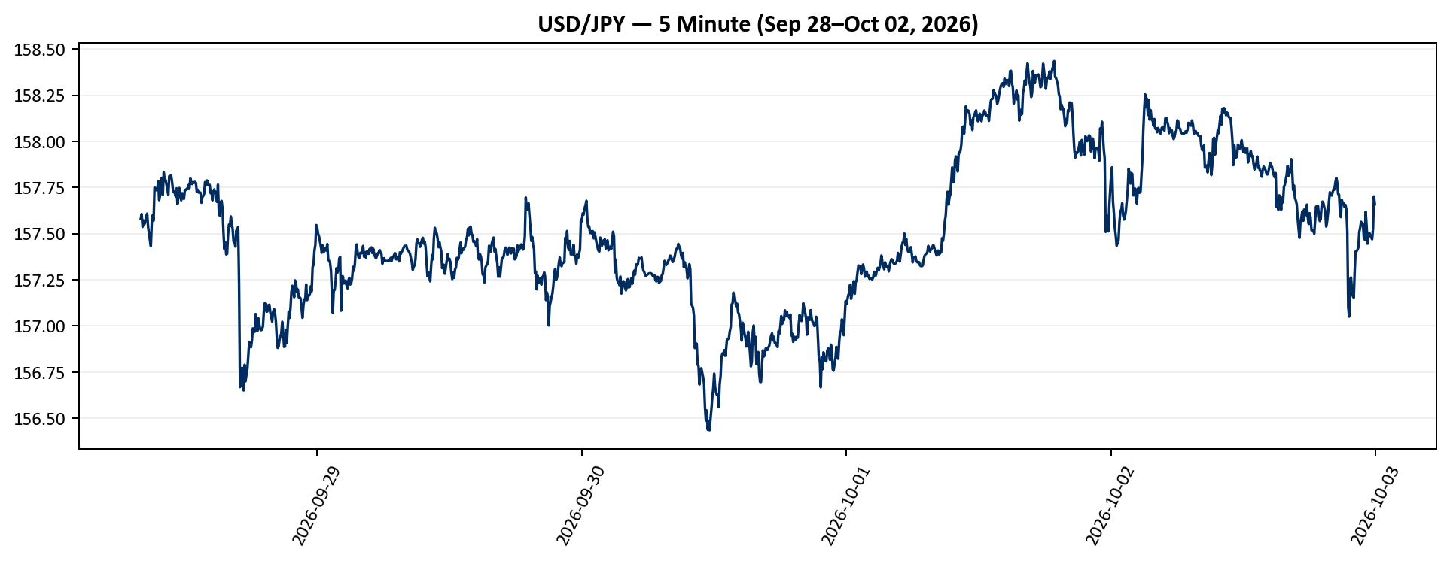
Low | Close | Adj Close | Volume
157.55299377 | 157.58000183 | 157.58000183 | 0
157.55400085 | 157.60600281 | 157.60600281 | 0
157.5249939 | 157.53599548 | 157.53599548 | 0
157.522995 | 157.57099915 | 157.57099915 | 0
157.53300476 | 157.55000305 | 157.55000305 | 0
157.53199768 | 157.56799316 | 157.56799316 | 0
157.55700684 | 157.59199524 | 157.59199524 | 0
157.58000183 | 157.60800171 | 157.60800171 | 0
157.522995 | 157.53599548 | 157.53599548 | 0
157.47399902 | 157.49899292 | 157.49899292 | 0
157.44799805 | 157.46200562 | 157.46200562 | 0
157.41799927 | 157.43200684 | 157.43200684 | 0
157.41600037 | 157.55799866 | 157.55799866 | 0
157.54699707 | 157.6000061 | 157.6000061 | 0
157.50500488 | 157.57000732 | 157.57000732 | 0
157.56799316 | 157.74899292 | 157.74899292 | 0
157.72200012 | 157.7460022 | 157.7460022 | 0
157.70199585 | 157.73500061 | 157.73500061 | 0
157.67100525 | 157.73800659 | 157.73800659 | 0
157.71200562 | 157.78500366 | 157.78500366 | 0
157.67999268 | 157.68099976 | 157.68099976 | 0
157.67999268 | 157.70399475 | 157.70399475 | 0
157.67100525 | 157.7480011 | 157.7480011 | 0
157.70399475 | 157.80200195 | 157.80200195 | 0
157.71000671 | 157.71000671 | 157.71000671 | 0
157.70799255 | 157.83200073 | 157.83200073 | 0
157.75900269 | 157.79499817 | 157.79499817 | 0
157.75500488 | 157.79100037 | 157.79100037 | 0
...

5min_gbpusd
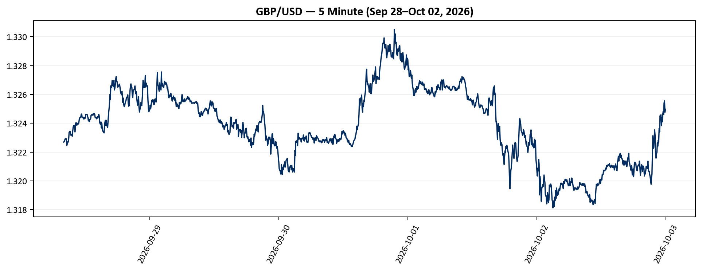
Low | Close | Adj Close | Volume | USD_GBP
1.3226639032 | 1.3226988316 | 1.3226988316 | 0 | 0.7560300018
1.3225764036 | 1.3227163553 | 1.3227163553 | 0 | 0.75601998567
1.3225939274 | 1.3228038549 | 1.3228038549 | 0 | 0.75596997715
1.322856307 | 1.3229088783 | 1.3229088783 | 0 | 0.75590996204
1.322856307 | 1.3229262829 | 1.3229262829 | 0 | 0.75590001721
1.3229262829 | 1.3229438066 | 1.3229438066 | 0 | 0.75589000453
1.3228038549 | 1.3228213787 | 1.3228213787 | 0 | 0.75595996262
1.3224713802 | 1.3224713802 | 1.3224713802 | 0 | 0.7561600311
1.3224364519 | 1.3226114511 | 1.3226114511 | 0 | 0.75607995011
1.3226288557 | 1.3227163553 | 1.3227163553 | 0 | 0.75601998567
1.3226988316 | 1.3226988316 | 1.3226988316 | 0 | 0.7560300018
1.3226988316 | 1.3228913546 | 1.3228913546 | 0 | 0.75591997525
1.322856307 | 1.3233815432 | 1.3233815432 | 0 | 0.75563997788
1.3231889009 | 1.3234164715 | 1.3234164715 | 0 | 0.75562003462
1.3233815432 | 1.3234516382 | 1.3234516382 | 0 | 0.7555999563
1.3232939243 | 1.3233289719 | 1.3233289719 | 0 | 0.75566999685
1.3231012821 | 1.3231713772 | 1.3231713772 | 0 | 0.75575999999
1.3232064247 | 1.3232064247 | 1.3232064247 | 0 | 0.75573998231
1.3232239485 | 1.3232239485 | 1.3232239485 | 0 | 0.75572997386
1.3231012821 | 1.3231012821 | 1.3231012821 | 0 | 0.75580003853
1.3230313063 | 1.3234341145 | 1.3234341145 | 0 | 0.75560996129
1.3235040903 | 1.3237318993 | 1.3237318993 | 0 | 0.75543998038
1.3236267567 | 1.3238370419 | 1.3238370419 | 0 | 0.75537998136
1.3235917091 | 1.323749423 | 1.323749423 | 0 | 0.75542997988
1.3235917091 | 1.3238544464 | 1.3238544464 | 0 | 0.75537005047
1.3233989477 | 1.3233989477 | 1.3233989477 | 0 | 0.75563004015
1.3235391378 | 1.3236967325 | 1.3236967325 | 0 | 0.7554600502
1.3238195181 | 1.3240298033 | 1.3240298033 | 0 | 0.75527000791
...

5min_eurusd
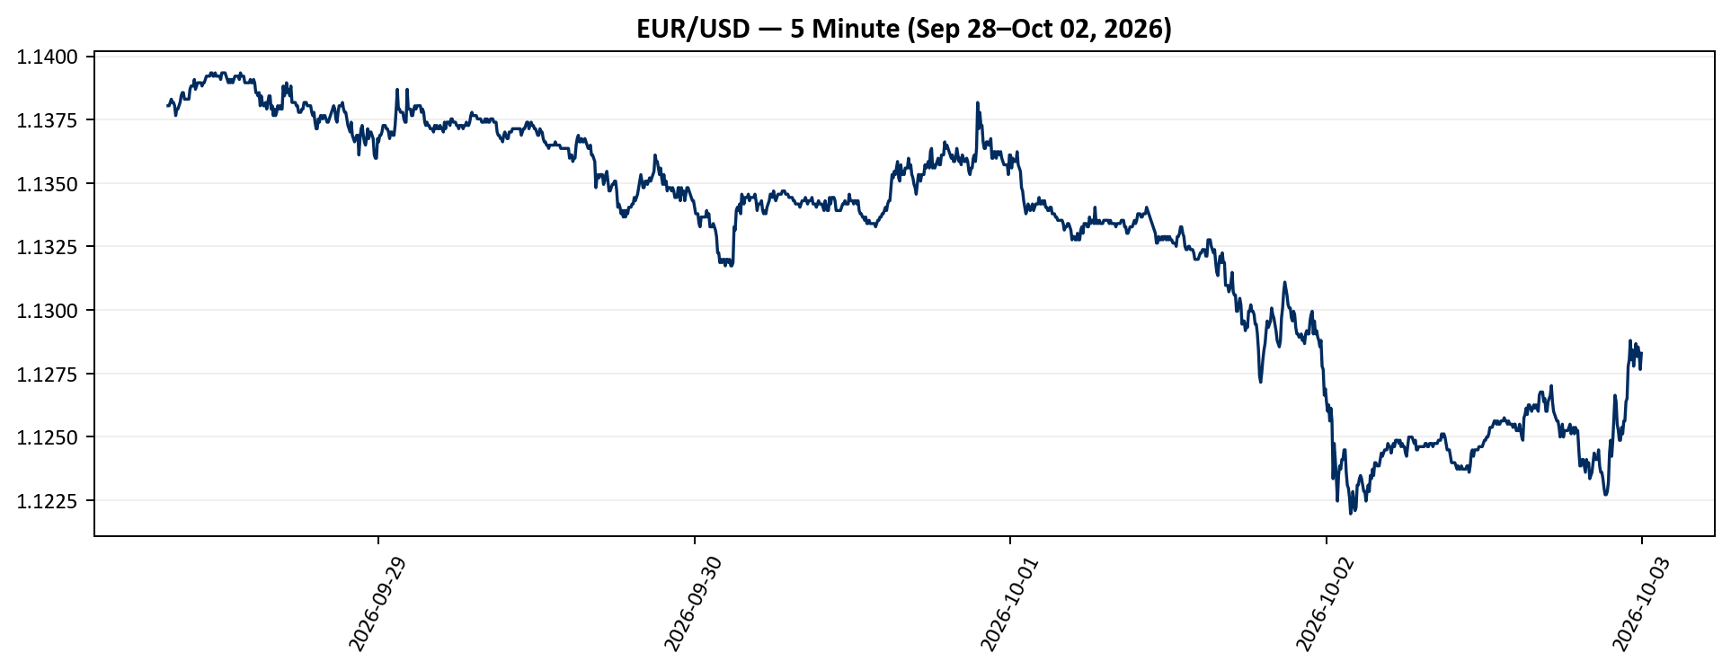
Low | Close | Adj Close | Volume | USD_EUR
1.1379153728 | 1.1380448341 | 1.1380448341 | 0 | 0.87870000373
1.1379153728 | 1.1380448341 | 1.1380448341 | 0 | 0.87870000373
1.1379153728 | 1.1381744146 | 1.1381744146 | 0 | 0.87859996424
1.1381744146 | 1.1383039951 | 1.1383039951 | 0 | 0.87849994753
1.1381744146 | 1.1381744146 | 1.1381744146 | 0 | 0.87859996424
1.1381744146 | 1.1381744146 | 1.1381744146 | 0 | 0.87859996424
1.1380448341 | 1.1380448341 | 1.1380448341 | 0 | 0.87870000373
1.1376564503 | 1.1376564503 | 1.1376564503 | 0 | 0.87899998261
1.1377859116 | 1.1379153728 | 1.1379153728 | 0 | 0.87879997394
1.1379153728 | 1.1379153728 | 1.1379153728 | 0 | 0.87879997394
1.1380448341 | 1.1380448341 | 1.1380448341 | 0 | 0.87870000373
1.1380448341 | 1.1381744146 | 1.1381744146 | 0 | 0.87859996424
1.1381744146 | 1.1384334564 | 1.1384334564 | 0 | 0.87840004557
1.1383039951 | 1.1385631561 | 1.1385631561 | 0 | 0.87829998241
1.1385631561 | 1.1385631561 | 1.1385631561 | 0 | 0.87829998241
1.1383039951 | 1.1383039951 | 1.1383039951 | 0 | 0.87849994753
1.1381744146 | 1.1383039951 | 1.1383039951 | 0 | 0.87849994753
1.1383039951 | 1.1383039951 | 1.1383039951 | 0 | 0.87849994753
1.1383039951 | 1.1383039951 | 1.1383039951 | 0 | 0.87849994753
1.1383039951 | 1.1383039951 | 1.1383039951 | 0 | 0.87849994753
1.1381744146 | 1.1386927366 | 1.1386927366 | 0 | 0.87820003398
1.1386927366 | 1.1388224363 | 1.1388224363 | 0 | 0.87810001638
1.1388224363 | 1.1388224363 | 1.1388224363 | 0 | 0.87810001638
1.1388224363 | 1.1388224363 | 1.1388224363 | 0 | 0.87810001638
1.1386927366 | 1.1390818357 | 1.1390818357 | 0 | 0.87790004951
1.1386927366 | 1.1386927366 | 1.1386927366 | 0 | 0.87820003398
1.1388224363 | 1.1388224363 | 1.1388224363 | 0 | 0.87810001638
1.138952136 | 1.138952136 | 1.138952136 | 0 | 0.87800002156
...

5min_dxy
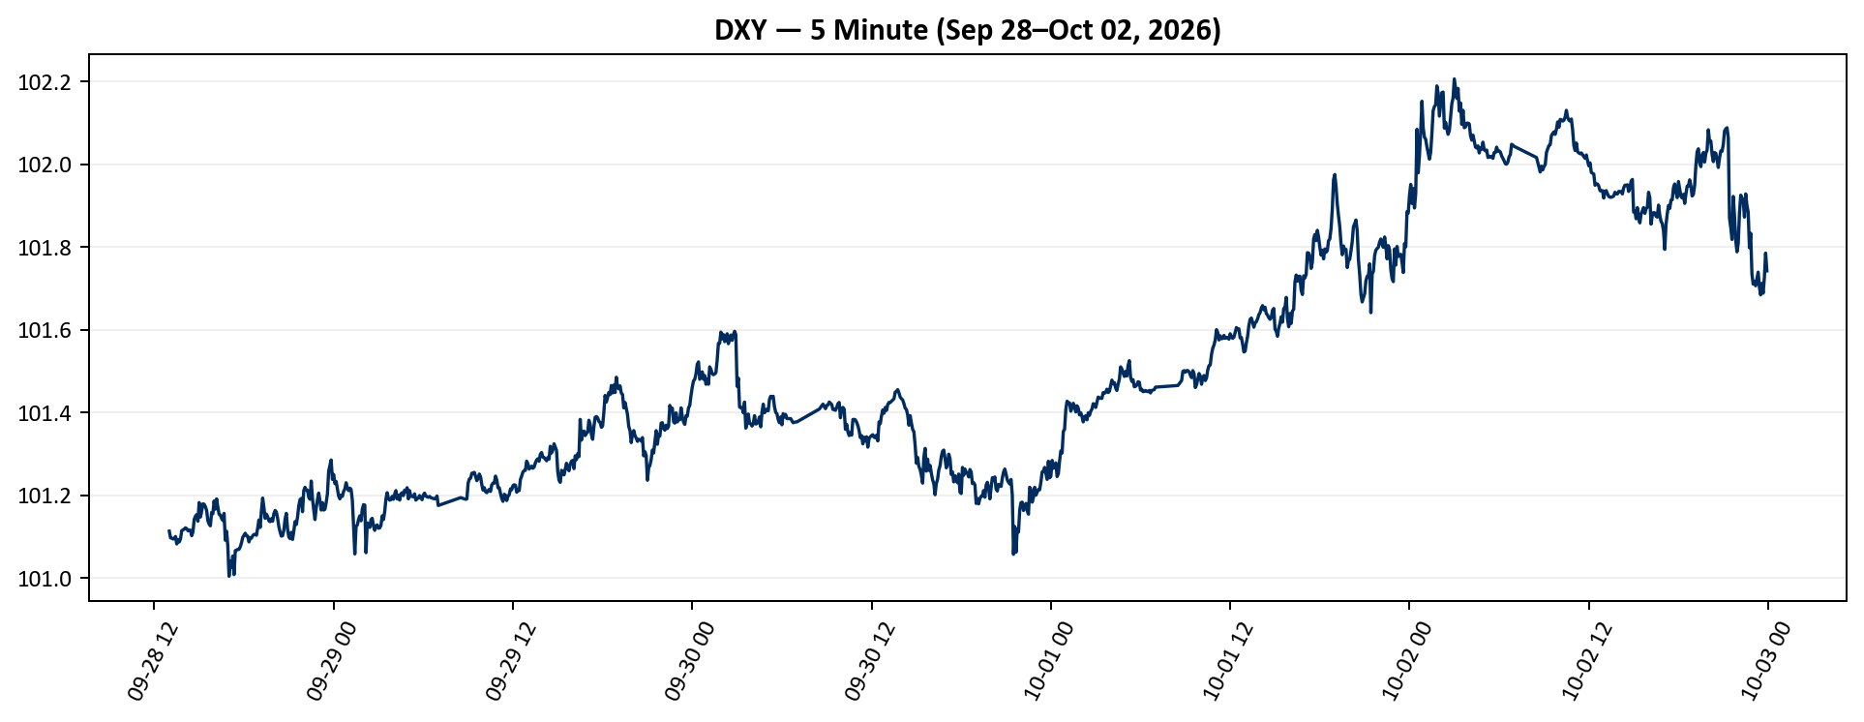
Low | Close | Adj Close | Volume
101.10800171 | 101.11299896 | 101.11299896 | 0
101.09600067 | 101.09700012 | 101.09700012 | 0
101.09400177 | 101.09600067 | 101.09600067 | 0
101.08999634 | 101.09400177 | 101.09400177 | 0
101.08899689 | 101.09500122 | 101.09500122 | 0
101.09500122 | 101.09999847 | 101.09999847 | 0
101.07900238 | 101.08200073 | 101.08200073 | 0
101.08000183 | 101.09300232 | 101.09300232 | 0
101.08200073 | 101.08699799 | 101.08699799 | 0
101.08699799 | 101.09400177 | 101.09400177 | 0
101.09300232 | 101.11399841 | 101.11399841 | 0
101.10800171 | 101.11599731 | 101.11599731 | 0
101.10900116 | 101.11799622 | 101.11799622 | 0
101.11699677 | 101.1210022 | 101.1210022 | 0
101.11499786 | 101.1190033 | 101.1190033 | 0
101.11000061 | 101.11399841 | 101.11399841 | 0
101.11100006 | 101.11599731 | 101.11599731 | 0
101.11000061 | 101.11499786 | 101.11499786 | 0
101.10099792 | 101.10199738 | 101.10199738 | 0
101.09200287 | 101.11100006 | 101.11100006 | 0
101.11100006 | 101.14099884 | 101.14099884 | 0
101.13899994 | 101.14900208 | 101.14900208 | 0
101.14399719 | 101.15299988 | 101.15299988 | 0
101.13500214 | 101.13700104 | 101.13700104 | 0
101.13600159 | 101.18199921 | 101.18199921 | 0
101.14199829 | 101.14700317 | 101.14700317 | 0
101.13899994 | 101.16100311 | 101.16100311 | 0
101.15499878 | 101.17900085 | 101.17900085 | 0
...

Derivatives
...
 |  |  |  |  |  |  | SwapPoint_1Y | BondSwapSpread_1Y_bp | SwapBasis_1Y_bp | BondSwapSpread_3Y_bp | SwapBasis_3Y_bp | BondSwapSpread_5Y_bp | SwapBasis_5Y_bp | BondSwapSpread_10Y_bp | SwapBasis_10Y_bp
 |  |  |  |  |  |  | -1200
 |  |  |  |  |  |  | -1200
 |  |  |  | -50 | -215 | -540 | -1200
 |  |  |  | -50 | -215 | -540 | -1200
 |  |  |  | -50 | -215 | -540 | -1200
 |  |  |  | -50 | -215 | -540 | -1200
 |  |  |  | -50 | -215 | -540 | -1200
 |  |  |  | -50 | -215 | -540 | -1200
 |  |  |  | -50 | -215 | -540 | -1200
3.469 | 3.884 | 4.101 | 4.36 | -50 | -215 | -540 | -1200
Swap Basis
3.475 | 3.9 | 4.12 | 4.385 | -50 | -215 | -540 | -1200 | 9.25 | -11.25 | 1 | -31 | -9.75 | -38.75 | -25 | -55
3.479 | 3.901 | 4.127 | 4.401 | -50 | -215 | -540 | -1200 | 10.85 | -13.75 | 1.9 | -31 | -10.2 | -38.5 | -26.85 | -55.75
Bond Swap Spread
3.486 | 3.91 | 4.136 | 4.401 | -50 | -215 | -540 | -1200 | 12.15 | -12.25 | 4.25 | -32.25 | -7.6 | -43.5 | -24.35 | -57.25
3.507 | 3.93 | 4.186 | 4.453 | -50 | -215 | -540 | -1200 | 10.55 | -9.75 | 5 | -32 | -8.6 | -44 | -24.55 | -58.75
3.56 | 4.014 | 4.267 | 4.54 | -50 | -215 | -540 | -1200 | 9 | -5 | 6.85 | -32.75 | -5.95 | -45.25 | -23 | -60.5
3.573 | 4.025 | 4.279 | 4.536 | -50 | -215 | -540 | -1200 | 9.2 | -8 | 4.75 | -30.75 | -9.65 | -42.75 | -26.6 | -56.5
3.609 | 4.091 | 4.345 | 4.6 | -50 | -215 | -540 | -1200 | 10.6 | -9.5 | 6.4 | -34.5 | -7.25 | -47.25 | -24.5 | -60.5
3.613 | 4.053 | 4.288 | 4.547 | -50 | -215 | -540 | -1200 | 10.7 | -18.5 | 3.45 | -35.75 | -9.05 | -47.25 | -26.2 | -60.5
3.666 | 4.063 | 4.262 | 4.506 | -50 | -215 | -540 | -1200 | 7.4 | -21.5 | 2.7 | -38.5 | -8.7 | -48 | -27.1 | -59.5
IRS
 | IRS_1Y | IRS_3Y | IRS_5Y | IRS_10Y
2026-09-07 | 3.5675 | 3.91 | 4.0225 | 4.135
2026-09-08 | 3.5875 | 3.92 | 4.025 | 4.1325
2026-09-09 | 3.6075 | 3.9525 | 4.06 | 4.1575
2026-09-10 | 3.6125 | 3.98 | 4.1 | 4.2075
2026-09-11 | 3.65 | 4.0825 | 4.2075 | 4.31
2026-09-14 | 3.665 | 4.0725 | 4.1825 | 4.27
2026-09-15 | 3.715 | 4.155 | 4.2725 | 4.355
2026-09-16 | 3.72 | 4.0875 | 4.1975 | 4.285
2026-09-17 | 3.74 | 4.09 | 4.175 | 4.235
2026-09-18 | 3.7175 | 4.0725 | 4.1625 | 4.2175
2026-09-21 | 3.74 | 4.0975 | 4.185 | 4.225
2026-09-22 | 3.7275 | 4.0775 | 4.17 | 4.2225
2026-09-23 | 3.7125 | 4.04 | 4.115 | 4.1625
2026-09-28 | 3.775 | 4.165 | 4.2675 | 4.33
2026-09-29 | 3.76 | 4.115 | 4.215 | 4.2675
2026-09-30 | 3.7025 | 4.0575 | 4.1475 | 4.21
2026-10-01 | 3.69 | 4.0775 | 4.175 | 4.25
2026-10-02 | 3.615 | 3.985 | 4.0825 | 4.1625
3.67 | 4.035 | 4.225 | 4.466 | -50 | -215 | -540 | -1200 | 4.75 | -17.25 | 3.75 | -40.25 | -6.25 | -50.75 | -24.85 | -60.75
3.676 | 4.056 | 4.275 | 4.457 | -30 | -190 | -510 | -1180 | 6.4 | -15.5 | 4.15 | -39.25 | -9 | -51.5 | -23.2 | -60
3.674 | 4.04 | 4.267 | 4.461 | -30 | -190 | -510 | -1180 | 5.35 | -10.75 | 3.75 | -35.25 | -9.7 | -46 | -23.85 | -55.75
3.667 | 4.006 | 4.22 | 4.392 | -30 | -190 | -510 | -1180 | 4.55 | -11.75 | 3.4 | -30 | -10.5 | -38.5 | -22.95 | -47.75
3.726 | 4.119 | 4.345 | 4.539 | -40 | -225 | -550 | -1250 | 4.9 | -11 | 4.6 | -30.5 | -7.75 | -38.25 | -20.9 | -49
3.724 | 4.076 | 4.276 | 4.476 | -80 | -280 | -600 | -1360 | 3.6 | -18.5 | 3.9 | -30.5 | -6.1 | -36.5 | -20.85 | -46.25
3.733 | 4.011 | 4.203 | 4.407 | -75 | -270 | -610 | -1370 | -3.05 | -20.25 | 4.65 | -31.75 | -5.55 | -35.75 | -19.7 | -46.5
3.744 | 4.01 | 4.2 | 4.436 | -75 | -260 | -590 | -1350 | -5.4 | -17 | 6.75 | -34.75 | -2.5 | -39.5 | -18.6 | -51.5
3.734 | 3.937 | 4.129 | 4.365 | -80 | -260 | -580 | -1300 | -11.9 | -13.5 | 4.8 | -34 | -4.65 | -38.75 | -20.25 | -49.25

Charts
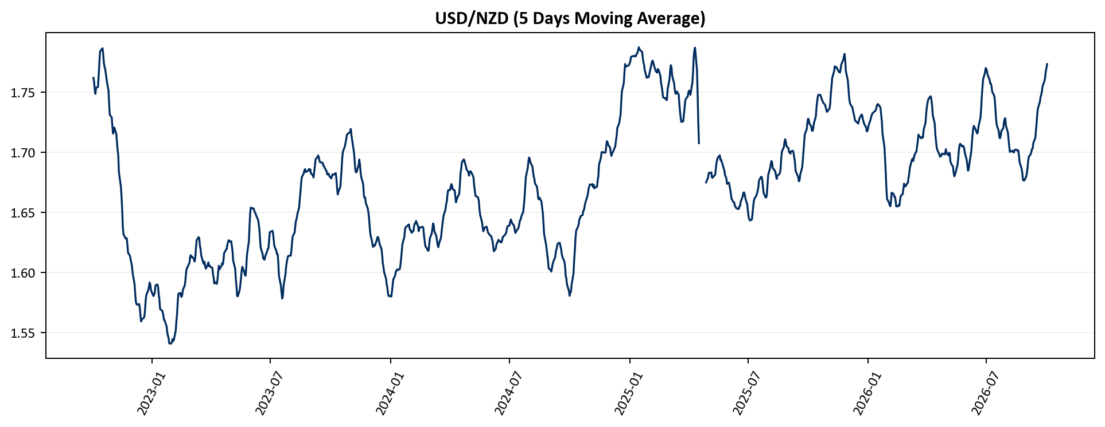
...
PPT Chart Snapshots
ppt_5min_usdkrw_usdjpy
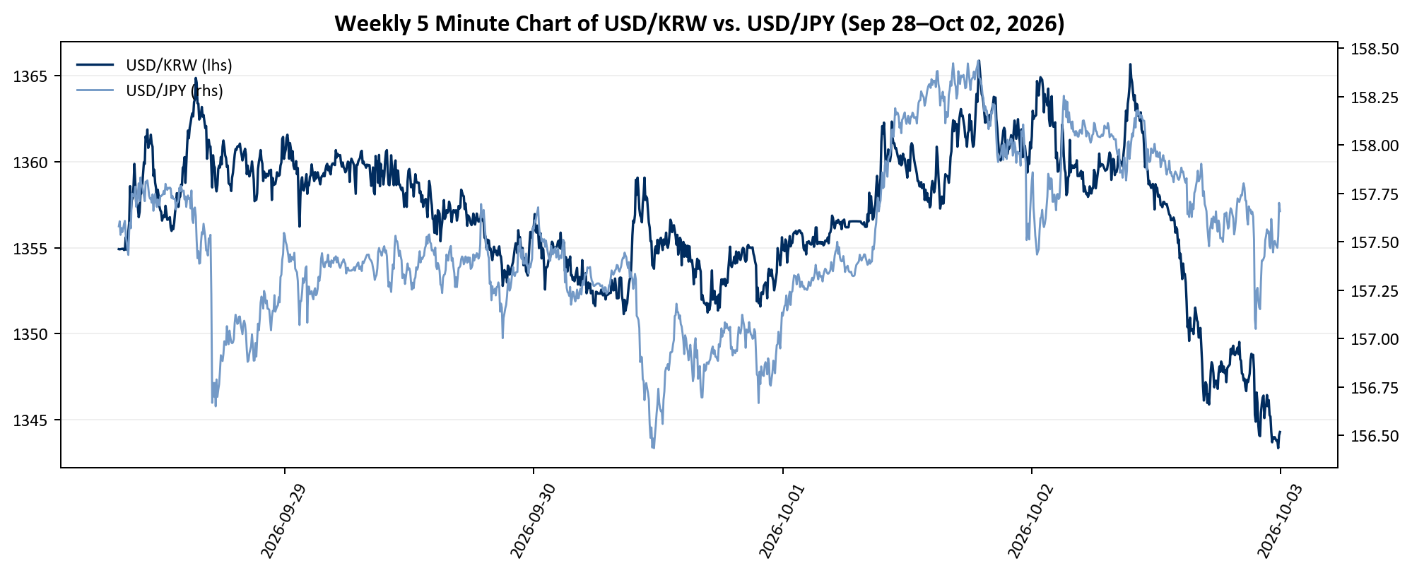

ppt_5min_usdeur_usdgbp
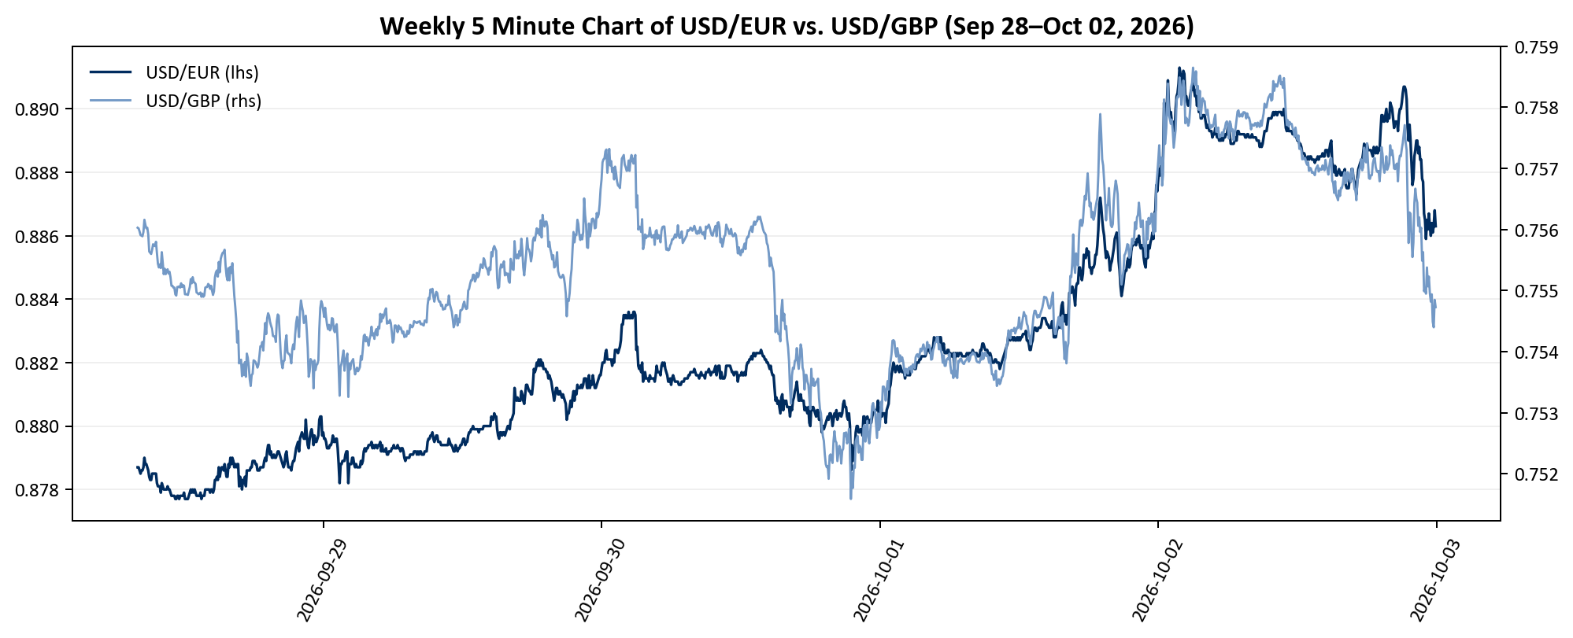

bond_swap_spread
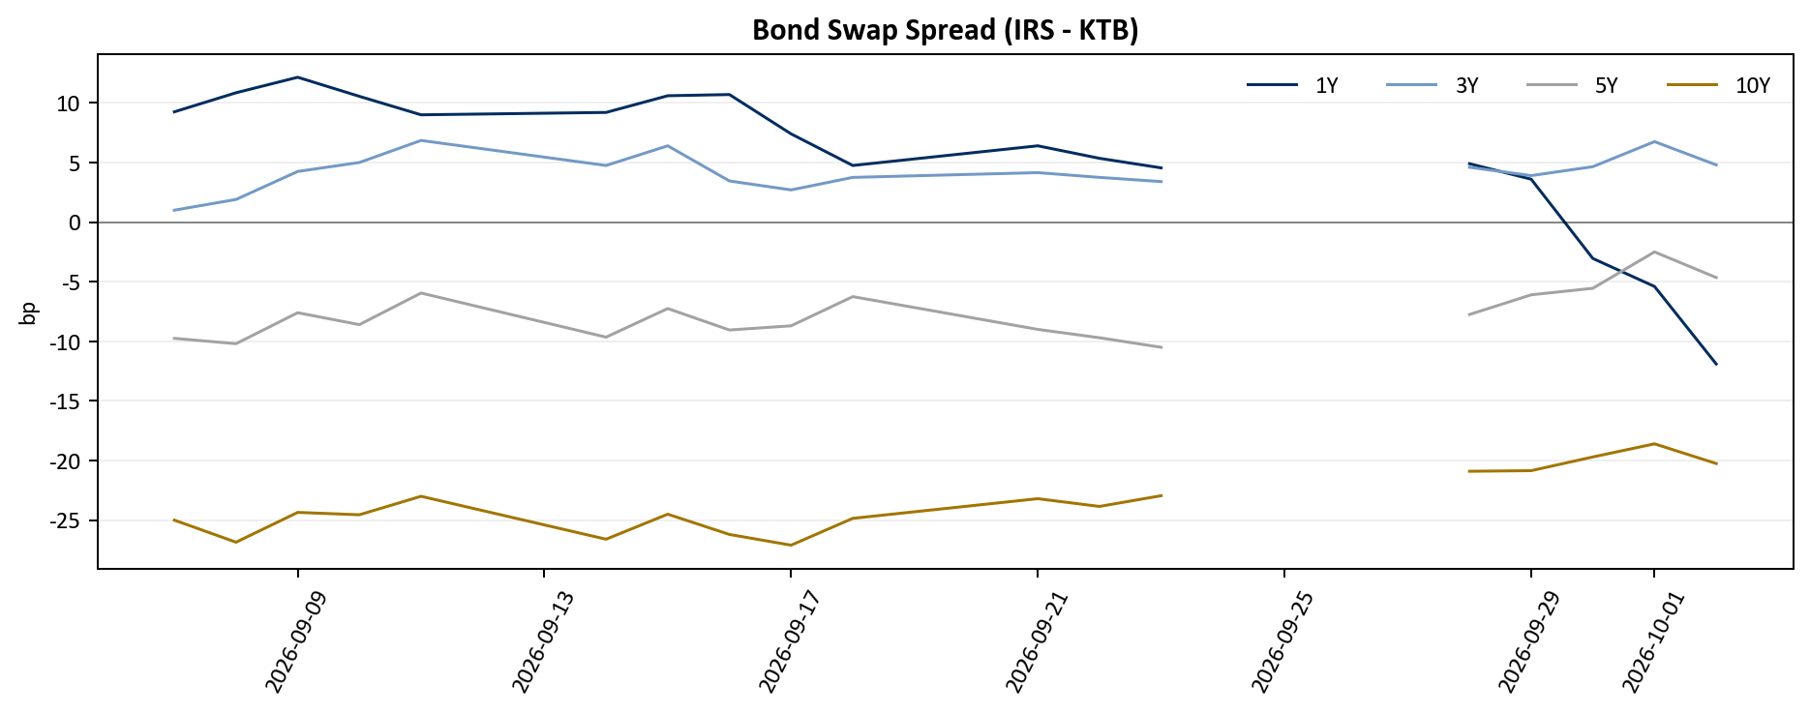

swap_basis
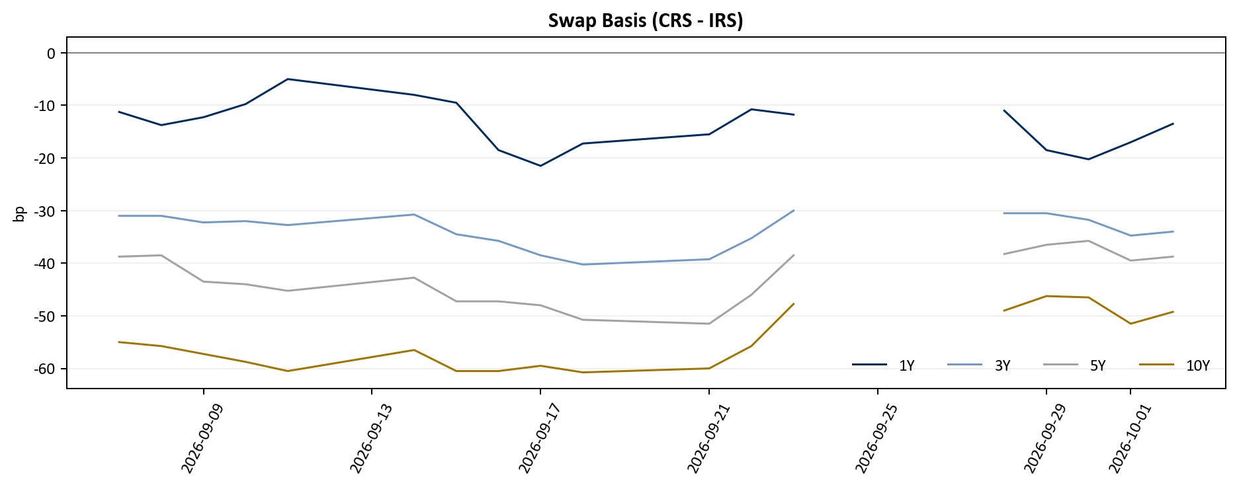

ma5_usd_krw
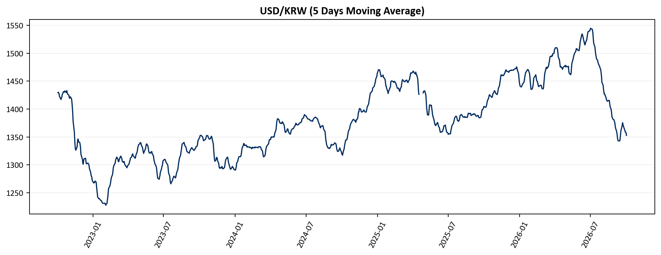

ma5_usd_jpy
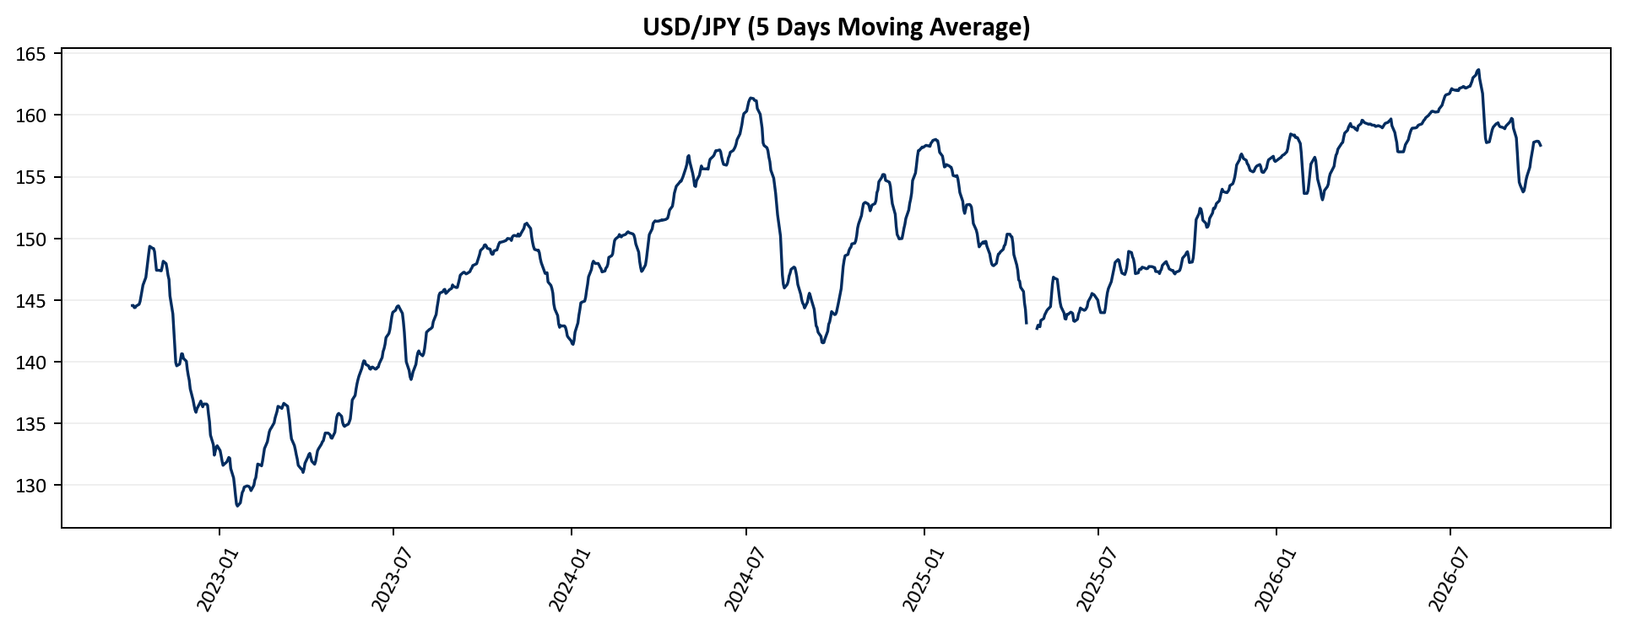

ma5_usd_cny
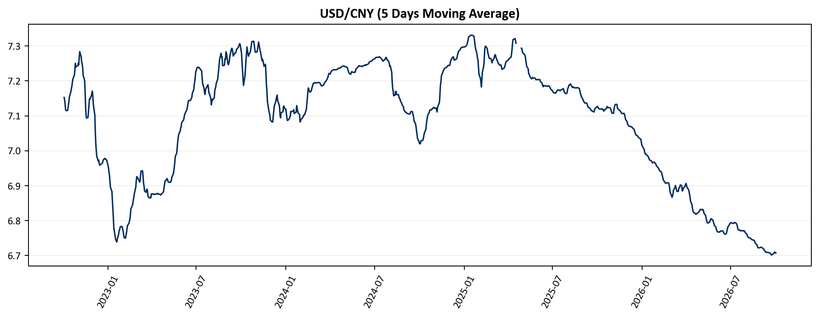

ma5_usd_twd
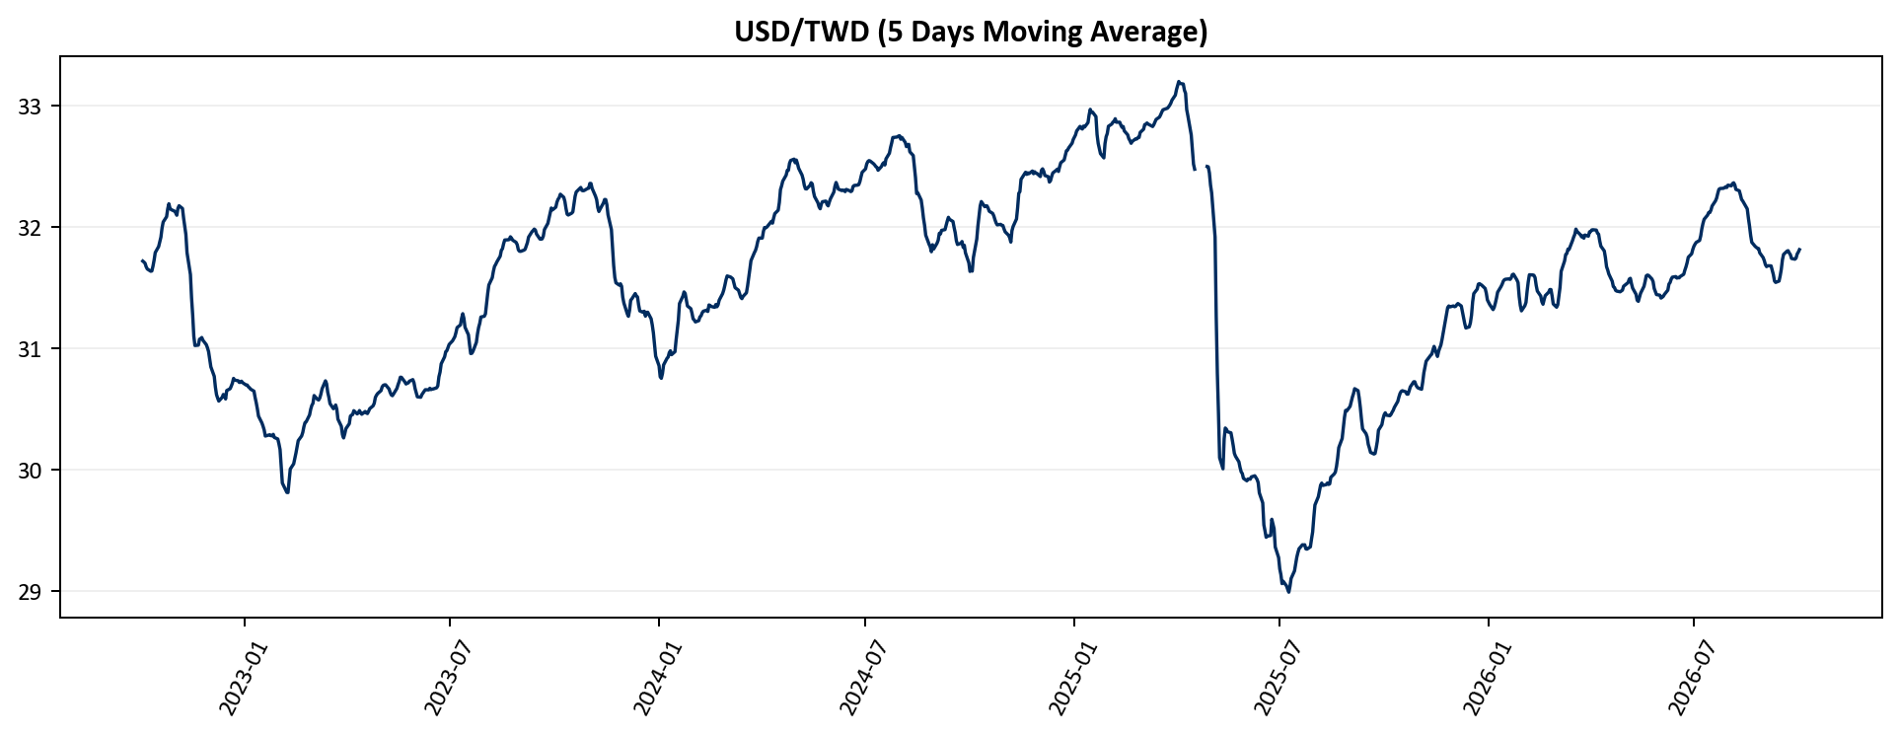

ma5_dxy
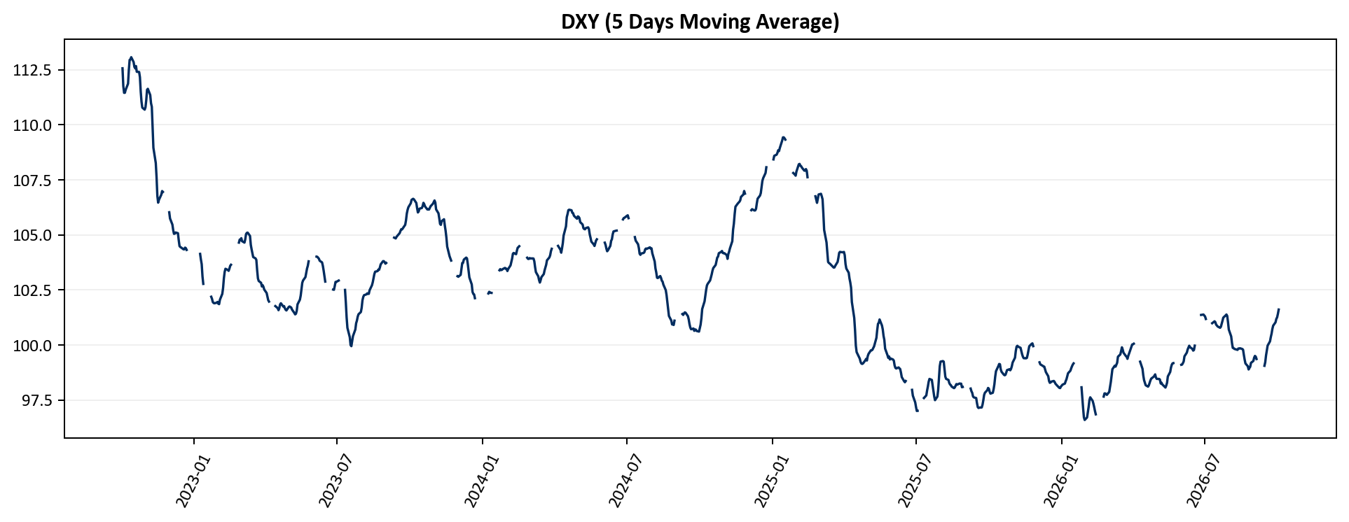

ma5_usd_cad
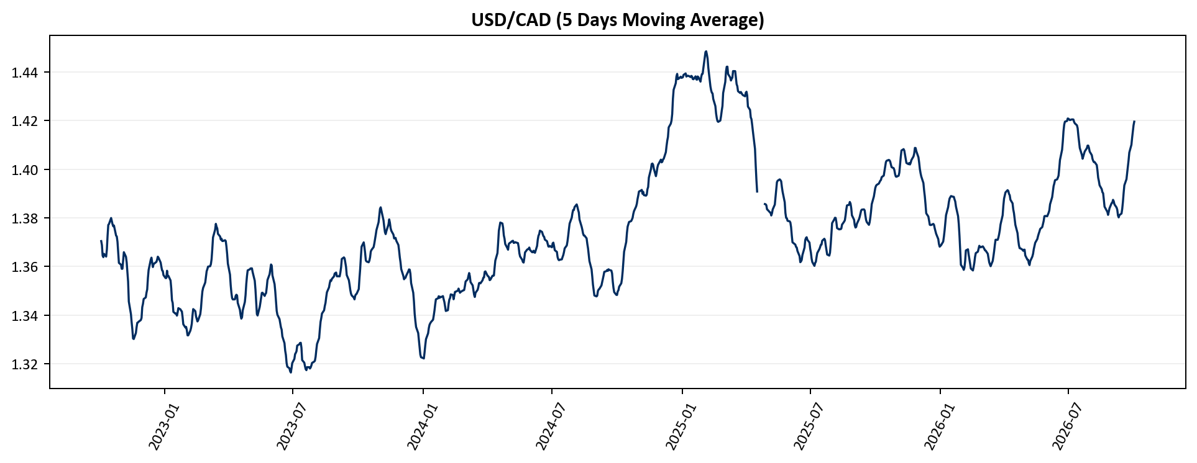

ma5_usd_eur
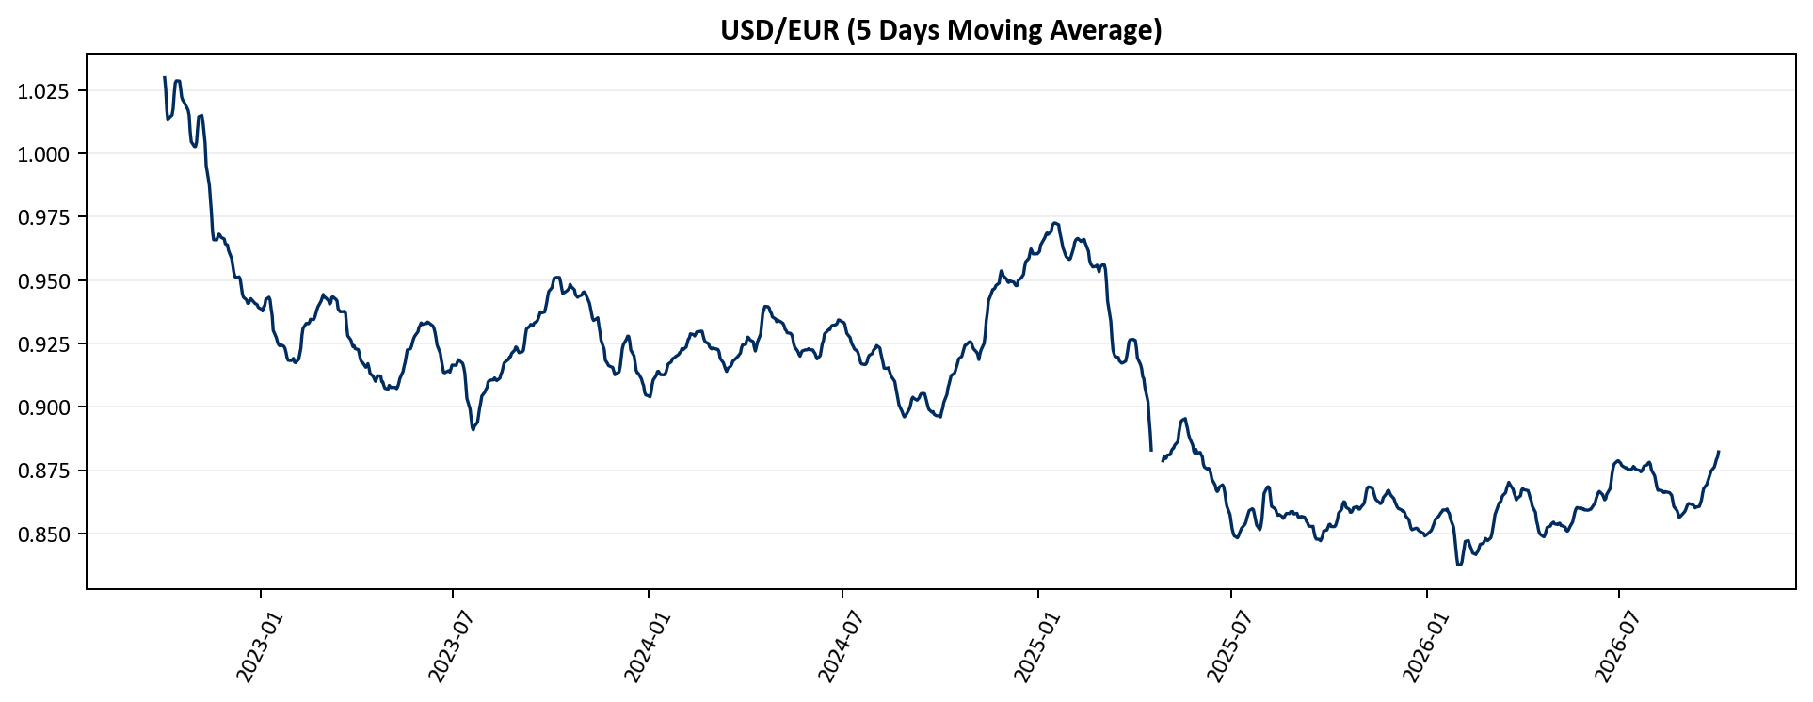

ma5_usd_gbp
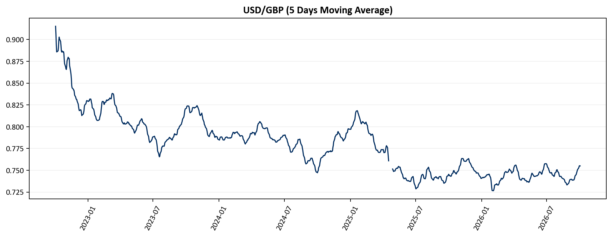

ma5_usd_sek
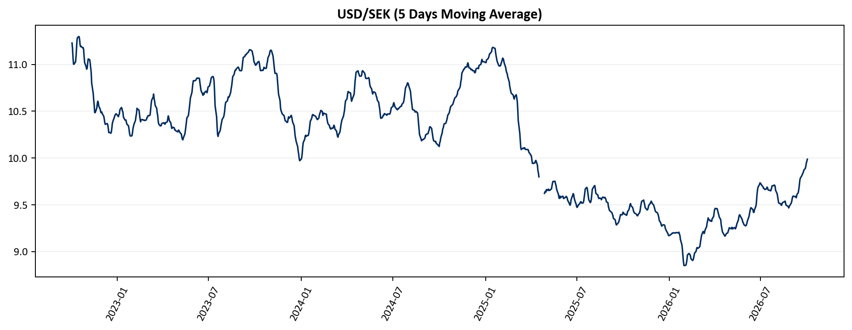

ma5_usd_chf
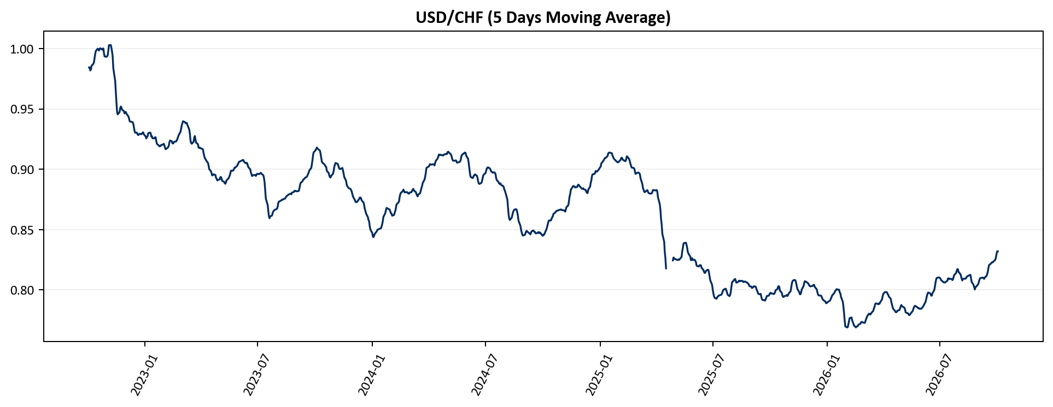

ma5_usd_rub
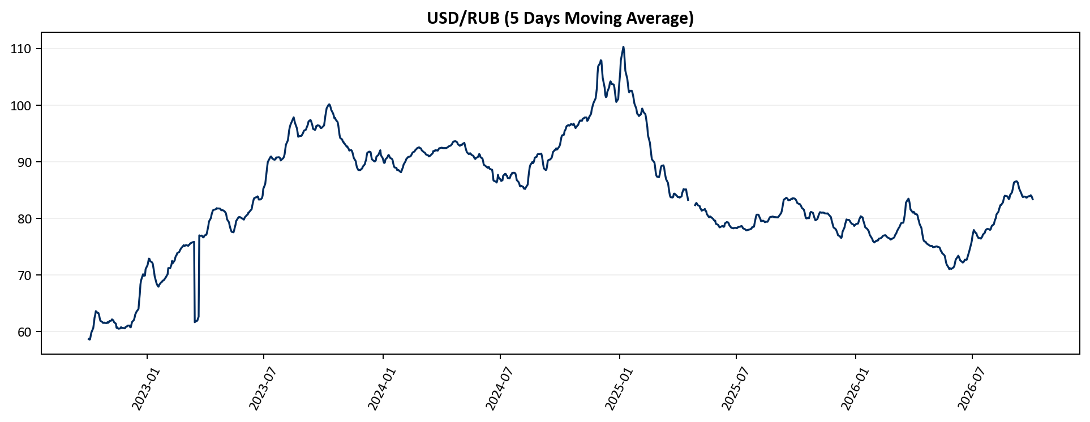

ma5_usd_dkk
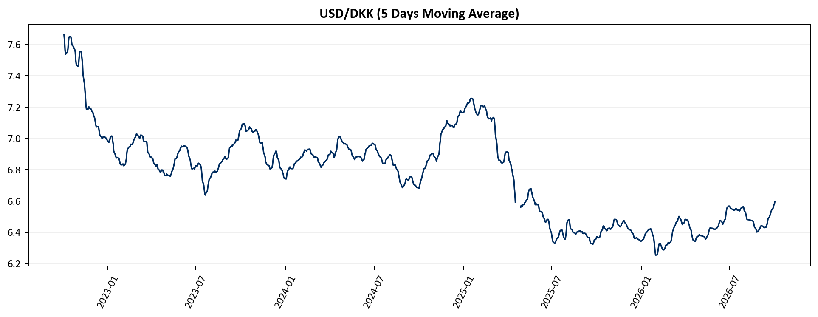

ma5_usd_mxn
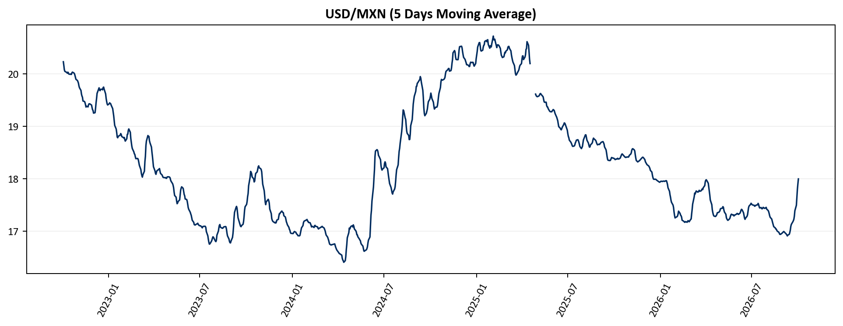

ma5_usd_brl
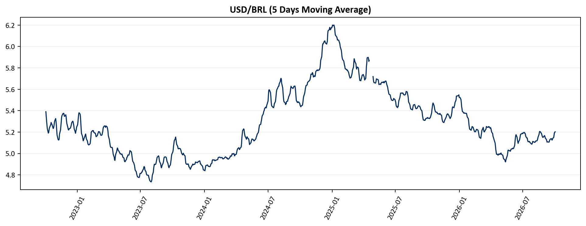

ma5_usd_cop
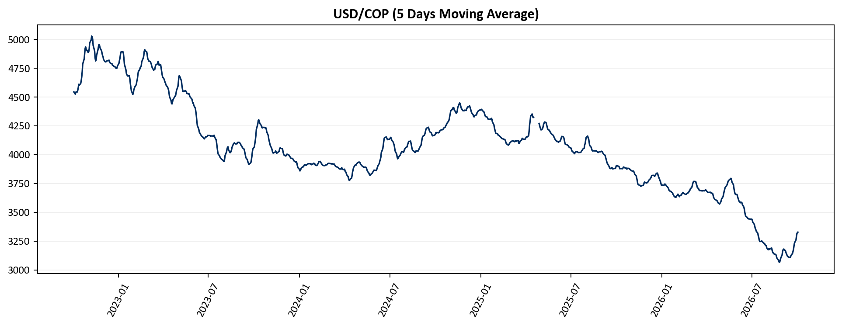

ma5_usd_ars
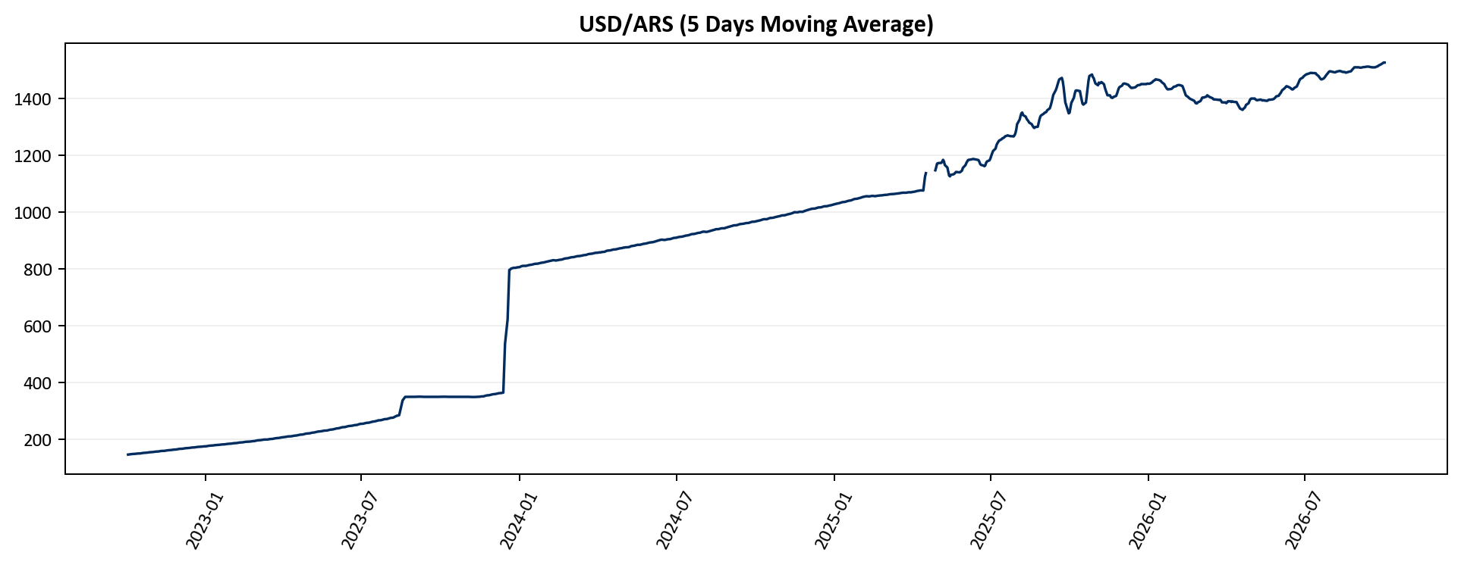

ma5_usd_inr
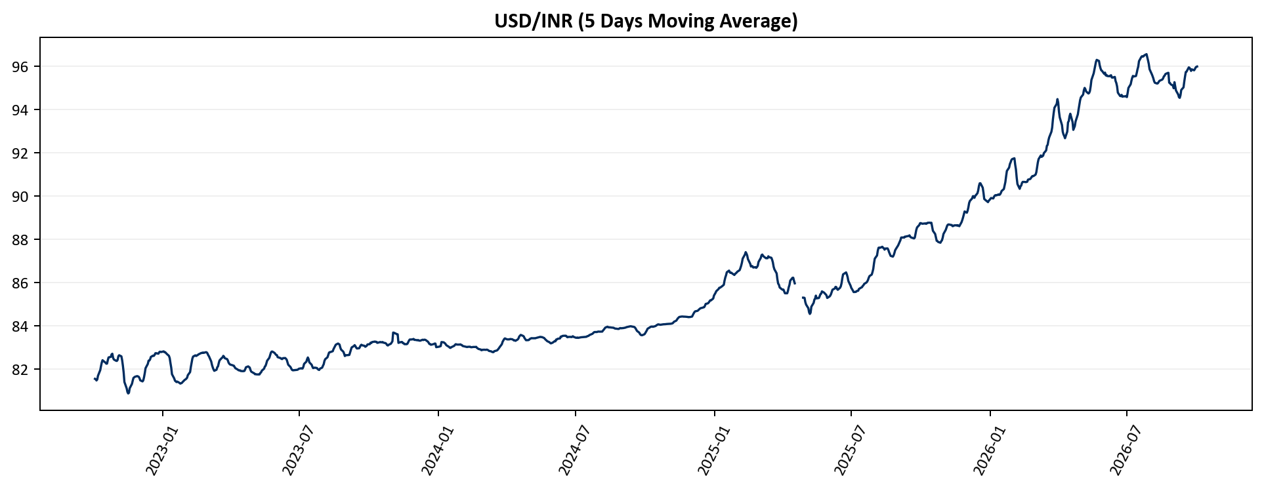

ma5_usd_sgd
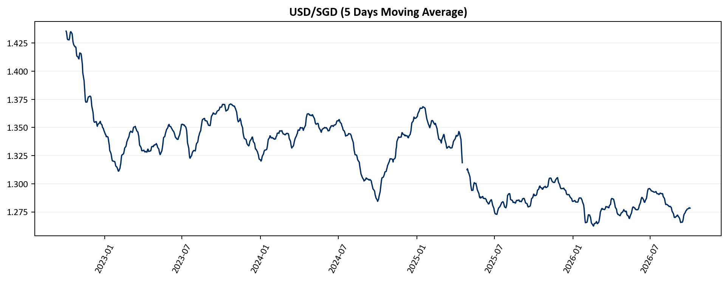

ma5_usd_thb
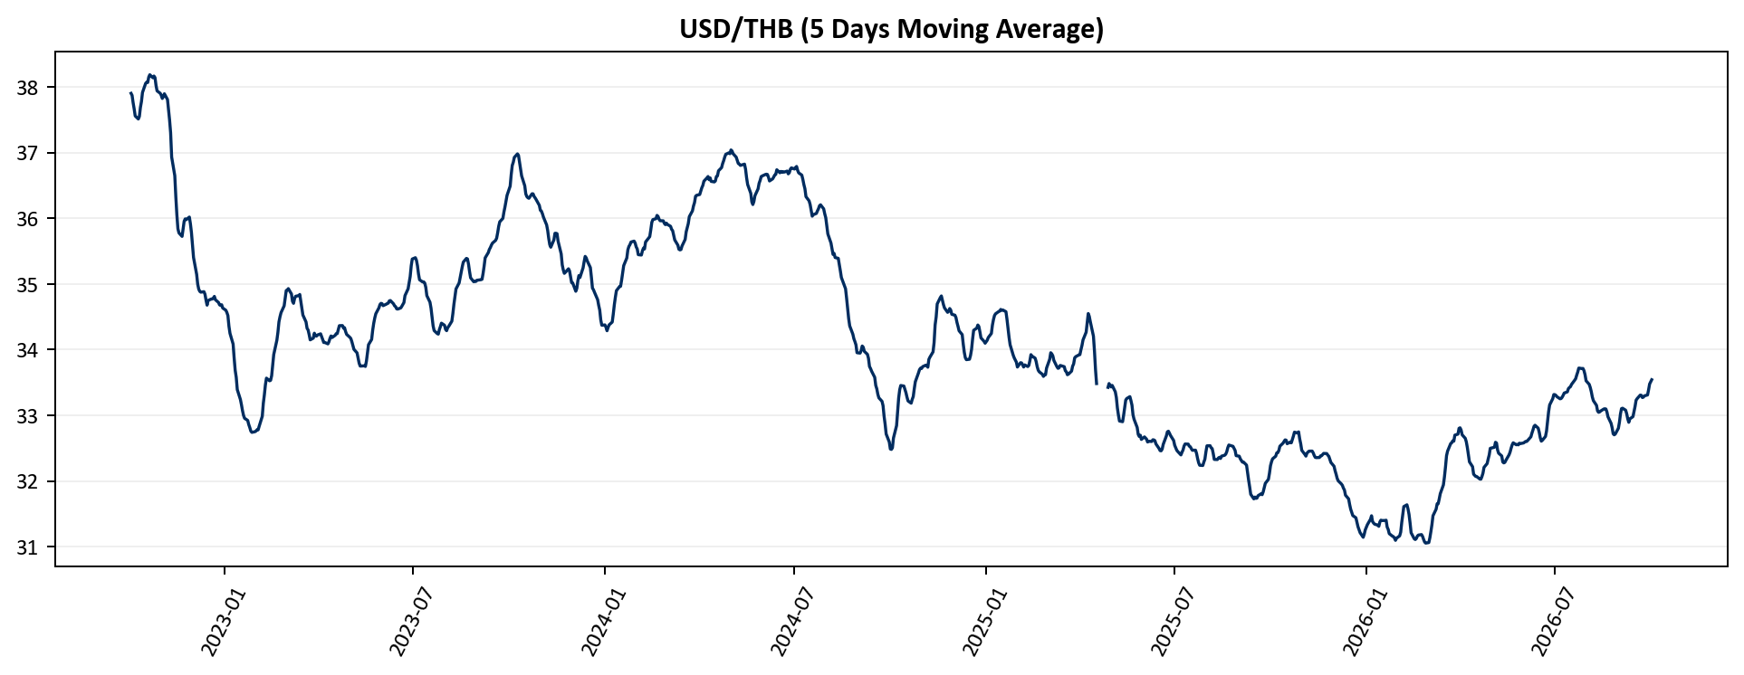

ma5_usd_idr
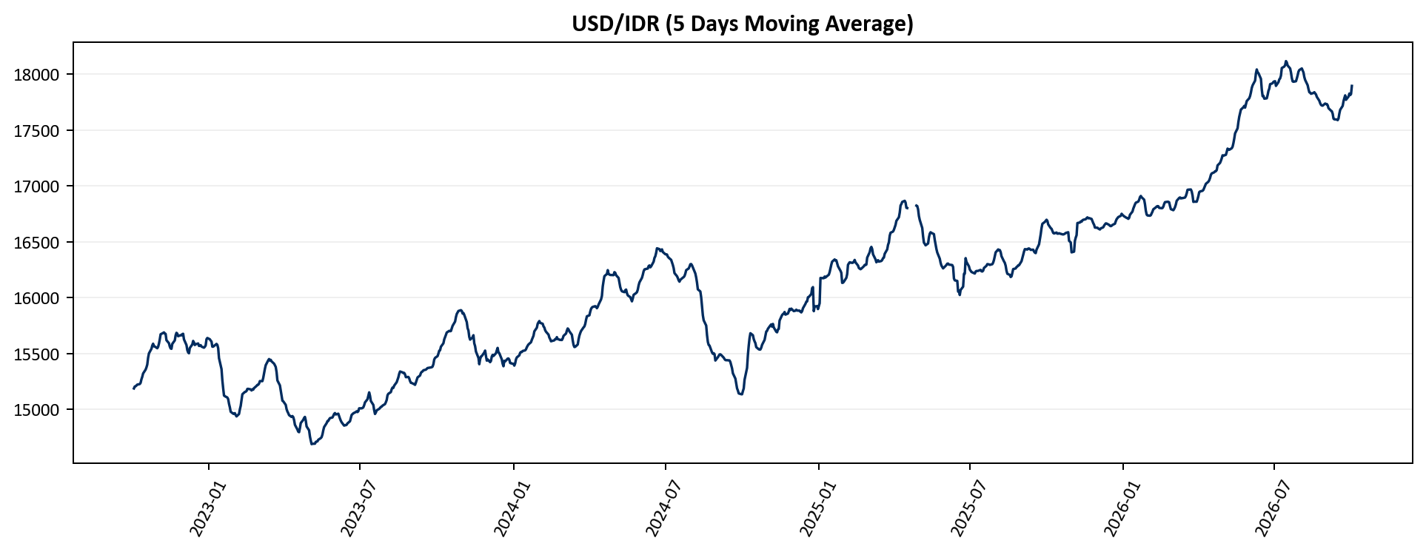

ma5_usd_vnd
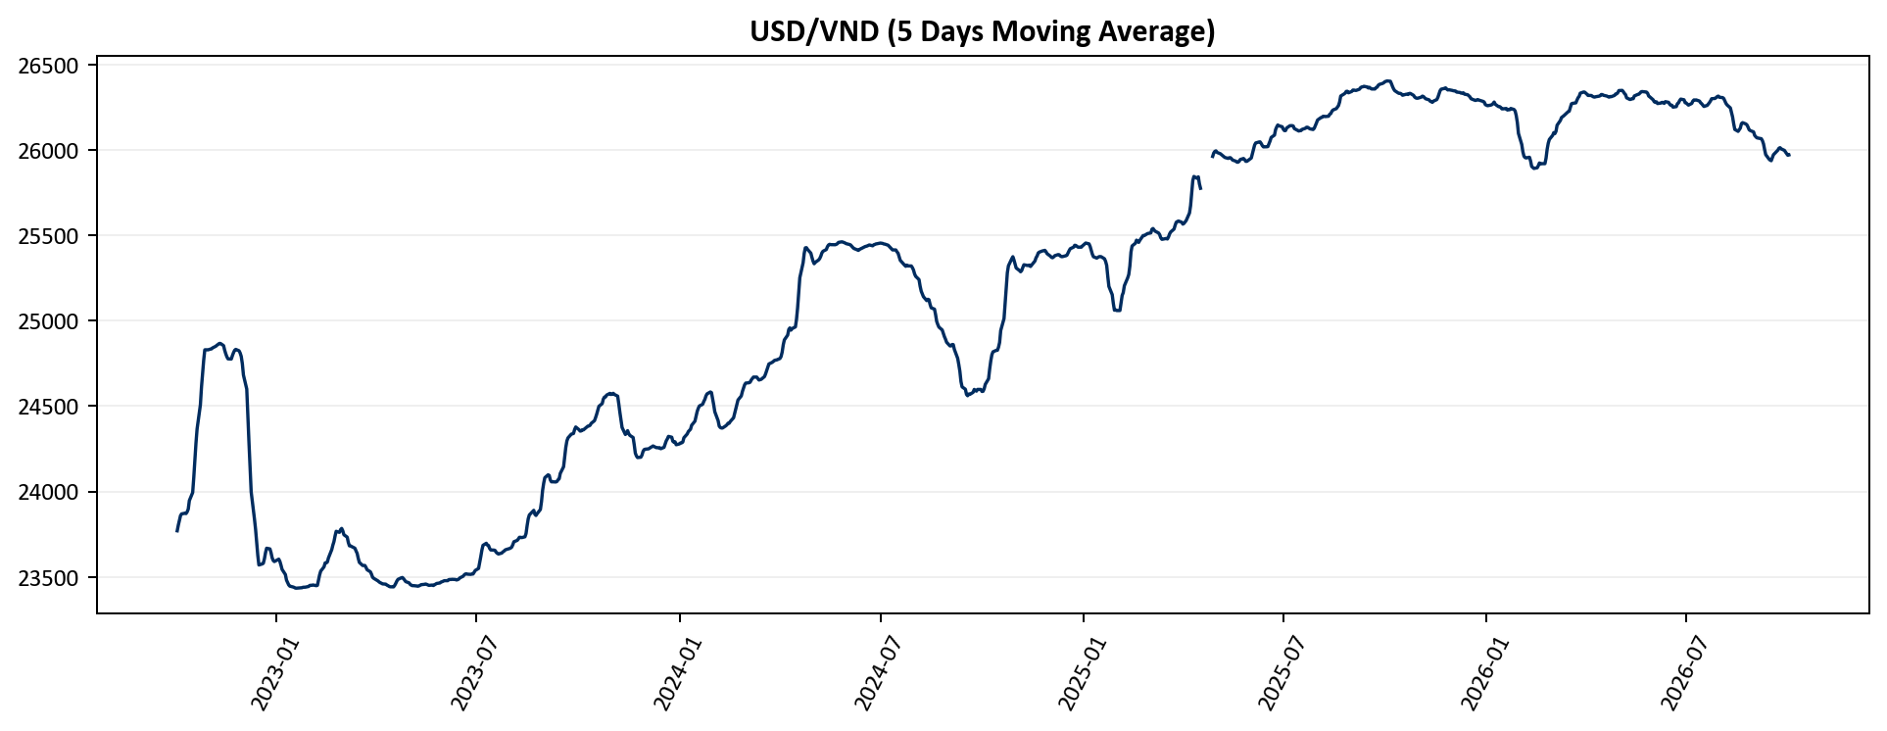

ma5_usd_php
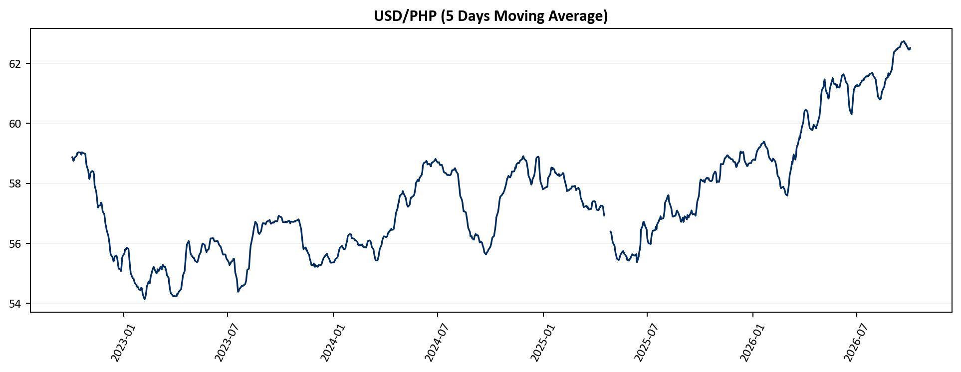

ma5_usd_aud
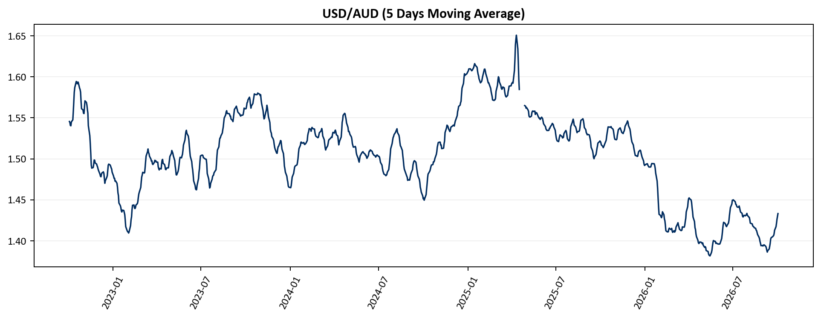

ma5_usd_nzd

