5min_usdkrw
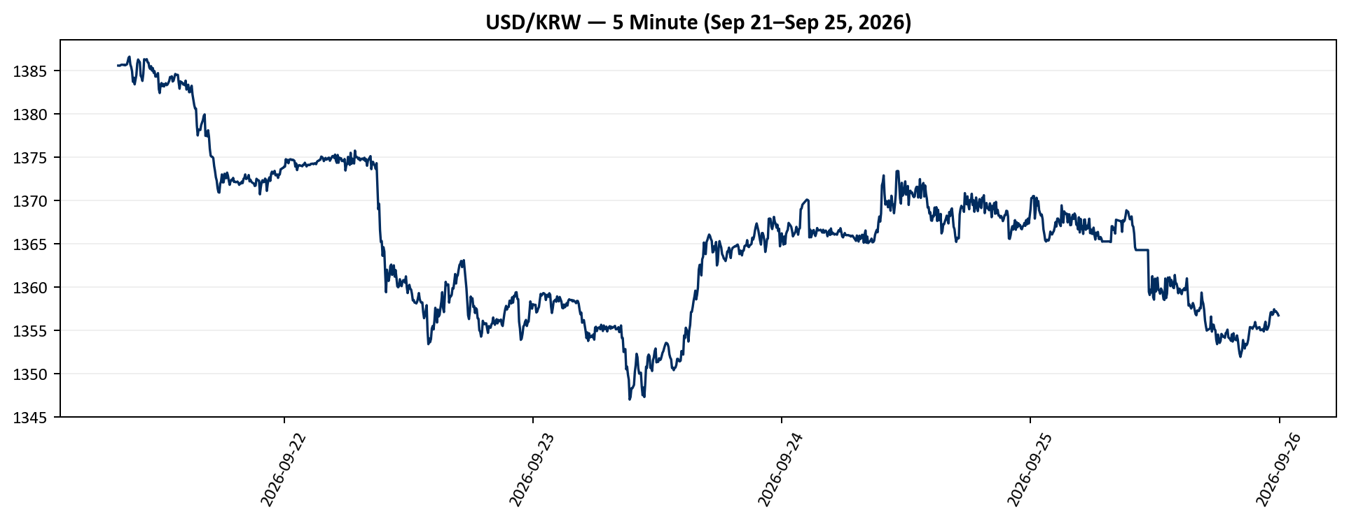
Datetime_KST | Open | High | Low | Close | Adj Close | Volume
2026-09-21 | 1385.4300537 | 1385.7099609 | 1385.0300293 | 1385.5500488 | 1385.5500488 | 0
2026-09-21 | 1385.5500488 | 1385.5500488 | 1385.1400146 | 1385.5400391 | 1385.5400391 | 0
2026-09-21 | 1385.5400391 | 1385.5699463 | 1385.1400146 | 1385.5400391 | 1385.5400391 | 0
2026-09-21 | 1385.5500488 | 1386.2900391 | 1385.1600342 | 1385.6199951 | 1385.6199951 | 0
2026-09-21 | 1385.6300049 | 1386.4699707 | 1385.2199707 | 1385.6500244 | 1385.6500244 | 0
2026-09-21 | 1385.6400146 | 1386.4499512 | 1385.6400146 | 1385.6500244 | 1385.6500244 | 0
2026-09-21 | 1385.6500244 | 1386.4599609 | 1385.5999756 | 1385.6199951 | 1385.6199951 | 0
2026-09-21 | 1385.6099854 | 1386.4599609 | 1385.5999756 | 1385.6500244 | 1385.6500244 | 0
2026-09-21 | 1385.6500244 | 1386.4799805 | 1385.5699463 | 1385.5799561 | 1385.5799561 | 0
2026-09-21 | 1385.5699463 | 1386.1700439 | 1385.1800537 | 1385.6400146 | 1385.6400146 | 0
2026-09-21 | 1385.6500244 | 1386.2900391 | 1385.3800049 | 1385.6899414 | 1385.6899414 | 0
2026-09-21 | 1385.6700439 | 1386.1600342 | 1385.1800537 | 1386.0300293 | 1386.0300293 | 0
2026-09-21 | 1385.7099609 | 1386.9799805 | 1385.1800537 | 1386.4599609 | 1386.4599609 | 0
2026-09-21 | 1386.4799805 | 1386.6800537 | 1385.7800293 | 1386.5799561 | 1386.5799561 | 0
2026-09-21 | 1386.6800537 | 1386.7800293 | 1385.2800293 | 1385.6800537 | 1385.6800537 | 0
2026-09-21 | 1385.7800293 | 1386.0799561 | 1385.2800293 | 1385.3800049 | 1385.3800049 | 0
2026-09-21 | 1385.3800049 | 1385.9300537 | 1384.5799561 | 1384.8800049 | 1384.8800049 | 0
2026-09-21 | 1384.6800537 | 1385.5200195 | 1383.5799561 | 1383.6800537 | 1383.6800537 | 0
2026-09-21 | 1383.8800049 | 1384.2800293 | 1383.6800537 | 1384.1400146 | 1384.1400146 | 0
2026-09-21 | 1384.0799561 | 1384.1400146 | 1383.2800293 | 1383.3800049 | 1383.3800049 | 0
2026-09-21 | 1383.4799805 | 1384.2900391 | 1382.5799561 | 1383.9499512 | 1383.9499512 | 0
2026-09-21 | 1383.9699707 | 1384.9499512 | 1383.9599609 | 1384.4899902 | 1384.4899902 | 0
2026-09-21 | 1384.7800293 | 1386.0799561 | 1384.3800049 | 1385.7800293 | 1385.7800293 | 0
2026-09-21 | 1385.9799805 | 1386.3800049 | 1385.5200195 | 1386.25 | 1386.25 | 0
2026-09-21 | 1386.4799805 | 1386.4799805 | 1385.7800293 | 1386.0799561 | 1386.0799561 | 0
2026-09-21 | 1386.0899658 | 1386.1800537 | 1385.7800293 | 1385.9399414 | 1385.9399414 | 0
2026-09-21 | 1385.8800049 | 1386.0799561 | 1383.7800293 | 1384.3800049 | 1384.3800049 | 0
2026-09-21 | 1384.4799805 | 1385.0899658 | 1382.7800293 | 1384.1800537 | 1384.1800537 | 0
2026-09-21 | 1384.0799561 | 1384.4699707 | 1383.1800537 | 1383.7800293 | 1383.7800293 | 0
2026-09-21 | 1383.7800293 | 1384.8800049 | 1383.6800537 | 1384.5799561 | 1384.5799561 | 0
2026-09-21 | 1384.7800293 | 1386.5799561 | 1384.6600342 | 1386.2800293 | 1386.2800293 | 0
2026-09-21 | 1386.1800537 | 1387.4799805 | 1385.4200439 | 1386.2399902 | 1386.2399902 | 0
2026-09-21 | 1386.25 | 1386.7800293 | 1385.7800293 | 1386.1999512 | 1386.1999512 | 0
2026-09-21 | 1386.1800537 | 1386.6300049 | 1386.1500244 | 1386.2900391 | 1386.2900391 | 0
2026-09-21 | 1386.2800293 | 1386.4799805 | 1385.4499512 | 1385.9300537 | 1385.9300537 | 0
2026-09-21 | 1385.4499512 | 1385.9000244 | 1385.1800537 | 1385.8800049 | 1385.8800049 | 0
2026-09-21 | 1385.7800293 | 1385.8800049 | 1384.8800049 | 1385.3299561 | 1385.3299561 | 0
2026-09-21 | 1385.3399658 | 1385.6099854 | 1384.4799805 | 1385.1600342 | 1385.1600342 | 0
2026-09-21 | 1385.1500244 | 1385.5799561 | 1384.9499512 | 1385.4799805 | 1385.4799805 | 0
2026-09-21 | 1385.4799805 | 1385.7800293 | 1384.3800049 | 1384.9799805 | 1384.9799805 | 0
2026-09-21 | 1384.8800049 | 1385.2600098 | 1384.3800049 | 1385.2600098 | 1385.2600098 | 0
2026-09-21 | 1384.7800293 | 1385.4599609 | 1384.2800293 | 1384.7199707 | 1384.7199707 | 0
2026-09-21 | 1384.7399902 | 1385.0799561 | 1384.2800293 | 1384.9000244 | 1384.9000244 | 0
2026-09-21 | 1384.8900146 | 1385.7800293 | 1384.2800293 | 1384.2800293 | 1384.2800293 | 0
2026-09-21 | 1384.4799805 | 1384.6700439 | 1384.1800537 | 1384.2800293 | 1384.2800293 | 0
2026-09-21 | 1384.4699707 | 1384.8800049 | 1384.2800293 | 1384.4799805 | 1384.4799805 | 0
2026-09-21 | 1384.6800537 | 1385 | 1384.4799805 | 1384.6800537 | 1384.6800537 | 0
2026-09-21 | 1384.6700439 | 1384.7800293 | 1382.5799561 | 1382.8299561 | 1382.8299561 | 0
2026-09-21 | 1382.6800537 | 1383.4300537 | 1382.1800537 | 1382.3800049 | 1382.3800049 | 0
2026-09-21 | 1382.2800293 | 1383.3800049 | 1382.1800537 | 1383.3299561 | 1383.3299561 | 0
2026-09-21 | 1383.3499756 | 1383.7299805 | 1383.0799561 | 1383.5300293 | 1383.5300293 | 0
2026-09-21 | 1383.4200439 | 1383.6800537 | 1382.3800049 | 1383.1800537 | 1383.1800537 | 0
2026-09-21 | 1383.1999512 | 1383.6800537 | 1383.0799561 | 1383.4300537 | 1383.4300537 | 0
2026-09-21 | 1383.4300537 | 1383.6999512 | 1382.8800049 | 1383.1400146 | 1383.1400146 | 0
2026-09-21 | 1383.1400146 | 1385 | 1383.1400146 | 1383.3699951 | 1383.3699951 | 0
2026-09-21 | 1383.3000488 | 1383.6800537 | 1383.2099609 | 1383.5100098 | 1383.5100098 | 0
2026-09-21 | 1383.2600098 | 1383.5799561 | 1383.0799561 | 1383.2900391 | 1383.2900391 | 0
2026-09-21 | 1383.2800293 | 1383.6800537 | 1382.9799805 | 1383.3599854 | 1383.3599854 | 0
2026-09-21 | 1383.3599854 | 1383.7800293 | 1383.2800293 | 1383.5500488 | 1383.5500488 | 0
2026-09-21 | 1383.5400391 | 1383.9799805 | 1383.4799805 | 1383.7800293 | 1383.7800293 | 0
2026-09-21 | 1383.6800537 | 1384.2299805 | 1383.5799561 | 1384.2299805 | 1384.2299805 | 0
2026-09-21 | 1384.0300293 | 1384.4799805 | 1383.9200439 | 1384.1800537 | 1384.1800537 | 0
2026-09-21 | 1384.1099854 | 1384.5799561 | 1384.0400391 | 1384.3100586 | 1384.3100586 | 0
2026-09-21 | 1384.1700439 | 1384.1800537 | 1383.3800049 | 1383.7099609 | 1383.7099609 | 0
2026-09-21 | 1383.7700195 | 1383.8800049 | 1383.2800293 | 1383.8100586 | 1383.8100586 | 0
2026-09-21 | 1383.9399414 | 1384.3800049 | 1383.6899414 | 1384.1800537 | 1384.1800537 | 0
2026-09-21 | 1383.9799805 | 1384.5799561 | 1383.9699707 | 1384.5799561 | 1384.5799561 | 0
2026-09-21 | 1384.6800537 | 1384.9799805 | 1384.3800049 | 1384.4799805 | 1384.4799805 | 0
2026-09-21 | 1384.3800049 | 1384.6199951 | 1384.0799561 | 1384.4799805 | 1384.4799805 | 0
2026-09-21 | 1384.4799805 | 1384.7800293 | 1384.2199707 | 1384.4799805 | 1384.4799805 | 0
2026-09-21 | 1384.2199707 | 1384.4000244 | 1383.3800049 | 1383.5799561 | 1383.5799561 | 0
2026-09-21 | 1383.5799561 | 1383.8699951 | 1382.7800293 | 1382.8800049 | 1382.8800049 | 0
2026-09-21 | 1382.8800049 | 1383.7800293 | 1382.8800049 | 1383.7299805 | 1383.7299805 | 0
2026-09-21 | 1383.8000488 | 1383.8000488 | 1383.0799561 | 1383.5999756 | 1383.5999756 | 0
2026-09-21 | 1383.6199951 | 1384.0799561 | 1383.3800049 | 1383.5999756 | 1383.5999756 | 0
2026-09-21 | 1383.5799561 | 1383.7800293 | 1382.9799805 | 1383.3699951 | 1383.3699951 | 0
2026-09-21 | 1383.4100342 | 1383.6800537 | 1383.0799561 | 1383.4599609 | 1383.4599609 | 0
2026-09-21 | 1383.4799805 | 1383.4799805 | 1383.0799561 | 1383.2800293 | 1383.2800293 | 0
2026-09-21 | 1383.1800537 | 1383.8800049 | 1383.0799561 | 1383.8100586 | 1383.8100586 | 0
2026-09-21 | 1383.8299561 | 1383.9000244 | 1382.4799805 | 1382.7800293 | 1382.7800293 | 0
2026-09-21 | 1382.6800537 | 1383.4399414 | 1382.5799561 | 1383.0799561 | 1383.0799561 | 0
2026-09-21 | 1383.1800537 | 1383.4799805 | 1382.8800049 | 1383.3399658 | 1383.3399658 | 0
2026-09-21 | 1383.3800049 | 1383.5799561 | 1382.2800293 | 1382.4799805 | 1382.4799805 | 0
2026-09-21 | 1382.6800537 | 1383.2099609 | 1382.2800293 | 1382.4799805 | 1382.4799805 | 0
2026-09-21 | 1382.6800537 | 1383.3800049 | 1382.4799805 | 1382.9799805 | 1382.9799805 | 0
2026-09-21 | 1383.1899414 | 1383.5300293 | 1382.8800049 | 1383.2199707 | 1383.2199707 | 0
2026-09-21 | 1383.2099609 | 1383.2099609 | 1381.8800049 | 1382.1800537 | 1382.1800537 | 0
2026-09-21 | 1382.0799561 | 1382.5999756 | 1381.3800049 | 1381.5799561 | 1381.5799561 | 0
2026-09-21 | 1381.5799561 | 1382.4699707 | 1380.6800537 | 1380.9699707 | 1380.9699707 | 0
2026-09-21 | 1380.6800537 | 1381.4799805 | 1380.4799805 | 1380.5799561 | 1380.5799561 | 0
2026-09-21 | 1380.6800537 | 1381.4200439 | 1380.4799805 | 1380.5799561 | 1380.5799561 | 0
2026-09-21 | 1380.5799561 | 1380.8299561 | 1377.3800049 | 1378.6099854 | 1378.6099854 | 0
2026-09-21 | 1378.0799561 | 1378.4799805 | 1377.0799561 | 1377.4799805 | 1377.4799805 | 0
2026-09-21 | 1377.7199707 | 1378.5200195 | 1377.2800293 | 1378.1800537 | 1378.1800537 | 0
2026-09-21 | 1378.5 | 1378.5200195 | 1377.2800293 | 1378.1400146 | 1378.1400146 | 0
2026-09-21 | 1378.1400146 | 1378.2199707 | 1377.0799561 | 1378.1099854 | 1378.1099854 | 0
2026-09-21 | 1378.1300049 | 1379.3100586 | 1378.0400391 | 1378.6800537 | 1378.6800537 | 0
2026-09-21 | 1378.8599854 | 1379.4899902 | 1378.3800049 | 1378.9699707 | 1378.9699707 | 0
2026-09-21 | 1378.9699707 | 1379.5 | 1378.7600098 | 1379.25 | 1379.25 | 0
2026-09-21 | 1379.2600098 | 1380.3800049 | 1378.9300537 | 1379.75 | 1379.75 | 0
2026-09-21 | 1379.7600098 | 1380.0100098 | 1379.2800293 | 1379.9100342 | 1379.9100342 | 0
2026-09-21 | 1379.5799561 | 1379.8699951 | 1377.4300537 | 1377.4300537 | 1377.4300537 | 0
2026-09-21 | 1377.4399414 | 1378.2600098 | 1376.3199463 | 1377.9200439 | 1377.9200439 | 0
2026-09-21 | 1378.1800537 | 1378.25 | 1377.1800537 | 1377.3800049 | 1377.3800049 | 0
2026-09-21 | 1377.6099854 | 1378.1300049 | 1377.1800537 | 1378.0799561 | 1378.0799561 | 0
2026-09-21 | 1377.7800293 | 1378.0999756 | 1376.9799805 | 1377.3499756 | 1377.3499756 | 0
2026-09-21 | 1377.4000244 | 1377.6400146 | 1375.2800293 | 1375.9399414 | 1375.9399414 | 0
2026-09-21 | 1375.6800537 | 1375.9200439 | 1373.7800293 | 1375.1500244 | 1375.1500244 | 0
2026-09-21 | 1375.0799561 | 1375.3800049 | 1374.5799561 | 1375.0300293 | 1375.0300293 | 0
2026-09-21 | 1374.8000488 | 1375.0799561 | 1374.4799805 | 1375.0100098 | 1375.0100098 | 0
2026-09-21 | 1374.8299561 | 1374.9499512 | 1373.3800049 | 1374.8699951 | 1374.8699951 | 0
2026-09-21 | 1374.7700195 | 1374.9599609 | 1373.0799561 | 1373.9699707 | 1373.9699707 | 0
2026-09-21 | 1374 | 1374.4599609 | 1373.2800293 | 1373.3800049 | 1373.3800049 | 0
2026-09-21 | 1373.2800293 | 1373.4799805 | 1372.1800537 | 1372.6500244 | 1372.6500244 | 0
2026-09-21 | 1372.6199951 | 1372.7199707 | 1369.9799805 | 1372.2600098 | 1372.2600098 | 0
2026-09-21 | 1372.1999512 | 1372.7700195 | 1370.3800049 | 1371.3900146 | 1371.3900146 | 0
2026-09-21 | 1371.2800293 | 1372.3599854 | 1370.2800293 | 1370.9300537 | 1370.9300537 | 0
2026-09-21 | 1370.4799805 | 1371.0400391 | 1369.4799805 | 1370.8800049 | 1370.8800049 | 0
2026-09-21 | 1370.8800049 | 1371.9799805 | 1370.8800049 | 1371.9000244 | 1371.9000244 | 0
2026-09-21 | 1371.9300537 | 1372.9499512 | 1371.3800049 | 1372.1800537 | 1372.1800537 | 0
2026-09-21 | 1372.3800049 | 1373.4799805 | 1371.9799805 | 1372.9799805 | 1372.9799805 | 0
2026-09-21 | 1373.0600586 | 1373.2900391 | 1371.4499512 | 1372.0600586 | 1372.0600586 | 0
2026-09-21 | 1372.0400391 | 1372.4799805 | 1371.3800049 | 1372.0699463 | 1372.0699463 | 0
2026-09-21 | 1372.0999756 | 1373.0799561 | 1371.5799561 | 1373.0600586 | 1373.0600586 | 0
2026-09-21 | 1372.7600098 | 1373.1800537 | 1371.9799805 | 1372.5799561 | 1372.5799561 | 0
2026-09-21 | 1372.6800537 | 1373.3800049 | 1371.9799805 | 1372.5500488 | 1372.5500488 | 0
2026-09-21 | 1372.7800293 | 1373.2800293 | 1371.9799805 | 1373.1899414 | 1373.1899414 | 0
2026-09-21 | 1373.1400146 | 1373.4499512 | 1372.2800293 | 1372.8299561 | 1372.8299561 | 0
2026-09-21 | 1372.6700439 | 1372.8699951 | 1371.5799561 | 1372.2600098 | 1372.2600098 | 0
2026-09-21 | 1372.0799561 | 1372.7399902 | 1371.4799805 | 1371.7800293 | 1371.7800293 | 0
2026-09-21 | 1372.6099854 | 1372.6999512 | 1371.7800293 | 1372.1800537 | 1372.1800537 | 0
2026-09-21 | 1372.2199707 | 1372.7399902 | 1372.0799561 | 1372.3800049 | 1372.3800049 | 0
2026-09-21 | 1372.3800049 | 1372.4699707 | 1371.8800049 | 1372.2800293 | 1372.2800293 | 0
2026-09-21 | 1372.1800537 | 1372.8699951 | 1371.7800293 | 1372.5799561 | 1372.5799561 | 0
2026-09-21 | 1372.6199951 | 1372.6700439 | 1371.9799805 | 1372.1099854 | 1372.1099854 | 0
2026-09-21 | 1372.2700195 | 1372.4200439 | 1371.5799561 | 1372.1500244 | 1372.1500244 | 0
2026-09-21 | 1372.3100586 | 1372.3299561 | 1371.8800049 | 1372.0799561 | 1372.0799561 | 0
2026-09-21 | 1372.1300049 | 1372.4100342 | 1371.5799561 | 1372.0999756 | 1372.0999756 | 0
2026-09-21 | 1372.1800537 | 1372.3800049 | 1371.4799805 | 1372.1600342 | 1372.1600342 | 0
2026-09-21 | 1372.1199951 | 1372.4200439 | 1371.7800293 | 1372.0200195 | 1372.0200195 | 0
2026-09-21 | 1371.9899902 | 1372.3900146 | 1371.5799561 | 1371.7800293 | 1371.7800293 | 0
2026-09-21 | 1372.1700439 | 1372.4399414 | 1371.5799561 | 1371.9799805 | 1371.9799805 | 0
2026-09-21 | 1371.8800049 | 1372.2199707 | 1371.4799805 | 1371.9300537 | 1371.9300537 | 0
2026-09-21 | 1371.9300537 | 1372.2700195 | 1371.5799561 | 1372.1500244 | 1372.1500244 | 0
2026-09-21 | 1372.1300049 | 1372.3800049 | 1371.6800537 | 1371.9799805 | 1371.9799805 | 0
2026-09-21 | 1371.9799805 | 1373.1800537 | 1371.6800537 | 1372.4699707 | 1372.4699707 | 0
2026-09-21 | 1372.5 | 1372.9899902 | 1372.1800537 | 1372.5799561 | 1372.5799561 | 0
2026-09-21 | 1372.6800537 | 1373.0799561 | 1372.1800537 | 1372.9799805 | 1372.9799805 | 0
2026-09-21 | 1372.6400146 | 1373.1600342 | 1372.1800537 | 1372.4499512 | 1372.4499512 | 0
2026-09-21 | 1372.4399414 | 1372.7600098 | 1371.9799805 | 1372.5400391 | 1372.5400391 | 0
2026-09-21 | 1372.5600586 | 1372.8599854 | 1371.9799805 | 1372.5500488 | 1372.5500488 | 0
2026-09-21 | 1372.8599854 | 1372.9100342 | 1371.8800049 | 1372.9100342 | 1372.9100342 | 0
2026-09-21 | 1372.6700439 | 1373.0100098 | 1371.8800049 | 1372.1800537 | 1372.1800537 | 0
2026-09-21 | 1372.1800537 | 1372.4599609 | 1371.5799561 | 1372.3699951 | 1372.3699951 | 0
2026-09-21 | 1372.0799561 | 1372.4699707 | 1371.7800293 | 1372.1600342 | 1372.1600342 | 0
2026-09-21 | 1372.1899414 | 1372.4000244 | 1371.7800293 | 1372.0400391 | 1372.0400391 | 0
2026-09-21 | 1371.9799805 | 1372.3100586 | 1371.6999512 | 1371.9799805 | 1371.9799805 | 0
2026-09-21 | 1371.7800293 | 1371.9599609 | 1371.2800293 | 1371.9300537 | 1371.9300537 | 0
2026-09-21 | 1371.9899902 | 1372.0500488 | 1371.2800293 | 1371.6500244 | 1371.6500244 | 0
2026-09-21 | 1371.8499756 | 1371.9300537 | 1371.1800537 | 1371.6899414 | 1371.6899414 | 0
2026-09-21 | 1371.6999512 | 1372.4799805 | 1371.2800293 | 1372.4799805 | 1372.4799805 | 0
2026-09-21 | 1372.4100342 | 1372.8800049 | 1372.1800537 | 1372.3800049 | 1372.3800049 | 0
2026-09-21 | 1372.5600586 | 1372.7800293 | 1371.6800537 | 1372.3000488 | 1372.3000488 | 0
2026-09-21 | 1372.2299805 | 1372.5100098 | 1371.6800537 | 1372.2600098 | 1372.2600098 | 0
2026-09-21 | 1372.2600098 | 1372.4000244 | 1370.6800537 | 1370.6800537 | 1370.6800537 | 0
2026-09-21 | 1371.0799561 | 1372.3699951 | 1370.8800049 | 1371.4799805 | 1371.4799805 | 0
2026-09-21 | 1371.8800049 | 1372.3499756 | 1371.6800537 | 1372.0899658 | 1372.0899658 | 0
2026-09-21 | 1372.0899658 | 1372.4399414 | 1371.5799561 | 1372.3100586 | 1372.3100586 | 0
2026-09-21 | 1372.3100586 | 1372.4000244 | 1371.5799561 | 1372.0799561 | 1372.0799561 | 0
2026-09-21 | 1372.0999756 | 1372.4799805 | 1371.7800293 | 1372.1300049 | 1372.1300049 | 0
2026-09-21 | 1372.3100586 | 1372.8000488 | 1372.25 | 1372.5 | 1372.5 | 0
2026-09-21 | 1372.3800049 | 1372.5400391 | 1372.2299805 | 1372.3699951 | 1372.3699951 | 0
2026-09-21 | 1372.4000244 | 1372.5899658 | 1370.9799805 | 1371.0799561 | 1371.0799561 | 0
2026-09-21 | 1371.2099609 | 1371.8800049 | 1370.9799805 | 1371.8800049 | 1371.8800049 | 0
2026-09-21 | 1371.8499756 | 1372.6199951 | 1371.5799561 | 1372.3900146 | 1372.3900146 | 0
2026-09-21 | 1372.3900146 | 1372.7800293 | 1372.0799561 | 1372.6400146 | 1372.6400146 | 0
2026-09-21 | 1372.6400146 | 1372.8399658 | 1372.0799561 | 1372.2299805 | 1372.2299805 | 0
2026-09-21 | 1372.25 | 1373.0699463 | 1371.8800049 | 1373.0699463 | 1373.0699463 | 0
2026-09-21 | 1372.7099609 | 1373.3000488 | 1372.3800049 | 1373.3000488 | 1373.3000488 | 0
2026-09-21 | 1372.8100586 | 1373.3299561 | 1372.6700439 | 1373.0600586 | 1373.0600586 | 0
2026-09-21 | 1373.0500488 | 1373.3699951 | 1372.9899902 | 1373.1899414 | 1373.1899414 | 0
2026-09-21 | 1373.0799561 | 1373.5600586 | 1372.9799805 | 1373.3900146 | 1373.3900146 | 0
2026-09-21 | 1373.2600098 | 1373.2900391 | 1372.6800537 | 1372.8800049 | 1372.8800049 | 0
2026-09-21 | 1372.7800293 | 1373.1600342 | 1372.6800537 | 1372.8900146 | 1372.8900146 | 0
2026-09-21 | 1372.9000244 | 1373.1199951 | 1372.7800293 | 1372.9799805 | 1372.9799805 | 0
2026-09-21 | 1373.1700439 | 1373.4799805 | 1372.5799561 | 1372.5799561 | 1372.5799561 | 0
2026-09-21 | 1372.7800293 | 1373.4399414 | 1372.7800293 | 1372.9799805 | 1372.9799805 | 0
2026-09-21 | 1372.8800049 | 1373.2900391 | 1372.7800293 | 1372.9799805 | 1372.9799805 | 0
2026-09-21 | 1373.1800537 | 1373.5899658 | 1372.8800049 | 1373.5799561 | 1373.5799561 | 0
2026-09-21 | 1373.5500488 | 1373.6999512 | 1373.0799561 | 1373.6199951 | 1373.6199951 | 0
2026-09-21 | 1373.8599854 | 1374.0200195 | 1373.4799805 | 1373.7099609 | 1373.7099609 | 0
2026-09-21 | 1373.7199707 | 1374.1500244 | 1373.5799561 | 1373.7399902 | 1373.7399902 | 0
2026-09-22 | 1373.7399902 | 1374.0999756 | 1373.3800049 | 1373.8800049 | 1373.8800049 | 0
2026-09-22 | 1373.3800049 | 1374.4799805 | 1373.3800049 | 1373.8800049 | 1373.8800049 | 0
2026-09-22 | 1374.0799561 | 1374.9799805 | 1373.8800049 | 1374.7399902 | 1374.7399902 | 0
2026-09-22 | 1374.7800293 | 1374.8900146 | 1374.3399658 | 1374.4000244 | 1374.4000244 | 0
2026-09-22 | 1374.6199951 | 1374.9100342 | 1374.4000244 | 1374.6600342 | 1374.6600342 | 0
2026-09-22 | 1374.6800537 | 1374.8199463 | 1374.2600098 | 1374.2700195 | 1374.2700195 | 0
2026-09-22 | 1374.6500244 | 1374.9300537 | 1374.4899902 | 1374.6700439 | 1374.6700439 | 0
2026-09-22 | 1374.6999512 | 1374.8800049 | 1374.1800537 | 1374.7299805 | 1374.7299805 | 0
2026-09-22 | 1374.7900391 | 1375.0999756 | 1374.6199951 | 1374.7199707 | 1374.7199707 | 0
2026-09-22 | 1374.7299805 | 1375.0799561 | 1374.3800049 | 1374.6400146 | 1374.6400146 | 0
2026-09-22 | 1374.7399902 | 1374.8900146 | 1374.0799561 | 1374.6800537 | 1374.6800537 | 0
2026-09-22 | 1374.7099609 | 1374.9799805 | 1374.5899658 | 1374.6300049 | 1374.6300049 | 0
2026-09-22 | 1374.7299805 | 1374.9799805 | 1374.0799561 | 1374.5400391 | 1374.5400391 | 0
2026-09-22 | 1374.5300293 | 1374.7199707 | 1373.8800049 | 1373.8800049 | 1373.8800049 | 0
2026-09-22 | 1374.4100342 | 1374.6700439 | 1373.5799561 | 1374.2399902 | 1374.2399902 | 0
2026-09-22 | 1374.0200195 | 1374.1999512 | 1373.2800293 | 1373.4799805 | 1373.4799805 | 0
2026-09-22 | 1373.6700439 | 1374.1800537 | 1373.4799805 | 1373.8900146 | 1373.8900146 | 0
2026-09-22 | 1373.8499756 | 1374.2399902 | 1373.6800537 | 1374.0400391 | 1374.0400391 | 0
2026-09-22 | 1374.0899658 | 1374.1999512 | 1373.7900391 | 1374.0500488 | 1374.0500488 | 0
2026-09-22 | 1374.0500488 | 1374.1199951 | 1373.5799561 | 1373.9899902 | 1373.9899902 | 0
2026-09-22 | 1374.0999756 | 1374.1199951 | 1373.5799561 | 1373.9799805 | 1373.9799805 | 0
2026-09-22 | 1373.9799805 | 1374.4499512 | 1373.5799561 | 1373.9200439 | 1373.9200439 | 0
2026-09-22 | 1374.1800537 | 1374.4200439 | 1373.8599854 | 1374.0999756 | 1374.0999756 | 0
2026-09-22 | 1374.1800537 | 1374.3800049 | 1373.8699951 | 1374.0899658 | 1374.0899658 | 0
2026-09-22 | 1374.0899658 | 1374.3800049 | 1373.8800049 | 1374.3299561 | 1374.3299561 | 0
2026-09-22 | 1374.3199463 | 1374.5 | 1374.0100098 | 1374.1199951 | 1374.1199951 | 0
2026-09-22 | 1374.1099854 | 1374.3800049 | 1373.8000488 | 1373.9000244 | 1373.9000244 | 0
2026-09-22 | 1373.9200439 | 1374.0799561 | 1373.5200195 | 1374.0699463 | 1374.0699463 | 0
2026-09-22 | 1374.1099854 | 1374.1999512 | 1373.6800537 | 1374.0999756 | 1374.0999756 | 0
2026-09-22 | 1374.1099854 | 1374.1099854 | 1373.6800537 | 1374.0600586 | 1374.0600586 | 0
2026-09-22 | 1373.8900146 | 1374.1099854 | 1373.7800293 | 1374.0799561 | 1374.0799561 | 0
2026-09-22 | 1374.0899658 | 1374.3800049 | 1373.8800049 | 1374.1999512 | 1374.1999512 | 0
2026-09-22 | 1374.1899414 | 1374.3599854 | 1373.9599609 | 1374.2099609 | 1374.2099609 | 0
2026-09-22 | 1374.2299805 | 1374.4599609 | 1373.8800049 | 1374.2299805 | 1374.2299805 | 0
2026-09-22 | 1374.2399902 | 1374.25 | 1374.0300293 | 1374.1600342 | 1374.1600342 | 0
2026-09-22 | 1374.0999756 | 1374.3399658 | 1373.6800537 | 1374.2600098 | 1374.2600098 | 0
2026-09-22 | 1374.2600098 | 1374.5 | 1373.9799805 | 1374.2600098 | 1374.2600098 | 0
2026-09-22 | 1374.3000488 | 1374.3199463 | 1374.1500244 | 1374.1600342 | 1374.1600342 | 0
2026-09-22 | 1374.2700195 | 1374.4599609 | 1373.6600342 | 1374.4200439 | 1374.4200439 | 0
2026-09-22 | 1374.2199707 | 1374.7099609 | 1373.8699951 | 1374.5400391 | 1374.5400391 | 0
2026-09-22 | 1374.3399658 | 1374.6600342 | 1374.3299561 | 1374.5500488 | 1374.5500488 | 0
2026-09-22 | 1374.5400391 | 1374.7399902 | 1374.3499756 | 1374.6600342 | 1374.6600342 | 0
2026-09-22 | 1374.6899414 | 1374.8100586 | 1374.4799805 | 1374.6800537 | 1374.6800537 | 0
2026-09-22 | 1374.7099609 | 1375.0500488 | 1374.4799805 | 1375.0400391 | 1375.0400391 | 0
2026-09-22 | 1375.0400391 | 1375.0400391 | 1373.6800537 | 1374.9799805 | 1374.9799805 | 0
2026-09-22 | 1374.9799805 | 1375.0300293 | 1374.5600586 | 1374.8699951 | 1374.8699951 | 0
2026-09-22 | 1374.8299561 | 1374.8699951 | 1374.5200195 | 1374.5200195 | 1374.5200195 | 0
2026-09-22 | 1374.7299805 | 1374.8100586 | 1374.2800293 | 1374.7099609 | 1374.7099609 | 0
2026-09-22 | 1374.7199707 | 1374.9499512 | 1372.7800293 | 1374.8900146 | 1374.8900146 | 0
2026-09-22 | 1374.8499756 | 1374.8499756 | 1374.4399414 | 1374.6899414 | 1374.6899414 | 0
2026-09-22 | 1374.6899414 | 1374.7800293 | 1374.5799561 | 1374.7399902 | 1374.7399902 | 0
2026-09-22 | 1374.7399902 | 1374.8800049 | 1374.5400391 | 1374.8800049 | 1374.8800049 | 0
2026-09-22 | 1374.8800049 | 1374.9200439 | 1374.4899902 | 1374.9200439 | 1374.9200439 | 0
2026-09-22 | 1374.9200439 | 1375.0200195 | 1373.6099854 | 1374.5600586 | 1374.5600586 | 0
2026-09-22 | 1374.6300049 | 1375.0600586 | 1374.5 | 1374.75 | 1374.75 | 0
2026-09-22 | 1374.7600098 | 1375.0699463 | 1374.75 | 1374.9399414 | 1374.9399414 | 0
2026-09-22 | 1374.7399902 | 1375.1800537 | 1374.7199707 | 1375.0999756 | 1375.0999756 | 0
2026-09-22 | 1375.0999756 | 1375.3100586 | 1374.6500244 | 1375.0999756 | 1375.0999756 | 0
2026-09-22 | 1374.7700195 | 1375.25 | 1374.7600098 | 1374.8800049 | 1374.8800049 | 0
2026-09-22 | 1374.9399414 | 1375.3599854 | 1374.4100342 | 1375.2700195 | 1375.2700195 | 0
2026-09-22 | 1375.2099609 | 1375.2800293 | 1374.3900146 | 1374.5699463 | 1374.5699463 | 0
2026-09-22 | 1375.2399902 | 1375.2900391 | 1374.3199463 | 1374.3199463 | 1374.3199463 | 0
2026-09-22 | 1375.1899414 | 1375.2299805 | 1374.1500244 | 1375.2299805 | 1375.2299805 | 0
2026-09-22 | 1375.2399902 | 1375.2600098 | 1374.2299805 | 1374.3299561 | 1374.3299561 | 0
2026-09-22 | 1375.2199707 | 1375.2199707 | 1373.9799805 | 1374.9300537 | 1374.9300537 | 0
2026-09-22 | 1374.9200439 | 1374.9599609 | 1374.3599854 | 1374.7900391 | 1374.7900391 | 0
2026-09-22 | 1374.6700439 | 1375.0600586 | 1374.3599854 | 1374.8399658 | 1374.8399658 | 0
2026-09-22 | 1374.4899902 | 1374.8100586 | 1374.0300293 | 1374.5200195 | 1374.5200195 | 0
2026-09-22 | 1374.6300049 | 1374.7900391 | 1373.9399414 | 1374.5999756 | 1374.5999756 | 0
2026-09-22 | 1374.5999756 | 1374.6199951 | 1373.7900391 | 1374.5 | 1374.5 | 0
2026-09-22 | 1374.2900391 | 1374.7600098 | 1374.0200195 | 1374.7600098 | 1374.7600098 | 0
2026-09-22 | 1374.4200439 | 1374.7700195 | 1373.1300049 | 1373.4300537 | 1373.4300537 | 0
2026-09-22 | 1374.5200195 | 1374.8399658 | 1373.5500488 | 1374.0699463 | 1374.0699463 | 0
2026-09-22 | 1374.1899414 | 1375.4699707 | 1374.0600586 | 1374.1600342 | 1374.1600342 | 0
2026-09-22 | 1374.8499756 | 1375.0100098 | 1374.0899658 | 1375.0100098 | 1375.0100098 | 0
2026-09-22 | 1375.0600586 | 1375.6500244 | 1374.1700439 | 1374.7299805 | 1374.7299805 | 0
2026-09-22 | 1374.6999512 | 1375.3399658 | 1374.0799561 | 1374.0799561 | 1374.0799561 | 0
2026-09-22 | 1374.5300293 | 1375.4799805 | 1374.5100098 | 1375.4799805 | 1375.4799805 | 0
2026-09-22 | 1375.4000244 | 1375.7600098 | 1374.1899414 | 1374.1999512 | 1374.1999512 | 0
2026-09-22 | 1374.1999512 | 1375.0300293 | 1374.1600342 | 1374.8000488 | 1374.8000488 | 0
2026-09-22 | 1374.8199463 | 1375.5600586 | 1374.1700439 | 1374.5600586 | 1374.5600586 | 0
2026-09-22 | 1374.5600586 | 1375.1199951 | 1374.2399902 | 1374.2399902 | 1374.2399902 | 0
2026-09-22 | 1374.9699707 | 1375.7299805 | 1374.9000244 | 1375.7299805 | 1375.7299805 | 0
2026-09-22 | 1375.7299805 | 1375.7299805 | 1374.1899414 | 1374.9699707 | 1374.9699707 | 0
2026-09-22 | 1375.1199951 | 1375.5699463 | 1374.1400146 | 1374.9899902 | 1374.9899902 | 0
2026-09-22 | 1374.5 | 1375.2800293 | 1374.2099609 | 1374.9499512 | 1374.9499512 | 0
2026-09-22 | 1374.9499512 | 1375.6400146 | 1374.1500244 | 1374.7399902 | 1374.7399902 | 0
2026-09-22 | 1374.7399902 | 1374.8900146 | 1374.7399902 | 1374.8900146 | 1374.8900146 | 0
2026-09-22 | 1374.7800293 | 1374.8699951 | 1373.8199463 | 1374.5999756 | 1374.5999756 | 0
2026-09-22 | 1374.5999756 | 1374.7700195 | 1373.6899414 | 1374.7199707 | 1374.7199707 | 0
2026-09-22 | 1374.6199951 | 1375 | 1373.9300537 | 1374.8000488 | 1374.8000488 | 0
2026-09-22 | 1374.6199951 | 1374.8499756 | 1373.9399414 | 1374.8100586 | 1374.8100586 | 0
2026-09-22 | 1374.8199463 | 1374.8399658 | 1373.8900146 | 1374.6700439 | 1374.6700439 | 0
2026-09-22 | 1374.6700439 | 1374.9399414 | 1373.9200439 | 1374.9100342 | 1374.9100342 | 0
2026-09-22 | 1374.9200439 | 1374.9599609 | 1373.8599854 | 1374.5300293 | 1374.5300293 | 0
2026-09-22 | 1374.5200195 | 1374.8299561 | 1374.0200195 | 1374.7399902 | 1374.7399902 | 0
2026-09-22 | 1374.9100342 | 1374.9499512 | 1373.9399414 | 1373.9799805 | 1373.9799805 | 0
2026-09-22 | 1374.8699951 | 1374.9499512 | 1373.9100342 | 1374.5500488 | 1374.5500488 | 0
2026-09-22 | 1374.1400146 | 1374.8800049 | 1373.8800049 | 1374.75 | 1374.75 | 0
2026-09-22 | 1374.7399902 | 1374.9200439 | 1373.9100342 | 1374.9200439 | 1374.9200439 | 0
2026-09-22 | 1374.9100342 | 1375.1500244 | 1373.9000244 | 1375.0899658 | 1375.0899658 | 0
2026-09-22 | 1375.1300049 | 1375.25 | 1373.3900146 | 1373.5899658 | 1373.5899658 | 0
2026-09-22 | 1373.9200439 | 1374.5999756 | 1373.1300049 | 1374.4200439 | 1374.4200439 | 0
2026-09-22 | 1374.3000488 | 1374.8000488 | 1373.4599609 | 1374.4300537 | 1374.4300537 | 0
2026-09-22 | 1374.4799805 | 1374.7099609 | 1373.2800293 | 1374.1300049 | 1374.1300049 | 0
2026-09-22 | 1373.75 | 1374.5100098 | 1373.3100586 | 1374.0200195 | 1374.0200195 | 0
2026-09-22 | 1374.2199707 | 1374.6800537 | 1373.3299561 | 1373.6199951 | 1373.6199951 | 0
2026-09-22 | 1373.9200439 | 1374.4799805 | 1372.8800049 | 1374.2800293 | 1374.2800293 | 0
2026-09-22 | 1373.7099609 | 1374.3800049 | 1371.2800293 | 1371.5799561 | 1371.5799561 | 0
2026-09-22 | 1371.4799805 | 1371.5500488 | 1368.1800537 | 1368.9599609 | 1368.9599609 | 0
2026-09-22 | 1368.8800049 | 1369.7800293 | 1367.9799805 | 1369.5799561 | 1369.5799561 | 0
2026-09-22 | 1369.3800049 | 1369.6800537 | 1366.3800049 | 1366.5799561 | 1366.5799561 | 0
2026-09-22 | 1366.6800537 | 1366.6800537 | 1364.9799805 | 1365.1800537 | 1365.1800537 | 0
2026-09-22 | 1365.1800537 | 1366.0799561 | 1364.7800293 | 1365.2800293 | 1365.2800293 | 0
2026-09-22 | 1365.4799805 | 1365.5799561 | 1363.2800293 | 1363.5799561 | 1363.5799561 | 0
2026-09-22 | 1363.6800537 | 1364.8800049 | 1363.0799561 | 1364.5799561 | 1364.5799561 | 0
2026-09-22 | 1364.7800293 | 1365.2099609 | 1363.5799561 | 1364.0799561 | 1364.0799561 | 0
2026-09-22 | 1363.9799805 | 1364.1300049 | 1360.7800293 | 1361.5600586 | 1361.5600586 | 0
2026-09-22 | 1361.5699463 | 1361.8800049 | 1359.3800049 | 1359.3800049 | 1359.3800049 | 0
2026-09-22 | 1359.3800049 | 1362.1500244 | 1359.3800049 | 1361.9799805 | 1361.9799805 | 0
2026-09-22 | 1362.1800537 | 1362.2399902 | 1360.8800049 | 1361.2700195 | 1361.2700195 | 0
2026-09-22 | 1361.2800293 | 1362.1800537 | 1360.5799561 | 1360.6800537 | 1360.6800537 | 0
2026-09-22 | 1360.5799561 | 1362.3699951 | 1360.4799805 | 1361.2800293 | 1361.2800293 | 0
2026-09-22 | 1361.3800049 | 1362.5799561 | 1361.2800293 | 1362.4000244 | 1362.4000244 | 0
2026-09-22 | 1362.3800049 | 1362.8599854 | 1361.7800293 | 1362.5699463 | 1362.5699463 | 0
2026-09-22 | 1362.5999756 | 1363.6999512 | 1361.1800537 | 1361.3800049 | 1361.3800049 | 0
2026-09-22 | 1361.3000488 | 1362.2800293 | 1360.1800537 | 1361.5799561 | 1361.5799561 | 0
2026-09-22 | 1361.8599854 | 1362.6300049 | 1361.3800049 | 1362.4799805 | 1362.4799805 | 0
2026-09-22 | 1362.5799561 | 1362.6800537 | 1360.2800293 | 1361.1800537 | 1361.1800537 | 0
2026-09-22 | 1361.0799561 | 1362.0600586 | 1360.5799561 | 1361.9399414 | 1361.9399414 | 0
2026-09-22 | 1361.7800293 | 1362.1400146 | 1361.0799561 | 1361.0799561 | 1361.0799561 | 0
2026-09-22 | 1361.0799561 | 1361.0999756 | 1359.7800293 | 1360.0799561 | 1360.0799561 | 0
2026-09-22 | 1360.0799561 | 1360.2800293 | 1359.3699951 | 1359.9499512 | 1359.9499512 | 0
2026-09-22 | 1359.8800049 | 1360.4799805 | 1359.3800049 | 1360.0799561 | 1360.0799561 | 0
2026-09-22 | 1360.4000244 | 1361.0799561 | 1360.0799561 | 1360.8800049 | 1360.8800049 | 0
2026-09-22 | 1360.7800293 | 1361.1800537 | 1360.3800049 | 1360.4799805 | 1360.4799805 | 0
2026-09-22 | 1360.2800293 | 1360.6700439 | 1359.5799561 | 1360.0799561 | 1360.0799561 | 0
2026-09-22 | 1360.1800537 | 1360.75 | 1359.9799805 | 1360.5799561 | 1360.5799561 | 0
2026-09-22 | 1360.3800049 | 1360.8599854 | 1360.1800537 | 1360.7800293 | 1360.7800293 | 0
2026-09-22 | 1360.5799561 | 1360.8800049 | 1360.2800293 | 1360.7600098 | 1360.7600098 | 0
2026-09-22 | 1360.5799561 | 1360.8299561 | 1360.1800537 | 1360.4799805 | 1360.4799805 | 0
2026-09-22 | 1360.7800293 | 1361.5100098 | 1360.4799805 | 1361.2099609 | 1361.2099609 | 0
2026-09-22 | 1361.2800293 | 1361.2800293 | 1359.9799805 | 1359.9799805 | 1359.9799805 | 0
2026-09-22 | 1360.0799561 | 1360.9799805 | 1359.1800537 | 1359.2800293 | 1359.2800293 | 0
2026-09-22 | 1359.1800537 | 1360.1099854 | 1359.1800537 | 1360 | 1360 | 0
2026-09-22 | 1359.9399414 | 1360.6800537 | 1358.9799805 | 1360.2299805 | 1360.2299805 | 0
2026-09-22 | 1360.1800537 | 1360.2399902 | 1359.3800049 | 1359.7800293 | 1359.7800293 | 0
2026-09-22 | 1359.5799561 | 1359.6899414 | 1359.0799561 | 1359.6899414 | 1359.6899414 | 0
2026-09-22 | 1359.5400391 | 1359.7800293 | 1358.9799805 | 1359.1800537 | 1359.1800537 | 0
2026-09-22 | 1359.5999756 | 1359.6999512 | 1357.8800049 | 1358.4300537 | 1358.4300537 | 0
2026-09-22 | 1358.4799805 | 1359.0799561 | 1358.1800537 | 1358.4799805 | 1358.4799805 | 0
2026-09-22 | 1358.5699463 | 1358.5899658 | 1357.0799561 | 1358.1800537 | 1358.1800537 | 0
2026-09-22 | 1358.1899414 | 1358.75 | 1357.8800049 | 1358.1800537 | 1358.1800537 | 0
2026-09-22 | 1358.3000488 | 1358.4599609 | 1357.6800537 | 1358.0799561 | 1358.0799561 | 0
2026-09-22 | 1358.1800537 | 1358.5799561 | 1357.8800049 | 1358.2800293 | 1358.2800293 | 0
2026-09-22 | 1358.4599609 | 1358.7800293 | 1358.1800537 | 1358.7299805 | 1358.7299805 | 0
2026-09-22 | 1358.7299805 | 1359.5100098 | 1358.4799805 | 1359.2800293 | 1359.2800293 | 0
2026-09-22 | 1359.1800537 | 1360 | 1358.3800049 | 1358.5799561 | 1358.5799561 | 0
2026-09-22 | 1358.6999512 | 1358.8800049 | 1357.8800049 | 1358.2800293 | 1358.2800293 | 0
2026-09-22 | 1358.3800049 | 1358.5200195 | 1357.7800293 | 1358.1600342 | 1358.1600342 | 0
2026-09-22 | 1358.0500488 | 1358.4399414 | 1357.7800293 | 1358.1999512 | 1358.1999512 | 0
2026-09-22 | 1358.2199707 | 1358.3900146 | 1356.5799561 | 1357.0799561 | 1357.0799561 | 0
2026-09-22 | 1357 | 1357.0799561 | 1355.7800293 | 1356.3800049 | 1356.3800049 | 0
2026-09-22 | 1356.7700195 | 1356.7900391 | 1356.1800537 | 1356.6899414 | 1356.6899414 | 0
2026-09-22 | 1356.5899658 | 1357.2800293 | 1355.5799561 | 1357.2800293 | 1357.2800293 | 0
2026-09-22 | 1357.3800049 | 1358.1899414 | 1357.0799561 | 1357.8800049 | 1357.8800049 | 0
2026-09-22 | 1358.0799561 | 1358.25 | 1354.8800049 | 1354.9799805 | 1354.9799805 | 0
2026-09-22 | 1355.0799561 | 1355.0799561 | 1352.5799561 | 1353.3800049 | 1353.3800049 | 0
2026-09-22 | 1353.3800049 | 1354.4799805 | 1353.0799561 | 1354.0500488 | 1354.0500488 | 0
2026-09-22 | 1354.1800537 | 1354.3000488 | 1353.3800049 | 1353.6099854 | 1353.6099854 | 0
2026-09-22 | 1353.6300049 | 1354.2800293 | 1353.2800293 | 1353.9799805 | 1353.9799805 | 0
2026-09-22 | 1354.0699463 | 1355.3800049 | 1353.6700439 | 1355.1800537 | 1355.1800537 | 0
2026-09-22 | 1355.3800049 | 1355.7199707 | 1354.7399902 | 1355.4799805 | 1355.4799805 | 0
2026-09-22 | 1355.3800049 | 1355.6300049 | 1354.1700439 | 1355.0799561 | 1355.0799561 | 0
2026-09-22 | 1354.8800049 | 1356.0799561 | 1354.8800049 | 1356.0799561 | 1356.0799561 | 0
2026-09-22 | 1356.0799561 | 1357.6800537 | 1355.5600586 | 1357.5799561 | 1357.5799561 | 0
2026-09-22 | 1357.3800049 | 1357.5799561 | 1356.8800049 | 1357.1400146 | 1357.1400146 | 0
2026-09-22 | 1356.9799805 | 1356.9799805 | 1354.9799805 | 1355.8800049 | 1355.8800049 | 0
2026-09-22 | 1355.9899902 | 1357.3800049 | 1355.5799561 | 1357.3800049 | 1357.3800049 | 0
2026-09-22 | 1357.2800293 | 1357.3800049 | 1356.3800049 | 1356.5799561 | 1356.5799561 | 0
2026-09-22 | 1356.5799561 | 1357.0799561 | 1356.1800537 | 1356.7800293 | 1356.7800293 | 0
2026-09-22 | 1356.8599854 | 1358.1800537 | 1356.8599854 | 1357.5799561 | 1357.5799561 | 0
2026-09-22 | 1357.6800537 | 1359.0799561 | 1357.4100342 | 1358.2800293 | 1358.2800293 | 0
2026-09-22 | 1358.1800537 | 1359.3800049 | 1358.1800537 | 1359.3800049 | 1359.3800049 | 0
2026-09-22 | 1359.3800049 | 1359.9799805 | 1357.3800049 | 1357.5799561 | 1357.5799561 | 0
2026-09-22 | 1357.5799561 | 1358.1899414 | 1356.9799805 | 1357.0799561 | 1357.0799561 | 0
2026-09-22 | 1357.6800537 | 1358.8199463 | 1357.3800049 | 1358.7700195 | 1358.7700195 | 0
2026-09-22 | 1358.5799561 | 1360.5799561 | 1358.1800537 | 1360.5799561 | 1360.5799561 | 0
2026-09-22 | 1360.5600586 | 1360.8800049 | 1359.7800293 | 1360.1800537 | 1360.1800537 | 0
2026-09-22 | 1360.3000488 | 1360.6899414 | 1360.0799561 | 1360.2600098 | 1360.2600098 | 0
2026-09-22 | 1360.0799561 | 1360.4699707 | 1359.4799805 | 1360.2800293 | 1360.2800293 | 0
2026-09-22 | 1360.4699707 | 1360.4799805 | 1358.1800537 | 1358.1800537 | 1358.1800537 | 0
2026-09-22 | 1358.4799805 | 1359.3800049 | 1357.9799805 | 1358.9499512 | 1358.9499512 | 0
2026-09-22 | 1358.8800049 | 1359.1800537 | 1358.6800537 | 1358.8800049 | 1358.8800049 | 0
2026-09-22 | 1358.7800293 | 1359.3599854 | 1357.8800049 | 1359.0799561 | 1359.0799561 | 0
2026-09-22 | 1359.0799561 | 1360.0200195 | 1358.8800049 | 1359.8599854 | 1359.8599854 | 0
2026-09-22 | 1359.8199463 | 1360.5500488 | 1359.5799561 | 1359.8000488 | 1359.8000488 | 0
2026-09-22 | 1360.0500488 | 1361.2800293 | 1359.8800049 | 1360.5799561 | 1360.5799561 | 0
2026-09-22 | 1360.9799805 | 1362.1999512 | 1360.3800049 | 1361.4799805 | 1361.4799805 | 0
2026-09-22 | 1361.3800049 | 1361.5899658 | 1360.1800537 | 1360.3800049 | 1360.3800049 | 0
2026-09-22 | 1360.7700195 | 1361.7700195 | 1360.4799805 | 1361.1800537 | 1361.1800537 | 0
2026-09-22 | 1361.6500244 | 1361.6700439 | 1360.7800293 | 1361.3299561 | 1361.3299561 | 0
2026-09-22 | 1361.2800293 | 1362.1300049 | 1361.1800537 | 1361.9699707 | 1361.9699707 | 0
2026-09-22 | 1361.9499512 | 1362.5300293 | 1361.0799561 | 1362.5200195 | 1362.5200195 | 0
2026-09-22 | 1362.4799805 | 1362.9300537 | 1361.9799805 | 1362.6800537 | 1362.6800537 | 0
2026-09-22 | 1362.9300537 | 1363.25 | 1362.4799805 | 1362.9899902 | 1362.9899902 | 0
2026-09-22 | 1362.9100342 | 1363.6400146 | 1361.8800049 | 1362.2800293 | 1362.2800293 | 0
2026-09-22 | 1362.3800049 | 1362.9300537 | 1362.1800537 | 1362.4799805 | 1362.4799805 | 0
2026-09-22 | 1362.4799805 | 1363.5899658 | 1362.4799805 | 1363.0799561 | 1363.0799561 | 0
2026-09-22 | 1363.1800537 | 1363.4699707 | 1361.7800293 | 1362.0100098 | 1362.0100098 | 0
2026-09-22 | 1362.0200195 | 1362.6099854 | 1360.6800537 | 1360.9699707 | 1360.9699707 | 0
2026-09-22 | 1360.9899902 | 1361.0300293 | 1359.5799561 | 1359.8800049 | 1359.8800049 | 0
2026-09-22 | 1359.8800049 | 1359.9499512 | 1356.5799561 | 1358.3699951 | 1358.3699951 | 0
2026-09-22 | 1357.7800293 | 1358.7099609 | 1355.7800293 | 1356.6999512 | 1356.6999512 | 0
2026-09-22 | 1356.3800049 | 1357.0999756 | 1354.8800049 | 1356.2800293 | 1356.2800293 | 0
2026-09-22 | 1356.2800293 | 1358.1600342 | 1356.1800537 | 1357.1800537 | 1357.1800537 | 0
2026-09-22 | 1357.5799561 | 1359.1800537 | 1356.4799805 | 1358.8800049 | 1358.8800049 | 0
2026-09-22 | 1358.7800293 | 1359.2900391 | 1357.9799805 | 1358.4799805 | 1358.4799805 | 0
2026-09-22 | 1358.7600098 | 1358.9300537 | 1357.5799561 | 1358.6800537 | 1358.6800537 | 0
2026-09-22 | 1358.4499512 | 1358.6500244 | 1355.1800537 | 1357.6800537 | 1357.6800537 | 0
2026-09-22 | 1357.6700439 | 1357.8800049 | 1356.9799805 | 1357.7800293 | 1357.7800293 | 0
2026-09-22 | 1357.8000488 | 1358.1099854 | 1356.7800293 | 1356.9799805 | 1356.9799805 | 0
2026-09-22 | 1356.8800049 | 1357.7800293 | 1356.4799805 | 1357.5400391 | 1357.5400391 | 0
2026-09-22 | 1357.6899414 | 1357.75 | 1356.6800537 | 1357.4000244 | 1357.4000244 | 0
2026-09-22 | 1357.4000244 | 1357.5999756 | 1355.4799805 | 1356.3800049 | 1356.3800049 | 0
2026-09-22 | 1356.3800049 | 1356.5200195 | 1355.1800537 | 1356.3100586 | 1356.3100586 | 0
2026-09-22 | 1356.3299561 | 1356.4799805 | 1354.2800293 | 1354.9799805 | 1354.9799805 | 0
2026-09-22 | 1354.8800049 | 1355.7800293 | 1354.2800293 | 1354.8199463 | 1354.8199463 | 0
2026-09-22 | 1354.5799561 | 1355.0600586 | 1353.1800537 | 1354.25 | 1354.25 | 0
2026-09-22 | 1354.2800293 | 1354.9599609 | 1353.1800537 | 1354.6800537 | 1354.6800537 | 0
2026-09-22 | 1355.2800293 | 1356.6199951 | 1354.4799805 | 1356.0799561 | 1356.0799561 | 0
2026-09-22 | 1355.7800293 | 1356.2900391 | 1355.1800537 | 1355.8299561 | 1355.8299561 | 0
2026-09-22 | 1355.8800049 | 1355.9799805 | 1355.0799561 | 1355.6800537 | 1355.6800537 | 0
2026-09-22 | 1355.6800537 | 1356.2700195 | 1355.1800537 | 1355.7900391 | 1355.7900391 | 0
2026-09-22 | 1355.6800537 | 1356.2900391 | 1354.8800049 | 1355.7800293 | 1355.7800293 | 0
2026-09-22 | 1355.0799561 | 1356.0300293 | 1354.8800049 | 1355.1800537 | 1355.1800537 | 0
2026-09-22 | 1355.5300293 | 1355.7199707 | 1354.6800537 | 1354.6800537 | 1354.6800537 | 0
2026-09-22 | 1355.1800537 | 1355.6600342 | 1354.2800293 | 1355.4599609 | 1355.4599609 | 0
2026-09-22 | 1355.0500488 | 1355.6099854 | 1354.5799561 | 1355.3299561 | 1355.3299561 | 0
2026-09-22 | 1355.2800293 | 1355.6600342 | 1354.7800293 | 1355.2800293 | 1355.2800293 | 0
2026-09-22 | 1355.5200195 | 1356.3800049 | 1355.4799805 | 1355.6800537 | 1355.6800537 | 0
2026-09-22 | 1355.8800049 | 1356.4799805 | 1355.4799805 | 1355.7800293 | 1355.7800293 | 0
2026-09-22 | 1355.9799805 | 1356.7399902 | 1355.0799561 | 1356.4599609 | 1356.4599609 | 0
2026-09-22 | 1356.5799561 | 1356.5799561 | 1355.2800293 | 1355.9799805 | 1355.9799805 | 0
2026-09-22 | 1356.1999512 | 1356.6800537 | 1355.1800537 | 1355.6199951 | 1355.6199951 | 0
2026-09-22 | 1355.3800049 | 1356.0699463 | 1355.0799561 | 1355.9699707 | 1355.9699707 | 0
2026-09-22 | 1355.9499512 | 1356.3399658 | 1355.4799805 | 1356.2600098 | 1356.2600098 | 0
2026-09-22 | 1356.2600098 | 1356.2600098 | 1355.1800537 | 1355.7800293 | 1355.7800293 | 0
2026-09-22 | 1356.2299805 | 1356.3100586 | 1355.4799805 | 1356.1800537 | 1356.1800537 | 0
2026-09-22 | 1355.5799561 | 1356.2099609 | 1355.0799561 | 1356.0300293 | 1356.0300293 | 0
2026-09-22 | 1356.0699463 | 1356.1899414 | 1355.2800293 | 1356.0699463 | 1356.0699463 | 0
2026-09-22 | 1356.0899658 | 1356.3599854 | 1355.1800537 | 1356.2199707 | 1356.2199707 | 0
2026-09-22 | 1356.3399658 | 1356.3699951 | 1354.1800537 | 1355.6400146 | 1355.6400146 | 0
2026-09-22 | 1355.0500488 | 1355.8699951 | 1354.7800293 | 1355.4799805 | 1355.4799805 | 0
2026-09-22 | 1355.7800293 | 1356.4100342 | 1355.1800537 | 1356.1800537 | 1356.1800537 | 0
2026-09-22 | 1356.3800049 | 1356.9100342 | 1355.7800293 | 1356.9100342 | 1356.9100342 | 0
2026-09-22 | 1356.7800293 | 1357.4599609 | 1356.3800049 | 1357.4599609 | 1357.4599609 | 0
2026-09-22 | 1357.4499512 | 1357.8000488 | 1356.3800049 | 1357.8000488 | 1357.8000488 | 0
2026-09-22 | 1357.8000488 | 1357.8000488 | 1357.1800537 | 1357.3800049 | 1357.3800049 | 0
2026-09-22 | 1357.3800049 | 1358.0799561 | 1357.3800049 | 1357.6800537 | 1357.6800537 | 0
2026-09-22 | 1357.9799805 | 1358.1999512 | 1357.4799805 | 1357.6800537 | 1357.6800537 | 0
2026-09-22 | 1357.9100342 | 1358.4000244 | 1357.4799805 | 1358.4000244 | 1358.4000244 | 0
2026-09-22 | 1358.3499756 | 1358.5300293 | 1358.0799561 | 1358.4100342 | 1358.4100342 | 0
2026-09-22 | 1358.4100342 | 1358.4899902 | 1358.0100098 | 1358.0799561 | 1358.0799561 | 0
2026-09-22 | 1358.0699463 | 1358.8800049 | 1358.0699463 | 1358.8000488 | 1358.8000488 | 0
2026-09-22 | 1358.8100586 | 1359.2900391 | 1358.0799561 | 1358.1800537 | 1358.1800537 | 0
2026-09-22 | 1358.6800537 | 1359.1300049 | 1358.3800049 | 1358.9699707 | 1358.9699707 | 0
2026-09-22 | 1359 | 1359 | 1358.2800293 | 1358.8599854 | 1358.8599854 | 0
2026-09-22 | 1358.8599854 | 1359.3499756 | 1358.3800049 | 1359.3499756 | 1359.3499756 | 0
2026-09-22 | 1359.1800537 | 1359.9200439 | 1359.0799561 | 1359.3800049 | 1359.3800049 | 0
2026-09-22 | 1359.3800049 | 1359.6500244 | 1358.0799561 | 1358.6099854 | 1358.6099854 | 0
2026-09-22 | 1358.3800049 | 1359.1500244 | 1358.3800049 | 1358.5799561 | 1358.5799561 | 0
2026-09-22 | 1358.9599609 | 1359.2399902 | 1355.2800293 | 1355.9799805 | 1355.9799805 | 0
2026-09-22 | 1356.0799561 | 1356.4799805 | 1353.3800049 | 1355.1800537 | 1355.1800537 | 0
2026-09-22 | 1355.6800537 | 1355.8499756 | 1353.2800293 | 1353.8800049 | 1353.8800049 | 0
2026-09-22 | 1353.8800049 | 1354.1800537 | 1353.0799561 | 1354.0300293 | 1354.0300293 | 0
2026-09-22 | 1353.9799805 | 1355.1800537 | 1353.8800049 | 1354.5899658 | 1354.5899658 | 0
2026-09-22 | 1354.6400146 | 1355.7600098 | 1354.3800049 | 1355.4300537 | 1355.4300537 | 0
2026-09-22 | 1355.4300537 | 1356.0799561 | 1354.6800537 | 1355.5799561 | 1355.5799561 | 0
2026-09-22 | 1355.5100098 | 1356.8900146 | 1355.3800049 | 1355.9899902 | 1355.9899902 | 0
2026-09-22 | 1356.0200195 | 1356.5799561 | 1355.1800537 | 1356.1800537 | 1356.1800537 | 0
2026-09-22 | 1356.3900146 | 1356.9799805 | 1354.9799805 | 1355.4799805 | 1355.4799805 | 0
2026-09-22 | 1355.4799805 | 1356.4100342 | 1354.8800049 | 1355.8800049 | 1355.8800049 | 0
2026-09-22 | 1356.2199707 | 1356.5100098 | 1355.4799805 | 1355.9799805 | 1355.9799805 | 0
2026-09-22 | 1356.0200195 | 1357.6800537 | 1355.9799805 | 1357.0799561 | 1357.0799561 | 0
2026-09-22 | 1357.4799805 | 1358.7099609 | 1356.7800293 | 1358.3199463 | 1358.3199463 | 0
2026-09-22 | 1358.3000488 | 1358.4300537 | 1357.6800537 | 1357.9699707 | 1357.9699707 | 0
2026-09-22 | 1358 | 1358.2700195 | 1357.1800537 | 1357.4799805 | 1357.4799805 | 0
2026-09-23 | 1356.9799805 | 1358.3599854 | 1356.7800293 | 1357.9799805 | 1357.9799805 | 0
2026-09-23 | 1357.7800293 | 1358.2600098 | 1357 | 1357.9599609 | 1357.9599609 | 0
2026-09-23 | 1358 | 1358.2299805 | 1357.0799561 | 1357.8800049 | 1357.8800049 | 0
2026-09-23 | 1358.1899414 | 1358.1899414 | 1357.2800293 | 1357.9300537 | 1357.9300537 | 0
2026-09-23 | 1357.9300537 | 1358.2099609 | 1356.0799561 | 1357.0400391 | 1357.0400391 | 0
2026-09-23 | 1356.6899414 | 1357.6099854 | 1354.8800049 | 1357.1400146 | 1357.1400146 | 0
2026-09-23 | 1356.7199707 | 1357.6500244 | 1356.1800537 | 1357.4699707 | 1357.4699707 | 0
2026-09-23 | 1357.4799805 | 1358.1400146 | 1356.8800049 | 1357.6800537 | 1357.6800537 | 0
2026-09-23 | 1357.8199463 | 1359.3699951 | 1357.7399902 | 1358.4799805 | 1358.4799805 | 0
2026-09-23 | 1358.7800293 | 1359.1800537 | 1358.5799561 | 1359.1800537 | 1359.1800537 | 0
2026-09-23 | 1359.3299561 | 1359.7399902 | 1358.5799561 | 1358.9899902 | 1358.9899902 | 0
2026-09-23 | 1359.0300293 | 1359.4000244 | 1358.5799561 | 1359.1300049 | 1359.1300049 | 0
2026-09-23 | 1358.7800293 | 1359.5799561 | 1358.6800537 | 1359.2800293 | 1359.2800293 | 0
2026-09-23 | 1359.2399902 | 1359.3100586 | 1358.2800293 | 1359.2399902 | 1359.2399902 | 0
2026-09-23 | 1359.1800537 | 1359.2600098 | 1357.9599609 | 1359.1400146 | 1359.1400146 | 0
2026-09-23 | 1359.1500244 | 1359.3000488 | 1358.4799805 | 1358.4799805 | 1358.4799805 | 0
2026-09-23 | 1358.9799805 | 1359.2700195 | 1358.4799805 | 1359.0500488 | 1359.0500488 | 0
2026-09-23 | 1359.0600586 | 1359.3000488 | 1358.9899902 | 1359.0799561 | 1359.0799561 | 0
2026-09-23 | 1359.1500244 | 1359.1899414 | 1358.7800293 | 1358.8399658 | 1358.8399658 | 0
2026-09-23 | 1358.8399658 | 1359.2900391 | 1358.8199463 | 1359.2600098 | 1359.2600098 | 0
2026-09-23 | 1359.2800293 | 1359.2800293 | 1358.7600098 | 1359.0999756 | 1359.0999756 | 0
2026-09-23 | 1358.8100586 | 1359.1400146 | 1357.6700439 | 1357.7299805 | 1357.7299805 | 0
2026-09-23 | 1357.6300049 | 1357.8000488 | 1356.6700439 | 1356.9799805 | 1356.9799805 | 0
2026-09-23 | 1356.9899902 | 1357.75 | 1356.5500488 | 1357.5500488 | 1357.5500488 | 0
2026-09-23 | 1357.8199463 | 1358.3199463 | 1357.6199951 | 1358.3199463 | 1358.3199463 | 0
2026-09-23 | 1358.4000244 | 1358.5400391 | 1357.5699463 | 1358.4000244 | 1358.4000244 | 0
2026-09-23 | 1358.1800537 | 1358.8299561 | 1357.9799805 | 1358.5200195 | 1358.5200195 | 0
2026-09-23 | 1358.5500488 | 1358.7800293 | 1358.1400146 | 1358.2800293 | 1358.2800293 | 0
2026-09-23 | 1358.7399902 | 1359.1600342 | 1358.6300049 | 1358.9000244 | 1358.9000244 | 0
2026-09-23 | 1359.0100098 | 1359.1300049 | 1358.2600098 | 1358.4799805 | 1358.4799805 | 0
2026-09-23 | 1358.5100098 | 1358.7299805 | 1357.25 | 1358.3199463 | 1358.3199463 | 0
2026-09-23 | 1358.4899902 | 1358.8299561 | 1358.3100586 | 1358.8299561 | 1358.8299561 | 0
2026-09-23 | 1358.8900146 | 1358.8900146 | 1358.5600586 | 1358.5600586 | 1358.5600586 | 0
2026-09-23 | 1358.6500244 | 1358.8100586 | 1358.2399902 | 1358.3000488 | 1358.3000488 | 0
2026-09-23 | 1358.5 | 1358.5200195 | 1356.9399414 | 1357.5699463 | 1357.5699463 | 0
2026-09-23 | 1357.6400146 | 1357.6400146 | 1356.9000244 | 1357.5200195 | 1357.5200195 | 0
2026-09-23 | 1357.5200195 | 1358.1500244 | 1357.1999512 | 1357.9599609 | 1357.9599609 | 0
2026-09-23 | 1357.6899414 | 1357.9200439 | 1357.2199707 | 1357.6400146 | 1357.6400146 | 0
2026-09-23 | 1357.6400146 | 1357.9699707 | 1357.6400146 | 1357.7800293 | 1357.7800293 | 0
2026-09-23 | 1357.75 | 1358.1099854 | 1357.6999512 | 1358.1099854 | 1358.1099854 | 0
2026-09-23 | 1358.2199707 | 1358.2900391 | 1357.8399658 | 1357.8399658 | 1357.8399658 | 0
2026-09-23 | 1357.8399658 | 1358.6600342 | 1357.8399658 | 1358.4100342 | 1358.4100342 | 0
2026-09-23 | 1358.4100342 | 1358.6400146 | 1355.8800049 | 1358.5600586 | 1358.5600586 | 0
2026-09-23 | 1358.5600586 | 1358.5699463 | 1358.3599854 | 1358.5 | 1358.5 | 0
2026-09-23 | 1358.5300293 | 1358.8199463 | 1358.3499756 | 1358.4599609 | 1358.4599609 | 0
2026-09-23 | 1358.5899658 | 1358.6800537 | 1358.4599609 | 1358.4899902 | 1358.4899902 | 0
2026-09-23 | 1358.4899902 | 1358.5300293 | 1358.0200195 | 1358.3199463 | 1358.3199463 | 0
2026-09-23 | 1358.3199463 | 1358.4599609 | 1358.3000488 | 1358.4399414 | 1358.4399414 | 0
2026-09-23 | 1358.4200439 | 1358.5300293 | 1357.7800293 | 1358.3499756 | 1358.3499756 | 0
2026-09-23 | 1358.2399902 | 1358.4100342 | 1357.9499512 | 1358.2600098 | 1358.2600098 | 0
2026-09-23 | 1358.2600098 | 1358.3100586 | 1358.0799561 | 1358.1099854 | 1358.1099854 | 0
2026-09-23 | 1358.1099854 | 1358.4000244 | 1358.0899658 | 1358.3800049 | 1358.3800049 | 0
2026-09-23 | 1358.5100098 | 1358.5100098 | 1358.3599854 | 1358.3599854 | 1358.3599854 | 0
2026-09-23 | 1358.3499756 | 1358.5200195 | 1357.9899902 | 1358.0500488 | 1358.0500488 | 0
2026-09-23 | 1358.0300293 | 1358.5600586 | 1357.3800049 | 1357.3800049 | 1357.3800049 | 0
2026-09-23 | 1357.9300537 | 1357.9300537 | 1356.6400146 | 1356.8399658 | 1356.8399658 | 0
2026-09-23 | 1356.7099609 | 1357.5400391 | 1356.6199951 | 1357.0300293 | 1357.0300293 | 0
2026-09-23 | 1356.8800049 | 1357.4100342 | 1355.8499756 | 1355.8599854 | 1355.8599854 | 0
2026-09-23 | 1356.0400391 | 1356.0699463 | 1355.3299561 | 1356.0699463 | 1356.0699463 | 0
2026-09-23 | 1356.1700439 | 1356.5 | 1355.6700439 | 1356.1600342 | 1356.1600342 | 0
2026-09-23 | 1356.1400146 | 1356.1400146 | 1355.0600586 | 1355.5400391 | 1355.5400391 | 0
2026-09-23 | 1355.5600586 | 1355.5600586 | 1354.6899414 | 1354.9100342 | 1354.9100342 | 0
2026-09-23 | 1355 | 1355 | 1354.0799561 | 1354.0799561 | 1354.0799561 | 0
2026-09-23 | 1354.25 | 1355.1899414 | 1353.8199463 | 1354.7399902 | 1354.7399902 | 0
2026-09-23 | 1354.6899414 | 1354.8399658 | 1353.6899414 | 1353.75 | 1353.75 | 0
2026-09-23 | 1353.9399414 | 1354.8000488 | 1353.25 | 1354.6400146 | 1354.6400146 | 0
2026-09-23 | 1354.6300049 | 1354.6300049 | 1353.25 | 1354.1500244 | 1354.1500244 | 0
2026-09-23 | 1354.1500244 | 1355.0699463 | 1353.0500488 | 1354.2199707 | 1354.2199707 | 0
2026-09-23 | 1353.25 | 1354.6500244 | 1353.0400391 | 1354.3699951 | 1354.3699951 | 0
2026-09-23 | 1354.0799561 | 1355.5 | 1353.3399658 | 1354.1800537 | 1354.1800537 | 0
2026-09-23 | 1354.1800537 | 1355.0799561 | 1353.25 | 1354.5100098 | 1354.5100098 | 0
2026-09-23 | 1354.5100098 | 1355.2399902 | 1352.6500244 | 1353.9000244 | 1353.9000244 | 0
2026-09-23 | 1353.9000244 | 1355.3000488 | 1353.7199707 | 1355.3000488 | 1355.3000488 | 0
2026-09-23 | 1355.4000244 | 1355.5200195 | 1354.5699463 | 1355.3900146 | 1355.3900146 | 0
2026-09-23 | 1355.4300537 | 1355.4399414 | 1354.6400146 | 1354.8900146 | 1354.8900146 | 0
2026-09-23 | 1355.0899658 | 1355.5799561 | 1354.4399414 | 1355.2199707 | 1355.2199707 | 0
2026-09-23 | 1355 | 1355.5100098 | 1354.6600342 | 1355.2800293 | 1355.2800293 | 0
2026-09-23 | 1355.2099609 | 1355.5600586 | 1354.6600342 | 1355.3399658 | 1355.3399658 | 0
2026-09-23 | 1355.4699707 | 1355.6300049 | 1354.6500244 | 1355.0999756 | 1355.0999756 | 0
2026-09-23 | 1355.1999512 | 1355.6199951 | 1354.5100098 | 1355.6199951 | 1355.6199951 | 0
2026-09-23 | 1355.6400146 | 1355.6600342 | 1354.6600342 | 1355.2700195 | 1355.2700195 | 0
2026-09-23 | 1355.4599609 | 1355.4599609 | 1354.6199951 | 1354.9000244 | 1354.9000244 | 0
2026-09-23 | 1354.6899414 | 1355.5400391 | 1354.3399658 | 1355.5400391 | 1355.5400391 | 0
2026-09-23 | 1355.5400391 | 1355.5400391 | 1354.6600342 | 1355.1300049 | 1355.1300049 | 0
2026-09-23 | 1355.1300049 | 1355.3800049 | 1354.4599609 | 1355.1300049 | 1355.1300049 | 0
2026-09-23 | 1355.1999512 | 1355.4100342 | 1354.7900391 | 1355.4100342 | 1355.4100342 | 0
2026-09-23 | 1355.1800537 | 1355.4899902 | 1354.2099609 | 1354.8499756 | 1354.8499756 | 0
2026-09-23 | 1355.1400146 | 1355.4899902 | 1354.2600098 | 1355.1899414 | 1355.1899414 | 0
2026-09-23 | 1355.2900391 | 1355.5300293 | 1355.1600342 | 1355.3499756 | 1355.3499756 | 0
2026-09-23 | 1355.3499756 | 1355.6300049 | 1355.0899658 | 1355.4599609 | 1355.4599609 | 0
2026-09-23 | 1355.4399414 | 1355.5899658 | 1355 | 1355.1600342 | 1355.1600342 | 0
2026-09-23 | 1355.1199951 | 1355.6199951 | 1355.0200195 | 1355.3900146 | 1355.3900146 | 0
2026-09-23 | 1355.0400391 | 1355.6199951 | 1354.8800049 | 1355.25 | 1355.25 | 0
2026-09-23 | 1355.3599854 | 1355.4300537 | 1355.0300293 | 1355.3399658 | 1355.3399658 | 0
2026-09-23 | 1355.3499756 | 1355.5899658 | 1355.0200195 | 1355.4000244 | 1355.4000244 | 0
2026-09-23 | 1355.0300293 | 1355.5200195 | 1355.0200195 | 1355.4899902 | 1355.4899902 | 0
2026-09-23 | 1355.4499512 | 1355.6400146 | 1354.9699707 | 1355.0999756 | 1355.0999756 | 0
2026-09-23 | 1355.0899658 | 1355.1500244 | 1355 | 1355.0999756 | 1355.0999756 | 0
2026-09-23 | 1355.1099854 | 1355.2900391 | 1355 | 1355.1400146 | 1355.1400146 | 0
2026-09-23 | 1355.0100098 | 1355.4699707 | 1354.9599609 | 1355.3399658 | 1355.3399658 | 0
2026-09-23 | 1355.3900146 | 1355.5999756 | 1354.7099609 | 1354.7700195 | 1354.7700195 | 0
2026-09-23 | 1355.0600586 | 1355.5 | 1354.6999512 | 1355.0200195 | 1355.0200195 | 0
2026-09-23 | 1354.7900391 | 1355.5400391 | 1353.8199463 | 1355.5400391 | 1355.5400391 | 0
2026-09-23 | 1355.4300537 | 1355.5699463 | 1352.9200439 | 1354.0999756 | 1354.0999756 | 0
2026-09-23 | 1354.0899658 | 1355.3100586 | 1352.9200439 | 1354.0899658 | 1354.0899658 | 0
2026-09-23 | 1354.1400146 | 1354.5600586 | 1352.4799805 | 1352.4799805 | 1352.4799805 | 0
2026-09-23 | 1352.4699707 | 1352.7700195 | 1352.4399414 | 1352.7700195 | 1352.7700195 | 0
2026-09-23 | 1352.7700195 | 1353.0500488 | 1352.5300293 | 1352.8100586 | 1352.8100586 | 0
2026-09-23 | 1352.8199463 | 1352.8199463 | 1349.2800293 | 1350.4799805 | 1350.4799805 | 0
2026-09-23 | 1350.2800293 | 1351.5799561 | 1349.5799561 | 1350.7800293 | 1350.7800293 | 0
2026-09-23 | 1350.5 | 1351.1800537 | 1348.8800049 | 1349.8699951 | 1349.8699951 | 0
2026-09-23 | 1349.8900146 | 1349.9799805 | 1348.7800293 | 1349.2800293 | 1349.2800293 | 0
2026-09-23 | 1349.3900146 | 1349.4799805 | 1346.8800049 | 1346.9799805 | 1346.9799805 | 0
2026-09-23 | 1346.9799805 | 1347.5799561 | 1346.7800293 | 1347.2800293 | 1347.2800293 | 0
2026-09-23 | 1347.2800293 | 1348.5799561 | 1346.9799805 | 1348.2800293 | 1348.2800293 | 0
2026-09-23 | 1348.2800293 | 1349.2800293 | 1348.1199951 | 1348.2700195 | 1348.2700195 | 0
2026-09-23 | 1348.2800293 | 1348.6800537 | 1347.9799805 | 1348.4599609 | 1348.4599609 | 0
2026-09-23 | 1348.4799805 | 1348.8800049 | 1348.0600586 | 1348.6800537 | 1348.6800537 | 0
2026-09-23 | 1348.7800293 | 1350.6800537 | 1348.2800293 | 1350.1800537 | 1350.1800537 | 0
2026-09-23 | 1350.0799561 | 1351.5799561 | 1350.0799561 | 1350.9799805 | 1350.9799805 | 0
2026-09-23 | 1351.0799561 | 1353.6800537 | 1350.7800293 | 1352.2700195 | 1352.2700195 | 0
2026-09-23 | 1352.2900391 | 1352.3800049 | 1351.5799561 | 1351.8800049 | 1351.8800049 | 0
2026-09-23 | 1351.9300537 | 1351.9799805 | 1350.3800049 | 1350.5999756 | 1350.5999756 | 0
2026-09-23 | 1350.5799561 | 1351.0799561 | 1349.5799561 | 1349.9799805 | 1349.9799805 | 0
2026-09-23 | 1350.0799561 | 1350.75 | 1349.2800293 | 1350.0799561 | 1350.0799561 | 0
2026-09-23 | 1350.1199951 | 1351.0799561 | 1349.3800049 | 1350.0799561 | 1350.0799561 | 0
2026-09-23 | 1350.0799561 | 1350.3800049 | 1347.8800049 | 1348.4799805 | 1348.4799805 | 0
2026-09-23 | 1348.3800049 | 1348.5799561 | 1346.7800293 | 1347.4799805 | 1347.4799805 | 0
2026-09-23 | 1347.6800537 | 1348.7800293 | 1347.4499512 | 1348.3800049 | 1348.3800049 | 0
2026-09-23 | 1348.1300049 | 1348.3800049 | 1347.2800293 | 1347.2800293 | 1347.2800293 | 0
2026-09-23 | 1347.4799805 | 1349 | 1347.3800049 | 1348.7800293 | 1348.7800293 | 0
2026-09-23 | 1348.8800049 | 1350.7800293 | 1348.6800537 | 1350.7800293 | 1350.7800293 | 0
2026-09-23 | 1350.6800537 | 1350.9799805 | 1349.8800049 | 1350.6199951 | 1350.6199951 | 0
2026-09-23 | 1350.7099609 | 1352.1800537 | 1350.6800537 | 1351.9200439 | 1351.9200439 | 0
2026-09-23 | 1351.9399414 | 1352.5300293 | 1351.6800537 | 1352.1800537 | 1352.1800537 | 0
2026-09-23 | 1352.0799561 | 1352.9799805 | 1351.6800537 | 1351.9899902 | 1351.9899902 | 0
2026-09-23 | 1351.9799805 | 1352.1500244 | 1350.5799561 | 1350.6400146 | 1350.6400146 | 0
2026-09-23 | 1350.7800293 | 1350.9799805 | 1350.1800537 | 1350.6800537 | 1350.6800537 | 0
2026-09-23 | 1350.6400146 | 1350.9799805 | 1350.0799561 | 1350.2800293 | 1350.2800293 | 0
2026-09-23 | 1350.3000488 | 1351.5799561 | 1350.2800293 | 1351.5300293 | 1351.5300293 | 0
2026-09-23 | 1351.3599854 | 1351.9799805 | 1351.1300049 | 1351.8800049 | 1351.8800049 | 0
2026-09-23 | 1351.3800049 | 1352.7800293 | 1351.3800049 | 1352.5799561 | 1352.5799561 | 0
2026-09-23 | 1352.7800293 | 1352.9799805 | 1352.4799805 | 1352.8800049 | 1352.8800049 | 0
2026-09-23 | 1352.9100342 | 1352.9100342 | 1350.9499512 | 1351.2800293 | 1351.2800293 | 0
2026-09-23 | 1351.1800537 | 1351.7800293 | 1350.7800293 | 1351.4000244 | 1351.4000244 | 0
2026-09-23 | 1351.4100342 | 1351.5100098 | 1350.7800293 | 1351.3299561 | 1351.3299561 | 0
2026-09-23 | 1351.3499756 | 1351.75 | 1351.1800537 | 1351.75 | 1351.75 | 0
2026-09-23 | 1351.7600098 | 1351.7700195 | 1351.2800293 | 1351.5400391 | 1351.5400391 | 0
2026-09-23 | 1351.6899414 | 1351.9799805 | 1351.4799805 | 1351.6199951 | 1351.6199951 | 0
2026-09-23 | 1351.7900391 | 1352 | 1351.3800049 | 1351.9799805 | 1351.9799805 | 0
2026-09-23 | 1351.9300537 | 1352.4100342 | 1351.4799805 | 1352.3800049 | 1352.3800049 | 0
2026-09-23 | 1352.2800293 | 1353.0799561 | 1352.0799561 | 1352.5799561 | 1352.5799561 | 0
2026-09-23 | 1352.7099609 | 1353.1999512 | 1352.2800293 | 1352.9499512 | 1352.9499512 | 0
2026-09-23 | 1352.9599609 | 1353.5600586 | 1352.6500244 | 1353.2800293 | 1353.2800293 | 0
2026-09-23 | 1353.4799805 | 1353.8900146 | 1352.9799805 | 1353.5300293 | 1353.5300293 | 0
2026-09-23 | 1353.4899902 | 1354.1400146 | 1353.1800537 | 1353.5 | 1353.5 | 0
2026-09-23 | 1353.5 | 1353.8000488 | 1353.1800537 | 1353.3800049 | 1353.3800049 | 0
2026-09-23 | 1353.2800293 | 1353.3699951 | 1352.4799805 | 1353.0400391 | 1353.0400391 | 0
2026-09-23 | 1353.0400391 | 1353.3699951 | 1351.5799561 | 1352.1999512 | 1352.1999512 | 0
2026-09-23 | 1352.3199463 | 1352.7099609 | 1351.7700195 | 1351.8199463 | 1351.8199463 | 0
2026-09-23 | 1351.9799805 | 1352.3399658 | 1351.4799805 | 1351.6300049 | 1351.6300049 | 0
2026-09-23 | 1351.6800537 | 1351.6800537 | 1350.4799805 | 1350.6300049 | 1350.6300049 | 0
2026-09-23 | 1350.5799561 | 1351.2299805 | 1350.2800293 | 1350.6800537 | 1350.6800537 | 0
2026-09-23 | 1350.6800537 | 1351.2800293 | 1350.2800293 | 1350.3800049 | 1350.3800049 | 0
2026-09-23 | 1350.6199951 | 1350.8800049 | 1350.3800049 | 1350.6300049 | 1350.6300049 | 0
2026-09-23 | 1350.7800293 | 1351.1800537 | 1350.5799561 | 1350.6800537 | 1350.6800537 | 0
2026-09-23 | 1350.8699951 | 1351.9799805 | 1350.7800293 | 1350.9799805 | 1350.9799805 | 0
2026-09-23 | 1350.9799805 | 1351.7800293 | 1350.8800049 | 1351.6800537 | 1351.6800537 | 0
2026-09-23 | 1351.4799805 | 1352.1800537 | 1351.4799805 | 1351.6800537 | 1351.6800537 | 0
2026-09-23 | 1351.7800293 | 1351.9000244 | 1351.2800293 | 1351.4399414 | 1351.4399414 | 0
2026-09-23 | 1351.2800293 | 1351.6500244 | 1350.8800049 | 1351.3900146 | 1351.3900146 | 0
2026-09-23 | 1351.4100342 | 1351.8800049 | 1351.0799561 | 1351.4799805 | 1351.4799805 | 0
2026-09-23 | 1351.5799561 | 1352.9799805 | 1351.4799805 | 1352.5899658 | 1352.5899658 | 0
2026-09-23 | 1352.3800049 | 1353.1800537 | 1351.8800049 | 1352.2800293 | 1352.2800293 | 0
2026-09-23 | 1352.2800293 | 1352.6800537 | 1352.0799561 | 1352.1800537 | 1352.1800537 | 0
2026-09-23 | 1352.3299561 | 1354.3800049 | 1352.0799561 | 1354.3800049 | 1354.3800049 | 0
2026-09-23 | 1353.9799805 | 1354.4799805 | 1353.8800049 | 1354.0799561 | 1354.0799561 | 0
2026-09-23 | 1354.0699463 | 1355.4799805 | 1353.6700439 | 1355.2800293 | 1355.2800293 | 0
2026-09-23 | 1355.3800049 | 1355.3800049 | 1354.4799805 | 1355.0300293 | 1355.0300293 | 0
2026-09-23 | 1355.0799561 | 1355.1099854 | 1353.9799805 | 1354.5799561 | 1354.5799561 | 0
2026-09-23 | 1354.4799805 | 1354.6800537 | 1353.5799561 | 1353.6800537 | 1353.6800537 | 0
2026-09-23 | 1353.7800293 | 1355.2299805 | 1353.6800537 | 1354.9799805 | 1354.9799805 | 0
2026-09-23 | 1355.0200195 | 1356.0799561 | 1354.9200439 | 1355.5999756 | 1355.5999756 | 0
2026-09-23 | 1355.6800537 | 1357.3800049 | 1355.2199707 | 1357.0799561 | 1357.0799561 | 0
2026-09-23 | 1357.0799561 | 1358.0799561 | 1356.6800537 | 1357.1300049 | 1357.1300049 | 0
2026-09-23 | 1356.9799805 | 1358.7800293 | 1356.8800049 | 1357.6800537 | 1357.6800537 | 0
2026-09-23 | 1357.8800049 | 1358.6800537 | 1356.7800293 | 1358.3800049 | 1358.3800049 | 0
2026-09-23 | 1358.2800293 | 1358.8800049 | 1357.7800293 | 1358.8800049 | 1358.8800049 | 0
2026-09-23 | 1358.9200439 | 1359.8100586 | 1358.4799805 | 1359.5600586 | 1359.5600586 | 0
2026-09-23 | 1359.6300049 | 1359.7800293 | 1357.8800049 | 1358.5500488 | 1358.5500488 | 0
2026-09-23 | 1358.4799805 | 1359.3800049 | 1358.1800537 | 1359.0799561 | 1359.0799561 | 0
2026-09-23 | 1359.0999756 | 1360.0799561 | 1358.9799805 | 1359.8800049 | 1359.8800049 | 0
2026-09-23 | 1359.9100342 | 1362.4799805 | 1359.6800537 | 1361.9799805 | 1361.9799805 | 0
2026-09-23 | 1362.3000488 | 1363.2800293 | 1361.9799805 | 1362.5400391 | 1362.5400391 | 0
2026-09-23 | 1362.4799805 | 1362.8599854 | 1361.8800049 | 1362.5400391 | 1362.5400391 | 0
2026-09-23 | 1362.3699951 | 1362.3699951 | 1360.6800537 | 1361.3199463 | 1361.3199463 | 0
2026-09-23 | 1361.0799561 | 1363.2800293 | 1361.0100098 | 1363.1800537 | 1363.1800537 | 0
2026-09-23 | 1363.1800537 | 1363.7900391 | 1362.3800049 | 1363.4799805 | 1363.4799805 | 0
2026-09-23 | 1363.6300049 | 1365.1199951 | 1363.1800537 | 1365.1199951 | 1365.1199951 | 0
2026-09-23 | 1365.1400146 | 1365.1600342 | 1363.1800537 | 1363.8800049 | 1363.8800049 | 0
2026-09-23 | 1364 | 1364.4899902 | 1363.6800537 | 1363.7800293 | 1363.7800293 | 0
2026-09-23 | 1363.4799805 | 1365.2800293 | 1363.4799805 | 1365.1800537 | 1365.1800537 | 0
2026-09-23 | 1365.1800537 | 1365.6099854 | 1364.5799561 | 1365.4200439 | 1365.4200439 | 0
2026-09-23 | 1365.3800049 | 1366.0100098 | 1364.9799805 | 1365.7700195 | 1365.7700195 | 0
2026-09-23 | 1365.3800049 | 1366.0699463 | 1364.7800293 | 1366.0400391 | 1366.0400391 | 0
2026-09-23 | 1366.0799561 | 1366.5799561 | 1365.7800293 | 1365.8800049 | 1365.8800049 | 0
...

5min_usdjpy
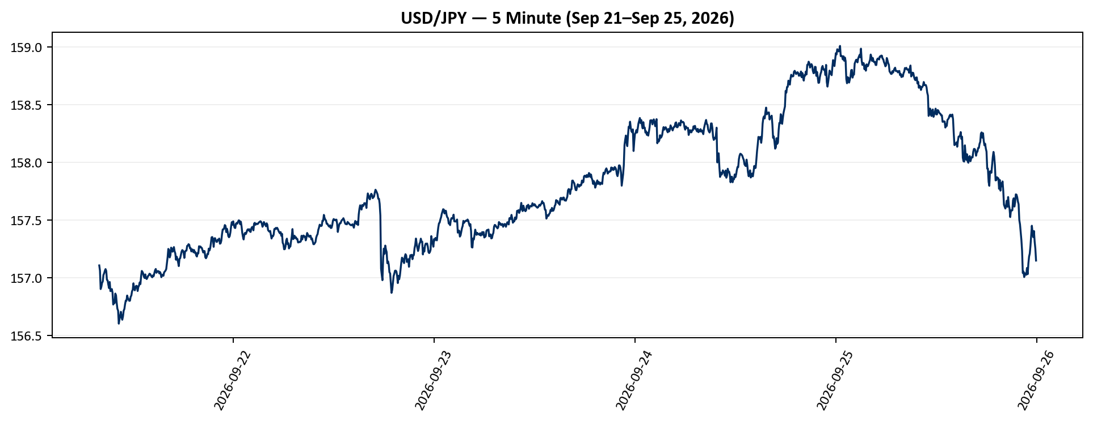
Low | Close | Adj Close | Volume
157.04100037 | 157.10600281 | 157.10600281 | 0
157.01100159 | 157.06100464 | 157.06100464 | 0
156.89500427 | 156.90100098 | 156.90100098 | 0
156.89599609 | 156.92100525 | 156.92100525 | 0
156.91999817 | 156.95500183 | 156.95500183 | 0
156.92999268 | 156.96600342 | 156.96600342 | 0
156.94500732 | 157.022995 | 157.022995 | 0
156.99299622 | 157.03700256 | 157.03700256 | 0
157.00999451 | 157.05900574 | 157.05900574 | 0
157.02999878 | 157.07400513 | 157.07400513 | 0
157.02999878 | 157.05799866 | 157.05799866 | 0
156.9750061 | 156.98100281 | 156.98100281 | 0
156.95899963 | 156.97599792 | 156.97599792 | 0
156.91400146 | 156.93899536 | 156.93899536 | 0
156.86399841 | 156.90899658 | 156.90899658 | 0
156.90400696 | 156.96200562 | 156.96200562 | 0
156.8690033 | 156.88299561 | 156.88299561 | 0
156.8730011 | 156.88900757 | 156.88900757 | 0
156.86399841 | 156.90100098 | 156.90100098 | 0
156.8710022 | 156.8710022 | 156.8710022 | 0
156.66700745 | 156.76699829 | 156.76699829 | 0
156.68800354 | 156.78900146 | 156.78900146 | 0
156.69700623 | 156.77900696 | 156.77900696 | 0
156.76899719 | 156.86199951 | 156.86199951 | 0
156.82600403 | 156.8480072 | 156.8480072 | 0
156.77400208 | 156.78100586 | 156.78100586 | 0
156.72599792 | 156.72999573 | 156.72999573 | 0
156.65499878 | 156.71400452 | 156.71400452 | 0
...

5min_gbpusd
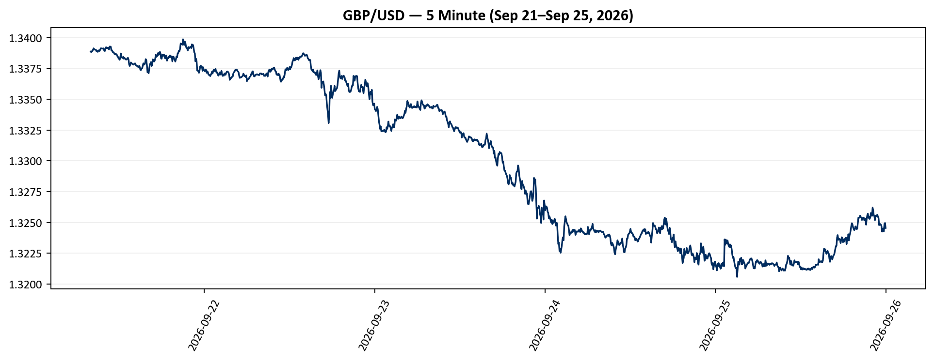
Low | Close | Adj Close | Volume | USD_GBP
1.3388673067 | 1.3388673067 | 1.3388673067 | 0 | 0.74690000644
1.3388315439 | 1.3388315439 | 1.3388315439 | 0 | 0.74691995759
1.3388494253 | 1.3389031887 | 1.3389031887 | 0 | 0.74687998986
1.3389211893 | 1.3389211893 | 1.3389211893 | 0 | 0.74686994872
1.3389748335 | 1.3390285969 | 1.3390285969 | 0 | 0.74681004
1.3390108347 | 1.3391362429 | 1.3391362429 | 0 | 0.74675000794
1.3390645981 | 1.3390645981 | 1.3390645981 | 0 | 0.74678996176
1.3390285969 | 1.3390285969 | 1.3390285969 | 0 | 0.74681004
1.3390285969 | 1.3390285969 | 1.3390285969 | 0 | 0.74681004
1.3388851881 | 1.3390108347 | 1.3390108347 | 0 | 0.74681994655
1.3388851881 | 1.3388851881 | 1.3388851881 | 0 | 0.74689003126
1.3389031887 | 1.3389031887 | 1.3389031887 | 0 | 0.74687998986
1.3388494253 | 1.3388494253 | 1.3388494253 | 0 | 0.74690998188
1.3389389515 | 1.3389569521 | 1.3389569521 | 0 | 0.74685000024
1.3389031887 | 1.3389748335 | 1.3389748335 | 0 | 0.74684002641
1.3389211893 | 1.3389211893 | 1.3389211893 | 0 | 0.74686994872
1.3388315439 | 1.3390108347 | 1.3390108347 | 0 | 0.74681994655
1.3390285969 | 1.3391362429 | 1.3391362429 | 0 | 0.74675000794
1.3391183615 | 1.3391362429 | 1.3391362429 | 0 | 0.74675000794
1.3390285969 | 1.3391183615 | 1.3391183615 | 0 | 0.74675997938
1.3391183615 | 1.3391183615 | 1.3391183615 | 0 | 0.74675997938
1.3390824795 | 1.3391003609 | 1.3391003609 | 0 | 0.74677001756
1.3390465975 | 1.3391362429 | 1.3391362429 | 0 | 0.74675000794
1.3388494253 | 1.3389389515 | 1.3389389515 | 0 | 0.74686004084
1.3388851881 | 1.3389211893 | 1.3389211893 | 0 | 0.74686994872
1.3388851881 | 1.3391003609 | 1.3391003609 | 0 | 0.74677001756
1.3391721249 | 1.3392258883 | 1.3392258883 | 0 | 0.74670002184
1.3391003609 | 1.3391721249 | 1.3391721249 | 0 | 0.7467299994
...

5min_eurusd
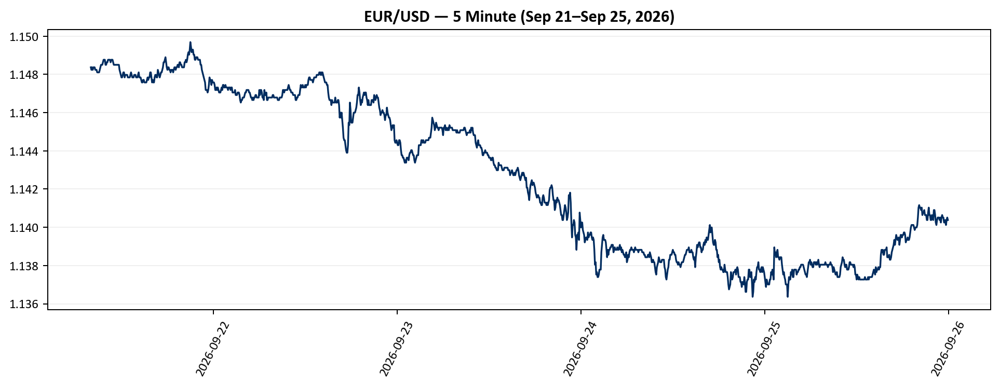
Low | Close | Adj Close | Volume | USD_EUR
1.1483693123 | 1.1483693123 | 1.1483693123 | 0 | 0.87080000249
1.1482374668 | 1.1482374668 | 1.1482374668 | 0 | 0.87089999142
1.1482374668 | 1.1483693123 | 1.1483693123 | 0 | 0.87080000249
1.1482374668 | 1.1482374668 | 1.1482374668 | 0 | 0.87089999142
1.1483693123 | 1.1483693123 | 1.1483693123 | 0 | 0.87080000249
1.1482374668 | 1.1483693123 | 1.1483693123 | 0 | 0.87080000249
1.1483693123 | 1.1483693123 | 1.1483693123 | 0 | 0.87080000249
1.1482374668 | 1.1482374668 | 1.1482374668 | 0 | 0.87089999142
1.1482374668 | 1.1482374668 | 1.1482374668 | 0 | 0.87089999142
1.1482374668 | 1.1482374668 | 1.1482374668 | 0 | 0.87089999142
1.1481056213 | 1.1481056213 | 1.1481056213 | 0 | 0.87100000332
1.1481056213 | 1.1481056213 | 1.1481056213 | 0 | 0.87100000332
1.1481056213 | 1.1481056213 | 1.1481056213 | 0 | 0.87100000332
1.1481056213 | 1.1481056213 | 1.1481056213 | 0 | 0.87100000332
1.1482374668 | 1.1482374668 | 1.1482374668 | 0 | 0.87089999142
1.1483693123 | 1.1483693123 | 1.1483693123 | 0 | 0.87080000249
1.1482374668 | 1.1485011578 | 1.1485011578 | 0 | 0.87070003652
1.1483693123 | 1.1485011578 | 1.1485011578 | 0 | 0.87070003652
1.1485011578 | 1.1485011578 | 1.1485011578 | 0 | 0.87070003652
1.1485011578 | 1.1486331224 | 1.1486331224 | 0 | 0.87060000313
1.1487650871 | 1.1487650871 | 1.1487650871 | 0 | 0.87049999274
1.1486331224 | 1.1487650871 | 1.1487650871 | 0 | 0.87049999274
1.1486331224 | 1.1487650871 | 1.1487650871 | 0 | 0.87049999274
1.1485011578 | 1.1485011578 | 1.1485011578 | 0 | 0.87070003652
1.1485011578 | 1.1485011578 | 1.1485011578 | 0 | 0.87070003652
1.1483693123 | 1.1486331224 | 1.1486331224 | 0 | 0.87060000313
1.1486331224 | 1.1486331224 | 1.1486331224 | 0 | 0.87060000313
1.1486331224 | 1.1487650871 | 1.1487650871 | 0 | 0.87049999274
...

5min_dxy
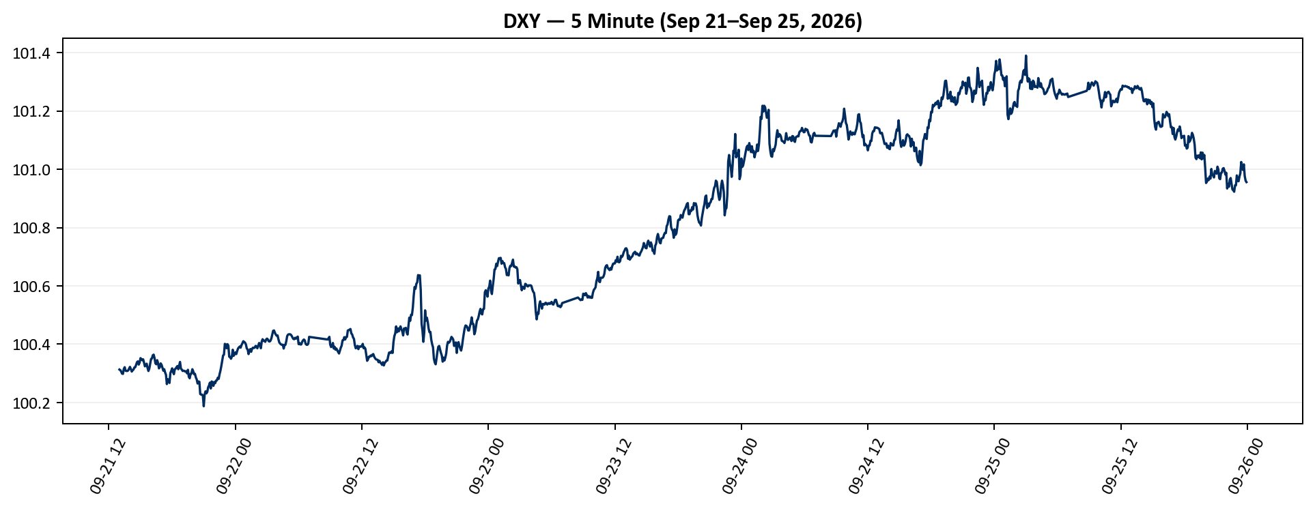
Low | Close | Adj Close | Volume
100.3030014 | 100.31300354 | 100.31300354 | 0
100.30899811 | 100.31099701 | 100.31099701 | 0
100.30400085 | 100.30599976 | 100.30599976 | 0
100.29499817 | 100.2990036 | 100.2990036 | 0
100.29399872 | 100.29799652 | 100.29799652 | 0
100.29699707 | 100.31500244 | 100.31500244 | 0
100.31500244 | 100.32099915 | 100.32099915 | 0
100.30899811 | 100.30899811 | 100.30899811 | 0
100.30000305 | 100.30799866 | 100.30799866 | 0
100.30500031 | 100.30799866 | 100.30799866 | 0
100.30699921 | 100.30999756 | 100.30999756 | 0
100.30699921 | 100.31600189 | 100.31600189 | 0
100.31400299 | 100.3219986 | 100.3219986 | 0
100.31099701 | 100.31500244 | 100.31500244 | 0
100.30500031 | 100.30599976 | 100.30599976 | 0
100.3010025 | 100.30999756 | 100.30999756 | 0
100.30699921 | 100.31300354 | 100.31300354 | 0
100.31099701 | 100.31999969 | 100.31999969 | 0
100.31099701 | 100.32099915 | 100.32099915 | 0
100.31999969 | 100.32900238 | 100.32900238 | 0
100.32900238 | 100.33799744 | 100.33799744 | 0
100.33699799 | 100.34100342 | 100.34100342 | 0
100.32700348 | 100.33000183 | 100.33000183 | 0
100.32700348 | 100.33699799 | 100.33699799 | 0
100.33300018 | 100.35199738 | 100.35199738 | 0
100.34300232 | 100.34899902 | 100.34899902 | 0
100.34300232 | 100.34500122 | 100.34500122 | 0
100.34200287 | 100.34799957 | 100.34799957 | 0
...

Charts
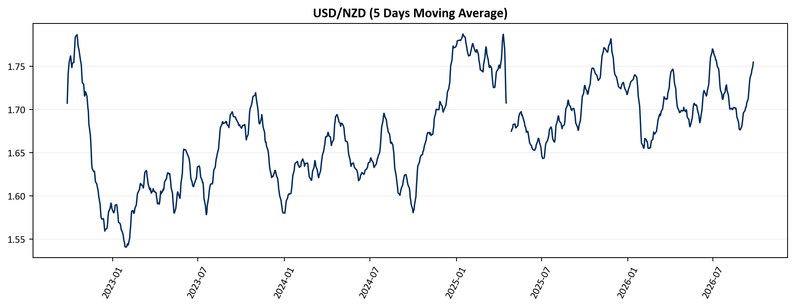
...
PPT Chart Snapshots
ppt_5min_usdkrw_usdjpy
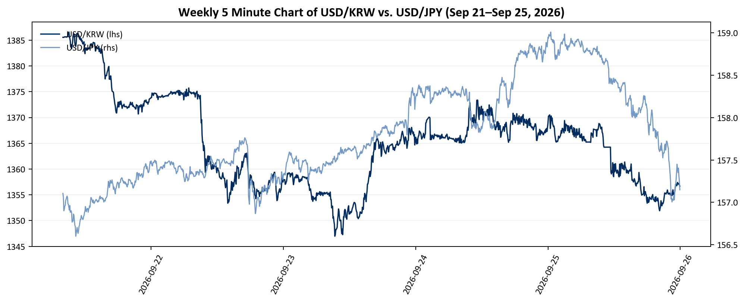

ppt_5min_usdeur_usdgbp
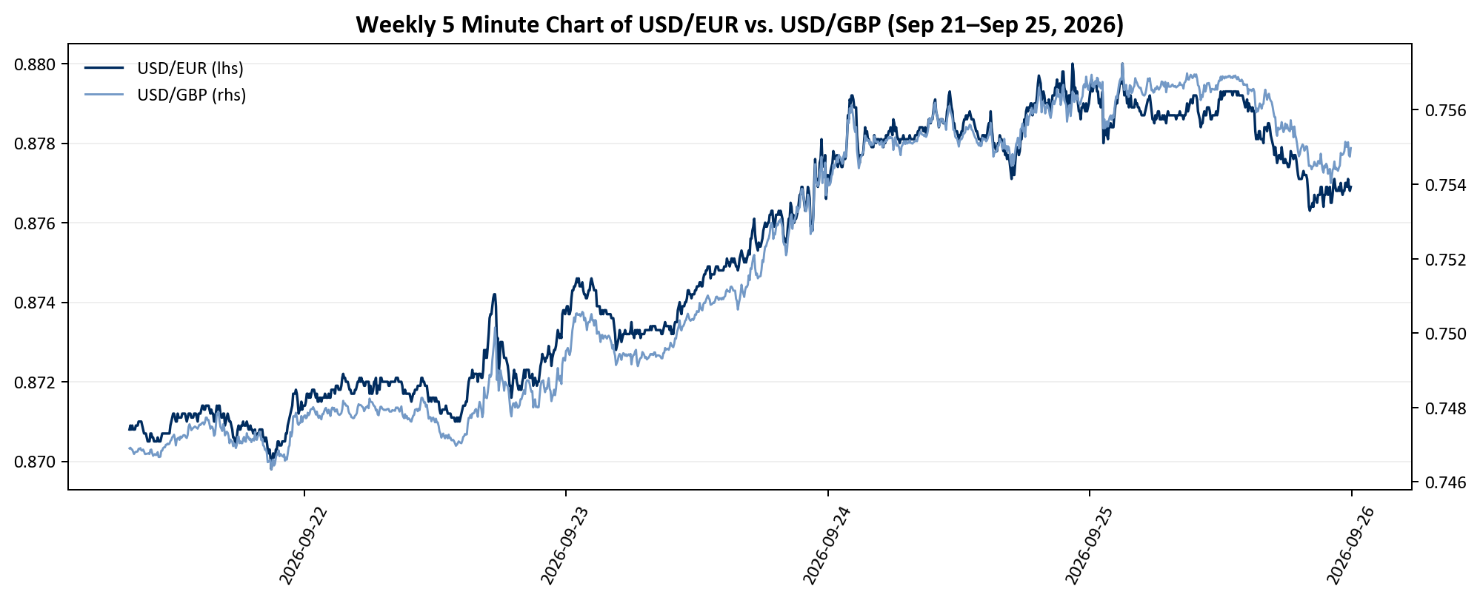

bond_swap_spread
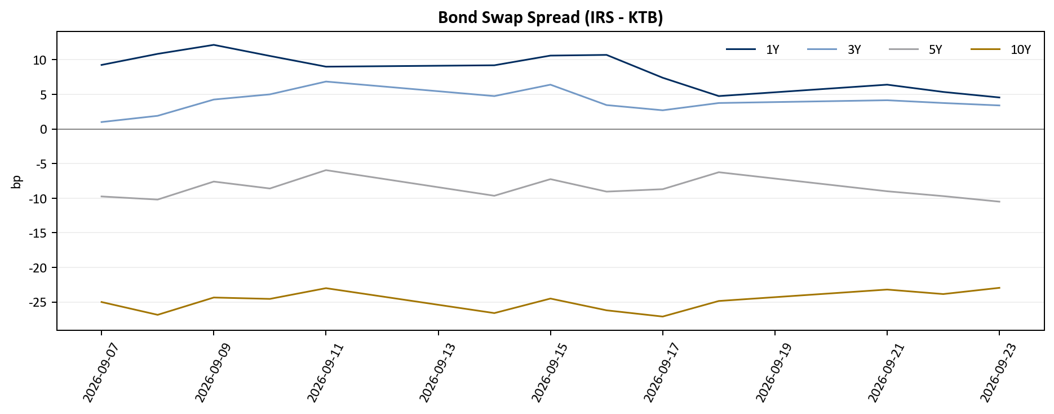

swap_basis
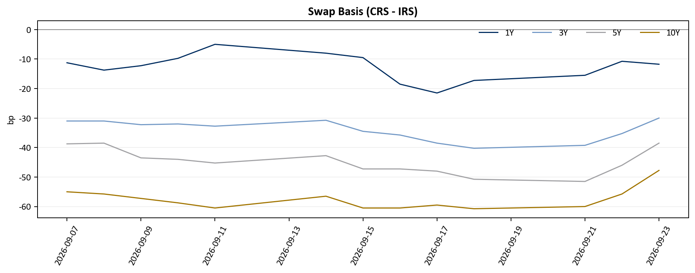

ma5_usd_krw
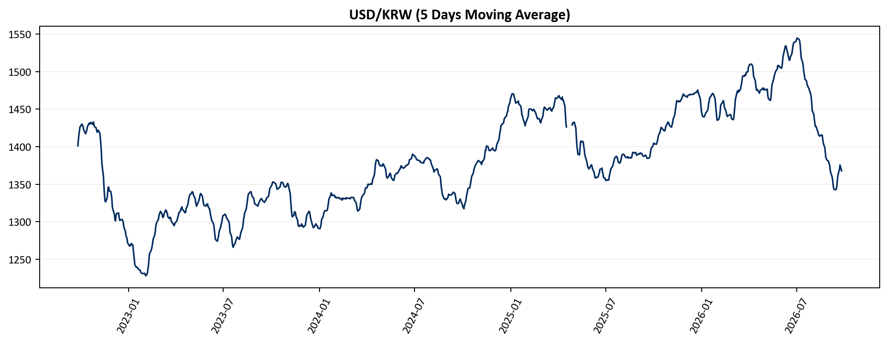

ma5_usd_jpy
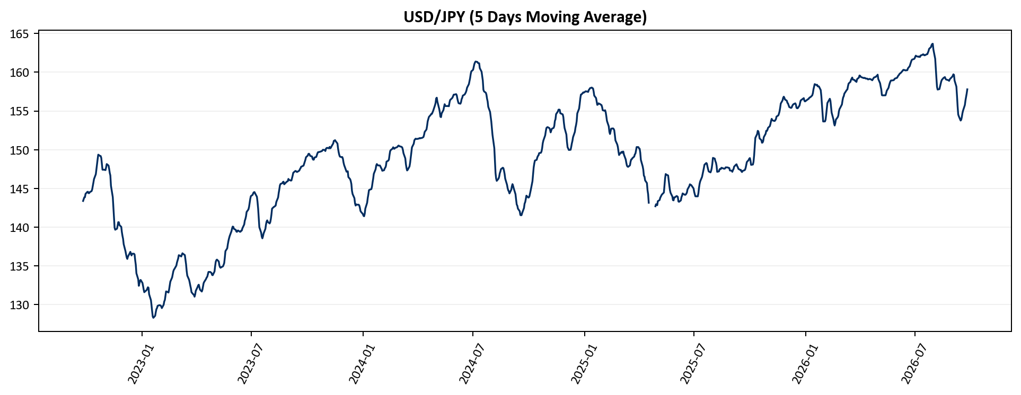

ma5_usd_cny
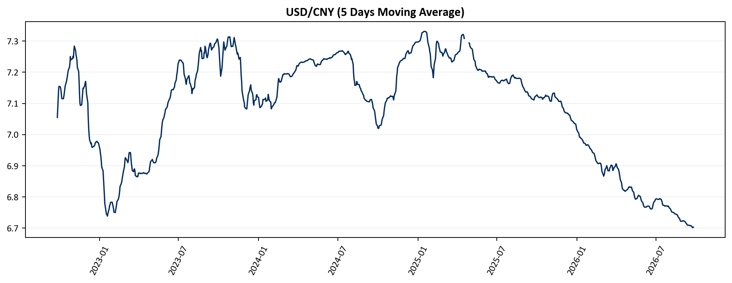

ma5_usd_twd
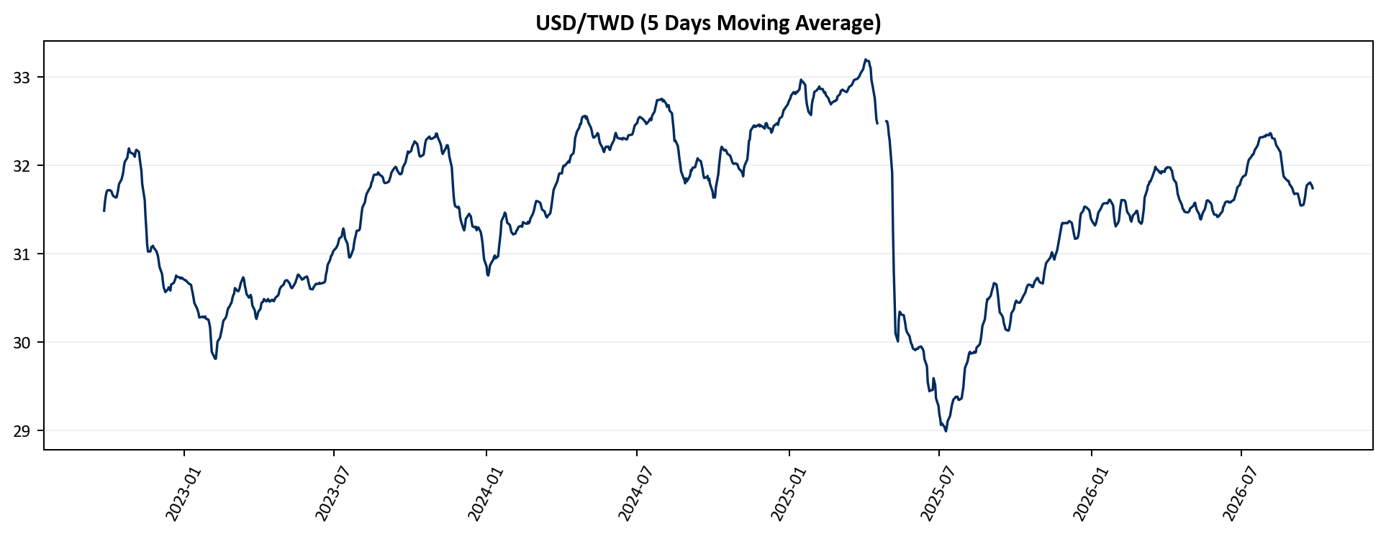

ma5_dxy
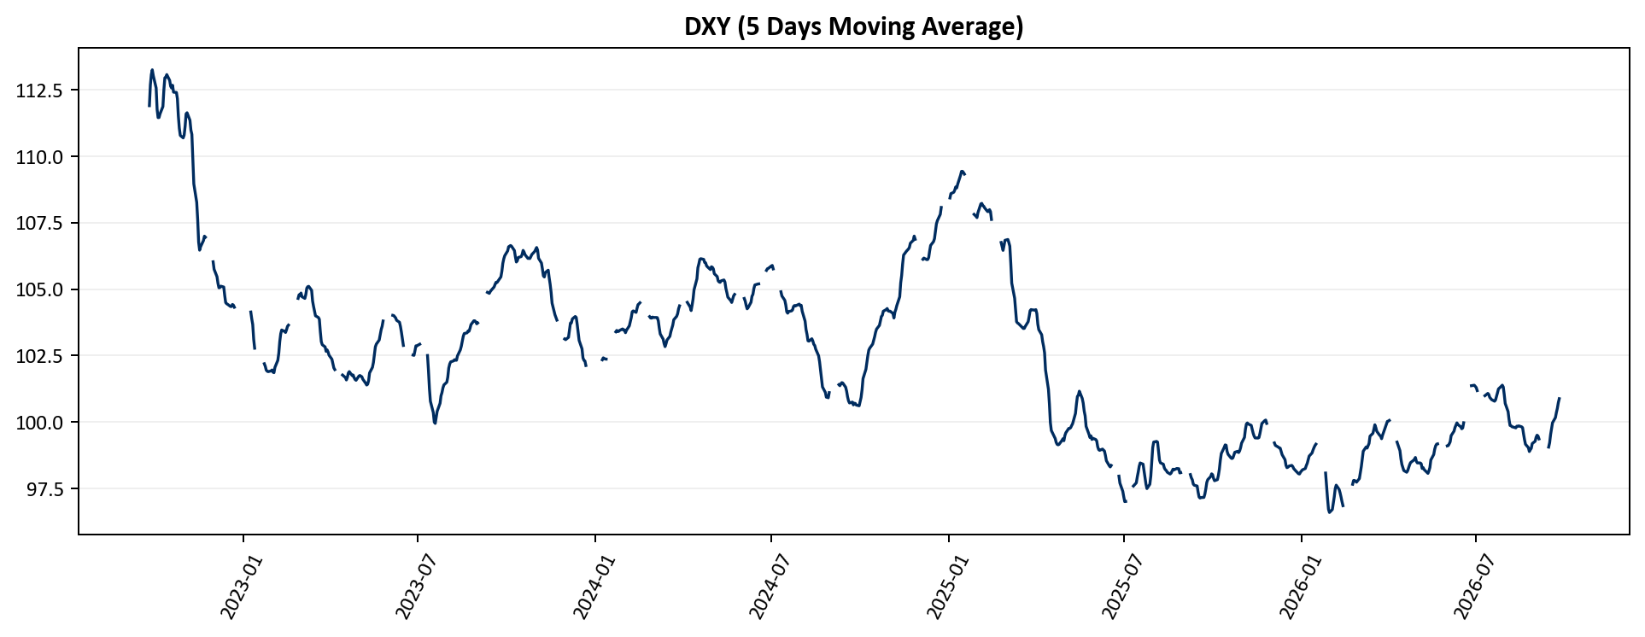

ma5_usd_cad
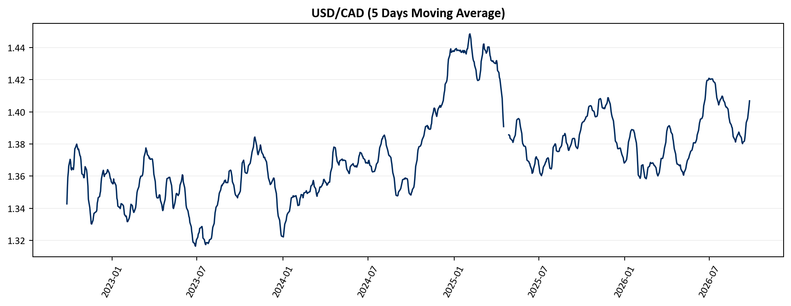

ma5_usd_eur
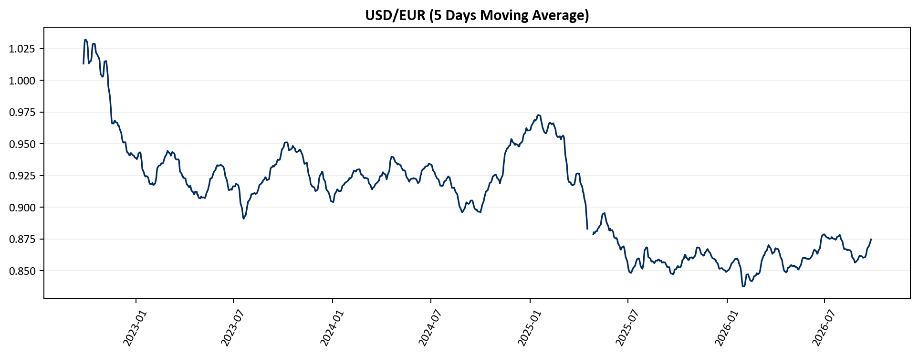

ma5_usd_gbp
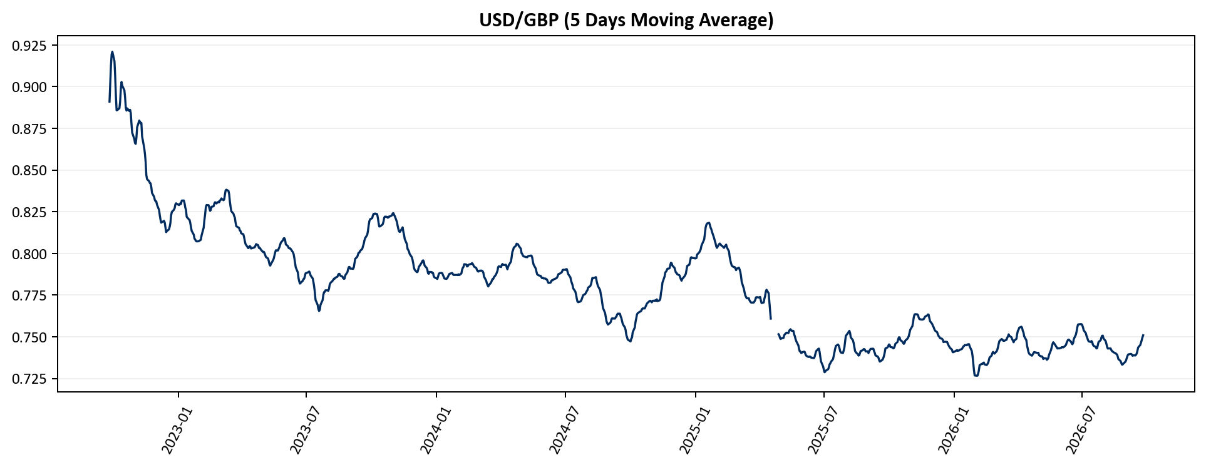

ma5_usd_sek
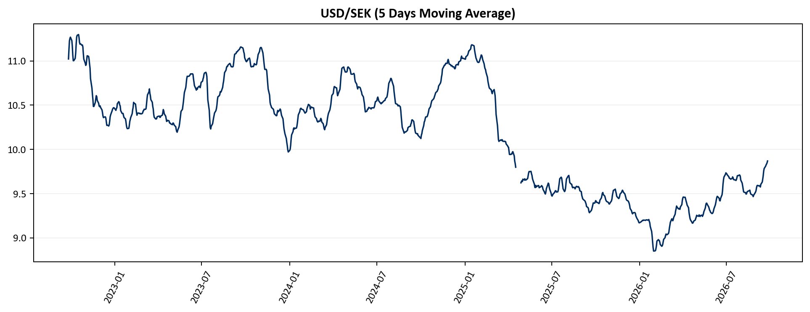

ma5_usd_chf
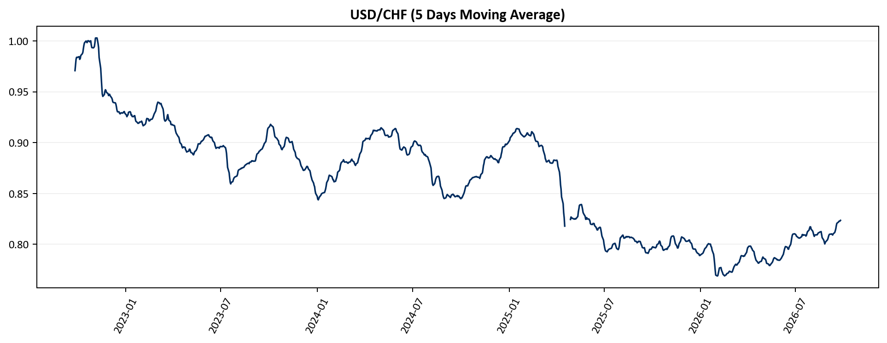

ma5_usd_rub
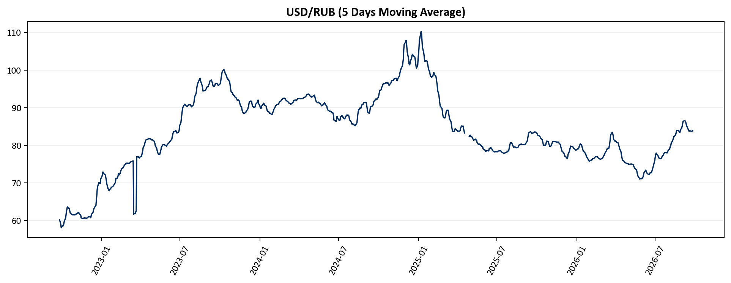

ma5_usd_dkk
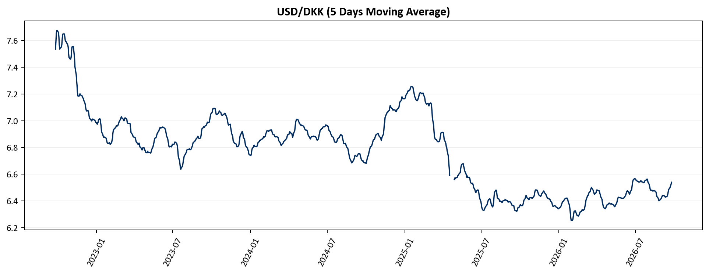

ma5_usd_mxn
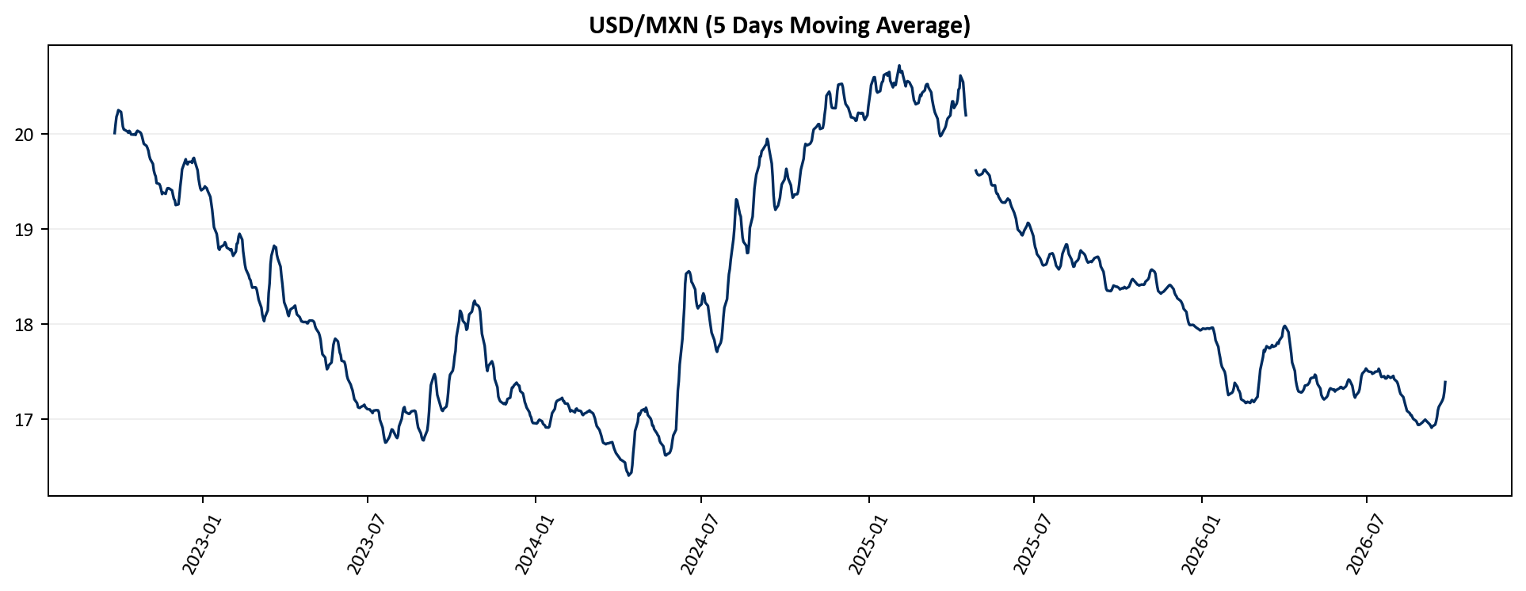

ma5_usd_brl
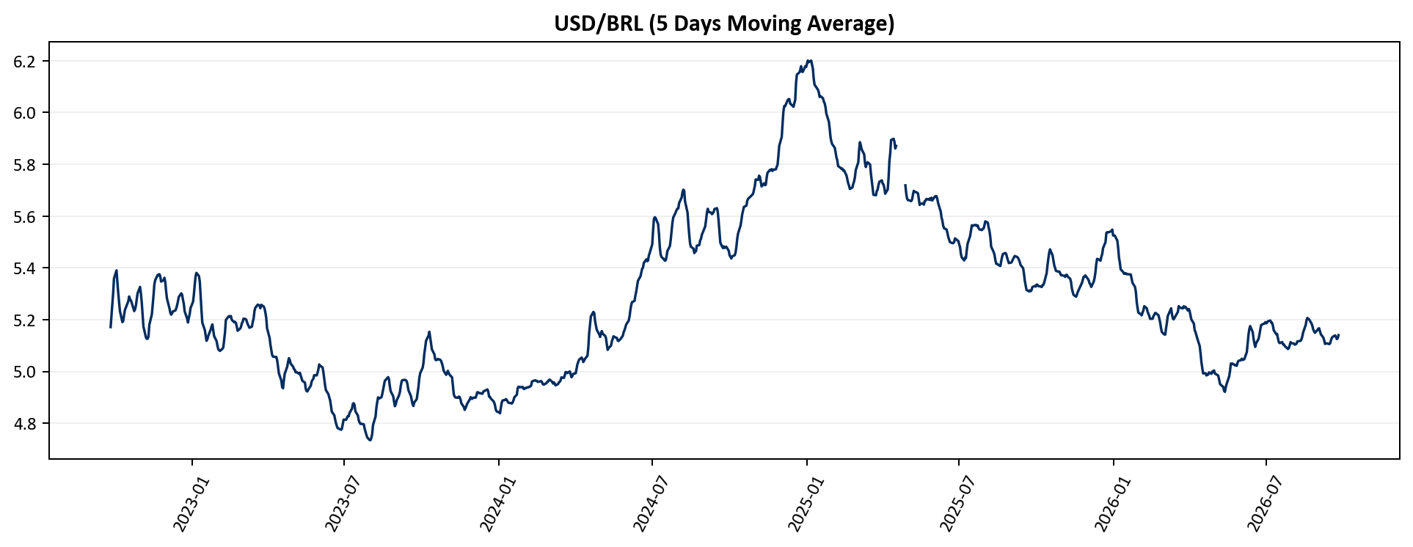

ma5_usd_cop
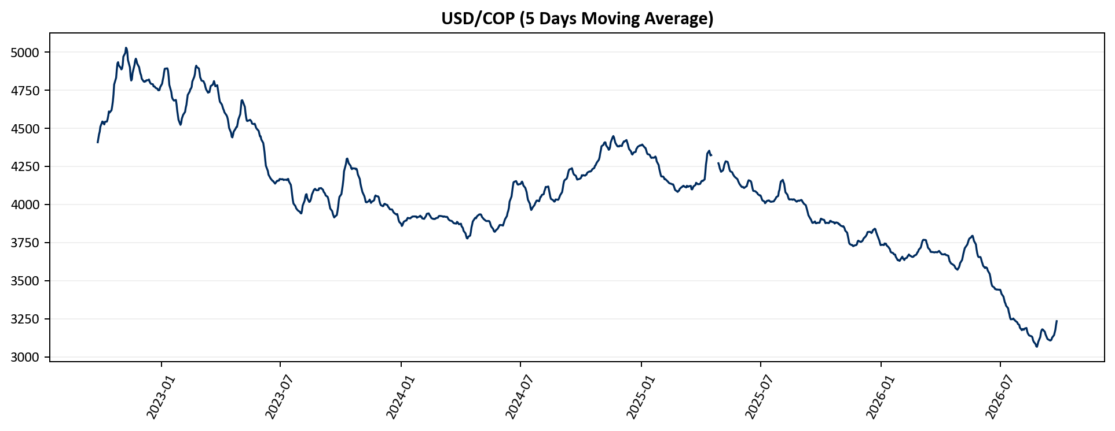

ma5_usd_ars
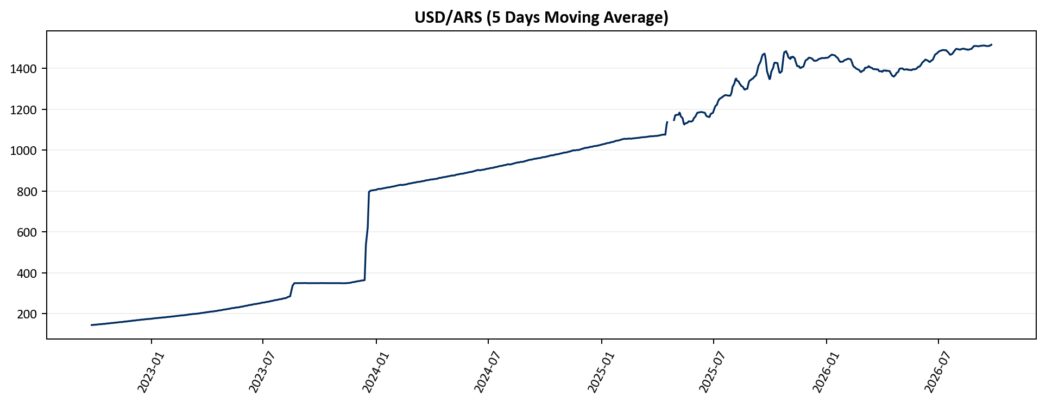

ma5_usd_inr
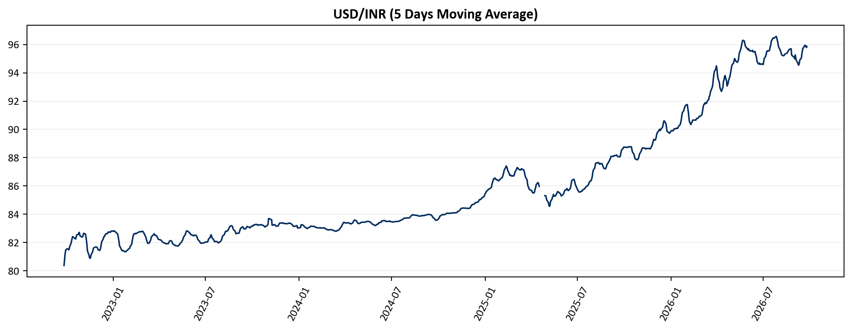

ma5_usd_sgd
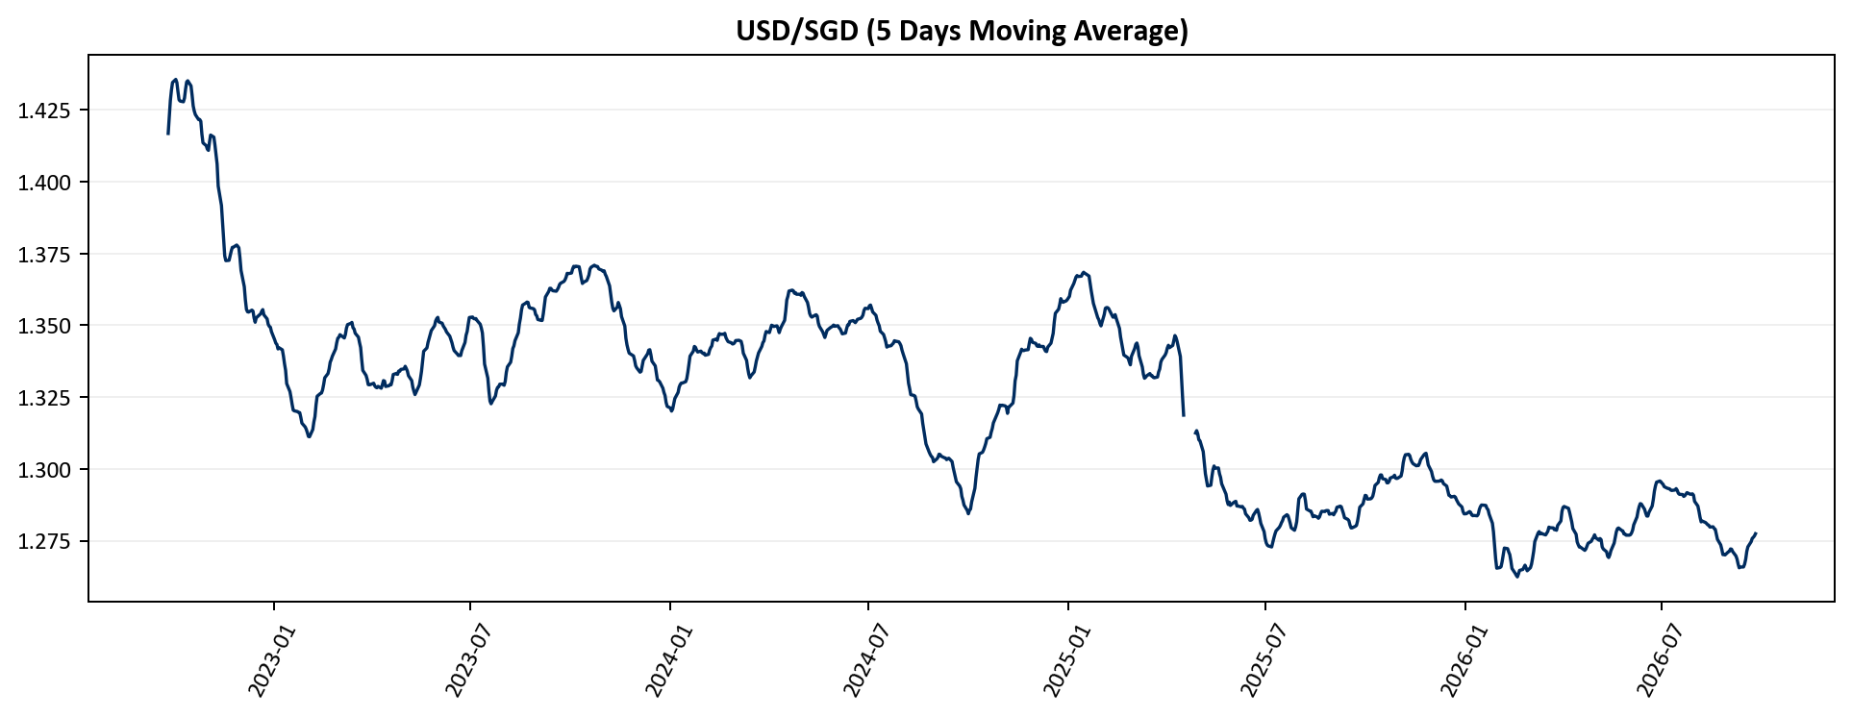

ma5_usd_thb
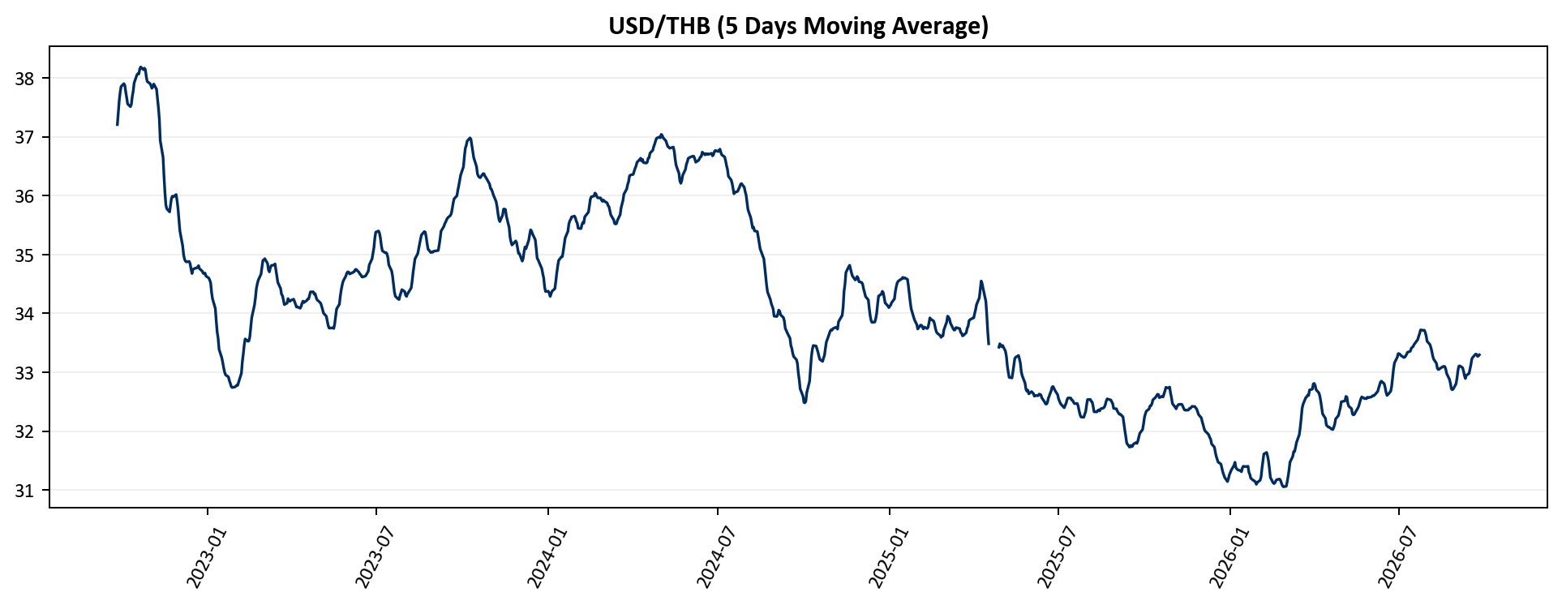

ma5_usd_idr
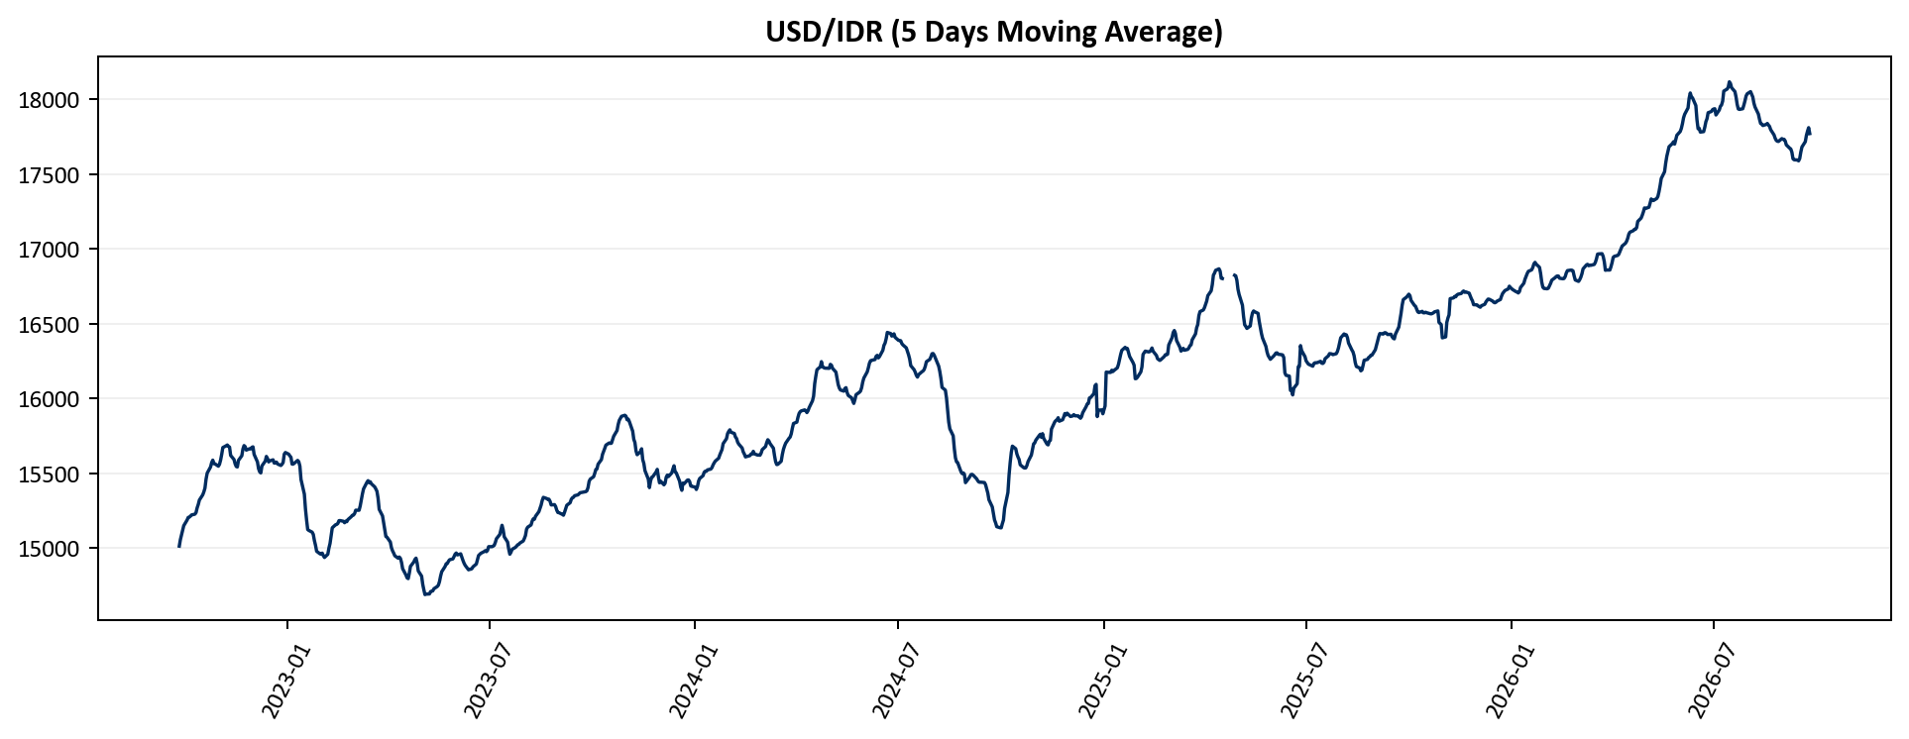

ma5_usd_vnd
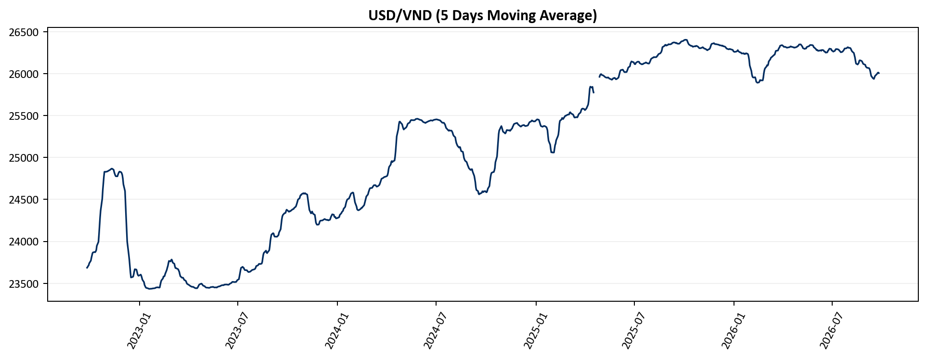

ma5_usd_php
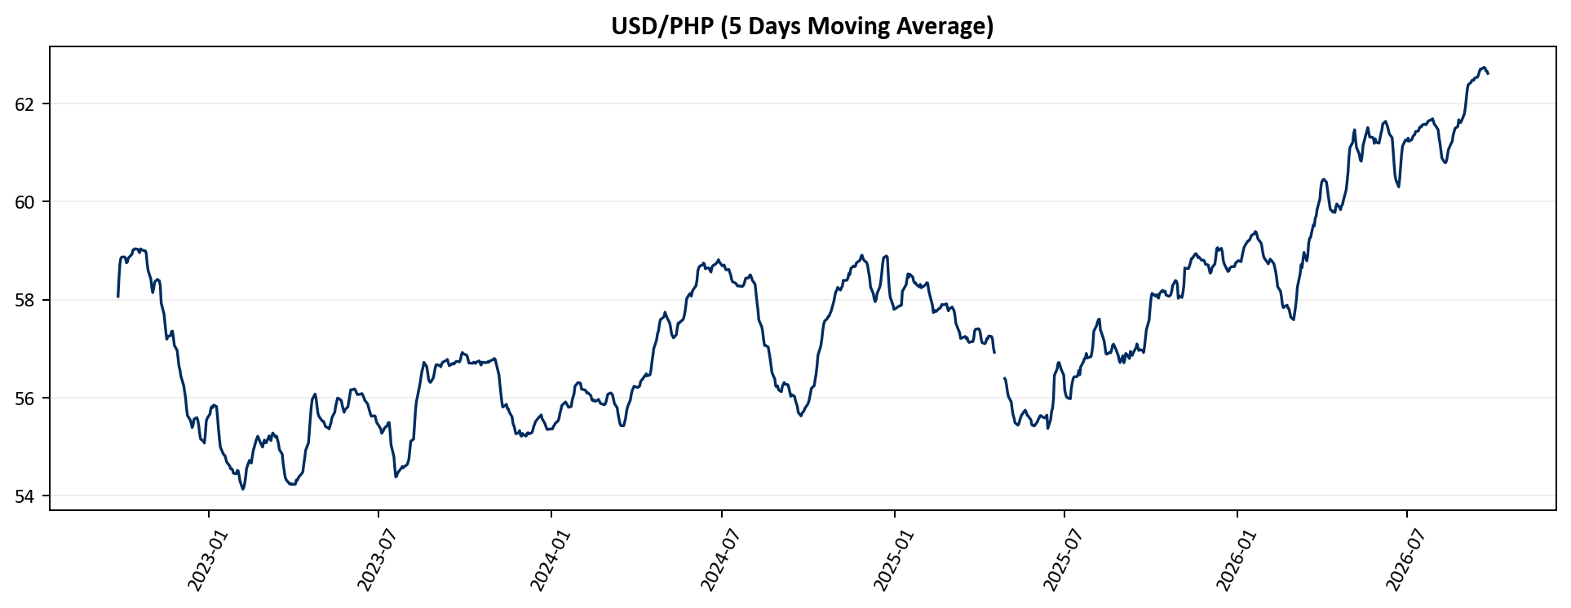

ma5_usd_aud
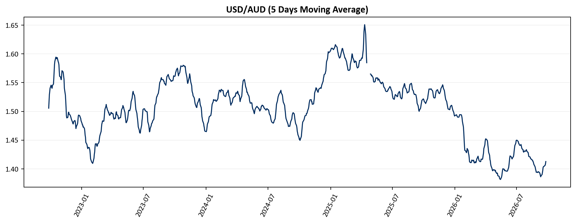

ma5_usd_nzd

