Sandbox
Crestfallen LARP Character Sandbox
Directions

Skill Categories and Skills – Character points are used to buy Categories and Skills. A skill Category must be purchased before buying skills within it (General and Lineage cost 0 CP). Skill Categories increase in CP cost, each costing 5 more CP than the last. 1st is 5CP, 2nd is 10CP, 3rd is 15CP, etc.
→If you are playing Human or Kinfolk Lineages, choose your lineage bonus by clicking on either "Adaptable' for humans or "Variable" for kinfolk in the dropdown list that appears →above the skills table. If you change lineages,, make sure you change the skill back to Adaptable or Variable respectively.
For skills that may be purchased multiple times, please type how many times purchased to the right of the skill in the "x" column and the CP total will automatically tally.
To change build only delete the items in the skills category. Do not delete the grey areas as they are formula dependent.

+
+
 | Player Name: |  | Character Name: |  |  | Player Number:
 | Body | 7 | Lineage |  | Dwarf | Energy | 0
 | Essence | 5 | Armor |  | 0 | Character Points (CP) | 5
Only one of these arrows should be orange at any time.
+
 | Stamina | 5 | Traveler/ Inspired |  |  | Character Points Balance | 5 |  | SKILL CATEGORIES |  |  | SKILL LINKS | SPELL LINKS
 | → | Adaptable | 1 |  | 0
 | → | Variable | 1 |  |  |  |  |  |  |  |  | Adaptable | Berserk/Remove Berserk | Lineage | Skill
 | Lineage/Category | Skills | CP Cost | x | Spells | Energy Cost | x |  | *******Academic******* | *******Craftsman******* | ******Direct Combat****** | Alchemy | Charm/Remove Charm
2 | Lineage Bonus | Body +2 (Dwarf) | 0 |  |  | 0 |  | 0 | Analysis | Alchemy | Break Weapon | Ambidextrous# | Elemental Bolt | Dwarf | Academic
0 | General Skill | Body (General) | 0 |  |  | 0 |  |  | Consultation | Cower | Buckler | Analysis | Entangle/Remove Entangle Foot | Elf | Craftsman
0 | Magical Combat | Energy* | 0 |  |  | 0 |  |  | Cower | Craft Guild Member# | Favored Target | Assassinate | Entangle/Remove Entangle Arms | Hauflin | Direct Combat
0 | General Skill | Stamina (General) | 0 |  |  | 0 |  |  | Deduction | Crafting Aug# | Florentine | Berserk Augmentation | Entangle/Remove Entangle Body | Human | General Skill
0 | Dwarf | A. Wear Armor (Dwarf) | 0 |  |  | 0 |  |  | Historical Research | Crafting Ma# | 1H Weapon | Black Market# | Healing/Harming Touch | Kinfolk | Group Combat
0 | General Skill | Wear Armor (General) | 0 | 0 |  | 0 |  |  | Magical Research | Crafting Theory | Parry | Block | Hex/Remove Hex | Orc | Magical Combat
 | 0 |  | 0 |  |  | 0 |  | 0 | Medical Training | Enchanting | Physical Talent | Body* | Natural Weapon | Academic | Merchant
 | 0 |  | 0 |  |  | 0 |  | 0 | Medical Training Aug# | Forging | Physical Talent Aug# | Body +2 | Shatter | Craftsman | Thievery
 | 0 |  | 0 |  |  | 0 |  | 0 | Medical Training Ma# | Gathering | Physical Talent Ma# | Breakthrough | Silence/Remove Silence | Direct Combat | Unarmed Combat
 | 0 |  | 0 |  |  | 0 |  | 0 | Research Guild Member# | Guild Stockpile | Quarry | Break Weapon | Sleep/Remove Sleep | General Skill
 | 0 |  | 0 |  |  | 0 |  | 0 | Scientific Research | Harvesting | Rage | Buckler | Slow/Remove Slow | Group Combat
 | 0 |  | 0 |  |  | 0 |  | 0 | Search Area | Maintenance# | Ranged Weapon | Claws | Weakness/Remove Weakness | Magical Combat
 | 0 |  | 0 |  |  | 0 |  | 0 | Surgery# | Technology Crafting# | Shield | Conceal Object |  | Merchant
 | 0 |  | 0 |  |  | 0 |  | 0 |  |  | Slam | Consultation |  | Thievery
 | 0 |  | 0 |  |  | 0 |  | 0 |  |  | Slay | Counter |  | Unarmed Combat
 | 0 |  | 0 |  |  | 0 |  | 0 |  |  | Thrown Weapon | Cower |  | **
 | 0 |  | 0 |  |  | 0 |  | 0 |  |  | 2H Weapon | Craft Guild Member#
 | 0 |  | 0 |  |  | 0 |  | 0 |  |  |  | Crafting Augmentation#
 | 0 |  | 0 |  |  | 0 |  | 0 | ********Dwarf********* | **********Elf********** | ******General Skill****** | Crafting Mastery#
 | 0 |  | 0 |  |  | 0 |  | 0 | A. Wear Armor* | Immune Sleep# | Body* | Crafting Theory
 | 0 |  | 0 |  |  | 0 |  | 0 | Family Stockpile | Innate Energy | Stamina* | Deduction
 | 0 |  | 0 |  |  | 0 |  | 0 | Forging | Magical Research | Wear Armor* | Demand
 | 0 |  | 0 |  |  | 0 |  | 0 | Historical Research | 1H Swords |  | Diplomacy
 | 0 |  | 0 |  |  | 0 |  | 0 | Immune Poison# | Ranged Weapon Bows |  | Disguise
 | 0 |  | 0 |  |  | 0 |  | 0 | 1H Axes/ Hammers | Resist Charm |  | Energy*
 | 0 |  | 0 |  |  | 0 |  | 0 | Resist Fear | Resist Sleep |  | Enchanting
 | 0 |  | 0 |  |  | 0 |  | 0 | Resist Poison | Stealth, Woodlands |  | Equal Trade
 | 0 |  | 0 |  |  | 0 |  | 0 | 2H Axes/ Hammers |  |  | Escape Artist
 | 0 |  | 0 |  |  | 0 |  | 0 |  |  |  | Family Stockpile
 | 0 |  | 0 |  |  | 0 |  | 0 | *****Group Combat****** | ********Hauflin******** | ********Human******** | Favored Target
 | 0 |  | 0 |  |  | 0 |  | 0 | Buckler | Alchemy | Know-A-Guy | Fighting Prowess
 | 0 |  | 0 |  |  | 0 |  | 0 | Counter | Buckler | Medical Training | Fighting Prowess Augmentation#
 | 0 |  | 0 |  |  | 0 |  | 0 | Flesh Wound | Diplomacy | Scientific Research | Fighting Prowess Mastery#
 | 0 |  | 0 |  |  | 0 |  | 0 | Florentine | Flesh Wound | Weapon of Choice | Firearms
 | 0 |  | 0 |  |  | 0 |  | 0 | Hamstring | Gathering |  | Flesh Wound
 | 0 |  | 0 |  |  | 0 |  | 0 | 1H Weapon | Immune Entangle# |  | Florentine
 | 0 |  | 0 |  |  | 0 |  | 0 | Opportunist | Remove Poison |  | Forging
 | 0 |  | 0 |  |  | 0 |  | 0 | Opportunist Aug# | Resist Entangle |  | Gathering
 | 0 |  | 0 |  |  | 0 |  | 0 | Opportunist Ma# | Stamina +2 |  | Going Rate
 | 0 |  | 0 |  |  | 0 |  | 0 | Ranged Weapon | Thrown Weapons |  | Grapple
 | 0 |  | 0 |  |  | 0 |  | 0 | Stagger |  |  | Guild Stockpile
 | 0 |  | 0 |  |  | 0 |  | 0 | Thrown Weapon |  |  | Haggle
 | 0 |  | 0 |  |  | 0 |  | 0 | 2H Weapon |  |  | Hamstring
 | 0 |  | 0 |  |  | 0 |  | 0 | Waylay |  |  | Harvesting
 | 0 |  | 0 |  |  | 0 |  | 0 |  |  |  | Haymaker
 |  |  |  |  |  | 0 | 0 |  | ********Kinfolk********* | *****Magical Combat***** | ********Merchant******** | Historical Research
 |  |  | 0 |  |  | 0 |  |  | Claws | Energy* | Equal Trade | Holdings
 |  |  |  |  |  |  |  |  | Cower | 1H Weapon | Going Rate | Holdings, Augmentation#
 |  |  |  |  |  |  |  |  | Immune Knockback# | Ranged Weapon | Haggle | Holdings, Mastery#
 |  |  |  |  |  |  |  |  | Parry | Specialization | Holdings | Immune Charm#
 |  |  |  |  |  |  |  |  | Resist Knockback | Specialization, Aug# | Holdings Aug# | Immune Entangle#
 |  |  |  |  |  |  |  |  | Search Area | Specialization, Ma# | Holdings Ma# | Immune Knockback#
 |  |  |  |  |  |  |  |  | Thrown Weapons | Staff | Know A Guy | Immune Knockdown#
 |  |  |  |  |  |  |  |  | Variable | Thrown Weapon | Merchants Guild Member# | Immune Poison#
 |  |  |  |  |  |  |  |  |  |  | Requisition# | Immune Sleep#
 |  |  |  |  |  |  |  |  |  |  | Supply | Innate Energy
 |  |  |  |  |  |  |  |  |  |  | Supply Aug# | Intimidate
 |  |  |  |  |  |  |  |  |  |  | Supply Ma# | Know-A-Guy
 |  |  |  |  |  |  |  |  |  |  |  | Magical Research
 |  |  |  |  |  |  |  |  | ***Orc*** | ******Thievery****** | ****Unarmed Combat**** | Maintenance#
 |  |  |  |  |  |  |  |  | Demand | Black Market# | Ambidextrous# | Medical Training
 |  |  |  |  |  |  |  |  | Harvesting | Conceal Object | Block | Medical Training Augmentation#
 |  |  |  |  |  |  |  |  | Immune Knockdown# | Cower | Breakthrough | Medical Training Mastery#
 |  |  |  |  |  |  |  |  | 1H Bladed Weapons | Diplomacy | Fighting Prowess | Merchants Guild Member#
 |  |  |  |  |  |  |  |  | Rage | Disguise | Fighting Prowess Aug# | One Handed Axes/Hammers
 |  |  |  |  |  |  |  |  | Resist Bleed | Escape Artist | Fighting Prowess Ma# | One Handed Bladed Weapons
 |  |  |  |  |  |  |  |  | Resist Knockdown | Pick Lock | Florentine | One Handed Swords
 |  |  |  |  |  |  |  |  | 2H Bladed Weapons | Pick Pocket | Grapple | One Handed Weapons
 |  |  |  |  |  |  |  |  |  | Poison Use | Haymaker | Opportunist
 |  |  |  |  |  |  |  |  |  | Stealth | Intimidate | Opportunist Augmentation#
 |  |  |  |  |  |  |  |  |  | Stealth, Aug# | Pain Tolerance | Opportunist Mastery#
 |  |  |  |  |  |  |  |  |  | Stealth, Ma# | Strength | Pain Tolerance
 |  |  |  |  |  |  |  |  |  | Thieves Guild Member# | Strength Aug# | Parry
 |  |  |  |  |  |  |  |  |  |  | Strength Mas# | Physical Talent
 |  |  |  |  |  |  |  |  |  |  | Thrown Weapon | Physical Talent Augmentation#
 |  |  |  |  |  |  |  |  |  |  |  | Physical Talent Mastery#
 |  |  |  |  |  |  |  |  |  |  |  | Pick Lock
 |  |  |  |  |  |  |  |  |  |  |  | Pick Pocket
 |  |  |  |  |  |  |  |  |  |  |  | Poison Use
 |  |  |  |  |  |  |  |  |  |  |  | Quarry
 |  |  |  |  |  |  |  |  |  |  |  | Rage
 |  |  |  |  |  |  |  |  |  |  |  | Ranged Weapon
 |  |  |  |  |  |  |  |  |  |  |  | Ranged Weapon Bows
 |  |  |  |  |  |  |  |  |  |  |  | Remove Poison
 |  |  |  |  |  |  |  |  |  |  |  | Requisition#
 |  |  |  |  |  |  |  |  |  |  |  | Research Guild Member#
 |  |  |  |  |  |  |  |  |  |  |  | Resist Bleed
 |  |  |  |  |  |  |  |  |  |  |  | Resist Charm
 |  |  |  |  |  |  |  |  |  |  |  | Resist Entangle
 |  |  |  |  |  |  |  |  |  |  |  | Resist Fear
 |  |  |  |  |  |  |  |  |  |  |  | Resist Knockback
 |  |  |  |  |  |  |  |  |  |  |  | Resist Knockdown
 |  |  |  |  |  |  |  |  |  |  |  | Resist Poison
 |  |  |  |  |  |  |  |  |  |  |  | Resist Sleep
 |  |  |  |  |  |  |  |  |  |  |  | Scientific Research
 |  |  |  |  |  |  |  |  |  |  |  | Search Area
 |  |  |  |  |  |  |  |  |  |  |  | Shield
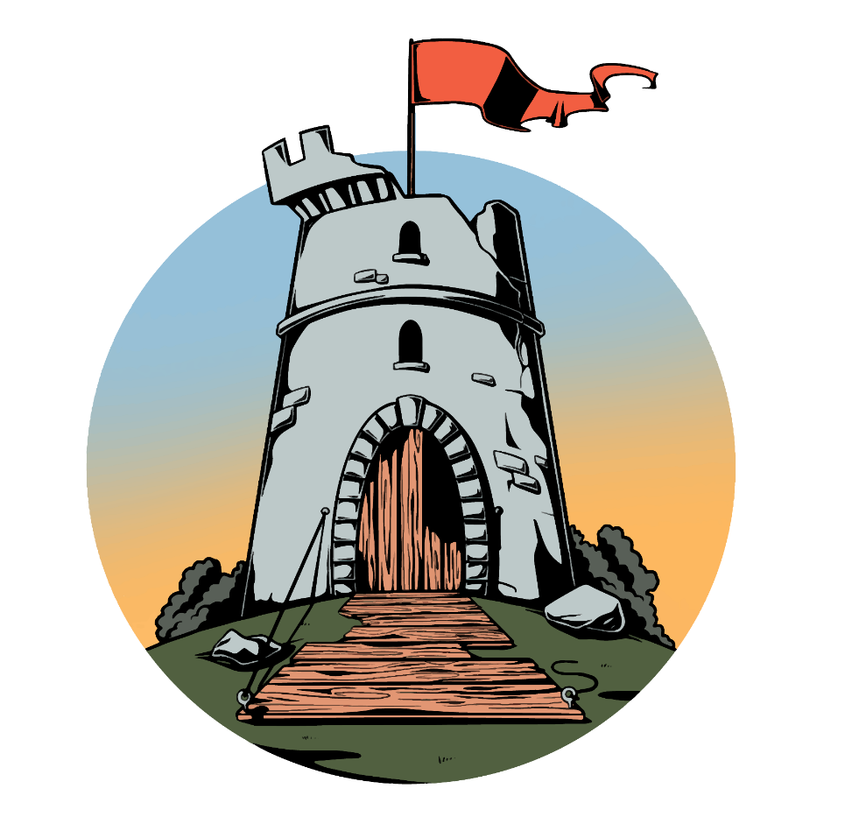
 |  |  |  |  |  |  |  |  |  |  |  | Slam
 |  |  |  |  |  |  |  |  |  |  |  | Slay
 |  |  |  |  |  |  |  |  |  |  |  | Specialization
 |  |  |  |  |  |  |  |  |  |  |  | Specialization Augmentation#
 |  |  |  |  |  |  |  |  |  |  |  | Specialization Mastery#
 |  |  |  |  |  |  |  |  |  |  |  | Staff
 |  |  |  |  |  |  |  |  |  |  |  | Stagger
 |  |  |  |  |  |  |  |  |  |  |  | Stamina*
 |  |  |  |  |  |  |  |  |  |  |  | Stamina +2
 |  |  |  |  |  |  |  |  |  |  |  | Stealth
 |  |  |  |  |  |  |  |  |  |  |  | Stealth Augmentation#
 |  |  |  |  |  |  |  |  |  |  |  | Stealth Mastery#
 |  |  |  | CrestfallenLarp@gmail.com |  |  |  |  |  |  |  | Stealth Woodlands
 |  |  |  | Crestfallen.larp.logistics@gmail.com |  |  |  |  |  |  |  | Strength
 |  |  |  |  |  |  |  |  |  |  |  | Strength Augmentation#
 |  |  |  |  |  |  |  |  |  |  |  | Strength Mastery#
 |  |  |  |  |  |  |  |  |  |  |  | Supply
 |  |  |  |  |  |  |  |  |  |  |  | Supply Augmentation#
 |  |  |  |  |  |  |  |  |  |  |  | Supply Mastery#
 |  |  |  |  |  |  |  |  |  |  |  | Surgery#
 |  |  |  |  |  |  |  |  |  |  |  | Technology Crafting#
 |  |  |  |  |  |  |  |  |  |  |  | Thieves Guild Member#
 |  |  |  |  |  |  |  |  |  |  |  | Thrown Weapons
 |  |  |  |  |  |  |  |  |  |  |  | Two Handed Axes/Hammers
 |  |  |  |  |  |  |  |  |  |  |  | Two Handed Bladed Weapons
 |  |  |  |  |  |  |  |  |  |  |  | Two Handed Weapon
 |  |  |  |  |  |  |  |  |  |  |  | Variable
 |  |  |  |  |  |  |  |  |  |  |  | Waylay
 |  |  |  |  |  |  |  |  |  |  |  | Weapon of Choice
 |  |  |  |  |  |  |  |  |  |  |  | Wear Armor*

