Result_Test
Username | Password | Action | Test time | Method test | Expected | Actual | Status | Exception | Screenshot
admin | 12345678 | Login into website | 2022-04-10 | multipleLogin | http://localhost:8080/PS14885_ASM_JAVA4/manager/index.jsp | http://localhost:8080/PS14885_ASM_JAVA4/manager/index.jsp | PASS
duyan123 | 1234567 | Login into website | 2022-04-10 | multipleLogin | http://localhost:8080/PS14885_ASM_JAVA4/index | http://localhost:8080/PS14885_ASM_JAVA4/index | PASS
duyan123 |  | Login into website | 2022-04-10 | multipleLogin | http://localhost:8080/PS14885_ASM_JAVA4/login | http://localhost:8080/PS14885_ASM_JAVA4/login;jsessionid=C628C153C7E5D5EB4C1808B3BA8D8C01 | FAIL | expected [http://localhost:8080/PS14885_ASM_JAVA4/login;jsessionid=C628C153C7E5D5EB4C1808B3BA8D8C01] but found [http://localhost:8080/PS14885_ASM_JAVA4/login] | 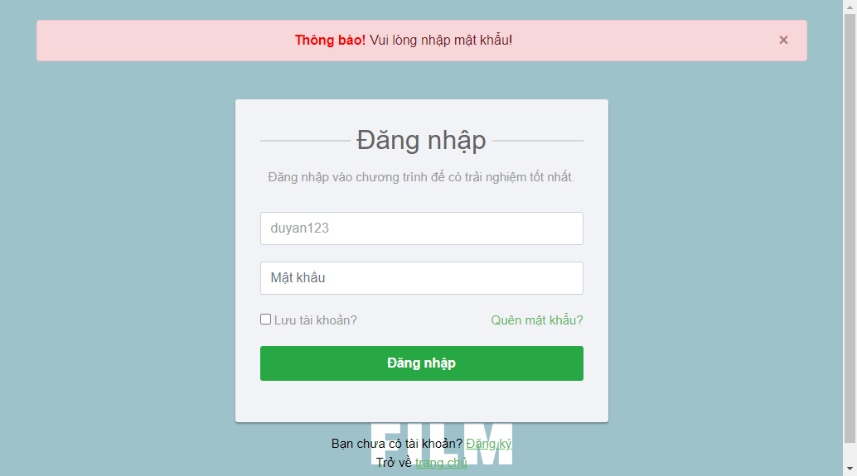 | Link Screenshot
duyan123 | 123 | Login into website | 2022-04-10 | multipleLogin | http://localhost:8080/PS14885_ASM_JAVA4/login | http://localhost:8080/PS14885_ASM_JAVA4/login;jsessionid=C75163BC93DBF74FB2ADB5DA0D37EA74 | FAIL | expected [http://localhost:8080/PS14885_ASM_JAVA4/login;jsessionid=C75163BC93DBF74FB2ADB5DA0D37EA74] but found [http://localhost:8080/PS14885_ASM_JAVA4/login] | 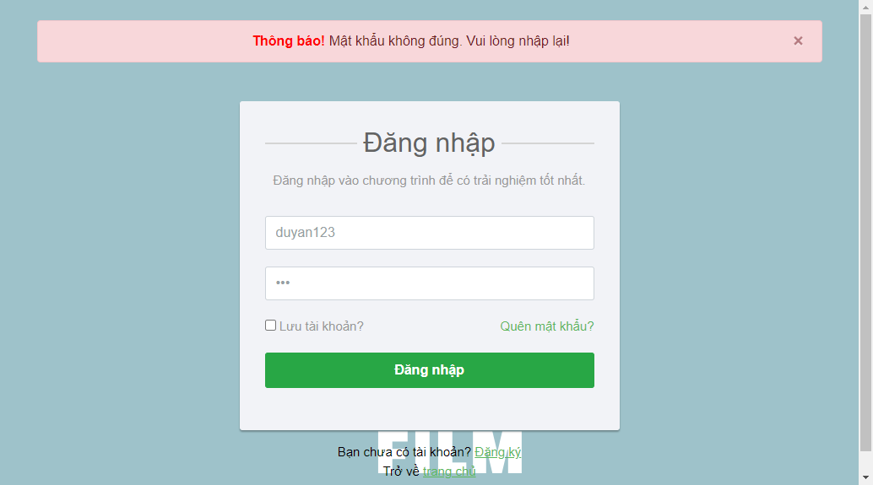 | Link Screenshot
duyan1234 | 1234567 | Login into website | 2022-04-10 | multipleLogin | http://localhost:8080/PS14885_ASM_JAVA4/login | http://localhost:8080/PS14885_ASM_JAVA4/login;jsessionid=6200255FEB43A79634624E76D601ADB8 | FAIL | expected [http://localhost:8080/PS14885_ASM_JAVA4/login;jsessionid=6200255FEB43A79634624E76D601ADB8] but found [http://localhost:8080/PS14885_ASM_JAVA4/login] |  | Link Screenshot
duyan1234 | 123 | Login into website | 2022-04-10 | multipleLogin | http://localhost:8080/PS14885_ASM_JAVA4/index | http://localhost:8080/PS14885_ASM_JAVA4/login;jsessionid=D375F8BFFF08E536A56BC081BCB2D166 | FAIL | expected [http://localhost:8080/PS14885_ASM_JAVA4/login;jsessionid=D375F8BFFF08E536A56BC081BCB2D166] but found [http://localhost:8080/PS14885_ASM_JAVA4/index] |  | Link Screenshot
duyan1234 |  | Login into website | 2022-04-10 | multipleLogin | http://localhost:8080/PS14885_ASM_JAVA4/index | http://localhost:8080/PS14885_ASM_JAVA4/login;jsessionid=BA5E9B7C091ADDA9656E5CFA07088D81 | FAIL | expected [http://localhost:8080/PS14885_ASM_JAVA4/login;jsessionid=BA5E9B7C091ADDA9656E5CFA07088D81] but found [http://localhost:8080/PS14885_ASM_JAVA4/index] |  | Link Screenshot
 | 1234567 | Login into website | 2022-04-10 | multipleLogin | http://localhost:8080/PS14885_ASM_JAVA4/index | http://localhost:8080/PS14885_ASM_JAVA4/login;jsessionid=0D72C952FEEB44208AAD6A5FBF3B16FE | FAIL | expected [http://localhost:8080/PS14885_ASM_JAVA4/login;jsessionid=0D72C952FEEB44208AAD6A5FBF3B16FE] but found [http://localhost:8080/PS14885_ASM_JAVA4/index] | 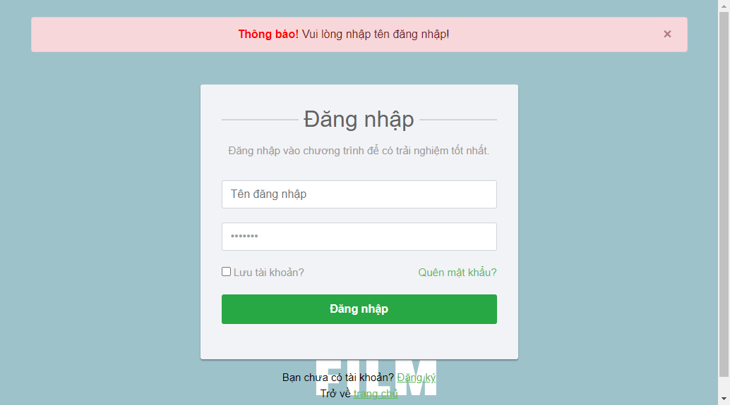 | Link Screenshot
 |  | Login into website | 2022-04-10 | multipleLogin | http://localhost:8080/PS14885_ASM_JAVA4/index | http://localhost:8080/PS14885_ASM_JAVA4/login;jsessionid=2508A544CA6D25326D1ABF250797B761 | FAIL | expected [http://localhost:8080/PS14885_ASM_JAVA4/login;jsessionid=2508A544CA6D25326D1ABF250797B761] but found [http://localhost:8080/PS14885_ASM_JAVA4/index] | 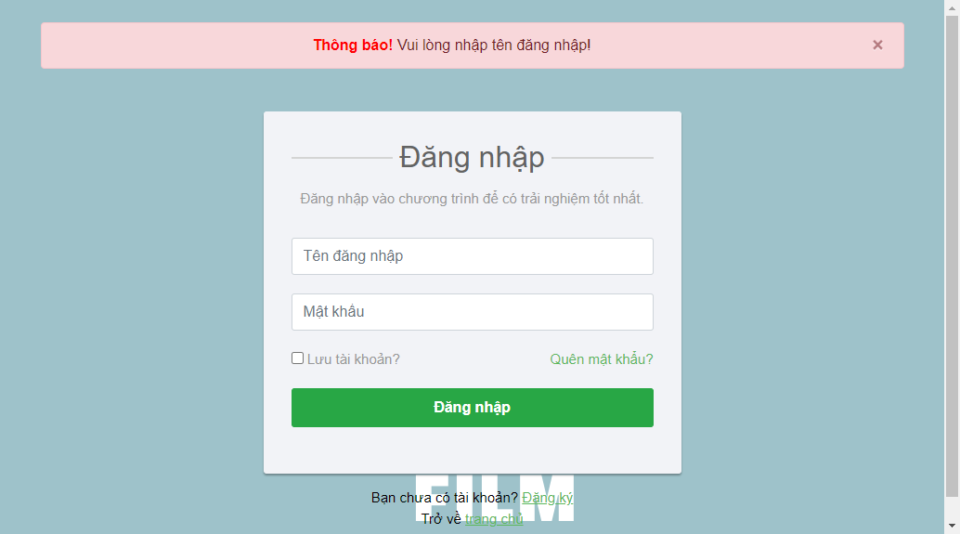 | Link Screenshot
 | 123 | Login into website | 2022-04-10 | multipleLogin | http://localhost:8080/PS14885_ASM_JAVA4/index | http://localhost:8080/PS14885_ASM_JAVA4/login;jsessionid=3798E469F31FDE94CC767B29F6446661 | FAIL | expected [http://localhost:8080/PS14885_ASM_JAVA4/login;jsessionid=3798E469F31FDE94CC767B29F6446661] but found [http://localhost:8080/PS14885_ASM_JAVA4/index] |  | Link Screenshot
admin | 12345678 | Login into website | 2022-04-13 | multipleLogin | http://localhost:8080/PS14885_ASM_JAVA4/manager/index.jsp | http://localhost:8080/PS14885_ASM_JAVA4/manager/index.jsp | PASS
duyan123 | 1234567 | Login into website | 2022-04-13 | multipleLogin | http://localhost:8080/PS14885_ASM_JAVA4/index | http://localhost:8080/PS14885_ASM_JAVA4/index | PASS
duyan123 |  | Login into website | 2022-04-13 | multipleLogin | http://localhost:8080/PS14885_ASM_JAVA4/login | http://localhost:8080/PS14885_ASM_JAVA4/login;jsessionid=6581F1755DBCD6CBEEB3A9B8AFA7D5A9 | FAIL | expected [http://localhost:8080/PS14885_ASM_JAVA4/login;jsessionid=6581F1755DBCD6CBEEB3A9B8AFA7D5A9] but found [http://localhost:8080/PS14885_ASM_JAVA4/login] |  | Link Screenshot
duyan123 | 123 | Login into website | 2022-04-13 | multipleLogin | http://localhost:8080/PS14885_ASM_JAVA4/login | http://localhost:8080/PS14885_ASM_JAVA4/login;jsessionid=E25C01EE159352F977FFC40660D8EE36 | FAIL | expected [http://localhost:8080/PS14885_ASM_JAVA4/login;jsessionid=E25C01EE159352F977FFC40660D8EE36] but found [http://localhost:8080/PS14885_ASM_JAVA4/login] |  | Link Screenshot
duyan1234 | 1234567 | Login into website | 2022-04-13 | multipleLogin | http://localhost:8080/PS14885_ASM_JAVA4/login | http://localhost:8080/PS14885_ASM_JAVA4/index | FAIL | expected [http://localhost:8080/PS14885_ASM_JAVA4/index] but found [http://localhost:8080/PS14885_ASM_JAVA4/login] |  | Link Screenshot
duyan1234 | 123 | Login into website | 2022-04-13 | multipleLogin | http://localhost:8080/PS14885_ASM_JAVA4/index | http://localhost:8080/PS14885_ASM_JAVA4/login;jsessionid=A9382A245CE5C920F380930140510672 | FAIL | expected [http://localhost:8080/PS14885_ASM_JAVA4/login;jsessionid=A9382A245CE5C920F380930140510672] but found [http://localhost:8080/PS14885_ASM_JAVA4/index] |  | Link Screenshot
duyan1234 |  | Login into website | 2022-04-13 | multipleLogin | http://localhost:8080/PS14885_ASM_JAVA4/index | http://localhost:8080/PS14885_ASM_JAVA4/login;jsessionid=15D0477F3377F84808F5BF6E372172E2 | FAIL | expected [http://localhost:8080/PS14885_ASM_JAVA4/login;jsessionid=15D0477F3377F84808F5BF6E372172E2] but found [http://localhost:8080/PS14885_ASM_JAVA4/index] |  | Link Screenshot
 | 1234567 | Login into website | 2022-04-13 | multipleLogin | http://localhost:8080/PS14885_ASM_JAVA4/index | http://localhost:8080/PS14885_ASM_JAVA4/login;jsessionid=4F0DE9C0C51F82A4C88DA563FA5B663A | FAIL | expected [http://localhost:8080/PS14885_ASM_JAVA4/login;jsessionid=4F0DE9C0C51F82A4C88DA563FA5B663A] but found [http://localhost:8080/PS14885_ASM_JAVA4/index] |  | Link Screenshot
 |  | Login into website | 2022-04-13 | multipleLogin | http://localhost:8080/PS14885_ASM_JAVA4/index | http://localhost:8080/PS14885_ASM_JAVA4/login;jsessionid=E5AC73C0B6CBAB70A4225F022763774F | FAIL | expected [http://localhost:8080/PS14885_ASM_JAVA4/login;jsessionid=E5AC73C0B6CBAB70A4225F022763774F] but found [http://localhost:8080/PS14885_ASM_JAVA4/index] |  | Link Screenshot
 | 123 | Login into website | 2022-04-13 | multipleLogin | http://localhost:8080/PS14885_ASM_JAVA4/index | http://localhost:8080/PS14885_ASM_JAVA4/login;jsessionid=FFE61B41306C8C24443B8A470D93B4CC | FAIL | expected [http://localhost:8080/PS14885_ASM_JAVA4/login;jsessionid=FFE61B41306C8C24443B8A470D93B4CC] but found [http://localhost:8080/PS14885_ASM_JAVA4/index] |  | Link Screenshot

