Test_Result
LastName | FirsrName | Username | Email | Password | ConfirmPassworrd | Action | Test Time | Method test | Expected | Actual | Status | Exception | Screenshot
Thinh | Do Tien | duyan123 | haha@gmail.com | 1234 | 1234 | Register Account | 2022-04-10 | multipleRegister | http://localhost:8080/PS14885_ASM_JAVA4/register | http://localhost:8080/PS14885_ASM_JAVA4/register;jsessionid=DC1635D74D0A579B99BA0289B11D78F9 | FAIL | expected [http://localhost:8080/PS14885_ASM_JAVA4/register;jsessionid=DC1635D74D0A579B99BA0289B11D78F9] but found [http://localhost:8080/PS14885_ASM_JAVA4/register] | 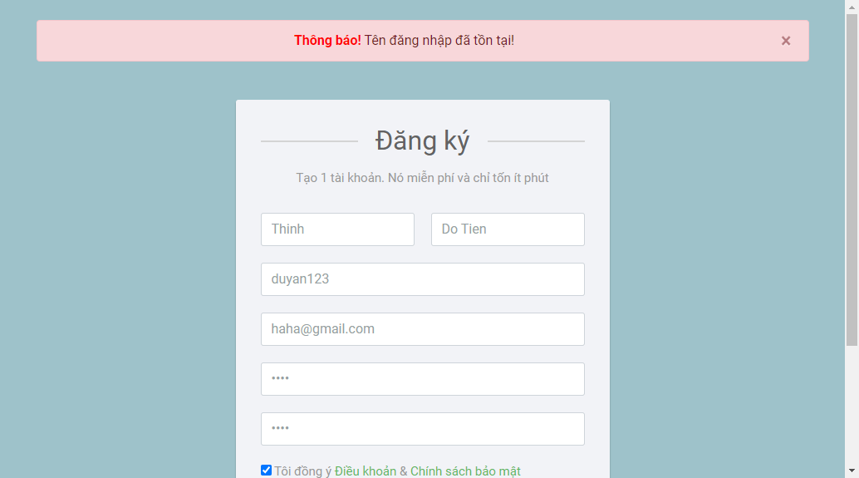 | Link Screenshot
Thinh | Do Tien | thinhpro123 | thinh@gmail.com | 1234567 | 1234567 | Register Account | 2022-04-10 | multipleRegister | http://localhost:8080/PS14885_ASM_JAVA4/views/login.jsp | http://localhost:8080/PS14885_ASM_JAVA4/views/login.jsp | PASS
 | Do Tien | thinhpro1234 | thinh@gmail.com | 1234567 | 1234567 | Register Account | 2022-04-10 | multipleRegister | http://localhost:8080/PS14885_ASM_JAVA4/register | http://localhost:8080/PS14885_ASM_JAVA4/register;jsessionid=D729A1DC8884CAF85066269B7749C463 | FAIL | expected [http://localhost:8080/PS14885_ASM_JAVA4/register;jsessionid=D729A1DC8884CAF85066269B7749C463] but found [http://localhost:8080/PS14885_ASM_JAVA4/register] | 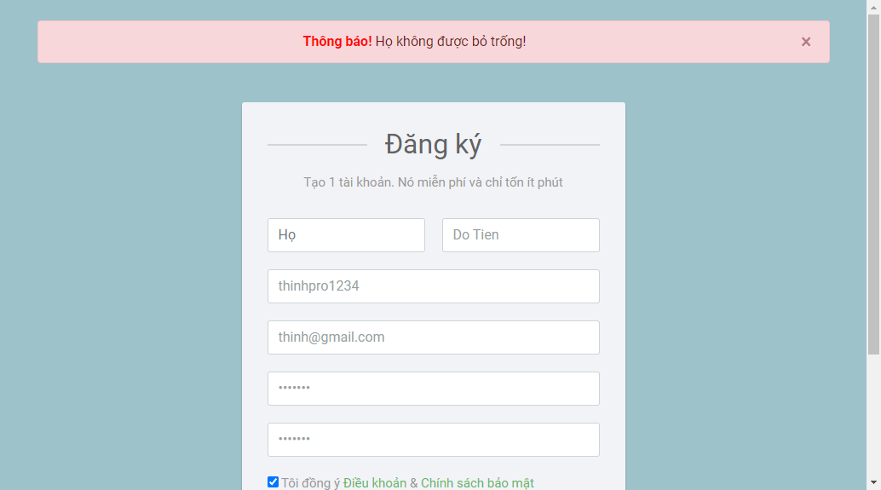 | Link Screenshot
Thinh |  | thinhpro1235 | thinh@gmail.com | 1234567 | 1234567 | Register Account | 2022-04-10 | multipleRegister | http://localhost:8080/PS14885_ASM_JAVA4/register | http://localhost:8080/PS14885_ASM_JAVA4/register;jsessionid=BA0380163837062D8D3A078D23664E1E | FAIL | expected [http://localhost:8080/PS14885_ASM_JAVA4/register;jsessionid=BA0380163837062D8D3A078D23664E1E] but found [http://localhost:8080/PS14885_ASM_JAVA4/register] |  | Link Screenshot
Thinh | Do Tien |  | thinh@gmail.com | 1234567 | 1234567 | Register Account | 2022-04-10 | multipleRegister | http://localhost:8080/PS14885_ASM_JAVA4/register | http://localhost:8080/PS14885_ASM_JAVA4/register;jsessionid=2240E1AC1F6CA16E524A946B5DB1F462 | FAIL | expected [http://localhost:8080/PS14885_ASM_JAVA4/register;jsessionid=2240E1AC1F6CA16E524A946B5DB1F462] but found [http://localhost:8080/PS14885_ASM_JAVA4/register] | 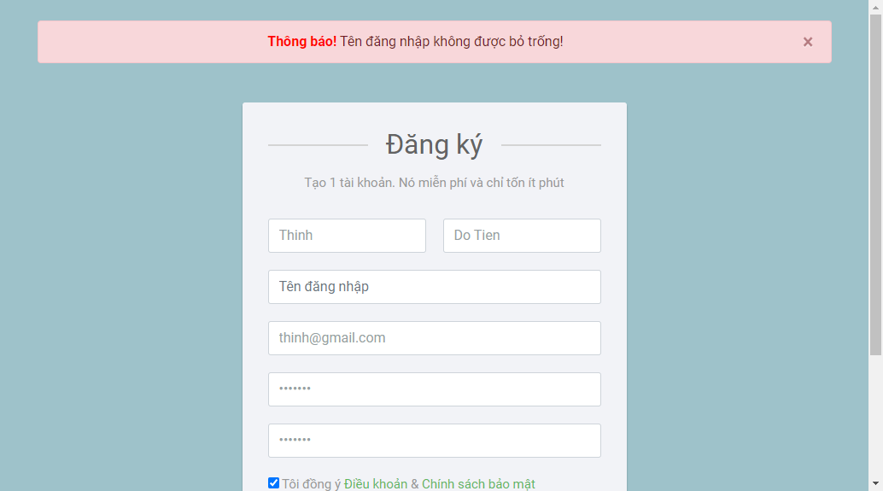 | Link Screenshot
Thinh | Do Tien | thinhpro1236 | thinhhahaha | 1234567 | 1234567 | Register Account | 2022-04-10 | multipleRegister | http://localhost:8080/PS14885_ASM_JAVA4/register | http://localhost:8080/PS14885_ASM_JAVA4/register;jsessionid=AEB9A64F2C701D2EFCFF91BA9A71837F | FAIL | expected [http://localhost:8080/PS14885_ASM_JAVA4/register;jsessionid=AEB9A64F2C701D2EFCFF91BA9A71837F] but found [http://localhost:8080/PS14885_ASM_JAVA4/register] | 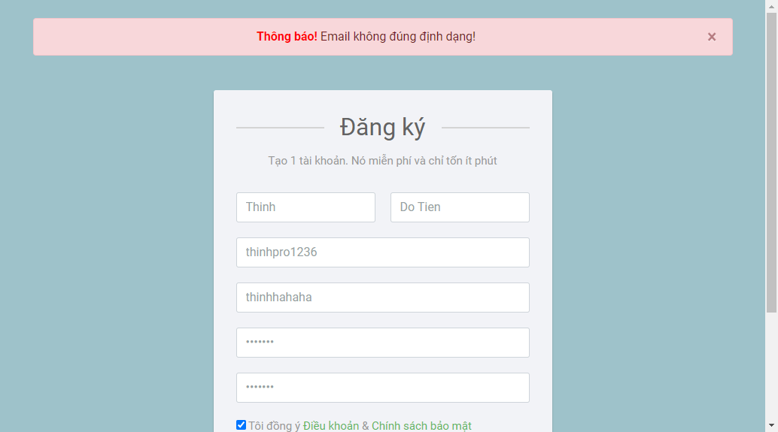 | Link Screenshot
Thinh | Do Tien | thinhpro1237 |  | 1234567 | 1234567 | Register Account | 2022-04-10 | multipleRegister | http://localhost:8080/PS14885_ASM_JAVA4/register | http://localhost:8080/PS14885_ASM_JAVA4/register;jsessionid=C6E93DC8365C1D23A7110AA956D927CA | FAIL | expected [http://localhost:8080/PS14885_ASM_JAVA4/register;jsessionid=C6E93DC8365C1D23A7110AA956D927CA] but found [http://localhost:8080/PS14885_ASM_JAVA4/register] |  | Link Screenshot
Thinh | Do Tien | thinhpro1238 | thinh@gmail.com |  | 1234567 | Register Account | 2022-04-10 | multipleRegister | http://localhost:8080/PS14885_ASM_JAVA4/register | http://localhost:8080/PS14885_ASM_JAVA4/register;jsessionid=5B232FCC0290342866E2A2DBD59982DD | FAIL | expected [http://localhost:8080/PS14885_ASM_JAVA4/register;jsessionid=5B232FCC0290342866E2A2DBD59982DD] but found [http://localhost:8080/PS14885_ASM_JAVA4/register] | 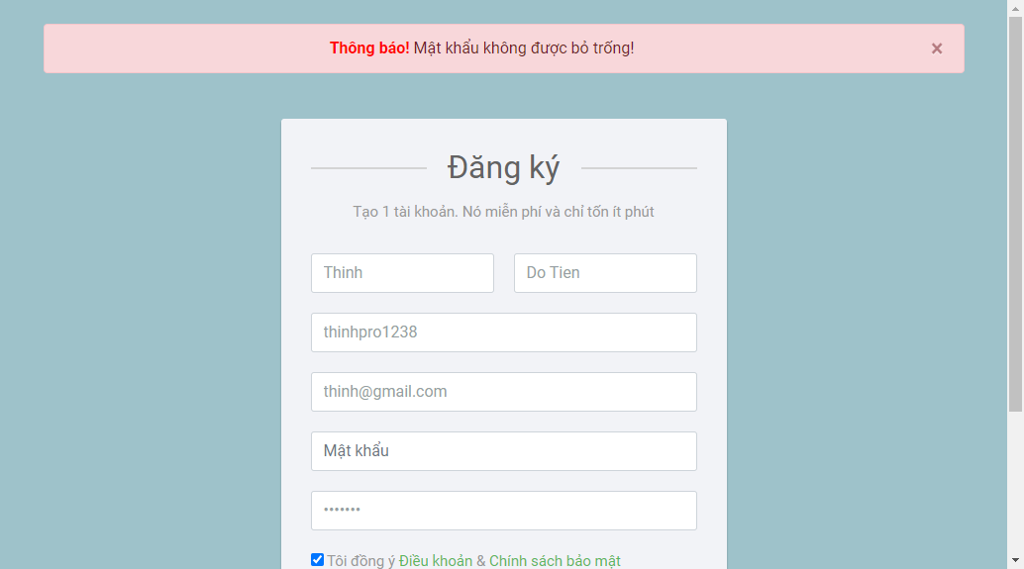 | Link Screenshot
Thinh | Do Tien | thinhpro1239 | thinh@gmail.com | 1234567 |  | Register Account | 2022-04-10 | multipleRegister | http://localhost:8080/PS14885_ASM_JAVA4/register | http://localhost:8080/PS14885_ASM_JAVA4/register;jsessionid=B117ED202D885A2E79F88040A08A4393 | FAIL | expected [http://localhost:8080/PS14885_ASM_JAVA4/register;jsessionid=B117ED202D885A2E79F88040A08A4393] but found [http://localhost:8080/PS14885_ASM_JAVA4/register] | 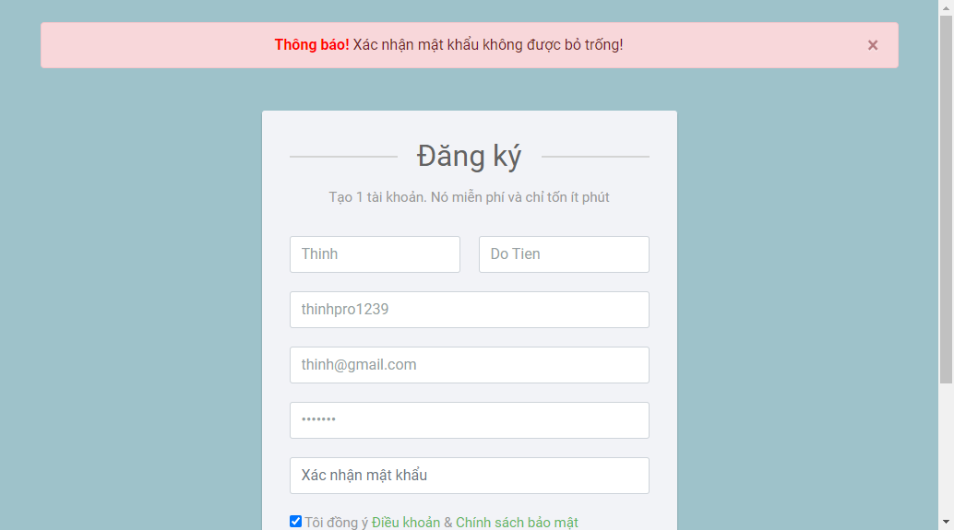 | Link Screenshot
Thinh | Do tien | thinhpro12310 | thinh@gmail.com | 1234567 | 1111111111 | Register Account | 2022-04-10 | multipleRegister | http://localhost:8080/PS14885_ASM_JAVA4/register | http://localhost:8080/PS14885_ASM_JAVA4/register;jsessionid=4E62CF507DF6101F129A090E5CBF99FD | FAIL | expected [http://localhost:8080/PS14885_ASM_JAVA4/register;jsessionid=4E62CF507DF6101F129A090E5CBF99FD] but found [http://localhost:8080/PS14885_ASM_JAVA4/register] | 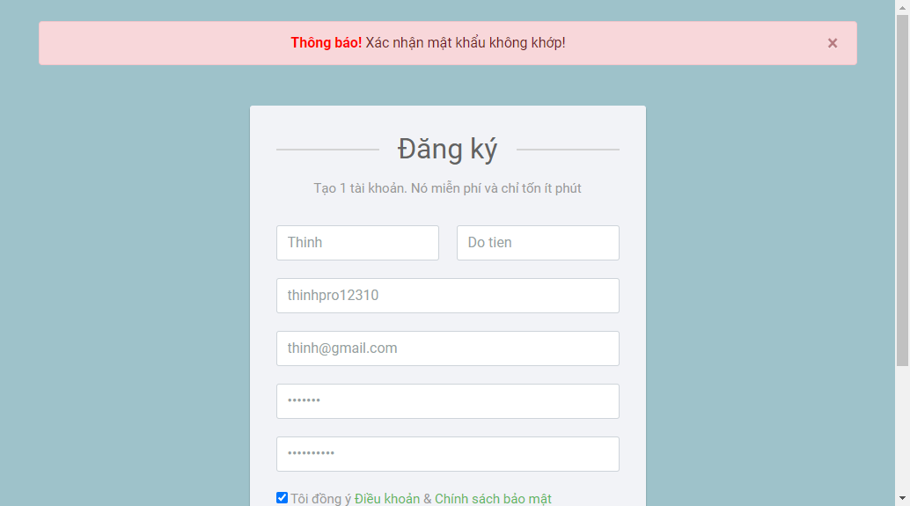 | Link Screenshot
Thinh | Do Tien | thinhpro12311 | thinh@gmail.com | 1234 | 1234 | Register Account | 2022-04-10 | multipleRegister | http://localhost:8080/PS14885_ASM_JAVA4/register | http://localhost:8080/PS14885_ASM_JAVA4/register;jsessionid=A4CD673247287E4467D4706A43A096D2 | FAIL | expected [http://localhost:8080/PS14885_ASM_JAVA4/register;jsessionid=A4CD673247287E4467D4706A43A096D2] but found [http://localhost:8080/PS14885_ASM_JAVA4/register] |  | Link Screenshot
Thinh |  |  |  | 1234 | 1234 | Register Account | 2022-04-10 | multipleRegister | http://localhost:8080/PS14885_ASM_JAVA4/register | http://localhost:8080/PS14885_ASM_JAVA4/register;jsessionid=5339192B9B47515E32093A9644139DEE | FAIL | expected [http://localhost:8080/PS14885_ASM_JAVA4/register;jsessionid=5339192B9B47515E32093A9644139DEE] but found [http://localhost:8080/PS14885_ASM_JAVA4/register] | 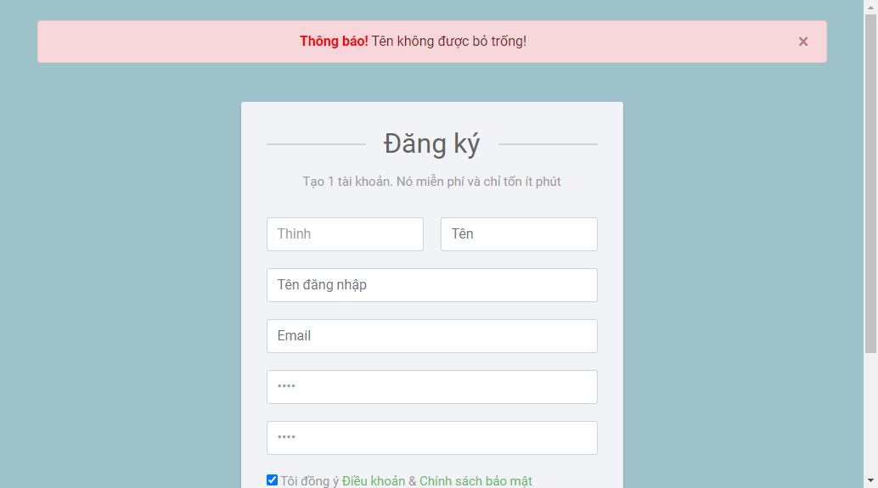 | Link Screenshot
 |  |  |  |  |  | Register Account | 2022-04-10 | multipleRegister | http://localhost:8080/PS14885_ASM_JAVA4/register | http://localhost:8080/PS14885_ASM_JAVA4/register;jsessionid=A8568E099D75AB5C21A292C62940A214 | FAIL | expected [http://localhost:8080/PS14885_ASM_JAVA4/register;jsessionid=A8568E099D75AB5C21A292C62940A214] but found [http://localhost:8080/PS14885_ASM_JAVA4/register] | 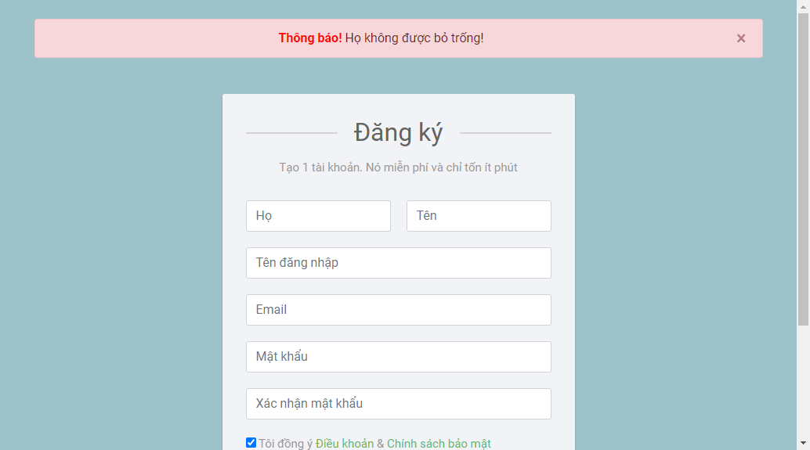 | Link Screenshot
 | Do Tien | thinhpro12312 | thinh@gmail.com |  |  | Register Account | 2022-04-10 | multipleRegister | http://localhost:8080/PS14885_ASM_JAVA4/register | http://localhost:8080/PS14885_ASM_JAVA4/register;jsessionid=6EBB0C9AC0A4CAB68968DC5F2A4B52E5 | FAIL | expected [http://localhost:8080/PS14885_ASM_JAVA4/register;jsessionid=6EBB0C9AC0A4CAB68968DC5F2A4B52E5] but found [http://localhost:8080/PS14885_ASM_JAVA4/register] |  | Link Screenshot
Thinh | Do Tien | duyan123 | haha@gmail.com | 1234 | 1234 | Register Account | 2022-04-13 | multipleRegister | http://localhost:8080/PS14885_ASM_JAVA4/register | http://localhost:8080/PS14885_ASM_JAVA4/register;jsessionid=E6B6848D47D1E893B4071DAD6BFC1048 | FAIL | expected [http://localhost:8080/PS14885_ASM_JAVA4/register;jsessionid=E6B6848D47D1E893B4071DAD6BFC1048] but found [http://localhost:8080/PS14885_ASM_JAVA4/register] |  | Link Screenshot
Thinh | Do Tien | thinhpro123 | thinh@gmail.com | 1234567 | 1234567 | Register Account | 2022-04-13 | multipleRegister | http://localhost:8080/PS14885_ASM_JAVA4/views/login.jsp | http://localhost:8080/PS14885_ASM_JAVA4/register;jsessionid=E558A42D5B66D37002B399FACD8F91B2 | FAIL | expected [http://localhost:8080/PS14885_ASM_JAVA4/register;jsessionid=E558A42D5B66D37002B399FACD8F91B2] but found [http://localhost:8080/PS14885_ASM_JAVA4/views/login.jsp] |  | Link Screenshot
 | Do Tien | thinhpro1234 | thinh@gmail.com | 1234567 | 1234567 | Register Account | 2022-04-13 | multipleRegister | http://localhost:8080/PS14885_ASM_JAVA4/register | http://localhost:8080/PS14885_ASM_JAVA4/register;jsessionid=A9B7FD4250A93CB4DB29E61431AFD297 | FAIL | expected [http://localhost:8080/PS14885_ASM_JAVA4/register;jsessionid=A9B7FD4250A93CB4DB29E61431AFD297] but found [http://localhost:8080/PS14885_ASM_JAVA4/register] |  | Link Screenshot
Thinh |  | thinhpro1235 | thinh@gmail.com | 1234567 | 1234567 | Register Account | 2022-04-13 | multipleRegister | http://localhost:8080/PS14885_ASM_JAVA4/register | http://localhost:8080/PS14885_ASM_JAVA4/register;jsessionid=AC595AABD652F63BDD5D5FF46DC1B15C | FAIL | expected [http://localhost:8080/PS14885_ASM_JAVA4/register;jsessionid=AC595AABD652F63BDD5D5FF46DC1B15C] but found [http://localhost:8080/PS14885_ASM_JAVA4/register] |  | Link Screenshot
Thinh | Do Tien |  | thinh@gmail.com | 1234567 | 1234567 | Register Account | 2022-04-13 | multipleRegister | http://localhost:8080/PS14885_ASM_JAVA4/register | http://localhost:8080/PS14885_ASM_JAVA4/register;jsessionid=2C57BC9BFBC1C083BE0C5E80C4C6D05A | FAIL | expected [http://localhost:8080/PS14885_ASM_JAVA4/register;jsessionid=2C57BC9BFBC1C083BE0C5E80C4C6D05A] but found [http://localhost:8080/PS14885_ASM_JAVA4/register] |  | Link Screenshot
Thinh | Do Tien | thinhpro1236 | thinhhahaha | 1234567 | 1234567 | Register Account | 2022-04-13 | multipleRegister | http://localhost:8080/PS14885_ASM_JAVA4/register | http://localhost:8080/PS14885_ASM_JAVA4/register;jsessionid=2F785BD2918984BB3B659D5358DD7D0B | FAIL | expected [http://localhost:8080/PS14885_ASM_JAVA4/register;jsessionid=2F785BD2918984BB3B659D5358DD7D0B] but found [http://localhost:8080/PS14885_ASM_JAVA4/register] |  | Link Screenshot
Thinh | Do Tien | thinhpro1237 |  | 1234567 | 1234567 | Register Account | 2022-04-13 | multipleRegister | http://localhost:8080/PS14885_ASM_JAVA4/register | http://localhost:8080/PS14885_ASM_JAVA4/register;jsessionid=D8F1F32E0C1113104FFAFBC19C578390 | FAIL | expected [http://localhost:8080/PS14885_ASM_JAVA4/register;jsessionid=D8F1F32E0C1113104FFAFBC19C578390] but found [http://localhost:8080/PS14885_ASM_JAVA4/register] | 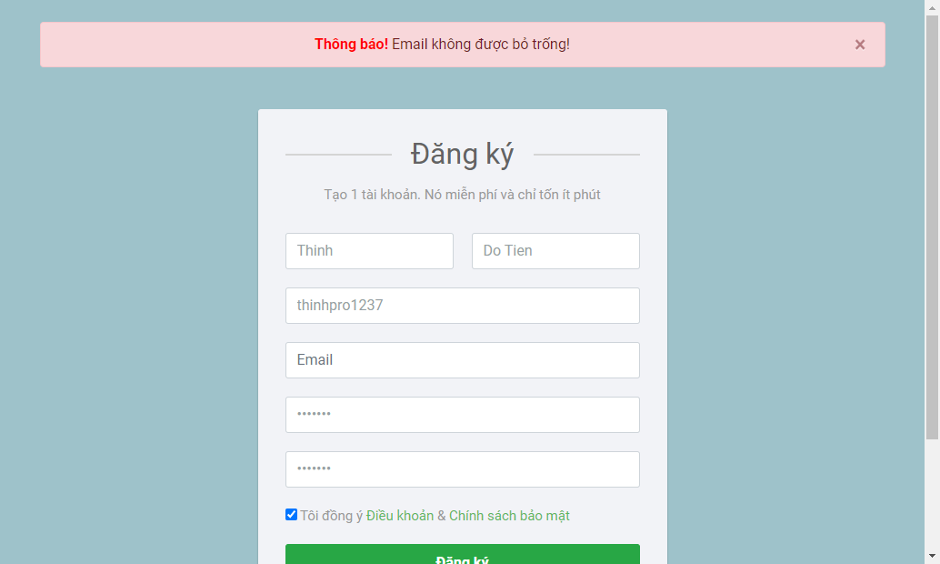 | Link Screenshot
Thinh | Do Tien | thinhpro1238 | thinh@gmail.com |  | 1234567 | Register Account | 2022-04-13 | multipleRegister | http://localhost:8080/PS14885_ASM_JAVA4/register | http://localhost:8080/PS14885_ASM_JAVA4/register;jsessionid=FA16F1EED04B3447FF0C67445C79837C | FAIL | expected [http://localhost:8080/PS14885_ASM_JAVA4/register;jsessionid=FA16F1EED04B3447FF0C67445C79837C] but found [http://localhost:8080/PS14885_ASM_JAVA4/register] |  | Link Screenshot
Thinh | Do Tien | thinhpro1239 | thinh@gmail.com | 1234567 |  | Register Account | 2022-04-13 | multipleRegister | http://localhost:8080/PS14885_ASM_JAVA4/register | http://localhost:8080/PS14885_ASM_JAVA4/register;jsessionid=236BD708304374FCACBA7D90A27A9F56 | FAIL | expected [http://localhost:8080/PS14885_ASM_JAVA4/register;jsessionid=236BD708304374FCACBA7D90A27A9F56] but found [http://localhost:8080/PS14885_ASM_JAVA4/register] |  | Link Screenshot
Thinh | Do tien | thinhpro12310 | thinh@gmail.com | 1234567 | 1111111111 | Register Account | 2022-04-13 | multipleRegister | http://localhost:8080/PS14885_ASM_JAVA4/register | http://localhost:8080/PS14885_ASM_JAVA4/register;jsessionid=A6BFF7C5124F304A140EC74713ED0EA0 | FAIL | expected [http://localhost:8080/PS14885_ASM_JAVA4/register;jsessionid=A6BFF7C5124F304A140EC74713ED0EA0] but found [http://localhost:8080/PS14885_ASM_JAVA4/register] |  | Link Screenshot
Thinh | Do Tien | thinhpro12311 | thinh@gmail.com | 1234 | 1234 | Register Account | 2022-04-13 | multipleRegister | http://localhost:8080/PS14885_ASM_JAVA4/register | http://localhost:8080/PS14885_ASM_JAVA4/register;jsessionid=CCEE8574873B8CC52834857E60044E42 | FAIL | expected [http://localhost:8080/PS14885_ASM_JAVA4/register;jsessionid=CCEE8574873B8CC52834857E60044E42] but found [http://localhost:8080/PS14885_ASM_JAVA4/register] |  | Link Screenshot
Thinh |  |  |  | 1234 | 1234 | Register Account | 2022-04-13 | multipleRegister | http://localhost:8080/PS14885_ASM_JAVA4/register | http://localhost:8080/PS14885_ASM_JAVA4/register;jsessionid=7451FDC616CDA2A02AA435915CAC2393 | FAIL | expected [http://localhost:8080/PS14885_ASM_JAVA4/register;jsessionid=7451FDC616CDA2A02AA435915CAC2393] but found [http://localhost:8080/PS14885_ASM_JAVA4/register] |  | Link Screenshot
 |  |  |  |  |  | Register Account | 2022-04-13 | multipleRegister | http://localhost:8080/PS14885_ASM_JAVA4/register | http://localhost:8080/PS14885_ASM_JAVA4/register;jsessionid=64537D266F8516A480A152E3E2634D66 | FAIL | expected [http://localhost:8080/PS14885_ASM_JAVA4/register;jsessionid=64537D266F8516A480A152E3E2634D66] but found [http://localhost:8080/PS14885_ASM_JAVA4/register] |  | Link Screenshot
 | Do Tien | thinhpro12312 | thinh@gmail.com |  |  | Register Account | 2022-04-13 | multipleRegister | http://localhost:8080/PS14885_ASM_JAVA4/register | http://localhost:8080/PS14885_ASM_JAVA4/register;jsessionid=C075D9ABA4D39C94F440A84EC9A64016 | FAIL | expected [http://localhost:8080/PS14885_ASM_JAVA4/register;jsessionid=C075D9ABA4D39C94F440A84EC9A64016] but found [http://localhost:8080/PS14885_ASM_JAVA4/register] |  | Link Screenshot

