Resumen_General
ANÁLISIS TÉCNICO Y ESTADÍSTICO INTEGRAL DE HEDERA (HBARUSD)
Período analizado (UTC): 2026-08-07 00:00 UTC a 2026-10-05 00:00 UTC

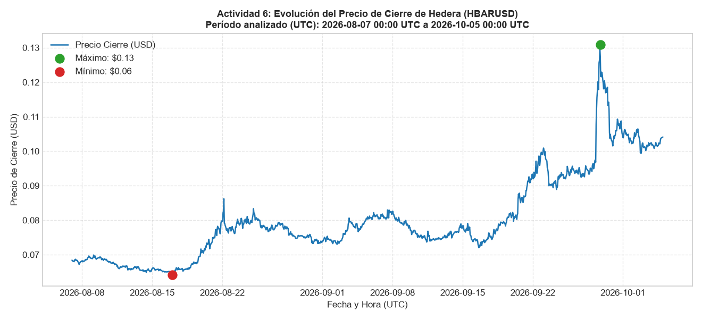
Métrica Indicadora | Valor
Total Registros Horarios (H1) | 1,413
Precio Máximo Histórico (USD) | $0.1308
Precio Mínimo Histórico (USD) | $0.0642
Precio Promedio Cierre (USD) | $0.0803
Mediana Cambio Horario (%) | 0.000%
Volatilidad Horaria (Desv. Est.) | $0.0124

Resumen_Diario
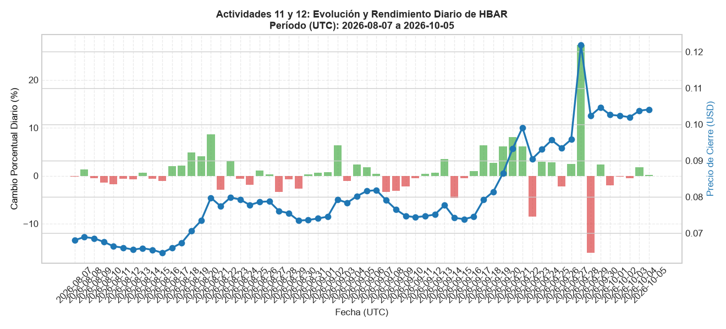
Fecha (UTC) | Apertura (USD) | Máximo (USD) | Mínimo (USD) | Cierre (USD) | Rango (USD) | Cambio (%)
2026-08-07 | $0.0682 | $0.0688 | $0.0671 | $0.0680 | $0.0017 | -0.18%
2026-08-08 | $0.0680 | $0.0699 | $0.0679 | $0.0689 | $0.0020 | 1.32%
2026-08-09 | $0.0689 | $0.0700 | $0.0685 | $0.0686 | $0.0015 | -0.52%
2026-08-10 | $0.0685 | $0.0692 | $0.0675 | $0.0676 | $0.0017 | -1.37%
2026-08-11 | $0.0676 | $0.0679 | $0.0658 | $0.0664 | $0.0021 | -1.76%
2026-08-12 | $0.0664 | $0.0669 | $0.0656 | $0.0660 | $0.0013 | -0.57%
2026-08-13 | $0.0660 | $0.0669 | $0.0654 | $0.0655 | $0.0015 | -0.77%
2026-08-14 | $0.0655 | $0.0662 | $0.0648 | $0.0658 | $0.0014 | 0.58%
2026-08-15 | $0.0659 | $0.0664 | $0.0653 | $0.0654 | $0.0010 | -0.68%
2026-08-16 | $0.0653 | $0.0654 | $0.0644 | $0.0646 | $0.0010 | -1.12%
2026-08-17 | $0.0646 | $0.0663 | $0.0642 | $0.0659 | $0.0021 | 2.04%
2026-08-18 | $0.0659 | $0.0674 | $0.0652 | $0.0673 | $0.0022 | 2.14%
2026-08-19 | $0.0673 | $0.0717 | $0.0670 | $0.0706 | $0.0047 | 4.81%
2026-08-20 | $0.0706 | $0.0745 | $0.0702 | $0.0734 | $0.0043 | 4.07%
2026-08-21 | $0.0734 | $0.0808 | $0.0734 | $0.0798 | $0.0073 | 8.62%
2026-08-22 | $0.0798 | $0.0869 | $0.0755 | $0.0774 | $0.0114 | -2.97%
2026-08-23 | $0.0774 | $0.0810 | $0.0757 | $0.0798 | $0.0053 | 3.09%
2026-08-24 | $0.0798 | $0.0812 | $0.0775 | $0.0793 | $0.0037 | -0.65%
2026-08-25 | $0.0793 | $0.0843 | $0.0774 | $0.0778 | $0.0069 | -1.92%
2026-08-26 | $0.0778 | $0.0788 | $0.0763 | $0.0786 | $0.0025 | 1.08%
2026-08-27 | $0.0786 | $0.0798 | $0.0769 | $0.0788 | $0.0028 | 0.25%
2026-08-28 | $0.0788 | $0.0797 | $0.0739 | $0.0761 | $0.0059 | -3.39%
2026-08-29 | $0.0760 | $0.0763 | $0.0746 | $0.0755 | $0.0016 | -0.70%
2026-08-30 | $0.0755 | $0.0761 | $0.0730 | $0.0735 | $0.0032 | -2.71%
2026-08-31 | $0.0734 | $0.0746 | $0.0730 | $0.0736 | $0.0016 | 0.31%
2026-09-01 | $0.0736 | $0.0756 | $0.0734 | $0.0741 | $0.0021 | 0.63%
2026-09-02 | $0.0740 | $0.0746 | $0.0728 | $0.0746 | $0.0018 | 0.72%
2026-09-03 | $0.0745 | $0.0810 | $0.0743 | $0.0793 | $0.0067 | 6.35%
2026-09-04 | $0.0793 | $0.0797 | $0.0764 | $0.0784 | $0.0033 | -1.11%
2026-09-05 | $0.0784 | $0.0815 | $0.0784 | $0.0802 | $0.0032 | 2.32%
2026-09-06 | $0.0802 | $0.0823 | $0.0802 | $0.0816 | $0.0021 | 1.75%
2026-09-07 | $0.0815 | $0.0832 | $0.0800 | $0.0819 | $0.0032 | 0.42%
2026-09-08 | $0.0818 | $0.0830 | $0.0786 | $0.0791 | $0.0043 | -3.34%
2026-09-09 | $0.0791 | $0.0800 | $0.0758 | $0.0765 | $0.0042 | -3.17%
2026-09-10 | $0.0765 | $0.0772 | $0.0746 | $0.0747 | $0.0027 | -2.27%
2026-09-11 | $0.0748 | $0.0772 | $0.0733 | $0.0744 | $0.0039 | -0.48%
2026-09-12 | $0.0744 | $0.0751 | $0.0741 | $0.0747 | $0.0010 | 0.36%
2026-09-13 | $0.0747 | $0.0775 | $0.0746 | $0.0751 | $0.0030 | 0.62%
2026-09-14 | $0.0751 | $0.0794 | $0.0750 | $0.0777 | $0.0044 | 3.47%
2026-09-15 | $0.0778 | $0.0799 | $0.0740 | $0.0742 | $0.0059 | -4.58%
2026-09-16 | $0.0742 | $0.0748 | $0.0719 | $0.0739 | $0.0028 | -0.53%
2026-09-17 | $0.0739 | $0.0766 | $0.0733 | $0.0746 | $0.0032 | 0.93%
2026-09-18 | $0.0745 | $0.0799 | $0.0743 | $0.0792 | $0.0057 | 6.34%
2026-09-19 | $0.0793 | $0.0825 | $0.0781 | $0.0814 | $0.0043 | 2.71%
2026-09-20 | $0.0816 | $0.0899 | $0.0795 | $0.0865 | $0.0104 | 6.11%
2026-09-21 | $0.0864 | $0.0936 | $0.0849 | $0.0934 | $0.0087 | 8.02%
2026-09-22 | $0.0934 | $0.1007 | $0.0911 | $0.0991 | $0.0096 | 6.08%
2026-09-23 | $0.0989 | $0.1014 | $0.0889 | $0.0905 | $0.0124 | -8.49%
2026-09-24 | $0.0905 | $0.0949 | $0.0882 | $0.0931 | $0.0068 | 2.88%
2026-09-25 | $0.0931 | $0.0967 | $0.0915 | $0.0957 | $0.0053 | 2.76%
2026-09-26 | $0.0956 | $0.0957 | $0.0918 | $0.0935 | $0.0039 | -2.20%
2026-09-27 | $0.0935 | $0.0961 | $0.0923 | $0.0958 | $0.0038 | 2.50%
2026-09-28 | $0.0958 | $0.1308 | $0.0941 | $0.1219 | $0.0367 | 27.33%
2026-09-29 | $0.1220 | $0.1227 | $0.1021 | $0.1024 | $0.0206 | -16.07%
2026-09-30 | $0.1023 | $0.1100 | $0.1011 | $0.1047 | $0.0089 | 2.32%
2026-10-01 | $0.1047 | $0.1069 | $0.1016 | $0.1026 | $0.0053 | -2.01%
2026-10-02 | $0.1026 | $0.1070 | $0.0974 | $0.1024 | $0.0097 | -0.19%
2026-10-03 | $0.1024 | $0.1030 | $0.1002 | $0.1020 | $0.0028 | -0.46%
2026-10-04 | $0.1020 | $0.1041 | $0.1007 | $0.1037 | $0.0034 | 1.76%
2026-10-05 | $0.1040 | $0.1041 | $0.1036 | $0.1041 | $0.0005 | 0.13%

Mayores_Movimientos
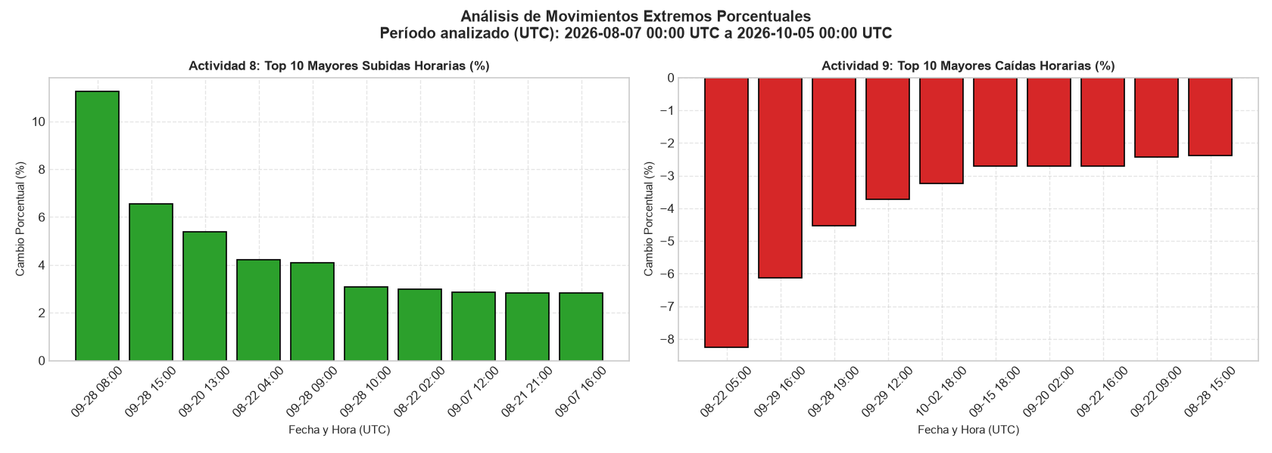
Top 10 Mayores Subidas Horarias (%) |  |  | Top 10 Mayores Caídas Horarias (%)

Fecha y Hora (UTC) | Cierre (USD) | Cambio (%) | Fecha y Hora (UTC) | Cierre (USD) | Cambio (%)
2026-09-28 08:00 | $0.1077 | 11.27% | 2026-08-22 05:00 | $0.0791 | -8.25%
2026-09-28 15:00 | $0.1256 | 6.56% | 2026-09-29 16:00 | $0.1053 | -6.13%
2026-09-20 13:00 | $0.0862 | 5.38% | 2026-09-28 19:00 | $0.1217 | -4.53%
2026-08-22 04:00 | $0.0862 | 4.22% | 2026-09-29 12:00 | $0.1141 | -3.74%
2026-09-28 09:00 | $0.1121 | 4.09% | 2026-10-02 18:00 | $0.0995 | -3.24%
2026-09-28 10:00 | $0.1156 | 3.09% | 2026-09-15 18:00 | $0.0759 | -2.72%
2026-08-22 02:00 | $0.0821 | 3.00% | 2026-09-20 02:00 | $0.0796 | -2.71%
2026-09-07 12:00 | $0.0830 | 2.85% | 2026-09-22 16:00 | $0.0960 | -2.71%
2026-08-21 21:00 | $0.0792 | 2.83% | 2026-09-22 09:00 | $0.0948 | -2.43%
2026-09-07 16:00 | $0.0829 | 2.81% | 2026-08-28 15:00 | $0.0758 | -2.38%

Patrones_y_Estadisticas
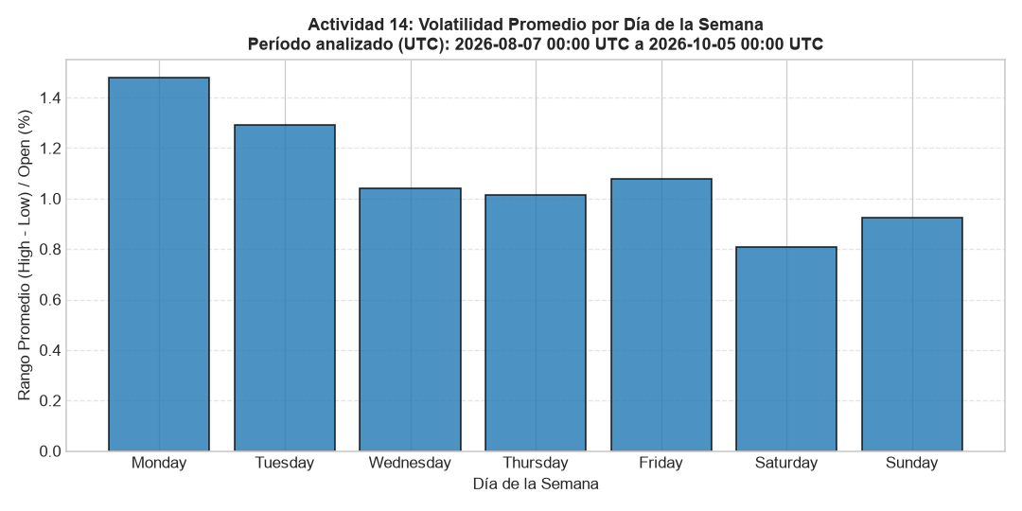
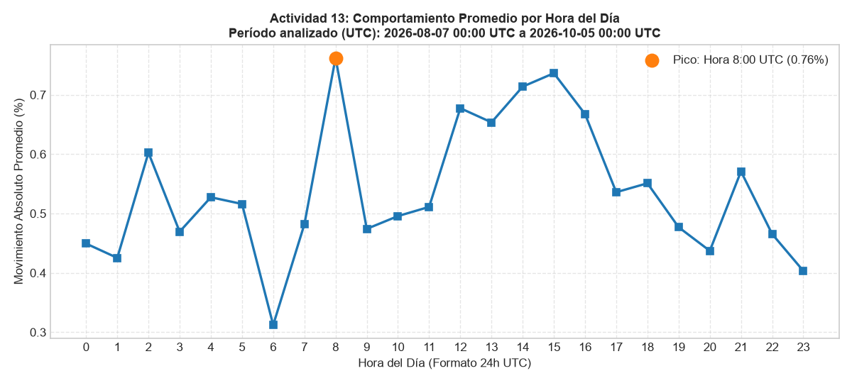
Distribución por Tipo de Vela

Tipo de Vela | Cantidad | Proporción (%)
Alcista | 705 | 49.89%
Bajista | 688 | 48.69%
Doji | 20 | 1.42%

