Hoja1
 | Ifetch |  | EX reg |  | Mem |  | Wr Register
 | PC | PC | PC | PC | PC | PC | Dmemory | RW
 | Instruction | Instruction | Immediate | Imm | ZERO | ZERO | AluRespond | Dmemory
 |  |  | RA | Bus A | ALU | MemWr | Mux img1 | AluRespond
 |  |  | RB | Bus B | MuxImg1 | Branch | MemWr | MemToReg
 |  |  | RT | ExtOp | ExtOp | MemtoReg | Branch | RegWr
 |  |  | RD | ALUSrc | ALUSrc | RegWr | MemtoReg
 |  |  | ExtOp | ALUOp | ALUOp |  | RegWr
 |  |  | ALUSrc | RegDst | RegDst
 |  |  | ALUOp | MemWr | MemWr
 |  |  | RegDst | Branch | Branch
 |  |  | MemWr | MemtoReg | MemtoReg
 |  |  | Branch | RegWr | RegWr
 |  |  | MemtoReg
 |  |  | RegWr

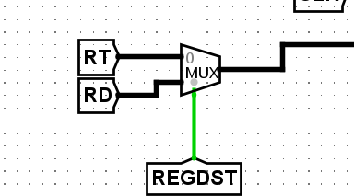

Img 1

