Hoja1
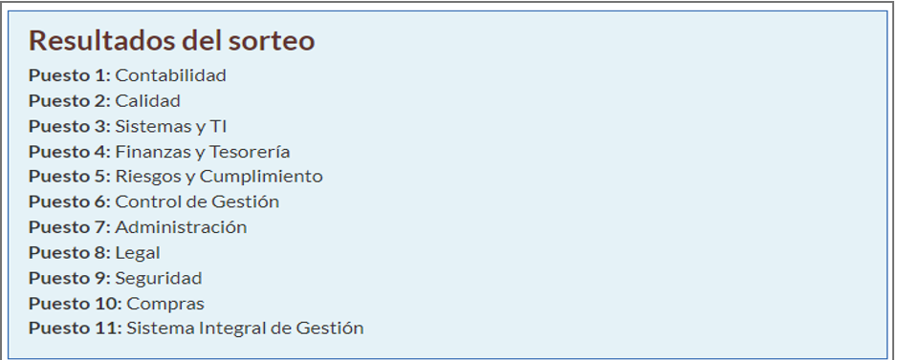
 | CantPreguntas | Revisión | LinkPublico | Link Editar
Contabilidad | 6 | OK | https://forms.office.com/r/7pEpaec1uh | https://forms.office.com/Pages/DesignPageV2.aspx?prevorigin=shell&origin=NeoPortalPage&subpage=design&id=QvsmVyaEd0WZZPE6Yq1eucaCtc4rvpdCpFuBOa2tf1ZUQkFTRkNHR1ZRMUFDMExYQUpPWFpCSzE5Qy4u
Calidad | 10 | Ok | https://forms.office.com/r/nqvXcpg77X | https://forms.office.com/Pages/DesignPageV2.aspx?prevorigin=shell&origin=NeoPortalPage&subpage=design&id=QvsmVyaEd0WZZPE6Yq1eucaCtc4rvpdCpFuBOa2tf1ZUN1ZXSVhaVERVWEUyQ0w5QjMzRUwzWUhSNi4u
Sistemas y TI | 6 | Ok | https://forms.office.com/r/exkqcsaLiD | https://forms.office.com/Pages/DesignPageV2.aspx?origin=NeoPortalPage&subpage=design&id=QvsmVyaEd0WZZPE6Yq1eucaCtc4rvpdCpFuBOa2tf1ZUOE9VSDhQVE5PU1NTUEhJNlVKNEVXRU4xTy4u&analysis=false
Finanzas y tesorería | 5 | Ok | https://forms.office.com/r/rfwcGNjJD4 | https://forms.office.com/Pages/DesignPageV2.aspx?origin=NeoPortalPage&subpage=design&id=QvsmVyaEd0WZZPE6Yq1eucaCtc4rvpdCpFuBOa2tf1ZUNE1ENTVHUVlUU0FXNDVRU0FYMzRZQzVPWi4u
Riesgos y cumplimiento | 6 | Ok | https://forms.office.com/r/Ag1gBx8a9H | https://forms.office.com/Pages/DesignPageV2.aspx?prevorigin=shell&origin=NeoPortalPage&subpage=design&id=QvsmVyaEd0WZZPE6Yq1euUfHW9a70qZJrsz3-h5B5I9URjBMWjBGN0E4NVlZSzhQUUdIOUU4NUVVOS4u
Control de gestión | 5 | Ok | https://forms.office.com/r/C4ipGt3Asp | https://forms.office.com/Pages/DesignPageV2.aspx?prevorigin=shell&origin=NeoPortalPage&subpage=design&id=QvsmVyaEd0WZZPE6Yq1eucaCtc4rvpdCpFuBOa2tf1ZUOFJJUkxHMFFYVUlQTlZWWjBUUlZRRUQxRy4u

