summary
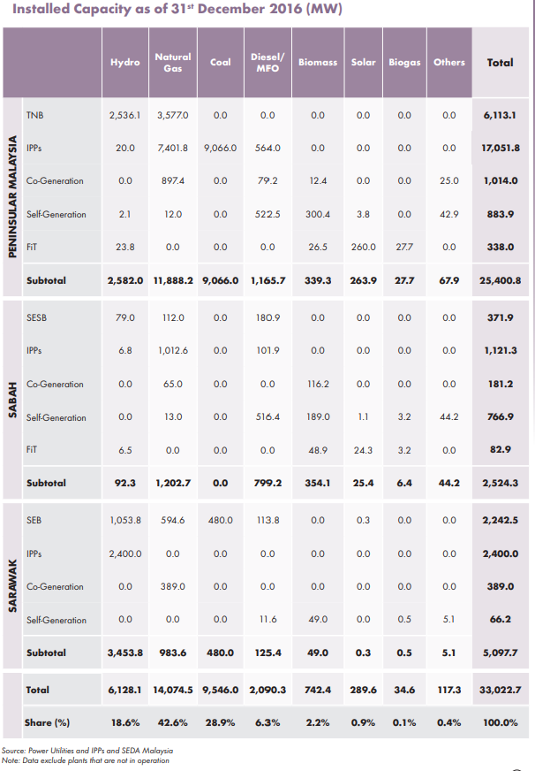
Reported vs. Collected Data from 2016

region | 2016 Report | Collected | % diff
peninsular | 25400 | 27068 | 6.6%
sarawak | 5099 | 4497 | -11.8%
sabah | 2524 | 2475 | -1.9%
total | 33023 | 34040 | 3.1%

fuel | Reported Peninsular | Collected | % diff | Reported Sabah | Collected | % diff | Reported Sarawak | Collected | % diff
hydro | 2,582 | 2,587 | 0.2% | 92 | 88.9 | -3.7% | 3,454 | 3,452 | -0.1%
gas | 11,888 | 12,201 | 2.6% | 1,203 | 1,074.49 | -10.7% | 984 | 421 | -57.2%
coal | 9,066 | 11,054 | 21.9% | 0 | 0 | 0.0% | 480 | 480 | 0.0%
diesel/fo | 1,166 | 219 | -81.2% | 799 | 268.28 | -66.4% | 125 | 90 | -28.5%
biomass | 339 | 666 | 96.4% | 354 | 214.93 | -39.3% | 49 | 49 | 0.0%
solar | 264 | 256 | -3.0% | 25 | 33.26 | 30.9% | 0 |  | -100.0%
biogas | 28 | 55 | 96.9% | 6 | 194.09 | 2932.7% | 1 | 1 | 0.0%
other | 68 | 25 | -63.2% | 44 | 0 | -100.0% | 5 | 5 | 0.0%
total | 25,401 | 26,984 | 6.2% | 2,524 | 1,874 | -25.8% | 5,098 | 4,497 | -11.8%

