COPE_bitmaps
POSITION 2
Data for variables ED1P2, ED2P2, ED1P2_N, and ED2P2_N were recorded with this configuration.
POSITION 6
Data for variables ED1P6_N, and ED2P6_N were recorded with this configuration.
The order of the sampling follows the order of the position, ie. position 1 was recorded first and position 6 was recorded last.
POSITION 1
Data for variables ED1P1, ED2P1, ED1P1_N, and ED2P1_N were recorded with this configuration.
POSITION 3
Data for variables ED1P3_N, and ED2P3_N were recorded with this configuration.
POSITION 4
Data for variables ED1P4_N, and ED2P4_N were recorded with this configuration.
POSITION 5
Data for variables ED1P5_N, and ED2P5_N were recorded with this configuration.

Illuminance Meter = D1
Illuminance Meter = D1
Illuminance Meter = D1
Illuminance Meter = D1
Illuminance Meter = D1
Illuminance Meter = D1

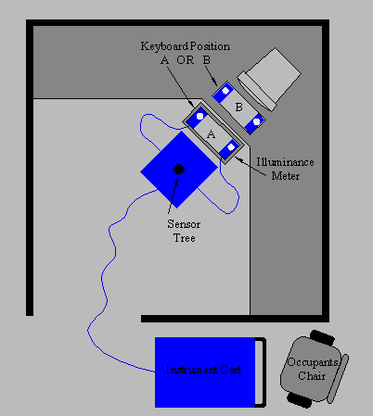
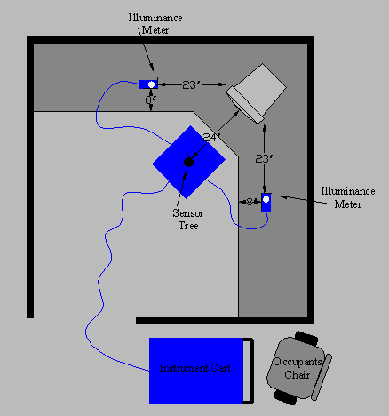
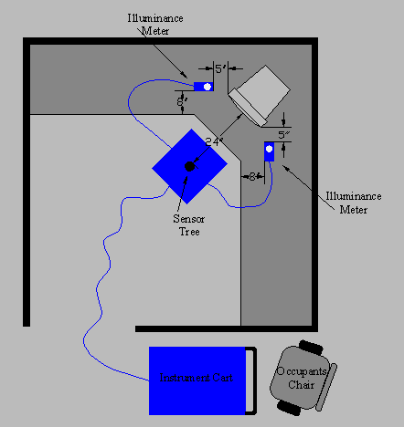
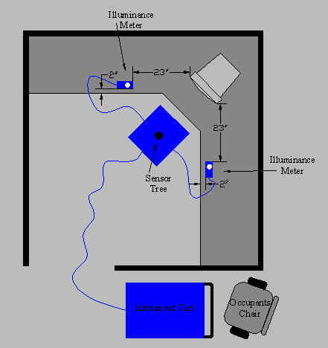
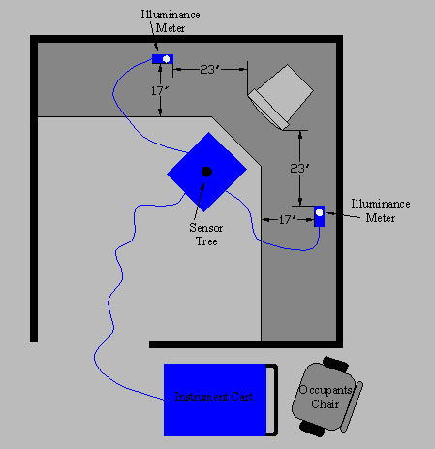
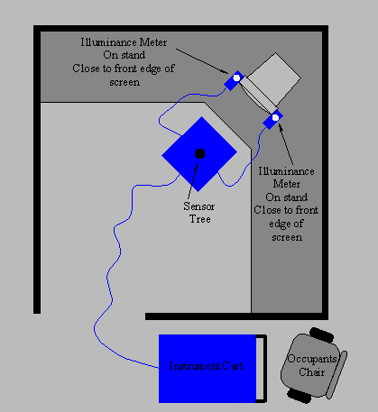

Illuminance Meter = D2
Illuminance Meter = D2
Illuminance Meter = D2
Illuminance Meter = D2
Illuminance Meter = D2
Illuminance Meter = D2

 | Position 1 = above illuminance configuration recorded at Day and Night. | Position 2 = above illuminance configuration recorded at Day and Night. | Position 3 = above illuminance configuration recorded at Night only. | Position 4 = above illuminance configuration recorded at Night only. | Position 5 =above illuminance configuration recorded at Night only. | Position 6 = above illuminance configuration recorded at Night only.

North = Partition 1, always opposite the entrance.

West = Partition 4, always to the left of the entrance.

East = Partition 2, always to the right of the entrance.

South = Partition 3, always on same side as entrance.

VDT screen
For hemispherical, cylindrical, semicylindrical illuminance, and illuminance at the eye, I am assuming that the "direction of view" is from the sensor head to the VDT screen, directly along the x-axis.
Notes:
Planar Illuminance = E e.n + ~Ex.n_{x}² + ~Ey.n_{y}² + ~Ez.n_{z}²
for Horizontal Illuminance n = (0,0,1) and Eh = E e(z) + ~Ez
Hemispherical Illuminance = E (1+e.n)/4 + (~Ex + ~Ey + ~Ez)/3
for our direction of view n = (1,0,0) and Ehs = E (1+e(x)) + (~Ex + ~Ey + ~Ez)/3
Cylindrical Illuminance = E e.e_{(x,y)}/π + (~Ex + ~Ey)/2
for our direction of view e_{(x,y)} = (1,0) and Ecl = E e(x)/π + (~Ex + ~Ey)/2
Semicylindrical Illuminance = E (e.e_{(x,y)}) (1+e_{(x,y)}.n_{(x,y)}) /π + (~Ex + ~Ey)/2
for our direction of view e_{(x,y)} = (1,0), n_{(x,y)} = (1,0) and Escl = E e(x) (1+e(x)) /π + (~Ex + ~Ey)/2
Illuminance at the eye = E e.v + ~Ex.v_{x}² + ~Ey.v_{y}² + ~Ez.v_{z}²
for our direction of view v = (1,0,0) and Eeye = E e(x) + ~Ex

VDT screen

normal

z

y
x
Cubic Illuminance Head

