Unit Testing (Doreen)
Use Case 1: FR1: Register with University Email
Tester Name | Test Description | Test Case ID | Test Scenario | Test Data | Source Code (TypeScript) | Expected Output | Actual Output | Pass/Fail | Remarks
Doreen Tang Le Xi (B2400089) | Unit: Accept valid registration details | TCUC1_1 | Student fills every field correctly and creates an account | Name: Test Student Student ID: B1234567 Email: b1234567@helplive.edu.my Password / Confirm: Campus2026 | const { data, error } = await supabase.auth.signUp({ email, password, options: { data: { full_name, student_id, phone } }, }); | Green 'Account created. Log in ...' message; new row in public.users with the same name, student ID and email | 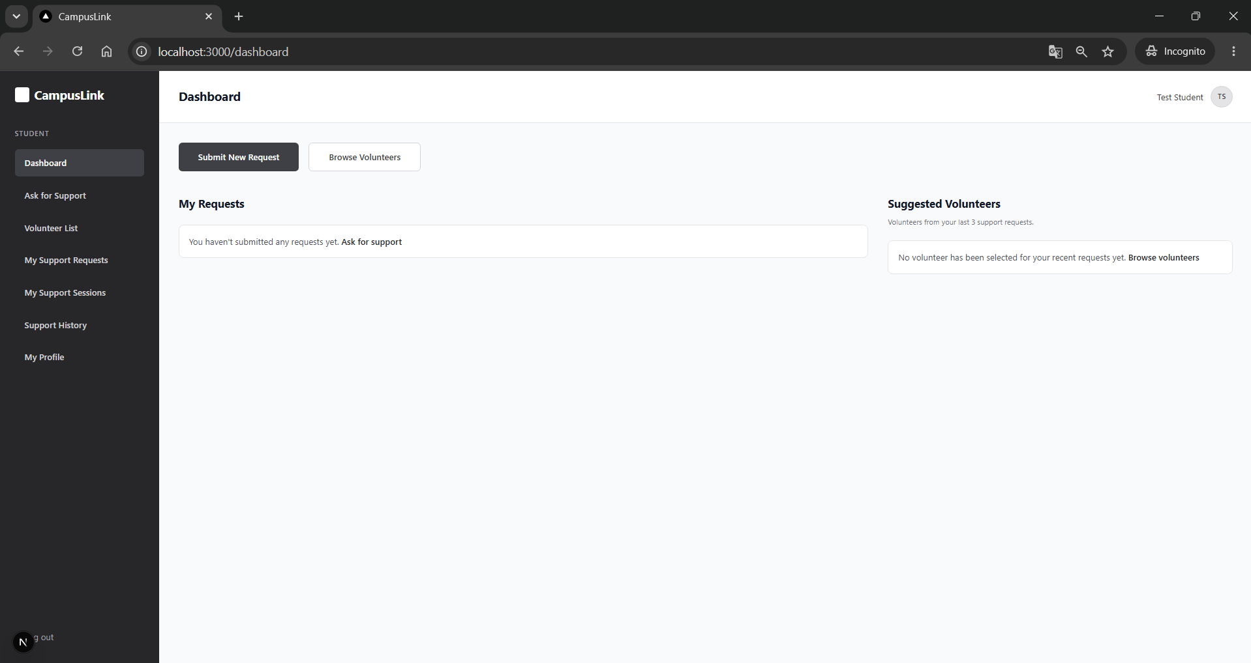 | Fail | Bug: registration skipped 2FA and went straight to /dashboard.Fixed by signing out after signUp. See re-test below.
Doreen Tang Le Xi (B2400089) | Unit: Accept valid registration details | TCUC1_1 (re-test) | Student fills every field correctly and creates an account | Name: Test Student Student ID: B1234567 Email: b1234567@helplive.edu.my Password / Confirm: Campus2026 | const { data, error } = await supabase.auth.signUp({ email, password, options: { data: { full_name, student_id, phone } }, }); | Green 'Account created. Log in ...' message; new row in public.users with the same name, student ID and email | 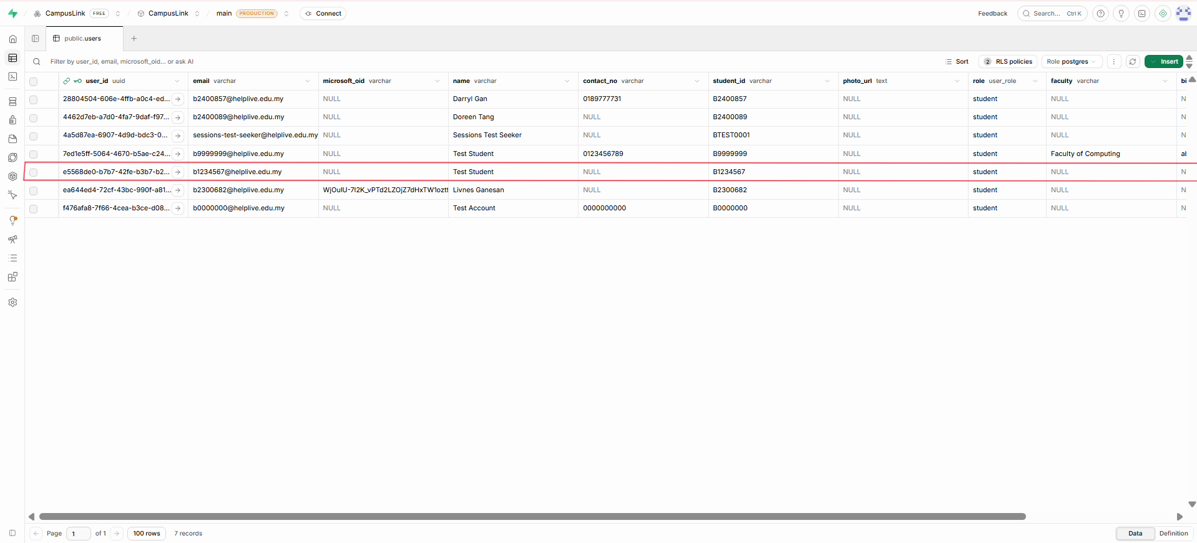 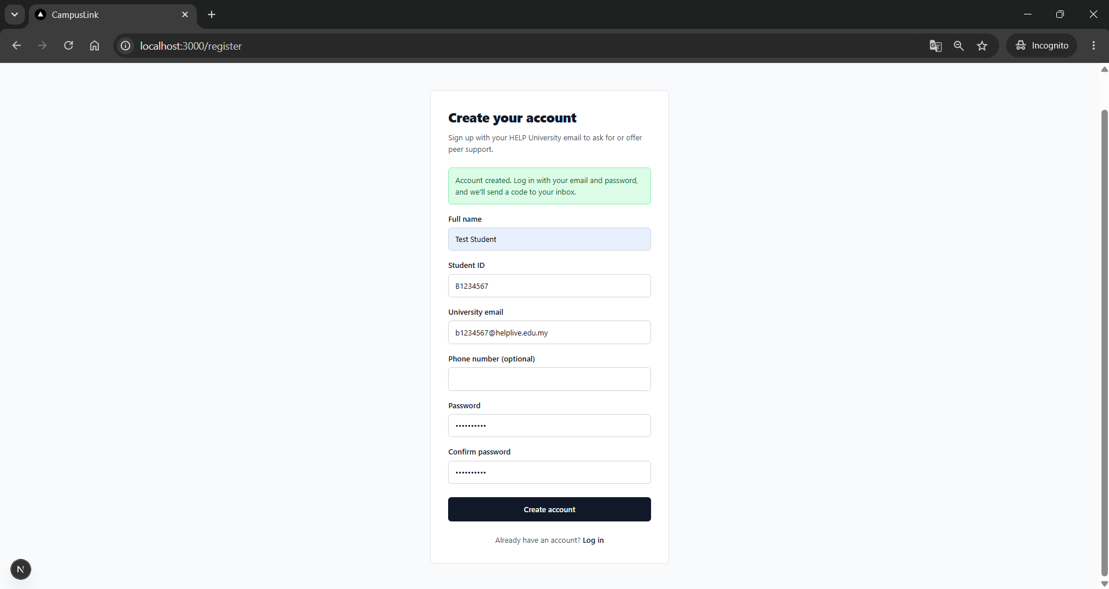 | Pass | Re-test after fix: Pass. Opening /dashboard after sign-up redirects to /login.
Doreen Tang Le Xi (B2400089) | Unit: Reject a non-university email | TCUC1_2 | Student registers with a Gmail address | Email: test@gmail.com | if (!data.email.trim().toLowerCase().endsWith(UNIVERSITY_DOMAIN)) { errors.email = `Use your university email ending in ${UNIVERSITY_DOMAIN}.`; } | Red error 'Use your university email ending in @helplive.edu.my.'; signUp() is not called | 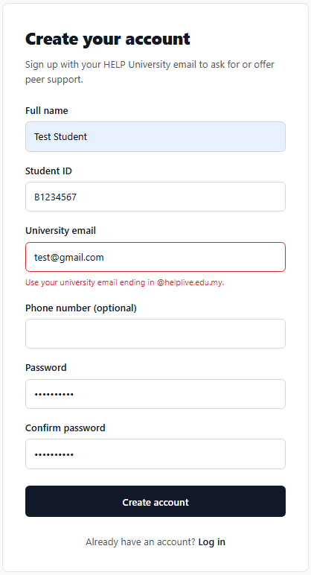 | Pass | Manual test on localhost:3000, 19 Oct 2026.
Doreen Tang Le Xi (B2400089) | Unit: Reject an invalid student ID | TCUC1_3 | Student ID does not match the HELP format | Student ID: 12345 | if (!/^B\d{7}$/i.test(data.studentId.trim())) { errors.studentId = "Student ID should look like BXXXXXXX."; } | Red error 'Student ID should look like BXXXXXXX.' | 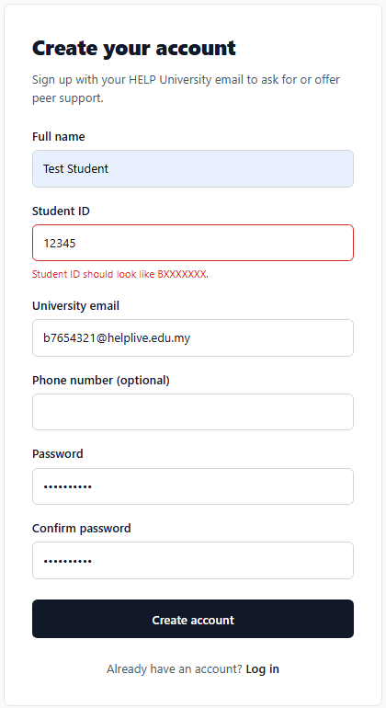 | Pass | Manual test on localhost:3000, 19 Oct 2026.
Doreen Tang Le Xi (B2400089) | Unit: Reject a weak password | TCUC1_4 | Password is too short / has no uppercase letter or number | Password: abc | if (data.password.length < 8 || !/[A-Z]/.test(data.password) || !/\d/.test(data.password)) { errors.password = "Password needs at least 8 characters, 1 uppercase letter and 1 number."; } | Red error 'Password needs at least 8 characters, 1 uppercase letter and 1 number.' | 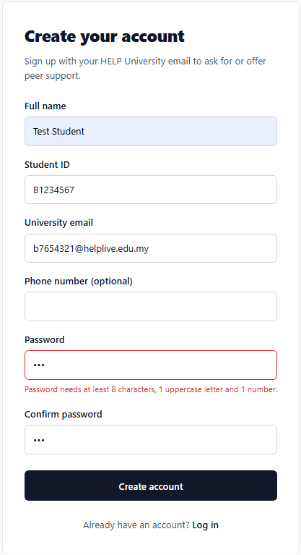 | Pass | Manual test on localhost:3000, 19 Oct 2026.
Doreen Tang Le Xi (B2400089) | Unit: Reject passwords that do not match | TCUC1_5 | Confirm password is different from password | Password: Campus2026 Confirm: Campus2027 | if (data.confirmPassword !== data.password) { errors.confirmPassword = "Passwords do not match."; } | Red error 'Passwords do not match.' | 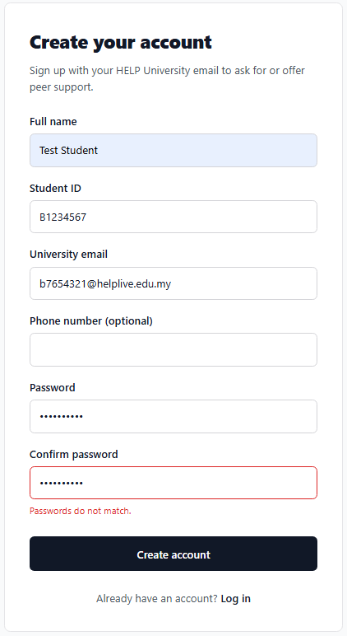 | Pass | Manual test on localhost:3000, 19 Oct 2026.
Doreen Tang Le Xi (B2400089) | Unit: Reject an invalid phone number | TCUC1_6 | Optional phone field contains letters | Phone: abc | if (data.phone.trim() !== "" && !/^\+?[\d\s-]{9,15}$/.test(data.phone.trim())) { errors.phone = "Enter a valid phone number, e.g. 012-345 6789."; } | Red error 'Enter a valid phone number, e.g. 012-345 6789.' | 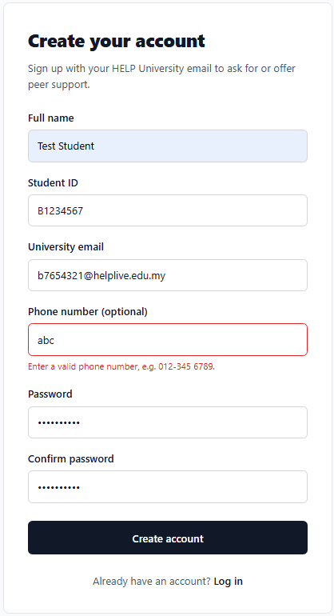 | Pass | Manual test on localhost:3000, 19 Oct 2026.
Doreen Tang Le Xi (B2400089) | Integration: Block a duplicate email | TCUC1_7 | Student registers with an email that already has an account | Email: b2400089@helplive.edu.my (existing) | if (data.user && data.user.identities?.length === 0) { setServerError("An account with this email already exists. Try logging in instead."); } | Red box 'An account with this email already exists. Try logging in instead.' | 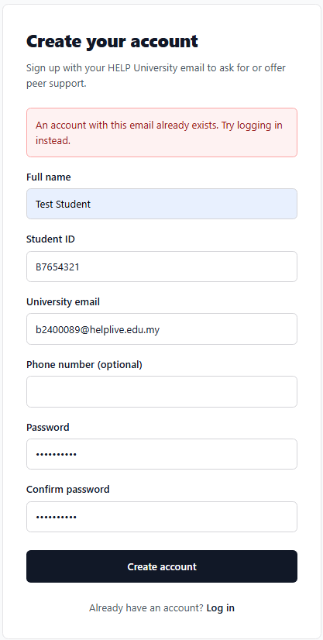 | Pass | Manual test on localhost:3000, 19 Oct 2026.
Doreen Tang Le Xi (B2400089) | Integration: Block a duplicate student ID | TCUC1_8 | New email but a student ID that is already registered | New email + existing student ID | if (text.includes("database error")) { return "We couldn't create your account. This student ID may already be registered."; } | Red box 'We couldn't create your account. This student ID may already be registered.' | 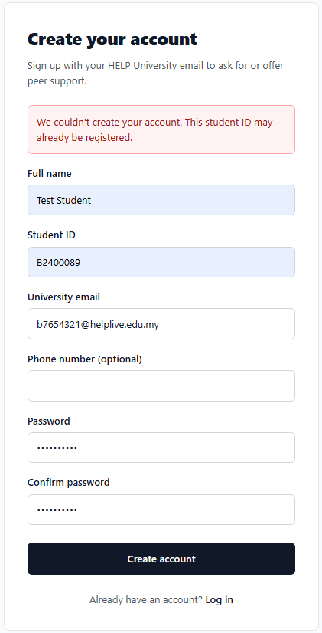 | Pass | Manual test on localhost:3000, 19 Oct 2026.
Doreen Tang Le Xi (B2400089) | Database: Reject non-HELP email even if the form is bypassed | TCUC1_9 | Sign up from the browser console with a Gmail address | supabase.auth.signUp({ email: 'test@gmail.com', password: 'Campus2026' }) | if v_email is null or v_email not like '%@helplive.edu.my' then raise exception 'Only @helplive.edu.my email addresses can register'; end if; | signUp returns an error; no account appears in Authentication > Users |  | Pass | Form bypassed via direct API call; database trigger rejected it (P0001: Only @helplive.edu.my email addresses can register). No user created in Authentication > Users.
Doreen Tang Le Xi (B2400089) | Unit: New account is not logged in until 2FA | TCUC1_10 | After registering, open /dashboard directly | Newly registered account | if (data.session) { await supabase.auth.signOut({ scope: "local" }); } setCheckEmail(true); | Stays on register page; /dashboard redirects to /login (first login must use the email code) | 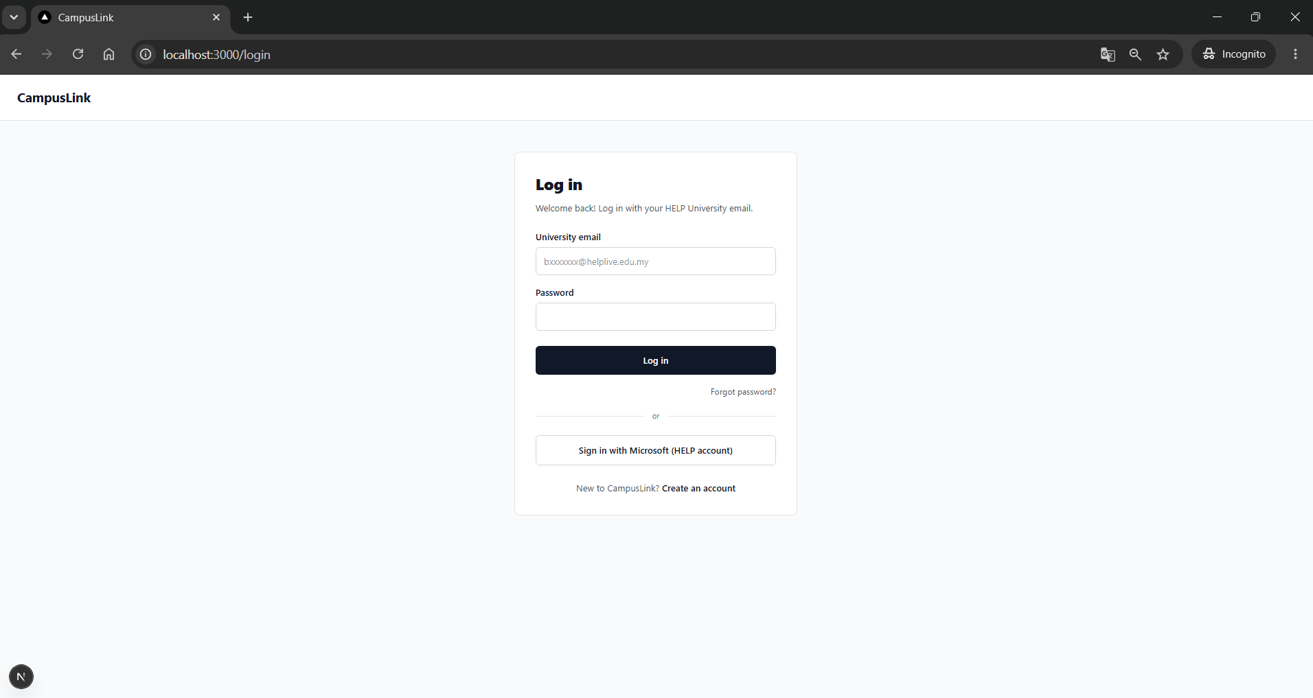 | Pass | After sign-up, opening /dashboard redirects to /login. Student must pass the email code (2FA) on first login.
Use Case 1: FR2: Two-Factor Login and Sign in with Microsoft
Tester Name | Test Description | Test Case ID | Test Scenario | Test Data | Source Code (TypeScript) | Expected Output | Actual Output | Pass/Fail | Remarks
Doreen Tang Le Xi (B2400089) | Unit: Reject a wrong password | TCUC1_11 | Correct email, wrong password | Email: b2400089@helplive.edu.my Password: Wrong1234 | if (loginError) { setError("Incorrect email or password."); return; } | Red box 'Incorrect email or password.'; code step not shown | 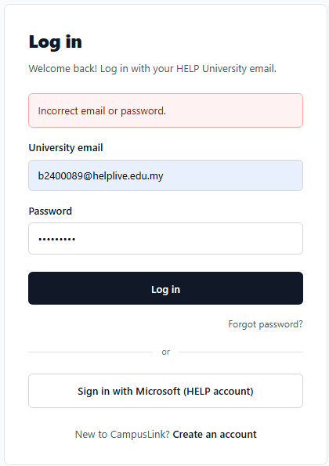 | Pass | Manual test on localhost:3000, 19 Oct 2026.
Doreen Tang Le Xi (B2400089) | Integration: Correct password sends a 6-digit code | TCUC1_12 | Correct email and password | Own account | await supabase.auth.signOut({ scope: "local" }); await supabase.auth.signInWithOtp({ email: cleanEmail, options: { shouldCreateUser: false }, }); | 'Check your email' step with 6 boxes and 'Code expires in 5:00'; code email received | 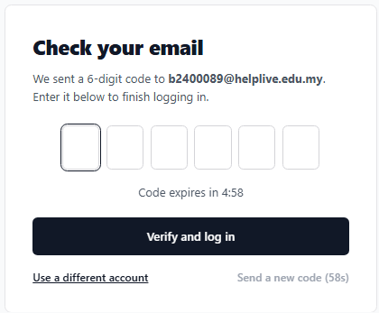 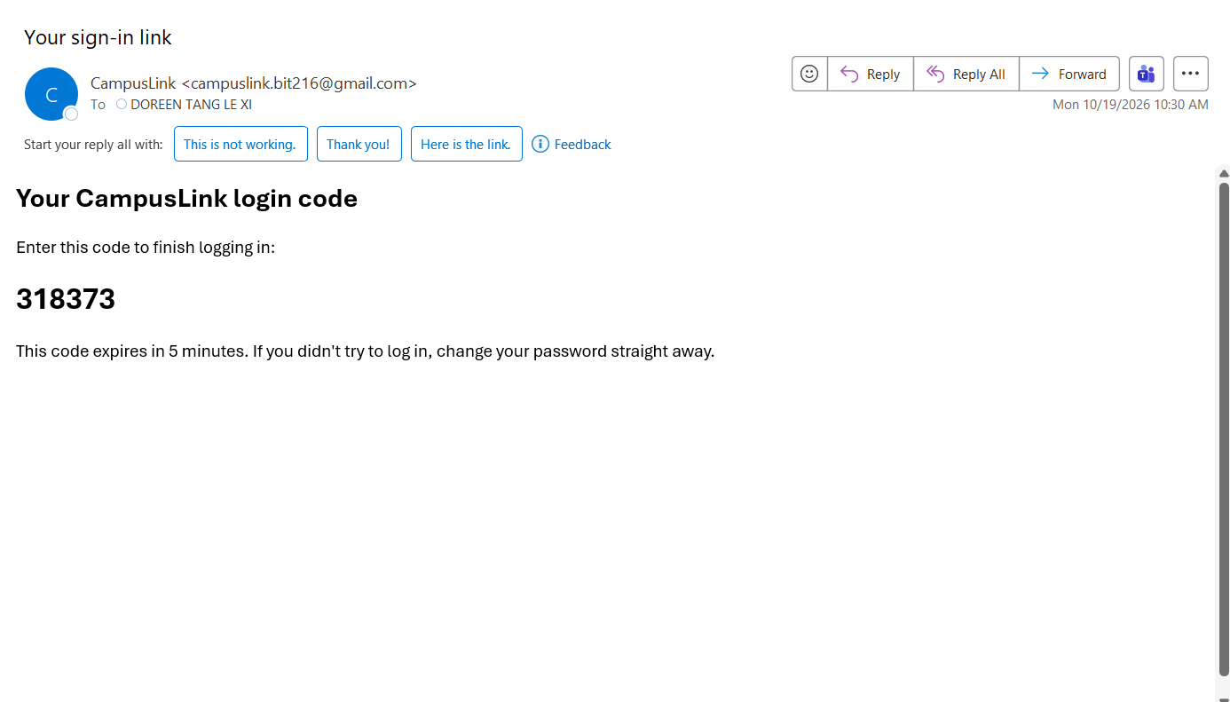 | Pass | Manual test on localhost:3000, 19 Oct 2026.
Doreen Tang Le Xi (B2400089) | Unit: Reject an incomplete code | TCUC1_13 | Student submits fewer than 6 digits | Code: 123 | if (!/^\d{6}$/.test(code)) { return "Enter all 6 digits of the code from your email."; } | Red box 'Enter all 6 digits of the code from your email.'; verifyOtp() not called | 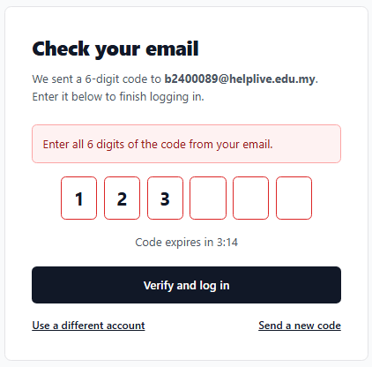 | Pass | Manual test on localhost:3000, 19 Oct 2026.
Doreen Tang Le Xi (B2400089) | Unit: Code boxes accept digits only and support paste | TCUC1_14 | Type letters, then paste a full code | Type: abc Paste: 123456 | const digit = value.replace(/\D/g, "").slice(-1); | Letters are ignored; pasting fills all 6 boxes | 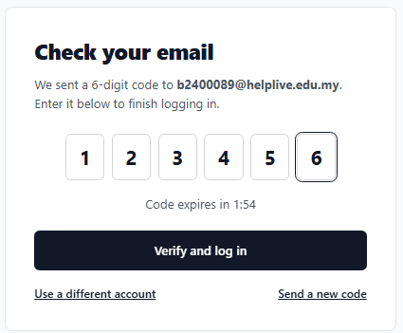 | Pass | Manual test on localhost:3000, 19 Oct 2026.
Doreen Tang Le Xi (B2400089) | Integration: Correct code logs the student in | TCUC1_15 | Enter the code from the email | Code from email | const { error } = await supabase.auth.verifyOtp({ email: cleanEmail, token: code, type: "email" }); if (!error) router.push("/dashboard"); | Redirected to /dashboard; header shows the student's name | 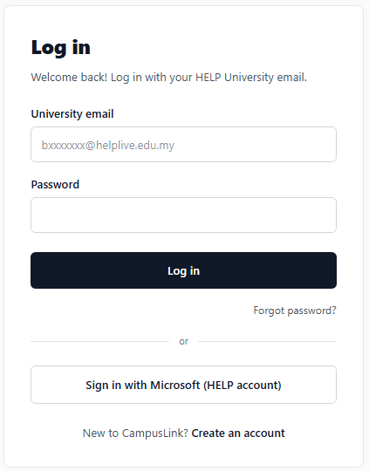 | Fail | Bug: after a correct code, client-side navigation reached /dashboard before the new session was ready, so AuthGuard redirected to /login. Fixed by using a full page load. See re-test below.
Doreen Tang Le Xi (B2400089) | Integration: Correct code logs the student in | TCUC1_15 (re-test) | Enter the code from the email | Code from email | const { error } = await supabase.auth.verifyOtp({ email: cleanEmail, token: code, type: "email" }); if (!error) router.push("/dashboard"); | 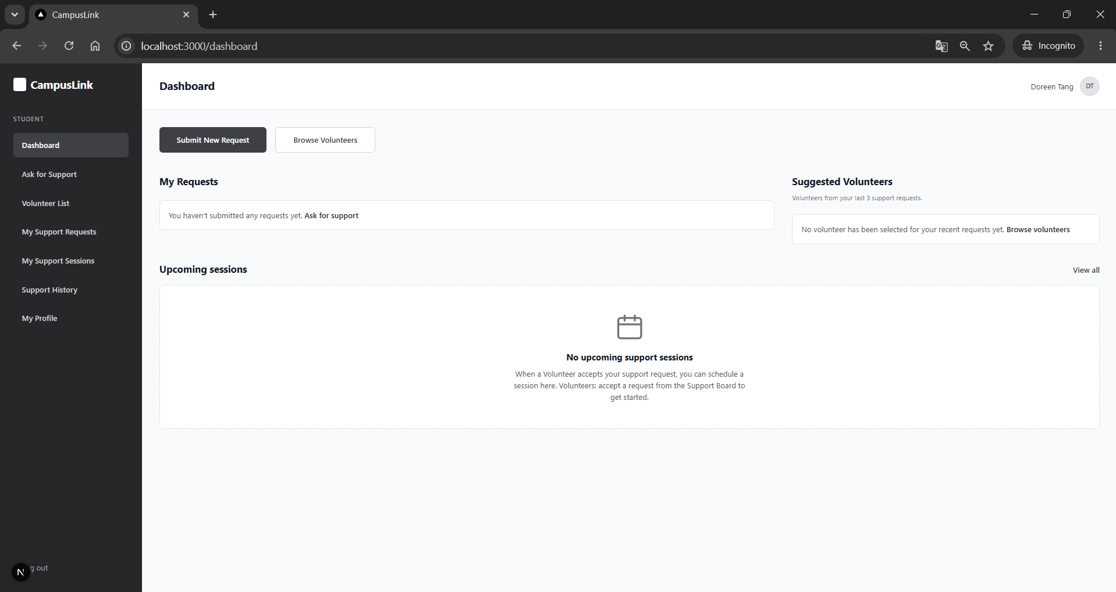 Redirected to /dashboard; header shows the student's name |  | Pass | Manual test on localhost:3000, 19 Oct 2026.
Doreen Tang Le Xi (B2400089) | Unit: Lock after 5 wrong codes | TCUC1_16 | Enter a wrong code 5 times | Code: 000000 (x5) | if (used >= MAX_ATTEMPTS) { setLockedUntil(Date.now() + LOCK_SECONDS * 1000); } | Attempts left counts down; after the 5th: 'Too many incorrect codes. Try again in 60 seconds.' and boxes disabled | 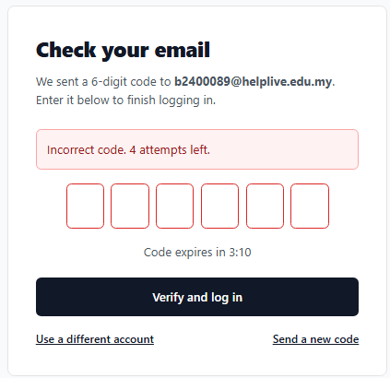 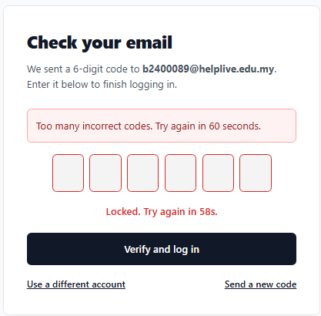 | Pass | Manual test on localhost:3000, 19 Oct 2026.
Doreen Tang Le Xi (B2400089) | Unit: Code expires after 5 minutes | TCUC1_17 | Wait more than 5 minutes before verifying | - | const isExpired = expiresAt !== null && codeSecondsLeft === 0; | 'Code expired. Send a new code.'; Verify button disabled | 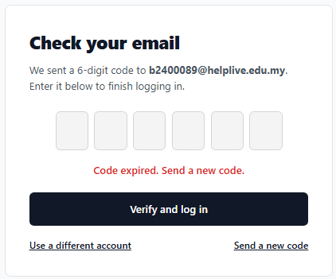 | Pass | Manual test on localhost:3000, 19 Oct 2026.
Doreen Tang Le Xi (B2400089) | Unit: Resend only after 60 seconds | TCUC1_18 | Try to resend immediately, then after 60 s | - | disabled={loading || resendSecondsLeft > 0} | Resend link disabled with countdown; after 60 s a new code is sent and the 5:00 timer restarts | 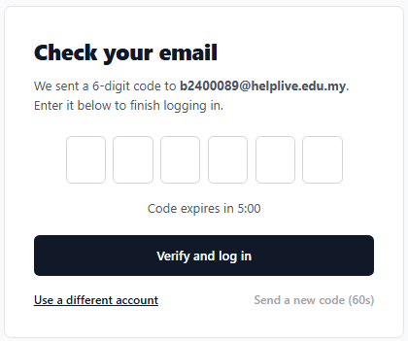 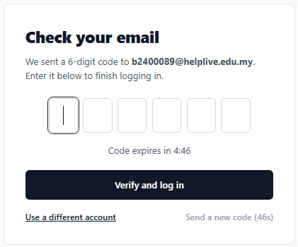 | Pass | Manual test on localhost:3000, 19 Oct 2026.
Doreen Tang Le Xi (B2400089) | Integration: Sign in with Microsoft (HELP account) | TCUC1_19 | Student signs in with their HELP Microsoft account | HELP Microsoft account | await supabase.auth.signInWithOAuth({ provider: "azure", options: { scopes: "email", redirectTo: `${window.location.origin}/dashboard` }, }); | Microsoft sign-in -> /dashboard with own name; existing account linked (Providers: Email, Azure) |  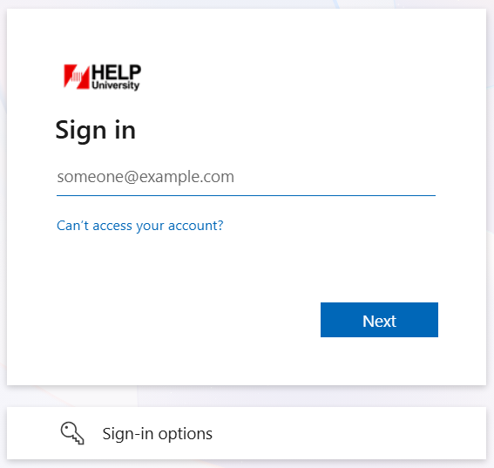 | Pass | Manual test on localhost:3000, 19 Oct 2026.
Use Case 1: Access Control (Protected Pages and Log Out)
Tester Name | Test Description | Test Case ID | Test Scenario | Test Data | Source Code (TypeScript) | Expected Output | Actual Output | Pass/Fail | Remarks
Doreen Tang Le Xi (B2400089) | Unit: Logged-out visitor cannot open private pages | TCUC1_20 | Open /dashboard while logged out | Incognito window, not logged in | if (!loading && !profile) { router.replace("/login"); } | 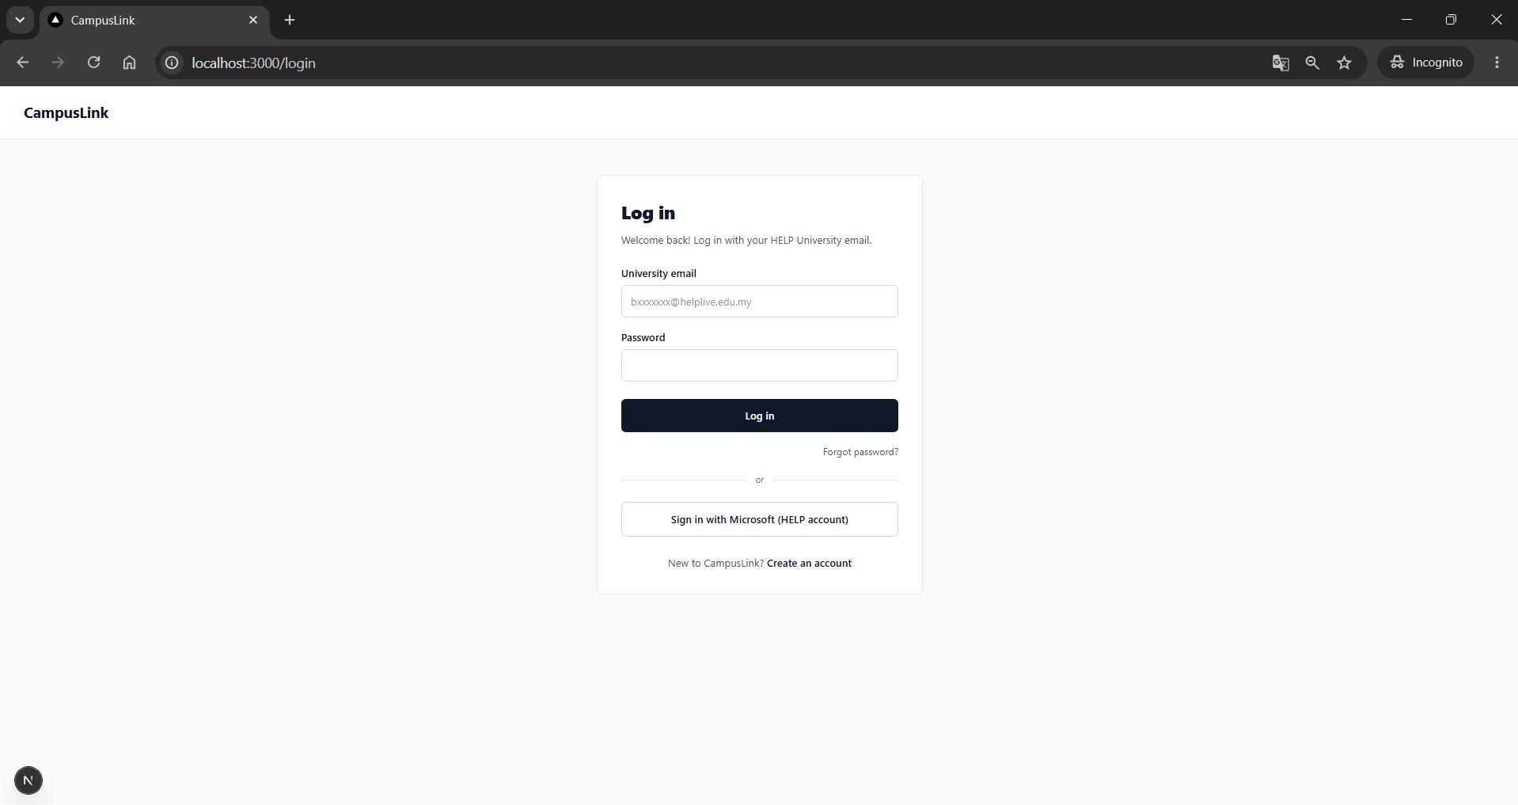 'Loading...' briefly, then redirected to /login |  | Pass | Manual test on localhost:3000, 19 Oct 2026.
Doreen Tang Le Xi (B2400089) | Unit: Log out ends the session | TCUC1_21 | Click Log out, then press Back | Logged-in account | await supabase.auth.signOut(); router.replace("/login"); | Redirected to /login; Back does not show the dashboard |  | Pass | Manual test on localhost:3000, 19 Oct 2026.
Use Case 1: FR3: View and Edit Profile
Tester Name | Test Description | Test Case ID | Test Scenario | Test Data | Source Code (TypeScript) | Expected Output | Actual Output | Pass/Fail | Remarks
Doreen Tang Le Xi (B2400089) | Unit: Reject a bio over 300 characters | TCUC1_22 | Save a 301-character bio | Bio: 301 characters | if (form.bio.length > BIO_MAX) { errors.bio = `Bio must be ${BIO_MAX} characters or less.`; } | 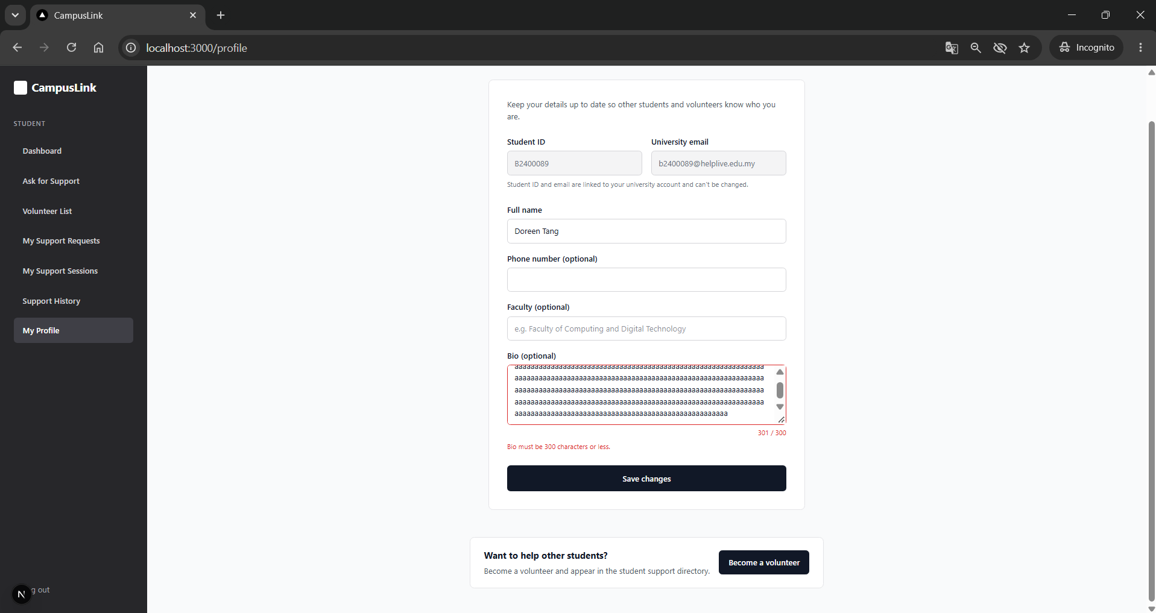 Counter turns red; 'Bio must be 300 characters or less.'; nothing saved |  | Pass | Manual test on localhost:3000, 19 Oct 2026.
Doreen Tang Le Xi (B2400089) | Unit: Reject a name that is too short | TCUC1_23 | Save a 1-letter name | Name: A | if (form.name.trim().length < 2 || form.name.trim().length > 100) { errors.name = "Name must be between 2 and 100 characters."; } | Red error 'Name must be between 2 and 100 characters.' | 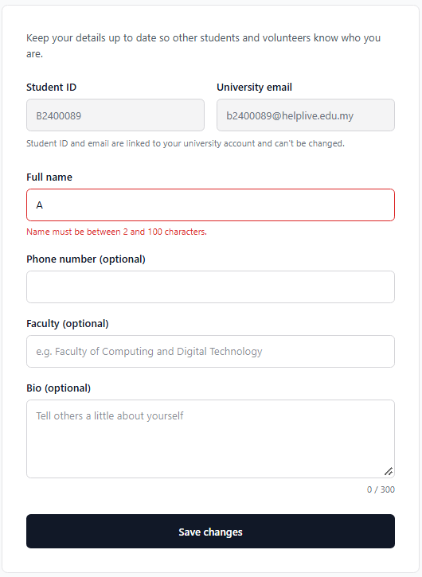 | Pass | Manual test on localhost:3000, 19 Oct 2026.
Doreen Tang Le Xi (B2400089) | Integration: Save valid profile changes | TCUC1_24 | Edit phone, faculty and bio, then save | Phone: 012-345 6789 Faculty: Faculty of Computing Bio: short text | await supabase.from("users") .update({ name, contact_no, faculty, bio }) .eq("user_id", profile.user_id); | 'Profile updated successfully.'; values kept after refresh and in public.users | 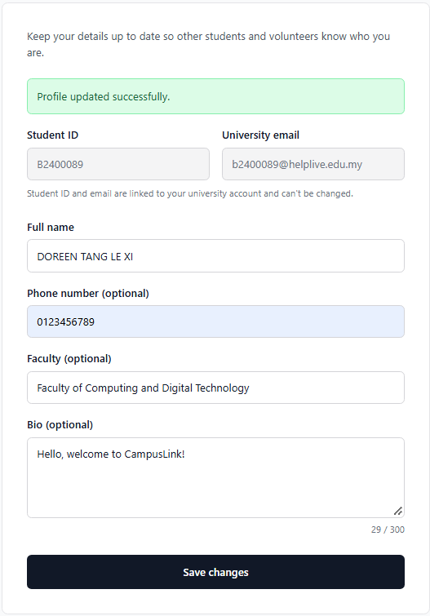 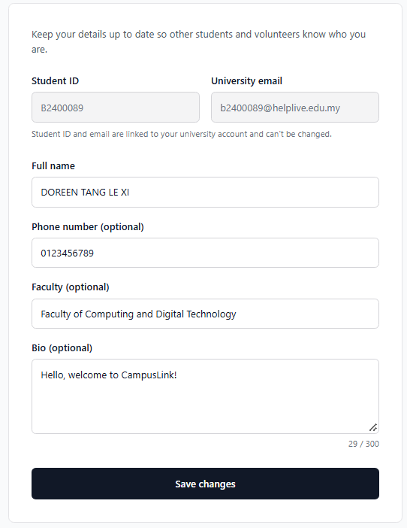 | Pass | Manual test on localhost:3000, 19 Oct 2026.
Doreen Tang Le Xi (B2400089) | Unit: Student ID and email cannot be edited | TCUC1_25 | Try to type in the Student ID and Email fields | - | <input value={profile.student_id} disabled /> <input value={profile.email} disabled /> | Both fields greyed out and not editable | 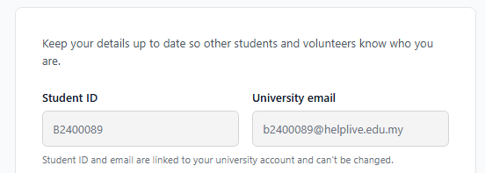 | Pass | Manual test on localhost:3000, 19 Oct 2026.
Doreen Tang Le Xi (B2400089) | Database (RLS): Student cannot change their own role | TCUC1_26 | Update role to admin from the browser console | supabase.from('users').update({ role: 'admin' }).eq('user_id', '<own id>') | revoke update on public.users from authenticated; grant update (name, contact_no, photo_url, faculty, bio) on public.users to authenticated; | Permission denied error; role stays 'student' | 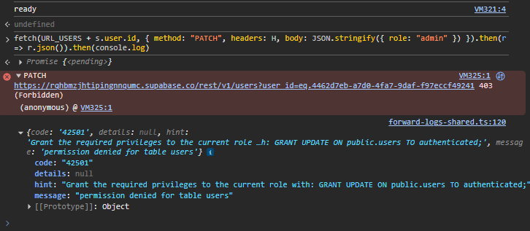 | Pass | PATCH role=admin as a logged-in student returned 403 / 42501 permission denied. Role column is not in the column-level UPDATE grant; role stays 'student'.
Doreen Tang Le Xi (B2400089) | Database (RLS): Student cannot edit another student's profile | TCUC1_27 | Update another user's bio from the console | supabase.from('users').update({ bio: 'hacked' }).eq('user_id', '<other id>').select() | create policy "Users can update their own profile" on public.users for update using ((select auth.uid()) = user_id); | No error but 0 rows returned; the other student's bio is unchanged |  | Pass | PATCH bio='hacked' on another user's row returned [] (0 rows updated). RLS policy only allows updating your own row; the other user's bio is unchanged.
Use Case 1: FR4-FR6: Become a Volunteer, Skills and Availability
Tester Name | Test Description | Test Case ID | Test Scenario | Test Data | Source Code (TypeScript) | Expected Output | Actual Output | Pass/Fail | Remarks
Doreen Tang Le Xi (B2400089) | Unit: Must agree to the volunteer guidelines | TCUC1_28 | Press Confirm without ticking the agreement | - | if (!agreed) { setError("Tick the box to confirm you agree to the volunteer guidelines."); return; } | Red error shown; no volunteer_profile row created | 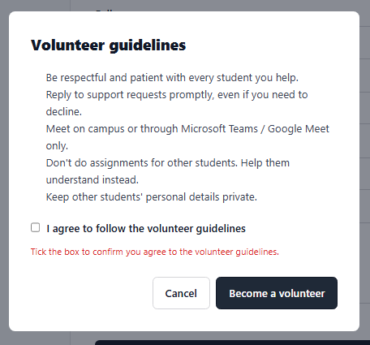 | Pass | Manual test on localhost:3000, 19 Oct 2026.
Doreen Tang Le Xi (B2400089) | Integration: Become a volunteer | TCUC1_29 | Tick the agreement and confirm | Non-volunteer account | await supabase.from("volunteer_profile") .upsert({ user_id: userId, is_volunteer: true }); router.push("/volunteer/setup"); | 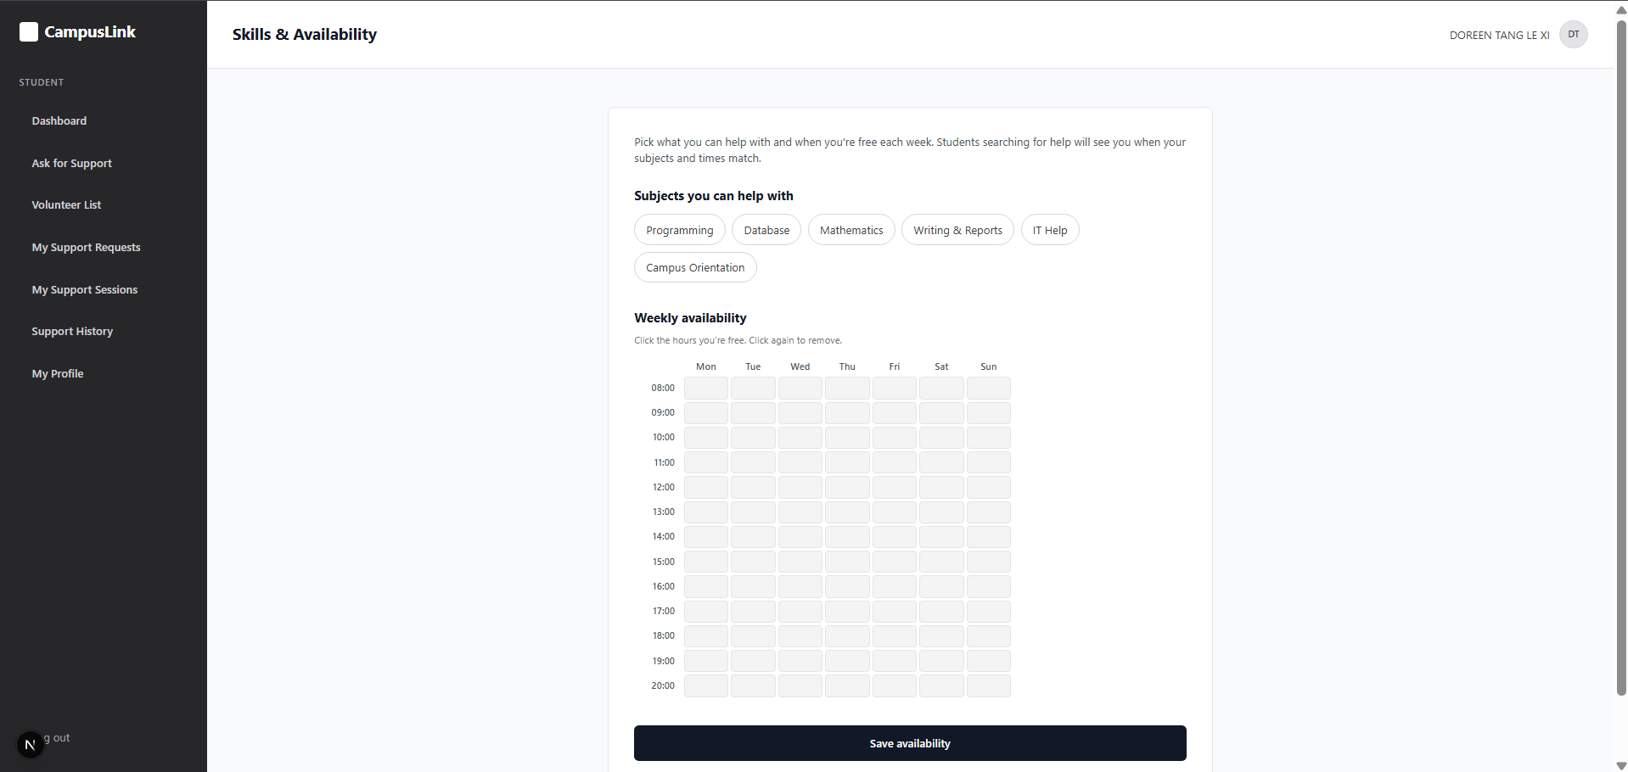 Skills & availability page opens; volunteer_profile.is_volunteer = true |  | Pass | Manual test on localhost:3000, 19 Oct 2026.
Doreen Tang Le Xi (B2400089) | Unit: Require at least one subject and one time slot | TCUC1_30 | Save with nothing selected | - | if (skills.length === 0) errors.skills = "Choose at least one subject tag."; if (cells.size === 0) errors.slots = "Choose at least one time slot."; | 'Choose at least one subject tag.' and 'Choose at least one time slot.' | 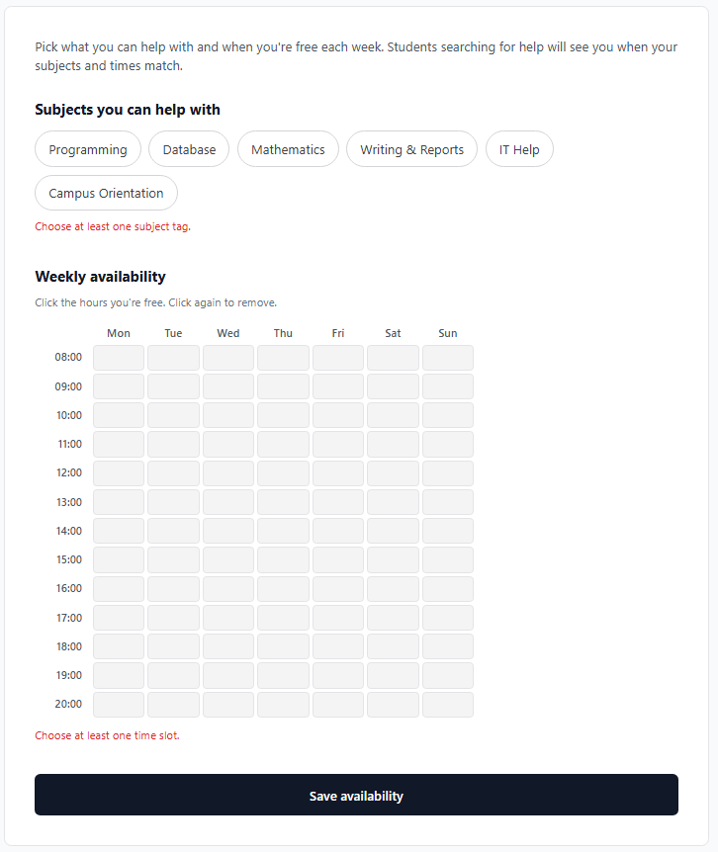 | Pass | Manual test on localhost:3000, 19 Oct 2026.
Doreen Tang Le Xi (B2400089) | Unit: Merge back-to-back hours into one slot | TCUC1_31 | Select consecutive hours on the same day | Mon 10:00, Mon 11:00, Wed 14:00 | while (i + 1 < hours.length && hours[i + 1] === hours[i] + 1) i++; | availability rows: Mon 10:00-12:00 and Wed 14:00-15:00 | 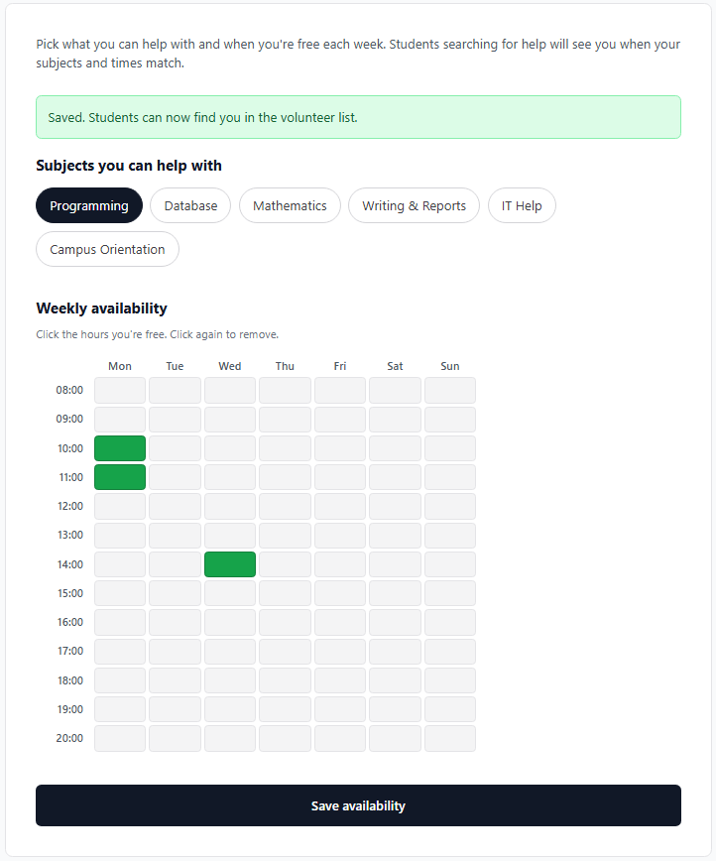 | Pass | Manual test on localhost:3000, 19 Oct 2026.
Doreen Tang Le Xi (B2400089) | Database: Save function rejects empty subjects | TCUC1_32 | Call the save function from the console with no subjects | supabase.rpc('save_volunteer_setup', { p_skills: [], p_slots: [] }) | if coalesce(array_length(p_skills, 1), 0) = 0 then raise exception 'Choose at least one subject tag'; end if; | Error 'Choose at least one subject tag'; nothing saved |  | Pass | Direct RPC call with no subjects returned 400 / P0001 'Choose at least one subject tag'; the saved availability rows were unchanged.
Doreen Tang Le Xi (B2400089) | Unit: Non-volunteer cannot open the setup page | TCUC1_33 | Open /volunteer/setup before becoming a volunteer | Non-volunteer account | if (!isVolunteer) { return <p>You need to become a volunteer before setting your skills.</p>; } | 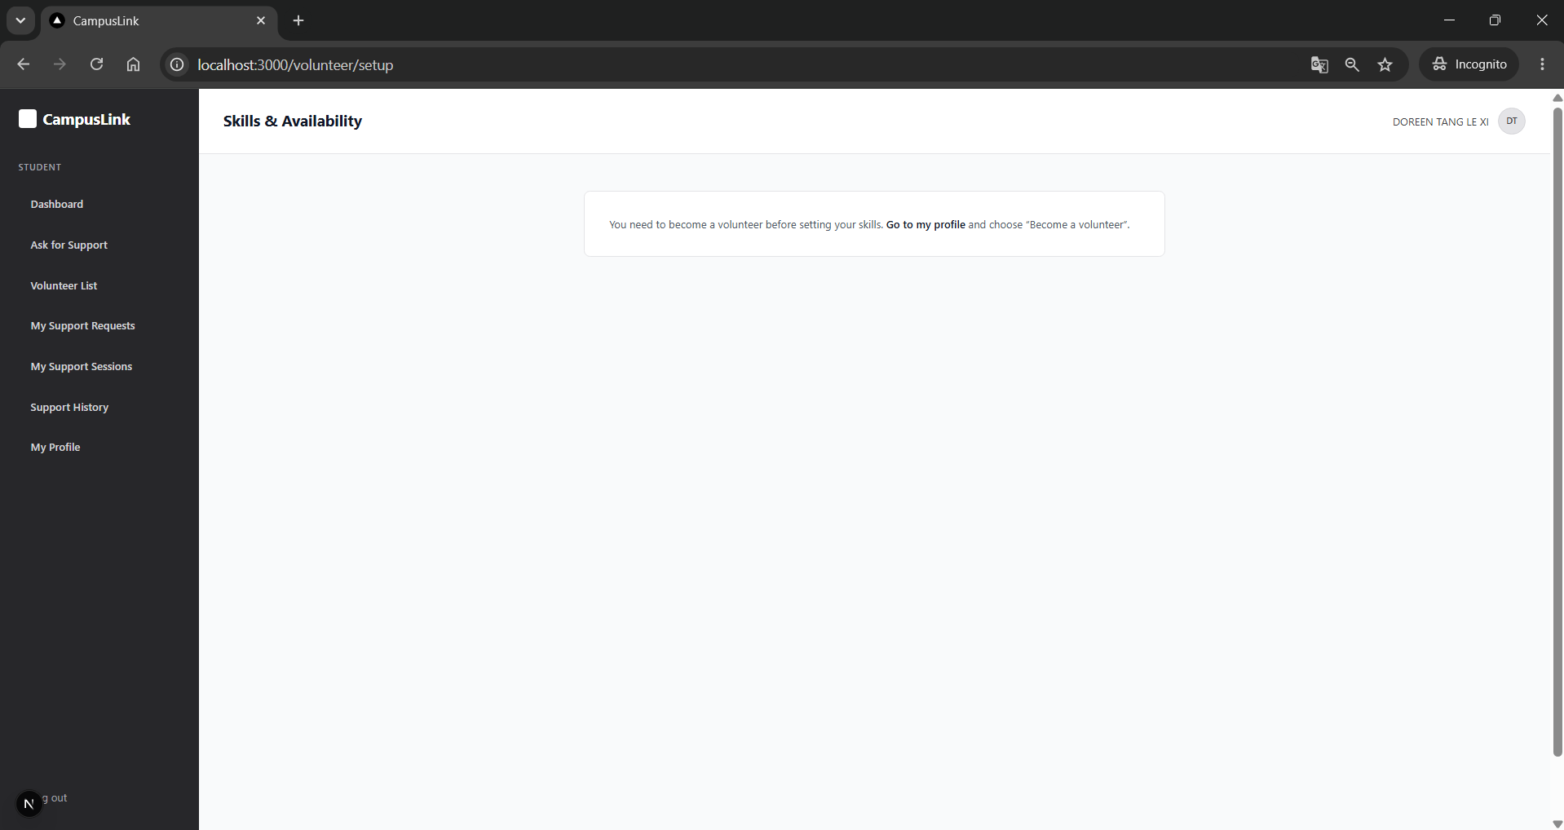 'You need to become a volunteer before setting your skills.' with link to profile |  | Pass | Manual test on localhost:3000, 19 Oct 2026.
Use Case 1: US8: Forgot and Reset Password
Tester Name | Test Description | Test Case ID | Test Scenario | Test Data | Source Code (TypeScript) | Expected Output | Actual Output | Pass/Fail | Remarks
Doreen Tang Le Xi (B2400089) | Unit: Same message whether or not the account exists | TCUC1_34 | Request a reset for an email with no account | b0000000@helplive.edu.my | await supabase.auth.resetPasswordForEmail(cleanEmail, { redirectTo }); setSent(true); // same message for every valid university email | 'If an account exists for ..., we've sent a password reset link to it.' | 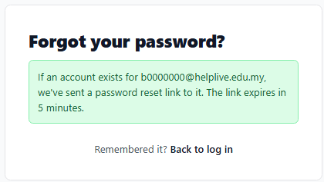 | Pass | Manual test on localhost:3000, 19 Oct 2026.
Doreen Tang Le Xi (B2400089) | Unit: Reject a non-university email | TCUC1_35 | Request a reset with a Gmail address | test@gmail.com | if (!cleanEmail.endsWith(UNIVERSITY_DOMAIN)) { setError(`Use your university email ending in ${UNIVERSITY_DOMAIN}.`); } | Red box 'Use your university email ending in @helplive.edu.my.' | 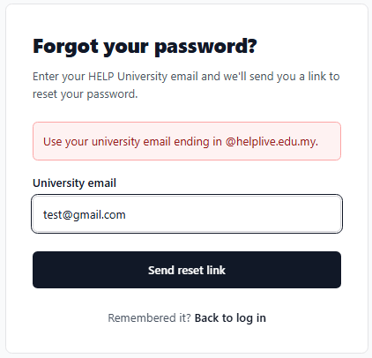 | Pass | Manual test on localhost:3000, 19 Oct 2026.
Doreen Tang Le Xi (B2400089) | Unit: Reject a weak new password | TCUC1_36 | Set a weak new password | abc | if (password.length < 8 || !/[A-Z]/.test(password) || !/\d/.test(password)) { errors.password = "Password needs at least 8 characters, 1 uppercase letter and 1 number."; } | Password rule error shown | 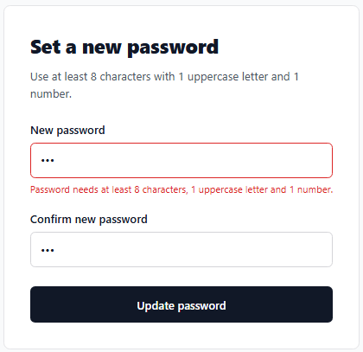 | Pass | Manual test on localhost:3000, 19 Oct 2026.
Doreen Tang Le Xi (B2400089) | Integration: Reset link is only used after Continue | TCUC1_37 | Open the reset email link | Reset email in Outlook | const { error } = await supabase.auth.verifyOtp({ token_hash: tokenHash, type: "recovery" }); | Continue button shown first; password form appears only after clicking it | 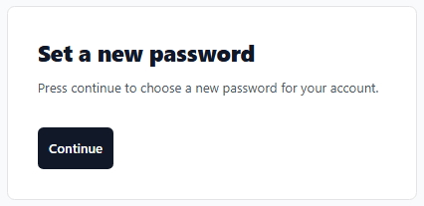 | Pass | Opening the link shows a Continue button first; the token is only verified after clicking it, so Outlook's link scanning cannot use up the link.
Doreen Tang Le Xi (B2400089) | Integration: Valid new password signs out all devices | TCUC1_38 | Set a valid new password | Qwe123321 | await supabase.auth.updateUser({ password }); await supabase.auth.signOut({ scope: "global" }); | Success message, redirected to /login after 3 s; new password works, old one rejected |  | Pass | Manual test on localhost:3000, 19 Oct 2026.
Doreen Tang Le Xi (B2400089) | Integration: Used link cannot be reused | TCUC1_39 | Open a reset link that was already used | Same link again | if (error) setStatus("invalid"); | 'This reset link is invalid or has expired.' | 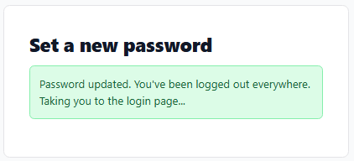 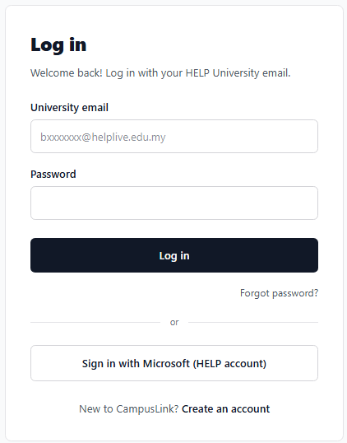 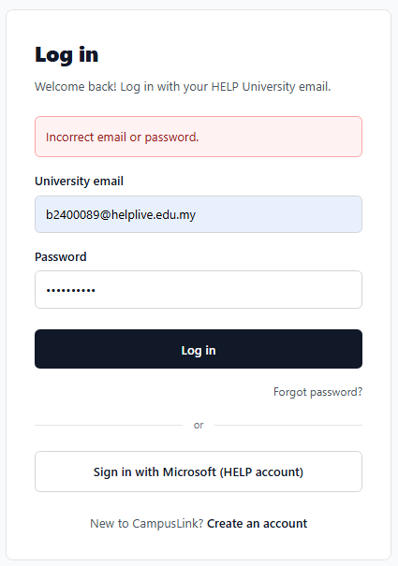  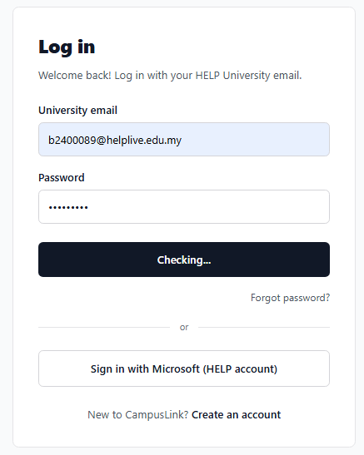 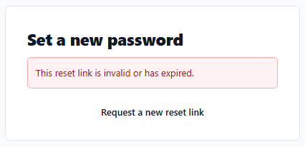 | Pass | Reused the same reset link after the password was changed; it was rejected as invalid, so each link works only once.

Unit Testing (Darryl)
Use Case 2: FR7: Submit Support Request
Tester Name | Test Description | Test Case ID | Test Scenario | Test Data | Source Code (TypeScript) | Expected Output | Actual Output | Pass/Fail | Remarks
Darryl Gan Jie Hang (B2400857) | Unit: Accept valid support request details | TCUC2_1 | A student provides all required fields and selects a volunteer | Valid title, description, category, date, time, support mode, volunteer UUID and preferred time | supportRequestCreateSchema.safeParse(input) | Validation succeeds and returns the parsed request data | 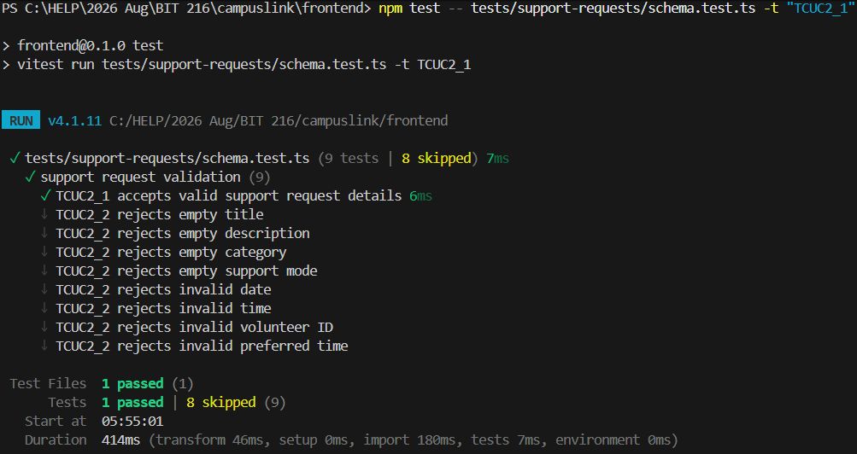 | Pass | Vitest unit test; tests/support-requests/schema.test.ts; valid request input accepted.
Darryl Gan Jie Hang (B2400857) | Unit: Reject invalid or missing support request fields | TCUC2_2 | A student submits incomplete or malformed request details | Empty title/description/category/mode; invalid date, time, volunteer ID or preferred time | supportRequestCreateSchema.safeParse(input) | Validation fails and reports errors for the invalid fields | 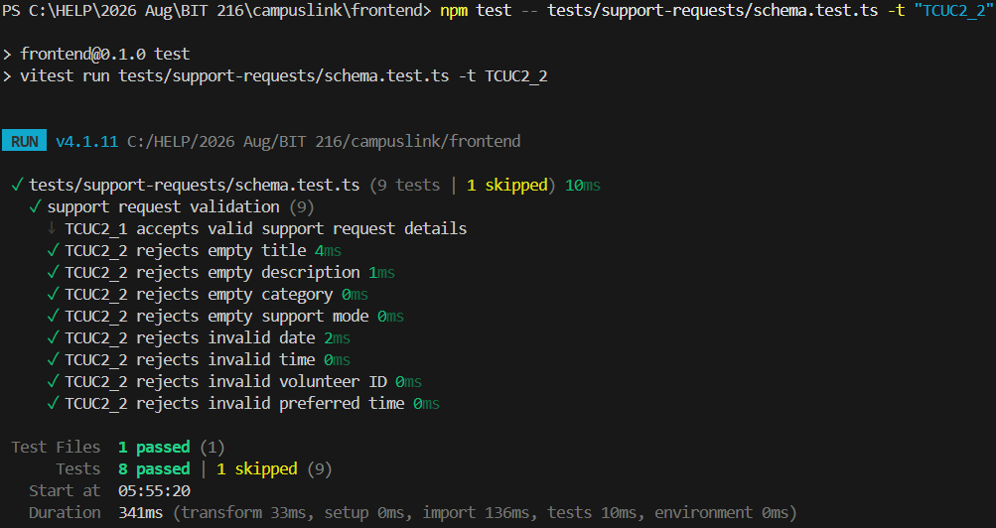 | Pass | Vitest unit test; tests/support-requests/schema.test.ts; 8 invalid input cases rejected.
Darryl Gan Jie Hang (B2400857) | Integration: Submit a valid support request as an authenticated student | TCUC2_3 | A signed-in student submits a valid request for another volunteer | Valid request body; authenticated student ID differs from volunteer ID | POST /api/support-requests | HTTP 201; inserts into support_request with authenticated user as requester_id and status Pending |  | Pass | Vitest: 1 passed, 2 skipped; tests/support-requests/api.test.ts; database mocked.
Darryl Gan Jie Hang (B2400857) | Integration: Reject support request submission when the student is not signed in | TCUC2_4 | A user submits a valid request without an authenticated session | Valid request body; authenticate returns no user | POST /api/support-requests | HTTP 401; no database insert occurs | 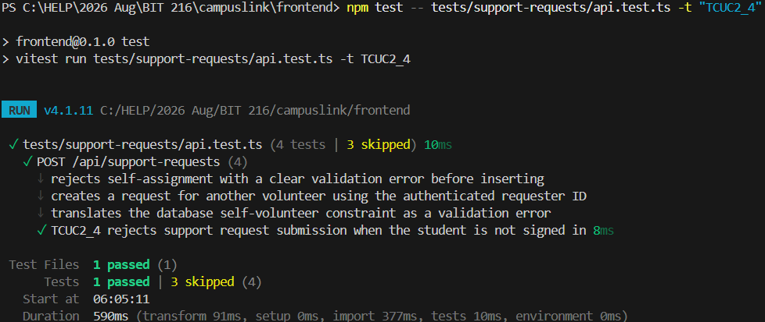 | Pass | Vitest integration test: 1 passed, 3 skipped; database mocked; tests/support-requests/api.test.ts.
Darryl Gan Jie Hang (B2400857) | Integration: Prevent a student from submitting a request to themselves | TCUC2_5 | A signed-in student selects their own account as the volunteer | volunteer_id equals authenticated user ID | input.data.volunteer_id === auth.me.id | HTTP 400 with a clear self-selection message; no insert occurs |  | Pass | Vitest integration test: 1 passed, 3 skipped; database mocked; tests/support-requests/api.test.ts.
Darryl Gan Jie Hang (B2400857) | Integration: Prevent the client from choosing the requester or initial request status | TCUC2_6 | A student submits extra fields attempting to set another requester or a non-Pending status | Valid request plus forged requester_id and status fields | insert({ requester_id: auth.me.id, ...input.data, status: "Pending" }) | Stored values come from the authenticated user and server-controlled Pending status | 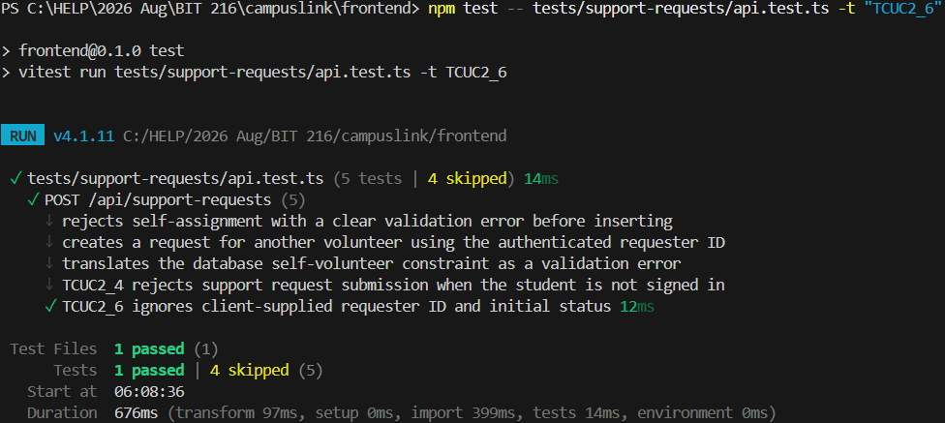 | Pass | Vitest integration test: 1 passed, 4 skipped; database mocked; tests/support-requests/api.test.ts.
Darryl Gan Jie Hang (B2400857) | Integration: Handle a database failure while submitting a support request | TCUC2_7 | A valid request reaches the database but the insert fails | Valid request; mocked insert returns a database error | POST /api/support-requests | Submission does not return success; response does not expose internal database details | 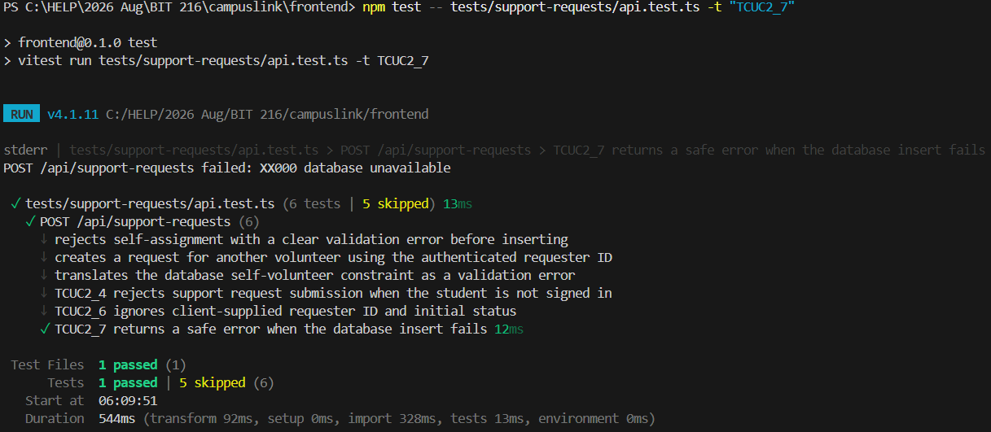 | Pass | Vitest integration test: 1 passed, 5 skipped; database mocked; tests/support-requests/api.test.ts. Internal error was logged to stderr.
Darryl Gan Jie Hang (B2400857) | E2E: Submit a support request through the student form | TCUC2_8 | A signed-in student completes the request form, selects a volunteer, and submits it | Test student account; eligible volunteer; valid request details | await page.getByRole("button", { name: "Submit request" }).click(); | Student reaches My Support Requests and the new request appears with status Pending |  | Pass | Playwright E2E test: 1 passed. The test used an authenticated account and created a request in the database. A screenshot is saved only if the test includes the evidence(...) call.
Darryl Gan Jie Hang (B2400857) | E2E: Show validation feedback when required request details are missing | TCUC2_9 | A student attempts to submit without completing required request fields | One or more required fields omitted | await page.getByRole("button", { name: "Submit request" }).click(); await expect(page.getByText("Choose a category for your request.")).toBeVisible(); | The form prevents invalid submission and displays validation feedback; no request is created |  | Pass | Playwright E2E test: 1 passed; tests/e2e/uc2-submit-request.spec.ts; screenshot saved as TCUC2_9.png.
Use Case 2: FR8: Browse and Filter Volunteers
Tester Name | Test Description | Test Case ID | Test Scenario | Test Data | Source Code (TypeScript) | Expected Output | Actual Output | Pass/Fail | Remarks
Darryl Gan Jie Hang (B2400857) | Search volunteers by name | TCUC2_10 | Student enters a volunteer’s name in the directory search field | A name belonging to a volunteer listed in the directory | volunteer.name.toLowerCase().includes(query) | Matching volunteer is displayed in the results |  | Pass | Playwright E2E test: 1 passed; tests/e2e/uc2-volunteer-directory.spec.ts; screenshot saved as TCUC2_10.png.
Darryl Gan Jie Hang (B2400857) | Unit: Search volunteers by name, faculty, or skill | TCUC2_11 | Search text matches a volunteer’s name, faculty, or one of their skills, regardless of letter case | Table-driven examples: matching name, faculty, skill, and a non-matching term | name.toLowerCase().includes(query) | Search returns volunteers whose name, faculty, or skills contain the query, regardless of letter case. Volunteers with no matching field are excluded; a query with no matches returns an empty result. |  | Pass | Vitest unit test; 1 test file, 5 tests passed; tests/support-requests/volunteer-search.test.ts.
Darryl Gan Jie Hang (B2400857) | Unit: Apply skill and faculty filters together | TCUC2_12 | Student selects a skill and faculty; only volunteers matching both remain | Volunteers: matching both, skill only, faculty only | matchesVolunteerSkillAndFaculty(volunteer, skill, faculty) | Only the volunteer matching both selected filters is returned. When both filters are cleared, all volunteers are returned. |  | Pass | Vitest unit test; 1 test file, 2 tests passed; tests/support-requests/volunteer-filters.test.ts.
Darryl Gan Jie Hang (B2400857) | Unit: Match volunteers by weekly availability | TCUC2_13 | Requested weekday and time are checked against each volunteer’s availability slot | Slot Monday 10:00–12:00; query Monday 10:00, 11:59, and 12:00 | matchesWeeklyAvailability(availability, day, time) | 10:00 and 11:59 match; 12:00 does not |  | Pass | Vitest unit test; 1 test file, 6 tests passed; tests/support-requests/volunteer-availability.test.ts.
Darryl Gan Jie Hang (B2400857) | Integration: Load active volunteers with profile and availability data | TCUC2_14 | Directory loads active volunteer rows, then joins user profiles and availability | Mock active and inactive volunteer rows; profiles; multiple availability slots | const result = await loadVolunteerDirectory(mockSupabase); expect(result.error).toBeNull(); expect(result.volunteers).toHaveLength(1); | The function returns active volunteers with their matching profile and all availability slots. The result has no error, and inactive volunteers or volunteers without a matching profile are not included. |  | Pass | Vitest integration test; 3 tests passed; mocked Supabase queries.
Darryl Gan Jie Hang (B2400857) | E2E: Filter volunteers by skill | TCUC2_15 | Student selects a skill from the Skills filter | A skill displayed in the directory filter | await page.locator("label").filter({ hasText: "All skills" }).locator("select").selectOption({ label: skill }); | Every visible volunteer has the selected skill |  | Pass | Playwright E2E test: 1 passed. The test used an authenticated account and filtered volunteers by skill. A screenshot is saved only if the test includes the evidence(...) call.
Darryl Gan Jie Hang (B2400857) | E2E: Filter volunteers by faculty | TCUC2_16 | Student selects a faculty from the Faculty filter | A faculty displayed in the directory filter | await page.locator("label").filter({ hasText: "All faculties" }).locator("select").selectOption({ label: faculty }); | Only volunteers from the selected faculty are displayed. |  | Pass | Playwright E2E test passed (1 passed). It used an authenticated account and saved a screenshot through evidence(...)
Darryl Gan Jie Hang (B2400857) | E2E: Filter volunteers by requested weekday and time | TCUC2_17 | Student opens the directory with a requested weekday and time; matching volunteers remain | URL query with day=Mon&time=10:00; availability records | await page.goto(filteredDirectoryUrl); await expect(volunteerCard).toBeVisible(); | The volunteer is displayed when filtering by a weekday and time within their availability. |  | Pass | Playwright E2E test passed (1 passed). It used an authenticated account and saved a screenshot with evidence(...)
Darryl Gan Jie Hang (B2400857) | E2E: Combine directory filters | TCUC2_18 | Student combines search, skill and faculty | Filter values that match at least one known volunteer | await page.getByPlaceholder("Search volunteers").fill(name); await page.locator("label").filter({ hasText: "All skills" }).locator("select").selectOption({ label: skill }); await page.locator("label").filter({ hasText: "All faculties" }).locator("select").selectOption({ label: faculty }); | The volunteer matching the selected name, skill, and faculty remains visible. |  | Pass | Playwright E2E test passed (1 passed). It used an authenticated account and saved a screenshot with evidence(...).
Darryl Gan Jie Hang (B2400857) | E2E: Show no matching volunteers | TCUC2_19 | Student applies a search or filter combination that matches no volunteer | A unique search term or unmatched filter combination | await page.getByPlaceholder("Search volunteers").fill("no-volunteer-match-xyz"); await expect(page.getByRole("heading", { name: "No volunteers match those filters" })).toBeVisible(); | The “No volunteers match those filters” message is displayed. |  | Pass | Playwright E2E test passed (1 passed). It used an authenticated account and saved a screenshot with evidence(...).
Use Case 2: FR9: Suitable Volunteers
Tester Name | Test Description | Test Case ID | Test Scenario | Test Data | Source Code (TypeScript) | Expected Output | Actual Output | Pass/Fail | Remarks
Darryl Gan Jie Hang (B2400857) | Unit: Match volunteers by request category | TCUC2_20 | Verify that volunteers whose skills match the selected request category are eligible | Selected category: Programming; volunteers with matching and non-matching skills | matchesVolunteerSkill(skills, category) | Returns true for a volunteer with the selected category skill and false otherwise. |  | Pass | Vitest passed: 1 test. Test file: tests/support-requests/volunteer-matching.test.ts.
Darryl Gan Jie Hang (B2400857) | Unit: Match volunteers by requested schedule | TCUC2_21 | Verify that volunteers are matched when their weekly availability covers the requested day and time | Requested day and time; volunteer availability slots | matchesVolunteerSchedule(availability, requestedDay, requestedTime) | Matches times at the slot start and within the slot; excludes the slot end and other days. |  | Pass | Vitest passed: 4 tests; TCUC2_20 was skipped by the name filter. Test file: tests/support-requests/volunteer-matching.test.ts.
Darryl Gan Jie Hang (B2400857) | Integration: Load matching volunteers with profile and availability data | TCUC2_22 | Query active volunteers, then load their profiles and availability for matching | Active and inactive volunteer records, profile data, availability slots | loadMatchingVolunteers(db, requesterId, category) | Returns active volunteers matching the category, with profile and availability data and non-matching volunteers. |  | Pass | Vitest passed: 1 test; 5 unrelated tests were skipped by the name filter. Test file: tests/support-requests/volunteer-matching.test.ts.
Darryl Gan Jie Hang (B2400857) | Integration: Exclude the requesting student and limit recommendations | TCUC2_23 | Ensure the requester is excluded and no more than three matches are returned | Requester ID and four or more matching volunteers | selectVolunteerRecommendations(volunteers, requesterId, requestedDay, requestedTime) | Excludes the requesting student and returns no more than three matching volunteers. |  | Pass | Vitest passed: 1 test; 6 unrelated tests were skipped by the name filter. Test file: tests/support-requests/volunteer-matching.test.ts.
Darryl Gan Jie Hang (B2400857) | Integration: Handle volunteer matching query failures | TCUC2_24 | A volunteer, profile, or availability query fails | Simulated database query error | loadMatchingVolunteers(db, requesterId, category) | Returns a safe error and no recommendations if the volunteer, profile, or availability query fails. |  | Pass | Vitest passed: 3 failure scenarios; 7 unrelated tests were skipped by the name filter. Test file: tests/support-requests/volunteer-matching.test.ts.
Darryl Gan Jie Hang (B2400857) | E2E: Display volunteers matching the request category and schedule | TCUC2_25 | A student enters request details and selects Auto-Match | Category, requested date and time, matching volunteer accounts | await page.getByRole("button", { name: "Programming", exact: true }).click(); await page.locator('input[type="date"]').fill(requestedDate); await page.locator('input[type="time"]').fill("10:30"); await page.getByRole("button", { name: "Auto-Match" }).click(); | The matching volunteer appears in the recommendations. |  | Pass | Playwright passed: 1 test. Volunteer profile and availability data were mocked; screenshot was saved by the evidence call. Test file: tests/e2e/uc2-volunteer-matching.spec.ts.
Darryl Gan Jie Hang (B2400857) | E2E: Show when no volunteers match the request | TCUC2_26 | A student selects request details for which no volunteer matches | Category and schedule with no matching volunteers | await page.getByRole("button", { name: "Auto-Match" }).click(); await expect( page.getByText("No volunteers match your selected category and availability.", { exact: true, }), ).toBeVisible(); | The message “No volunteers match your selected category and availability.” appears. |  | Pass | Playwright passed: 1 test. The volunteer list was mocked as empty; screenshot was saved by the evidence call. Test file: tests/e2e/uc2-volunteer-matching.spec.ts.
Use Case 2: FR10: Respond to Support Request
Tester Name | Test Description | Test Case ID | Test Scenario | Test Data | Source Code (TypeScript) | Expected Output | Actual Output | Pass/Fail | Remarks
Darryl Gan Jie Hang (B2400857) | E2E: Accept a pending support request | TCUC2_27 | A volunteer accepts a pending request scheduled at an available time. | Volunteer account with saved availability; a student’s Pending request assigned to that volunteer, with a requested time on the hour and within the volunteer’s availability | await requestCard.getByRole("button", { name: "Accept" }).click(); await expect(historyCard).toContainText("Accepted"); await expect(upcomingSession).toBeVisible(); | The request changes to Accepted; a Scheduled session is created for the requested time and appears under Upcoming Sessions. |  | Pass | Playwright E2E test passed (1 passed). It used the student and volunteer test accounts, created a Pending request, and accepted it. Screenshot saved through evidence(...).
Darryl Gan Jie Hang (B2400857) | E2E: Decline a pending support request | TCUC2_28 | The volunteer signs in, opens Incoming Requests, and declines a request assigned to them | Authenticated volunteer account; one Pending request assigned to that volunteer | await requestCard.getByRole("button", { name: "Decline" }).click(); await expect(historyCard).toContainText("Declined"); | The request is declined, removed from Incoming Requests, and shown as Declined in My History. |  | Pass | Playwright E2E test passed (1 passed). It used the student and volunteer test accounts, created a Pending request, and declined it. Screenshot saved through evidence(...).
Darryl Gan Jie Hang (B2400857) | E2E: Show the empty incoming-requests screen | TCUC2_29 | Open Incoming Requests when the volunteer has no Pending requests | Authenticated volunteer account with no Pending requests | await expect(page.getByText("No incoming requests.", { exact: true })).toBeVisible(); | The “No incoming requests.” empty-state message is displayed. |  | Pass | Playwright E2E test passed (1 passed). It used the volunteer account and saved a screenshot through evidence(...).
Darryl Gan Jie Hang (B2400857) | Unit: Allow valid responses to a pending request | TCUC2_30 | Check that a volunteer can respond to a Pending request by accepting or declining it | Pending → Accepted; Pending → Declined | expect(canRespondToRequest("Pending", status)).toBe(true); | Both Accepted and Declined are allowed responses to a Pending request. |  | Pass | Vitest passed both cases: Pending → Accepted and Pending → Declined.
Darryl Gan Jie Hang (B2400857) | Unit: Prevent responding to a request that is no longer pending | TCUC2_31 | Check that an already accepted or declined request cannot be responded to again | Accepted → Declined; Declined → Accepted | expect(canRespondToRequest(currentStatus, "Accepted")).toBe(false); | Requests with statuses Accepted, Declined, Completed, or Cancelled cannot be responded to again. |  | Pass | Vitest passed all 4 TCUC2_31 cases. The 2 TCUC2_30 cases were skipped because the command filtered for TCUC2_31.
Darryl Gan Jie Hang (B2400857) | Integration: Load only the volunteer’s pending requests | TCUC2_32 | Load incoming requests and verify the query is scoped to the signed-in volunteer and Pending status | Volunteer ID; Pending and Accepted requests assigned to that volunteer; another volunteer’s Pending request | loadVolunteerRequests(db, "incoming", volunteerId) | Only the volunteer’s pending requests are returned, with the requester’s name included and no extra request_id field. |  | Pass | Vitest passed: 1 test. Test file: tests/support-requests/volunteer-requests.test.ts.
Darryl Gan Jie Hang (B2400857) | Integration: Save an accepted response | TCUC2_33 | Accept a Pending request and verify the database update | Request ID; volunteer ID; Pending status | saveVolunteerResponse(db, requestId, volunteerId, "Accepted") | The request is updated to Accepted only when its ID matches, it belongs to the volunteer, and its current status is Pending. |  | Pass | Vitest passed: 1 test. Test file: tests/support-requests/volunteer-response.test.ts.
Darryl Gan Jie Hang (B2400857) | Integration: Save a declined response | TCUC2_34 | Decline a Pending request and verify the database update | Request ID; volunteer ID; Pending status | saveVolunteerResponse(db, requestId, volunteerId, "Declined") | The request is updated to Declined only when it belongs to the volunteer and is still Pending. |  | Pass | Vitest passed: 1 test; TCUC2_33 was skipped by the name filter. Test file: tests/support-requests/volunteer-response.test.ts.
Darryl Gan Jie Hang (B2400857) | Integration: Handle a failed response update | TCUC2_35 | Simulate a database error or an update that returns no matching row | Supabase update error; or no updated request returned | saveVolunteerResponse(db, requestId, volunteerId, "Accepted") | Returns saved: false when the database update fails. |  | Pass | Vitest passed: 1 test; TCUC2_33 and TCUC2_34 were skipped by the name filter. Test file: tests/support-requests/volunteer-response.test.ts.
Use Case 2: View Support Request History
Tester Name | Test Description | Test Case ID | Test Scenario | Test Data | Source Code (TypeScript) | Expected Output | Actual Output | Pass/Fail | Remarks
Darryl Gan Jie Hang (B2400857) | Unit: Filter request history by final status | TCUC2_36 | Verify that only requests with final statuses appear in history | Pending, Accepted, Declined, Completed, Cancelled requests | FILTERS = ["All", "Completed", "Cancelled", "Declined"] | The history filter includes final statuses and excludes Pending and Accepted. |  | Pass | Vitest passed: 1 test; 3 unrelated tests were skipped by the name filter. Test file: tests/support-requests/table-status.test.ts.
Darryl Gan Jie Hang (B2400857) | Unit: Sort request history by date | TCUC2_37 | Verify that history records are displayed in the expected date order | Requests with different dates | .order("requested_date", { ascending: false }) | Request history is sorted by date, with the newest records first. |  | Pass | Vitest passed: 1 test; 4 unrelated tests were skipped by the name filter. Test file: tests/support-requests/table-status.test.ts.
Darryl Gan Jie Hang (B2400857) | Integration: Load the student’s support request history | TCUC2_38 | A signed-in student opens their request history | Student ID and requests belonging to that student | loadStudentSupportHistory(db, studentId) | The student’s support request records are loaded with the volunteer’s name. |  | Pass | Vitest passed: 1 test. Test file: tests/support-requests/student-history.test.ts.
Darryl Gan Jie Hang (B2400857) | Integration: Load the volunteer’s support request history | TCUC2_39 | A signed-in volunteer opens their request history | Volunteer ID and requests assigned to that volunteer | loadVolunteerRequests(db, "history", volunteerId) | The volunteer’s history records are loaded with the requester’s name, limited to that volunteer and the supported history statuses. |  | Pass | Vitest passed: 1 test; TCUC2_32 was skipped by the name filter. Test file: tests/support-requests/volunteer-requests.test.ts.
Darryl Gan Jie Hang (B2400857) | Integration: Include the other participant’s name in history records | TCUC2_40 | Load history records and match each request with the other participant’s profile | Request records and participant profiles | result.rows[0].volunteer_name | The student’s history record includes the corresponding volunteer’s name. |  | Pass | Vitest passed: 1 test; TCUC2_37 was skipped by the name filter. Test file: tests/support-requests/student-history.test.ts.
Darryl Gan Jie Hang (B2400857) | Integration: Handle a request history query failure | TCUC2_41 | The database returns an error while request history is loading | Simulated database query error | loadStudentSupportHistory(failingDb, studentId) | Returns { rows: [], error: "history" } when the history query fails. |  | Pass | Vitest passed: 1 test; TCUC2_37 and TCUC2_40 were skipped by the name filter. Test file: tests/support-requests/student-history.test.ts.
Darryl Gan Jie Hang (B2400857) | E2E: View support request history as a student | TCUC2_42 | A student opens the support request history page | Student test account with history records | await page.goto("/support-history"); const historyRow = page.getByRole("row").filter({ hasText: title }); await expect(historyRow).toBeVisible(); await expect(historyRow).toContainText("Accepted"); | The student sees the accepted request in their support history. |  | Pass | Playwright passed: 1 test. Test file: tests/e2e/uc2-support-history.spec.ts. The test created a request in the database. Screenshot was saved by the evidence call.
Darryl Gan Jie Hang (B2400857) | E2E: View support request history as a volunteer | TCUC2_43 | A volunteer opens the support request history page | Volunteer test account with history records | await page.goto("/volunteer/history"); const historyCard = page.locator("li").filter({ hasText: title }); await expect(historyCard).toBeVisible(); await expect(historyCard).toContainText("Accepted"); | The volunteer sees the accepted request in their support history. |  | Pass | Playwright passed: 1 test. Test file: tests/e2e/uc2-support-history.spec.ts. The test created a request in the database. Screenshot was saved by the evidence call.
Darryl Gan Jie Hang (B2400857) | E2E: Show the empty request history screen | TCUC2_44 | A signed-in user with no history opens the history page | Test account with no final-status requests | await page.goto("/support-history"); await expect( page.getByText("Your support requests will appear here.", { exact: true }), ).toBeVisible(); | The empty-state message appears when the history query returns no requests. |  | Pass | Playwright passed: 1 test. Test file: tests/e2e/uc2-support-history.spec.ts. The request list was mocked as empty; screenshot was saved by the evidence call.

Unit Testing (Livnes)
Use Case 3: Support Sessions (Scheduling and Upcoming Sessions), Iteration 1 Unit Testing
Tester Name | Test Description | Test Case ID | Test Scenario | Test Data | Source Code (TypeScript) | Expected Output | Actual Output | Pass/Fail | Remarks
Livnes Ganesan (B2300682) | Generate bookable slots from the volunteer's weekly availability | TCUC3_1 | Volunteer is free Monday 10:00-12:00 (Kuala Lumpur time). Slots already started, partial hours and the wrong weekday must not be offered | Availability Mon 10:00-12:00 and 08:00-12:00; now = Mon 09:00 KL; Tue 00:00-02:00 KL | const utc = day + m * MIN_MS - KL_OFFSET_MS; | Whole one-hour slots only, in KL time, none in the past, weekday read in KL (not UTC), sorted, 14 days ahead |  | Pass | Vitest run: 54 of 54 tests passed. File: slots.test.ts (7 tests)
Livnes Ganesan (B2300682) | Booked times are removed from the offered slots (double-booking prevention on the screen) | TCUC3_2 | The volunteer already has a session at 10:00, or one starting at 10:30. Two sessions less than an hour apart clash | busy = 02:00Z; busy = 02:30Z; start gaps of 0, 59 and 60 minutes | Math.abs(aMs - bMs) < SLOT_MINUTES * MIN_MS | A busy 10:00 removes 10:00 only; a session at 10:30 removes 10:00 and 11:00; 60 minutes apart (back-to-back) is allowed |  | Pass | Vitest run: 54 of 54 tests passed. File: slots.test.ts
Livnes Ganesan (B2300682) | Input validation for scheduling, including the https-only meeting link | TCUC3_3 | Valid request, then bad request id, bad time, unknown mode and insecure links | requestId = 'x'; scheduledDatetime = 'y'; supportMode = 'Zoom'; link = http://insecure.example | .regex(/^https:\/\/[^\s]+$/i, 'Meeting link must be a valid https:// link') | A complete request passes (link optional); every bad field is rejected with its own message |  | Pass | Vitest run: 54 of 54 tests passed. File: schemas.test.ts (12 tests)
Livnes Ganesan (B2300682) | The API checks who is calling and what they send | TCUC3_4 | No sign-in, bad body, unknown request, outsider, valid request; list with filters and a failing query | POST and GET /api/sessions; ?status=Scheduled&upcoming=true; ?status=Nope | if (auth.me.id !== context.requester.id && auth.me.id !== context.volunteer.id) | 401 not signed in; 400 with field messages; 404 not accepted; 403 outsider; 201 Scheduled on success; 200 list; 400 bad filter; 500 hides internal errors |  | Pass | Vitest run: 54 of 54 tests passed. File: api.test.ts (11 tests; database mocked)
Livnes Ganesan (B2300682) | A double booking is refused with the agreed message | TCUC3_5 | The same two people book the same hour, or a start 30 minutes later, on a second accepted request | Same hour on request 1; +30 minutes on request 1; database error SLOT_TAKEN | if (/SLOT_TAKEN/.test(m)) return { status: 409, error: 'slot_taken', ... }; | Insert refused; HTTP 409 and 'That time is no longer available, please pick a different time' |  | Pass | Vitest run: 54 of 54 tests passed. File: errors.test.ts, api.test.ts. Database part: Run against the live database as the test volunteer on 18 Oct 2026: 18 of 18 checks passed.
Livnes Ganesan (B2300682) | Other database safeguards on a new session | TCUC3_6 | Past time, outside availability, second session on one request, outsider, forged Completed, http link, edit and delete | now minus 1h; 03:00 KL; second session; outsider's token; status = Completed; http://not-https.example; update; delete | raise exception 'OUTSIDE_AVAILABILITY'; | Every insert is refused with a clear reason; update and delete are refused (Iteration 2) |  | Pass | Run against the live database as the test volunteer on 18 Oct 2026: 18 of 18 checks passed.
Livnes Ganesan (B2300682) | Within 24h' highlight rule and Kuala Lumpur time display | TCUC3_7 | A session starts now, just under 24 hours away, exactly 24 hours away, or already started | 0 ms; 24h minus 1 ms; 24h; minus 1 ms; 02:00Z | return diff >= 0 && diff < DAY_MS; | True at 0 and at 24h minus 1 ms; false at exactly 24h and in the past. Times display in Kuala Lumpur time |  | Pass | Vitest run: 54 of 54 tests passed. File: time.test.ts (6 tests)
Livnes Ganesan (B2300682) | Accepting a request books the session at the requested time; an unavailable time is blocked; a booked time is refused | TCUC3_8 | As the volunteer, open Incoming Requests and accept the request for a free time; look at the request for a time outside the availability; then offer the booked time again through the manual form, and book another request with a meeting link | Pending request Mon 26 Oct 10:00 Online (free); Pending request Tue 20 Oct 10:00 (not available); Accepted request with no session; https://meet.google.com/abc-defg-hij | <h2 className={s.confirmHead}>Support Session scheduled</h2> | Accept is offered for the free time and shows 'Not available' (disabled) for the other; Accept books a Scheduled session at 26 Oct 10:00 AM under Upcoming with no Schedule step; the manual form offering the booked time shows 'That time is no longer available, please pick a different time'; the manual form still books a session with a meeting link and shows both names |  | Pass | Playwright: tests/e2e/uc3-sessions.spec.ts, run passed. Test data: Sessions Test Seeker (Help Seeker) and the test volunteer (available Mondays 08:00 to 21:00). In 8c the booked time is forced back into the picker to prove the server refuses it. Auto-booking from Accept sets no meeting link (8d shows the manual form, the only way to add one).
Livnes Ganesan (B2300682) | Upcoming sessions appear on both dashboards and volunteers can reach My Support Sessions | TCUC3_9 | Student opens the dashboard; volunteer switches to the Volunteer view and uses the My Sessions link | /dashboard (student and volunteer view); sidebar My Sessions | <UpcomingSessionsSection /> | An 'Upcoming sessions' section with the list (or the empty message) and a 'View all' link to /sessions; a booked session shows as a card with the other person, date, time, mode, a Join meeting link and a 'Within 24h' badge when it starts within 24 hours; the volunteer link opens /sessions, keeps the Volunteer menu and also lists accepted requests still waiting for a time |  | Pass | Playwright: tests/e2e/uc3-sessions.spec.ts, run passed.
Livnes Ganesan (B2300682) | Empty, loading, error and no-request screens | TCUC3_10 | Open My Support Sessions with no sessions, while loading, when loading fails, and open Schedule Session with no request | /sessions (empty preview); /sessions with a delayed response; /sessions (error preview); /sessions/schedule | <div className={s.error} role="alert"> | Empty: 'No upcoming support sessions' with an invitation to schedule. Loading: grey placeholders with the sidebar still visible. Error: message with a Retry button. No request: 'Nothing to schedule here' |  | Pass | Playwright: tests/e2e/uc3-sessions.spec.ts, run passed.

System Testing
System Testing (Selenium IDE) - attach the .side file and a Selenium log screenshot for each test (group)
Selenium IDE cannot read emails: for steps that need the emailed code or reset link, add a 'pause' command and complete that step by hand. Epic 1 system tests are scheduled for 6.4 (28 Oct - 3 Nov 2026).

Functional Requirement/non func req | FR1 Sign-up (Epic 1 - Doreen)
Test Case ID | ST-REG-01 | ST-REG-02 | ST-REG-03 | ST-REG-04 | ST-REG-05 | ST-REG-06 | ST-REG-07 | ST-REG-08
Test Scenario | Sign up with valid details | Gmail address | Invalid student ID | Weak password | Passwords do not match | Invalid phone | Existing email | Existing student ID
Test Data | Test Student / B1234567 / b1234567@helplive.edu.my / Campus2026 | test@gmail.com | 12345 | abc | Campus2026 / Campus2027 | abc | b2400089@helplive.edu.my | new email + existing ID
Test Steps | 1. Open /register 2. Fill all fields 3. Click Create account | 1. Open /register 2. Enter Gmail + other valid fields 3. Create account | 1. Enter 12345 as student ID 2. Create account | 1. Enter abc as password 2. Create account | 1. Enter different passwords 2. Create account | 1. Enter abc as phone 2. Create account | 1. Register with existing email | 1. Register with existing student ID
Expected Output | 'Account created. Log in ...' message | University email error | 'Student ID should look like BXXXXXXX.' | Password rule error | 'Passwords do not match.' | Phone error | 'An account with this email already exists...' | '... This student ID may already be registered.'
Actual Output (Screen Shots)
Pass/Fail (log)
Remarks
Screen Shot of Selenium Log

Functional Requirement/non func req | FR2 2FA login + Sign in with Microsoft (Epic 1 - Doreen)
Test Case ID | ST-LOG-01 | ST-LOG-02 | ST-LOG-03 | ST-LOG-04 | ST-LOG-05 | ST-LOG-06 | ST-LOG-07 | ST-LOG-08 | ST-MS-01 | ST-MS-02 | ST-MS-03
Test Scenario | Password then email code | Wrong password | Unregistered email | Incomplete code | Wrong code | Lock after 5 wrong codes | Expired code | Resend code | Sign in with Microsoft | Cancel Microsoft consent | Personal Microsoft account
Test Data | own account + code | Wrong1234 | b0000000@helplive.edu.my | 123 | 000000 | 000000 x5 | - | - | HELP Microsoft account | HELP Microsoft account | outlook.com account
Test Steps | 1. Open /login 2. Email + password 3. Log in 4. Enter code 5. Verify | 1. Open /login 2. Wrong password 3. Log in | 1. Unregistered email + any password 2. Log in | 1. Log in 2. Type 123 3. Verify | 1. Log in 2. Type 000000 3. Verify | 1. Enter wrong code 5 times | 1. Log in 2. Wait 5 min | 1. Wait 60 s 2. Send a new code | 1. Open /login 2. Sign in with Microsoft 3. Sign in + Accept | 1. Sign in with Microsoft 2. Click Cancel on consent | 1. Sign in with Microsoft 2. Use personal account
Expected Output | Redirected to /dashboard | 'Incorrect email or password.' | Same 'Incorrect email or password.' | 'Enter all 6 digits ...' | 'Incorrect code. 4 attempts left.' | Locked 60 s, boxes disabled | 'Code expired. Send a new code.' | New email; countdown restarts | /dashboard with own name | Not logged in; back to /login | Microsoft rejects (HELP accounts only)
Actual Output (Screen Shots)
Pass/Fail (log)
Remarks
Screen Shot of Selenium Log

Functional Requirement/non func req | Access control (Epic 1 - Doreen)
Test Case ID | ST-ACC-01 | ST-ACC-02 | ST-ACC-03
Test Scenario | Dashboard when logged out | Profile when logged out | Log out
Test Data | incognito | incognito | logged in
Test Steps | 1. Open /dashboard | 1. Open /profile | 1. Click Log out 2. Press Back
Expected Output | Redirected to /login | Redirected to /login | Stays on /login
Actual Output (Screen Shots)
Pass/Fail (log)
Remarks
Screen Shot of Selenium Log

Functional Requirement/non func req | FR3 View & edit profile (Epic 1 - Doreen)
Test Case ID | ST-PRO-01 | ST-PRO-02 | ST-PRO-03 | ST-PRO-04 | ST-PRO-05 | ST-PRO-06
Test Scenario | Profile loads saved details | Save valid changes | Locked fields | Invalid phone | Name too short | Bio over 300 characters
Test Data | logged in | 012-345 6789 / Faculty of Computing / bio | - | abc | A | 301 chars
Test Steps | 1. Click My Profile | 1. Edit fields 2. Save changes 3. Refresh | 1. Try typing in Student ID and Email | 1. Enter abc 2. Save | 1. Name = A 2. Save | 1. Paste long bio 2. Save
Expected Output | Name, student ID, email, faculty, bio shown | 'Profile updated successfully.'; kept after refresh | Fields not editable | Phone error | Name length error | Counter red; bio error
Actual Output (Screen Shots)
Pass/Fail (log)
Remarks
Screen Shot of Selenium Log

Functional Requirement/non func req | FR4-FR6 Become volunteer, skills & availability (Epic 1 - Doreen)
Test Case ID | ST-VOL-01 | ST-VOL-02 | ST-VOL-03 | ST-VOL-04 | ST-AVL-01 | ST-AVL-02 | ST-AVL-03 | ST-AVL-04 | ST-AVL-05
Test Scenario | Card for non-volunteer | Confirm without agreeing | Agree and confirm | Card after joining | Save with nothing selected | Subject but no slot | Save subjects and slots | Remove a slot | Non-volunteer opens setup
Test Data | non-volunteer | - | - | volunteer | - | Programming | Programming, Database; Mon 10-12, Wed 14-15 | saved slots | non-volunteer
Test Steps | 1. Open My Profile | 1. Become a volunteer 2. Confirm without ticking | 1. Tick box 2. Confirm | 1. Open My Profile | 1. Save availability | 1. Pick subject 2. Save | 1. Pick subjects 2. Click slots 3. Save 4. Refresh | 1. Unselect a slot 2. Save 3. Refresh | 1. Open /volunteer/setup
Expected Output | 'Become a volunteer' card | 'Tick the box to confirm ...' | Skills & availability page opens | 'You're a volunteer' + edit button | Subject + time slot errors | 'Choose at least one time slot.' | Saved message; kept after refresh | Slot removed | 'You need to become a volunteer ...'
Actual Output (Screen Shots)
Pass/Fail (log)
Remarks
Screen Shot of Selenium Log

Functional Requirement/non func req | US8 Forgot / reset password (Epic 1 - Doreen)
Test Case ID | ST-PWD-01 | ST-PWD-02 | ST-PWD-03 | ST-PWD-04 | ST-PWD-05 | ST-PWD-06 | ST-PWD-07 | ST-PWD-08 | ST-PWD-09
Test Scenario | Registered email | Unregistered email | Gmail address | Open link | Weak new password | Passwords do not match | Valid new password | Reuse used link | Expired link
Test Data | own email | b0000000@helplive.edu.my | test@gmail.com | reset email | abc | Campus2026 / Campus2027 | Campus2026 | used link | link older than 5 min
Test Steps | 1. /login > Forgot password? 2. Enter email 3. Send reset link | 1. Enter email 2. Send reset link | 1. Enter Gmail 2. Send reset link | 1. Click link 2. Continue | 1. Enter abc x2 2. Update password | 1. Enter different passwords 2. Update password | 1. Enter valid password x2 2. Update 3. Log in with it | 1. Open used link 2. Continue | 1. Open link after 5 min 2. Continue
Expected Output | 'If an account exists ...'; email received | Same message (no account info revealed) | University email error | New password form | Password rule error | 'Passwords do not match.' | Success; /login; new password works | 'This reset link is invalid or has expired.' | 'This reset link is invalid or has expired.'
Actual Output (Screen Shots)
Pass/Fail (log)
Remarks
Screen Shot of Selenium Log

Functional Requirement/non func req | NFR checks for Epic 1 pages
Test Case ID | ST-NFR-01 | ST-NFR-02 | ST-NFR-03 | ST-NFR-04
Test Scenario | NFR3 load time | NFR4 OTP delivery | NFR5 Responsive | NFR6 Firefox
Test Data | /login, /profile, /volunteer/setup | own account | DevTools device mode | Firefox latest
Test Steps | 1. DevTools > Network 2. Reload each page | 1. Log in 2. Time until email arrives | 1. View login, profile, setup at phone / tablet / desktop | 1. Repeat ST-LOG-01, ST-PRO-02, ST-AVL-03 in Firefox
Expected Output | Each page loads within 2.0 s | Email within 30 s; code expires after 5 min | No horizontal scrolling; layout readable | Same results as Chrome
Actual Output (Screen Shots)
Pass/Fail (log)
Remarks
Screen Shot of Selenium Log

Functional Requirement/non func req | Integration (Epic 1 -> Epic 2 / Epic 3)
Test Case ID | ST-INT-01 | ST-INT-02
Test Scenario | Volunteer appears in volunteer list | Availability used for scheduling
Test Data | volunteer with Programming | accepted request
Test Steps | 1. Log in as another student 2. Volunteer List 3. Filter Programming | 1. Open Schedule Support Session
Expected Output | Volunteer listed with saved subjects | Only the volunteer's saved slots offered
Actual Output (Screen Shots)
Pass/Fail (log)
Remarks
Screen Shot of Selenium Log

Functional Requirement/non func req | FR7 Submit Support Request (Epic 2 - Darryl)
Test Case ID | ST-SR-01 | ST-SR-02 | ST-SR-03
Test Scenario | Submit a valid support request | Submit a request with required details missing | Prevent a student from submitting a request to themselves
Test Data | Signed-in student; valid category, title, description, preferred date/time, and another volunteer | Signed-in student; leave the category or another required field blank | Signed-in student who also appears as a volunteer
Test Steps | 1. Sign in as a student. 2. Open Ask for Support. 3. Complete the required fields and select a volunteer. 4. Submit the request. 5. Open My Support Requests. | 1. Open Ask for Support. 2. Leave a required field blank. 3. Submit the request. | 1. Sign in as the student-volunteer. 2. Open the volunteer directory. 3. Select their own volunteer profile. 4. Check the Make a request button.
Expected Output | The request is submitted and appears in the student’s request list with Pending status. | Validation feedback appears, and no request is created. | The student can open their own profile, but the Make a request button is disabled and cannot be used. No request is submitted.
Actual Output (Screen Shots) |  |  | 
Pass/Fail (log) | Pass | Pass | Pass
Remarks | Used a signed-in student account and a different volunteer account. | Left a required field blank; verified the validation message and that no request was submitted. | Opened the student’s own volunteer profile; the Make a request button was disabled, so the request form was not opened.

Functional Requirement/non func req | FR8 Browse and Filter Volunteers (Epic 2 - Darryl)
Test Case ID | ST-VL-01 | ST-VL-02 | ST-VL-03 | ST-VL-04
Test Scenario | Search volunteers by name | Filter volunteers by skill and faculty | Filter volunteers by requested weekday | Show no matching volunteers
Test Data | Name of a volunteer shown in the directory | Skill and faculty shared by at least one listed volunteer | Weekday within a listed volunteer’s saved availability | Search term or filter combination that matches no listed volunteer
Test Steps | 1. Sign in as a student. 2. Open the Volunteer Lists. 3. Enter the volunteer’s name in the search field. | 1. Open the Volunteer Lists 2. Select a skill. 3. Select a faculty. | 1. Open the Volunteer Lists 2. Set the requested weekday. 3. Review the results. | 1. Open the Volunteer Lists 2. Enter a unique search term or select filters with no matching result.
Expected Output | The matching volunteer is displayed. Volunteers whose names do not match are excluded. | Only volunteers matching both selected filters are displayed. | Volunteers available at the selected weekday are displayed. | The no-matching-volunteers message is displayed.
Actual Output (Screen Shots) |  |  |  | 
Pass/Fail (log) | Pass | Pass | Pass | Pass
Remarks | Tested with a volunteer listed in the directory. | Used a skill and faculty shared by at least one listed volunteer. | Used a weekday within a listed volunteer’s saved availability. | Used a unique search term that matched no listed volunteer.

Functional Requirement/non func req | FR9 Suitable Volunteers (Epic 2 - Darryl)
Test Case ID | ST-SV-01 | ST-SV-02
Test Scenario | Display volunteers matching the request category and schedule | Show when no volunteers match the request
Test Data | Request category and requested day/time matching a volunteer’s skill and saved availability | Request category and requested day/time with no matching volunteer
Test Steps | 1. Sign in as a student. 2. Open Ask for Support. 3. Select a request category and requested date/time. 4. Click Auto-Match. | 1. Open Ask for Support. 2. Select a category and requested date/time that match no volunteer. 3. Click Auto-Match.
Expected Output | Volunteers matching the selected category and requested schedule appear in the recommendations. | The message “No volunteers match your selected category and availability.” appears.
Actual Output (Screen Shots) |  | 
Pass/Fail (log) | Pass | Pass
Remarks | Use a volunteer whose saved skill and availability match the request. | Confirm that no volunteer in the test data matches both the category and schedule.

Functional Requirement/non func req | FR10: Respond to Support Request (Epic 2 - Darryl)
Test Case ID | ST-RSR-01 | ST-RSR-02 | ST-RSR-03
Test Scenario | Accept a pending support request | Decline a pending support request | Show the empty incoming-requests screen
Test Data | support request Volunteer account with saved availability; assigned Pending request scheduled on the hour within that availability | Volunteer account; assigned Pending request | Volunteer account with no Pending requests
Test Steps | 1. Sign in as the volunteer. 2. Open Incoming Requests. 3. Accept the pending request. 4. Open Upcoming Sessions. | 1. Sign in as the volunteer. 2. Open Incoming Requests. 3. Decline the pending request. 4. Open Myt History. | 1. Sign in as the volunteer. 2. Open Incoming Requests.
Expected Output | The request changes to Accepted; a Scheduled session is created for the requested time and appears under Upcoming Sessions. | The request changes to Declined and no session is created. | The empty-state message “No incoming requests.” is displayed.
Actual Output (Screen Shots) |  |  | 
Pass/Fail (log) | Pass | Pass | Pass
Remarks | Ensure the requested time falls within the volunteer’s saved availability and is not already booked. | Verified that declining the request does not create a scheduled session. | Use an account with no pending incoming requests.

Functional Requirement/non func req | FR13 Schedule a support session (Epic 3 - Livnes) | user story 1
Test Case ID | ST-SCH-01 | ST-SCH-02 | ST-SCH-03
Test Scenario | Free slots load for an accepted request | Valid time is confirmed | No time chosen
Test Data | Logged in as the volunteer; Accepted request between the volunteer and the Sessions Test Seeker. | First free time / Online / https://meet.google.com/abc-defg-hij | Chat selected, no time
Test Steps | 1. Click My Sessions 2. Click Schedule session on the request | 1. Pick the first time 2. Choose Online 3. Paste the link 4. Click Confirm Support Session | 1. Choose Chat 2. Click Confirm Support Session
Expected Output | Request summary with both names; free one-hour times from the volunteer's availability (Kuala Lumpur time); Online, In-Person and Chat | Confirmation: request, date, time (Kuala Lumpur), mode, link, status Scheduled, both people's names | Pick a date and time' error under the time picker; nothing is saved
Actual Output (Screen Shots) |  |  | 
Pass/Fail (log) | Pass | Pass | Pass
Remarks | Evidence TCUC3_8a. | Evidence TCUC3_8b. FR13 says a session is created AUTOMATICALLY when a request is accepted; the system creates it when either person schedules a time (WBS 6.2.3.1, user story 1). Suggest rewording FR13. | The 8:00 AM slot is missing from the list because it was booked in ST-SCH-02.

Functional Requirement/non func req | FR14 View upcoming sessions (Epic 3 - Livnes) | user story 2
Test Case ID | ST-UPC-01 | ST-UPC-02
Test Scenario | Upcoming sessions on both dashboards, and the volunteer's link | Past sessions and a calendar
Test Data | One session starting within 24 hours | A completed session
Test Steps | 1. Open the student dashboard 2. Switch to the Volunteer view, open the dashboard 3. Click My Sessions in the volunteer sidebar | 1. Open the dashboard 2. Look for past sessions and a calendar
Expected Output | An Upcoming sessions card on both dashboards (other person, date, time, mode, Join meeting link, 'Within 24h' badge); the volunteer link opens My Support Sessions with 'Waiting for a time' and the Upcoming list | Past sessions shown on a calendar
Actual Output (Screen Shots) |  | (no screenshot: not built yet)
Pass/Fail (log) | Pass | Blocked
Remarks | The accepted requests were created by SQL, not through the Accept button. | Not built: only upcoming sessions exist. Past sessions are Iteration 2 (WBS 6.3.3.4); the wireframe's calendar was skipped.

Functional Requirement/non func req | FR14 View upcoming sessions (Epic 3 - Livnes) | user story 2
Test Case ID | ST-UPC-01 | ST-UPC-02 | ST-UPC-03
Test Scenario | Student dashboard shows upcoming sessions | Volunteer dashboard shows upcoming sessions | Volunteer reaches My Support Sessions
Test Data | One session starting within 24 hours | Same session | An accepted request with no session, and one booked session
Test Steps | 1. Log in 2. Open Dashboard | 1. My Profile, choose Volunteer view 2. Open Dashboard | 1. In the volunteer sidebar click My Sessions
Expected Output | Upcoming sessions' card: other person, date, time, mode, Join meeting link and 'Within 24h' badge; 'View all' link | The same upcoming card under the four number tiles | Waiting for a time' with a Schedule session button, then the Upcoming list; Volunteer menu kept
Actual Output (Screen Shots) |  |  | 
Pass/Fail (log)
Remarks

Functional Requirement/non func req | FR15 Reschedule or cancel a session (Epic 3 - Livnes)
Test Case ID | ST-CAN-01
Test Scenario | Reschedule and cancel
Test Data | A scheduled session more than one day away
Test Steps | 1. Open the session 2. Reschedule to another free time 3. Cancel it
Expected Output | The session moves or becomes Cancelled; the other person is notified by email; status updated
Actual Output (Screen Shots) | (no screenshot: not built yet)
Pass/Fail (log) | Blocked
Remarks | Iteration 2 (WBS 6.3.3.1). A prototype page exists but saves only in the browser and sends no email.

Functional Requirement/non func req | FR16 Meeting link or campus venue (Epic 3 - Livnes)
Test Case ID | ST-LNK-01
Test Scenario | Each session shows a meeting link (Online) or a venue (In-Person)
Test Data | One Online session with an https link; one In-Person session
Test Steps | 1. Book an Online session through the manual form with a link 2. Accept a request (auto-booked) 3. Look at the confirmation and the upcoming card
Expected Output | Online: a working 'Join meeting' link. In-Person: the campus venue is shown
Actual Output (Screen Shots) | 
Pass/Fail (log) | Partial
Remarks | Online link works only through the manual form (screenshot); sessions auto-booked by Accept have NO link, so FR16 needs a link step after Accept. There is NO venue field for In-Person sessions: a session has only a mode and an optional https link. Decide: add a venue column in Iteration 2, or reword FR16.

Functional Requirement/non func req | FR17, FR18 Rating and average rating (Epic 3 - Livnes)
Test Case ID | ST-RAT-01
Test Scenario | Rating prompt and the volunteer's average
Test Data | A completed session
Test Steps | 1. Volunteer marks the session completed 2. Help seeker is prompted for 1 to 5 stars and a comment 3. Open the volunteer's public profile
Expected Output | One rating per session, read-only after submission; the volunteer's average shown on their public profile
Actual Output (Screen Shots) | (no screenshot: not built yet)
Pass/Fail (log) | Blocked
Remarks | Iteration 2 (WBS 6.3.3.2, 6.3.3.3). Only the volunteer dashboard's Average rating tile reads the feedback table today (shows 0.0).

Functional Requirement/non func req | NFR2 Row Level Security (Epic 3 - Livnes)
Test Case ID | ST-RLS-01
Test Scenario | Only the right people can create sessions; sessions cannot be edited or deleted yet
Test Data | Signed-out visitor; a signed-in user who is not on the request
Test Steps | 1. Read sessions while signed out 2. Try to schedule a session on someone else's request 3. Try to update and delete a session
Expected Output | Signed-out read refused; the outsider is refused before any detail leaks; update and delete refused
Actual Output (Screen Shots)
Pass/Fail (log) | Pass
Remarks | Output of the live-database check, 18 Oct 2026 (18 of 18 passed). Not covered: a second real student reading someone else's sessions (needs a second real login); do this in 6.4.1.

