experiment_outputs
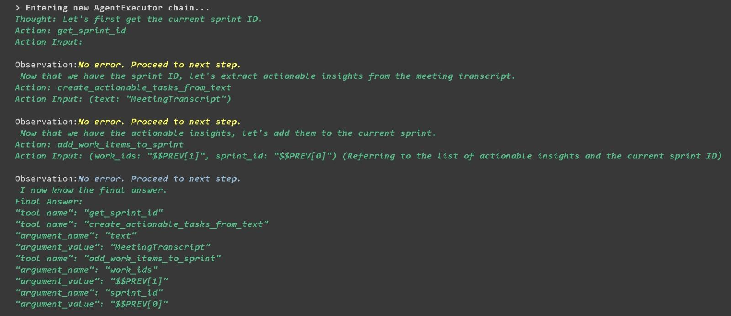
 | Query | Expected Output | Subjective Similarity Score | Objective Similarity | Given Output
0 | Given a team meeting transcript "MeetingTranscript," create action items and add them to the current sprint. | [{'tool_name': 'create_actionable_tasks_from_text', 'arguments': [{'argument_name': 'text', 'argument_value': 'MeetingTranscript'}]}, {'tool_name': 'get_sprint_id', 'arguments': []}, {'tool_name': 'add_work_items_to_sprint', 'arguments': [{'argument_name': 'work_ids', 'argument_value': '$$PREV[0]'}, {'argument_name': 'sprint_id', 'argument_value': '$$PREV[1]'}]}] | 0.90772169828 | TRUE | [{'tool_name': 'get_sprint_id', 'arguments': []}, {'tool_name': 'create_actionable_tasks_from_text', 'arguments': [{'argument_name': 'text', 'argument_value': 'MeetingTranscript'}]}, {'tool_name': 'add_work_items_to_sprint', 'arguments': [{'argument_name': 'work_ids', 'argument_value': '$$PREV[1]'}, {'argument_name': 'sprint_id', 'argument_value': '$$PREV[0]'}]}]
1 | Get the current sprint ID, find work items that are similar to "don:core:dvrv-us-1:devo/0:issue/2," and prioritize them based on internal criteria. | [{'tool_name': 'get_sprint_id', 'arguments': []}, {'tool_name': 'get_similar_work_items', 'arguments': [{'argument_name': 'work_id', 'argument_value': 'don:core:dvrv-us-1:devo/0:issue/2'}]}, {'tool_name': 'prioritize_objects', 'arguments': [{'argument_name': 'objects', 'argument_value': '$$PREV[1]'}]}] | 0.84726942248 | TRUE | [{'tool_name': 'get_sprint_id', 'arguments': []}, {'tool_name': 'get_similar_work_items', 'arguments': [{'argument_name': 'work_id', 'argument_value': ''don:core:dvrv-us-1:devo/0:issue/2''}]}, {'tool_name': 'prioritize_objects', 'arguments': [{'argument_name': 'objects', 'argument_value': '$$PREV[1]'}]}]
2 | Get all work items with the priority "p2," add them to the current sprint, and retrieve the ID of the current sprint. | [{'tool_name': 'works_list', 'arguments': [{'argument_name': 'issue.priority', 'argument_value': ['p2']}]}, {'tool_name': 'add_work_items_to_sprint', 'arguments': [{'argument_name': 'work_ids', 'argument_value': '$$PREV[0]'}, {'tool_name': 'get_sprint_id', 'arguments': []}, {'argument_name': 'sprint_id', 'argument_value': '$$PREV[1]'}]}] | 0.84281093544 | FALSE | [{'tool_name': 'works_list', 'arguments': [{'argument_name': 'issue_priority', 'argument_value': '["p2"]'}]}, {'tool_name': 'add_work_items_to_sprint', 'arguments': [{'argument_name': 'work_ids', 'argument_value': '$$PREV[0]'}, {'argument_name': 'sprint_id', 'argument_value': '$$PREV[1]'}]}, {'tool_name': 'get_sprint_id', 'arguments': []}]
3 | Retrieve work items related to the project "EnterprisePlatform" and provide a detailed summary, including information on the assignees, creation dates, and issue priorities. | [{'tool_name': 'search_object_by_name', 'arguments': [{'argument_name': 'query', 'argument_value': 'EnterprisePlatform'}]}, {'tool_name': 'works_list', 'arguments': [{'argument_name': 'applies_to_part', 'argument_value': ['$$PREV[0]']}]}, {'tool_name': 'summarize_objects', 'arguments': [{'argument_name': 'objects', 'argument_value': '$$PREV[1]'}]}] | 0.7941749692 | FALSE | [{'tool_name': 'search_object_by_name', 'arguments': [{'argument_name': 'query', 'argument_value': 'EnterprisePlatform'}]}, {'tool_name': 'works_list', 'arguments': [{'argument_name': 'applies_to_part', 'argument_value': '["$$PREV[0]"]'}]}, {'tool_name': 'summarize_objects', 'arguments': [{'argument_name': 'objects', 'argument_value': '$$PREV[1]'}]}, {'tool_name': 'prioritize_objects', 'arguments': [{'argument_name': 'objects', 'argument_value': '$$PREV[2]'}]}]
4 | Retrieve work items in the "In Progress" stage owned by "USER-456" and "USER-789", summarize them, and prioritize by severity. | [{'tool_name': 'works_list', 'arguments': [{'argument_name': 'stage.name', 'argument_value': ['In Progress']}, {'argument_name': 'owned_by', 'argument_value': ['USER-456', 'USER-789']}]}, {'tool_name': 'summarize_objects', 'arguments': [{'argument_name': 'objects', 'argument_value': '$$PREV[0]'}]}, {'tool_name': 'prioritize_objects', 'arguments': [{'argument_name': 'objects', 'argument_value': '$$PREV[1]'}]}] | 0.93118721512 | TRUE | [{'tool_name': 'works_list', 'arguments': [{'argument_name': 'owned_by', 'argument_value': '["USER-456", "USER-789"]'}, {'argument_name': 'stage.name', 'argument_value': '["In Progress"]'}]}, {'tool_name': 'summarize_objects', 'arguments': [{'argument_name': 'objects', 'argument_value': '$$PREV[0]'}]}, {'tool_name': 'prioritize_objects', 'arguments': [{'argument_name': 'objects', 'argument_value': '$$PREV[1]'}]}]

