Opt-Pess locking
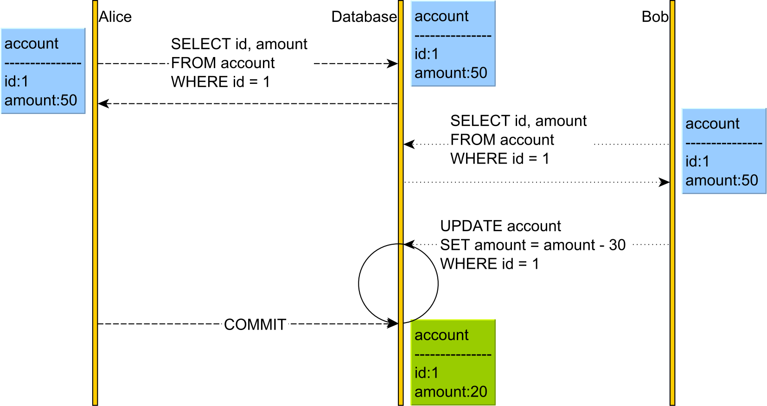
Lost update
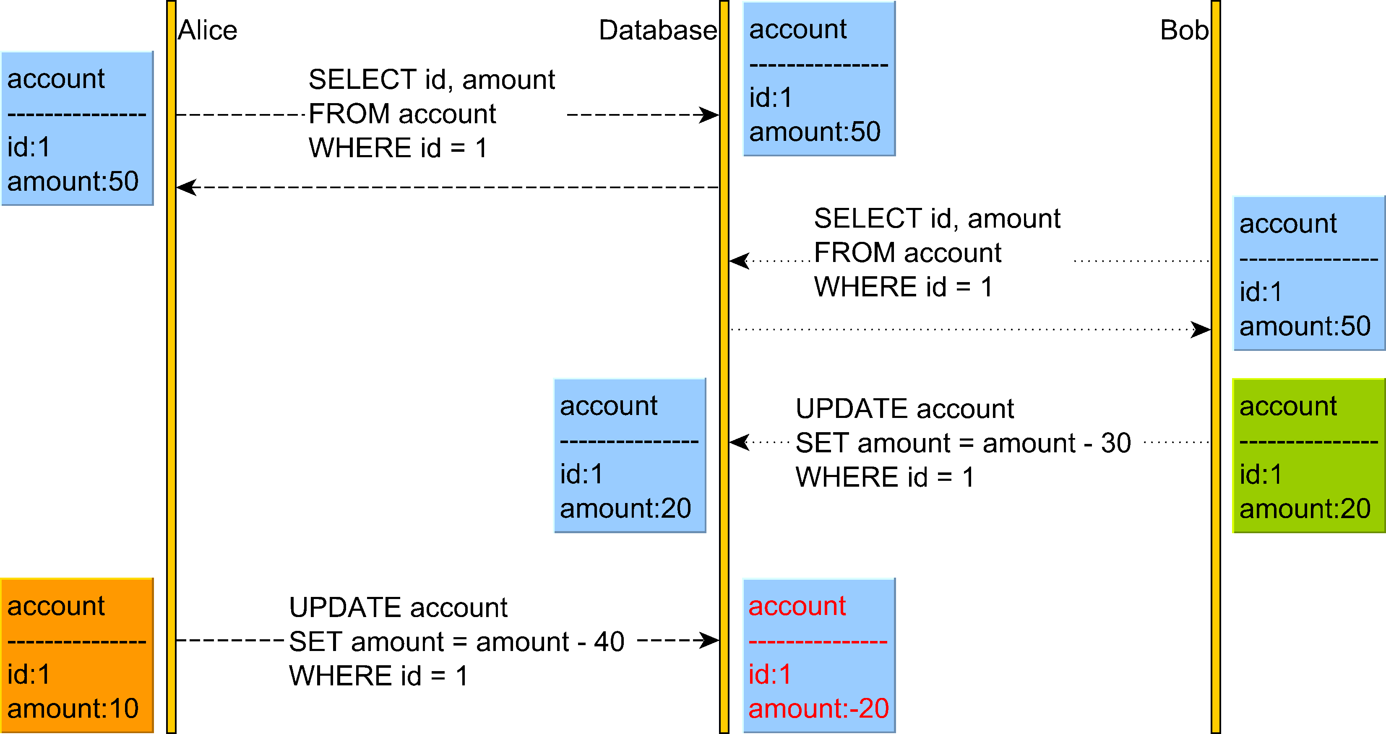

Optimistic locking
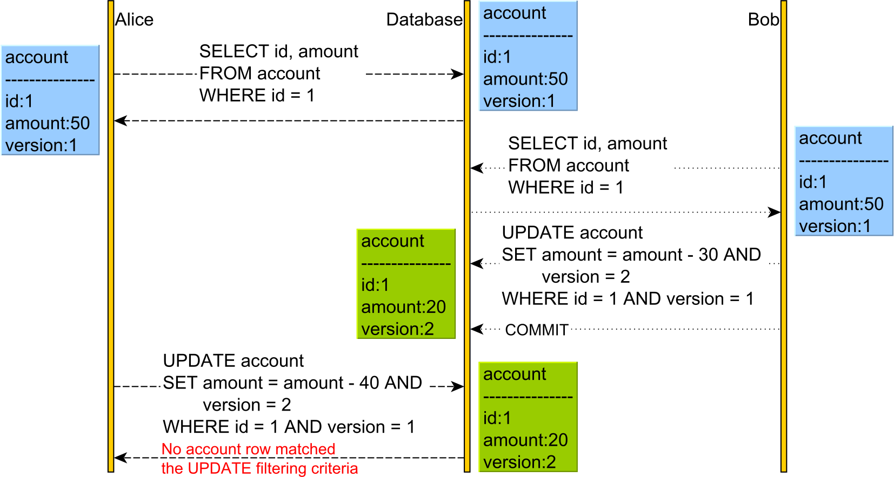

Pessimistic locking
Both locks the table. Updates blocked until other session commits or rolls back

