Sheet1
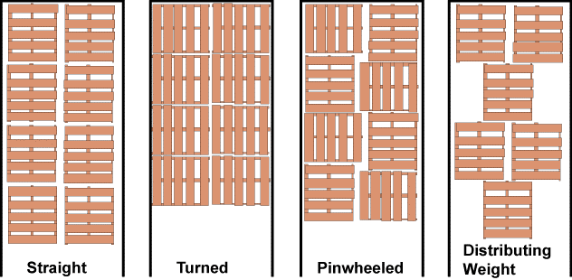
Length (ft) | Width (ft) | Height (ft) | Volume (ft^3) | Floor Area (ft^2)
53 | 8.5 | 13.5 | 6081.75 | 450
48 | 8 | 13.5 | 5184 | 384
45 | 8 | 13.5 | 4860 | 360
43 | 8 | 13 | 4472 | 344
28

Length (ft) | Width (ft) |  |  | Floor Area (ft^2) | Max # of pallets/53' | Max # of pallets/48' | Max # of pallets/45' | Max # of pallets/43' | Trailer Length | Possible Combinations of Pallets
4 | 4 |  |  | 16 | 28.0 | 24 | 22.5 | 21 | 53
4 | 6 |  |  | 24 | 18.0 | 16.0 | 15 | 14.0 | 48
 |  |  |  |  |  |  |  |  | 45
 |  |  |  |  |  |  |  |  | 43

