Sheet1
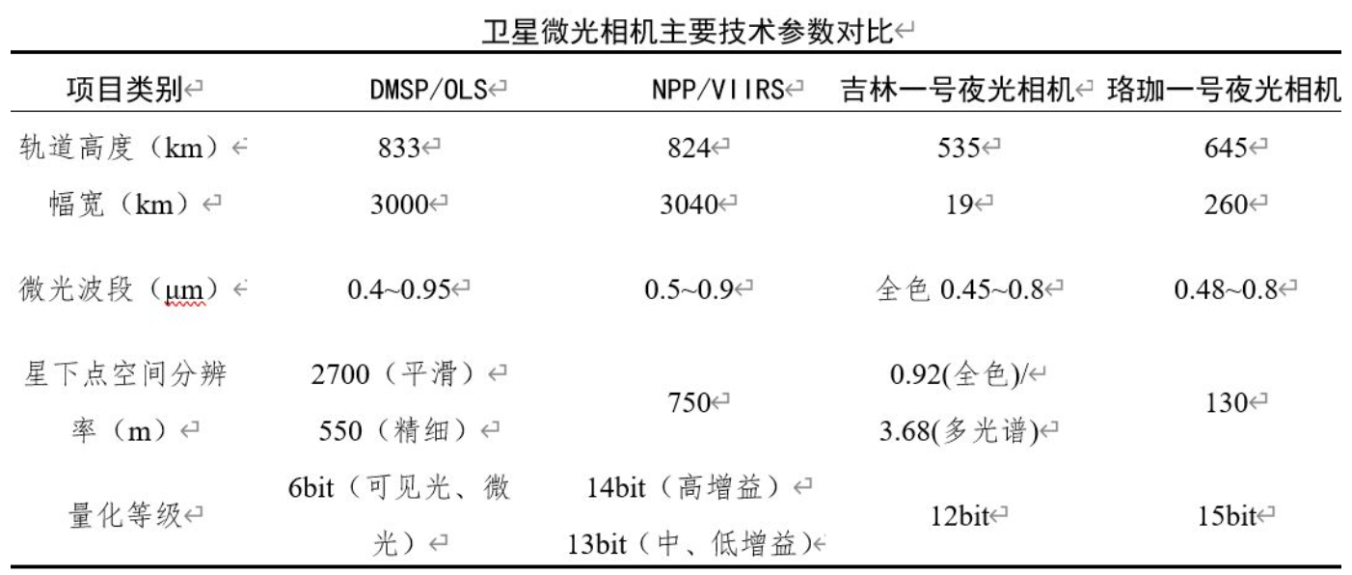
 | DMSP/OLS | Suomi NPP/VIIRS/DNB | 吉林一号夜光相机 | 珞珈一号夜光相机 | Polar
全称 | Defense Meteorological Satellite Program (DMSP) Operational Linescan System (OLS) | Suomi National Polar-orbiting Partnership/Visible Infrared Imaging Radiometer Suite/Day Night Band
研制单位 | Built by Westinghouse Corporation Managed by the Air Force Space Command On-orbit operations provided by the National Oceanic and Atmospheric Administration | NASA, the National Oceanic and Atmospheric Administration(NOAA), and the Department of Defense | 长光卫星技术有限公司 | 武汉大学团队与长光卫星技术有限公司
发射日期 | 美国空军于1965年1月发射了1颗 DMSP 样星，1966年9月至1976年2月共发射18颗 DMSP工作型卫星。1976年9月空军开始发射先进的 DMSP(AMS)卫星，该型号卫星又称布洛克-5D，共发射4颗。 | 2011-10-28 | 2015-10-07 | 2018-06-02 | 1996-02-24
轨道特点 | DMSP卫星采用高度约850公里、倾角98.7度的近极地轨道。工作型线扫描系统覆盖宽度约2960公里，相当于在赤道地区覆盖约26度(经度)，扫描方向与卫星飞行方向垂直。卫星轨道周期为101分钟，每颗卫星隔12小时对地球上每一点重复扫描一次。实用型DMSP系统由两颗卫星组成，一颗卫星每天当地时6：30和18：30左右穿过赤道，另一颗卫星则在每天当地时中午和子夜通过赤道。 | 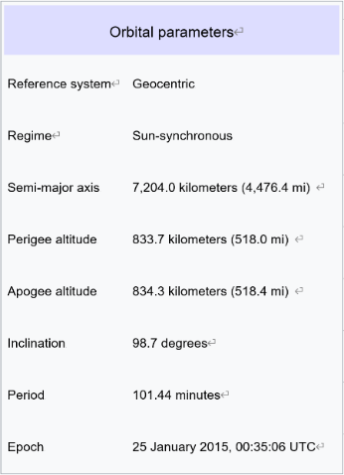 834km-太阳同步轨道 当地赤道穿越时间为约1:30 PM和1:30 AM 每天环绕地球约14次 | 535km-太阳同步轨道 | 645km | 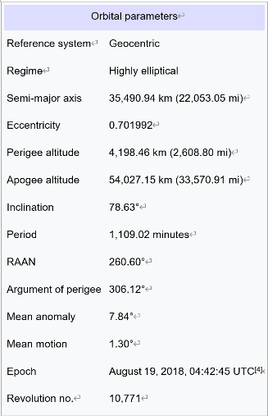 1.7 × 9.4 RE, 83.7° inclination 16° line of apsides precession/year 18.5-hour period
相机参数/性能 | The OLS instrument consists of two telescopes and a photo multiplier tube (PMT). The visible telescope is sensitive to radiation from 0.40 - 1.10 um (0.58 - 0.91 um FWHM) and 10-3 - 10-5 Watts per cm2 per sterradian. The infrared telescope is sensitive to radiation from 10.0 - 13.4 um (10.3 - 12.9 um FWHM) and 190 to 310 Kelvins. The PMT is sensitive to radiation from 0.47 - 0.95 um (0.51 - 0.86 um FWHM) at 10-5 - 10-9 Watts per cm2 per sterradian. The detectors sweep back and forth in a "whisk broom" or pendulum-type motion. The continuous analog signal is sampled at a constant rate so the Earth-located centers of each pixel are roughly equidistant, i.e., 0.5 km apart. 7,325 pixels are digitized across the 1080 swath from limb to limb. (https://ngdc.noaa.gov/eog/sensors/ols.html) | Suomi NPP carries the Visible/Infrared Imager/Radiometer Suite (VIIRS), an optical spectrum (22 bands spanning ∼0.4–13 μm) sensor providing imagery at high spatial resolution (0.375–1.6 km, band dependent) across a 3,000-km-wide swath. Included on VIIRS is a next-generation low-light sensor, the Day/Night Band (DNB). The DNB has a measured spectral response of 505–890 nm (full width at half maximum, with nominal band-center wavelength of 705 nm) and features several advances to the heritage OLS, including full calibration and improved spatial (0.74 km vs. ∼3 km) and radiometric (14-bit vs. 6-bit) resolutions. Three stages of gain allow the DNB to span the dynamic range of radiances encountered during the daytime, twilight, and nighttime with measured radiometric uncertainties of 3.5%, 7.8%, and 11.0%, respectively. The data are calibrated and spectrally normalized with respect to an on-board solar diffuser, which has a reflectance that is monitored for stability. Noise-equivalent radiance increases from ∼1 × 10−10 W⋅cm−2⋅sr−1 at nadir to ∼3 × 10−10 W⋅cm−2⋅sr−1 at scan edge. [Miller SD, Mills SP, Elvidge CD, Lindsey DT, Lee TF, Hawkins JD. Suomi satellite brings to light a unique frontier of nighttime environmental sensing capabilities. Proc Natl Acad Sci U S A. 2012;109(39):15706-15711. doi:10.1073/pnas.1207034109] OLS仪器由两个望远镜和一个光电倍增管（PMT）组成。可见望远镜对0.40-1.10 um（0.58-0.91 um FWHM）和10-3-10-5瓦每平方厘米的辐射敏感。红外望远镜对10.0-13.4 um（10.3-12.9 um FWHM）和190至310开尔文的辐射敏感。PMT对0.47-0.95 um（0.51- 0.86 um FWHM）的辐射敏感，辐射强度为10-5-10-9瓦每平方厘米/ cm2。探测器以“威士忌扫帚”或摆式运动来回扫动。连续模拟信号以恒定速率采样，因此每个像素在地球上的中心大约等距，即相距0.5 km。整个肢体在1080条幅带中将7,325像素数字化。仪器由西屋公司制造。(https://ngdc.noaa.gov/eog/sensors/ols.html) | 成像模式：凝视视频成像、推扫成像、微光成像、惯性空间成像 地面分辨率：1m彩色 地面覆盖范围：19km*4.5km 最大侧摆角：±45° | 地面分辨率：130m 幅宽：260km | Ultraviolet Imager(UVI):Far ultraviolet auroral imager: 130.4, 135.6, 140-160, 160-175, 175 to 190 nm a two dimensional imager sensitive to far ultraviolet wavelengths Filter-Wavelenth Range: OI-1304 130.4 nm OI-1356 135.6 nm LBH-short 140 - 160 nm LBH-long 160 -175 nm Solar-175 - 190 nm The Visible Imaging System (VIS):3 low-light cameras: 124 to 149, 308.5, 391.4, 557.7, 589.0, 630.0, 732.0 nm The Visible Imaging System (VIS) is a set of three low-light-level cameras to be flown on the POLAR spacecraft of the International Solar-Terrestrial Physics (ISTP) program. Two of these cameras share primary and some secondary optics and are designed to provide images of the nighttime auroral oval at altitudes ~1 to 8 RE (Earth radius) as viewed from the eccentric, polar orbit of the spacecraft. A third camera is used to monitor the directions of the fields-of-view of the auroral cameras with respect to the sunlit Earth. The auroral images are to be gained with filters with narrow passbands at visible wavelengths. The emissions of interest include those from N2+ at 391.4 nm, Ol at 557.7 and 630.0 nm, Hl at 656.3 nm and OII at 732.0 nm. ()
工作目标 | Generate terrestrial and space weather data for operational forces worldwide. Satellites can help identify, locate and determine the intensity of severe weather such as thunderstorms, hurricanes and typhoons. It also can be used to form three-dimensional cloud analyses, which are the basis for computer forecast models to meet unique military requirements. Additionally, space environmental data is used to assist in high-frequency communications, over-the-horizon radar and spacecraft drag and reentry tasks. |  | 第一阶段实现60颗卫星在轨组网，具备全球热点地区30分钟内重访能力，每天可观测全世界范围内800多个目标区域；第二阶段实现138颗卫星在轨组网，具备全球任意地点10分钟内重访能力；旨在建设一个高时间分辨率、高空间分辨率的遥感信息获取平台，为用户提供高效、精准的遥感信息服务。 | 试验验证国内处于空白的“夜光遥感”技术，和国家急需的“低轨卫星导航增强”等技术。提供我国及全球GDP指数、碳排放指数、城市住房空置率指数等专题产品，动态监测中国和全球宏观经济运行情况，为政府决策提供客观依据。 | 负责极光的多波长成像，测量等离子体进入极地磁层和地磁尾的情况，等离子体进出电离层的流动情况，以及在电离层和上层大气中粒子能量的沉积情况。
成果 |  | https://disasters.nasa.gov/programs/suomi-npp |  |  | polar_senior_review_2005 P20-P25
失败原因

