Lecture 3
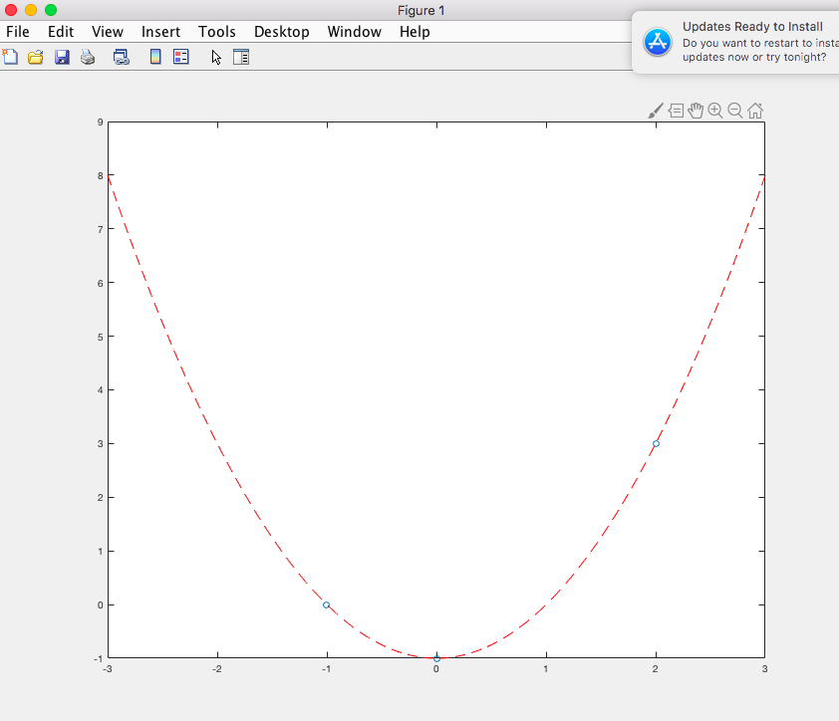
homework recap
find solution of linear equations | x = inv(A)*b | x= A\b : least squared error | A: invertible | check rank(A) | det(A) | inv(A) | [V,D] = eig(A) | [U, S, V] = svd(A) | [Q, R] = qr(A)
polynomials | P=[ 1 0 -2] | 1*x^2 - 0*x - 2 | r = roots(P) | P = poly ( r ) | y = polyval(P,x) | P = polyfit(X,Y,N) | exercise
optimization | fzero | fminbnd, fminsearch | anonymous function | linprog | quadprog | fmincon
differentiation | diff (X,N,DIM)
integral | quad | trapz | integral
differential equation | ODE solver | ode23 | ode45 | ode15s

