Sheet1
stt | san_pham | Gia_du_kien | Gia_trong_CSDL | Link_tham_khao | Ghi_chu | Link_anh | Anh_san_pham
1 | San pham 1 | 1.000.000 | Chua co | https://example.com | AI tim kiem |  | 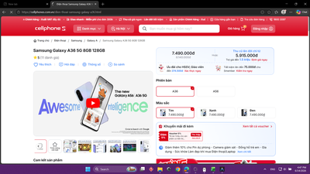
2 | San pham 2 | 1.000.000 | Chua co | https://example.com | AI tim kiem |  | 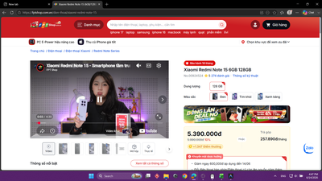
3 | San pham 3 | 1.000.000 | Chua co | https://example.com | AI tim kiem |  | 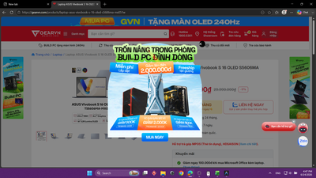
4 | San pham 4 | 1.000.000 | Chua co | https://example.com | AI tim kiem |  | 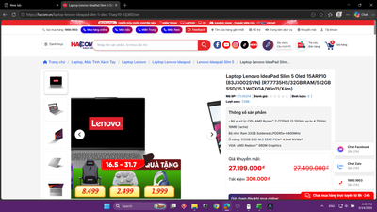
5 | San pham 5 | 1.000.000 | Chua co | https://example.com | AI tim kiem |  | 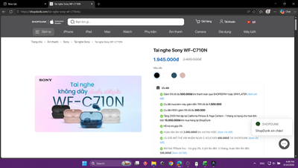
6 | San pham 6 | 1.000.000 | Chua co | https://example.com | AI tim kiem |  | 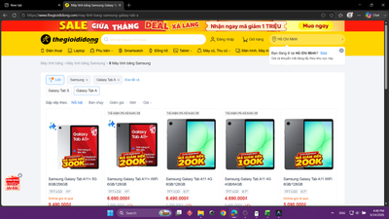
7 | San pham 7 | 1.000.000 | Chua co | https://example.com | AI tim kiem |  | 