Open Close principles
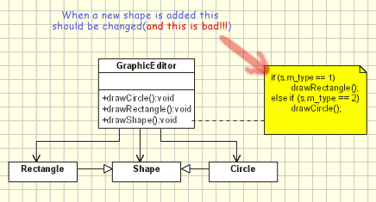
Link | http://www.oodesign.com/open-close-principle.html
Motivation | The Open Close Principle states that the design and writing of the code should be done in a way that new functionality should be added with minimum changes in the existing code. The design should be done in a way to allow the adding of new functionality as new classes, keeping as much as possible existing code unchanged.
Intent | Software entities like classes, modules and functions should be open for extension but closed for modifications.
Disadvantages | _ For each new shape added the unit testing of the GraphicEditor should be redone. _ When a new type of shape is added the time for adding it will be high since the developer who add it should understand the logic of the GraphicEditor. _ Adding a new shape might affect the existing functionality in an undesired way, even if the new shape works perfectly
Advantages | 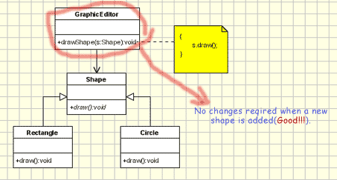 _ No unit testing required. _ No need to understand the sourcecode from GraphicEditor. _ Since the drawing code is moved to the concrete shape classes, it's a reduced risk to affect old functionallity when new functionallity is added.
Conclusion | Like every principle OCP is only a principle. Making a flexible design involves additional time and effort spent for it and it introduce new level of abstraction increasing the complexity of the code. So this principle should be applied in those area which are most likely to be changed. There are many design patterns that help us to extend code without changing it. For instance the Decorator pattern help us to follow Open Close principle. Also the Factory Method or the Observer pattern might be used to design an application easy to change with minimum changes in the existing code.

Interface Segregation principle
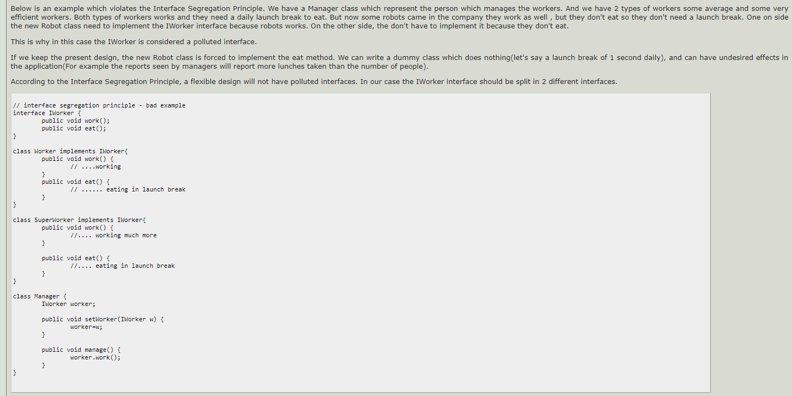
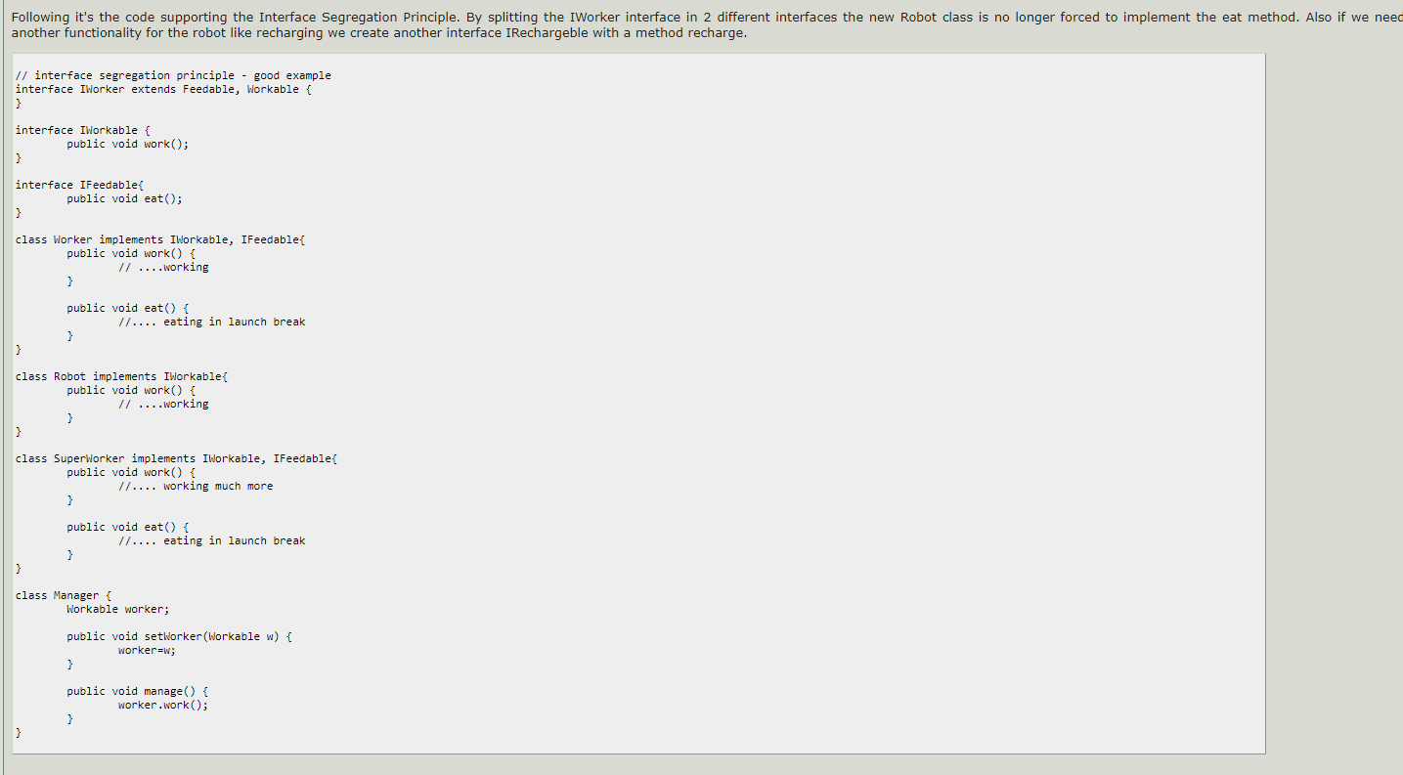
Link | http://www.oodesign.com/interface-segregation-principle.html
Motivation | The Interface Segregation Principle states that clients should not be forced to implement interfaces they don't use. Instead of one fat interface many small interfaces are preferred based on groups of methods, each one serving one submodule.
Intent | Clients should not be forced to depend upon interfaces that they don't use.
Conclusion | If the design is already done fat interfaces can be segregated using the Adapter pattern. Like every principle Interface Segregation Principle is one principle which require additional time and effort spent to apply it during the design time and increase the complexity of code. But it produce a flexible design. If we are going to apply it more than is necessary it will result a code containing a lot of interfaces with single methods, so applying should be done based on experience and common sense in identifying the areas where extension of code are more likely to happens in the future.

Single Responsibility principle
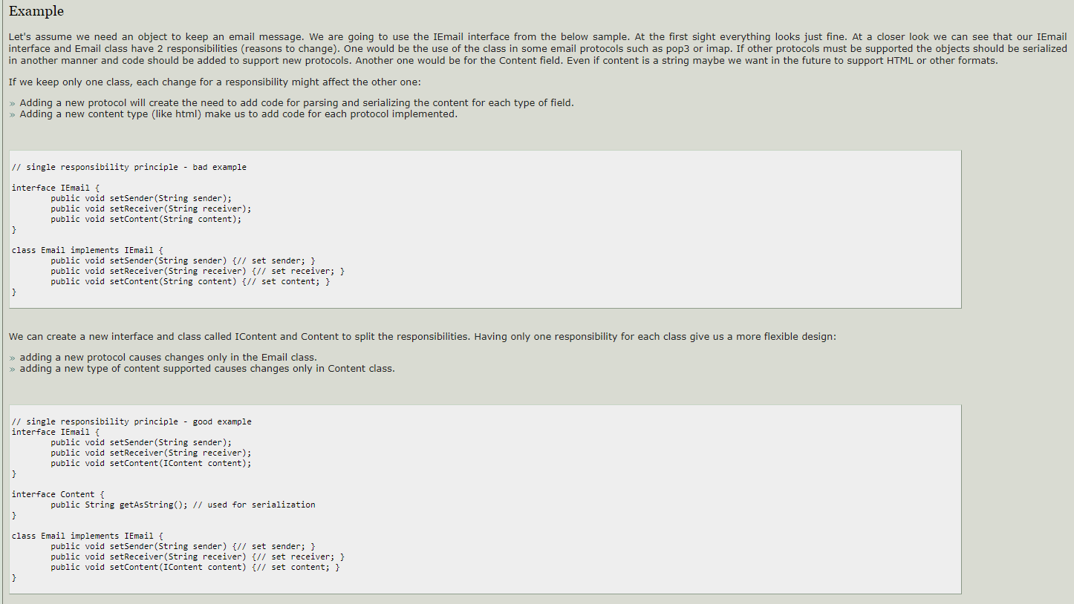
Link | http://www.oodesign.com/single-responsibility-principle.html
Motivation | In this context, a responsibility is considered to be one reason to change. This principle states that if we have 2 reasons to change for a class, we have to split the functionality in two classes. Each class will handle only one responsibility and if in the future we need to make one change we are going to make it in the class which handles it. When we need to make a change in a class having more responsibilities the change might affect the other functionality related to the other responsibility of the class. The Single Responsibility Principle is a simple and intuitive principle, but in practice it is sometimes hard to get it right.
Intent | A class should have only one reason to change.
Conclusion | The Single Responsibility Principle represents a good way of identifying classes during the design phase of an application and it reminds you to think of all the ways a class can evolve. A good separation of responsibilities is done only when the full picture of how the application should work is well understand.

Livkov's Substitution Principle
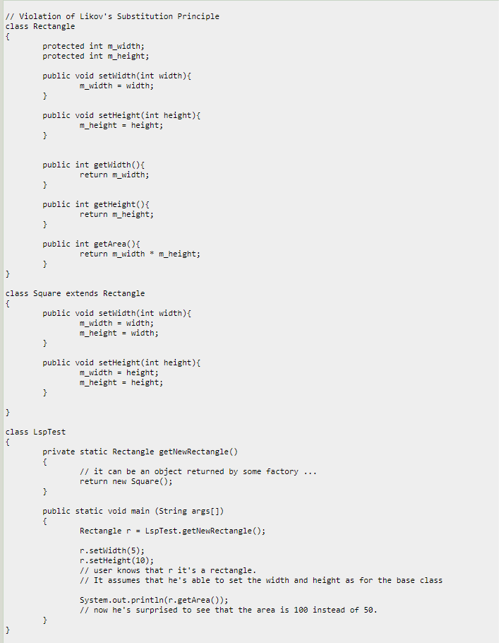
Link | http://www.oodesign.com/liskov-s-substitution-principle.html
Motivation | All the time we design a program module and we create some class hierarchies. Then we extend some classes creating some derived classes. We must make sure that the new derived classes just extend without replacing the functionality of old classes. Otherwise the new classes can produce undesired effects when they are used in existing program modules. Likov's Substitution Principle states that if a program module is using a Base class, then the reference to the Base class can be replaced with a Derived class without affecting the functionality of the program module. The Single Responsibility Principle is a simple and intuitive principle, but in practice it is sometimes hard to get it right.
Intent | Derived types must be completely substitutable for their base types.
Conclusion | This principle is just an extension of the Open Close Principle and it means that we must make sure that new derived classes are extending the base classes without changing their behavior.

Singleton
Singleton - Ensure that only one instance of a class is created and Provide a global access point to the object.

 | Link | http://www.oodesign.com/singleton-pattern.html
 | Motivation | Sometimes it's important to have only one instance for a class. For example, in a system there should be only one window manager (or only a file system or only a print spooler). Usually singletons are used for centralized management of internal or external resources and they provide a global point of access to themselves. The singleton pattern is one of the simplest design patterns: it involves only one class which is responsible to instantiate itself, to make sure it creates not more than one instance; in the same time it provides a global point of access to that instance. In this case the same instance can be used from everywhere, being impossible to invoke directly the constructor each time.
 | Intent | Ensure that only one instance of a class is created. Provide a global point of access to the object.
 | Implementation | The implementation involves a static member in the "Singleton" class, a private constructor and a static public method that returns a reference to the static member. The Singleton Pattern defines a getInstance operation which exposes the unique instance which is accessed by the clients. getInstance() is is responsible for creating its class unique instance in case it is not created yet and to return that instance. | 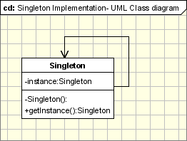
 | Applicability & Examples | There are many common situations when singleton pattern is used: - Logger Classes - Configuration Classes - Accesing resources in shared mode - Other design patterns implemented as Singletons: Factories and Abstract Factories, Builder, Prototype
 | When to use | Singleton pattern should be used when we must ensure that only one instance of a class is created and when the instance must be available through all the code. A special care should be taken in multi-threading environments when multiple threads must access the same resources through the same singleton object.

Factory
Factory(Simplified version of Factory Method) - Creates objects without exposing the instantiation logic to the client and Refers to the newly created object through a common interface.

 | Link | http://www.oodesign.com/factory-pattern.html |  | https://stackoverflow.com/questions/13029261/design-patterns-factory-vs-factory-method-vs-abstract-factory/13030163#13030163
 | Motivation | The Factory Design Pattern is probably the most used design pattern in modern programming languages like Java and C#. It comes in different variants and implementations. If you are searching for it, most likely, you'll find references about the GoF patterns: Factory Method and Abstract Factory. |  | https://stackoverflow.com/questions/5739611/differences-between-abstract-factory-pattern-and-factory-method
 | Intent | creates objects without exposing the instantiation logic to the client. refers to the newly created object through a common interface
 | Implementation | The client needs a product, but instead of creating it directly using the new operator, it asks the factory object for a new product, providing the information about the type of object it needs. The factory instantiates a new concrete product and then returns to the client the newly created product(casted to abstract product class). The client uses the products as abstract products without being aware about their concrete implementation. | 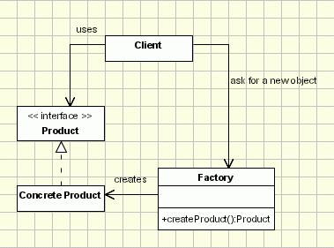
 | Applicability & Examples | Probably the factory pattern is one of the most used patterns. For example a graphical application works with shapes. In our implementation the drawing framework is the client and the shapes are the products. All the shapes are derived from an abstract shape class (or interface). The Shape class defines the draw and move operations which must be implemented by the concrete shapes. Let's assume a command is selected from the menu to create a new Circle. The framework receives the shape type as a string parameter, it asks the factory to create a new shape sending the parameter received from menu. The factory creates a new circle and returns it to the framework, casted to an abstract shape. Then the framework uses the object as casted to the abstract class without being aware of the concrete object type. The advantage is obvious: New shapes can be added without changing a single line of code in the framework(the client code that uses the shapes from the factory). As it is shown in the next sections, there are certain factory implementations that allow adding new products without even modifying the factory class.
 | When to use | Factory pattern should be used when: - a framework delegate the creation of objects derived from a common superclass to the factory - we need flexibility in adding new types of objects that must be created by the class.

Command
Encapsulate a request in an object, Allows the parameterization of clients with different requests and Allows saving the requests in a queue.

 | Link | http://www.oodesign.com/command-pattern.html
 | Motivation | “An object that contains a symbol, name or key that represents a list of commands, actions or keystrokes”. This is the definition of a macro, one that should be familiar to any computer user. From this idea the Command design pattern was given birth. The Macro represents, at some extent, a command that is built from the reunion of a set of other commands, in a given order. Just as a macro, the Command design pattern encapsulates commands (method calls) in objects allowing us to issue requests without knowing the requested operation or the requesting object. Command design pattern provides the options to queue commands, undo/redo actions and other manipulations.
 | Intent | encapsulate a request in an object - allows the parameterization of clients with different requests - allows saving the requests in a queue
 | Implementation | The classes participating in the pattern are: - Command - declares an interface for executing an operation - ConcreteCommand - extends the Command interface, implementing the Execute method by invoking the corresponding operations on Receiver. It defines a link between the Receiver and the action. - Client - creates a ConcreteCommand object and sets its receiver; - Invoker - asks the command to carry out the request; - Receiver - knows how to perform the operations; The Client asks for a command to be executed. The Invoker takes the command, encapsulates it and places it in a queue, in case there is something else to do first, and the ConcreteCommand that is in charge of the requested command, sending its result to the Receiver. | 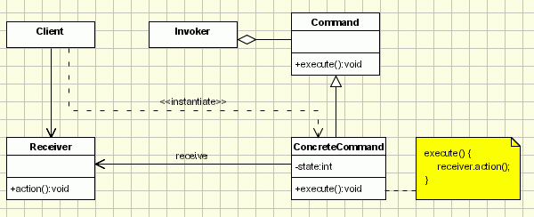
 | Applicability & Examples | TurnTVOn
 | When to use | _ When you store lists of commands to execute

