01 - Inputs
Inputs
Calculations

General inputs and calculations |  |  | Sample dimensions |  |  | Membrane correction

Soil Gs | 2.8 |  |  |  |  |  |  | Actual Diameter | 65.23 | mm
Liquid SG | 1 |  |  |  |  |  |  | Actual Membrane Thickness | 0.2 | mm
Membrane thickness | 0.2 |  |  |  |  |  |  | Mutiple Correction by | 0.58
 |  |  | Initial height | 144 | mm
 |  |  | Initial diameter | 70.1 | mm | Axial Strain | St Correction | Correction for this test
 |  |  | Initial volume | 555.76143776 | cc | 0 | 0 | 0.00
Final sample GWC |  |  | Initial e | 1.265 |  | 5 | 0.7 | 0.41 |  | kPa/strain | 0.057090054321
Mass tin | 174.26 | g |  |  |  | 10 | 1.2 | 0.70
Tin and wet sample | 1034.04 | g |  |  |  | 15 | 1.6 | 0.93
Tin and dry sample | 861.40 | g | Start consolidation height | 136.936 | mm | 20 | 2 | 1.17
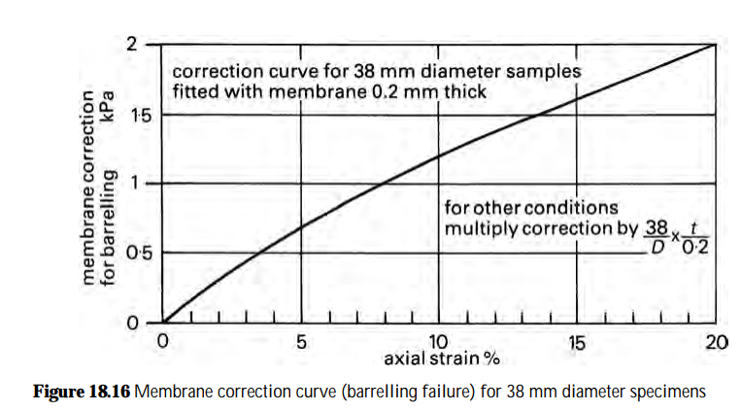
Mass solids | 687.14 | g | Start consolidation volume | 471.65814286 | cc
Mass water | 172.64 | g | Start consolidation void ratio | 0.922
GWC | 25.1% |  | Start shearing area | 34.4 | cm2
Void ratio e | 0.703
Volume solids | 245.4 | cc
Volume voids | 172.6 | cc | Start shearing height | 135.2 | mm
 |  |  | Start shearing volume | 451.8 | cc
 |  |  | Start shearing area | 33.418604725 | cm2
 |  |  | Start shearing void ratio | 0.841
Initial sample height | 144 | mm | Start shearing diameter | 65.230275996 | mm
Initial sample diameter
1 | 70.5 | mm
2 | 70.50 | mm
3 | 70.5 | mm
 |  |  | End shearing height | 91.0 | mm
 |  |  | End shearing volume | 418.0 | cc
Initial LVDT | 0.000 | mm | End shearing void ratio | 0.703
End of saturation LVDT | 7.064 | mm

04a - Plots - DR
 | UNIVERSITY OF WESTERN AUSTRALIA
 | SOILS LABORATORY

 | Av. internal gauges | slope
 | 0
FQML - Sample B CID100
Reconstituted sample, Moist tamped
Consolidation: σ'v = 100 & σ'h = 100 kPa (K = 1.0), Drained, Loading rate = 0.015mm/min
 | Axial | Vol
0 | 0% | 0.00%
0.0083333333333 | 0% | 0.01%
0.016666666667 | 0% | 0.01%
0.025 | 0% | 0.02%
0.033333333333 | 0% | 0.03%
0.041666666667 | 0% | 0.04%
0.05 | 0% | 0.05%
0.058333333333 | 0% | 0.06%
0.066666666667 | 0% | 0.08%
0.075 | 0% | 0.09%
0.083333333333 | 0% | 0.11%
0.091666666667 | 0% | 0.12%
0.1 | 0% | 0.14%
0.10833333333 | 0% | 0.16%
0.11666666667 | 0% | 0.17%
0.125 | 0% | 0.20%
0.13333333333 | 0% | 0.22%
0.14166666667 | 0% | 0.25%
0.15 | 0% | 0.27%
0.15833333333 | 0% | 0.30%
0.16666666667 | 0% | 0.33%
0.175 | 0% | 0.36%
0.18333333333 | 0% | 0.39%
0.19166666667 | 0% | 0.43%
0.2 | 0% | 0.46%
0.20833333333 | 0% | 0.50%
0.21666666667 | 0% | 0.55%
0.225 | 0% | 0.59%
0.23333333333 | 0% | 0.64%
0.24166666667 | 0% | 0.70%
0.25 | 0% | 0.75%
0.25833333333 | 0% | 0.81%
0.26666666667 | 0% | 0.86%
0.275 | 0% | 0.92%
0.28333333333 | 0% | 0.98%
0.29166666667 | 0% | 1.04%
0.3 | 0% | 1.10%
0.30833333333 | 0% | 1.16%
0.31666666667 | 0% | 1.23%
0.325 | 0% | 1.30%
0.33333333333 | 0% | 1.37%
0.34166666667 | 0% | 1.44%
0.35 | 0% | 1.51%
0.35833333333 | 0% | 1.58%
0.36666666667 | 0% | 1.65%
0.375 | 1% | 1.72%
0.38333333333 | 1% | 1.80%
0.39166666667 | 1% | 1.87%
0.4 | 1% | 1.94%
0.40833333333 | 1% | 2.02%
...
0.00% | 0.043895276414
0.01% | 0.094162690162
0.02% | 0.11974551474
0.03% | 0.13890964062
0.05% | 0.15449838188
0.06% | 0.16745523923
0.07% | 0.17676248061
0.08% | 0.18585763766
0.09% | 0.19480020137
0.10% | 0.19933712725
0.11% | 0.20456956064
0.13% | 0.21199145395
0.14% | 0.21819148861
0.15% | 0.22407232019
0.16% | 0.2315800205
0.17% | 0.23397693715
0.18% | 0.23938520142
0.19% | 0.24199351914
0.20% | 0.24732687395
0.22% | 0.25212080846
0.23% | 0.25720897795
0.24% | 0.25956210678
0.25% | 0.26458695736
0.26% | 0.26779941472
0.27% | 0.27208033431
0.28% | 0.27419235714
0.30% | 0.28174911985
0.31% | 0.28254057676
0.32% | 0.2844856479
0.33% | 0.28860433022
0.34% | 0.29247943383
0.35% | 0.29546184903
0.36% | 0.29894901845
0.37% | 0.30076056014
0.39% | 0.3032247328
0.40% | 0.306335958
0.41% | 0.30950742547
0.42% | 0.31259798274
0.43% | 0.31466423063
0.44% | 0.32073818209
0.45% | 0.32174909828
0.46% | 0.32447715699
0.47% | 0.32625122308
0.48% | 0.33024935102
0.49% | 0.3315908938
0.51% | 0.33392399384
0.52% | 0.33655600238
0.53% | 0.34105687849
0.54% | 0.34426597299
0.55% | 0.34542051097
...
101.57344134 | 4.4585942838
103.26859274 | 9.724048502
104.18583888 | 12.475786905
104.88369539 | 14.569356433
105.33177273 | 16.273588447
105.75004282 | 17.708398718
106.09866427 | 18.754263087
106.69742006 | 19.830530436
107.16588882 | 20.875936722
107.2752214 | 21.383934458
107.74431211 | 22.041206589
107.63300211 | 22.817276611
108.27191322 | 23.62400992
108.36079481 | 24.280654712
108.19952606 | 25.056848465
108.74881478 | 25.4447146
109.03793238 | 26.102067405
109.46737501 | 26.490395311
109.27622567 | 27.026947293
109.80531119 | 27.684203829
109.60431448 | 28.191213706
110.10347305 | 28.57868943
110.04251462 | 29.115814123
110.17190003 | 29.503970346
110.41077694 | 30.040601102
110.43029046 | 30.27914164
110.32893686 | 31.085080855
110.96825482 | 31.353034718
111.04773926 | 31.591488052
110.80704048 | 31.979391701
111.17615633 | 32.516739258
111.36531005 | 32.904200425
111.36469907 | 33.292367477
111.58392445 | 33.56004362
111.95286956 | 33.94687896
112.08217692 | 34.334801043
112.28119809 | 34.751864551
112.41032335 | 35.139240318
112.42978743 | 35.377632561
112.34875506 | 36.034535459
112.45836958 | 36.183379006
112.70758929 | 36.571038145
112.91701462 | 36.839314126
113.08611531 | 37.346616189
113.07551343 | 37.494810565
113.44452635 | 37.881849318
113.35388692 | 38.149931037
112.99291335 | 38.537010318
113.41185776 | 39.043843561
113.4611832 | 39.191819877
...
0.00% | 0.00%
0.01% | 0.01%
0.02% | 0.02%
0.03% | 0.02%
0.05% | 0.03%
0.06% | 0.04%
0.07% | 0.05%
0.08% | 0.06%
0.09% | 0.07%
0.10% | 0.08%
0.11% | 0.09%
0.13% | 0.09%
0.14% | 0.10%
0.15% | 0.11%
0.16% | 0.12%
0.17% | 0.13%
0.18% | 0.14%
0.19% | 0.15%
0.20% | 0.16%
0.22% | 0.17%
0.23% | 0.18%
0.24% | 0.19%
0.25% | 0.20%
0.26% | 0.21%
0.27% | 0.22%
0.28% | 0.23%
0.30% | 0.24%
0.31% | 0.25%
0.32% | 0.26%
0.33% | 0.27%
0.34% | 0.28%
0.35% | 0.29%
0.36% | 0.30%
0.37% | 0.30%
0.39% | 0.31%
0.40% | 0.32%
0.41% | 0.33%
0.42% | 0.34%
0.43% | 0.35%
0.44% | 0.36%
0.45% | 0.37%
0.46% | 0.38%
0.47% | 0.39%
0.48% | 0.40%
0.49% | 0.41%
0.51% | 0.42%
0.52% | 0.43%
0.53% | 0.44%
0.54% | 0.45%
0.55% | 0.46%
...
 | Sig1 | Sig3
0 | 34.093637795 | 30
0.0083333333333 | 35.093794996 | 31
0.016666666667 | 36.326243388 | 32
0.025 | 37.094223285 | 33
0.033333333333 | 38.094477042 | 34
0.041666666667 | 40.094808028 | 36
0.05 | 40.095037801 | 36
0.058333333333 | 42.095448097 | 38
0.066666666667 | 43.095875881 | 39
0.075 | 44.096313478 | 40
0.083333333333 | 44.951442794 | 41
0.091666666667 | 45.951923842 | 42
0.1 | 47.952383575 | 44
0.10833333333 | 49.952924688 | 46
0.11666666667 | 49.953307483 | 46
0.125 | 50.837640821 | 47
0.13333333333 | 50.722041398 | 47
0.14166666667 | 52.722616771 | 49
0.15 | 53.723302255 | 50
0.15833333333 | 54.578552159 | 51
0.16666666667 | 56.579243967 | 53
0.175 | 56.580018999 | 53
0.18333333333 | 58.580807422 | 55
0.19166666667 | 57.581691193 | 54
0.2 | 61.46609859 | 58
0.20833333333 | 60.321434044 | 57
0.21666666667 | 62.322448159 | 59
0.225 | 64.323498602 | 61
0.23333333333 | 64.324676672 | 61
0.24166666667 | 65.850802033 | 62
0.25 | 67.348378362 | 63
0.25833333333 | 69.350058412 | 65
0.26666666667 | 70.351760382 | 66
0.275 | 70.973608642 | 67
0.28333333333 | 72.121451276 | 68
0.29166666667 | 73.357176323 | 69
0.3 | 74.124958381 | 70
0.30833333333 | 75.361055348 | 71
0.31666666667 | 76.128860285 | 72
0.325 | 76.867385242 | 73
0.33333333333 | 79.133072464 | 75
0.34166666667 | 80.369894801 | 76
0.35 | 81.137423277 | 77
0.35833333333 | 82.139619368 | 78
0.36666666667 | 83.141854347 | 79
0.375 | 84.144076458 | 80
0.38333333333 | 86.146382439 | 82
0.39166666667 | 87.14856287 | 83
0.4 | 88.533519758 | 84
0.40833333333 | 89.388594844 | 85
...
 |  |  | p
0.00% | 4.4585942838 |  | 101.57344134
0.01% | 9.724048502 |  | 103.26859274
0.02% | 12.475786905 |  | 104.18583888
0.03% | 14.569356433 |  | 104.88369539
0.05% | 16.273588447 |  | 105.33177273
0.06% | 17.708398718 |  | 105.75004282
0.07% | 18.754263087 |  | 106.09866427
0.08% | 19.830530436 |  | 106.69742006
0.09% | 20.875936722 |  | 107.16588882
0.10% | 21.383934458 |  | 107.2752214
0.11% | 22.041206589 |  | 107.74431211
0.13% | 22.817276611 |  | 107.63300211
0.14% | 23.62400992 |  | 108.27191322
0.15% | 24.280654712 |  | 108.36079481
0.16% | 25.056848465 |  | 108.19952606
0.17% | 25.4447146 |  | 108.74881478
0.18% | 26.102067405 |  | 109.03793238
0.19% | 26.490395311 |  | 109.46737501
0.20% | 27.026947293 |  | 109.27622567
0.22% | 27.684203829 |  | 109.80531119
0.23% | 28.191213706 |  | 109.60431448
0.24% | 28.57868943 |  | 110.10347305
0.25% | 29.115814123 |  | 110.04251462
0.26% | 29.503970346 |  | 110.17190003
0.27% | 30.040601102 |  | 110.41077694
0.28% | 30.27914164 |  | 110.43029046
0.30% | 31.085080855 |  | 110.32893686
0.31% | 31.353034718 |  | 110.96825482
0.32% | 31.591488052 |  | 111.04773926
0.33% | 31.979391701 |  | 110.80704048
0.34% | 32.516739258 |  | 111.17615633
0.35% | 32.904200425 |  | 111.36531005
0.36% | 33.292367477 |  | 111.36469907
0.37% | 33.56004362 |  | 111.58392445
0.39% | 33.94687896 |  | 111.95286956
0.40% | 34.334801043 |  | 112.08217692
0.41% | 34.751864551 |  | 112.28119809
0.42% | 35.139240318 |  | 112.41032335
0.43% | 35.377632561 |  | 112.42978743
0.44% | 36.034535459 |  | 112.34875506
0.45% | 36.183379006 |  | 112.45836958
0.46% | 36.571038145 |  | 112.70758929
0.47% | 36.839314126 |  | 112.91701462
0.48% | 37.346616189 |  | 113.08611531
0.49% | 37.494810565 |  | 113.07551343
0.51% | 37.881849318 |  | 113.44452635
0.52% | 38.149931037 |  | 113.35388692
0.53% | 38.537010318 |  | 112.99291335
0.54% | 39.043843561 |  | 113.41185776
0.55% | 39.191819877 |  | 113.4611832
...
q
p'
 | Internal gauge # 1 | Internal gauge # 2 | Average Strain
 | 0 | 0 | 0

 | Av. internal gauges | Slope
 | 0
 | Av. internal gauges | Slope
 | 0
- Sample prepared by air-drying a thick slurry; slurry prepared with de-ionised water

 | Radial strain #1 | Radial strain #2
 | 0 | 0
 | Average radial strain | Slope
 | 0 | 0

Page 1 of 2

05 - Data
 |  |  |  |  | UNIVERSITY OF WESTERN AUSTRALIA
 |  |  |  |  | SOILS LABORATORY

FQML - Sample B CID100
Reconstituted sample, Moist tamped
 | Av. internal gauges | slope
 | 0
 | Internal gauge # 1 | Internal gauge # 2 | Average Strain
 | 0 | 0 | 0

Test details

 | As prepared | End of saturation | End of consolidation | End of shearing
Sample height (mm) | 144.0 | 136.9 | 135.2 | 91.0
Sample diameter (mm) | 70.1 | 65.2 | 65.2 | 76.5
Dry density (t/m3) | 1.24 | 1.46 | 1.52 | 1.64
Void ratio e | 1.265 | 0.922 | 0.841 | 0.703
Mean effective stress p' | - | 30 | 101.6 | 183.4
Deviator stress q (kPa) | - | 4.1 | 4.5 | 248.6
Geostatic stress ratio K0 | - | 0.88 | 0.96 | -
*Based on right cylinder area correction

 | Av. internal gauges | Slope
 | 0
 | Av. internal gauges | Slope
 | 0
Methods
- Sample prepared bymist tamping using the undercompaction method

- Saturated with deaired de-ionised water
- Back pressure saturated to a cell pressure of 1030 kPa and a back pressure of 1000 kPa
- Minimum B-value of 0.97 achieved
- Sheared at a rate of 0.015mm/min

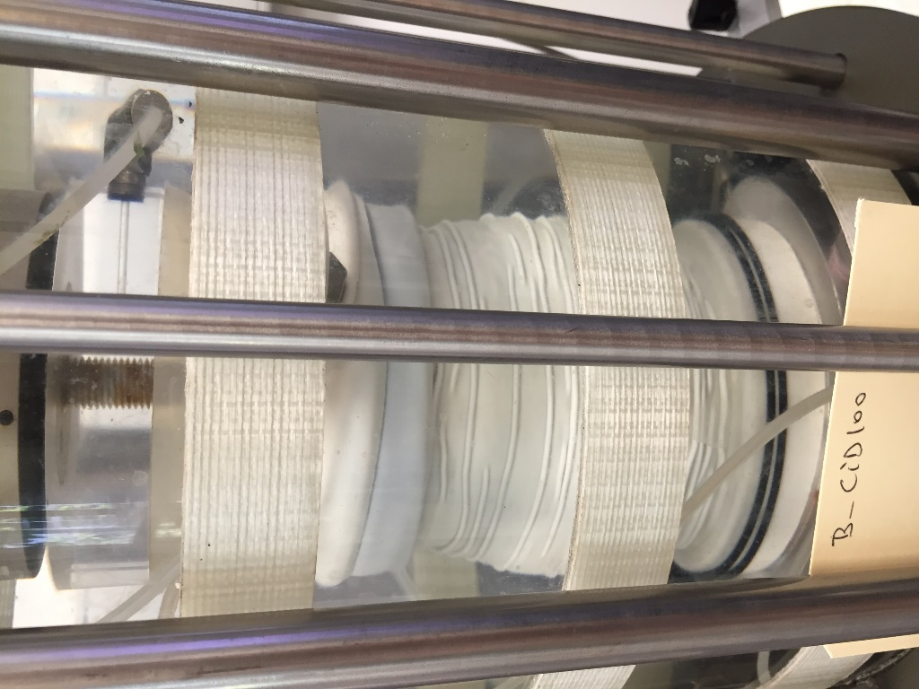
Photographs
 |  | End of shearing
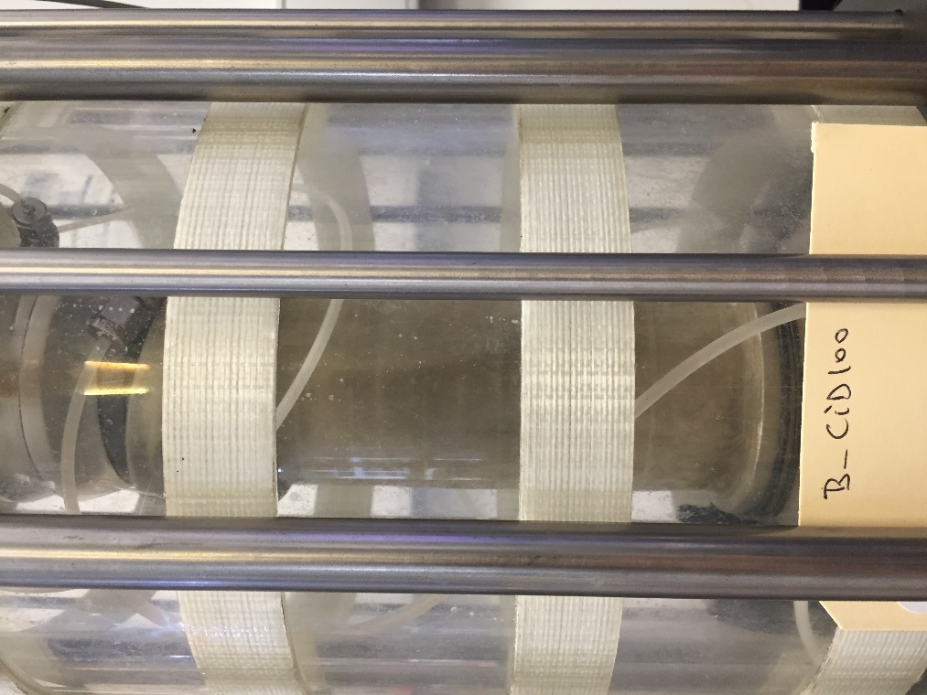

 | Radial strain #1 | Radial strain #2
 | 0 | 0
 | Average radial strain | Slope
 | 0 | 0

Page 2 of 2

