New LIMS
New LIMS
Microbiology
Validated all but didn’t show, only showed one
Printed report tidy up
Number 22 after patient name details
Results in a line
Headings required for test and result
Specimen type not showing on printed report
received time on a 12 hour clock and not a 24 hr clock
Datetime format on report
Variable test analyser, the result and site, ward age gender. Variable of ALL and None in the list
Micro comments not showing on report
Gentamycin should not be on the list for a pregnant person
Microscopy needs a dropdown
Current antibiotic is missin from report from demo screen
Bacteria, RCC and WCC should be inline on report
Crystal casts in another line to righthand side
No option to tag as repeat | Remove from report form, only in demographic
Reported by Syst
User code from users table on report
INAB comment in options table
When report 6 results, Report can not display. And print out on a A4 page
Reported by is missing when there is more than 2 reults
Should not be able to report penicillen on a pregnant patient.
If patient is under 16 yrs of age should not be able to report Charihromycin

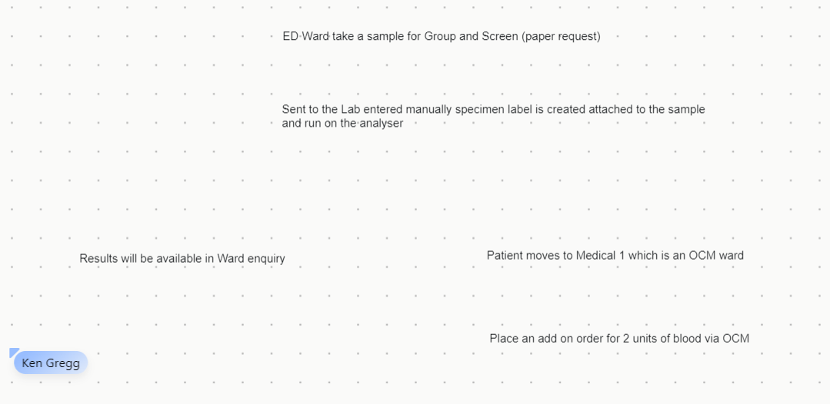
Blood Transfusion
Update test and profile so test appears on labels
How many MySql tables are connected to new BT Lims.
Where is ananlyser getting the information from to complete test. | BBOrdercomms table
Buttons to the right, some have no functions and some may nnet be required
Print Label
Print Label: if is hasn’t come from OCM how do we print a label. | Manually enter of demo and print label same as OCM
Patient in Ed, not using OCM, paper request comes and manually entered and group and screen | Needs to take user from New WE into OCM to place order for products
Order No; is the invoice number free text in this field
Once it is marked as pending the previous field should be clear.
Functionality needs to be added to room temp, coombs and enyme | KG explained
What does the report look like if the patient address has more than one word as a address
DOB DDMMYYYY in report section
Stock movement remove second from DOB
Ward is empty on stock management.
Notes in stock receipt form
Dispatch details is only if we are sending somewhere else
Select reason should not be there when return to stock
First product does not show 's' as transfused.
Does it select the two older units
Expiry date formt is incorrect in suggested units pop up
Blood group if is was null how is it saying there was proevious samples. Oneg. Details is there in patient details table.
Units pending unit number will be scanned in and it will remove the space between number and letter. | Need to detect either if is barcoded in or copy and paste. Pack of blood comes without a speace in it. Historic reason thereshould be a speace between the number and check digit. We need to keep the same. Another reason the 'i' readable has a space in it. In DB it is saved with a space.
it does not take the patient back before going to manual prepare
Cellpanels, supplier needs a dropdown list. Once saved it should be put in the reagentstable. | supplierstable
need to labels cellpanels screen correctly
panels field should not have a default text in it.
Special products table called speicalproducts
Comments screen is called antigens
Patient phenotype is called phenotype QC history
Transfusion Reaction invest. This is where the unit blood is retested due to patient reaction. | Not functioning. KG explained.
Should not have showing any epired reagent. | include expired box not ticked
When you click on the filed of opened by it should put in the person that is logged in name
date format plus seconds incorrect
Need to be able to edit
Is there an audit log functioning. ArchiveBy is null | Needs to show operators name

