Лист1
2.Биохимия крови

SELECT DISTINCT
PATIENTS.MOBIL_TELEFON,MOTCONSU.DATE_CONSULTATION,('Биохимический анализ крови') Lab,
DATA181.DYN_12_87, | Общий белок (г/л) | 87
DATA181.DYN_12_88, | Альбумин (г/л) | 88
DATA181.DYN_12_82, | Креатинин (мкмоль/л) | 82
DATA181.DYN_12_75, | Мочевая кислота (мкмоль/л) | 75
DATA181.DYN_12_93, | Билирубин общий (мкмоль/л) | 93
DATA181.DYN_12_94, | Билирубин прямой (мкмоль/л) | 94
DATA181.DYN_12_1950, | Билирубин непрямой (мг/дл) | 1950 | --
DATA181.DYN_12_84, | Холестерин (мл/моль) | 84 | ???
DATA181.DYN_12_97, | Холестерин ЛПВП (Ммоль/л) | 97
DATA181.DYN_12_98, | Холестерин ЛПНП (Ммоль/л) | 98
DATA181.DYN_12_99, | Холестерин ЛПОНП (Ммоль/л) | 99
DATA181.DYN_12_96, | Триглицериды (ммоль/л) | 96
DATA181.DYN_12_83, | Глюкоза (ммоль/л) | 83
DATA181.DYN_12_1951, | Коэффициент атерогенности | 1951 | --
DATA181.DYN_12_102, | Аланинаминотрансфераза (Ед/л) | 102
DATA181.DYN_12_103, | Аспартатаминотрансфераза (Ед/л) | 103
DATA181.DYN_12_106, | Лактатдегидрогеназа (Ед/л) | 106
DATA181.DYN_12_74, | Щелочная фосфатаза (Е/л) | 74
DATA181.DYN_12_1870, | Креатинфосфокиназа(КФК)(МЕ/л) | 1870
DATA181.DYN_12_105, | Гаммаглутаминтрансфераза (Ед/л) | 105
DATA181.DYN_12_101, | СКФ (мл/мин) | 101
DATA181.DYN_12_1774, | Магний (ммоль/л) | 1774
DATA181.DYN_12_90, | Мочевина (ммоль/л) | 90
DATA181.DYN_12_104, | Альфа-амилаза (Ед/л) | 104
DATA181.PATIENTS_ID DATA181_PATIENTS_ID,
DATA181.DATE_CONSULTATION DATA181_DATE_CONSULTATION,
MOTCONSU.MOTCONSU_ID,
DATA181.GLIKIROVANNYY_GEMOGLOBIN_, | Гликированный гемоглобин, доля(HbA1c)
DATA181.DYN_12_89, | Глюкоза в плазме (ммоль/л) | 89
PATIENTS.PATIENTS_ID
FROM
MOTCONSU MOTCONSU LEFT OUTER JOIN PATIENTS PATIENTS ON PATIENTS.PATIENTS_ID = MOTCONSU.PATIENTS_ID
JOIN DATA181 DATA181 ON MOTCONSU.MOTCONSU_ID = DATA181.MOTCONSU_ID
WHERE
( LEN(MOBIL_TELEFON) >= 11 AND GOSPITALIZIROVAN = 1)

3.Свертыв

SELECT DISTINCT
MOTCONSU.DATE_CONSULTATION,PATIENTS.MOBIL_TELEFON,('Время свертывания-кровотечения') Lab,
PATIENTS.PATIENTS_ID,MOTCONSU.MOTCONSU_ID,
DATA279.VREMQ_SVERT_VANIQ_MIN_SEK
DATA279.VEMQ_KROVOTEHENIQ_MIN_SEK
FROM
MOTCONSU MOTCONSU LEFT OUTER JOIN PATIENTS PATIENTS ON PATIENTS.PATIENTS_ID = MOTCONSU.PATIENTS_ID
JOIN DATA279 DATA279 ON MOTCONSU.MOTCONSU_ID = DATA279.MOTCONSU_ID
WHERE
(PATIENTS.GOSPITALIZIROVAN=1 and (LEN(MOBIL_TELEFON) >= 11) )

4.Ревмопробы

SELECT DISTINCT
PATIENTS.MOBIL_TELEFON,MOTCONSU.DATE_CONSULTATION,('Ревмопробы') Lab,MOTCONSU.MOTCONSU_ID,
DATA81.S_REAKTIVN_J_BELOK_AGGLYT,
DATA81.S_REAKTIVN_J_BELOK_KONCEN,
DATA81.REVMATOIDN_J_FAKTOR_AGGLY,
DATA81.REVMATOIDN_J_FAKTOR_KONCE,
DATA81.ANTISTREPTOLIZIN_O_AGGLYT,
DATA81.ANTISTREPTOLIZIN_O_KONCEN,
PATIENTS.PATIENTS_ID
FROM
MOTCONSU MOTCONSU LEFT OUTER JOIN PATIENTS PATIENTS ON PATIENTS.PATIENTS_ID = MOTCONSU.PATIENTS_ID
JOIN DATA81 DATA81 ON MOTCONSU.MOTCONSU_ID = DATA81.MOTCONSU_ID
WHERE
(PATIENTS.GOSPITALIZIROVAN=1 and (LEN(MOBIL_TELEFON) >= 11) )

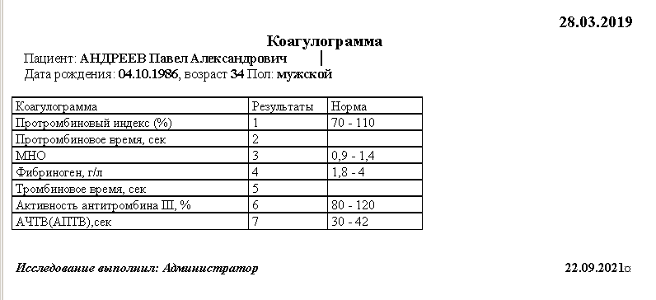
5.Коагулаграмма

SELECT DISTINCT
MOTCONSU.DATE_CONSULTATION,PATIENTS.MOBIL_TELEFON,('Анализ крови - коагулограмма') Lab,
PATIENTS.PATIENTS_ID,MOTCONSU.MOTCONSU_ID,
DATA75.DYN_1190_1424, | Протромбиновый индекс (%)
DATA75.DYN_1190_1757, | Протромбиновое время, сек | --
DATA75.DYN_1190_1758, | МНО
DATA75.DYN_1190_1760, | Тромбиновое время, сек | --
DATA75.DYN_1190_1761, | Фибриноген, г/л
DATA75.DYN_1190_1763, | Активность антитромбина III, %
DATA75.DYN_1190_1759 | АЧТВ
FROM
MOTCONSU MOTCONSU LEFT OUTER JOIN PATIENTS PATIENTS ON PATIENTS.PATIENTS_ID = MOTCONSU.PATIENTS_ID
JOIN DATA75 DATA75 ON MOTCONSU.MOTCONSU_ID = DATA75.MOTCONSU_ID
WHERE
(PATIENTS.GOSPITALIZIROVAN=1 and (LEN(MOBIL_TELEFON) >= 11) )

6.Группа крови

SELECT DISTINCT
MOTCONSU.DATE_CONSULTATION,PATIENTS.MOBIL_TELEFON,MOTCONSU.MOTCONSU_ID,
('Группа крови и резус принадлежность') Lab,
DATA78.GRUPPA_KROVI,
DATA78.REZUS_FAKTOR,
DATA78.REZUS_ANTITELA,
DATA78.ANTITELA_OBNARUGEN,
PATIENTS.PATIENTS_ID
FROM
MOTCONSU MOTCONSU LEFT OUTER JOIN PATIENTS PATIENTS ON PATIENTS.PATIENTS_ID = MOTCONSU.PATIENTS_ID
JOIN DATA78 DATA78 ON MOTCONSU.MOTCONSU_ID = DATA78.MOTCONSU_ID
WHERE
(PATIENTS.GOSPITALIZIROVAN=1 and (LEN(MOBIL_TELEFON) >= 11) )

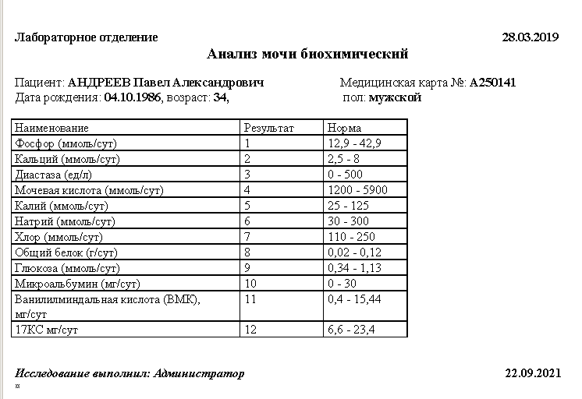
7.Биохимия мочи

SELECT DISTINCT
MOTCONSU.DATE_CONSULTATION,PATIENTS.MOBIL_TELEFON,
('Биохимический анализ мочи') Lab,MOTCONSU.MOTCONSU_ID,
DATA284.DYN_12_1788, | Фосфор
DATA284.DYN_12_1789, | Кальций
DATA284.DYN_12_1790, | Диастаза
DATA284.DYN_12_1791, | Мочевая кислота
DATA284.DYN_12_1792, | Калий
DATA284.DYN_12_1793, | Натрий
DATA284.DYN_12_1794, | Хлор
DATA284.DYN_12_1795, | Общий белок
DATA284.DYN_12_1796, | Глюкоза
DATA284.DYN_12_1797, | Микроальбумин
DATA284.DYN_12_1798, | ВМК
DATA284.DYN_12_1799, | 17КС
PATIENTS.PATIENTS_ID
FROM
MOTCONSU MOTCONSU JOIN PATIENTS PATIENTS ON PATIENTS.PATIENTS_ID = MOTCONSU.PATIENTS_ID
JOIN DATA284 DATA284 ON MOTCONSU.MOTCONSU_ID = DATA284.MOTCONSU_ID
WHERE
(PATIENTS.GOSPITALIZIROVAN=1 and (LEN(MOBIL_TELEFON) >= 11) )

8.Нечипоренко
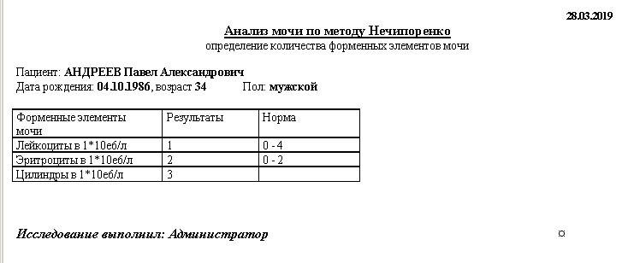
SELECT
MOTCONSU.DATE_CONSULTATION,PATIENTS.MOBIL_TELEFON,
('Анализ мочи по Нечипоренко') Lab,MOTCONSU.MOTCONSU_ID,
DATA73.DYN_1194_1437,
DATA73.DYN_1194_1438,
DATA73.DYN_1194_1439,
PATIENTS.PATIENTS_ID
FROM
MOTCONSU MOTCONSU JOIN PATIENTS PATIENTS ON PATIENTS.PATIENTS_ID = MOTCONSU.PATIENTS_ID
JOIN DATA73 DATA73 ON MOTCONSU.MOTCONSU_ID = DATA73.MOTCONSU_ID
WHERE
(PATIENTS.GOSPITALIZIROVAN=1 and (LEN(MOBIL_TELEFON) >= 11) )

9.ОАМ

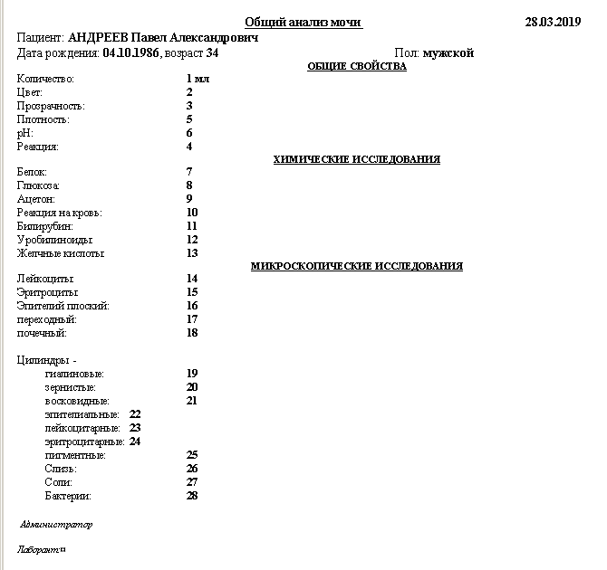
SELECT DISTINCT
MOTCONSU.DATE_CONSULTATION,PATIENTS.MOBIL_TELEFON,('Общий анализ мочи') Lab,
DATA72.KOLIHESTVO,
DATA72.CVET,
DATA72.PROZRAHNOST,
DATA72.OTNOSITEL_NAQ_PLOTNOST,
DATA72.PH,
DATA72.REAKCIQ,
DATA72.BELOK,
DATA72.GLYKOZA,
DATA72.KETONOV_E_TELA, | Ацетон
DATA72.REAKCIQ_NA_KROV,
DATA72.BILIRUBIN,
DATA72.UROBILINOID,
DATA72.GELHN_E_KISLOT,
DATA72.LEJKOCIT,
DATA72.ERITROCIT,
DATA72.EPITELIJ_PLOSKIJ,
DATA72.EPITELIJ_PERE_ODN_J,
DATA72.EPITELIJ_POHEHN_J,
DATA72.CILINDR, | Цилиндры гиалиновые
DATA72.CILINDR_ZERNIST_E,
DATA72.CILINDR_VOSKOVIDN_E,
DATA72.CILINDR_EPITELIAL_N_E,
DATA72.CILINDR_LEJKOCITARN_E,
DATA72.CILINDR_ERITROCITARN_E,
DATA72.CILINDR_PIGMANTN_E
DATA72.SLIZ,
DATA72.SOLI,
DATA72.BAKTERII,
MOTCONSU.MOTCONSU_ID,PATIENTS.PATIENTS_ID,
FROM
MOTCONSU MOTCONSU JOIN PATIENTS PATIENTS ON PATIENTS.PATIENTS_ID = MOTCONSU.PATIENTS_ID
JOIN DATA72 DATA72 ON MOTCONSU.MOTCONSU_ID = DATA72.MOTCONSU_ID
WHERE
(PATIENTS.GOSPITALIZIROVAN=1 and (LEN(MOBIL_TELEFON) >= 11) )

10.Кал

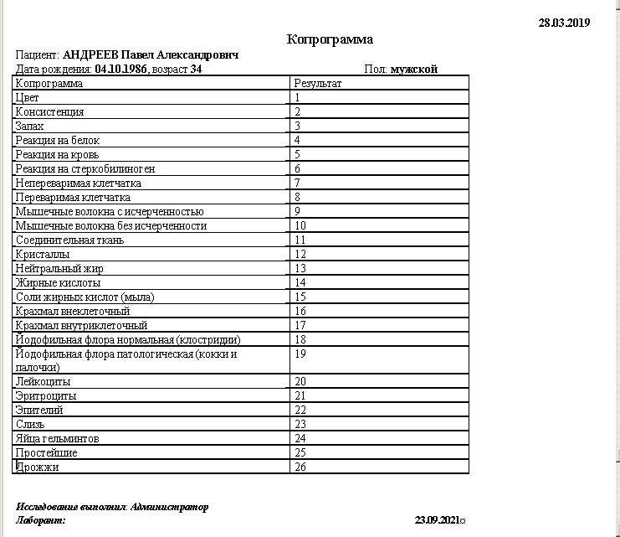
SELECT DISTINCT
MOTCONSU.DATE_CONSULTATION,PATIENTS.MOBIL_TELEFON,('Копрограмма') Lab,
DATA270.DYN_12_1676,
DATA270.DYN_12_1675,
DATA270.DYN_12_1677,
DATA270.DYN_12_1678,
DATA270.DYN_12_1679,
DATA270.DYN_12_1680,
DATA270.DYN_12_1681,
DATA270.DYN_12_1682,
DATA270.DYN_12_1683,
DATA270.DYN_12_1684,
DATA270.DYN_12_1685,
DATA270.DYN_12_1686,
DATA270.DYN_12_1687,
DATA270.DYN_12_1688,
DATA270.DYN_12_1689,
DATA270.DYN_12_1690,
DATA270.DYN_12_1691,
DATA270.DYN_12_1692,
DATA270.DYN_12_1693,
DATA270.DYN_12_1694,
DATA270.DYN_12_2070, | Эритроциты
DATA270.DYN_12_1695,
DATA270.DYN_12_1696,
DATA270.DYN_12_1697,
DATA270.DYN_12_1698,
DATA270.DYN_12_1699,
MOTCONSU.MOTCONSU_ID,PATIENTS.PATIENTS_ID
FROM
MOTCONSU MOTCONSU JOIN PATIENTS PATIENTS ON PATIENTS.PATIENTS_ID = MOTCONSU.PATIENTS_ID
JOIN DATA270 DATA270 ON MOTCONSU.MOTCONSU_ID = DATA270.MOTCONSU_ID
WHERE
(PATIENTS.GOSPITALIZIROVAN=1 and (LEN(MOBIL_TELEFON) >= 11) )
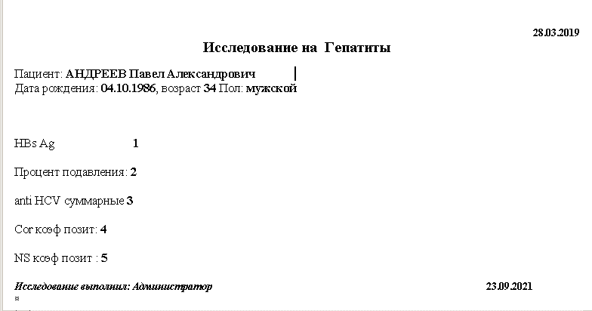

11.Гепатит

SELECT DISTINCT
MOTCONSU.DATE_CONSULTATION,PATIENTS.MOBIL_TELEFON,
('Гепатиты') Lab,MOTCONSU.MOTCONSU_ID,
DATA79.HBS_AG, | 1
DATA79.HCV, | 3
DATA79.PROCENT_PODAVLENIYA, | 2
DATA79.HCV_CORE_IGG, | 4
DATA79.HCV_NS_IGG, | 5
PATIENTS.PATIENTS_ID
FROM
MOTCONSU MOTCONSU JOIN PATIENTS PATIENTS ON PATIENTS.PATIENTS_ID = MOTCONSU.PATIENTS_ID
JOIN DATA79 DATA79 ON MOTCONSU.MOTCONSU_ID = DATA79.MOTCONSU_ID
WHERE
(PATIENTS.GOSPITALIZIROVAN=1 and (LEN(MOBIL_TELEFON) >= 11) )

12.Антитела

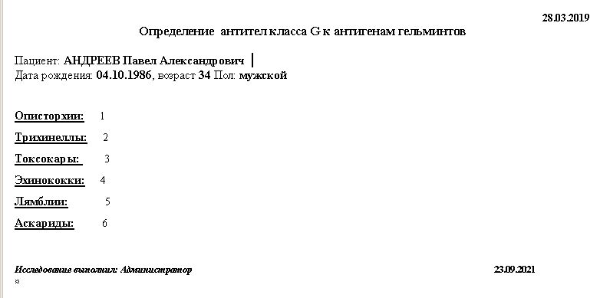
SELECT DISTINCT
MOTCONSU.DATE_CONSULTATION,PATIENTS.MOBIL_TELEFON,
('Определение антител класса G к антигенам гельминтов') Lab,
MOTCONSU.MOTCONSU_ID,
DATA321.OPISTOR_II,
DATA321.TRI_INELL,
DATA321.TOKSOKAR,
DATA321.E_INOKKOKI,
DATA321.LQMBLII,
DATA321.ASKARID,
PATIENTS.PATIENTS_ID
FROM
MOTCONSU MOTCONSU LEFT OUTER JOIN PATIENTS PATIENTS ON PATIENTS.PATIENTS_ID = MOTCONSU.PATIENTS_ID
JOIN DATA321 DATA321 ON MOTCONSU.MOTCONSU_ID = DATA321.MOTCONSU_ID
WHERE
(PATIENTS.GOSPITALIZIROVAN=1 and (LEN(MOBIL_TELEFON) >= 11) )

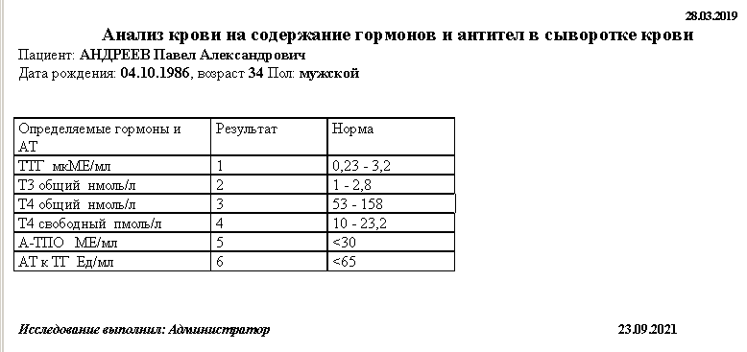
13.Гормоны ЩЖ

SELECT DISTINCT
MOTCONSU.DATE_CONSULTATION,PATIENTS.MOBIL_TELEFON,
('Гормоны щитовидной железы') Lab,
PATIENTS.PATIENTS_ID,MOTCONSU.MOTCONSU_ID,
DATA318.DYN_12_1898,
DATA318.DYN_12_1899,
DATA318.DYN_12_1900,
DATA318.DYN_12_1901,
DATA318.DYN_12_1903,
DATA318.DYN_12_1902
FROM
MOTCONSU MOTCONSU LEFT OUTER JOIN PATIENTS PATIENTS ON PATIENTS.PATIENTS_ID = MOTCONSU.PATIENTS_ID
JOIN DATA318 DATA318 ON MOTCONSU.MOTCONSU_ID = DATA318.MOTCONSU_ID
WHERE
(PATIENTS.GOSPITALIZIROVAN=1 and (LEN(MOBIL_TELEFON) >= 11) )

14.ПолГормоны НЕ НАДО!

SELECT DISTINCT
MOTCONSU.DATE_CONSULTATION,PATIENTS.MOBIL_TELEFON,('Половые гормоны') Lab,
PATIENTS.PATIENTS_ID,MOTCONSU.MOTCONSU_ID,
DATA89.DATA89_ID,
DATA89.PATIENTS_ID DATA89_PATIENTS_ID,
DATA89.DATE_CONSULTATION DATA89_DATE_CONSULTATION,
DATA89.MOTCONSU_ID DATA89_MOTCONSU_ID,
DATA89.POL,
DATA89.FAZA,
DATA89.DYN_1200_1457,
DATA89.DYN_1200_1456,
DATA89.DYN_1200_1455,
DATA89.DYN_1200_1460,
DATA89.DYN_1200_1952,
DATA89.DYN_1200_1953,
DATA89.DYN_1200_1458,
DATA89.DYN_1200_1459,
DATA89.DYN_1200_1461,
DATA89.DYN_1200_1468,
DATA89.DYN_1200_1465,
DATA89.DYN_1200_1469,
DATA89.DYN_1200_1467,
DATA89.KRN_CREATE_DATE,
DATA89.KRN_CREATE_USER_ID,
DATA89.KRN_MODIFY_DATE,
DATA89.KRN_MODIFY_USER_ID
FROM
MOTCONSU MOTCONSU LEFT OUTER JOIN PATIENTS PATIENTS ON PATIENTS.PATIENTS_ID = MOTCONSU.PATIENTS_ID
JOIN DATA89 DATA89 ON MOTCONSU.MOTCONSU_ID = DATA89.MOTCONSU_ID
WHERE
(PATIENTS.GOSPITALIZIROVAN=1 and (LEN(MOBIL_TELEFON) >= 11) )

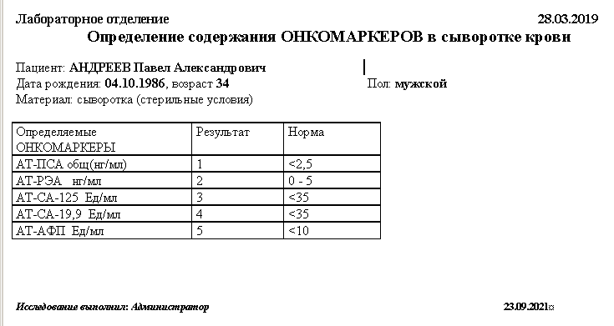
15.ОнкоМаркеры

SELECT DISTINCT
MOTCONSU.DATE_CONSULTATION,PATIENTS.MOBIL_TELEFON,('Онкомаркеры') Lab,
PATIENTS.PATIENTS_ID,MOTCONSU.MOTCONSU_ID,
DATA266.DYN_12_1650, | 2
DATA266.DYN_12_1652, | 3
DATA266.DYN_12_1651, | 4
DATA266.DYN_12_1655, | 5
DATA266.DYN_12_1657 | 1 | ???
FROM
MOTCONSU MOTCONSU LEFT OUTER JOIN PATIENTS PATIENTS ON PATIENTS.PATIENTS_ID = MOTCONSU.PATIENTS_ID
JOIN DATA266 DATA266 ON MOTCONSU.MOTCONSU_ID = DATA266.MOTCONSU_ID
WHERE
(PATIENTS.GOSPITALIZIROVAN=1 and (LEN(MOBIL_TELEFON) >= 11) )

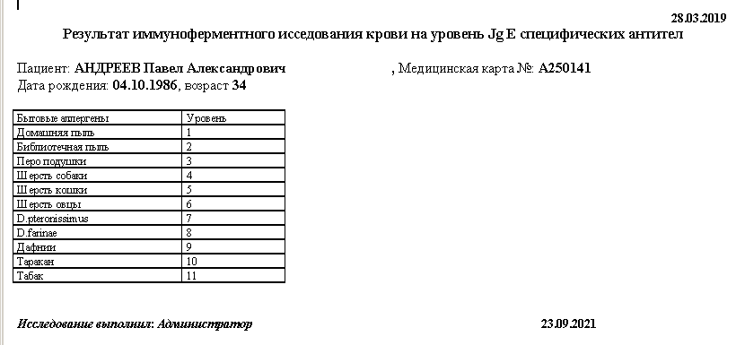
18.Аллергены

SELECT DISTINCT
MOTCONSU.DATE_CONSULTATION,PATIENTS.MOBIL_TELEFON,('Аллергологическое исследование сыворотки крови') Lab,
MOTCONSU.MOTCONSU_ID,DATA261.DYN_1210_1580,
DATA261.DYN_1210_1585,DATA261.DYN_1210_1584,DATA261.DYN_1210_1587,DATA261.DYN_1210_1588,DATA261.DYN_1210_1906,
DATA261.DYN_1210_1907,DATA261.DYN_1210_1908,DATA261.DYN_1210_1586,DATA261.DYN_1210_1583,DATA261.DYN_1210_1909,
DATA261.DYN_1210_1915,DATA261.DYN_1210_1914,DATA261.DYN_1210_1913,DATA261.DYN_1210_1912,DATA261.DYN_1210_1578,
DATA261.DYN_1210_1911,DATA261.DYN_1210_1572,DATA261.DYN_1210_1910,DATA261.DYN_1210_1573,DATA261.DYN_1210_1574,
DATA261.DYN_1210_1983,DATA261.DYN_1210_1575,DATA261.DYN_1210_1954,DATA261.DYN_1210_1577,DATA261.DYN_1210_1579,
DATA261.DYN_1210_1955,DATA261.DYN_1210_1956,DATA261.DYN_1210_1957,DATA261.DYN_1210_1958,DATA261.DYN_1210_1959,
DATA261.DYN_1210_1576,DATA261.DYN_1210_1960,DATA261.DYN_1210_1916,DATA261.DYN_1210_1917,DATA261.DYN_1210_1918,
DATA261.DYN_1210_1919,DATA261.DYN_1210_1920,DATA261.DYN_1210_1921,DATA261.DYN_1210_1922,DATA261.DYN_1210_1923,
DATA261.DYN_1210_1924,DATA261.DYN_1210_1925,DATA261.DYN_1210_1926,DATA261.DYN_1210_1927,DATA261.DYN_1210_1928,
DATA261.DYN_1210_1929,DATA261.DYN_1210_1930,DATA261.DYN_1210_1931,DATA261.DYN_1210_1932,DATA261.DYN_1210_1933,
DATA261.DYN_1210_1934,DATA261.DYN_1210_1935,DATA261.DYN_1210_1936,DATA261.DYN_1210_1937,DATA261.DYN_1210_1941,
DATA261.DYN_1210_1597,DATA261.DYN_1210_1596,DATA261.DYN_1210_1942,DATA261.DYN_1210_1943,DATA261.DYN_1210_1602,
DATA261.DYN_1210_1944,DATA261.DYN_1210_1945,DATA261.DYN_1210_1946,DATA261.DYN_1210_1947,DATA261.DYN_1210_1948,
DATA261.DYN_1210_1590,DATA261.DYN_1210_1938,DATA261.DYN_1210_1949,DATA261.DYN_1210_1591,DATA261.DYN_1210_1600,
DATA261.DYN_1210_1940,DATA261.DYN_1210_1601,DATA261.DYN_1210_1592,DATA261.DYN_1210_1595,DATA261.DYN_1210_1599,
DATA261.DYN_1210_1939,DATA261.DYN_1210_2042,DATA261.DYN_1210_2043,DATA261.DYN_1210_2044,DATA261.DYN_1210_2045,
DATA261.DYN_1210_2046,DATA261.DYN_1210_2047,DATA261.DYN_1210_2048,DATA261.DYN_1210_2049,DATA261.DYN_1210_2050,
DATA261.DYN_1210_2051,DATA261.DYN_1210_2052,DATA261.DYN_1210_2053,DATA261.DYN_1210_2054,DATA261.DYN_1210_2055,
DATA261.DYN_1210_2056,DATA261.DYN_1210_2057,DATA261.DYN_1210_2058,DATA261.DYN_1210_2059,
PATIENTS.PATIENTS_ID
FROM
MOTCONSU MOTCONSU JOIN PATIENTS PATIENTS ON PATIENTS.PATIENTS_ID = MOTCONSU.PATIENTS_ID
JOIN DATA261 DATA261 ON MOTCONSU.MOTCONSU_ID = DATA261.MOTCONSU_ID
WHERE
(PATIENTS.GOSPITALIZIROVAN=1 and (LEN(MOBIL_TELEFON) >= 11) )

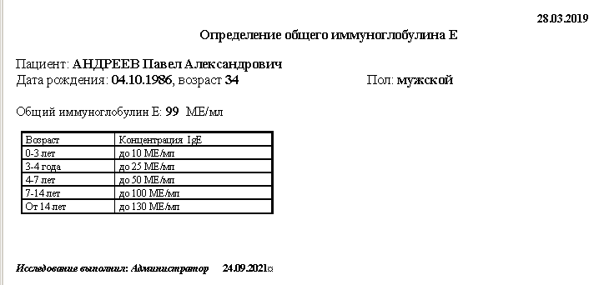

19.Иммуногл

SELECT DISTINCT
MOTCONSU.DATE_CONSULTATION,('Определение общего иммуноглобулина Е') Lab,
PATIENTS.MOBIL_TELEFON,MOTCONSU.MOTCONSU_ID,
DATA269.DYN_12_1673,
PATIENTS.PATIENTS_ID
FROM
MOTCONSU MOTCONSU LEFT OUTER JOIN PATIENTS PATIENTS ON PATIENTS.PATIENTS_ID = MOTCONSU.PATIENTS_ID
JOIN DATA269 DATA269 ON MOTCONSU.MOTCONSU_ID = DATA269.MOTCONSU_ID
WHERE
(PATIENTS.GOSPITALIZIROVAN=1 and (LEN(MOBIL_TELEFON) >= 11) )

20.Хеликобактер

SELECT DISTINCT
MOTCONSU.DATE_CONSULTATION,PATIENTS.MOBIL_TELEFON,
('Исследование крови на антитела к Helicobacter Pylori') Lab,
MOTCONSU.MOTCONSU_ID,
DATA171.H_PYLORI,
PATIENTS.PATIENTS_ID
FROM
MOTCONSU MOTCONSU LEFT OUTER JOIN PATIENTS PATIENTS ON PATIENTS.PATIENTS_ID = MOTCONSU.PATIENTS_ID
JOIN DATA171 DATA171 ON MOTCONSU.MOTCONSU_ID = DATA171.MOTCONSU_ID
WHERE
(PATIENTS.GOSPITALIZIROVAN=1 and (LEN(MOBIL_TELEFON) >= 11) )
AND (DATA171.H_PYLORI is not null)

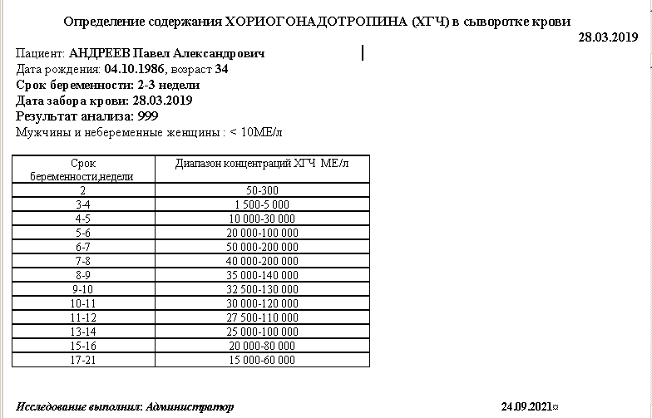
21.ХГЧ

SELECT DISTINCT
MOTCONSU.DATE_CONSULTATION,PATIENTS.MOBIL_TELEFON,('ХГЧ') Lab,MOTCONSU.MOTCONSU_ID,
DATA317.REZUL_TAT_ANALIZA,
DATA317.DATA_ZABORA_KROVI,
DATA317.SROK_BEREMENNOSTI,
PATIENTS.PATIENTS_ID
FROM
MOTCONSU MOTCONSU JOIN PATIENTS PATIENTS ON PATIENTS.PATIENTS_ID = MOTCONSU.PATIENTS_ID
JOIN DATA317 DATA317 ON MOTCONSU.MOTCONSU_ID = DATA317.MOTCONSU_ID
WHERE
(PATIENTS.GOSPITALIZIROVAN=1 and (LEN(MOBIL_TELEFON) >= 11) )

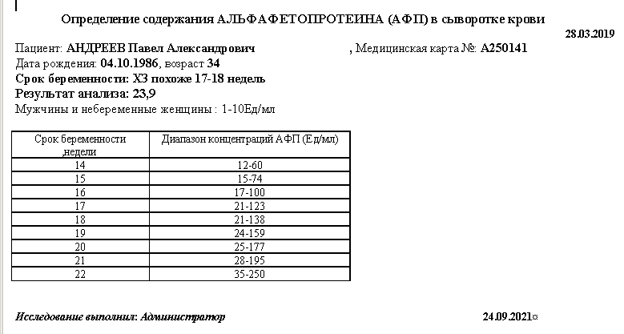
22.АФП

SELECT DISTINCT
MOTCONSU.DATE_CONSULTATION,PATIENTS.MOBIL_TELEFON,('АФП беременным') Lab,
MOTCONSU.MOTCONSU_ID,
DATA316.DATA_ZABORA_KROVI,
DATA316.SROK_BEREMENNOSTI,
DATA316.REZUL_TAT_ANALIZA,
PATIENTS.PATIENTS_ID
FROM
MOTCONSU MOTCONSU JOIN PATIENTS PATIENTS ON PATIENTS.PATIENTS_ID = MOTCONSU.PATIENTS_ID
JOIN DATA316 DATA316 ON MOTCONSU.MOTCONSU_ID = DATA316.MOTCONSU_ID
WHERE
(PATIENTS.GOSPITALIZIROVAN=1 and (LEN(MOBIL_TELEFON) >= 11) )

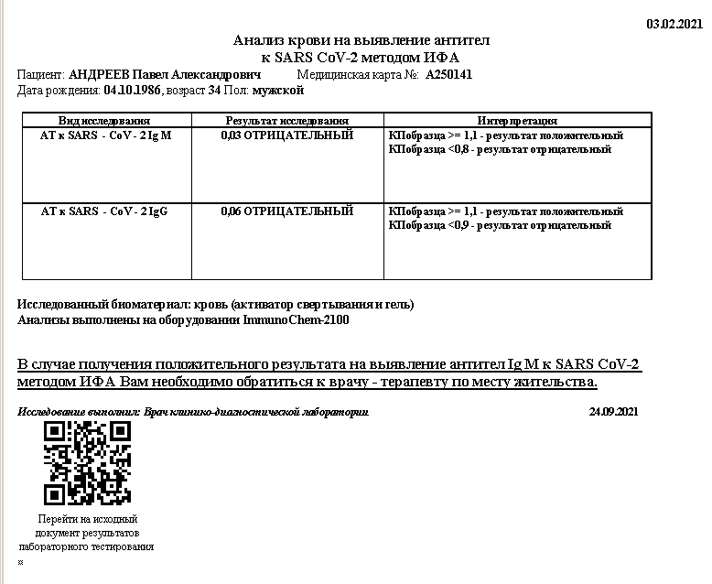
24.COVID

SELECT DISTINCT
MOTCONSU.DATE_CONSULTATION,PATIENTS.MOBIL_TELEFON,
('Определение антител к SARS-CoV-2') Lab,
MOTCONSU.MOTCONSU_ID,PATIENTS.PATIENTS_ID,
DATA346.SARS_COV_2_M DATA346_SARS_COV_2_M,
DATA346.SARS_COV_2_G DATA346_SARS_COV_2_G
FROM
MOTCONSU MOTCONSU LEFT OUTER JOIN PATIENTS PATIENTS ON PATIENTS.PATIENTS_ID = MOTCONSU.PATIENTS_ID
JOIN DATA346 DATA346 ON MOTCONSU.MOTCONSU_ID = DATA346.MOTCONSU_ID
WHERE
(PATIENTS.GOSPITALIZIROVAN=1 and (LEN(MOBIL_TELEFON) >= 11) )

