Example
A3 - Structured Problem Solving |  |  |  | Title: |  | Assembly Line 3 Downtime reduction

 |  |  |  | ID: |  |  |  | Sponsor: |  | PM:

Project Team: | S Johnson, M Williams, E, Smith, J Brown, L Miller |  |  |  |  |  |  | Start Date: | 2023-10-29 | Last Updated: | 2023-10-29

A. Describe Problem / Issue |  |  |  |  |  |  | C. Solve Problem / Issue
1. Problem Description / Current Condition / Containment Actions |  | 3. Key-Questions | Is |  | Is Not |  | 5. Corrective Action
Over the past three months, machine downtime on Automotive Assembly Line No.3 has increased by 30%. This has predominantly affected the assembly line workers and leads, leading to production delays and higher labor costs. Current Condition: Average downtime is currently 90 minutes per day per machine, causing a delay in the production of approximately 40 cars per day. Containment Actions: Temporary overtime shifts have been added to meet production goals, leading to an increase in labor costs.
 |  | What | Increased machine downtime by 30% |  | Affecting all machinery on the floor
 |  | What is the problem/defect?

 |  | Where? | Automotive assembly line No.3 |  | Present in assembly lines No.1 and No.2
 |  | Where is the problem?

2. Goal Statement / Target Condition |  | When? | Over the past 3 months |  | An issue that has been consistent over the years |  | 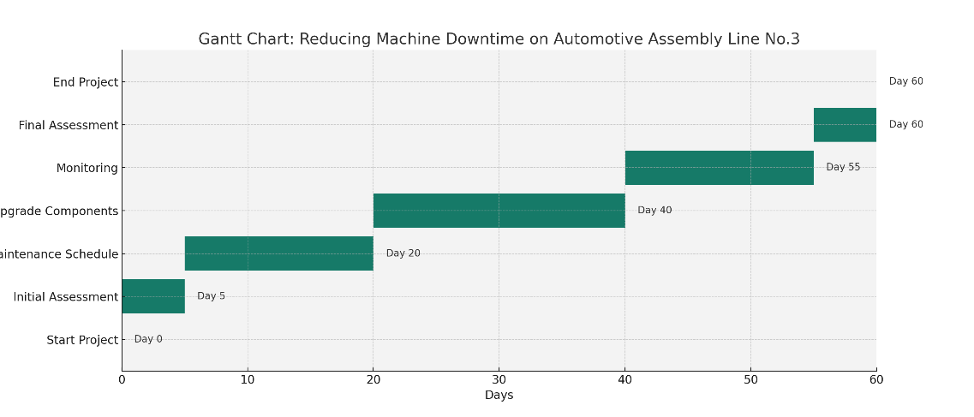
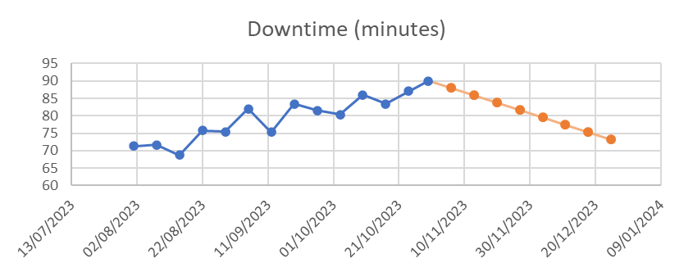 Our goal is to achieve at least a 20% reduction in machine downtime on Automotive Assembly Line No.3, lowering it from 90 minutes to no more than 72 minutes per day per machine, within the next 60 days. This will be accomplished through the implementation of a weekly preventive maintenance schedule and upgrading critical machine components. This reduction is crucial for increasing productivity and reducing labor costs, aligning with our overall business objectives. |  | When is the problem observed

 |  | How? | Through interruptions in the assembly process |  | Through supply chain or external factors
 |  | How is it a problem?

 |  | Who? | Affects assembly line workers and leads |  | Affecting administrative staff
 |  | Who is involved?

B. Find Root Cause of Problem / Issue |  |  |  |  |  |  | D. Validate Solution and Standardize
4. Technical & Systemic Root Cause |  |  |  |  |  |  | 6. Effect Confirmation

5 Whys Analysis for Lack of Preventive Maintenance
1. Why are machines not serviced regularly?
There is no established schedule for preventive maintenance.
2. Why is there no established schedule for preventive maintenance?
Management has not prioritized creating a preventive maintenance plan.
3. Why has management not prioritized creating a preventive maintenance plan?
They are under the impression that it would be too costly and time-consuming.
4. Why do they think it would be too costly and time-consuming?
There is a lack of data showing the long-term benefits and cost-savings of preventive maintenance.
5. Why is there a lack of data showing the long-term benefits and cost-savings of preventive maintenance?
The organization has not invested in tracking this kind of data, focusing instead on immediate, short-term gains.
Assembly Line 3 Downtime (minutes)
 | Downtime (minutes)
45139 | 71.3
45146 | 71.64
45153 | 68.7
45160 | 75.81
45167 | 75.48
45174 | 81.95
45181 | 75.3
45188 | 83.41
45195 | 81.53
45202 | 80.3
45209 | 86.02
45216 | 83.4
45223 | 87.02
45230 | 84.3
45237 | 82.1
45244 | 81.7
45251 | 81.3
45258 | 79.2
45265 | 78.4
45272 | 77.8
45279 | 60.9
45286 | 59.4
45293 | 58.2
45300 | 57.5
45307 | 55.9
45314 | 54.6
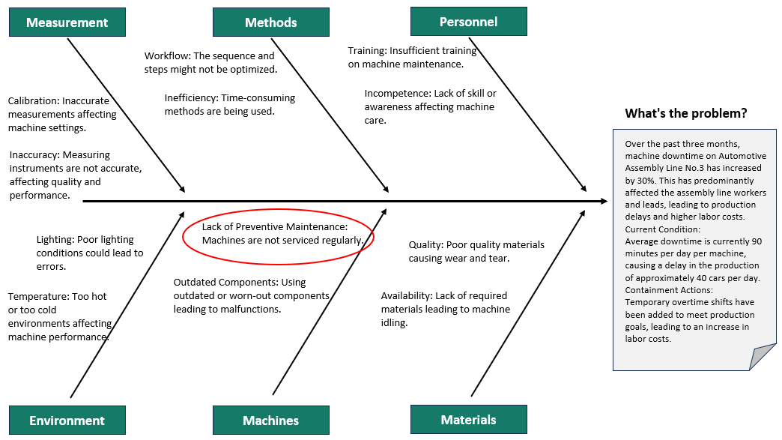

 |  |  |  |  |  |  | 7. Read Across / Preventive Action / Lessons Learned

Lessons Learned:
Cost of Inaction: Neglecting regular maintenance can lead to more significant downtimes and, in turn, higher costs in terms of production losses and emergency repairs.
Training is Crucial: Ensuring that the maintenance team is well-trained and updated with the latest best practices is essential for machine longevity and optimal performance.
Data-Driven Decision Making: Using data to analyze the problem helped in understanding the gravity of the situation and drove the decision-making process. Continuous monitoring post-implementation helped validate the effectiveness of the solutions.
Importance of Early Detection: By identifying and addressing potential issues early on, many machine-related problems can be nipped in the bud, preventing larger, more costly issues down the line.
Stakeholder Buy-in: Securing management's buy-in was essential for the success of the preventive maintenance plan. Their support was crucial in terms of resources, approvals, and company-wide implementation.
Continuous Improvement: Even after implementing solutions, the need for continuous review and improvement is paramount. What works today might need adjustments tomorrow based on evolving business needs and challenges.

