About

ABOUT

EMPLOYEES
PROJECT DEVELOPER :

SALARY
This Wonderful Project is created by ANKIT KUMAR SINGH

ABOUT

VERSION

This Project is created in excel 2021 version , but you can use excel 2013 or any other latest version.

employees
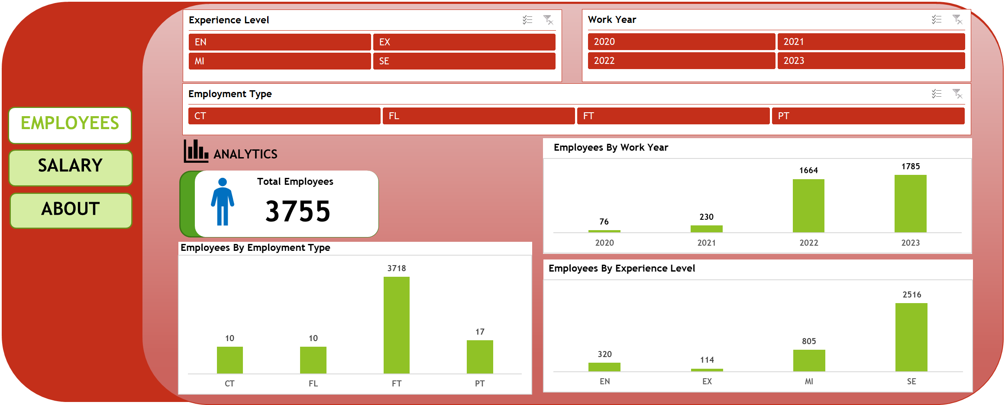

salary
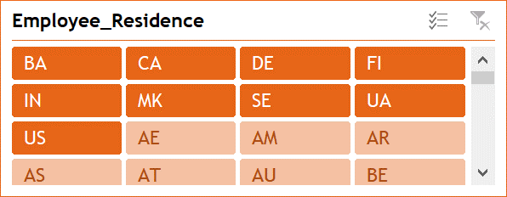

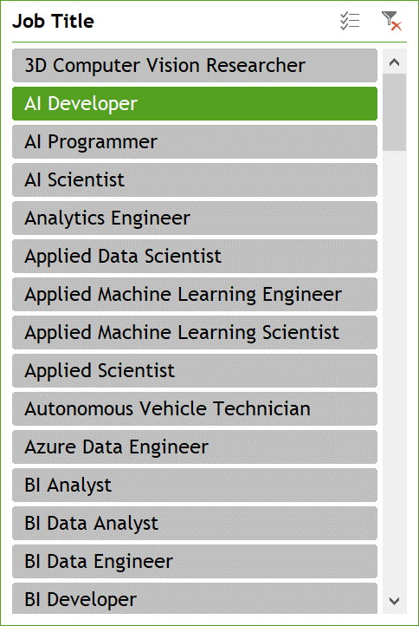

EMPLOYEES

SALARY

ABOUT
 | Count of job_title | Average of salary
AI Developer | 11 | 137181.81818

