Dashbord
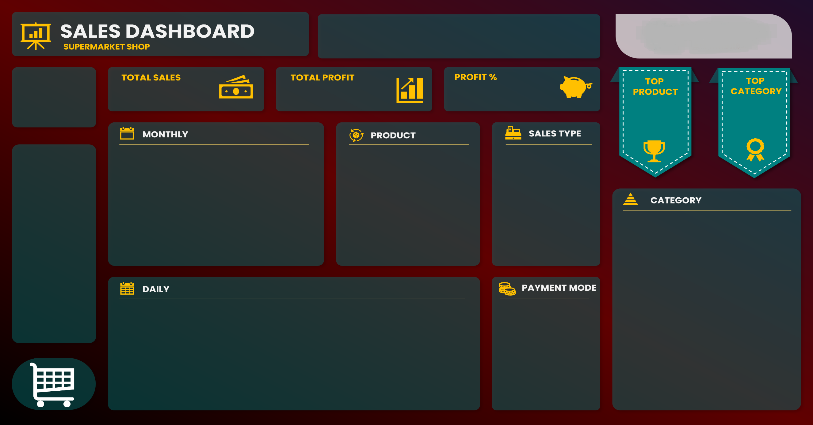
Ankit kumar singh

$401,411.92
$68,907.92
21%
Product41
Ft
132
Category04
95269.4
$22,952.16
$95,269.40

 | Sales | Profit
Jan | $41,346.96 | $7,056.96
Feb | $30,857.30 | $5,516.30
Mar | $28,616.65 | $5,179.65
Apr | $26,579.11 | $5,297.11
May | $30,910.45 | $4,384.45
Jun | $30,533.71 | $5,654.71
Jul | $35,251.79 | $5,373.79
Aug | $35,350.40 | $5,519.40
Sep | $35,242.81 | $6,484.81
Oct | $33,500.69 | $5,658.69
Nov | $36,124.07 | $6,818.07
Dec | $37,097.98 | $5,963.98
Product01 | $9,764.72
Product02 | $13,423.20
Product03 | $6,394.26
Product04 | $6,056.16
Product05 | $15,716.61
Product06 | $4,531.50
Product07 | $2,291.04
Product08 | $10,502.82
Product09 | $581.64
Product10 | $16,428.00
 | Total
Direct Sales | 208140.15
Online | 133923.87
Wholesaler | 59347.9

 | Total
1 | $13,167.81
2 | $13,210.22
3 | $20,202.10
4 | $11,312.20
5 | $11,711.45
6 | $14,365.54
7 | $7,132.79
8 | $14,262.46
9 | $16,824.67
10 | $15,229.35
11 | $11,915.58
12 | $14,837.36
13 | $8,084.26
14 | $9,461.14
15 | $12,189.70
16 | $12,762.63
17 | $3,659.24
18 | $18,582.39
19 | $10,204.23
20 | $20,482.78
21 | $10,665.40
22 | $11,315.84
23 | $18,818.19
24 | $11,488.40
25 | $18,688.43
26 | $13,710.08
27 | $11,440.67
28 | $13,306.16
29 | $8,794.48
30 | $16,666.27
31 | $6,920.10
 | Total
Cash | 199516.9
Online | 201895.02

Analyst
 |  |  |  |  |  |  |  |  |  |  |  | VALUE |  |  |  |  | Product41 | Ft | $22,952.16 | 132 | 1 | 88 |  |  |  | Category04 | $95,269.40
SOME OF TOTAL SEALLING VALUE |  |  | VALUE |  |  | VALUE |  |  | TRUE | TRUE | TRUE | PRODUCT | UOM | Sum of TOTAL SELLING VALUE | Sum of QUANTITY |  |  |  |  |  |  |  | SOME OF TOTAL SEALLING VALUE |  |  |  |  | SOME OF TOTAL SEALLING VALUE |  | SOME OF TOTAL SEALLING VALUE
DAY | Total |  | Sum of TOTAL BUYING VALUE | Sum of TOTAL SELLING VALUE | month | Sum of TOTAL BUYING VALUE | Sum of TOTAL SELLING VALUE | Month | Sales | Profit | Profit % | Product01 | Kg | $9,764.72 | 94 | 19 | Product01 | Kg | $9,764.72 | 94 | Product01 | $9,764.72 | CATEGORY | TOTAL |  |  |  | SALE TYPE | TOTAL | PAYMENT MODE | TOTAL
1 | $13,167.81 | TOTAL | 332504 | 401411.92 | Jan | 34290 | 41346.96 | Jan | $41,346.96 | $7,056.96 | 21% | Product02 | Kg | $13,423.20 | 94 | 10 | Product02 | Kg | $13,423.20 | 94 | Product02 | $13,423.20 | Category01 | 69261.95 | 4 | Category01 | $69,261.95 | Direct Sales | 208140.15 | Cash | 199516.9
2 | $13,210.22 |  |  |  | Feb | 25341 | 30857.3 | Feb | $30,857.30 | $5,516.30 | 22% | Product03 | Kg | $6,394.26 | 79 | 24 | Product03 | Kg | $6,394.26 | 79 | Product03 | $6,394.26 | Category02 | 92963.87 | 2 | Category02 | $92,963.87 | Online | 133923.87 | Online | 201895.02
3 | $20,202.10 |  | Total Sale | $401,411.92 | Mar | 23437 | 28616.65 | Mar | $28,616.65 | $5,179.65 | 22% | Product04 | Lt | $6,056.16 | 124 | 27 | Product04 | Lt | $6,056.16 | 124 | Product04 | $6,056.16 | Category03 | 52299.51 | 3 | Category03 | $52,299.51 | Wholesaler | 59347.9
4 | $11,312.20 |  | Total profit | $68,907.92 | Apr | 21282 | 26579.11 | Apr | $26,579.11 | $5,297.11 | 25% | Product05 | Ft | $15,716.61 | 101 | 8 | Product05 | Ft | $15,716.61 | 101 | Product05 | $15,716.61 | Category04 | 95269.4 | 1 | Category04 | $95,269.40
5 | $11,711.45 |  | profit % | 21% | May | 26526 | 30910.45 | May | $30,910.45 | $4,384.45 | 17% | Product06 | Kg | $4,531.50 | 53 | 30 | Product06 | Kg | $4,531.50 | 53 | Product06 | $4,531.50 | Category05 | 91617.19 | 1 | Category05 | $91,617.19
6 | $14,365.54 |  |  |  | Jun | 24879 | 30533.71 | Jun | $30,533.71 | $5,654.71 | 23% | Product07 | Lt | $2,291.04 | 48 | 33 | Product07 | Lt | $2,291.04 | 48 | Product07 | $2,291.04
7 | $7,132.79 |  |  |  | Jul | 29878 | 35251.79 | Jul | $35,251.79 | $5,373.79 | 18% | Product08 | Kg | $10,502.82 | 111 | 13 | Product08 | Kg | $10,502.82 | 111 | Product08 | $10,502.82
8 | $14,262.46 |  |  |  | Aug | 29831 | 35350.4 | Aug | $35,350.40 | $5,519.40 | 19% | Product09 | No. | $581.64 | 74 | 36 | Product09 | No. | $581.64 | 74 | Product09 | $581.64
9 | $16,824.67 |  |  |  | Sep | 28758 | 35242.81 | Sep | $35,242.81 | $6,484.81 | 23% | Product10 | Ft | $16,428.00 | 100 | 5 | Product10 | Ft | $16,428.00 | 100 | Product10 | $16,428.00
10 | $15,229.35 |  |  |  | Oct | 27842 | 33500.69 | Oct | $33,500.69 | $5,658.69 | 20% | Product11 | Lt | $5,856.40 | 121 | 24 | Product11 | Lt | $5,856.40 | 121
11 | $11,915.58 |  |  |  | Nov | 29306 | 36124.07 | Nov | $36,124.07 | $6,818.07 | 23% | Product12 | Kg | $11,582.91 | 123 | 10 | Product12 | Kg | $11,582.91 | 123
12 | $14,837.36 |  |  |  | Dec | 31134 | 37097.98 | Dec | $37,097.98 | $5,963.98 | 19% | Product13 | Kg | $8,423.52 | 69 | 16 | Product13 | Kg | $8,423.52 | 69
13 | $8,084.26 |  |  |  |  |  |  |  |  |  |  | Product14 | Kg | $12,764.64 | 87 | 9 | Product14 | Kg | $12,764.64 | 87
14 | $9,461.14 |  |  |  |  |  |  |  |  |  |  | Product15 | No. | $1,839.24 | 117 | 28 | Product15 | No. | $1,839.24 | 117
15 | $12,189.70 |  |  |  |  |  |  |  |  |  |  | Product16 | No. | $1,996.80 | 120 | 27 | Product16 | No. | $1,996.80 | 120
16 | $12,762.63 |  |  |  |  |  |  |  |  |  |  | Product17 | Ft | $9,877.14 | 63 | 12 | Product17 | Ft | $9,877.14 | 63
17 | $3,659.24 |  |  |  |  |  |  |  |  |  |  | Product18 | No. | $4,035.22 | 82 | 23 | Product18 | No. | $4,035.22 | 82
18 | $18,582.39 |  |  |  |  |  |  |  |  |  |  | Product19 | Ft | $20,160.00 | 96 | 4 | Product19 | Ft | $20,160.00 | 96
19 | $10,204.23 |  |  |  |  |  |  |  |  |  |  | Product20 | Lt | $8,006.25 | 105 | 13 | Product20 | Lt | $8,006.25 | 105
20 | $20,482.78 |  |  |  |  |  |  |  |  |  |  | Product21 | Ft | $10,727.64 | 66 | 8 | Product21 | Ft | $10,727.64 | 66
21 | $10,665.40 |  |  |  |  |  |  |  |  |  |  | Product22 | Ft | $9,909.90 | 70 | 9 | Product22 | Ft | $9,909.90 | 70
22 | $11,315.84 |  |  |  |  |  |  |  |  |  |  | Product23 | Ft | $12,853.56 | 86 | 7 | Product23 | Ft | $12,853.56 | 86
23 | $18,818.19 |  |  |  |  |  |  |  |  |  |  | Product24 | Ft | $10,202.40 | 65 | 7 | Product24 | Ft | $10,202.40 | 65
24 | $11,488.40 |  |  |  |  |  |  |  |  |  |  | Product25 | No. | $599.76 | 72 | 20 | Product25 | No. | $599.76 | 72
25 | $18,688.43 |  |  |  |  |  |  |  |  |  |  | Product26 | No. | $2,761.92 | 112 | 18 | Product26 | No. | $2,761.92 | 112
26 | $13,710.08 |  |  |  |  |  |  |  |  |  |  | Product27 | Lt | $6,226.08 | 109 | 12 | Product27 | Lt | $6,226.08 | 109
27 | $11,440.67 |  |  |  |  |  |  |  |  |  |  | Product28 | No. | $4,682.72 | 112 | 15 | Product28 | No. | $4,682.72 | 112
28 | $13,306.16 |  |  |  |  |  |  |  |  |  |  | Product29 | Lt | $5,523.44 | 104 | 13 | Product29 | Lt | $5,523.44 | 104
29 | $8,794.48 |  |  |  |  |  |  |  |  |  |  | Product30 | Ft | $22,945.92 | 114 | 2 | Product30 | Ft | $22,945.92 | 114
30 | $16,666.27 |  |  |  |  |  |  |  |  |  |  | Product31 | Kg | $6,249.60 | 60 | 10 | Product31 | Kg | $6,249.60 | 60
31 | $6,920.10 |  |  |  |  |  |  |  |  |  |  | Product32 | Kg | $16,329.72 | 139 | 4 | Product32 | Kg | $16,329.72 | 139
 |  |  |  |  |  |  |  |  |  |  |  | Product33 | Kg | $13,645.80 | 114 | 4 | Product33 | Kg | $13,645.80 | 114
 |  |  |  |  |  |  |  |  |  |  |  | Product34 | Lt | $8,978.20 | 154 | 4 | Product34 | Lt | $8,978.20 | 154
 |  |  |  |  |  |  |  |  |  |  |  | Product35 | No. | $703.50 | 105 | 10 | Product35 | No. | $703.50 | 105
 |  |  |  |  |  |  |  |  |  |  |  | Product36 | Kg | $7,222.50 | 75 | 6 | Product36 | Kg | $7,222.50 | 75
 |  |  |  |  |  |  |  |  |  |  |  | Product37 | Kg | $5,145.60 | 60 | 7 | Product37 | Kg | $5,145.60 | 60
 |  |  |  |  |  |  |  |  |  |  |  | Product38 | Kg | $8,871.12 | 111 | 4 | Product38 | Kg | $8,871.12 | 111
 |  |  |  |  |  |  |  |  |  |  |  | Product39 | No. | $3,957.15 | 93 | 6 | Product39 | No. | $3,957.15 | 93
 |  |  |  |  |  |  |  |  |  |  |  | Product40 | Kg | $7,718.40 | 67 | 4 | Product40 | Kg | $7,718.40 | 67
 |  |  |  |  |  |  |  |  |  |  |  | Product41 | Ft | $22,952.16 | 132 | 1 | Product41 | Ft | $22,952.16 | 132
 |  |  |  |  |  |  |  |  |  |  |  | Product42 | Ft | $20,574.00 | 127 | 1 | Product42 | Ft | $20,574.00 | 127
 |  |  |  |  |  |  |  |  |  |  |  | Product43 | Kg | $6,064.84 | 73 | 2 | Product43 | Kg | $6,064.84 | 73
 |  |  |  |  |  |  |  |  |  |  |  | Product44 | Kg | $16,333.92 | 199 | 1 | Product44 | Kg | $16,333.92 | 199

