Sheet1
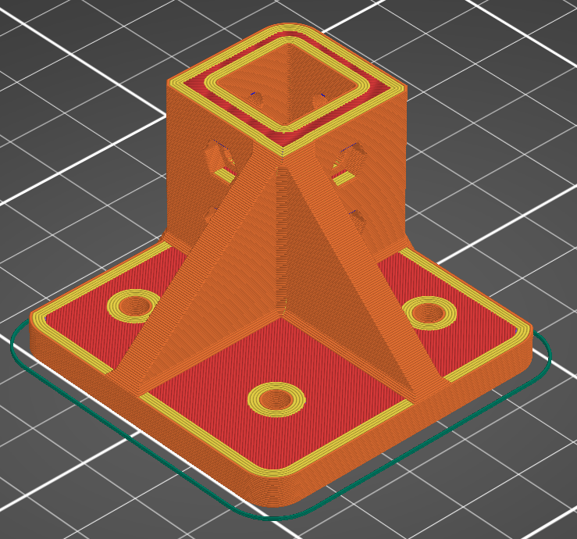
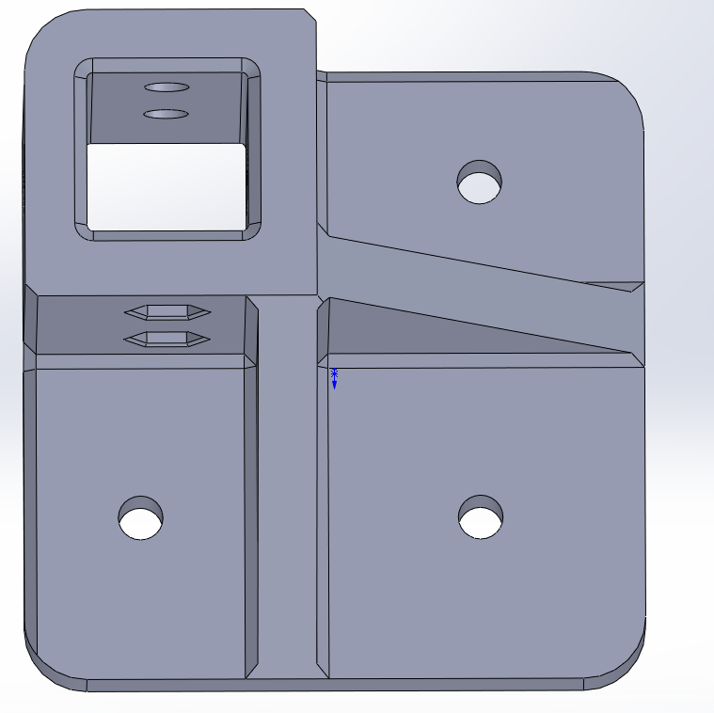
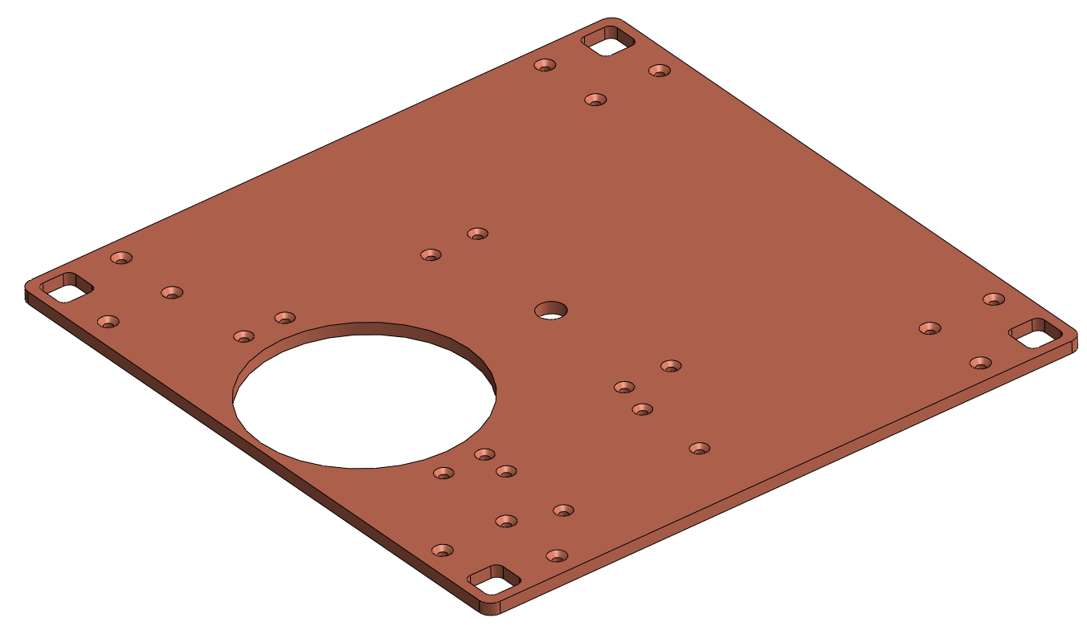
COMPONENT NAME: | QUANTITY | VOLUME: L*W*H (mm) | SUPPORTS: | ORIENTATION SPECIFIC: | LAYER HEIGHT: | EXTRUSION WIDTH: | INFILL/PERIMETER OVERLAP: | INFILL: | # PERIMETERS: | SOLID LAYERS: TOP AND BOTTOM | MATERIAL:
SQUARE TUBE BRACKET | 8 | 50x50x30 | NO | YES | 0.2 | 0.5 | 25% | 15% | 5 | 4 | PLA/PETG/ABS
BRACKET_THROUGH | 4 | 50x50x30
MID_PANEL | 1 | 255x255x5
TOP_PLATE | 1 | 255x255x5

