eNotify-ezNotify
\ | Name | Test Folder | Risk | Priority | Description | Objective | Pre Conditions | Validation Input | Validation Expected Result | Steps
TC1399 | SS: ezNotify: Add activation notification status- CANCELLED | TF1644: eNotify: ezNotify | Low | Useful | Must show the status in real time and be able to change correctly to update that status as the refresh occurs. The statuses include: ('SCHEDULED', 'IN PROGRESS', 'DONE', 'CANCELLED', 'EXPIRED') | Check to see that the status shows up correctly under the ""My Recent Activations"" on the left hand side of eznotify. | Events can be activated in the system in order to monitor their status. |  |  | 3
TC1400 | SS: ezNotify: Add Activation Notification Status: DONE | TF1644: eNotify: ezNotify | Low | Useful | Must show the status in real time and be able to change correctly to update that status as the refresh occurs. The statuses include: ('SCHEDULED', 'IN PROGRESS', 'DONE', 'CANCELLED', 'EXPIRED') | Check to see that the status shows up correctly under the ""My Recent Activations"" on the left hand side of eznotify. | Events can be activated in the system in order to monitor their status. |  |  | 3
TC1401 | SS: ezNotify: add instruction field to main page | TF1644: eNotify: ezNotify | Low | Useful |  | Display instructions on the main page successfully. | Edit layout_config.properties and add something like ezNotify to the new property created like this: instruction_type=ezNotify Then go into smart center and add the instruction type and then assign it to a listing, adding the date range as well. |  |  | 1
TC1402 | SS: ezNotify: add instruction field to main page- Add characters or borders. | TF1644: eNotify: ezNotify | Low | Useful |  | Display instructions on the main page successfully. | Edit layout_config.properties and add something like ezNotify to the new property created like this: instruction_type=ezNotify Then go into smart center and add the instruction type and then assign it to a listing, adding the date range as well. |  |  | 3
TC5014 | SS: ezNotify: Verify Procedures Are Not Alphabetized | TF1644: eNotify: ezNotify | Medium | Important | when I go into the properties of an existing event in ez.Notify 4.6 the order of my event’s procedures is alphabetized instead of maintaining the original order | procedures stay in proper order and are not alphabetized | Create and event that has procedures and steps. Make sure that when naming them they are not by some chance alphabetical in nature. This test deals with alphabetizing them so we need to make sure they are not shown that way. |  |  | 4
TC5077 | SS: ezNotify: Correct Event Remark Check | TF1644: eNotify: ezNotify |  |  | Brenda reported that in ezNotify, while scrolling through the list of avaiable events to activate, the remark field stays set on the first remark in the list. | remarks are shown for each event as entered in the database. |  |  |  | 2 | What are the Remarks? Event Messages?
TC8787 | SS: ezNotify: Activates and event with DEFAULT contact list type of the selected contact list type is defined lower or mixed case. | TF1644: eNotify: ezNotify |  |  | For example, if the contact list type was defined/created as Pager, then when ezNotiy activates the event, it switches the contact list type to DEFAULT. SVN# 27949 - https://svn.amcomsoft.com/svn/amcom_database_schema/branches/July_Monthly_Rel_2011 | Mixed case | Installation of e.Notify 4.6 with ezNotify. A procedure device list with the name ""Pager"" (case sensitive) has been created. ezNotify is loaded in the browser. | 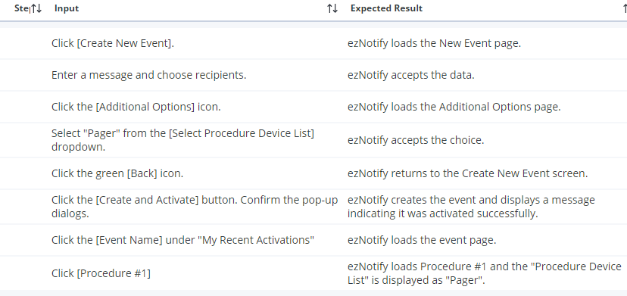 |  | 8
TC8795 | SS: ezNotify: Activates and event with DEFAULT contact list type of the selected contact list type is defined lower or mixed case. | TF1644: eNotify: ezNotify |  |  | For example, if the contact list type was defined/created as Pager, then when ezNotiy activates the event, it switches the contact list type to DEFAULT. SVN# 27949 - https://svn.amcomsoft.com/svn/amcom_database_schema/branches/July_Monthly_Rel_2011 | All lower case | Installation of e.Notify 4.6 with ezNotify. A procedure device list with the name ""pager"" (case sensitive) has been created. ezNotify is loaded in the browser. | 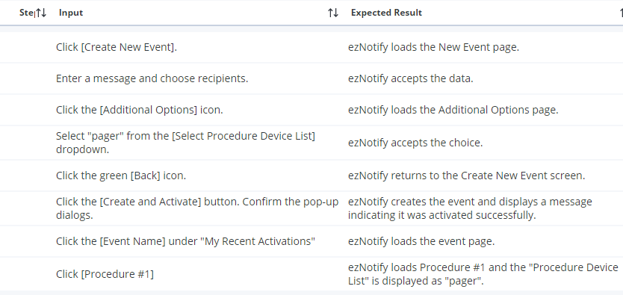 |  | 8
TC8796 | SS: ezNotify: Activates and event with DEFAULT contact list type of the selected contact list type is defined lower or mixed case. | TF1644: eNotify: ezNotify |  |  | For example, if the contact list type was defined/created as Pager, then when ezNotiy activates the event, it switches the contact list type to DEFAULT. SVN# 27949 - https://svn.amcomsoft.com/svn/amcom_database_schema/branches/July_Monthly_Rel_2011 | Lower case with numbers (pager85) | Installation of e.Notify 4.6 with ezNotify. A procedure device list with the name ""pager85"" (case sensitive) has been created. ezNotify is loaded in the browser. | 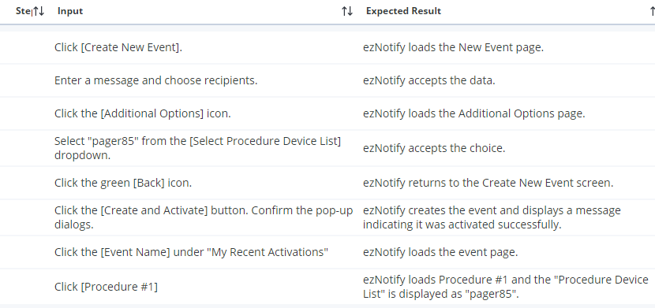 |  | 8
TC8797 | SS: ezNotify: Activates and event with DEFAULT contact list type of the selected contact list type is defined lower or mixed case. | TF1644: eNotify: ezNotify |  |  | For example, if the contact list type was defined/created as Pager, then when ezNotiy activates the event, it switches the contact list type to DEFAULT. SVN# 27949 - https://svn.amcomsoft.com/svn/amcom_database_schema/branches/July_Monthly_Rel_2011 | Mixed case with numbers and symbols (page!R_3_x%^4f) | Installation of e.Notify 4.6 with ezNotify. A procedure device list with the name ""page!R_3_x%^4f"" (case sensitive) has been created. ezNotify is loaded in the browser. | 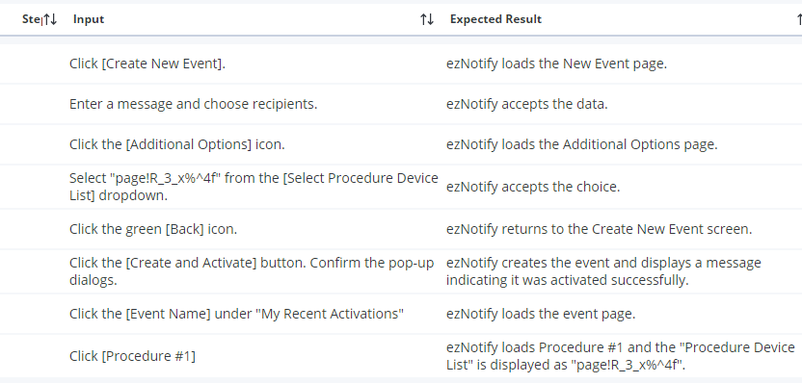 |  | 8
TC8800 | SS: ezNotify: Activates and event with DEFAULT contact list type of the selected contact list type is defined lower or mixed case. | TF1644: eNotify: ezNotify |  |  | For example, if the contact list type was defined/created as Pager, then when ezNotiy activates the event, it switches the contact list type to DEFAULT. SVN# 27949 - https://svn.amcomsoft.com/svn/amcom_database_schema/branches/July_Monthly_Rel_2011 | Mixed case with non-ASCII characters (pagèr - note accent over e) | Installation of e.Notify 4.6 with ezNotify. A procedure device list with the name ""pagèr"" (case sensitive) has been created. ezNotify is loaded in the browser. | 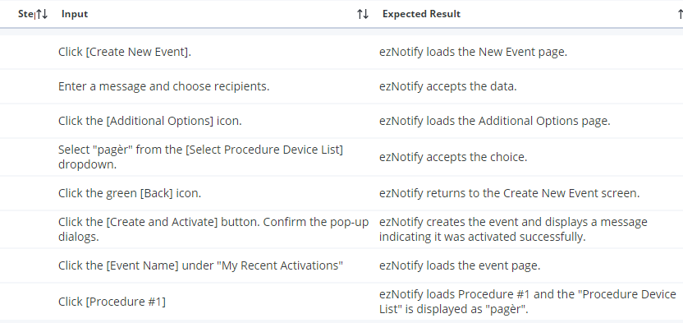 |  | 8

Sheet1
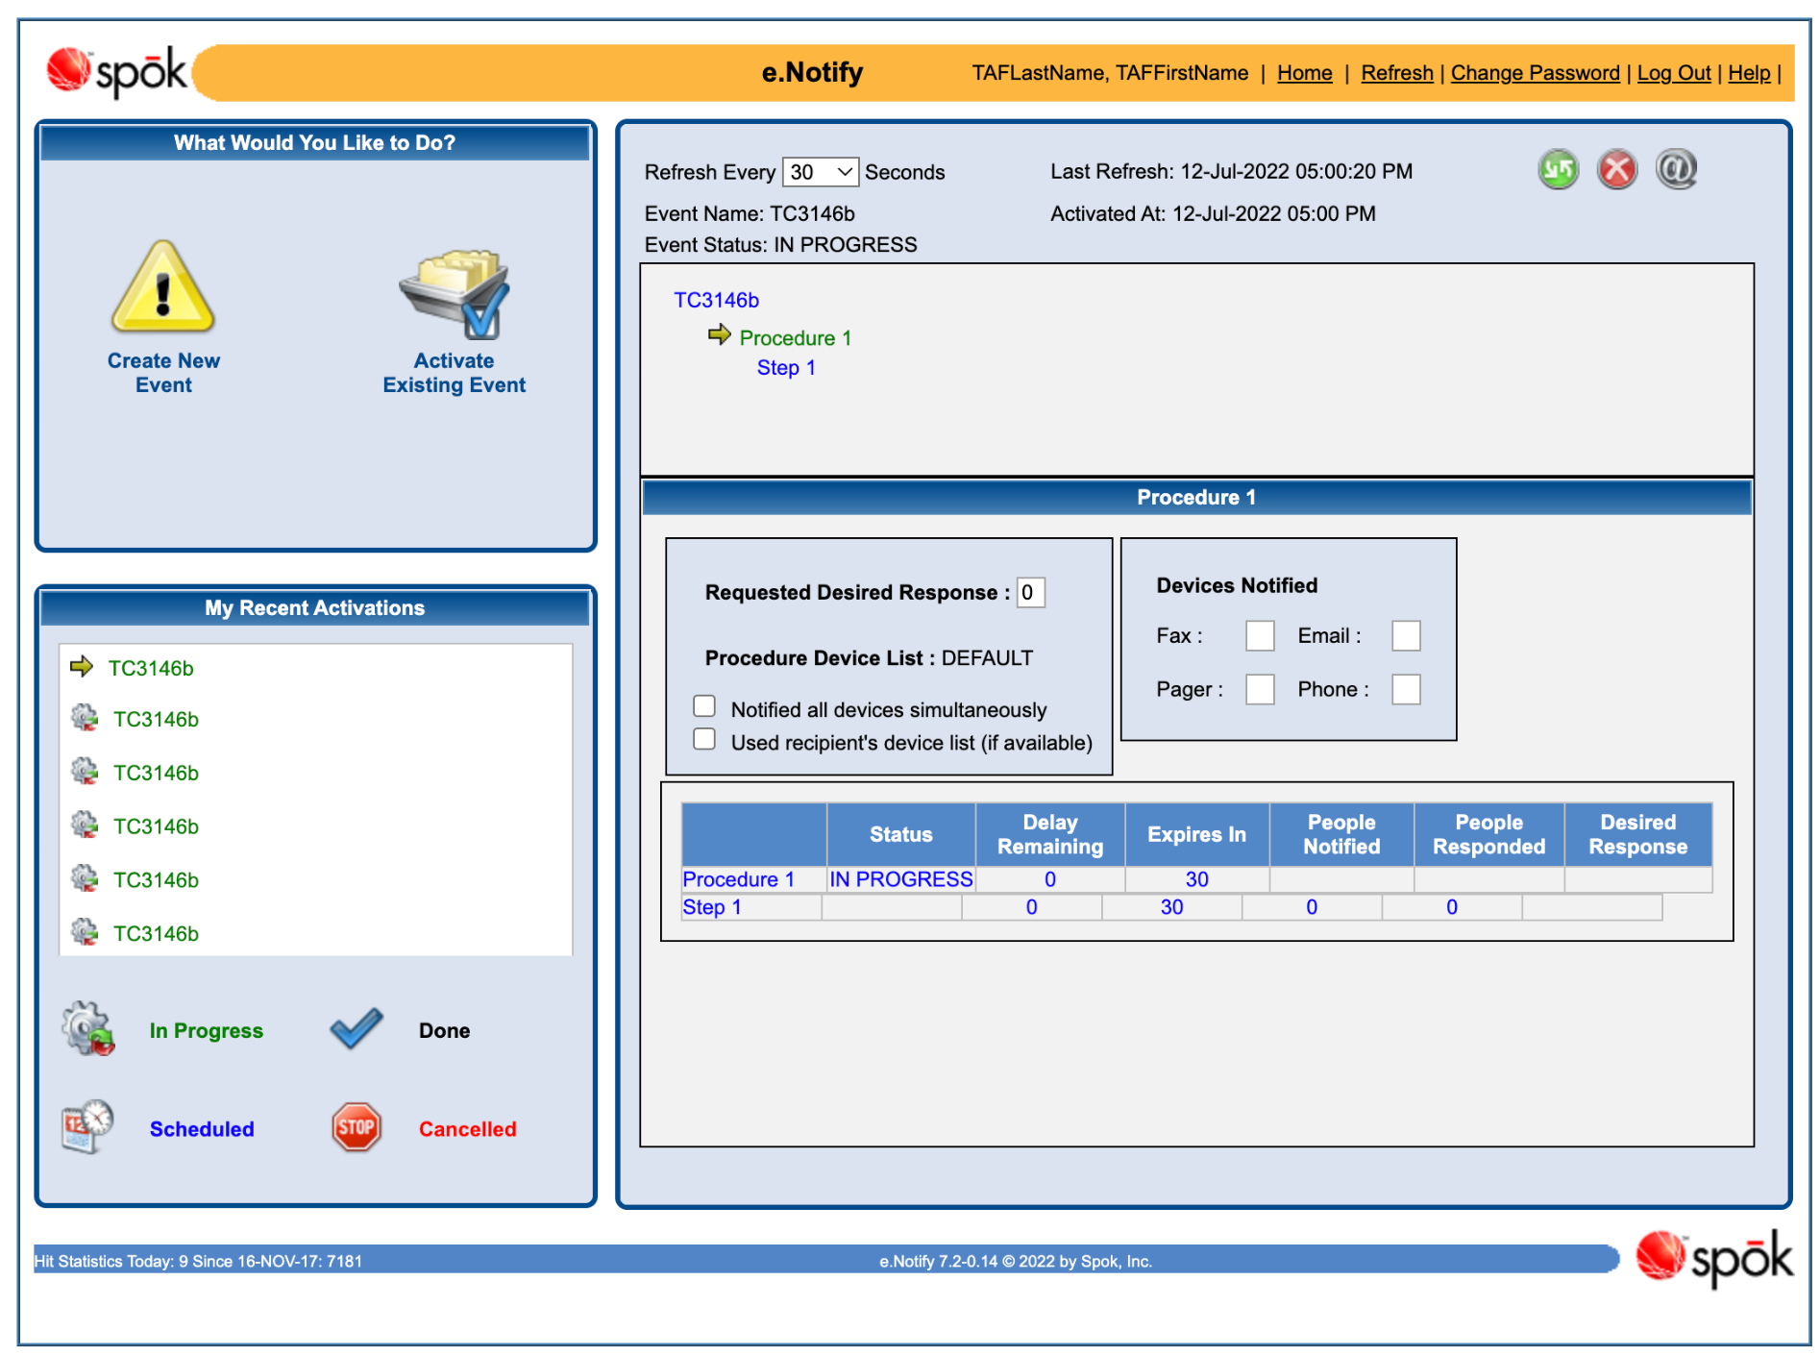
Procedure - Event Duration Check?

