Dashboard
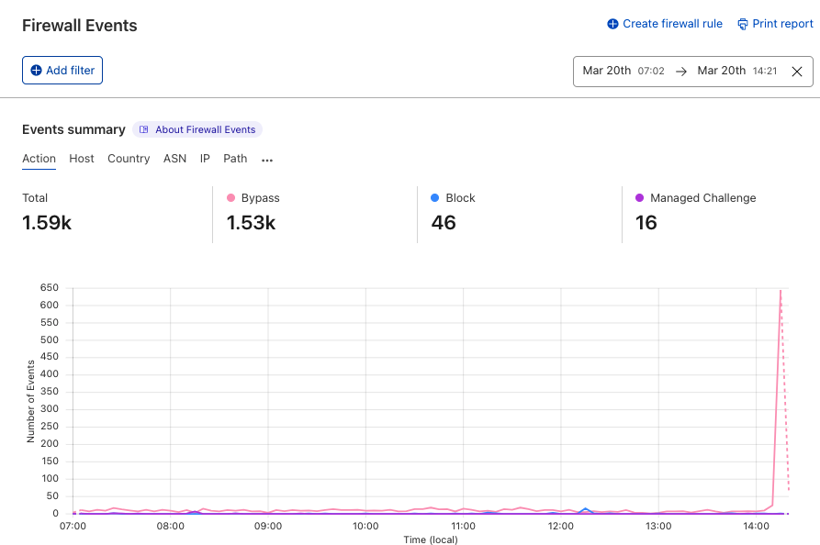
Firewall alert
Firewall Dashboard
 | Alert Triggered At: | 2022-03-20T03:16:34Z

