Experiments
Experiment table

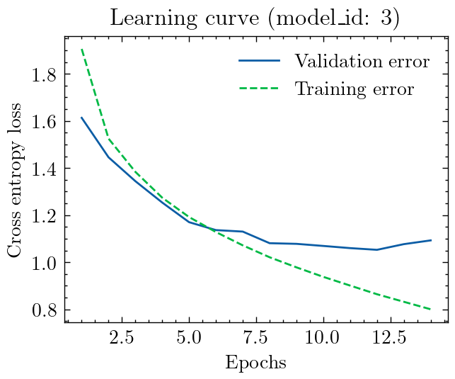
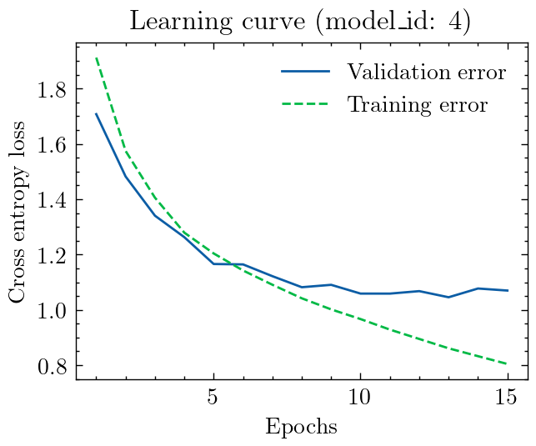
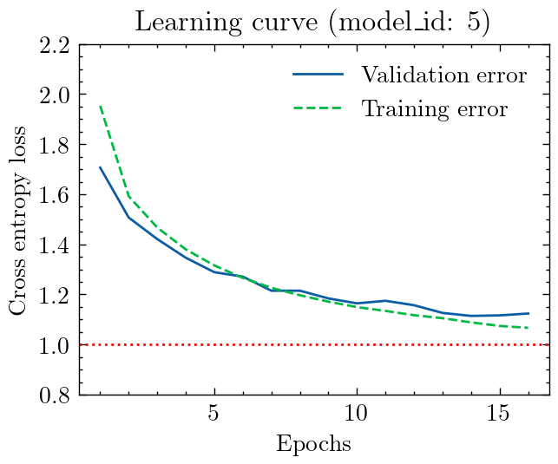
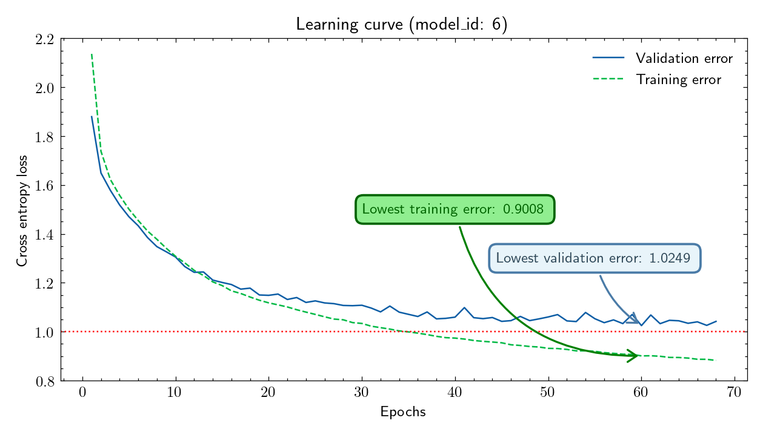
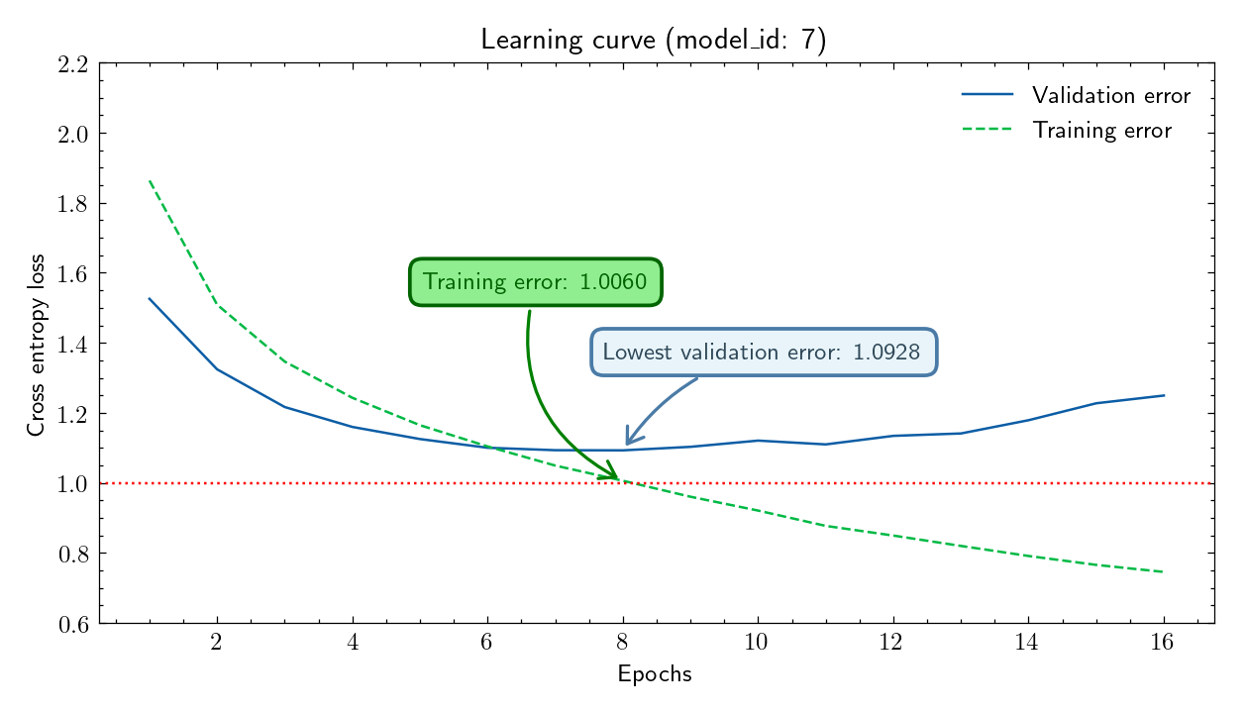
model_id |  | optimizer | Augmentations | learning rate | momentum | weight decay | eps | betas | early stopping | No. of convolutional layers | layer composition | head | loss | acc | Architecture | Training
1 | CNN | SGD | rotated | 0.04 | 0.5 |  |  |  | 2 | 3 | Conv + ReLU + MaxPooling | Linear: 64 * 4 * 4 -> 128 ReLU Linear: 128 -> 10 | epoch 2 val error: 1.1531621217727661, acc: 0.5882666666666667 | epoch 6 val error: 1.2069683074951172, acc: 0.5929222222222222 | class EarlyStopper: def __init__(self, patience=2, min_delta=0): self.patience = patience self.min_delta = min_delta self.counter = 0 self.min_error = float('inf') def check(self, val_error, model): if val_error < self.min_error - self.min_delta: self.min_error = val_error torch.save(model.state_dict(), 'best_model.pth') self.counter = 0 else: self.counter += 1 if self.counter >= self.patience: return True return False class BasicCNN(nn.Module): def __init__(self): super(BasicCNN, self).__init__() # First convolutional layer # Input: 3 channels (RGB), Output: 16 feature maps, 3x3 kernel self.conv1 = nn.Conv2d(in_channels=3, out_channels=16, kernel_size=3, padding=1) self.relu1 = nn.ReLU() self.pool1 = nn.MaxPool2d(kernel_size=2) # Second convolutional layer # Input: 16 feature maps, Output: 32 feature maps, 3x3 kernel self.conv2 = nn.Conv2d(in_channels=16, out_channels=32, kernel_size=3, padding=1) self.relu2 = nn.ReLU() self.pool2 = nn.MaxPool2d(kernel_size=2) self.conv3 = nn.Conv2d(in_channels=32, out_channels=64, kernel_size=3, padding=1) self.relu3 = nn.ReLU() self.pool3 = nn.MaxPool2d(kernel_size=2) # Fully connected layers # Assuming input images are 32x32, after two 2x2 pooling layers, we have 32/2/2 = 8 # So the feature maps are 8x8 with 32 channels: 32 * 8 * 8 = 2048 self.fc1 = nn.Linear(64 * 4 * 4, 128) self.relu4 = nn.ReLU() self.fc2 = nn.Linear(128, 10) # 10 output classes (e.g., for CIFAR-10 dataset) def forward(self, x): # Apply convolutional layers x = self.pool1(self.relu1(self.conv1(x))) x = self.pool2(self.relu2(self.conv2(x))) x | [1, 200], time 15.136746406555176 loss: 2.252, acc: 16.046875% [1, 400], time 26.229149341583252 loss: 1.980, acc: 21.1640625% [1, 600], time 37.18428039550781 loss: 1.825, acc: 24.494791666666664% [1, 800], time 48.31735706329346 loss: 1.768, acc: 26.949218749999996% [1, 1000], time 59.204904556274414 loss: 1.712, acc: 28.85625% [1, 1200], time 70.09234023094177 loss: 1.667, acc: 30.312499999999996% [1, 1400], time 80.98055505752563 loss: 1.627, acc: 31.825892857142858% [1, 1600], time 91.87531566619873 loss: 1.589, acc: 33.076171875% [1, 1800], time 103.7379379272461 loss: 1.571, acc: 34.10069444444444% [1, 2000], time 115.58057975769043 loss: 1.552, acc: 34.940625% [1, 2200], time 126.96871519088745 loss: 1.526, acc: 35.64346590909091% [1, 2400], time 138.11546111106873 loss: 1.527, acc: 36.395833333333336% [1, 2600], time 148.9611999988556 loss: 1.488, acc: 37.06971153846153% [1, 2800], time 161.03788471221924 loss: 1.480, acc: 37.661830357142854% [1, 3000], time 172.21191310882568 loss: 1.446, acc: 38.25208333333333% [1, 3200], time 183.4901521205902 loss: 1.425, acc: 38.8994140625% [1, 3400], time 194.61728167533875 loss: 1.408, acc: 39.47334558823529% [1, 3600], time 206.12369585037231 loss: 1.435, acc: 39.959201388888886% [1, 3800], time 217.15810012817383 loss: 1.389, acc: 40.45723684210527% [1, 4000], time 228.38744592666626 loss: 1.387, acc: 40.8984375% [1, 4200], time 239.6049792766571 loss: 1.387, acc: 41.32142857142857% [1, 4400], time 250.53965663909912 loss: 1.373, acc: 41.67542613636363% [1, 4600], time 261.7593629360199 loss: 1.370, acc: 42.018342391304344% [1, 4800], time 273.2529318332672 loss: 1.339, acc: 42.37109375% [1, 5000], time 284.24575304985046 loss: 1.331, acc: 42.722500000000004% [1, 5200], time 295.382616519928 loss: 1.352, acc: 43.03966346153846% [1, 5400], time 306.3679597377777 loss: 1.323, acc: 43.37094907407407% [1, 5600], time 317.4650478363037 loss: 1.319, acc: 43.668526785714285% epoch 0 val error:
2 | CNN | SGD | rotated | 0.001 | 0.095 |  |  |  | 2 | 3 | Conv + ReLU + MaxPooling | Linear: 64 * 4 * 4 -> 128 ReLU Linear: 128 -> 10 | [7, 5600], time 486.5682439804077 loss: 0.910, acc: 66.97879464285714% epoch 6 val error: 1.0775806903839111, acc: 0.6187 | [9, 5600], time 633.0251245498657 loss: 0.828, acc: 70.4375% epoch 8 val error: 1.1044094562530518, acc: 0.6208444444444444 Early stopping triggered! | same as 1 | [1, 200], time 5.422993898391724 loss: 2.302, acc: 10.65625% [1, 400], time 6.966571092605591 loss: 2.295, acc: 12.828125000000002% [1, 600], time 8.519333839416504 loss: 2.270, acc: 14.333333333333334% [1, 800], time 10.02493691444397 loss: 2.170, acc: 16.11328125% [1, 1000], time 11.56013035774231 loss: 2.051, acc: 17.974999999999998% [1, 1200], time 13.089590787887573 loss: 1.972, acc: 19.479166666666668% [1, 1400], time 14.59669303894043 loss: 1.885, acc: 21.0625% [1, 1600], time 16.26239585876465 loss: 1.830, acc: 22.4375% [1, 1800], time 18.04752492904663 loss: 1.791, acc: 23.68923611111111% [1, 2000], time 19.74964714050293 loss: 1.742, acc: 24.909375% [1, 2200], time 21.317357540130615 loss: 1.730, acc: 25.874999999999996% [1, 2400], time 22.908026933670044 loss: 1.697, acc: 26.782552083333332% [1, 2600], time 24.472160816192627 loss: 1.694, acc: 27.578124999999996% [1, 2800], time 26.015196561813354 loss: 1.688, acc: 28.249999999999996% [1, 3000], time 27.542266368865967 loss: 1.664, acc: 28.95625% [1, 3200], time 29.07292938232422 loss: 1.628, acc: 29.583984375% [1, 3400], time 30.63485860824585 loss: 1.642, acc: 30.189338235294116% [1, 3600], time 32.186341762542725 loss: 1.623, acc: 30.6875% [1, 3800], time 33.72674489021301 loss: 1.608, acc: 31.190789473684212% [1, 4000], time 35.250818490982056 loss: 1.578, acc: 31.735156250000003% [1, 4200], time 36.79360914230347 loss: 1.590, acc: 32.205357142857146% [1, 4400], time 38.35815954208374 loss: 1.573, acc: 32.64985795454545% [1, 4600], time 39.88980436325073 loss: 1.577, acc: 33.04551630434783% [1, 4800], time 41.41110873222351 loss: 1.537, acc: 33.5078125% [1, 5000], time 42.9596791267395 loss: 1.529, acc: 33.966875% [1, 5200], time 44.479357957839966 loss: 1.524, acc: 34.37139423076923% [1, 5400], time 46.010464906692505 loss: 1.499, acc: 34.79571759259259% [1, 5600], time 47.55552840232849 loss: 1.504, acc: 35.18582589285714% epoch 0 val error: 1.4756065607070923, acc: 0.459
3 | CNN | SGD | rotated | 0.0001 | 0.99 |  |  |  | 2 | 3 | Conv + ReLU + MaxPooling | Linear: 64 * 4 * 4 -> 128 ReLU Linear: 128 -> 10 | epoch 12 TRAIN error: 0.864282033056683, acc: 0.6893277777777778 epoch 12 VALIDATION error: 1.052780270576477, acc: 0.6298666666666667 | epoch 12 TRAIN error: 0.864282033056683, acc: 0.6893277777777778 epoch 12 VALIDATION error: 1.052780270576477, acc: 0.6298666666666667 | same as 1 | [1, 200], time 5.4555699825286865 loss: 2.302, acc: 9.515625% [1, 400], time 7.002196311950684 loss: 2.300, acc: 10.6796875% [1, 600], time 8.517595767974854 loss: 2.297, acc: 12.203125% [1, 800], time 10.071855545043945 loss: 2.291, acc: 12.0625% [1, 1000], time 11.606139898300171 loss: 2.282, acc: 12.878125% [1, 1200], time 13.15714144706726 loss: 2.261, acc: 14.0625% [1, 1400], time 14.69571328163147 loss: 2.205, acc: 14.979910714285714% [1, 1600], time 16.25258708000183 loss: 2.133, acc: 15.94140625% [1, 1800], time 17.786691188812256 loss: 2.053, acc: 17.02777777777778% [1, 2000], time 19.322803020477295 loss: 1.975, acc: 18.09375% [1, 2200], time 20.876857042312622 loss: 1.961, acc: 18.96590909090909% [1, 2400], time 22.41957974433899 loss: 1.892, acc: 19.91015625% [1, 2600], time 23.94966769218445 loss: 1.871, acc: 20.775240384615383% [1, 2800], time 25.49444890022278 loss: 1.821, acc: 21.64955357142857% [1, 3000], time 27.029459953308105 loss: 1.791, acc: 22.461458333333333% [1, 3200], time 28.561434030532837 loss: 1.792, acc: 23.123046875% [1, 3400], time 30.0697820186615 loss: 1.785, acc: 23.772058823529413% [1, 3600], time 31.575591802597046 loss: 1.729, acc: 24.42013888888889% [1, 3800], time 33.12569189071655 loss: 1.704, acc: 25.083059210526315% [1, 4000], time 34.6443874835968 loss: 1.702, acc: 25.6765625% [1, 4200], time 36.15998983383179 loss: 1.706, acc: 26.215029761904763% [1, 4400], time 37.67276692390442 loss: 1.660, acc: 26.75426136363636% [1, 4600], time 39.21636343002319 loss: 1.686, acc: 27.25883152173913% [1, 4800], time 40.759806394577026 loss: 1.664, acc: 27.692708333333332% [1, 5000], time 42.30655241012573 loss: 1.644, acc: 28.11125% [1, 5200], time 43.84869408607483 loss: 1.639, acc: 28.545072115384617% [1, 5400], time 45.3739652633667 loss: 1.622, acc: 28.953125% [1, 5600], time 46.916832447052 loss: 1.608, acc: 29.42689732142857% epoch 1 TRAIN error: 1.9053722927305434, acc: 0.29462222222222223 epoch 1 VA
4 | CNN | SGD | rotated | 0.0001 | 0.99 | 0.0005 |  |  | 2 | 3 | Conv + ReLU + MaxPooling | Linear: 64 * 4 * 4 -> 128 ReLU Linear: 128 -> 10 | epoch 13 TRAIN error: 0.861091765636868, acc: 0.6931222222222222 epoch 13 VALIDATION error: 1.0456074476242065, acc: 0.6342777777777778 | epoch 13 TRAIN error: 0.861091765636868, acc: 0.6931222222222222 epoch 13 VALIDATION error: 1.0456074476242065, acc: 0.6342777777777778 | same as 1 | [1, 200], time 5.646853685379028 loss: 2.304, acc: 10.578125% [1, 400], time 7.390483856201172 loss: 2.300, acc: 10.140625% [1, 600], time 9.091900110244751 loss: 2.293, acc: 10.317708333333334% [1, 800], time 10.922136783599854 loss: 2.280, acc: 11.8828125% [1, 1000], time 12.670633792877197 loss: 2.249, acc: 12.88125% [1, 1200], time 14.356121063232422 loss: 2.192, acc: 14.46875% [1, 1400], time 16.090741634368896 loss: 2.113, acc: 15.669642857142858% [1, 1600], time 17.89945149421692 loss: 2.057, acc: 16.7890625% [1, 1800], time 19.66456961631775 loss: 1.994, acc: 17.822916666666664% [1, 2000], time 21.368685960769653 loss: 1.972, acc: 18.7765625% [1, 2200], time 23.157084465026855 loss: 1.930, acc: 19.68465909090909% [1, 2400], time 24.881210565567017 loss: 1.911, acc: 20.552083333333336% [1, 2600], time 26.599334716796875 loss: 1.863, acc: 21.385817307692307% [1, 2800], time 28.346457481384277 loss: 1.843, acc: 22.139508928571427% [1, 3000], time 30.101722478866577 loss: 1.831, acc: 22.81458333333333% [1, 3200], time 31.829333305358887 loss: 1.806, acc: 23.4326171875% [1, 3400], time 33.56704092025757 loss: 1.796, acc: 24.01011029411765% [1, 3600], time 35.36968970298767 loss: 1.761, acc: 24.62152777777778% [1, 3800], time 37.11091470718384 loss: 1.747, acc: 25.20230263157895% [1, 4000], time 38.83633017539978 loss: 1.739, acc: 25.70234375% [1, 4200], time 40.58847737312317 loss: 1.722, acc: 26.197916666666664% [1, 4400], time 42.292954444885254 loss: 1.721, acc: 26.6484375% [1, 4600], time 44.014686584472656 loss: 1.695, acc: 27.103260869565215% [1, 4800], time 45.77598810195923 loss: 1.719, acc: 27.485677083333332% [1, 5000], time 47.47425961494446 loss: 1.691, acc: 27.878124999999997% [1, 5200], time 49.15957951545715 loss: 1.692, acc: 28.224158653846153% [1, 5400], time 50.89395594596863 loss: 1.668, acc: 28.574652777777775% [1, 5600], time 52.620651721954346 loss: 1.670, acc: 28.91908482142857% epoch 1 TRAIN error: 1.91188448443
5 | CNN | SGD | rotated | 0.0001 | 0.99 | 0.005 |  |  | 2 | 3 | Conv + ReLU + MaxPooling | Linear: 64 * 4 * 4 -> 128 ReLU Linear: 128 -> 10 | epoch 14 TRAIN error: 1.0883546487384372, acc: 0.6110277777777777 epoch 14 VALIDATION error: 1.11424720287323, acc: 0.5988555555555556 | epoch 14 TRAIN error: 1.0883546487384372, acc: 0.6110277777777777 epoch 14 VALIDATION error: 1.11424720287323, acc: 0.5988555555555556 | same as 1 | [1, 200], time 5.38320779800415 loss: 2.302, acc: 11.796875% [1, 400], time 6.94138503074646 loss: 2.302, acc: 11.171875% [1, 600], time 8.485626697540283 loss: 2.297, acc: 10.71875% [1, 800], time 10.005728244781494 loss: 2.292, acc: 11.66015625% [1, 1000], time 11.563284635543823 loss: 2.284, acc: 12.76875% [1, 1200], time 13.065467596054077 loss: 2.266, acc: 13.429687500000002% [1, 1400], time 14.602066040039062 loss: 2.225, acc: 14.28794642857143% [1, 1600], time 16.12516689300537 loss: 2.165, acc: 15.1484375% [1, 1800], time 17.66008424758911 loss: 2.108, acc: 16.069444444444443% [1, 2000], time 19.192134141921997 loss: 2.041, acc: 17.0234375% [1, 2200], time 20.83808994293213 loss: 1.997, acc: 17.930397727272727% [1, 2400], time 22.36020040512085 loss: 1.964, acc: 18.658854166666668% [1, 2600], time 23.88068652153015 loss: 1.936, acc: 19.47235576923077% [1, 2800], time 25.420295476913452 loss: 1.917, acc: 20.244419642857142% [1, 3000], time 26.954402208328247 loss: 1.893, acc: 20.974999999999998% [1, 3200], time 28.50241708755493 loss: 1.855, acc: 21.6708984375% [1, 3400], time 30.015780448913574 loss: 1.820, acc: 22.363970588235293% [1, 3600], time 31.544896602630615 loss: 1.807, acc: 22.960069444444446% [1, 3800], time 33.091012954711914 loss: 1.798, acc: 23.483552631578945% [1, 4000], time 34.64017200469971 loss: 1.753, acc: 24.083593750000002% [1, 4200], time 36.210188150405884 loss: 1.765, acc: 24.580357142857142% [1, 4400], time 37.75692415237427 loss: 1.738, acc: 25.08806818181818% [1, 4600], time 39.267587661743164 loss: 1.738, acc: 25.5625% [1, 4800], time 40.8305082321167 loss: 1.704, acc: 26.035156250000004% [1, 5000], time 42.34599232673645 loss: 1.690, acc: 26.523124999999997% [1, 5200], time 43.87239909172058 loss: 1.688, acc: 26.97596153846154% [1, 5400], time 45.409507036209106 loss: 1.693, acc: 27.36226851851852% [1, 5600], time 46.91958737373352 loss: 1.687, acc: 27.728236607142858% epoch 1 TRAIN error: 1.953163646
6 | CNN | SGD | rotated | 0.00005 | 0.99 | 0.005 |  |  | 8 | 3 | Conv + ReLU + MaxPooling | Linear: 64 * 4 * 4 -> 128 ReLU Linear: 128 -> 10 | epoch 60 TRAIN error: 0.9008135417461395, acc: 0.6843666666666667 epoch 60 VALIDATION error: 1.0248584747314453, acc: 0.6357 | epoch 60 TRAIN error: 0.9008135417461395, acc: 0.6843666666666667 epoch 60 VALIDATION error: 1.0248584747314453, acc: 0.6357 | same as 1 | [1, 200], time 5.355728626251221 loss: 2.304, acc: 9.671875% [1, 400], time 6.8928303718566895 loss: 2.302, acc: 9.9375% [1, 600], time 8.437442541122437 loss: 2.301, acc: 10.682291666666668% [1, 800], time 9.977715969085693 loss: 2.299, acc: 11.15625% [1, 1000], time 11.5258047580719 loss: 2.297, acc: 11.753125% [1, 1200], time 13.065698385238647 loss: 2.295, acc: 12.359375% [1, 1400], time 14.614558696746826 loss: 2.293, acc: 12.950892857142856% [1, 1600], time 16.140663385391235 loss: 2.289, acc: 13.361328125% [1, 1800], time 17.68472456932068 loss: 2.284, acc: 13.644097222222223% [1, 2000], time 19.249329566955566 loss: 2.274, acc: 14.1515625% [1, 2200], time 20.8035409450531 loss: 2.260, acc: 14.724431818181818% [1, 2400], time 22.332563161849976 loss: 2.237, acc: 15.201822916666666% [1, 2600], time 23.856481075286865 loss: 2.199, acc: 15.561298076923077% [1, 2800], time 25.398289442062378 loss: 2.173, acc: 15.940848214285714% [1, 3000], time 26.97146201133728 loss: 2.140, acc: 16.323958333333334% [1, 3200], time 28.506494760513306 loss: 2.104, acc: 16.7294921875% [1, 3400], time 30.062325954437256 loss: 2.063, acc: 17.13511029411765% [1, 3600], time 31.59776782989502 loss: 2.042, acc: 17.54513888888889% [1, 3800], time 33.17081356048584 loss: 2.042, acc: 17.908717105263158% [1, 4000], time 34.68941259384155 loss: 2.020, acc: 18.271875% [1, 4200], time 36.2405149936676 loss: 2.022, acc: 18.610863095238095% [1, 4400], time 37.78312420845032 loss: 1.992, acc: 18.9609375% [1, 4600], time 39.35155367851257 loss: 1.972, acc: 19.277853260869566% [1, 4800], time 40.91958022117615 loss: 1.955, acc: 19.626302083333332% [1, 5000], time 42.47161912918091 loss: 1.926, acc: 20.005% [1, 5200], time 44.007582902908325 loss: 1.942, acc: 20.31189903846154% [1, 5400], time 45.52968692779541 loss: 1.923, acc: 20.62037037037037% [1, 5600], time 47.10453939437866 loss: 1.907, acc: 20.962611607142854% epoch 1 TRAIN error: 2.1365459094577366, acc: 0.209994
7 | CNN | SGD | rotated + brightness_contrast + rotated_brightness_contrast | 0.0001 | 0.99 | 0.0005 |  |  | 8 | 3 | Conv + ReLU + MaxPooling | Linear: 64 * 4 * 4 -> 128 ReLU Linear: 128 -> 10 |  |  | same as 1 | plik
8 | CNN | SGD | rotated | 0.0001 | 0.99 | 0.0005 |  |  | 4 | 3 | Dropout 0.1 after first conv Dropout 0.5 between fully connected | Linear: 64 * 4 * 4 -> 128 ReLU Dropout 0.5 Linear: 128 -> 10 | epoch 37 TRAIN error: 0.9821734800020854, acc: 0.64795 epoch 37 VALIDATION error: 1.0142227411270142, acc: 0.6360777777777777 | epoch 39 TRAIN error: 0.9757196271684435, acc: 0.6490111111111111 epoch 39 VALIDATION error: 1.0142544507980347, acc: 0.6398888888888888 | same as 1 | plik
9 | CNN | ADAM | rotated | 0.001 |  | 0 | 1.00E-08 | (0.9, 0.999) | 4 | 3 | Dropout 0.1 after first conv Dropout 0.5 between fully connected | Linear: 64 * 4 * 4 -> 128 ReLU Dropout 0.5 Linear: 128 -> 10 | epoch 18 TRAIN error: 1.1164114330768584, acc: 0.5956888888888889 epoch 18 VALIDATION error: 1.083738923072815, acc: 0.6158777777777777 | epoch 18 TRAIN error: 1.1164114330768584, acc: 0.5956888888888889 epoch 18 VALIDATION error: 1.083738923072815, acc: 0.6158777777777777 | same as 1 | plik
10 | CNN | SGD | rotated | 0.001 | 0.95 | 0.0005 |  |  | 4 | 3 | Conv + ReLU + MaxPooling | Linear: 64 * 4 * 4 -> 128 ReLU Dropout 0.5 Linear: 128 -> 10 | epoch 35 TRAIN error: 1.0240379447195265, acc: 0.6362777777777778 epoch 35 VALIDATION error: 0.9706594944000244, acc: 0.6531777777777777 | epoch 35 TRAIN error: 1.0240379447195265, acc: 0.6362777777777778 epoch 35 VALIDATION error: 0.9706594944000244, acc: 0.6531777777777777 | same as 1 | plik
11 | CNN | SGD | rotated | 0.0001 | 0.99 | 0 |  |  | 4 | 3 | Conv + ReLU + MaxPooling | Linear: 64 * 4 * 4 -> 128 ReLU Dropout 0.5 Linear: 128 -> 10 | epoch 30 TRAIN error: 0.9994403559896681, acc: 0.6432166666666667 epoch 30 VALIDATION error: 0.9979351758956909, acc: 0.6453555555555556 | epoch 30 TRAIN error: 0.9994403559896681, acc: 0.6432166666666667 epoch 30 VALIDATION error: 0.9979351758956909, acc: 0.6453555555555556 | same as 1
12 | DenseNET - custom [6, 12, 8], | SGD | rotated | 0.001 | 0.95 | 0.0005 |  |  | 4 |  |  |  | epoch 21 TRAIN error: 0.7151, acc: 0.7457 epoch 21 VALIDATION error: 0.7733, acc: 0.7340 | epoch 21 TRAIN error: 0.7151, acc: 0.7457 epoch 21 VALIDATION error: 0.7733, acc: 0.7340 | plik | plik
13 | DenseNET - custom [6, 12, 8], more dropout | SGD | rotated | 0.001 | 0.95 | 0.0005 |  |  | 4 |  |  |  | epoch 45 TRAIN error: 1.1047, acc: 0.6120 epoch 45 VALIDATION error: 0.8677, acc: 0.6915 | epoch 45 TRAIN error: 1.1047, acc: 0.6120 epoch 45 VALIDATION error: 0.8677, acc: 0.6915 | plik | plik
14 | DenseNET - custom [6, 12, 8], |  | brightness_contrast |  |  |  |  |  |  |  |  |  | epoch 48 TRAIN error: 0.7410, acc: 0.7371 epoch 48 VALIDATION error: 0.7566, acc: 0.7420 | epoch 48 TRAIN error: 0.7410, acc: 0.7371 epoch 48 VALIDATION error: 0.7566, acc: 0.7420
15 | DenseNET - custom [6, 12, 8], |  | flip |  |  |  |  |  |  |  |  |  | epoch 38 TRAIN error: 0.6263, acc: 0.7777 epoch 38 VALIDATION error: 0.7329, acc: 0.7556 |  | plik | plik
16 | DenseNET - custom [6, 12, 8], |  | cutout |  |  |  |  |  |  |  |  |  | epoch 18 TRAIN error: 0.7562, acc: 0.7325 epoch 18 VALIDATION error: 0.8528, acc: 0.7082

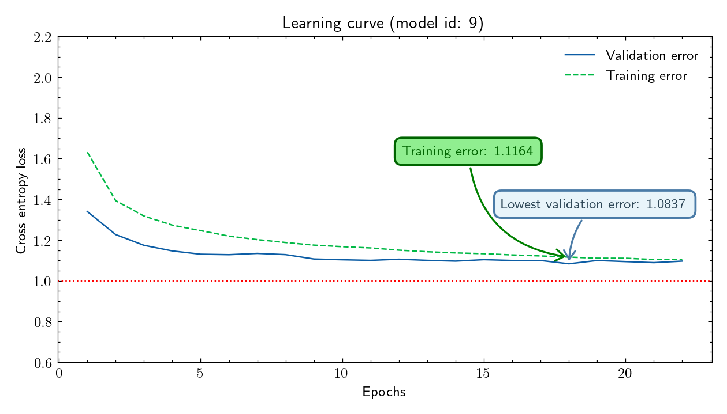

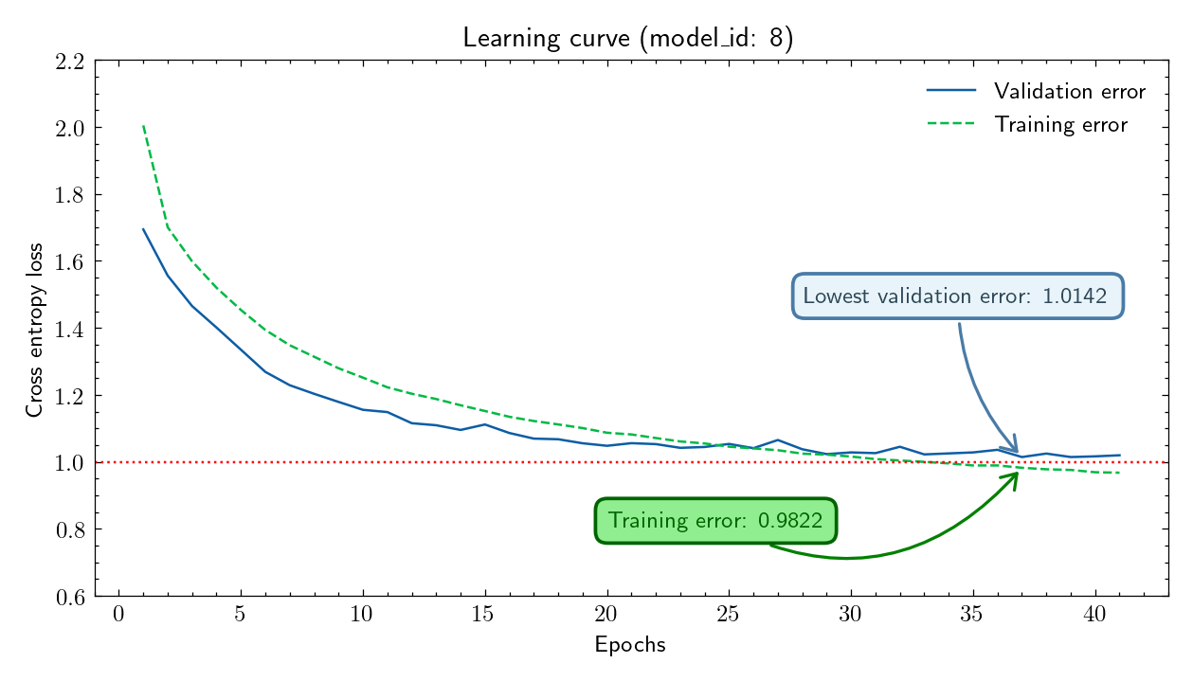
 |  |  |  |  |  |  |  |  |  |  |  |  |  | b | 32
 |  |  |  |  |  |  |  |  |  |  |  |  |  | B | 180000
 |  |  |  |  |  |  |  |  |  |  |  |  |  | T | 12
 |  |  |  |  |  |  |  |  |  |  |  |  |  | l_norm | 0.05
 |  |  |  |  |  |  |  |  |  |  |  |  |  | lambda | 0.00019245008973

