Sheet1
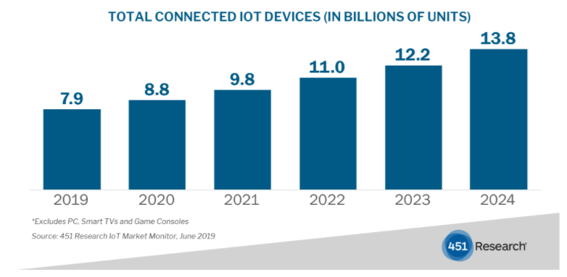
Company |  | link
451 research |  | https://451research.com/451-research-analysis-of-iot-market-indicates-total-connected-devices-will-reach-13-billion-by-2024

 |  |  | 25 billion connected things by 2021 | gartner

Gartner forecasts that 14.2 billion connected things will be in use in 2019, and that the total will reach 25 billion by 2021, producing immense volume of data.”

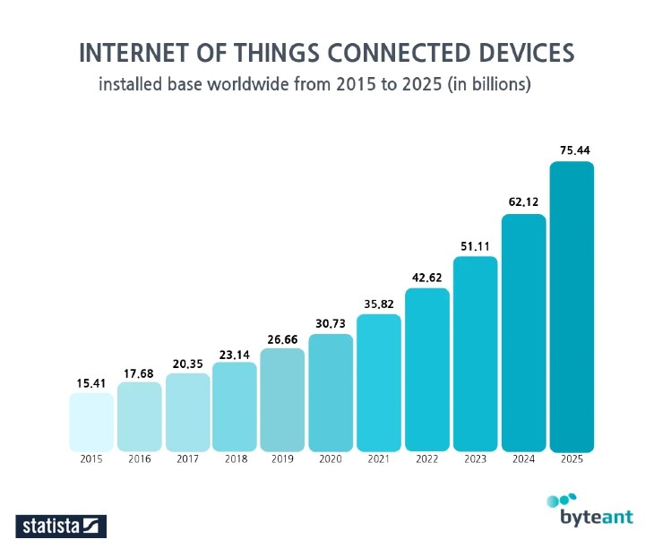
statista |  |  | link gốc mất tiền
 |  |  | hình tham khảo từ nguồn paper

 |  |  | In 2018—there were 7 billion IoT devices in 2018
 |  |  | In 2019—the number of active IoT devices reached 26.66 billion
 |  |  | 26.66 billion IoT devices in 2019.
 |  |  | 12 billion IoT connections |  |  | 2020

 | https://www.statista.com/statistics/802690/worldwide-connected-devices-by-access-technology/ |  |  | 20 tỉ 2018

Ovum | IoT World May 14, 2019 presentation by Alexandra Rehak, Practice Leader IoT, Ovum and Steve Bell, Sr. Analyst, Heavy Reading. |  |  |  |  | https://techblog.comsoc.org/2019/05/23/2019-iot-world-market-research-from-ovum-heavy-reading-lpwan-market-to-be-65-billion-by-2025/
IoT devices will grow to 21.5bn by 2023, while revenue will nearly double to $860bn.

IDC Forecasts Worldwide 5G Connections to Reach 1.01 Billion in 2023 |  |  |  |  | https://www.idc.com/getdoc.jsp?containerId=prUS45740019

5G devices and connections will be over 10 percent of global mobile devices and connections by 2023. |  |  |  |  | https://www.cisco.com/c/en/us/solutions/collateral/executive-perspectives/annual-internet-report/white-paper-c11-741490.html
By 2023, global mobile devices will grow from 8.8 billion in 2018 to 13.1 billion by 2023 – 1.4 billion of those will be 5G capable.

