Scenarios TR
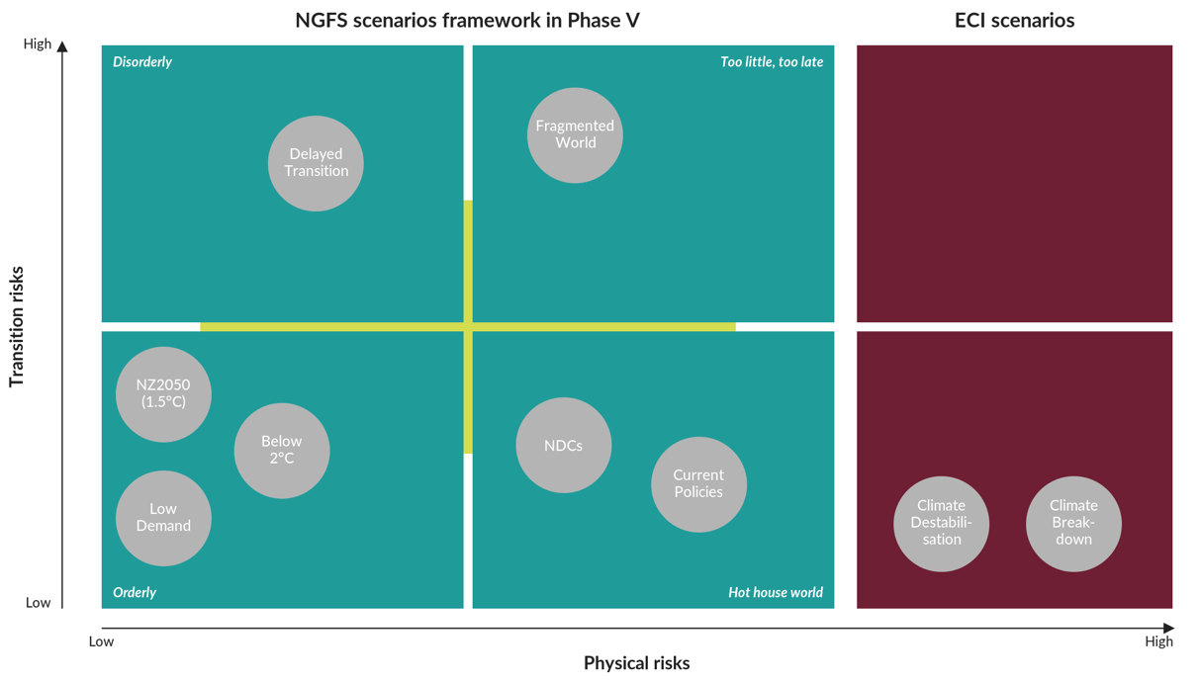
Scenario category | Scenario name | Socio-economic narratives | Physical scenario associated (literature) | Near term (2021-2040) estimated warming | Mid term (2041-2060) estimated warming | Long term (2081-2100) estimated warming | Physical scenario (CMS mapping)
Orderly | Net Zero 2050 | Climate transition starts early and proceeds gradually. Both transition risks and physical risks are relatively low, as ambitious policies are introduced in a timely and predictable manner. | SSP1-2.6 | 1.1 - 1.7 | 1.2 - 2.0 | 1.0 - 1.8 | SSP2-4.5
Orderly | Below 2°C | Climate transition starts early and proceeds gradually. Both transition risks and physical risks are relatively low, as ambitious policies are introduced in a timely and predictable manner. | SSP1-2.6 | 1.1 - 1.7 | 1.2 - 2.0 | 1.0 - 1.8 | SSP2-4.5
Disorderly | Delayed Transition | Climate transition is delayed or divergent across countries and sectors. Policies are introduced late or abruptly, resulting in higher transition risks while physical risks remain moderate. | SSP2-4.5 | 1.2 - 1.8 | 1.6 - 2.5 | 2.1 - 3.5 | SSP2-4.5
Too Little, Too Late | Fragmented World | Insufficient and fragmented climate policies fail to limit warming. Both transition risks and physical risks are elevated. | SSP2-4.5 | 1.2 - 1.8 | 1.6 - 2.5 | 2.1 - 3.5 | SSP2-4.5
Hot House World | Nationally Determined Contributions (NDCs) | Only currently implemented or pledged policies are pursued, leading to high global warming. Transition risks are low but physical risks are severe, with significant and potentially irreversible climate impacts. | SSP2-4.5 | 1.2 - 1.8 | 1.6 - 2.5 | 2.1 - 3.5 | SSP2-4.5
Hot House World | Current Policies | Only currently implemented or pledged policies are pursued, leading to high global warming. Transition risks are low but physical risks are severe, with significant and potentially irreversible climate impacts. | SSP3-7.0 | 1.2 - 1.8 | 1.6 - 2.5 | 2.1 - 3.5 | SSP2-4.5
ECI | Climate Destabilisation | A high physical-risk scenario in which global CO2 emissions follow a higher trajectory than under the NGFS Current Policies pathway and the global mean temperature reaches about 3.6°C by 2100. This scenario is consistent with intermediate- to high-risk pathways considered in the Sixth Assessment Report of the Intergovernmental Panel on Climate Change (IPCC AR6; IPCC, 2023). The ECI-CD scenario extends the NGFS coverage of physical risks beyond its most adverse reference scenario, while remaining below the highest-warming AR6 outcome | SSP5-7.0 | 1.3 - 1.9 | 1.9 - 3.0 | 3.3 - 5.7 | SSP5-8.5
ECI | Climate Breakdown | The most severe physical-risk scenario in which global CO2 emissions follow a sustained high-growth trajectory well above the NGFS Current Policies pathway and the global mean temperature reaches about 4.4°C by 2100. This scenario is consistent with the highest-warming reference pathway considered in the IPCC AR6. The ECI-CB scenario extends the ECI-CD pathway further and is intended as a high-end stress-test scenario, ensuring that the scenario set covers upper-end warming outcomes. | SSP5-8.5 | 1.3 - 1.9 | 1.9 - 3.0 | 3.3 - 5.7 | SSP5-8.5

