PFD
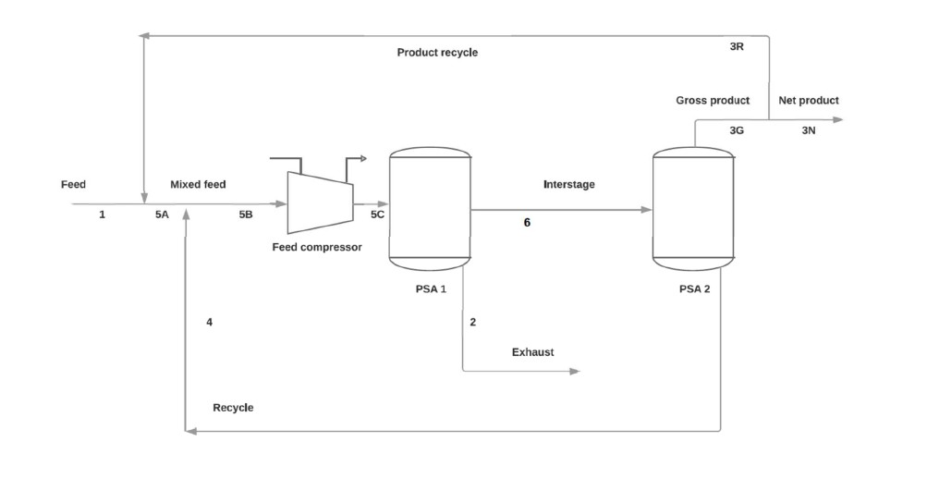

Sensitivity
SENSITIVITY ANALYSIS

H2 Recovery vs S2 Tail Recycle (No Product Recycle)
H2 RECOVERY vs RECYCLE FRACTIONS

Current S2 Tail Recycle: | 100%
Current Product Recycle: | 0%

S2 Tail Recycle | Product Recycle | H2 Recovery % | H2 Purity % | Net Product SCFM | S2 Tail O2%
0% | 0% | 69.70 | 100.00 | 245.96 | 1.97
10% | 0% | 70.57 | 100.00 | 249.02 | 1.97
20% | 0% | 71.46 | 100.00 | 252.16 | 1.97
30% | 0% | 72.37 | 100.00 | 255.38 | 1.97
40% | 0% | 73.31 | 100.00 | 258.68 | 1.97
50% | 0% | 74.27 | 100.00 | 262.07 | 1.97
50% | 10% | 72.20 | 100.00 | 254.79 | 1.97
50% | 20% | 69.78 | 100.00 | 246.23 | 1.97
60% | 10% | 73.24 | 100.00 | 258.45 | 1.97
70% | 10% | 74.31 | 100.00 | 262.21 | 1.97

NOTES:
• H2 Recovery increases with S2 Tail Recycle (more H2 returned to system)
• Product Recycle reduces net output but can improve purity
• S2 Tail O2% remains constant (determined by removal rates, not recycle)
• ⚠️ High S2 Tail Recycle increases internal O2 concentration - monitor carefully
• Change values in PSA Model sheet to see updated results here

KEY FINDINGS
1. Increasing S2 Tail Recycle from 0% to 50% improves H2 recovery by ~1.3%
2. Product recycle has diminishing returns - higher recycle = lower net output
3. Optimal operating point depends on balancing recovery vs. throughput
4. S2 Tail O2 concentration (~3.5%) remains a safety concern regardless of recycle
5. For maximum recovery with safety: use S2 Tail Recycle ~50%, Product Recycle ~10%

