951
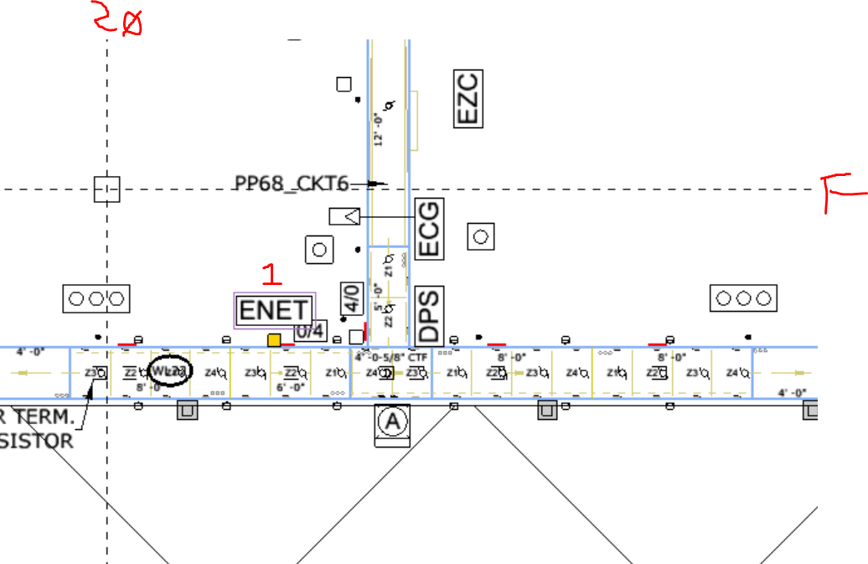
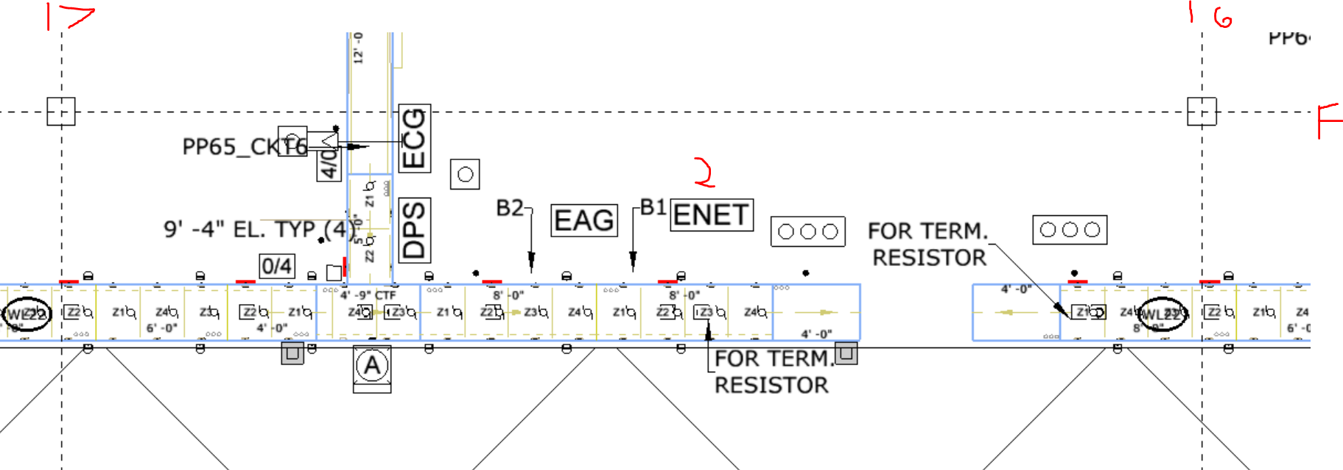
ENET1(24 PORT) @ F-20 | ENET2(24 PORT) @ F-16.5 | PDPs: | PDP63
OR+U701435_EAG_A | OR+U701035_EAG_B |  | PDP64
SB+U701315_ECG01 | SB+U700910_ECG03 |  | PDP65
SB+U701415_ECG02 | BT+U701010_ECG04 |  | PDP66
BT+U701210_FMD | BT+U700810_FMD |  | PDP67
BT+U701310_FMD | BT+U700910_FMD |  | PDP68
BT+U701410_FMD | BT+U701010_FMD |  | PDP69
BT+U701510_FMD | BT+U701110_FMD
CC950 | ENET1
ENET2

TAGS |  |  |  | Interlocks

952
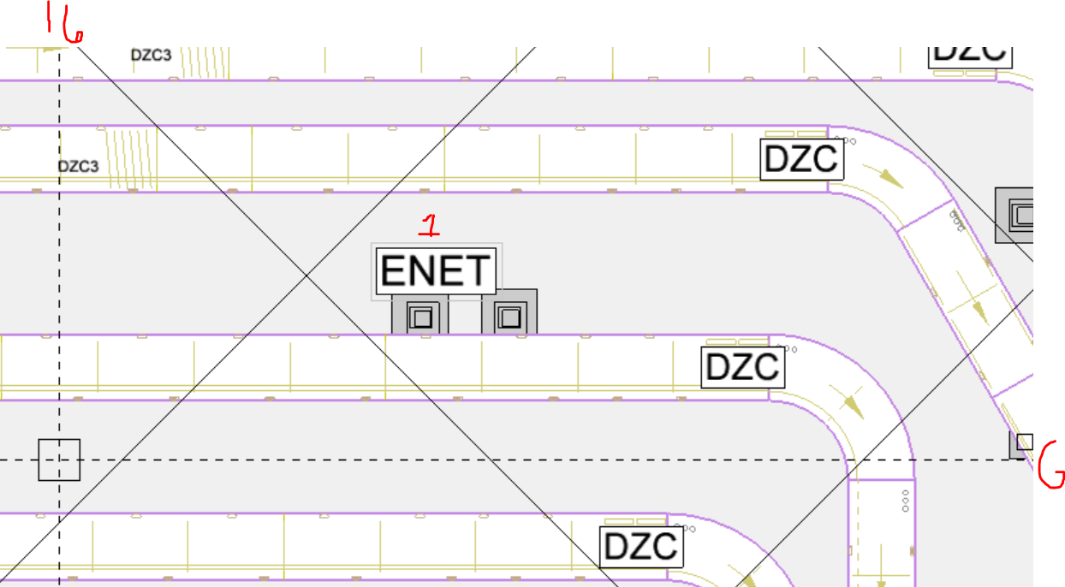
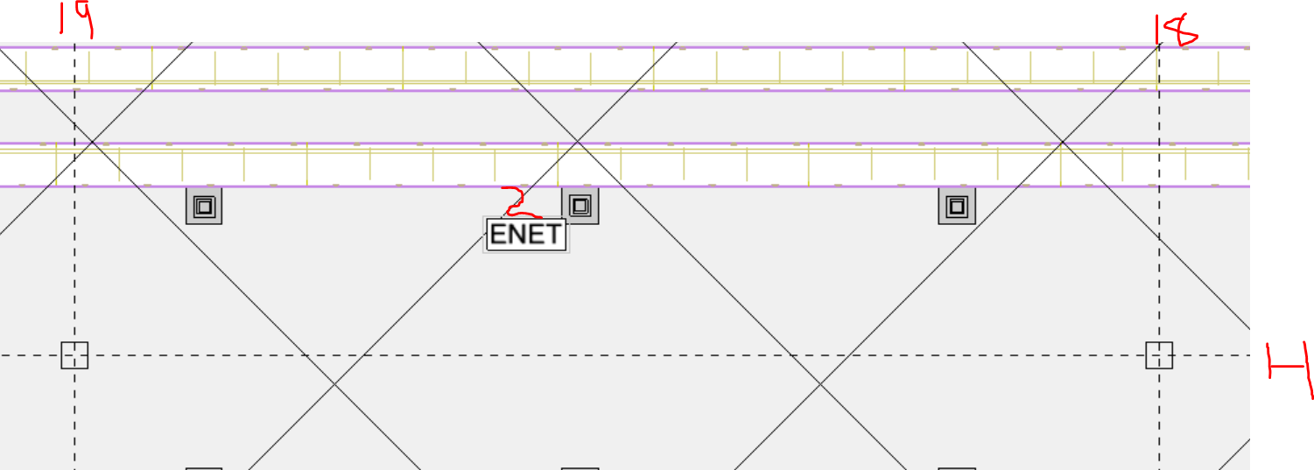
RA+806085_ENET1(24 PORT) @ G-15.5 | RA+814085_ENET2(8 PORT) @ H-18.5 | PDPs:
RA+810085_EAG_C | RA+814085_EAG_A
RA+812085_EAG_B
RA+808085_EAG_D | SB+814077_ECG_01
RA+806085_EAG_E | SB+812077_ECG_02
U803085_EAG_F
U815080_EAG_G | U814080_FMD
RA+815015_EAG_H | U812080_FMD
 | CC950
SB+810077_ECG_03 | ENET1
SB+808077_ECG_04
OR+806078_ECG_05
OR+804078_ECG_06
RA+802077_ECG_07

U803085_FMD
U806080_FMD
U808080_FMD
U810080_FMD
U815080_FMD
ENET2

TAGS

 |  |  | U803085
 |  |  | U806080
 |  |  | U808080
 |  |  | U810080
 |  |  | U812080
 |  |  | U814080
 |  |  | U815080

953
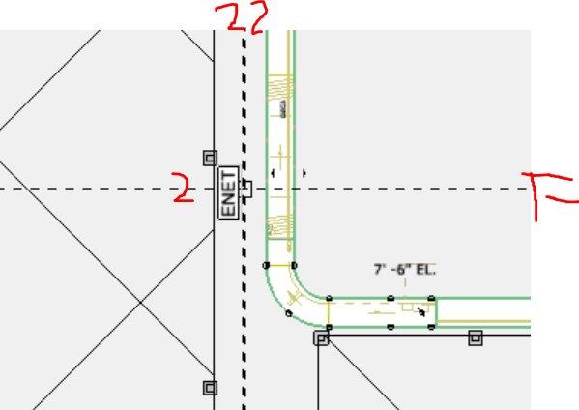
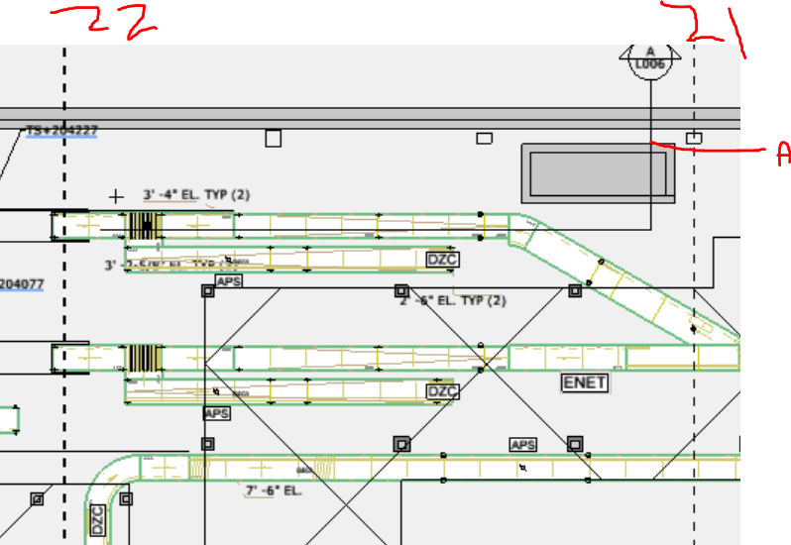
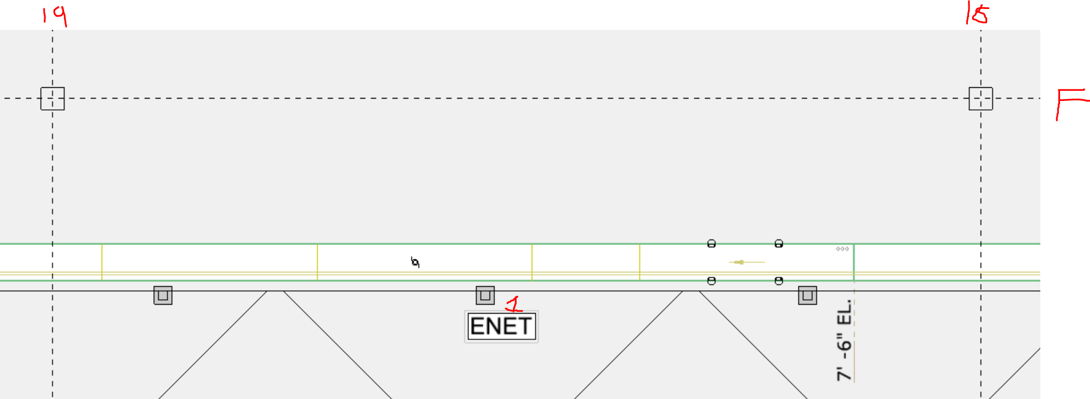
RT+820005_ENET1(8 PORT) @ F-18.5 | RA+820015_ENET2(8 PORT) @ F-22 | OR+820045_ENET3(24 PORT) @ A.5-21 | PDPs: | PDP61
RT+820005_EAG_A | ENET1 | SB+820295_EAG_B
 | ENET3 | SB+820070_EAG_C
RT+820000_FMD
RT+820005_FMD |  | SB+820070_ECG_01
 |  | SB+820270_ECG_02
CC950
ENET2 |  | PDP61_PM
 |  | PDP61_PDM

 |  | ENET3

TAGS

956
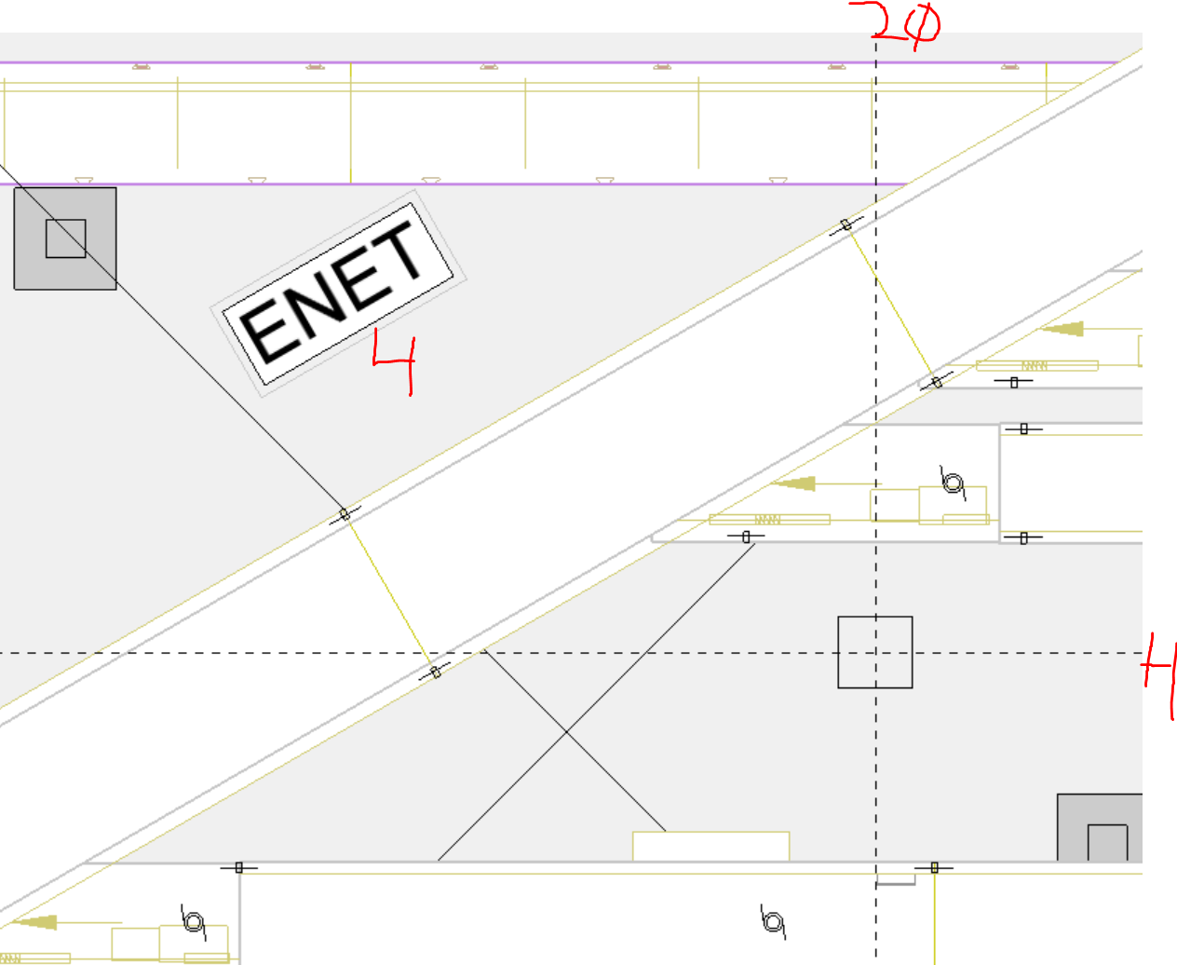
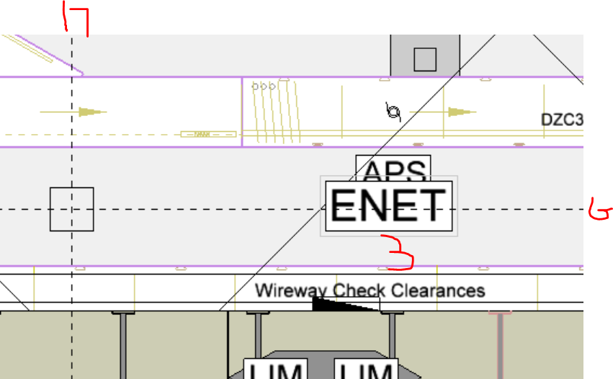
ENET1(24 PORT) RA+800025 @ J-15 |  | ENET2(24 PORT) SS+800000 @ G-19 |  | ENET3(24 PORT) SS+800000 @ G-17 |  | ENET4(48 PORT) BT+800040 @ H-20 |  |  | IP TABLE
BT+800015_EAG_E | 6.55 | SS+800000_EAG_C | 6.53 | SS+800000_EAG_D | 6.54 | BT+800040_EAG_A | 6.51
 |  |  |  |  |  | BT+800040_EAG_B | 6.52 |  | 800010 | 101
 |  |  |  |  |  |  |  |  | 800015 | 102
RA+U800025_FMD |  | RT+807000_FMD |  | RT+801000_FMD |  | RT+800060_FMD |  |  | 800025 | 103
BT+U800020_FMD |  | RT+808000_FMD |  | RT+802000_FMD |  | RT+800055_FMD |  |  | 800030 | 104
BT+U800015_FMD |  | RT+809000_FMD |  | RT+803000_FMD |  | RT+800050_FMD |  |  | 800040 | 105
BT+U800010_FMD |  | RT+810000_FMD |  | RT+804000_FMD |  | BT+800040_FMD |  |  | 800050 | 106
RA+U800030_FMD |  | RT+811000_FMD |  | RT+805000_FMD |  |  |  |  | 800055 | 107
RA+U800096_FMD |  | RT+812000_FMD |  | RT+806000_FMD |  | BT+800099_FMD | should be RT |  | 800060 | 108
 | 6.41 | RT+813000_FMD |  |  |  | BT+800098_FMD |  |  | 800096 | 109
PDP60_PM | 6.31 | RT+814000_FMD |  | RA+810096_FMD |  | BM+800097_FMD |  |  | 800097 | 110
PDP60_PDM |  |  |  | RA+808096_FMD |  |  |  |  | 800098 | 111
 |  |  |  | RA+806096_FMD |  | RT+812099_FMD |  |  | 800099 | 112
 |  |  |  | RA+803096_FMD |  | BT+812098_FMD |  |  | 801000 | 113
 |  |  |  | RA+815096_FMD |  | BM+812097_FMD |  |  | 802000 | 114
 |  |  |  | RA+814096_FMD |  |  |  |  | 803000 | 115
 |  |  |  | RA+812096_FMD |  | RT+814099_FMD |  |  | 803096 | 116
 |  |  |  |  |  | BT+814098_FMD |  |  | 803097 | 117
 |  |  |  |  |  | BM+814097_FMD |  |  | 803098 | 118
 |  |  |  |  |  |  |  |  | 803099 | 119
 |  |  |  |  |  | RT+815099_FMD |  |  | 804000 | 120
TAGS |  |  |  |  |  | BT+815098_FMD |  |  | 805000 | 121
 |  |  |  |  |  | BM+815097_FMD |  |  | 806000 | 122
 |  |  |  |  |  |  |  |  | 806096 | 123
 |  |  |  |  |  | RT+803099_FMD |  |  | 806097 | 124
 |  |  |  |  |  | BT+803098_FMD |  |  | 806098 | 125
 |  |  |  |  |  | BM+803097_FMD |  |  | 806099 | 126
 |  |  |  |  |  |  |  |  | 807000 | 127
 |  |  |  |  |  | RT+806099_FMD |  |  | 808000 | 128
 |  |  |  |  |  | BT+806098_FMD |  |  | 808096 | 129
 |  |  |  |  |  | BM+806097_FMD |  |  | 808097 | 130
 |  |  |  |  |  |  |  |  | 808098 | 131
 |  |  |  |  |  | RT+808099_FMD |  |  | 808099 | 132
 |  |  |  |  |  | BT+808098_FMD |  |  | 809000 | 133
 |  |  |  |  |  | BM+808097_FMD |  |  | 810000 | 134
 |  |  |  |  |  |  |  |  | 810096 | 135
 |  |  |  |  |  | RT+810099_FMD |  |  | 810097 | 136
 |  |  |  |  |  | BT+810098_FMD |  |  | 810098 | 137
 |  |  |  |  |  | BM+810097_FMD |  |  | 810099 | 138
 |  |  |  |  |  |  |  |  | 811000 | 139
 |  |  |  |  |  | PDP62_PM |  |  | 812000 | 140
 |  |  |  |  |  | PDP62_PDM |  |  | 812096 | 141
 |  |  |  |  |  |  |  |  | 812097 | 142
 |  |  |  |  |  |  |  |  | 812098 | 143
 |  |  |  |  |  |  |  |  | 812099 | 144
 |  |  |  |  |  |  |  |  | 813000 | 145
 |  |  | CC955_ENET.1 | CA956_ENET4_1.1 |  |  |  |  | 814000 | 146
 |  |  |  | CA956_ENET4_1.2 | CA956_ENET4_2.1 |  |  |  | 814096 | 147
 |  |  |  |  | CA956_ENET4_2.2 | CA956_ENET1.1 |  |  | 814097 | 148
 |  |  |  |  |  | CA956_ENET1.2 | CA956_ENET3.1 |  | 814098 | 149
 |  |  |  |  |  |  | CA956_ENET3.2 | CA956_ENET2.1 | 814099 | 150
 |  |  |  |  |  |  |  |  | 815096 | 151
 |  |  |  |  |  |  |  |  | 815097 | 152
 |  |  |  |  |  |  |  |  | 815098 | 153
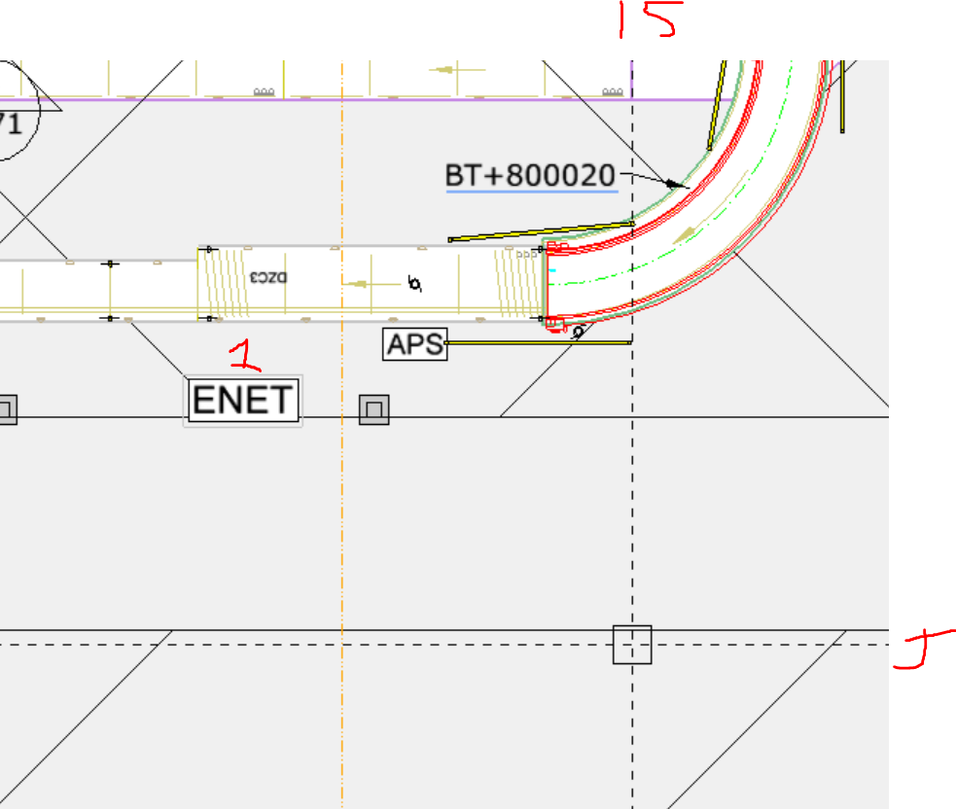
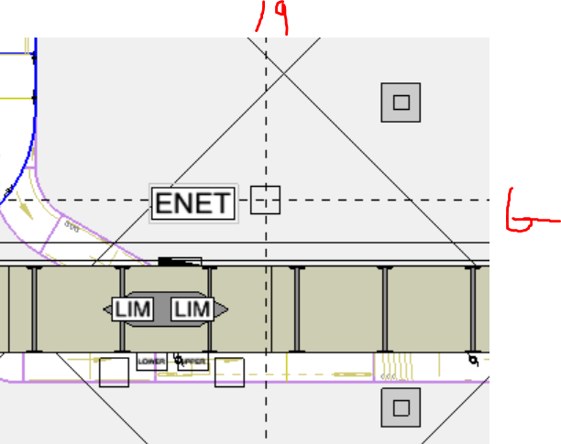
 |  |  |  |  |  |  |  |  | 815099 | 154

971
ENET1 (24 PORT) SB+802004 @ F-15 |  |  |  | 920 | 921
SB+xxx004 | Uxxx004_EAG_A | Etheret-ASI GW |  |  | 922
OR+yyy013 | Uxxx013_ECG_01 | Ethernet-CAN GW |  |  | 923
OR+yyy066 | Uxxx066_ECG_02 | Ethernet-CAN GW |  |  | 924
OR+xxx012 | Uxxx012_ECG_03 | Ethernet-CAN GW |  | 925 | 926
OR+xxx067 | Uxxx067_ECG_04 | Ethernet-CAN GW |  |  | 927
Inner Induct SC | Scanner | COGNEX DMR-262X CAMERA | 1
Outer Induct SC | Scanner | COGNEX DMR-262X CAMERA | 2
Inner Rebin Sort SC | Scanner | COGNEX DMR-262X CAMERA | 3
Outer Rebing Sort SC | Scanner | COGNEX DMR-262X CAMERA | 4
Inner St1 SC | Scanner | COGNEX DMR-262X CAMERA | 5
Inner St2 SC | Scanner | COGNEX DMR-262X CAMERA | 6
Inner St3 SC | Scanner | COGNEX DMR-262X CAMERA | 7
Inner St4 SC | Scanner | COGNEX DMR-262X CAMERA | 8
Outer St1 SC | Scanner | COGNEX DMR-262X CAMERA | 9
Outer St2 SC | Scanner | COGNEX DMR-262X CAMERA | 10
Outer St3 SC | Scanner | COGNEX DMR-262X CAMERA | 11
Outer St4 SC | Scanner | COGNEX DMR-262X CAMERA | 12

SB+802051_SC | 1
SB+802041_SC | 2
SB+802031_SC | 3
SB+802021_SC | 4
SB+802018_SC | 5
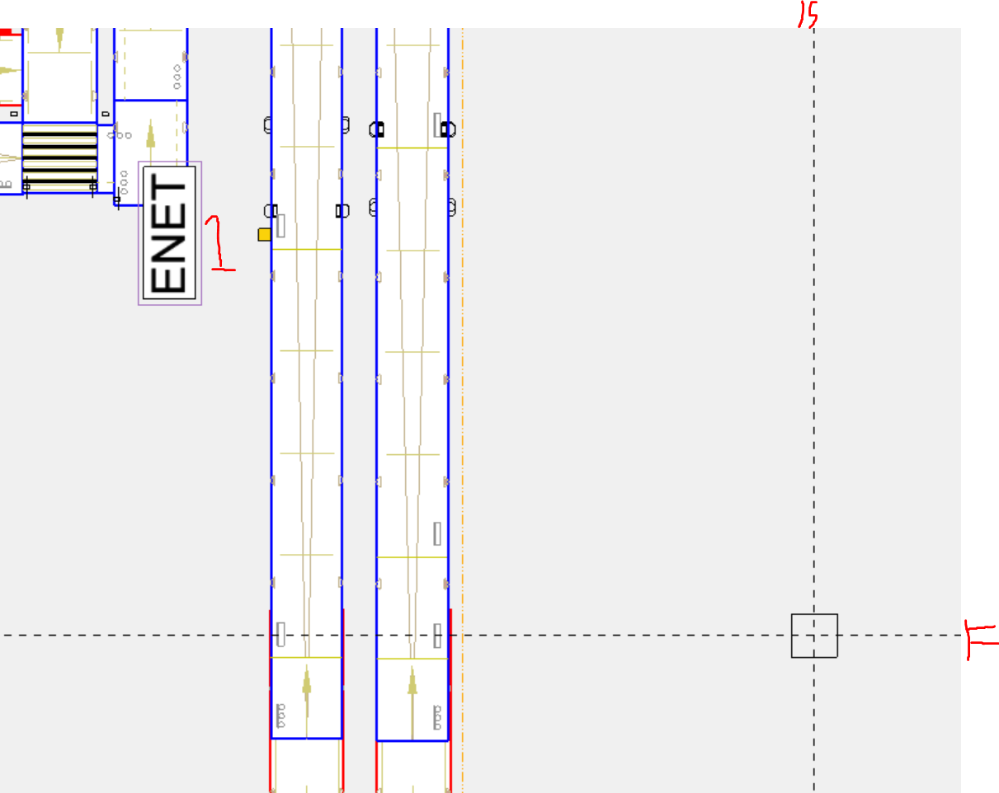
OR+801065_SC | 6
SB+801021_SC | 7
SB+801031_SC | 8
SB+801041_SC | 9
SB+801051_SC | 10

TAGS

981
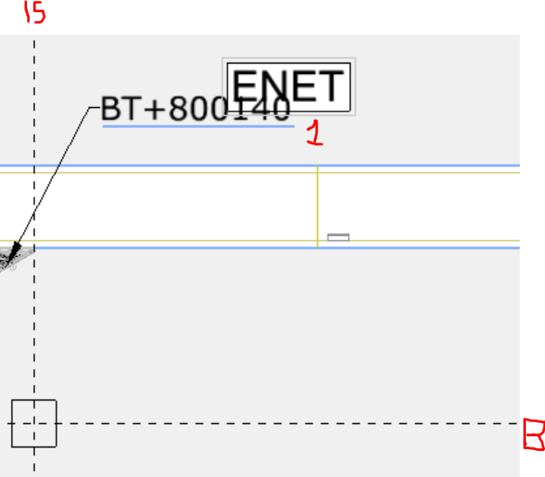
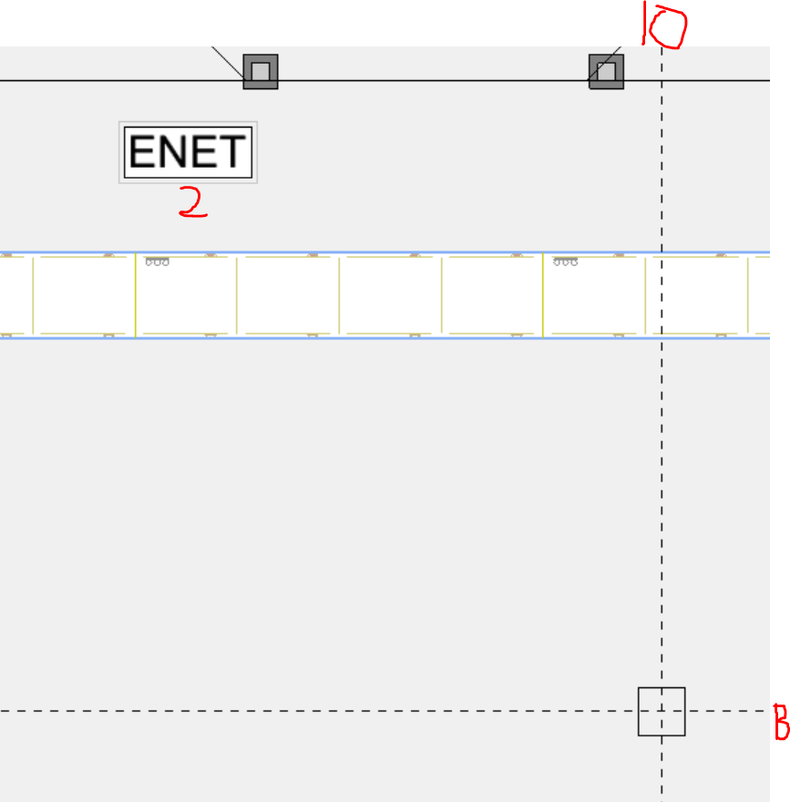
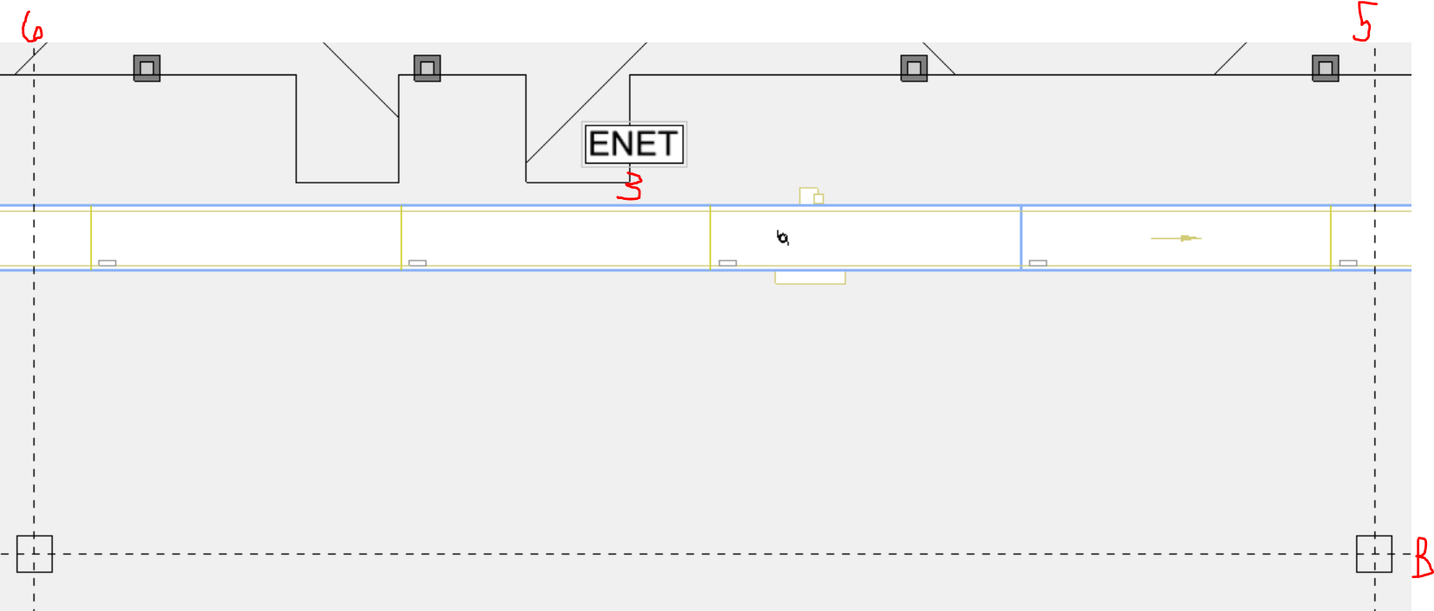
ENET1(24 PORT) @ B-15 |  | ENET2(8 PORT) @ B-10 | ENET3(8 PORT) @ B-5.5 | PDPs: | PDP71 | ENET2
BT+U800230_EAG_B | SB+U800100_EAG_A |  | SB+U800285_EAG_C
 |  | SB+U800265_ECG02 | SB+U800291_ECG03
SB+U800130_ECG01 |  |  | BT+800275_FMD
 |  |  | BT+800280_FMD
SB+U800135_FMD
RT+800140_FMD
BT+U800100_FMD
BT+U800220_FMD
BT+U800200_FMD
BT+U800230_FMD

TAGS

982
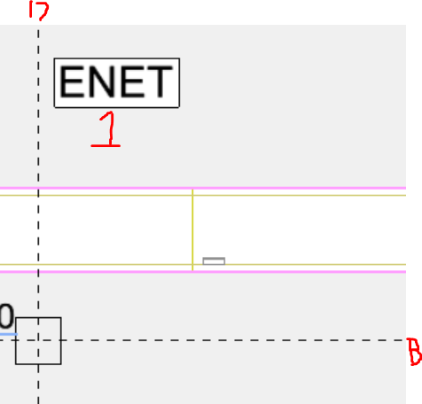
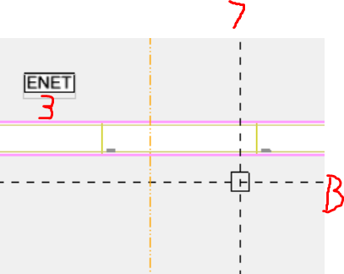
ENET1(24 PORT) @ B-17 |  | ENET2(8 PORT) @ B-12 | ENET3(8 PORT) @ B-7 | PDPs: | PDP70 | ENET1
BT+U800430_EAG_B | SB+U800310_EAG_A |  | BT+U800480_EAG_C |  | PDP72 | ENET3 | 800300
SB+U800330_ECG01 |  | BT+U800460_ECG02 | SB+U800492_ECG03 |  |  |  | 800335
SB+U800335_FMD |  | BT+U800470_FMD | BT+U800480_FMD |  |  |  | 800400
BT+U800300_FMD |  |  |  |  |  |  | 800420
BT+U800420_FMD |  |  |  |  |  |  | 800430
BT+U800400_FMD |  |  |  |  |  |  | 800435
BT+U800430_FMD |  |  |  |  |  |  | 800470
BT+U800435_FMD |  |  |  |  |  |  | 800480

TAGS

983
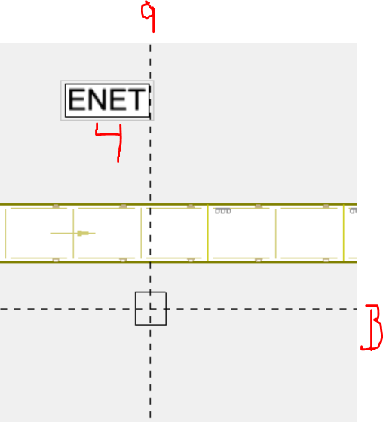
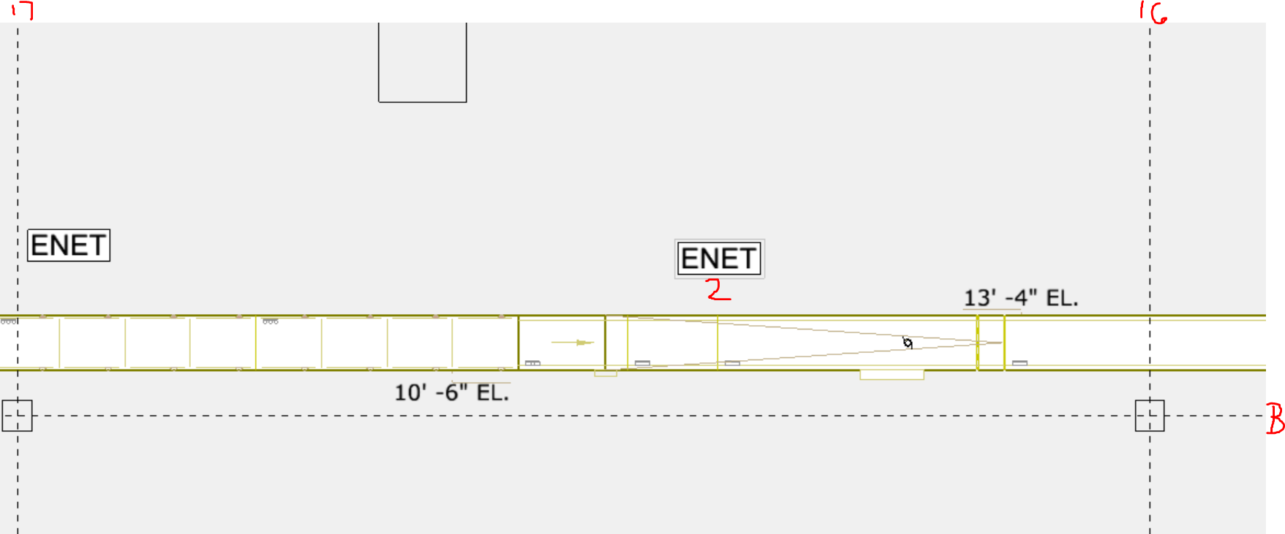
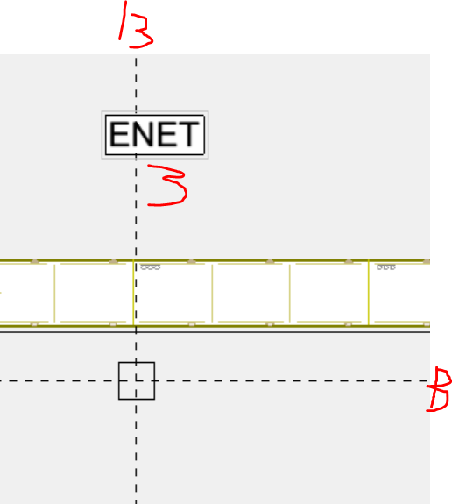
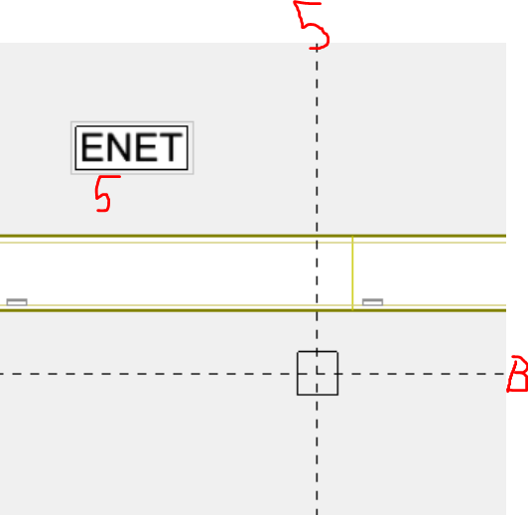
ENET(24 PORT) SB+800725 @ B-20.5 |  | ENET2(8 PORT) BT+800745 @ B-16.5 | ENET3(8 PORT) SB+800755 @ B-13 |  | ENET4(8 PORT) SB+800765 @ B-9 | ENET5(8 PORT) BT+800780 @ B-5
SB+800725_EAG_A |  | BT+800745_FMD | SB+800755_ECG_03 |  | BT+800770_FMD | BT+800780_EAG_C
BT+800730_EAG_B |  |  |  |  | BT+800775_FMD
 |  |  |  |  |  | SB+800794_ECG_04
SB+800725_ECG_01
BT+800735_ECG_02 |  |  |  |  |  | BT+800780_FMD

SB+800635_FMD | 1
BT+800600_FMD | 2
BT+800720_FMD | 3
BT+800700_FMD | 4
SB+800535_FMD | 5
BT+800500_FMD | 6
BT+800735_FMD | 7

 |  |  | 800500 | 101
TAGS |  |  | 800535 | 102
 |  |  | 800600 | 103
 |  |  | 800635 | 104
 |  |  | 800700 | 105
 |  |  | 800720 | 106
 |  |  | 800735 | 107
 |  |  | 800745 | 108
 |  |  | 800770 | 109
 |  |  | 800775 | 110
 |  |  | 800780 | 111

