Sheet1
Bug Report

Description of the bug | Reproduction steps | Expected Behavior | Actual Behaviour | Platform and Environment | Screenshot or Videos
Hellbringer Enemy A.I Shooting at player | Stand in front of the Enemy. | Character should shoot player on it's own | Sometimes the enemy doesn't shoot the player. | Platform: PC | 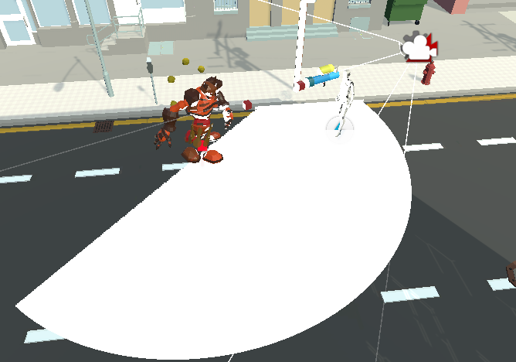
HellBringer Enemy A.I. going through walls/buildings | Start the Main Level | The Enemy should bump into the obstacles. | The enemy clips through the obstacles. | Platform: PC | 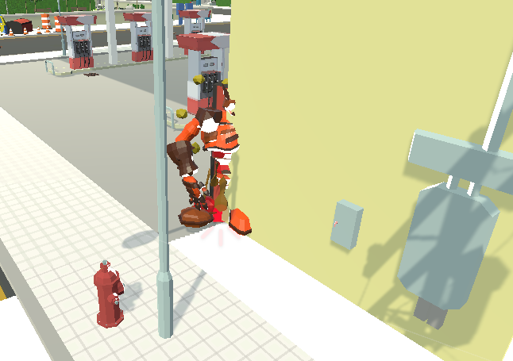
Firefighter Ally A.I Movement not implemented | Not applicable | Character should move on it's own using nav mesh | Not implemented | Platform: PC
Firefighter Ally A.I Shooting at player not implemented | Not applicable | Character should shoot player on it's own | Not implemented | Platform: PC
Firefighter Ally A.I Animation not implemented | Not applicable | Walking and idle animation should work while moving | Not implemented | Platform: PC
Weapons should have Sounds | Not applicable | Have sounds for weapons | Not implemented | Platform: PC
Throwable items should have Model | Not applicable | Have model for throwable | Not implemented | Platform: PC
Throwable items should have Particle | Not applicable | Have particles for throwable | Not implemented | Platform: PC
Throwable items should have Sounds | Not applicable | Have sounds for throwable | Not implemented | Platform: PC
Traps should have Model | Not applicable | Have model for traps | Not implemented | Platform: PC
Traps should have Particle | Not applicable | Have particles for traps | Not implemented | Platform: PC
Traps should have Sounds | Not applicable | Have sounds for traps | Not implemented | Platform: PC
Character revive not implemented | Not applicable | Character should automatically revive after a few seconds | Not implemented | Platform: PC
Missing EXP implementation for points | Not applicable | Player points should be added while playing | Not implemented | Platform: PC
Demolition of props and objectives | Not applicable | Props and objects should be destroyed upon shooting | Not implemented | Platform: PC

