Budget
Steve's Hobby World

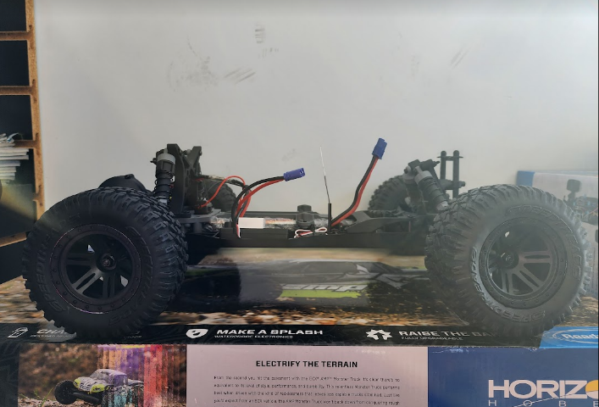

Pictures # | Item | Price | Qty. | Total
1 | RC w/ battery | $99.00 | 1 | $99.00 | 1
2 | Battery charger | $34.99 | 1 | $34.99
3 | More powerful battery | $34.99 | 1 | $34.99
4 | Battery adaptor (male) | $6.99 | 1 | $6.99
4 | Battery adapter (female) | $5.99 | 1 | $5.99
Total |  |  |  | $181.96

 |  |  |  |  | 2 | 3

 |  |  |  |  | 4

