_README
 |  | Classification and Labels

Data | Schema Evo 2019 | OVERALL CLASS |  | In terms of Class-Based Def.
Results produced by | @mainEngine, class SchemaStatsMainEngine, method extractSchemaLevelInfo() | 0_FROZEN | totalActivity = 0 | HB VolOfChange = 0_NONE
 |  | 1_ALMOST_FROZEN | At most 3 active commits, totalActivity <= 10 updated attributes | ACommitClass<=2_Few & HB VolOfChange = ALMOST FROZEN
Terminology |  | 1_FocusedShot_n_FROZEN | At most 3 active commits, totalActivity 10 updated attributes | ACommitClass<=2_Few & HB VolOfChange > 1_ALMOST_FROZE
FKUV (First Known Update Version) | the first commit in the history of the project that involves the creation of .sql file of the schema | 2_MODERATE | None of the rest, totalActivity <= 90 updated attributes | ACommitClass>=3_MODERATE & ActivityClass < HIGH & NOT 3_Focused_n_Low
LKUV (Last Known Update Version) | the last commit in the history of the project that involves a modification at the .sql file of the schema | 3_FocusedShot_n_LOW | Between 4 and 10 active commits, 1 or 2 reeds | ACommitClass = 3_MODERATE & ReedClass in {SINGLE,DOUBLE}
 | /* The above involve __the schema file__ and not the project */ | 5_ACTIVE | None of the rest, totalActivity > 90 updated attributes | ACommitClass>=3_MODERATE & ActivityClass = HIGH & NOT 3_Focused_n_Low
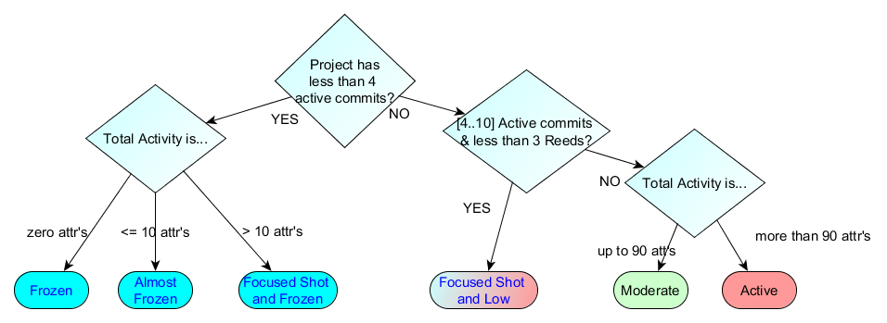

Project | the project's name, i.e., under the pattern owner__prjName | Sc. Upd. Period SUP Class
DurationInDays | duration of the update time window of the schema in days = the distance between the FKUV that creates the .sql file and the LKUV | 0_UpTo10Days | [000 .. 010] days
DurationInMonths (aka SUP) | duration of the update time window of the schema in months | 1_11To180D | [011 .. 180] days
DurationInYears | duration of the update time window of the schema in years | 2_06To12M | [181 .. 365] days
#Commits | the number of commits to the .sql schema file | 3_13To36M | [366..1095] days
#Tables@Start | the number of tables at the FKUV | 4_LONG | > 1095 Days (equiv. 3 yrs)
#Tables@End | the number of tables at the LKUV
#Attrs@Start | the number of attributes at the FKUV | Line Vol. of Change Class: BD = tblIns + tblDel |  | Line Shape
#Attrs@End | the number of tables at the LKUV | 0_NONE | BD == 0 | 0_FLAT
 |  | 1_SMALL | BD < 3, i.e. [1,2] | 31_Rise-N-Stable | RisingLine; stable
TotalTableInsertions | the number of tables inserted to the schema without counting the ones in FKUV | 2_MODERATE | BD<11, i.e., [3,10] | 32_Stable-N-Rise | StableLine;Rising
TotalTableDeletions | the number of tables removed from the schema | 3_HIGH | BD >= 11 | 33_StableRiseStable | StableLine;Rising;Stable
TotalAttrInsWithTableIns | the number of attributes born with table births without counting the ones in FKUV |  |  | 39_Rise-Line | 2-point RisingLine
TotalAttrbDelWithTableDel | the number of attributes removed with table deletions | Acommit && Turf Class | We count turf active commits here | 41_2-Step_INC | Stable;Rise;Stable;Rise;[Stable]
TotalAttrInjected | the number of attributes inserted into existing tables (obviously without counting the ones in FKUV) | 0_NONE | 0 active commits | 42_MULTISTEP_INC | Several Stable;Rise ladder steps
TotalAttrEjected | the number of attributes removed from tables that continued to exist | 1_TOO_FEW | 1 active commit | 51_Drop-n-Stable | DroppingLine;Stable
TatalAttrWithTypeUpd | the number of occurrences where attributes underwent a type update (obviously without counting the ones in FKUV) | 2_FEW | strictly less than 4, i.e., [2,3] | 52_Stable_n_Drop | Stable;DroppingLine
TotalAttrInPKUpd | the number of attributes involved in a primary key update (obviously without counting the ones in FKUV) | 3_MODERATE | between [4,10] active commits | 53_StableDropStable | Stable;DroppingLine;Stable
TotalExpansion | Attrs@Start + TotalAttrInsWithTableIns + TotalAttrInjected | 4_SEVERAL | 11 or more active commits | 59_Drop_Line | 2-point DroppingLine
TotalMaintenance | TotalAttrbDelWithTableDel + TotalAttrEjected + TatalAttrWithTypeUpd + TotalAttrInPKUpd | * both of them share the same rules |  | 90_TURBULENT | Mix of Up's and Down's
TotalTotalAttrActivity | TotalExpansion + TotalMaintenance |  |  | 91_DO-UNDO | Stable except for a rise-n-fall period
 |  | Reed Class | We count reeds in this class | 54_Multistep_Dec | Several Stable;Drop ladder steps
ExpansionRatePerCommit | TotalExpansion / #Commits | 0_NONE | no reeds
ExpansionRatePerMonth | TotalExpansion / DurationInMonths | 1_SINGLE | just 1 reed | Active Commit Class
ExpansionRatePeryear | TotalExpansion / DurationInYears | 2_DOUBLE | exactly 2 reeds | 0_NONE | Active commits = 0
MaintenanceRatePerCommit | TotalMaintenance / #Commits | 3_SEVERAL | [3 .. 10] reeds | 1_TOO_FEW | Active commits in [1..1]
MaintenanceRatePerMonth | TotalMaintenance / DurationInMonths | 4_EXCESSIVE | [11 … inf] reeds | 2_FEW | Active commits in [2..3]
MaintenanceRatePeryear | TotalMaintenance / DurationInYears |  |  | 3_MODERATE | Active commits in [4..10]
TotalAttrActivityRatePerCommit | TotalTotalAttrActivity / #Commits | Activity Class |  | 4_SEVERAL | Active commits > 10
TotalAttrActivityRatePerMonth | TotalTotalAttrActivity / DurationInMonths | 0_NONE | total activity = 0
TotalAttrActivityRatePeryear | TotalTotalAttrActivity / DurationInYears | 1_ALMOST_FROZEN | total activity in [1,10] | Reed: commit with activity >= 15
ResizingRatio | #Tables@End / #Tables@Start | 2_SMALL | total activity in [11,30]
 |  | 3_MODERATE | total activity in [31,90] | turf absence / presence | MANUALLY
Active commit | A commit with sum(activity) > 0 attributes, i.e., with any form of activity | 4_HIGH | total activity > 90 | Exceptions? | MANUALLY
Reed | A commit with sum(activity) >= 15 attributes |  |  | presence of idle periods? | MANUALLY
Turf | Turf is any active commit Sum(activity) < 15 attributes (&& by definition with > 0). |  |  | HB Bias | MANUALLY

ActiveCommitRatio | #ActiveCommits/Commits
Bias | Expansion / (Expansion + Maintenance)
[Active]CommitsPerMonth | #[Active]Commits / SUP
SchemaToPrjCommits | #Commits / #ProjectCommits

