Sheet1
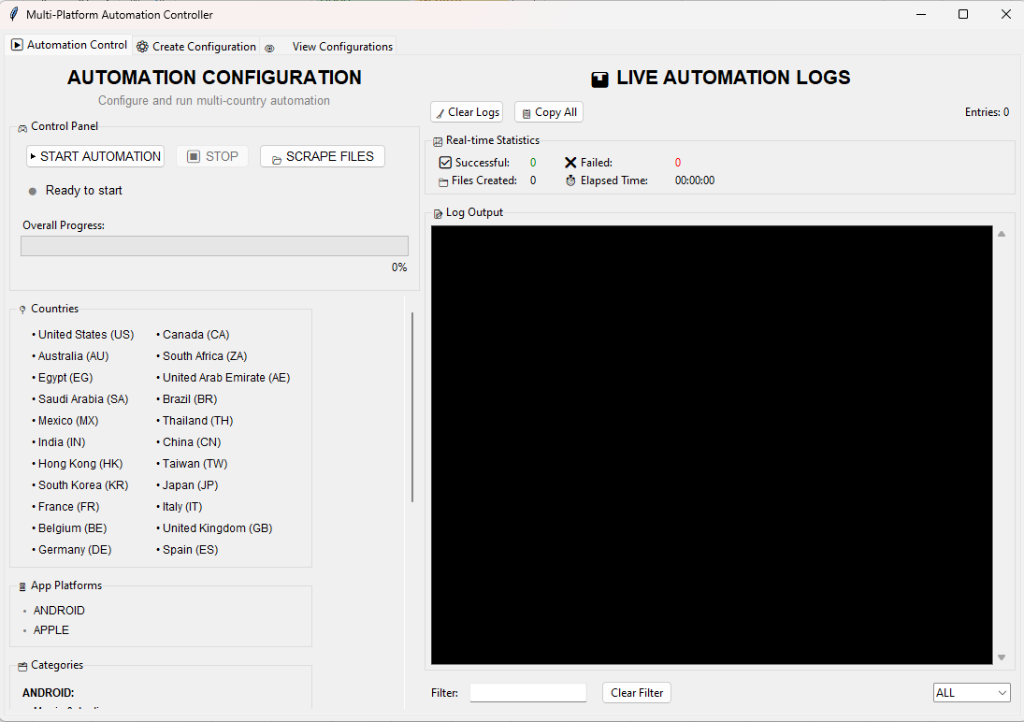
1
2
3
4
5
6.1
7
9
6.2
WEB_SCRAPE Automation User's Manual

Note: Make sure that config.json and custom_patterns.json are inside of dist folder.

3
1. Opening the Application

 | To get started open/select the WEB_SCRAPE_AUTOMATION.exe
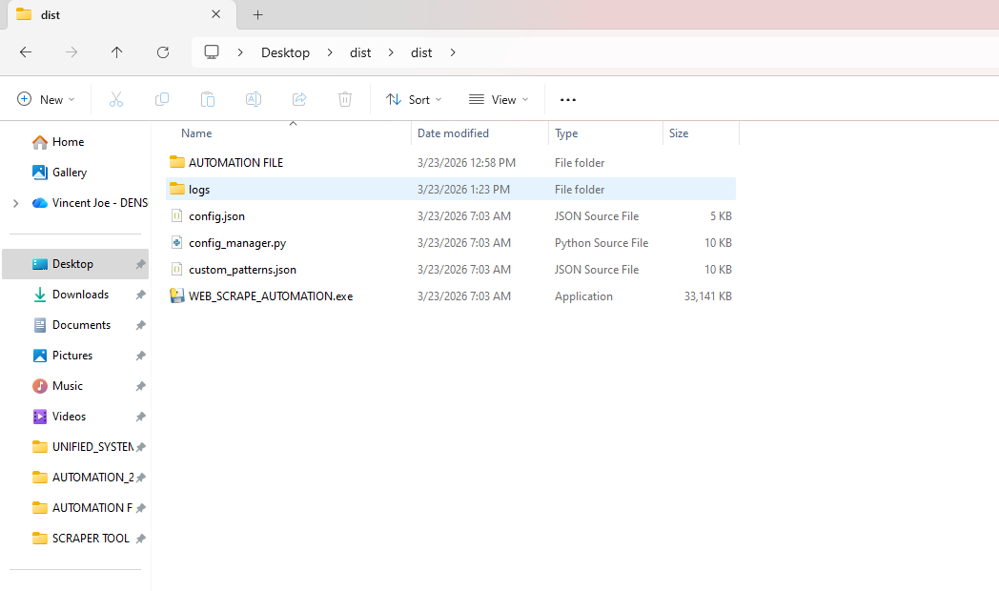
 |  |  |  |  |  | START AUTOMATION: It launches the Full country along with its platforms and categories in a background thread
 |  |  |  |  |  | STOP: It stop the current operation
 |  |  |  |  |  | SCRAPE FILES: A function that used to extract data out of the existing folder containing a MHTML files
 |  |  |  |  |  | CLEAR LOGS: Clear all the data logs in the Log Output.
 |  |  |  |  |  | COPY ALL: It copies all the data capture in the Log Output.
 |  |  |  |  |  | FILTER INPUT & LOG-LEVEL : This will highlighted all the match value selected or Inputted by the user
 |  |  |  |  |  | CLEAR FILTER: This unfiltered all the matching lines that selected or inputted by the user
2. How to use |  |  |  |  | Information: | LOG OUTPUT: This display all the activities happened in the START AUTOMATION and SCRAPE FILES functions.

 | In this Application we have 3 major features
 |  | 1. Automate Webpages
 |  | 2. Scrape MHTML Files
3
 |  | 3. Create and Update Custom Configuration
 |  | 4. View Existing Configuration

Automate Webpages

 | To begin in automating webpages, click 'START AUTOMATION'. |  |  | When a pop-up notification showed in you screen, you need to go to the browser itself to manually solve it.
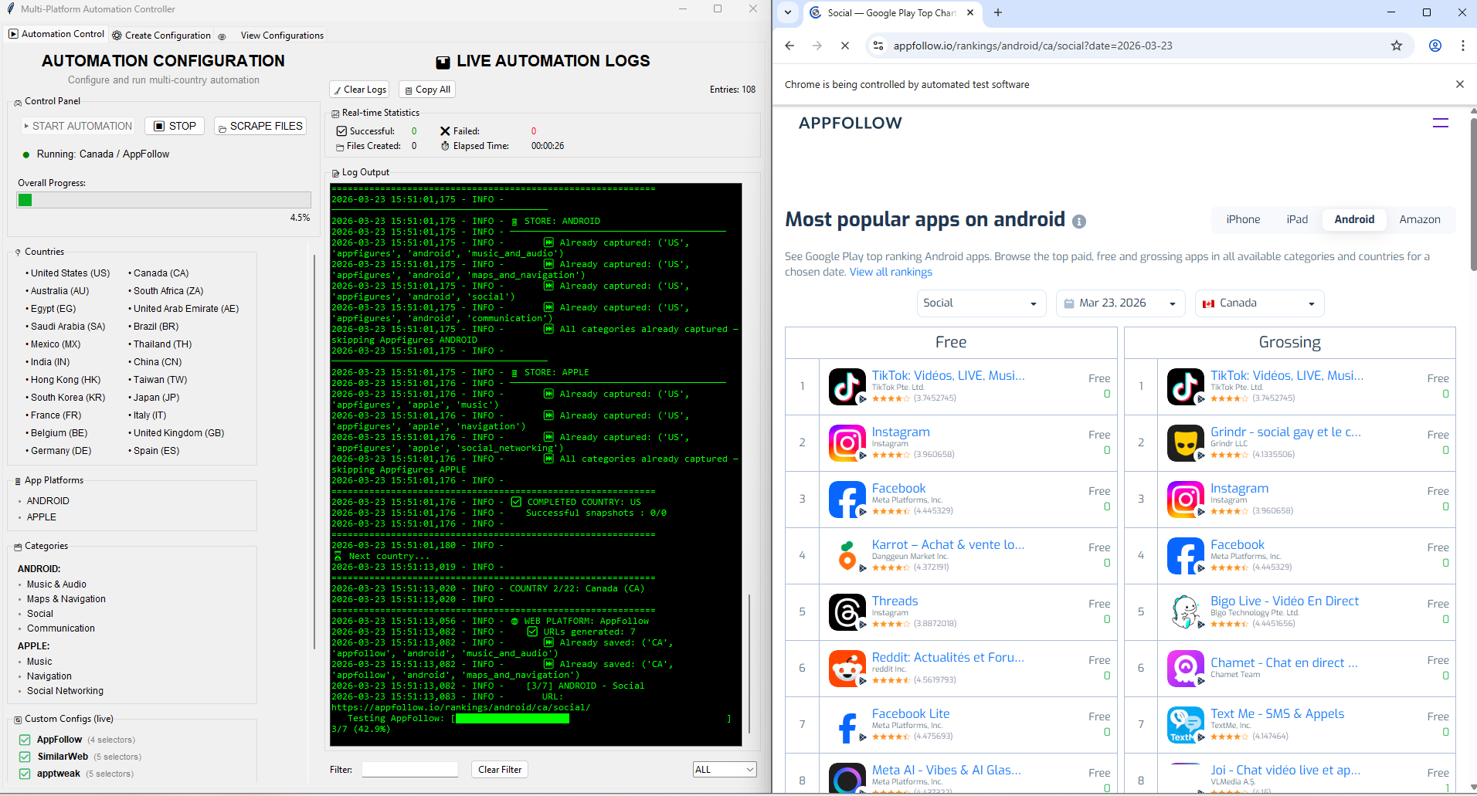

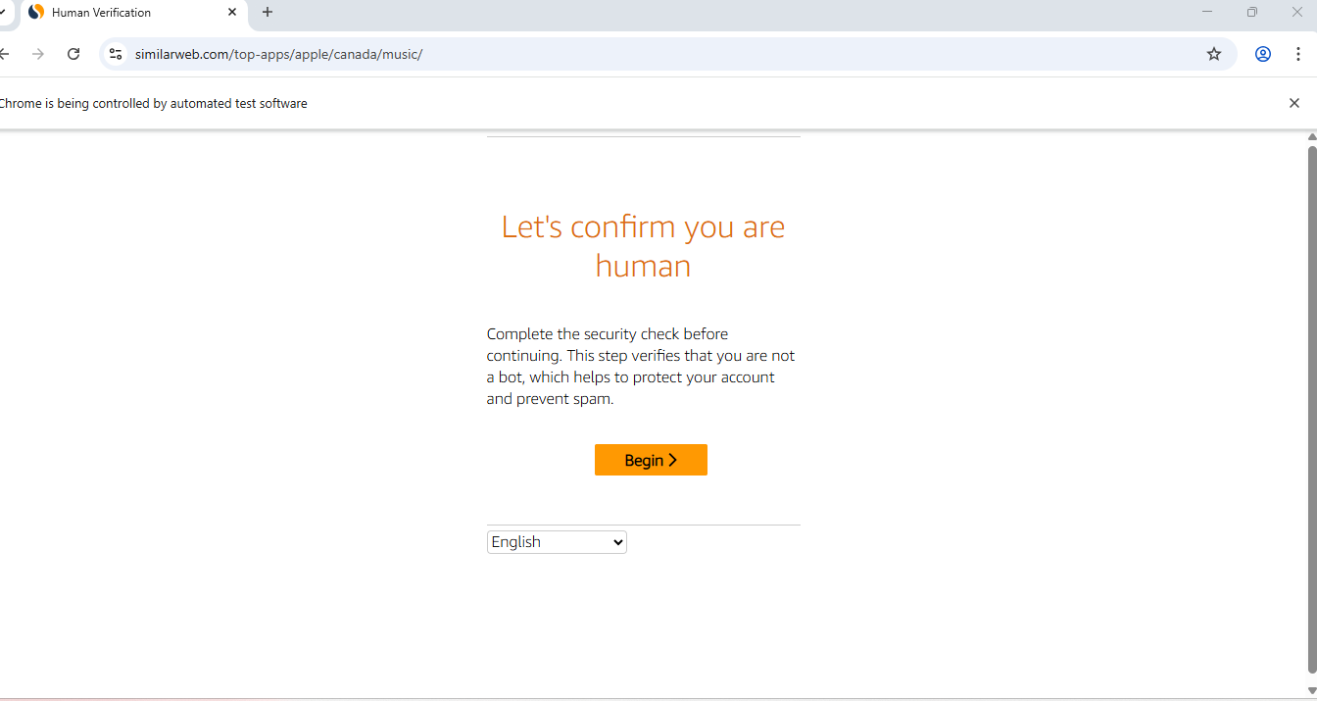

 | Note: Before starting the automation, make sure that the device set the power all the config (Screen and sleep) to "never". |  | Note: When the application currently in progress, don’t close nor the browser to avoid error during runtime.
 |  |  |  | Note: The human verification process have a 300s duration when this expired this process will skipped.

AUTOMATION CONTROL
WEB_SCRAPE Automation User's Manual

 |  |  |  |  |  |  |  | Overview
 | Automation Control
 |  |  |  |  |  | Automation Control - Summary

1
2
3
4
5
6.1
7
9
6.2
 |  |  |  |  |  | START AUTOMATION: Launches the full automation loop in a background thread. The GUI stays responsive while it runs. |  |  | The Automation Control tab is the main operational screen. It automatically visits multiple app store intelligence platforms across 22 countries, captures each page as an MHTML snapshot, and extracts the top app rankings into an Excel file — all without manual intervention.

 |  |  |  |  |  | STOP: Sends a stop signal. The current page capture finishes first, then the loop exits cleanly.

 |  |  |  |  |  | SCRAPE FILES: Extracts data from an existing folder of MHTML files without re-running the browser.
 |  |  |  |  |  |  |  |  | What it does:
 |  |  |  |  |  |  |  |  |  | Opens Google Chrome automatically and navigates to each configured platform
 |  |  |  |  |  | CLEAR LOGS: Wipes the log display. Does not affect the automation. |  |  |  | Visits every combination of country, app platform (Android / Apple), and category
 |  |  |  |  |  |  |  |  |  | Saves each page as an MHTML file to your local drive
 |  |  |  |  |  |  |  |  |  | Immediately extracts app ranking data into All_platforms.xlsx
 |  |  |  |  |  | COPY ALL: Copies full log text to clipboard for troubleshooting. |  |  |  | Skips any country/category already captured in a previous session

 |  |  |  |  |  | FILTER INPUT & LOG-LEVEL : Type a keyword to highlight matching lines in yellow and Filter by ALL, INFO, WARNING, or ERROR.

 |  |  |  |  |  | CLEAR FILTER: Removes all filters and restores the full log view.

How to use

 | In this Application we have 3 major features |  | Before you start:
 |  | 1. Automate Webpages |  | ⚠️ WARNING — Set Power & Sleep to NEVER before starting Go to: Settings → System → Power & Sleep → set both Screen and Sleep to Never. The automation runs for several hours. If the PC sleeps, the browser may close itself and the session will fail.
 |  | 2. Scrape MHTML Files
 |  | 3. Create and Update Custom Configuration
 |  | 4. View Existing Configuration
 |  |  |  | ⚠️ Do NOT close the application or the Chrome browser while running. Use the STOP button inside the app if you need to end the session early.

 |  |  |  | 📝 Make sure Google Chrome is installed. ChromeDriver is downloaded automatically — no manual installation needed.

1.Automate Webpages

 |  | 1.To begin in automating webpages, click 'START AUTOMATION'. |  |  | 2. The folder validated first if there are existing MHTML files, then skipped it the existing one and proceed on the next categories not yet executed. |  | 3. When a pop-up notification showed in your screen, you need to go on the browser itself to manually solve it. |  |  |  | 4. When finished a dialog appeared containing a no. of successful and failed during automation along with the location of folder that have MHTML and excel files.
 |  |  |  |  |  |  |  |  |  |  |  | `
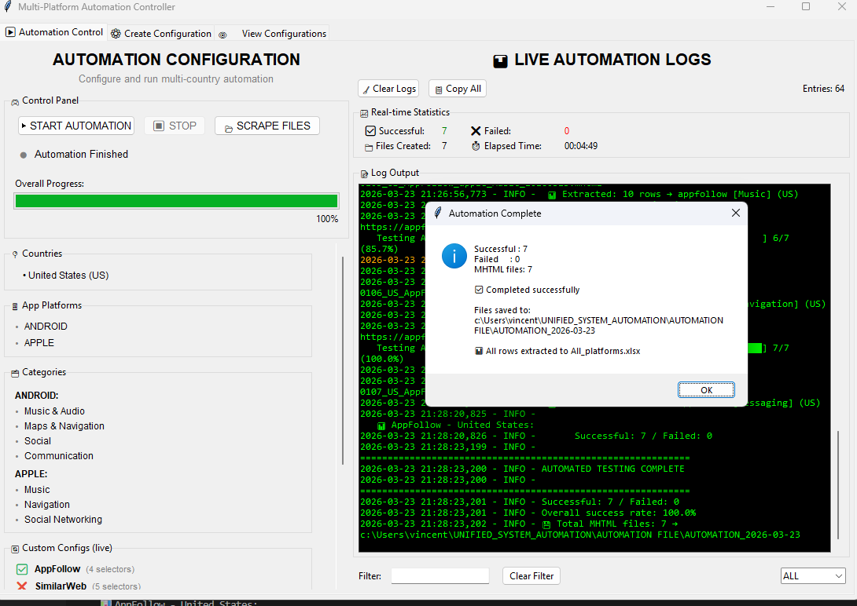

 |  | Note: Before starting the automation, make sure that the device set the power all the config (Screen and sleep) to "never". |  |  | Note: When the application currently in progress, don’t close nor the browser to avoid error during runtime.

 |  |  |  |  |  |  | Note: The human verification process have a 300s duration when this expired this process will skipped.

1.Scrape MHTML Files

