1. Executive Summary
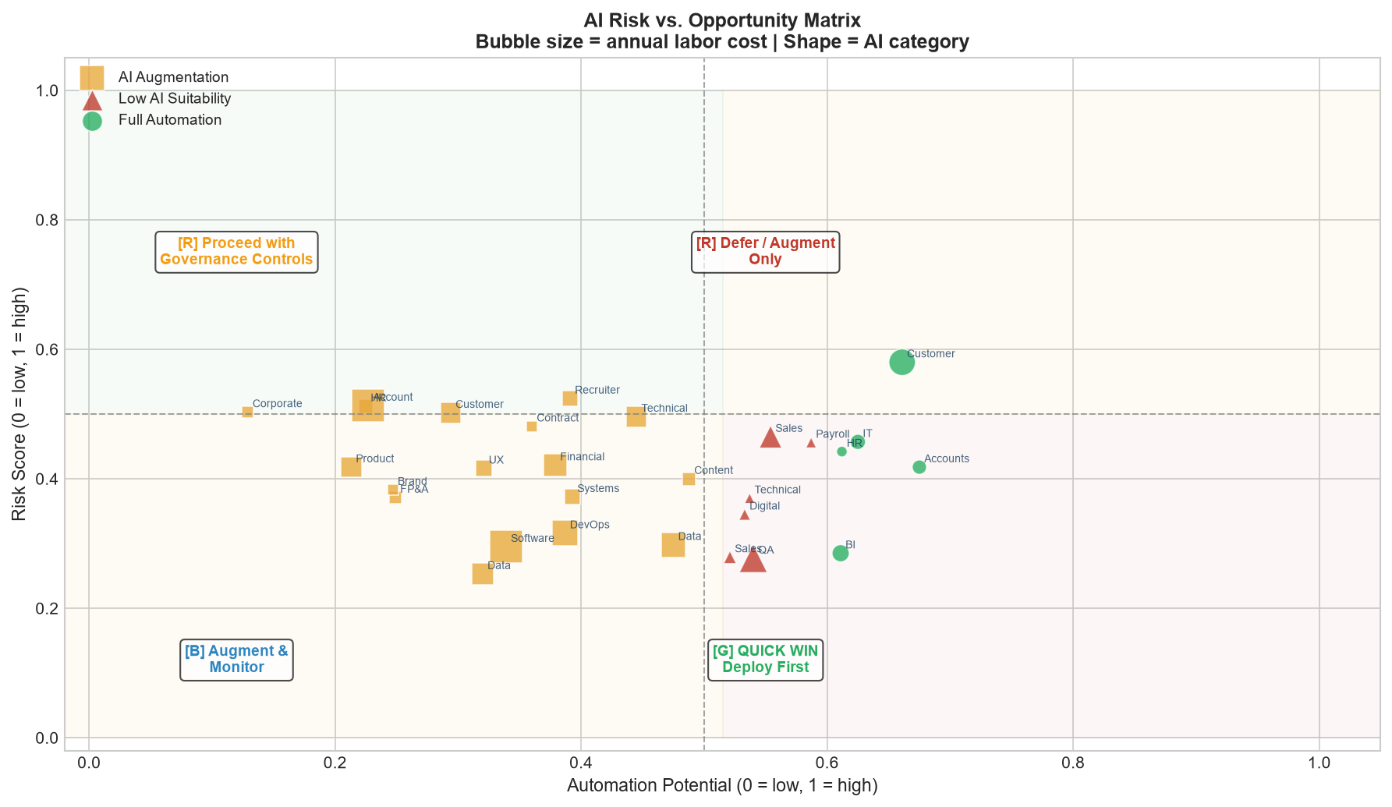
AI WORKFORCE TRANSFORMATION STRATEGY — EXECUTIVE SUMMARY
Analysis Date: August 2026 | Synthetic case study — all data illustrative

Total Workforce Analysed |  |  | Total Annual Labor Cost |  |  | Moderate Scenario Savings |  |  | Portfolio ROI (Moderate)

2,932 FTE |  |  | $373.3M |  |  | $97.9M/yr |  |  | 561%

Payback Period |  |  | 3-Year NPV (Moderate) |  |  | Green Priority Roles |  |  | Phase 1 Roles

2 months |  |  | $513.8M |  |  | 0 of 30 roles |  |  | 10 roles ready now

KEY FINDINGS
1. Customer Support (Tier 1) and Finance Operations (AP/AR, Payroll) score highest on the AI Adoption Priority Score (AAPS) — high repetitiveness, strong AI tool maturity, and large cost pools.
2. Under the Moderate AI scenario, estimated annual labor savings of $97.9M are achievable against a total labor cost base of $373.3M (26.2% reduction).
3. The portfolio investment of $33.3M generates a Year-1 ROI of 561% and a payback period of 2 months under the moderate scenario.
4. A 3-year NPV of $513.8M (at 10% discount rate) validates the business case across all three scenarios.
5. Roles such as Corporate Counsel, HR Business Partner, and Account Executive (Enterprise) should NOT be automated — their decision intensity and client relationship value far exceeds any automation benefit.
6. Sensitivity analysis confirms that AAPS rankings are robust (Spearman rho >= 0.85) — the top-priority roles remain consistent regardless of weight assumptions.
7. RECOMMENDED STRATEGY: Moderate scenario, phased 24-month rollout, starting with Finance Ops and Customer Support before expanding to Engineering (DevOps/QA) and Data & Analytics.

Scenario Comparison at a Glance
Scenario | Labor Savings | Impl. Cost | Net Annual Benefit | Savings % | Portfolio ROI | Payback (mo) | 3-yr NPV | Risk Level
Conservative | $60.24M | $39.91M | $137.26M | 16.1% | 244% | 3 | $301.44M | Low
Moderate | $97.88M | $33.26M | $219.99M | 26.2% | 561% | 2 | $513.82M | Medium
Aggressive | $128.00M | $29.93M | $275.84M | 34.3% | 821% | 1 | $656.05M | High

2. Workforce & Cost
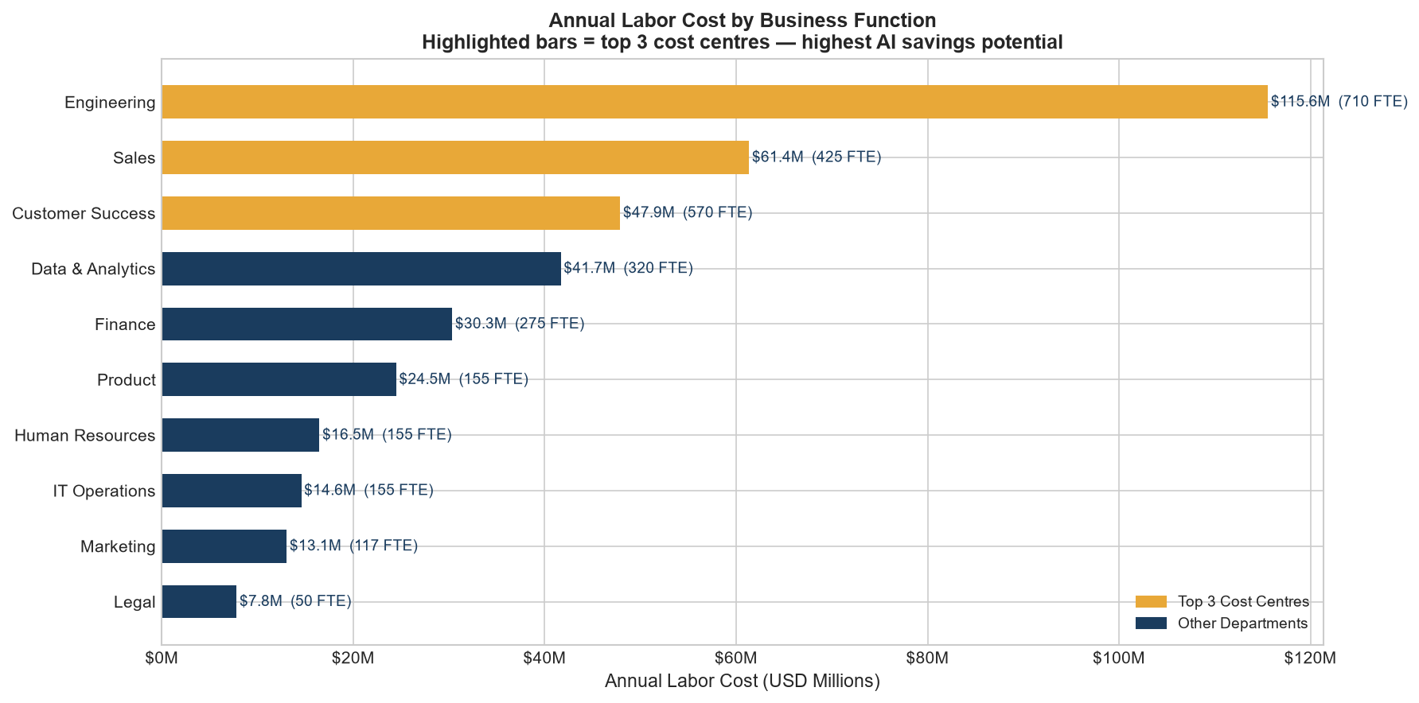
Workforce & Labor Cost Analysis
All costs include 30% benefits load. Salaries anchored to BLS/Glassdoor public benchmarks (2023-24).
Role | Department | Level | Headcount | Avg Salary ($) | Benefits Load | Total Labor Cost ($) | Cost / Hour ($) | Productive Hrs/yr | Cost % of Total
Software Engineer | Engineering | Mid | 420 | 130000 | 30% | 70980000 | 88.02 | 1920 | 19.0%
Account Executive (Enterprise) | Sales | Senior | 200 | 155000 | 30% | 40300000 | 104.95 | 1920 | 10.8%
QA / Test Engineer | Engineering | Mid | 180 | 105000 | 30% | 24570000 | 71.09 | 1920 | 6.6%
Customer Support Agent (Tier 1) | Customer Success | Junior | 320 | 52000 | 30% | 21632000 | 35.21 | 1920 | 5.8%
DevOps / Platform Engineer | Engineering | Senior | 110 | 140000 | 30% | 20020000 | 94.79 | 1920 | 5.4%
Data Analyst | Data & Analytics | Mid | 150 | 95000 | 30% | 18525000 | 64.32 | 1920 | 5.0%
Sales Development Rep (SDR) | Sales | Junior | 180 | 68000 | 30% | 15912000 | 46.04 | 1920 | 4.3%
Financial Analyst | Finance | Mid | 120 | 100000 | 30% | 15600000 | 67.71 | 1920 | 4.2%
Data Scientist | Data & Analytics | Senior | 80 | 135000 | 30% | 14040000 | 91.41 | 1920 | 3.8%
Product Manager | Product | Senior | 70 | 145000 | 30% | 13195000 | 98.18 | 1920 | 3.5%
Customer Success Manager | Customer Success | Mid | 110 | 92000 | 30% | 13156000 | 62.29 | 1920 | 3.5%
Technical Support Specialist (Tier 2) | Customer Success | Mid | 140 | 72000 | 30% | 13104000 | 48.75 | 1920 | 3.5%
BI / Reporting Analyst | Data & Analytics | Junior | 90 | 78000 | 30% | 9126000 | 52.81 | 1920 | 2.4%
UX / Product Designer | Product | Mid | 55 | 110000 | 30% | 7865000 | 74.48 | 1920 | 2.1%
Systems / Network Administrator | IT Operations | Mid | 60 | 95000 | 30% | 7410000 | 64.32 | 1920 | 2.0%
Recruiter / Talent Acquisition | Human Resources | Mid | 65 | 85000 | 30% | 7182500 | 57.55 | 1920 | 1.9%
IT Help Desk / Support | IT Operations | Junior | 95 | 58000 | 30% | 7163000 | 39.27 | 1920 | 1.9%
Accounts Payable / Receivable Clerk | Finance | Junior | 85 | 58000 | 30% | 6409000 | 39.27 | 1920 | 1.7%
HR Business Partner | Human Resources | Senior | 40 | 110000 | 30% | 5720000 | 74.48 | 1920 | 1.5%
Content Writer / Copywriter | Marketing | Mid | 55 | 75000 | 30% | 5362500 | 50.78 | 1920 | 1.4%
Sales Operations Analyst | Sales | Mid | 45 | 88000 | 30% | 5148000 | 59.58 | 1920 | 1.4%
FP&A Manager | Finance | Manager | 25 | 145000 | 30% | 4712500 | 98.18 | 1920 | 1.3%
Digital Marketing Analyst | Marketing | Mid | 40 | 82000 | 30% | 4264000 | 55.52 | 1920 | 1.1%
Corporate Counsel | Legal | Director | 15 | 210000 | 30% | 4095000 | 142.19 | 1920 | 1.1%
Contract / Paralegal Specialist | Legal | Mid | 35 | 82000 | 30% | 3731000 | 55.52 | 1920 | 1.0%
Payroll Specialist | Finance | Junior | 45 | 62000 | 30% | 3627000 | 41.98 | 1920 | 1.0%
HR Operations / Admin | Human Resources | Junior | 50 | 55000 | 30% | 3575000 | 37.24 | 1920 | 1.0%
Brand / Marketing Manager | Marketing | Manager | 22 | 120000 | 30% | 3432000 | 81.25 | 1920 | 0.9%
Technical Writer | Product | Mid | 30 | 88000 | 30% | 3432000 | 59.58 | 1920 | 0.9%

DEPARTMENT SUBTOTALS
Department | Headcount | Total Cost ($) | Cost Share (%)
Engineering | 710 | 115570000 | 31.0%
Sales | 425 | 61360000 | 16.4%
Customer Success | 570 | 47892000 | 12.8%
Data & Analytics | 320 | 41691000 | 11.2%
Finance | 275 | 30348500 | 8.1%
Product | 155 | 24492000 | 6.6%
Human Resources | 155 | 16477500 | 4.4%
IT Operations | 155 | 14573000 | 3.9%
Marketing | 117 | 13058500 | 3.5%
Legal | 50 | 7826000 | 2.1%

3. AI Automation Analysis
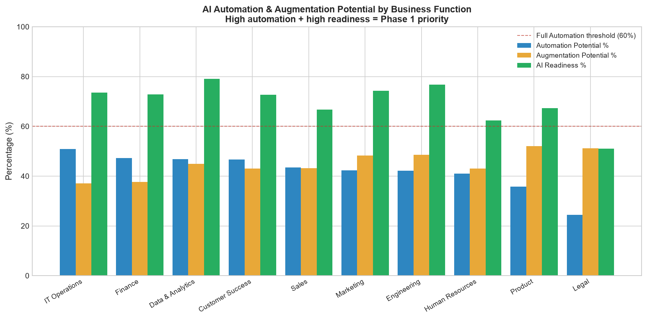
AI Automation & Augmentation Analysis
Automation/augmentation potentials derived from role-logic rules. See data provenance notes.
Role | Department | AI Classification | Auto Potential % | Aug Potential % | Human Oversight % | AI Readiness % | Automatable Cost Pool ($) | Productivity Uplift % | Time to Value (mo)
Accounts Payable / Receivable Clerk | Finance | Full Automation | 67.5% | 21.4% | 59.0% | 85.0% | 4326075 | 41.6% | 15
Customer Support Agent (Tier 1) | Customer Success | Full Automation | 66.1% | 28.8% | 51.1% | 88.0% | 14298752 | 45.9% | 15
IT Help Desk / Support | IT Operations | Full Automation | 62.5% | 29.6% | 54.0% | 82.0% | 4476875 | 44.7% | 16
HR Operations / Admin | Human Resources | Full Automation | 61.2% | 23.9% | 60.0% | 72.0% | 2187900 | 39.9% | 16
BI / Reporting Analyst | Data & Analytics | Full Automation | 61.1% | 31.1% | 55.1% | 82.0% | 5575986 | 45.2% | 16
Payroll Specialist | Finance | Low AI Suitability | 58.7% | 24.3% | 69.1% | 78.0% | 2129049 | 40.0% | 15
Sales Development Rep (SDR) | Sales | Low AI Suitability | 55.4% | 32.4% | 57.7% | 70.0% | 8815248 | 43.1% | 16
QA / Test Engineer | Engineering | Low AI Suitability | 54.0% | 36.8% | 59.8% | 78.0% | 13267800 | 46.1% | 16
Technical Writer | Product | Low AI Suitability | 53.7% | 39.5% | 60.1% | 85.0% | 1842984 | 48.3% | 16
Digital Marketing Analyst | Marketing | Low AI Suitability | 53.3% | 38.7% | 59.8% | 80.0% | 2272712 | 47.2% | 16
Sales Operations Analyst | Sales | Low AI Suitability | 52.1% | 37.3% | 61.3% | 75.0% | 2682108 | 45.5% | 16
Content Writer / Copywriter | Marketing | AI Augmentation | 48.8% | 46.1% | 64.0% | 88.0% | 2616900 | 51.1% | 16
Data Analyst | Data & Analytics | AI Augmentation | 47.5% | 43.6% | 67.0% | 80.0% | 8799375 | 48.4% | 16
Technical Support Specialist (Tier 2) | Customer Success | AI Augmentation | 44.5% | 43.7% | 68.0% | 72.0% | 5831280 | 46.8% | 17
Systems / Network Administrator | IT Operations | AI Augmentation | 39.3% | 44.6% | 76.6% | 65.0% | 2912130 | 45.0% | 17
Recruiter / Talent Acquisition | Human Resources | AI Augmentation | 39.1% | 45.4% | 76.7% | 65.0% | 2808358 | 45.5% | 17
DevOps / Platform Engineer | Engineering | AI Augmentation | 38.7% | 48.8% | 75.1% | 70.0% | 7747740 | 47.9% | 17
Financial Analyst | Finance | AI Augmentation | 37.9% | 45.0% | 84.7% | 68.0% | 5912400 | 45.2% | 17
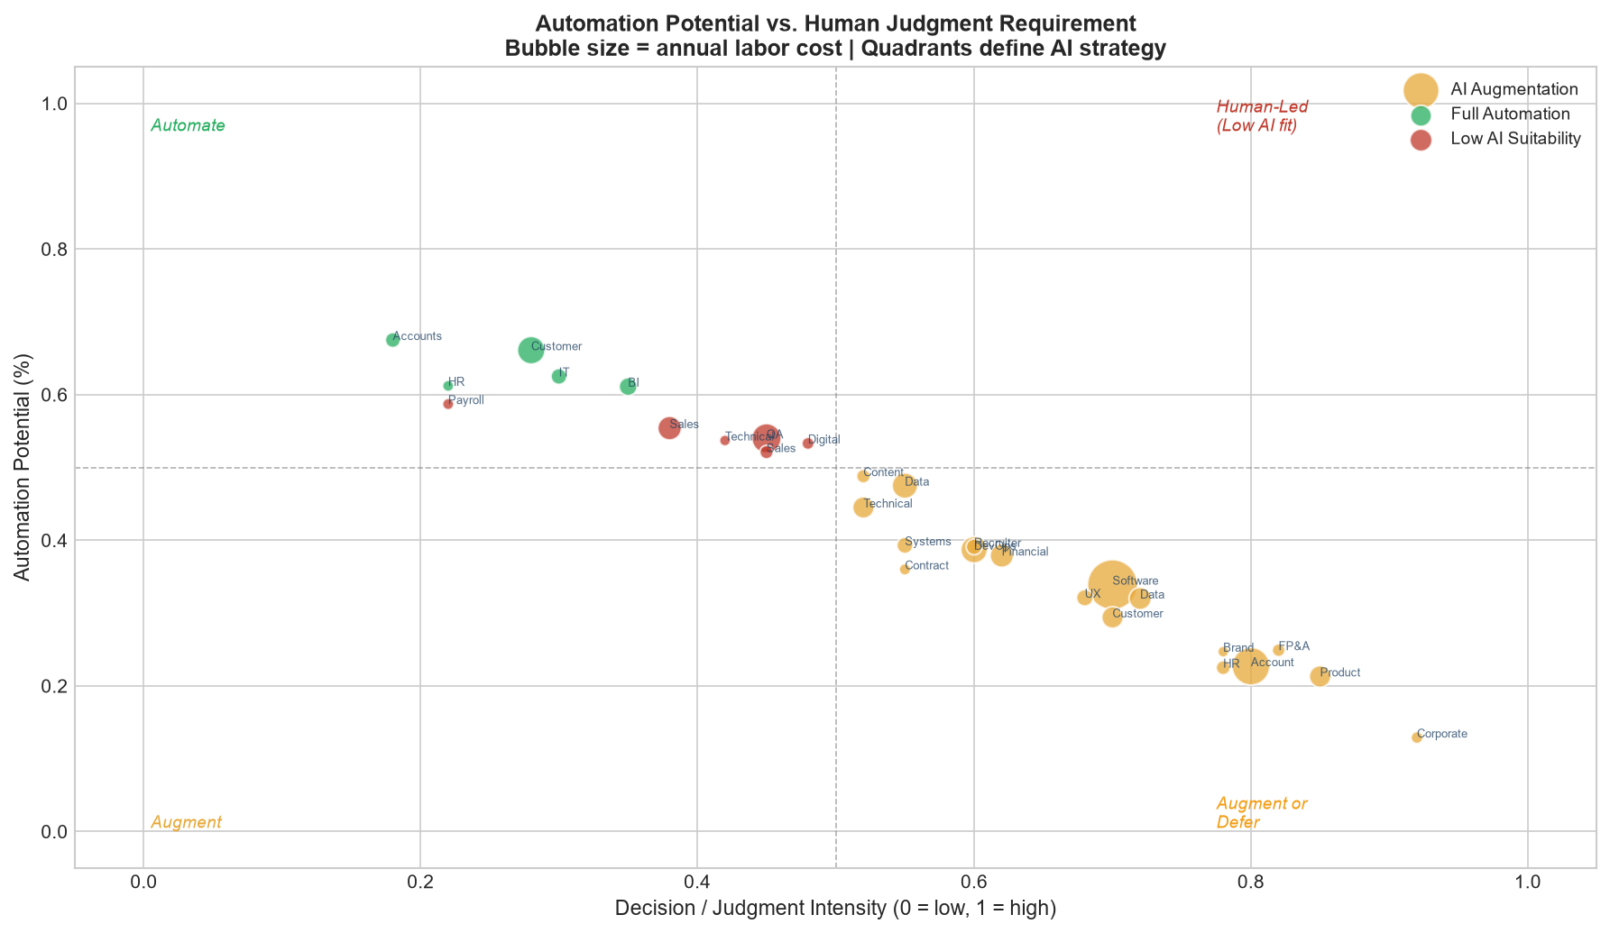
Contract / Paralegal Specialist | Legal | AI Augmentation | 36.0% | 42.3% | 89.2% | 62.0% | 1343160 | 42.4% | 17
Software Engineer | Engineering | AI Augmentation | 33.9% | 60.0% | 76.9% | 82.0% | 24062220 | 54.4% | 17
UX / Product Designer | Product | AI Augmentation | 32.1% | 56.5% | 76.3% | 65.0% | 2524665 | 50.0% | 18
Data Scientist | Data & Analytics | AI Augmentation | 32.0% | 60.0% | 79.4% | 75.0% | 4492800 | 53.1% | 17
Customer Success Manager | Customer Success | AI Augmentation | 29.4% | 56.5% | 79.5% | 58.0% | 3867864 | 48.5% | 19
FP&A Manager | Finance | AI Augmentation | 24.9% | 60.0% | 90.0% | 60.0% | 1173412 | 49.5% | 18
Brand / Marketing Manager | Marketing | AI Augmentation | 24.7% | 60.0% | 82.6% | 55.0% | 847704 | 48.9% | 19
Account Executive (Enterprise) | Sales | AI Augmentation | 22.7% | 60.0% | 85.8% | 55.0% | 9148100 | 48.3% | 19
HR Business Partner | Human Resources | AI Augmentation | 22.5% | 60.0% | 90.0% | 50.0% | 1287000 | 47.8% | 19
Product Manager | Product | AI Augmentation | 21.3% | 60.0% | 86.9% | 52.0% | 2810535 | 47.6% | 19
Corporate Counsel | Legal | AI Augmentation | 12.9% | 60.0% | 90.0% | 40.0% | 528255 | 43.9% | 20

4. Role & Task Scoring
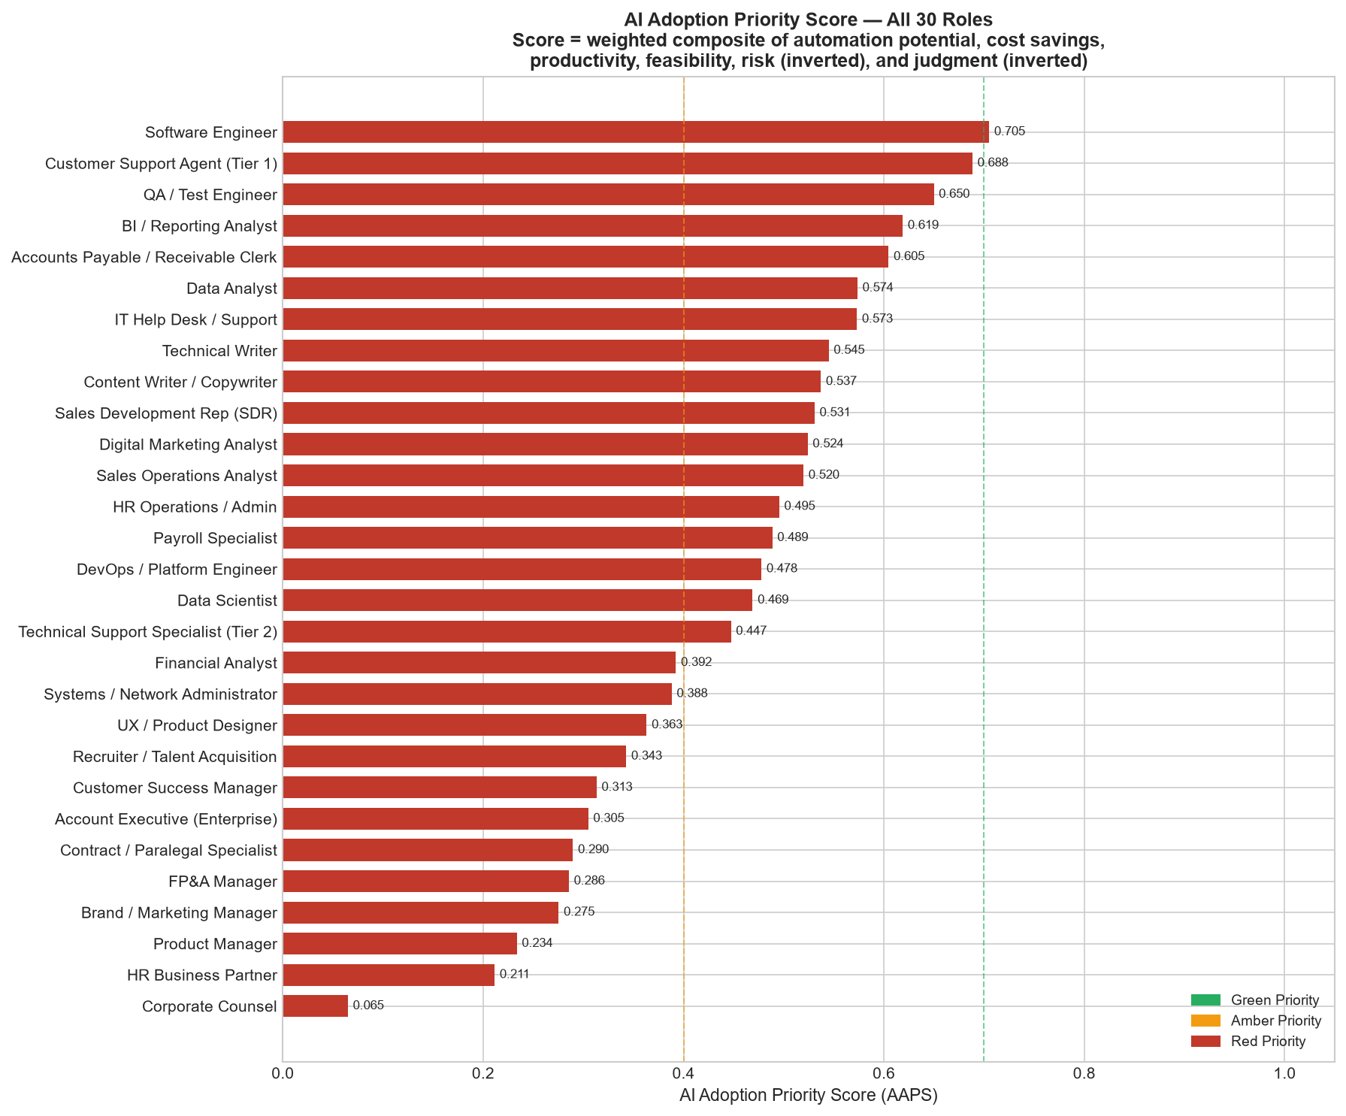
AI Adoption Priority Score (AAPS) — Full Scoring Table
AAPS = 0.25xAuto + 0.25xCostSaving + 0.15xProductivity + 0.15xFeasibility + 0.10x(1−Risk) + 0.10x(1−Judgment)
Rank | Role | Department | Phase | RAG | AAPS Score | F1: Auto Pot | F2: Cost Saving | F3: Productivity | F4: Feasibility | Risk Score | AI Classification
1 | Software Engineer | Engineering | Phase 1 | Red | 0.7051 | 0.385 | 1 | 1 | 0.613 | 0.295 | AI Augmentation
2 | Customer Support Agent (Tier 1) | Customer Success | Phase 1 | Red | 0.6884 | 0.974 | 0.585 | 0.414 | 1 | 0.58 | Full Automation
3 | QA / Test Engineer | Engineering | Phase 1 | Red | 0.6498 | 0.753 | 0.541 | 0.428 | 0.705 | 0.277 | Low AI Suitability
4 | BI / Reporting Analyst | Data & Analytics | Phase 1 | Red | 0.6188 | 0.883 | 0.214 | 0.366 | 0.815 | 0.285 | Full Automation
5 | Accounts Payable / Receivable Clerk | Finance | Phase 1 | Red | 0.6047 | 1 | 0.161 | 0.117 | 0.981 | 0.418 | Full Automation
6 | Data Analyst | Data & Analytics | Phase 1 | Red | 0.5736 | 0.634 | 0.351 | 0.586 | 0.687 | 0.298 | AI Augmentation
7 | IT Help Desk / Support | IT Operations | Phase 1 | Red | 0.5731 | 0.908 | 0.168 | 0.331 | 0.885 | 0.457 | Full Automation
8 | Technical Writer | Product | Phase 1 | Red | 0.5449 | 0.747 | 0.056 | 0.579 | 0.835 | 0.369 | Low AI Suitability
9 | Content Writer / Copywriter | Marketing | Phase 1 | Red | 0.5371 | 0.658 | 0.089 | 0.772 | 0.837 | 0.4 | AI Augmentation
10 | Sales Development Rep (SDR) | Sales | Phase 1 | Red | 0.5308 | 0.778 | 0.352 | 0.221 | 0.712 | 0.465 | Low AI Suitability
11 | Digital Marketing Analyst | Marketing | Phase 2 | Red | 0.5239 | 0.74 | 0.074 | 0.503 | 0.756 | 0.345 | Low AI Suitability
12 | Sales Operations Analyst | Sales | Phase 2 | Red | 0.5197 | 0.718 | 0.092 | 0.386 | 0.691 | 0.279 | Low AI Suitability
13 | HR Operations / Admin | Human Resources | Phase 2 | Red | 0.4955 | 0.885 | 0.071 | 0 | 0.8 | 0.442 | Full Automation
14 | Payroll Specialist | Finance | Phase 2 | Red | 0.4886 | 0.839 | 0.068 | 0.007 | 0.855 | 0.456 | Low AI Suitability
15 | DevOps / Platform Engineer | Engineering | Phase 2 | Red | 0.4778 | 0.473 | 0.307 | 0.552 | 0.507 | 0.316 | AI Augmentation
16 | Data Scientist | Data & Analytics | Phase 2 | Red | 0.469 | 0.35 | 0.168 | 0.91 | 0.506 | 0.253 | AI Augmentation
17 | Technical Support Specialist (Tier 2) | Customer Success | Phase 2 | Red | 0.4473 | 0.579 | 0.225 | 0.476 | 0.634 | 0.496 | AI Augmentation
18 | Financial Analyst | Finance | Phase 2 | Red | 0.3924 | 0.458 | 0.229 | 0.366 | 0.51 | 0.421 | AI Augmentation
19 | Systems / Network Administrator | IT Operations | Phase 2 | Red | 0.3882 | 0.484 | 0.101 | 0.352 | 0.504 | 0.372 | AI Augmentation
20 | UX / Product Designer | Product | Phase 3 | Red | 0.3632 | 0.352 | 0.085 | 0.697 | 0.447 | 0.416 | AI Augmentation
21 | Recruiter / Talent Acquisition | Human Resources | Phase 3 | Red | 0.3428 | 0.48 | 0.097 | 0.386 | 0.535 | 0.524 | AI Augmentation
22 | Customer Success Manager | Customer Success | Phase 3 | Red | 0.3132 | 0.302 | 0.142 | 0.593 | 0.396 | 0.502 | AI Augmentation
23 | Account Executive (Enterprise) | Sales | Phase 3 | Red | 0.3049 | 0.179 | 0.366 | 0.579 | 0.299 | 0.513 | AI Augmentation
24 | Contract / Paralegal Specialist | Legal | Phase 3 | Red | 0.2896 | 0.423 | 0.035 | 0.172 | 0.459 | 0.481 | AI Augmentation
25 | FP&A Manager | Finance | Phase 3 | Red | 0.2856 | 0.22 | 0.027 | 0.662 | 0.313 | 0.371 | AI Augmentation
26 | Brand / Marketing Manager | Marketing | Phase 3 | Red | 0.2754 | 0.216 | 0.014 | 0.621 | 0.304 | 0.383 | AI Augmentation
27 | Product Manager | Product | Phase 3 | Red | 0.2336 | 0.154 | 0.097 | 0.531 | 0.215 | 0.418 | AI Augmentation
28 | HR Business Partner | Human Resources | Phase 3 | Red | 0.2115 | 0.176 | 0.032 | 0.545 | 0.254 | 0.512 | AI Augmentation
29 | Corporate Counsel | Legal | Phase 3 | Red | 0.065 | 0 | 0 | 0.276 | 0 | 0.503 | AI Augmentation

5. Scenario Analysis
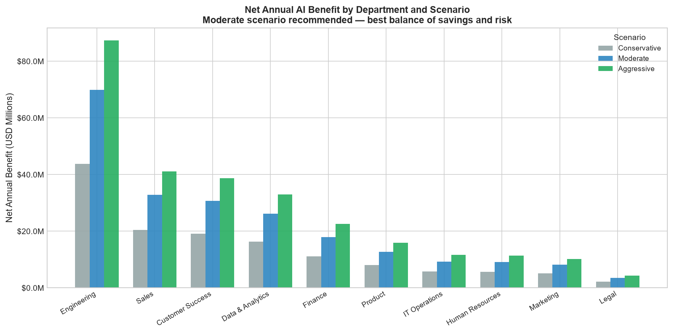
Scenario Analysis — Conservative / Moderate / Aggressive
Adoption rates: Conservative 40%, Moderate 65%, Aggressive 85% of automatable tasks captured.
Parameter | Conservative | Moderate | Aggressive
Adoption Rate | 40% | 65% | 85%
Productivity Mult. | 50% | 75% | 90%
Impl. Cost Multiplier | 1.20x | 1.00x | 0.90x
Ongoing Cost Multiplier | 1.00x | 1.00x | 1.10x
Risk Materialisation | 80% | 60% | 40%
Rollout Timeline | 36 mo | 24 mo | 18 mo

Company-Level Financial Summary
Metric | Conservative | Moderate | Aggressive
Labor Savings | $60.24M | $97.88M | $128.00M
Productivity Value | $90.17M | $135.25M | $162.30M
Implementation Cost | $39.91M | $33.26M | $29.93M
Ongoing AI Cost | $13.14M | $13.14M | $14.45M
Net Annual Benefit | $137.26M | $219.99M | $275.84M
Savings % of Labor | 16.1% | 26.2% | 34.3%
Portfolio ROI (Yr1) | 243.9% | 561.4% | 821.5%
Payback Period | 3 mo | 2 mo | 1 mo
3-Year NPV | $301.44M | $513.82M | $656.05M
Risk-Adj. Benefit | $94.40M | $168.45M | $232.75M

Per-Role Results — Moderate Scenario
Role | Department | Labor Savings ($) | Prod. Value ($) | Net Benefit ($) | ROI Year-1 | Payback (mo) | 3-yr NPV ($)
Software Engineer | Engineering | 15640443 | 28959840 | 42058283 | 531% | 2 | 97925725
Account Executive (Enterprise) | Sales | 5946265 | 14598675 | 19168940 | 436% | 2 | 44095317
QA / Test Engineer | Engineering | 8624070 | 8495078 | 16245148 | 676% | 2 | 38305279
Customer Support Agent (Tier 1) | Customer Success | 9294189 | 7446816 | 15958005 | 892% | 1 | 38076197
Data Analyst | Data & Analytics | 5719594 | 6724575 | 11783169 | 612% | 2 | 27648997
DevOps / Platform Engineer | Engineering | 5036031 | 7192185 | 11526216 | 509% | 2 | 26770993
Sales Development Rep (SDR) | Sales | 5729911 | 5143554 | 10315465 | 760% | 1 | 24453035
Financial Analyst | Finance | 3843060 | 5288400 | 8586460 | 437% | 2 | 19754255
Data Scientist | Data & Analytics | 2920320 | 5591430 | 8014750 | 491% | 2 | 18575497
Technical Support Specialist (Tier 2) | Customer Success | 3790332 | 4599504 | 7928836 | 623% | 2 | 18621842
Customer Success Manager | Customer Success | 2514112 | 4785495 | 6847607 | 518% | 2 | 15920985
BI / Reporting Analyst | Data & Analytics | 3624391 | 3093714 | 6391105 | 742% | 1 | 15134732
Product Manager | Product | 1826848 | 4710615 | 6089463 | 402% | 2 | 13929593
IT Help Desk / Support | IT Operations | 2909969 | 2401396 | 5054365 | 809% | 1 | 12013458
Accounts Payable / Receivable Clerk | Finance | 2811949 | 1999608 | 4580557 | 745% | 1 | 10849167
UX / Product Designer | Product | 1641032 | 2949375 | 4317407 | 530% | 2 | 10051752
Systems / Network Administrator | IT Operations | 1892884 | 2500875 | 4135759 | 505% | 2 | 9601021
Recruiter / Talent Acquisition | Human Resources | 1825432 | 2451028 | 4026460 | 538% | 2 | 9382210
Content Writer / Copywriter | Marketing | 1700985 | 2055178 | 3562163 | 700% | 2 | 8413572
Sales Operations Analyst | Sales | 1743370 | 1756755 | 3318125 | 677% | 2 | 7824686
Digital Marketing Analyst | Marketing | 1477263 | 1509456 | 2834719 | 717% | 2 | 6702527
HR Business Partner | Human Resources | 836550 | 2050620 | 2693170 | 390% | 2 | 6147515
HR Operations / Admin | Human Resources | 1422135 | 1069819 | 2365954 | 716% | 2 | 5593777
FP&A Manager | Finance | 762718 | 1749516 | 2350234 | 370% | 3 | 5344684
Payroll Specialist | Finance | 1383882 | 1088100 | 2342982 | 612% | 2 | 5497649
Technical Writer | Product | 1197940 | 1243242 | 2317182 | 725% | 2 | 5481489
Contract / Paralegal Specialist | Legal | 873054 | 1186458 | 1930512 | 390% | 2 | 4406898
Brand / Marketing Manager | Marketing | 551008 | 1258686 | 1692694 | 468% | 2 | 3911479
Corporate Counsel | Legal | 343366 | 1348279 | 1555645 | 225% | 4 | 3390659

6. ROI & Savings
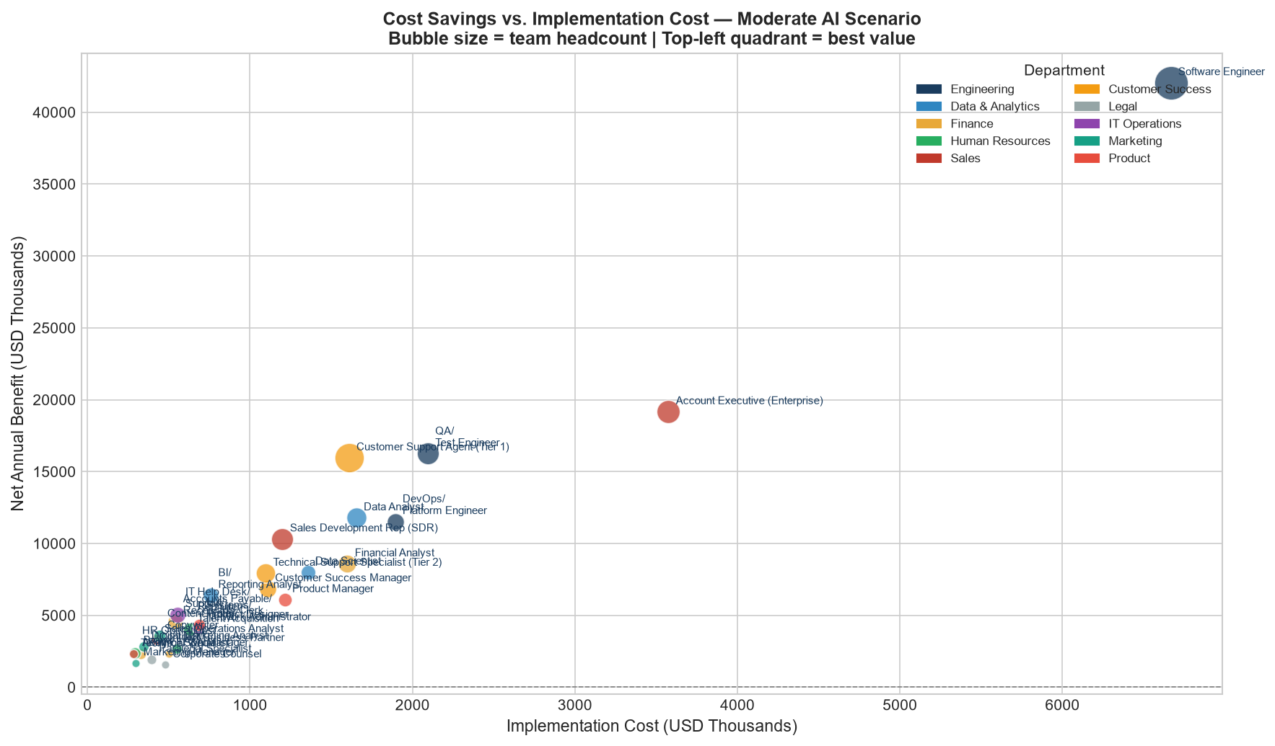
ROI & Savings Analysis
Formulas: ROI = (Net Benefit − Impl. Cost) / Impl. Cost | NPV at 10% discount rate | Moderate scenario
Rank | Role | Department | Impl. Cost ($K) | Net Benefit/yr ($K) | ROI Year-1 (%) | Payback (mo) | 3-yr NPV ($K) | Labor Savings ($K) | Savings % of Cost
1 | Software Engineer | Engineering | 6667 | 42058.3 | 531% | 2 | 97925.7 | 15640.4 | 22.0%
2 | Account Executive (Enterprise) | Sales | 3575 | 19168.9 | 436% | 2 | 44095.3 | 5946.3 | 14.8%
3 | QA / Test Engineer | Engineering | 2094 | 16245.1 | 676% | 2 | 38305.3 | 8624.1 | 35.1%
4 | Customer Support Agent (Tier 1) | Customer Success | 1609 | 15958 | 892% | 1 | 38076.2 | 9294.2 | 43.0%
5 | Data Analyst | Data & Analytics | 1654 | 11783.2 | 612% | 2 | 27649 | 5719.6 | 30.9%
6 | DevOps / Platform Engineer | Engineering | 1893 | 11526.2 | 509% | 2 | 26771 | 5036 | 25.2%
7 | Sales Development Rep (SDR) | Sales | 1200 | 10315.5 | 760% | 1 | 24453 | 5729.9 | 36.0%
8 | Financial Analyst | Finance | 1599 | 8586.5 | 437% | 2 | 19754.3 | 3843.1 | 24.6%
9 | Data Scientist | Data & Analytics | 1356 | 8014.8 | 491% | 2 | 18575.5 | 2920.3 | 20.8%
10 | Technical Support Specialist (Tier 2) | Customer Success | 1096 | 7928.8 | 623% | 2 | 18621.8 | 3790.3 | 28.9%
11 | Customer Success Manager | Customer Success | 1108 | 6847.6 | 518% | 2 | 15921 | 2514.1 | 19.1%
12 | BI / Reporting Analyst | Data & Analytics | 759 | 6391.1 | 742% | 1 | 15134.7 | 3624.4 | 39.7%
13 | Product Manager | Product | 1214 | 6089.5 | 402% | 2 | 13929.6 | 1826.8 | 13.8%
14 | IT Help Desk / Support | IT Operations | 556 | 5054.4 | 809% | 1 | 12013.5 | 2910 | 40.6%
15 | Accounts Payable / Receivable Clerk | Finance | 542 | 4580.6 | 745% | 1 | 10849.2 | 2811.9 | 43.9%
16 | UX / Product Designer | Product | 685 | 4317.4 | 530% | 2 | 10051.8 | 1641 | 20.9%
17 | Systems / Network Administrator | IT Operations | 684 | 4135.8 | 505% | 2 | 9601 | 1892.9 | 25.5%
18 | Recruiter / Talent Acquisition | Human Resources | 631 | 4026.5 | 538% | 2 | 9382.2 | 1825.4 | 25.4%
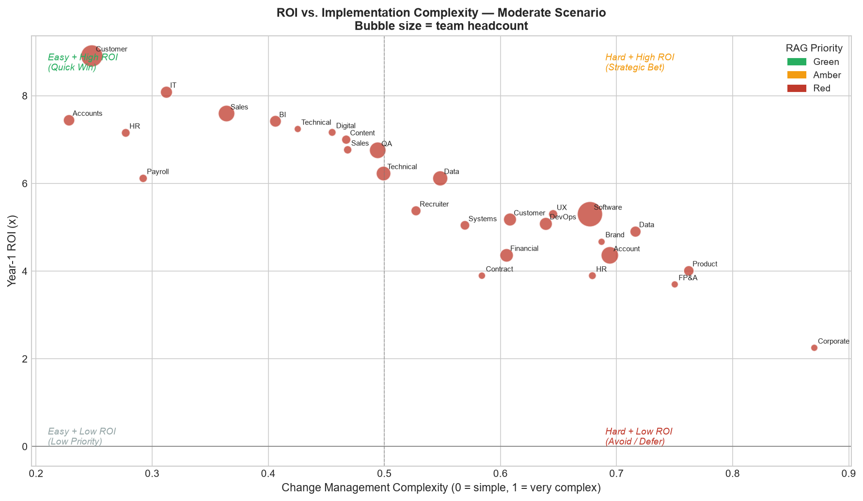
19 | Content Writer / Copywriter | Marketing | 445 | 3562.2 | 700% | 2 | 8413.6 | 1701 | 31.7%
20 | Sales Operations Analyst | Sales | 427 | 3318.1 | 677% | 2 | 7824.7 | 1743.4 | 33.9%
21 | Digital Marketing Analyst | Marketing | 347 | 2834.7 | 717% | 2 | 6702.5 | 1477.3 | 34.6%
22 | HR Business Partner | Human Resources | 550 | 2693.2 | 390% | 2 | 6147.5 | 836.5 | 14.6%
23 | HR Operations / Admin | Human Resources | 290 | 2366 | 716% | 2 | 5593.8 | 1422.1 | 39.8%
24 | FP&A Manager | Finance | 500 | 2350.2 | 370% | 3 | 5344.7 | 762.7 | 16.2%
25 | Payroll Specialist | Finance | 329 | 2343 | 612% | 2 | 5497.6 | 1383.9 | 38.2%
26 | Technical Writer | Product | 281 | 2317.2 | 725% | 2 | 5481.5 | 1197.9 | 34.9%
27 | Contract / Paralegal Specialist | Legal | 394 | 1930.5 | 390% | 2 | 4406.9 | 873.1 | 23.4%
28 | Brand / Marketing Manager | Marketing | 298 | 1692.7 | 468% | 2 | 3911.5 | 551 | 16.1%
29 | Corporate Counsel | Legal | 478 | 1555.6 | 225% | 4 | 3390.7 | 343.4 | 8.4%

7. AI Priority Matrix
AI Priority Matrix — Role Classification & Phase Plan
Quadrant: Auto Potential (x) vs Risk Score (y) | Phase driven by AAPS x risk-adjusted opportunity
Rank | Role | Department | Phase | RAG | AAPS | Auto Potential % | Risk Score | Auto Pool ($M) | AI Classification | Quadrant
1 | Software Engineer | Engineering | Phase 1 | Red | 0.7051 | 33.9% | 0.295 | 24.06 | AI Augmentation | [B] Augment First
2 | Customer Support Agent (Tier 1) | Customer Success | Phase 1 | Red | 0.6884 | 66.1% | 0.58 | 14.3 | Full Automation | [A] Careful Deploy
3 | QA / Test Engineer | Engineering | Phase 1 | Red | 0.6498 | 54.0% | 0.277 | 13.27 | Low AI Suitability | [G] Quick Win
4 | BI / Reporting Analyst | Data & Analytics | Phase 1 | Red | 0.6188 | 61.1% | 0.285 | 5.58 | Full Automation | [G] Quick Win
5 | Accounts Payable / Receivable Clerk | Finance | Phase 1 | Red | 0.6047 | 67.5% | 0.418 | 4.33 | Full Automation | [A] Careful Deploy
6 | Data Analyst | Data & Analytics | Phase 1 | Red | 0.5736 | 47.5% | 0.298 | 8.8 | AI Augmentation | [B] Augment First
7 | IT Help Desk / Support | IT Operations | Phase 1 | Red | 0.5731 | 62.5% | 0.457 | 4.48 | Full Automation | [A] Careful Deploy
8 | Technical Writer | Product | Phase 1 | Red | 0.5449 | 53.7% | 0.37 | 1.84 | Low AI Suitability | [G] Quick Win
9 | Content Writer / Copywriter | Marketing | Phase 1 | Red | 0.5371 | 48.8% | 0.4 | 2.62 | AI Augmentation | [R] Defer / Manual
10 | Sales Development Rep (SDR) | Sales | Phase 1 | Red | 0.5308 | 55.4% | 0.465 | 8.82 | Low AI Suitability | [A] Careful Deploy
11 | Digital Marketing Analyst | Marketing | Phase 2 | Red | 0.5239 | 53.3% | 0.345 | 2.27 | Low AI Suitability | [G] Quick Win
12 | Sales Operations Analyst | Sales | Phase 2 | Red | 0.5197 | 52.1% | 0.279 | 2.68 | Low AI Suitability | [G] Quick Win
13 | HR Operations / Admin | Human Resources | Phase 2 | Red | 0.4955 | 61.2% | 0.442 | 2.19 | Full Automation | [A] Careful Deploy
14 | Payroll Specialist | Finance | Phase 2 | Red | 0.4886 | 58.7% | 0.456 | 2.13 | Low AI Suitability | [A] Careful Deploy
15 | DevOps / Platform Engineer | Engineering | Phase 2 | Red | 0.4778 | 38.7% | 0.316 | 7.75 | AI Augmentation | [B] Augment First
16 | Data Scientist | Data & Analytics | Phase 2 | Red | 0.469 | 32.0% | 0.253 | 4.49 | AI Augmentation | [B] Augment First
17 | Technical Support Specialist (Tier 2) | Customer Success | Phase 2 | Red | 0.4473 | 44.5% | 0.496 | 5.83 | AI Augmentation | [R] Defer / Manual
18 | Financial Analyst | Finance | Phase 2 | Red | 0.3924 | 37.9% | 0.421 | 5.91 | AI Augmentation | [R] Defer / Manual
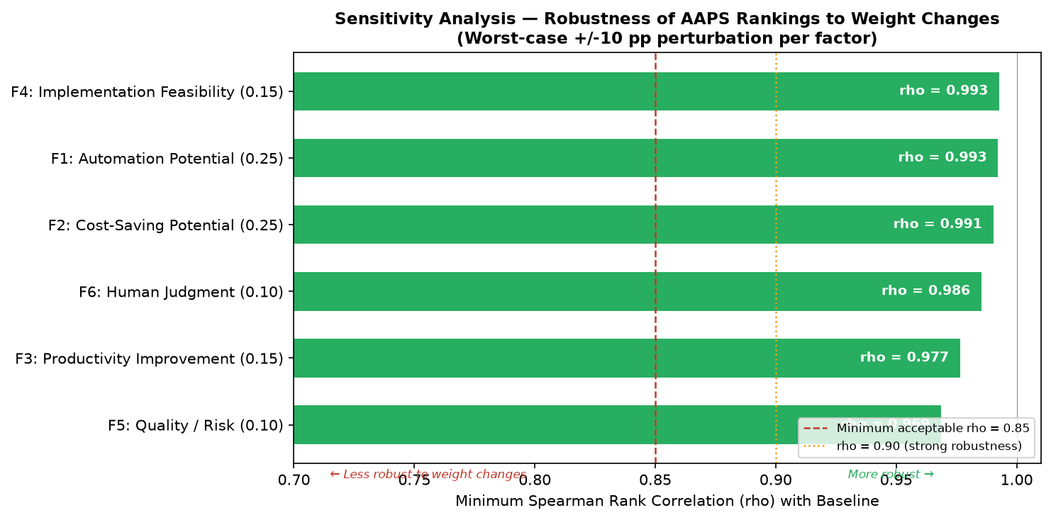
19 | Systems / Network Administrator | IT Operations | Phase 2 | Red | 0.3882 | 39.3% | 0.372 | 2.91 | AI Augmentation | [B] Augment First
20 | UX / Product Designer | Product | Phase 3 | Red | 0.3632 | 32.1% | 0.416 | 2.52 | AI Augmentation | [R] Defer / Manual
21 | Recruiter / Talent Acquisition | Human Resources | Phase 3 | Red | 0.3428 | 39.1% | 0.524 | 2.81 | AI Augmentation | [R] Defer / Manual
22 | Customer Success Manager | Customer Success | Phase 3 | Red | 0.3132 | 29.4% | 0.502 | 3.87 | AI Augmentation | [R] Defer / Manual
23 | Account Executive (Enterprise) | Sales | Phase 3 | Red | 0.3049 | 22.7% | 0.513 | 9.15 | AI Augmentation | [R] Defer / Manual
24 | Contract / Paralegal Specialist | Legal | Phase 3 | Red | 0.2896 | 36.0% | 0.481 | 1.34 | AI Augmentation | [R] Defer / Manual
25 | FP&A Manager | Finance | Phase 3 | Red | 0.2856 | 24.9% | 0.371 | 1.17 | AI Augmentation | [B] Augment First
26 | Brand / Marketing Manager | Marketing | Phase 3 | Red | 0.2754 | 24.7% | 0.383 | 0.85 | AI Augmentation | [B] Augment First
27 | Product Manager | Product | Phase 3 | Red | 0.2336 | 21.3% | 0.418 | 2.81 | AI Augmentation | [R] Defer / Manual
28 | HR Business Partner | Human Resources | Phase 3 | Red | 0.2115 | 22.5% | 0.512 | 1.29 | AI Augmentation | [R] Defer / Manual
29 | Corporate Counsel | Legal | Phase 3 | Red | 0.065 | 12.9% | 0.503 | 0.53 | AI Augmentation | [R] Defer / Manual

AI Cost Viability
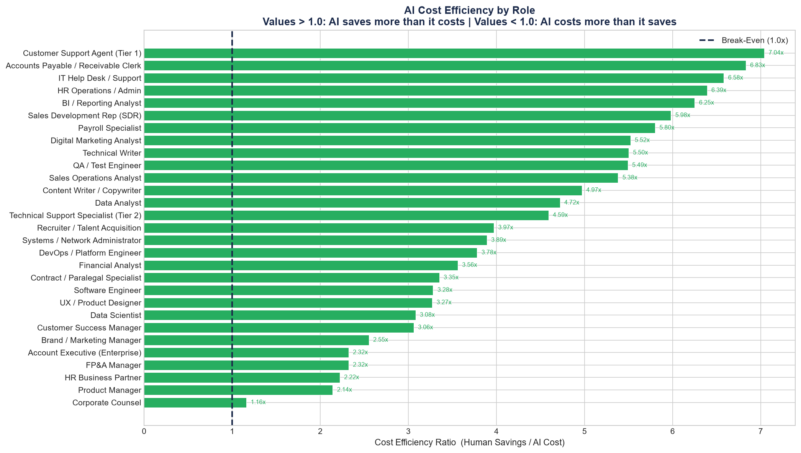
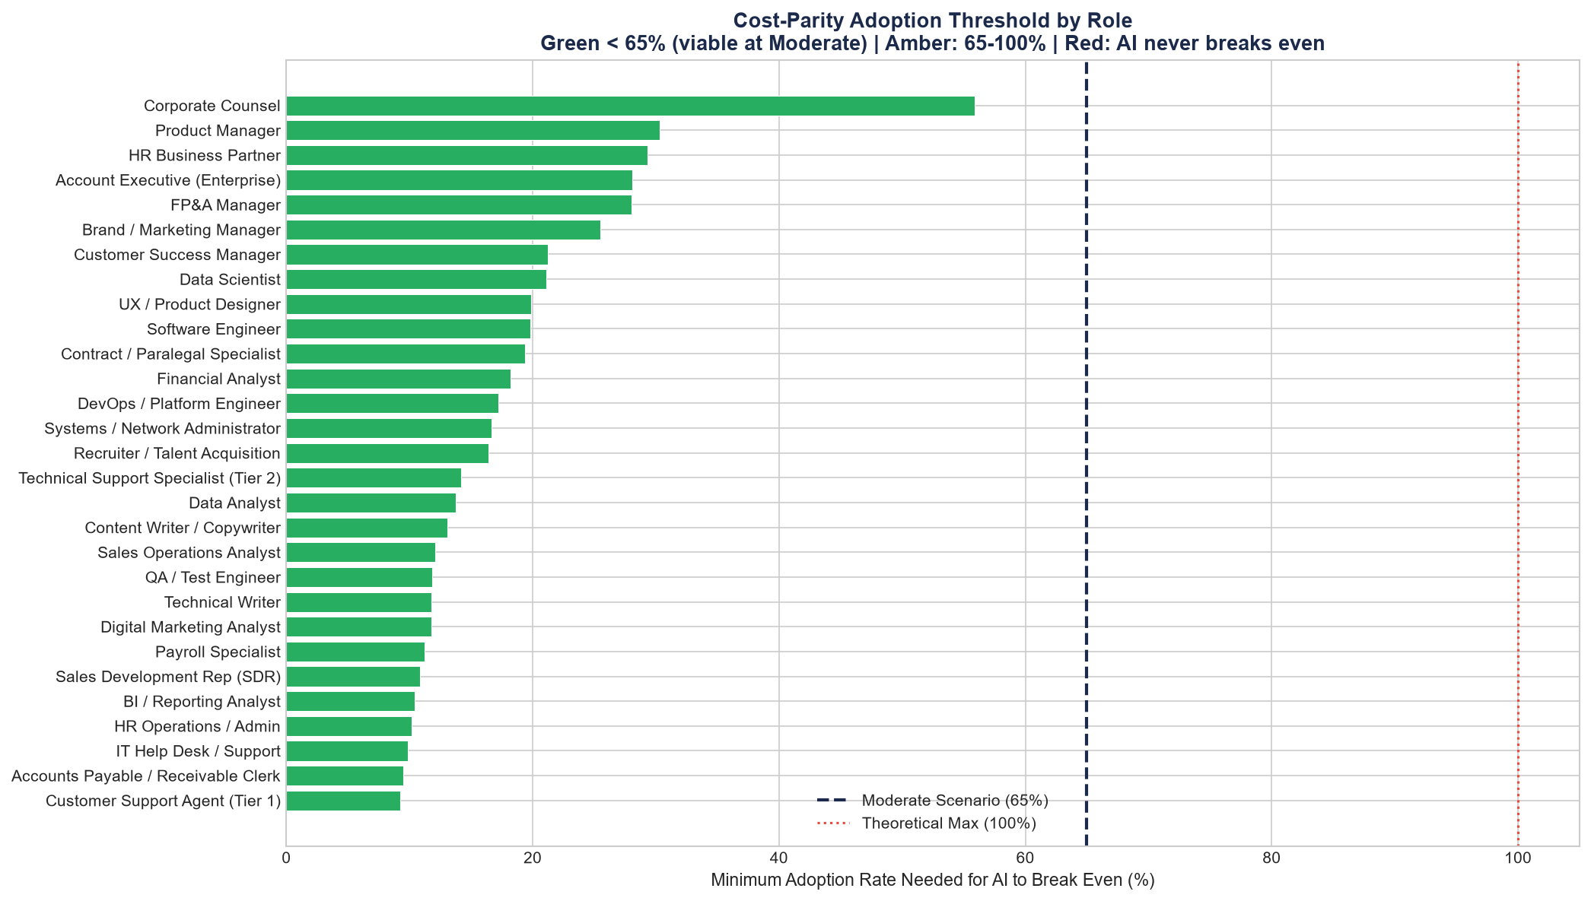
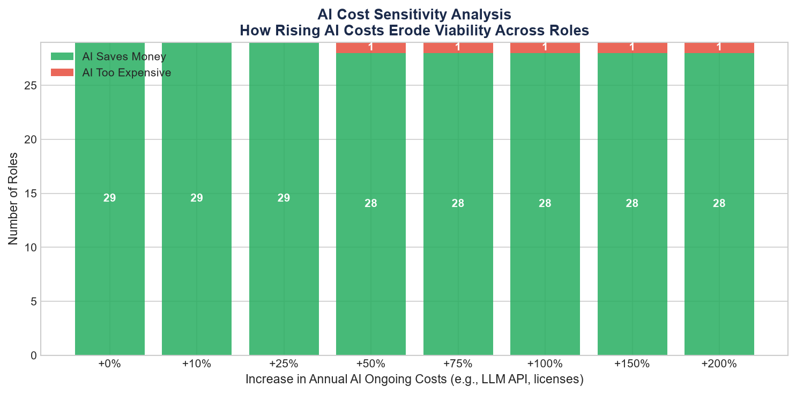
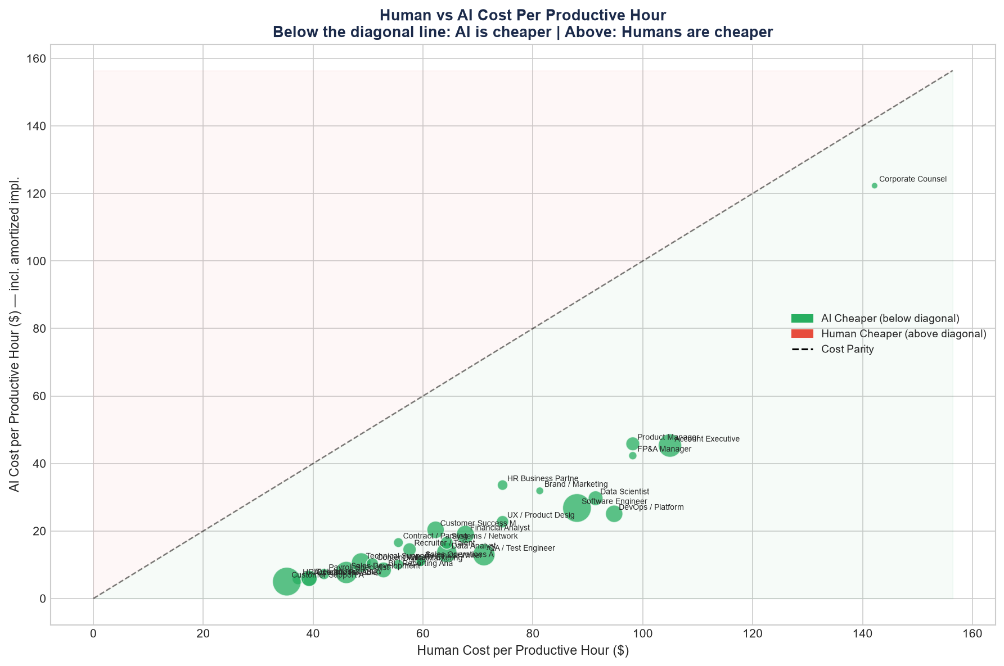
AI COST VIABILITY ANALYSIS — Is AI Actually Cheaper Than Humans?
Methodology: Total AI Annual Cost = Ongoing Tooling Cost + (Implementation Cost ÷ 3yr) | Human Cost Replaced = Labor Cost × Automation Potential × 65% (Moderate) | Cost Efficiency Ratio > 1.0x = AI saves more than it costs
29/29 Roles |  | 0/29 Roles |  | 1.16x |  | 7.04x |  | 9.0% |  | 56.0% |  | $67/hr |  | $22/hr
AI Cheaper Than Human |  | AI Costs More Than It Saves |  | Min Cost Efficiency (worst role) |  | Max Cost Efficiency (best role) |  | Lowest Break-Even Adoption Rate |  | Highest Break-Even Adoption Rate |  | Avg Human Cost/Hr |  | Avg AI Cost/Hr

COST VIABILITY DETAIL — All 29 Roles (Sorted by Cost Efficiency, Best to Worst)
Rank | Role | Department | AI Classification | Human Labor Replaced ($) | Total AI Annual Cost ($) | Net Cost Position ($) | AI Cheaper? | Cost Efficiency Ratio (x) | Break-Even Adoption % | Human $/Hr | AI $/Hr | Ratio H vs AI | Verdict
1 | Customer Support Agent (Tier 1) | Customer Success | Full Automation | 9,294,189 | 1,319,333 | 7,974,855 | YES Y | 7.04 | 9.0% | $35.21 | $5.00 | 7.04 | OK Excellent — Deploy Immediately
2 | Accounts Payable / Receivable Clerk | Finance | Full Automation | 2,811,949 | 411,667 | 2,400,282 | YES Y | 6.83 | 10.0% | $39.27 | $5.75 | 6.83 | OK Excellent — Deploy Immediately
3 | IT Help Desk / Support | IT Operations | Full Automation | 2,909,969 | 442,333 | 2,467,635 | YES Y | 6.58 | 10.0% | $39.27 | $5.97 | 6.58 | OK Excellent — Deploy Immediately
4 | HR Operations / Admin | Human Resources | Full Automation | 1,422,135 | 222,667 | 1,199,468 | YES Y | 6.39 | 10.0% | $37.24 | $5.83 | 6.39 | OK Excellent — Deploy Immediately
5 | BI / Reporting Analyst | Data & Analytics | Full Automation | 3,624,391 | 580,000 | 3,044,391 | YES Y | 6.25 | 10.0% | $52.81 | $8.45 | 6.25 | OK Excellent — Deploy Immediately
6 | Sales Development Rep (SDR) | Sales | Low AI Suitability | 5,729,911 | 958,000 | 4,771,911 | YES Y | 5.98 | 11.0% | $46.04 | $7.70 | 5.98 | OK Excellent — Deploy Immediately
7 | Payroll Specialist | Finance | Low AI Suitability | 1,383,882 | 238,667 | 1,145,215 | YES Y | 5.80 | 11.0% | $41.98 | $7.24 | 5.80 | OK Excellent — Deploy Immediately
8 | Digital Marketing Analyst | Marketing | Low AI Suitability | 1,477,263 | 267,667 | 1,209,596 | YES Y | 5.52 | 12.0% | $55.52 | $10.06 | 5.52 | OK Excellent — Deploy Immediately
9 | Technical Writer | Product | Low AI Suitability | 1,197,940 | 217,667 | 980,273 | YES Y | 5.50 | 12.0% | $59.58 | $10.83 | 5.50 | OK Excellent — Deploy Immediately
10 | QA / Test Engineer | Engineering | Low AI Suitability | 8,624,070 | 1,572,000 | 7,052,070 | YES Y | 5.49 | 12.0% | $71.09 | $12.96 | 5.49 | OK Excellent — Deploy Immediately
11 | Sales Operations Analyst | Sales | Low AI Suitability | 1,743,370 | 324,333 | 1,419,037 | YES Y | 5.38 | 12.0% | $59.58 | $11.08 | 5.38 | OK Excellent — Deploy Immediately
12 | Content Writer / Copywriter | Marketing | AI Augmentation | 1,700,985 | 342,333 | 1,358,652 | YES Y | 4.97 | 13.0% | $50.78 | $10.22 | 4.97 | OK Good — Viable Deployment
13 | Data Analyst | Data & Analytics | AI Augmentation | 5,719,594 | 1,212,333 | 4,507,260 | YES Y | 4.72 | 14.0% | $64.32 | $13.63 | 4.72 | OK Good — Viable Deployment
14 | Technical Support Specialist (Tier 2) | Customer Success | AI Augmentation | 3,790,332 | 826,333 | 2,963,999 | YES Y | 4.59 | 14.0% | $48.75 | $10.63 | 4.59 | OK Good — Viable Deployment
15 | Recruiter / Talent Acquisition | Human Resources | AI Augmentation | 1,825,432 | 460,333 | 1,365,099 | YES Y | 3.97 | 16.0% | $57.55 | $14.51 | 3.97 | OK Good — Viable Deployment
16 | Systems / Network Administrator | IT Operations | AI Augmentation | 1,892,884 | 486,000 | 1,406,884 | YES Y | 3.89 | 17.0% | $64.32 | $16.51 | 3.90 | OK Good — Viable Deployment
17 | DevOps / Platform Engineer | Engineering | AI Augmentation | 5,036,031 | 1,333,000 | 3,703,031 | YES Y | 3.78 | 17.0% | $94.79 | $25.09 | 3.78 | OK Good — Viable Deployment
18 | Financial Analyst | Finance | AI Augmentation | 3,843,060 | 1,078,000 | 2,765,060 | YES Y | 3.56 | 18.0% | $67.71 | $18.99 | 3.57 | OK Good — Viable Deployment
19 | Contract / Paralegal Specialist | Legal | AI Augmentation | 873,054 | 260,333 | 612,721 | YES Y | 3.35 | 19.0% | $55.52 | $16.56 | 3.35 | OK Good — Viable Deployment
20 | Software Engineer | Engineering | AI Augmentation | 15,640,443 | 4,764,333 | 10,876,110 | YES Y | 3.28 | 20.0% | $88.02 | $26.81 | 3.28 | OK Good — Viable Deployment
21 | UX / Product Designer | Product | AI Augmentation | 1,641,032 | 501,333 | 1,139,699 | YES Y | 3.27 | 20.0% | $74.48 | $22.75 | 3.27 | OK Good — Viable Deployment
22 | Data Scientist | Data & Analytics | AI Augmentation | 2,920,320 | 949,000 | 1,971,320 | YES Y | 3.08 | 21.0% | $91.41 | $29.70 | 3.08 | OK Good — Viable Deployment
23 | Customer Success Manager | Customer Success | AI Augmentation | 2,514,112 | 821,333 | 1,692,778 | YES Y | 3.06 | 21.0% | $62.29 | $20.35 | 3.06 | OK Good — Viable Deployment
24 | Brand / Marketing Manager | Marketing | AI Augmentation | 551,008 | 216,333 | 334,674 | YES Y | 2.55 | 26.0% | $81.25 | $31.90 | 2.55 | OK Good — Viable Deployment
25 | FP&A Manager | Finance | AI Augmentation | 762,718 | 328,667 | 434,051 | YES Y | 2.32 | 28.0% | $98.18 | $42.31 | 2.32 | OK Good — Viable Deployment
26 | Account Executive (Enterprise) | Sales | AI Augmentation | 5,946,265 | 2,567,667 | 3,378,598 | YES Y | 2.32 | 28.0% | $104.95 | $45.32 | 2.32 | OK Good — Viable Deployment
27 | HR Business Partner | Human Resources | AI Augmentation | 836,550 | 377,333 | 459,217 | YES Y | 2.22 | 29.0% | $74.48 | $33.59 | 2.22 | OK Good — Viable Deployment
28 | Product Manager | Product | AI Augmentation | 1,826,848 | 852,667 | 974,181 | YES Y | 2.14 | 30.0% | $98.18 | $45.82 | 2.14 | OK Good — Viable Deployment
29 | Corporate Counsel | Legal | AI Augmentation | 343,366 | 295,333 | 48,032 | YES Y | 1.16 | 56.0% | $142.19 | $122.30 | 1.16 | ⚠️ Borderline — High Risk if AI Costs Rise

AI COST SENSITIVITY — Roles Remaining Viable as AI Ongoing Costs Increase
AI Cost Increase | Roles: AI Saves Money | Roles: AI Too Expensive | % Portfolio Viable | Risk Level | Management Action
+0% | 29 | 0 | 100% | [G] No Risk | No action needed
+10% | 29 | 0 | 100% | [G] No Risk | No action needed
+25% | 29 | 0 | 100% | [G] Low Risk | Monitor quarterly
+50% | 28 | 1 | 97% | [A] Low-Medium | Review contracts with AI vendors
+75% | 28 | 1 | 97% | [A] Medium Risk | Renegotiate or source alternative tools
+100% | 28 | 1 | 97% | [A] Medium Risk | Audit highest-cost AI deployments
+150% | 28 | 1 | 97% | [R] High Risk | Pause deployment; full cost review
+200% | 28 | 1 | 97% | [R] High Risk | Re-evaluate business case; consider insourcing

[!] KEY INSIGHT: Even a +200% increase in AI ongoing costs (e.g., LLM API price hike, license inflation) only makes 1 role unviable (Corporate Counsel — already recommended DEFER). The portfolio is highly resilient to AI cost inflation because most roles have Efficiency Ratios of 3x–7x.

