chairs
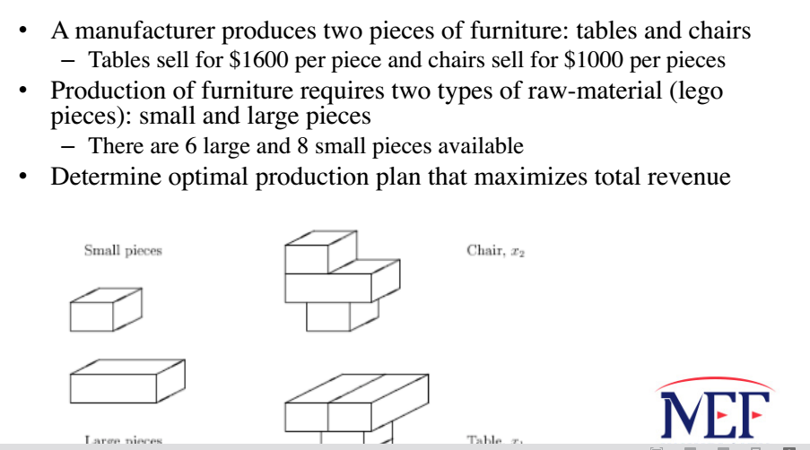
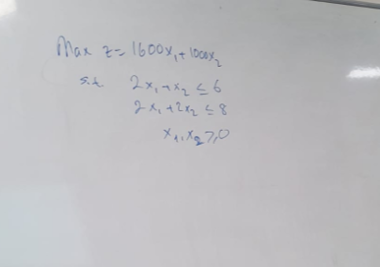
Decision Variable | Table-x1 | Chair-x2
 | 2 | 2
Obj. Coef. | 1600 | 1000 | OBJ= | 5200
Consts | 2 | 1 | 6 | <= | 6
 | 2 | 2 | 8 | <= | 8

Wooden_Toys
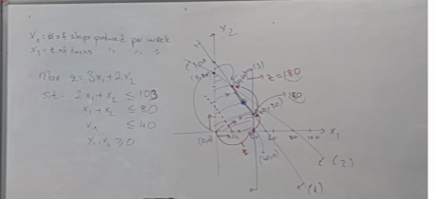
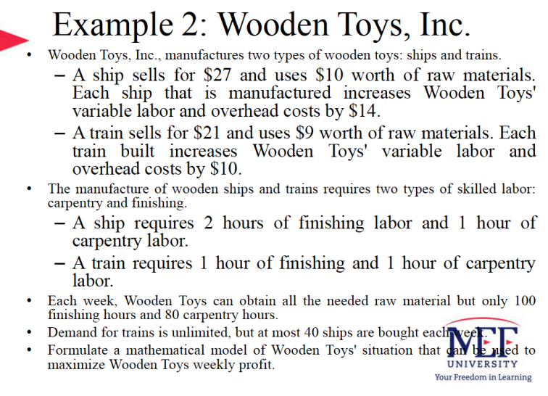
x1 | of ships produced
x2 | of trains produced

Decision Variable | ship-x1 | train-x2
 | 20 | 60
Obj. Coef. | 3 | 2 |  | OBJ= | 180
Consts | 2 | 1 | 100 | <= | 100
 | 1 | 1 | 80 | <= | 80
 | 1 | 0 | 40 | <= | 40

Post_Office
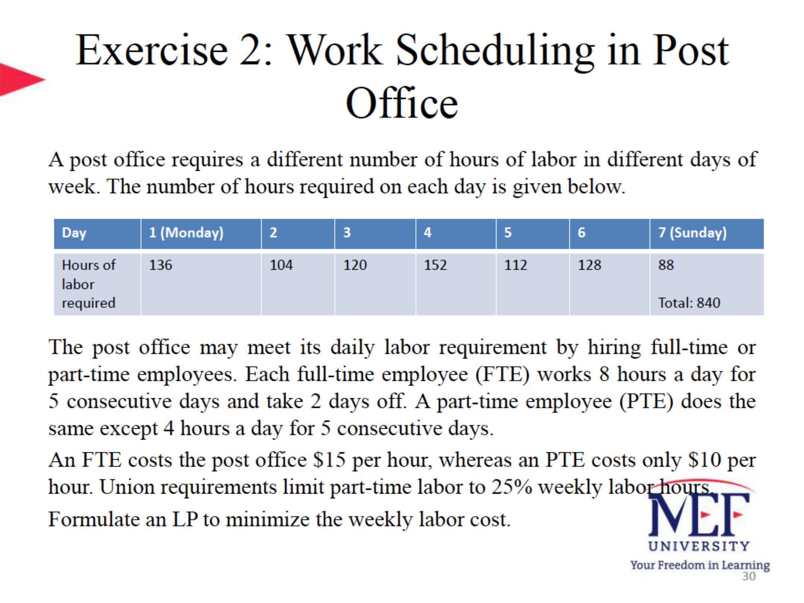
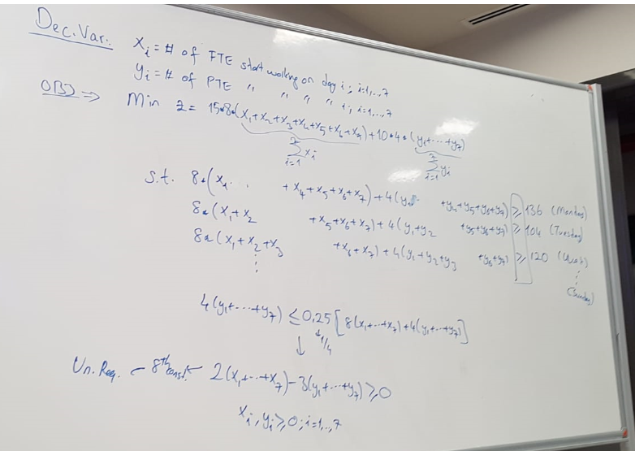
Decision Variable | Monday | Tuesday | Wednesday | Thursday | Friday | Saturday | Sunday
FTE | 0.75 | 5 | 0.33333333333 | 7.3333333333 | 0 | 3.3333333333 | 0
PTE | 11.166666667 | 0 | 0 | 0 | 0 | 0 | 0

Obj. Coef. | 15 | 8
 | 10 | 4 | OBJ | 2456.6666667

 | 1 |  |  | 1 | 1 | 1 | 1 | >= | 136 | >= | 136
 | 1 | 1 |  |  | 1 | 1 | 1 | >= | 117.33333333 | >= | 104
 | 1 | 1 | 1 |  |  | 1 | 1 | >= | 120 | >= | 120
 | 1 | 1 | 1 | 1 |  |  | 1 | >= | 152 | >= | 152
 | 1 | 1 | 1 | 1 | 1 |  |  | >= | 152 | >= | 112
 |  | 1 | 1 | 1 | 1 | 1 |  | >= | 128 | >= | 128
 |  |  | 1 | 1 | 1 | 1 | 1 | >= | 88 | >= | 88
 | 1 | 1 | 1 | 1 | 1 | 1 | 1 | <= | 0 | >= | 0

Leary_Chemical_Problem
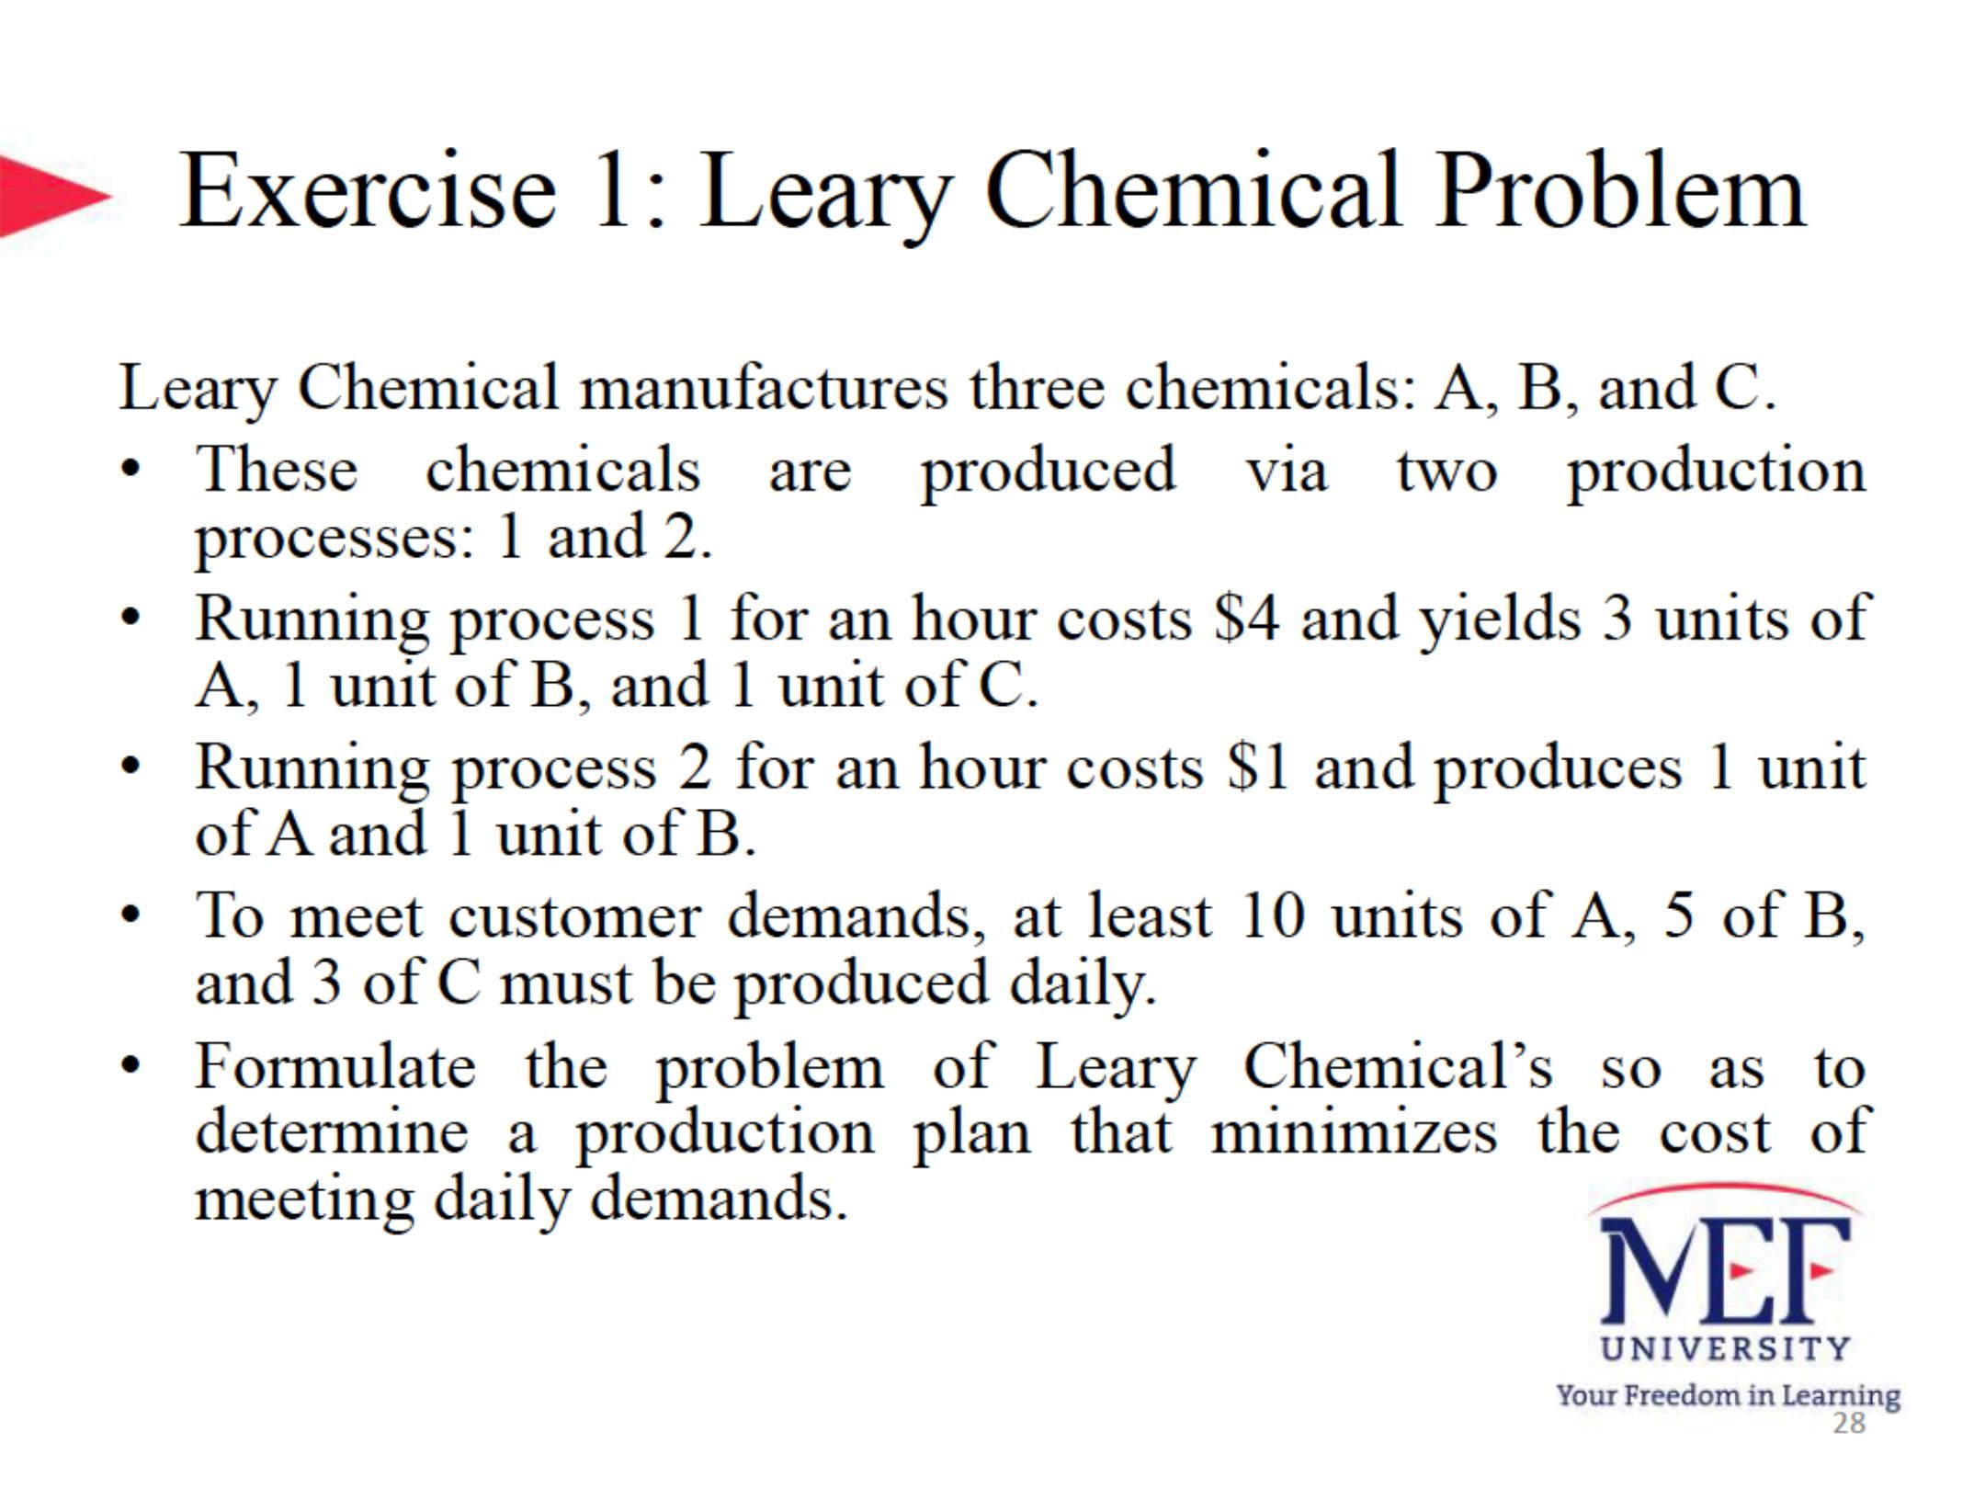
x1 | of hours process one day
x2 | of hpurs process 2 day

Decision Variable | ship-x1 | train-x2
 | 3 | 2
Obj. Coef. | 4 | 1 |  | OBJ= | 14
Consts | 3 | 1 | 11 | >= | 10
 | 1 | 1 | 5 | >= | 5 | binding
 | 1 | 0 | 3 | >= | 3 | binding

 |  |  |  |  |  |  | optimal solution=3,2

product_mix_problem
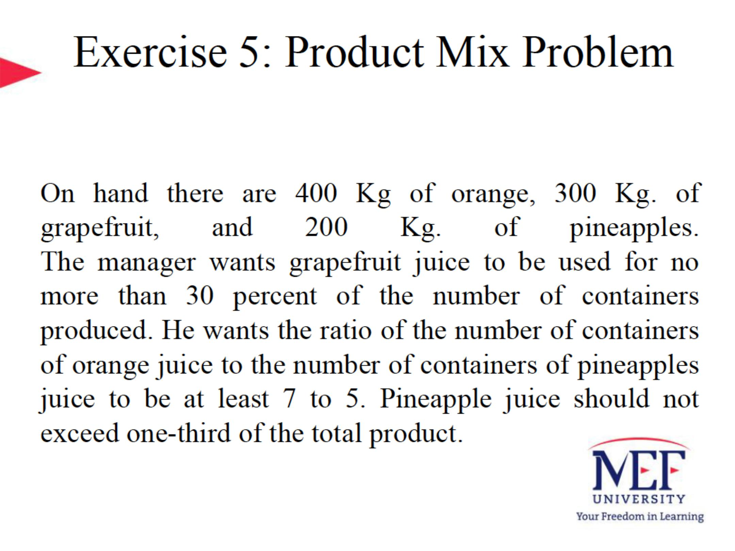
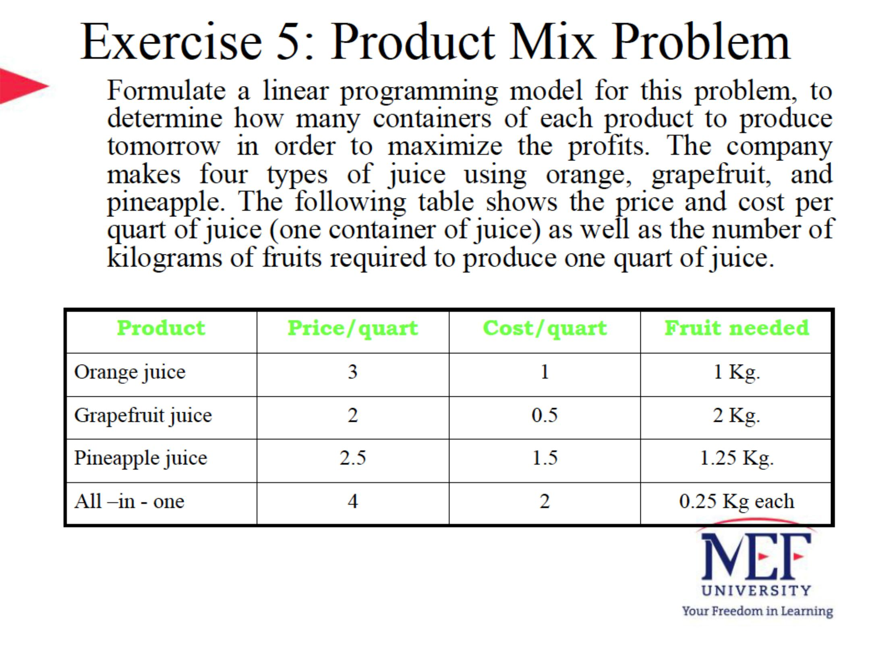

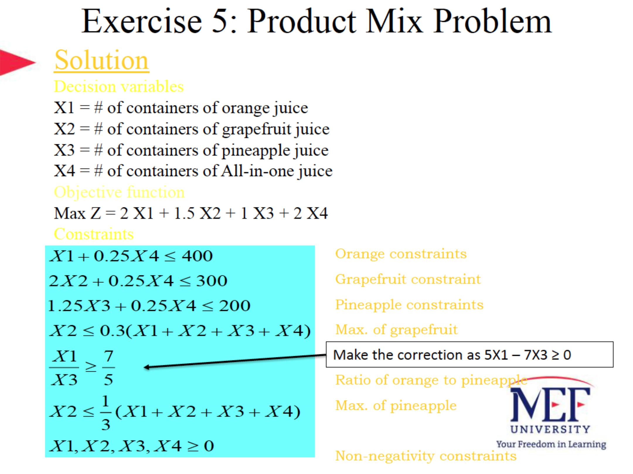

book_exp1
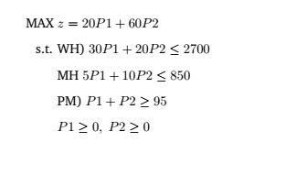
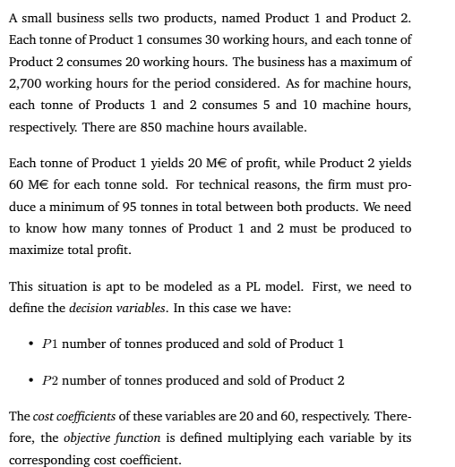
Decision Variable | product1 | product2
 | 20 | 75
Obj. Coef. | 20 | 60 | OBJ= | 4900
Consts | 30 | 20 | 2100 | <= | 2700
 | 5 | 10 | 850 | <= | 850
 | 1 | 1 | 95 | >= | 95

book_exp_transportation
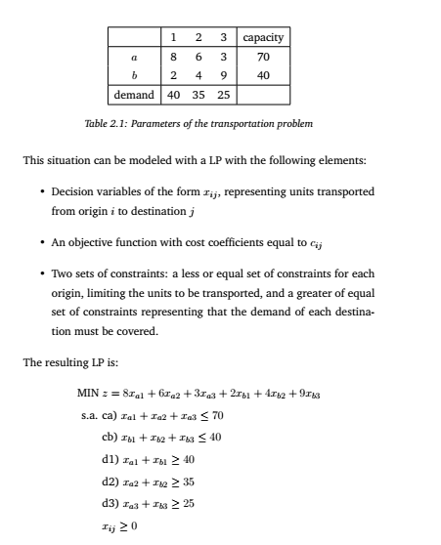
Decision Variable | a1 | a2 | a3 | b1 | b2 | b3
 | 0 | 35 | 25 | 40 | 0 | 0
Obj. Coef. | 8 | 6 | 3 | 2 | 4 | 9 | OBJ= | 365
Consts | 1 | 1 | 1 | 60 | <= | 70
 | 1 | 1 | 1 | 40 | <= | 40
 | 1 | 1 |  | 40 | >= | 40
 | 1 | 1 |  | 35 | >= | 35
 | 1 | 1 |  | 25 | >= | 25

CARGO_QUESTION
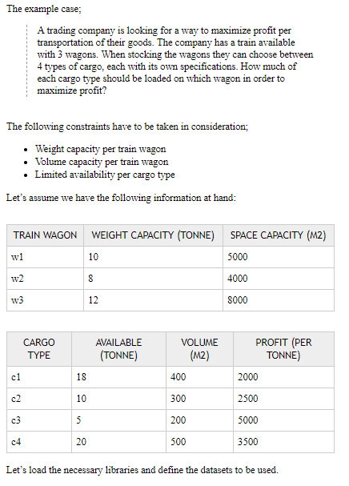
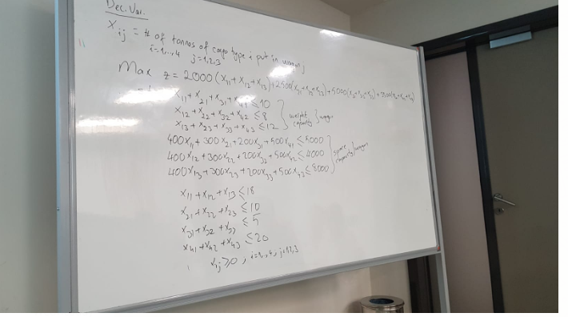
Decision Variable | x11 | x12 | x13 | x21 | x22 | x23 | x31 | x32 | x33 | x41 | x42 | x43
 | 0 | 0 | 0 | 5 | 0 | 0 | 0 | 0 | 5 | 5 | 8 | 7
Obj. Coef. | 2000 | 0 | 0 | 2500 | 0 | 0 | 5000 | 0 | 0 | 3500 | 0 | 0 | OBJ= | 107500 | 30000

Consts | 1 | 0 | 0 | 1 | 0 | 0 | 1 | 0 | 0 | 1 | 0 | 0 | 10 | <= | 10
 | 0 | 1 | 0 | 0 | 1 | 0 | 0 | 1 | 0 | 0 | 1 | 0 | 8 | <= | 8
 | 0 | 0 | 1 | 0 | 0 | 1 | 0 | 0 | 1 | 0 | 0 | 1 | 12 | <= | 12
 | 400 | 0 | 0 | 300 | 0 | 0 | 200 | 0 | 0 | 500 | 0 | 0 | 4000 | <= | 5000
 | 0 | 400 | 0 | 0 | 300 | 0 | 0 | 200 | 0 | 0 | 500 | 0 | 4000 | <= | 4000
 | 0 | 0 | 400 | 0 | 0 | 300 | 0 | 0 | 200 | 0 | 0 | 500 | 4500 | <= | 8000
 | 1 | 1 | 1 | 0 | 0 | 0 | 0 | 0 | 0 | 0 | 0 | 0 | 0 | <= | 18
 | 0 | 0 | 0 | 1 | 1 | 1 | 0 | 0 | 0 | 0 | 0 | 0 | 5 | <= | 10
 | 0 | 0 | 0 | 0 | 0 | 0 | 1 | 1 | 1 | 0 | 0 | 0 | 5 | <= | 5
 | 0 | 0 | 0 | 0 | 0 | 0 | 0 | 0 | 0 | 1 | 1 | 1 | 20 | <= | 20

