Instructions
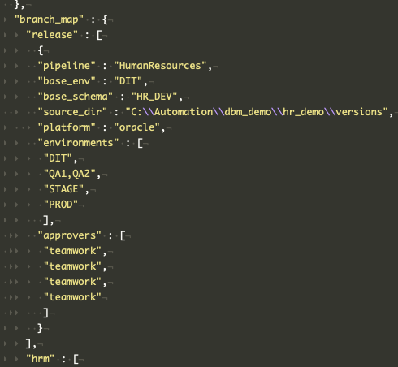
Object Exclusion List Helper

Instructions:
 | Fill in the object information in the grid on the exclusion list tab. You can get a list of the objects in your schema by using: dbm_api.bat action=schema_objects schema_name=multi_tsk output_path=c:\automation this will create a csv file of all the objects and object types from the passed schema (Note: you may need to: grant select on DBA_OBJECTS to twmanagedb) Then save the file. Save_As the file again in CSV format Run the dbm_api.bat script like this: dbm_api.bat action=exclusion_list file_name=<path_to_csv_file> This will populate the database table TWMANAGEDB.TBL_SMG_EXCLUDE_OBJECTS.

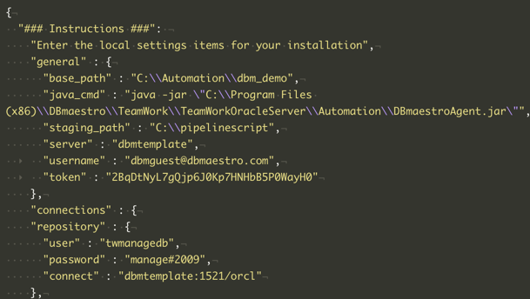
Setting Up dbm_api environment:
 | The dbm_api groovy library is available on github at https://github.com/bradybyrd/dbm_demo Using a git client, clone the repository to (ideally) C:\Automation (all the paths work from there) All the action is in the devops folder. Copy the local_settings_example.json to local_settings.json and edit the file. base_path should point to the git repo, staging path should point to your dbmaestro staging folders. Note only specify the path to the project group. The code will add the pipeline and base schema. Set the username and token for your deployment user. Add the details for the repository connection, many of the methods directly query repository data. The branch map is where you specify the configuration of your pipelines. This section only is used for Jenkinsfile groovy pipeline. The key should be named for the pipeline in lowercase. The base_schema is the release source schema. Order the environments in the array. Note that you can have multiple environments in a single level separated by a comma. The source_dir is the path to where files will be picked up in automation. For approval steps, list the jenkins user in the approvers section.

