solid_body_blockage
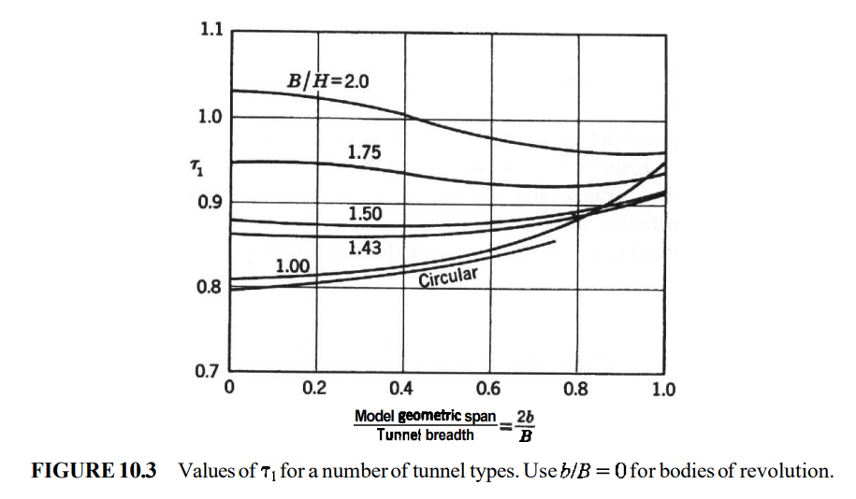
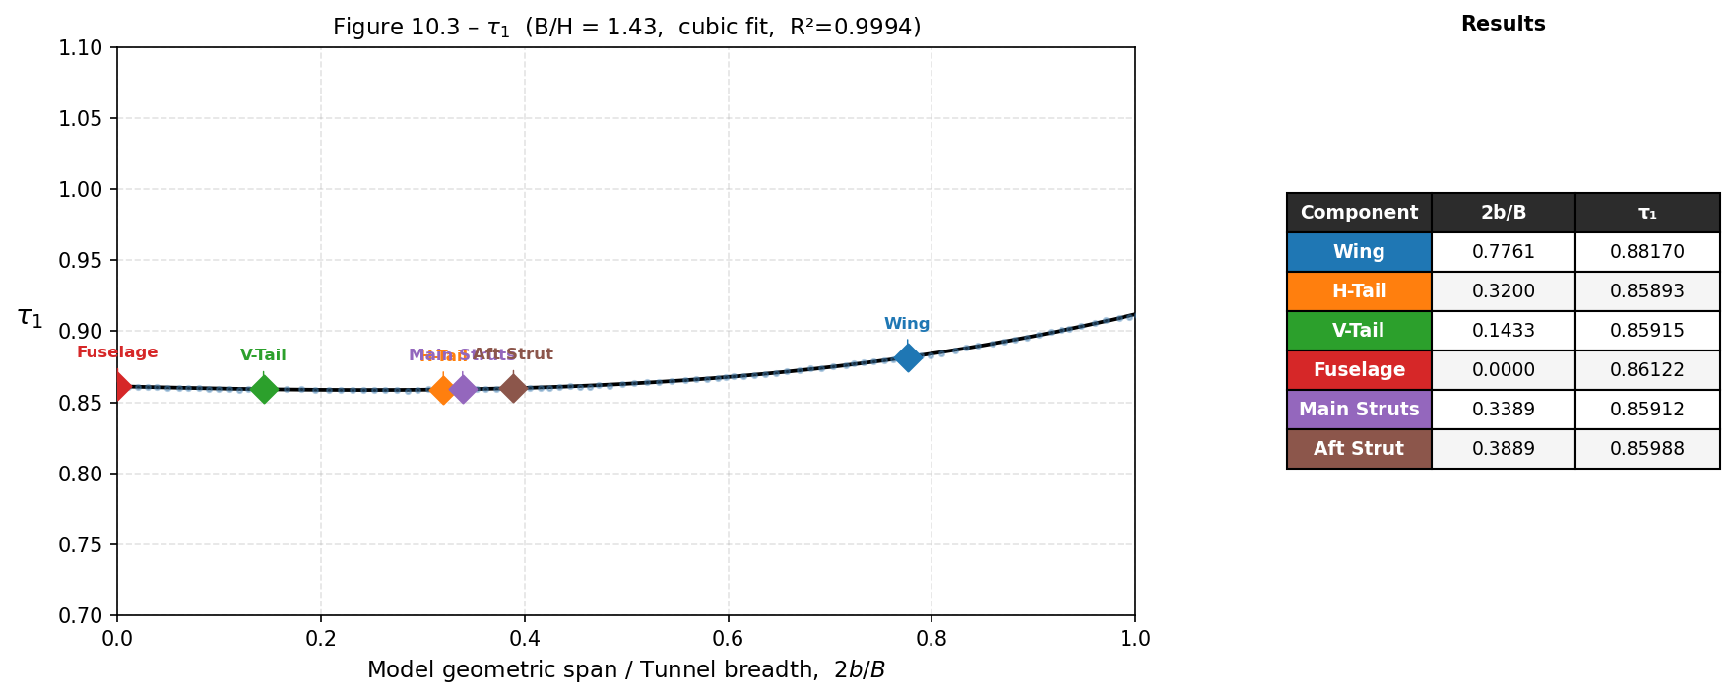
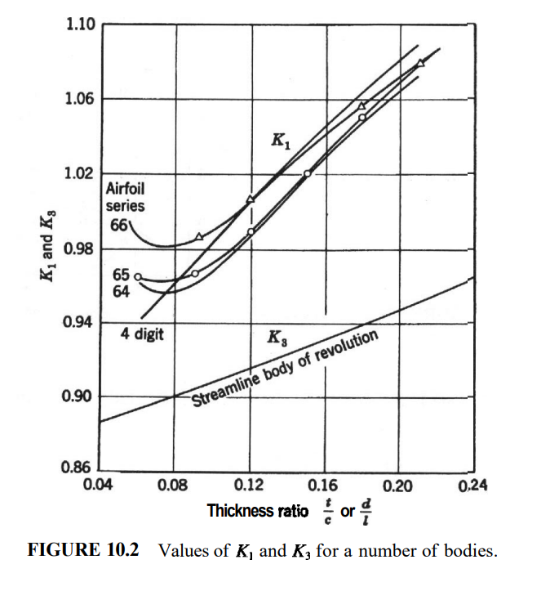
Values used in solid blockage calculations
Body | volume [m^3] | span [m] | length [m] | diameter [m] | area [m^2] | MAC [m] | airfoil | t/c | d/l | K line type | 2b/B | B/H line | K | tau
Wings |  |  |  |  |  |  |  | Derived quantities |  |  |  |  | Final |  | OLD
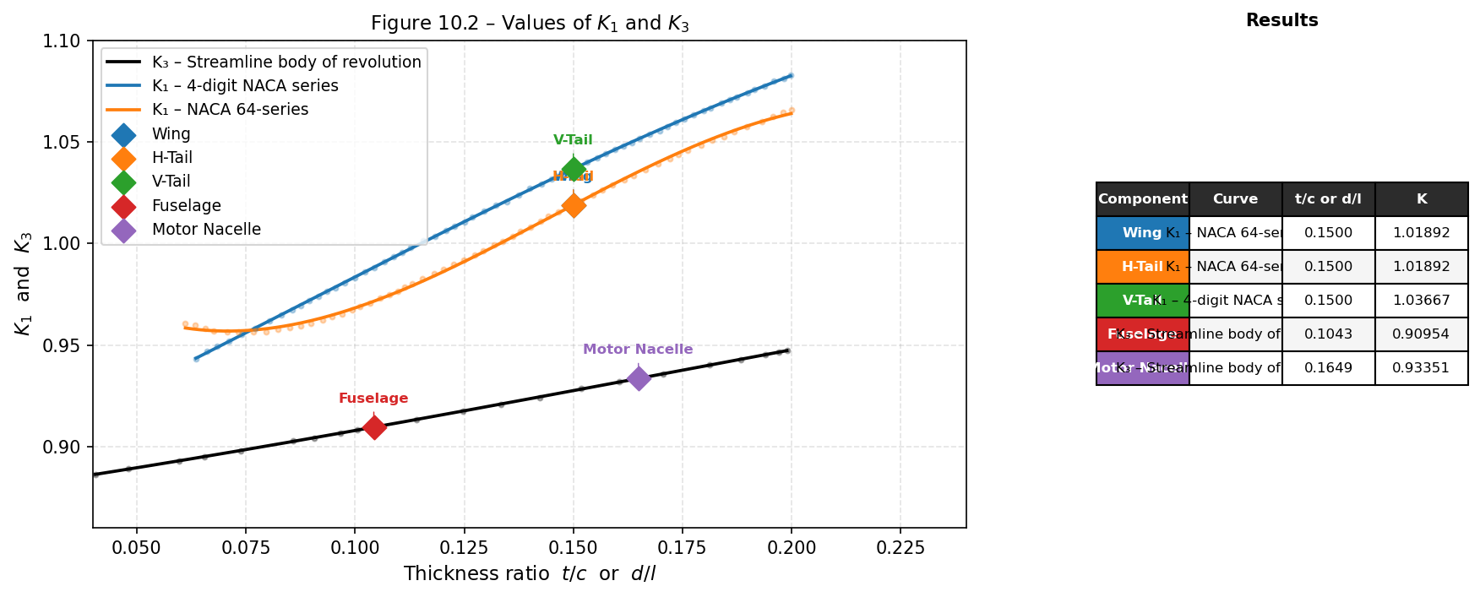
main wing | 0.0030229 | 1.397 | NA | NA | 0.2172 | 0.165 | DU 96-150 | 0.15 | NA | 64 | 0.7761 | 1.43 | 1.01892 | 0.8817 | 0.875
horizantal tail | 0.0009751 | 0.576 | NA | NA | 0.0858 | 0.149 | NACA 642A015 | 0.15 | NA | 64 | 0.32 | 1.43 | 1.01892 | 0.85893 | 0.8625
vertical tail | 0.0003546 | 0.258 | NA | NA | 0.0415 | 0.17 | NACA 0015 | 0.15 | NA | 4 digit | 0.1433 | 1.43 | 1.03667 | 0.85915 | 0.862
Cicular bodies |  |  |  |  |  |  |  | Derived quantities |  |  |  |  | Final
fuselage | 0.0160632 | NA | 1.342 | 0.14 | NA | NA | NA | NA | 0.1043 | S.B.R | 0 | 1.43 | 0.90954 | 0.86122 | 0.8625
motor nacelle (1x) | 0.0007921 | NA | 0.345 | 0.056896 | NA | NA | NA | NA | 0.1649 | S.B.R | 0 | 1.43 | 0.93351 | 0.86122 | 0.8625
Struts |  |  |  |  |  |  |  | Derived quantities |  |  |  |  | Final
main struts (1X) | 0.0017648 | 0.61 | 0.61 | NA | NA | NA | Symmetric | 0.2857 | NA | 4 digit | 0.3389 | 1.43 | 1.1 | 0.85912 | 0.8625
aft strut | 0.0004491 | 0.7 | 0.7 | NA | NA | NA | Some NACA 4 digit | 0.2492 | NA | 4 digit | 0.3889 | 1.43 | 1.1 | 0.85988 | 0.8625

Tunnel |  |  |  | Aft strut |  |  |  | Wing struts
Parameter | Value | Unit |  | Parameter | Value | Unit |  | Parameter | Value | Unit
B (width) | 1.8 | m |  | thickness | 16.9 | mm |  | thickness | 20 | mm
H (height) | 1.25 | m |  | Chord | 67.829 | mm |  | Chord | 70 | mm
B/H | 1.44 | [-] |  | t/c | 0.24915596574 | [-] |  | t/c | 0.28571428571 | [-]
C (Area) | 2.07 | m^3 |  | length | 700 | mm |  | length | 610 | mm

Final blockage calculations
body | volume | multiplier | K | tau | C | ϵ (blockage)
main wing | 0.0030229 | 1 | 1.01892 | 0.8817 | 2.07 | 0.000911862152
horizontal tail | 0.0009751 | 1 | 1.01892 | 0.85893 | 2.07 | 0.00028654411728
vertical tail | 0.0003546 | 1 | 1.03667 | 0.85915 | 2.07 | 0.00010604562066
fuselage | 0.0160632 | 1 | 0.90954 | 0.86122 | 2.07 | 0.0042248613277
motor nacelle | 0.0007921 | 2 | 0.93351 | 0.86122 | 2.07 | 0.00042764910966
main struts | 0.0017648 | 2 | 1.1 | 0.85912 | 2.07 | 0.0011199960399
aft strut | 0.0004491 | 1 | 1.1 | 0.85988 | 2.07 | 0.00014263236056
 |  |  |  |  | Final blockage | 0.0072195907278

 |  |  |  |  | Final TailOff | 0.0063993518802

TUNNEL
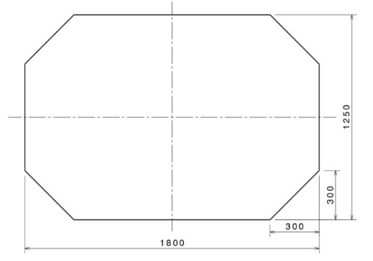
 | value | unit
width | 1.8 | m
height | 1.25 | m
corner | 0.3 | m

corner cutout area | 0.045 | m^2
tunnel area | 2.07 | m^2
B/H | 1.44

STRUTS
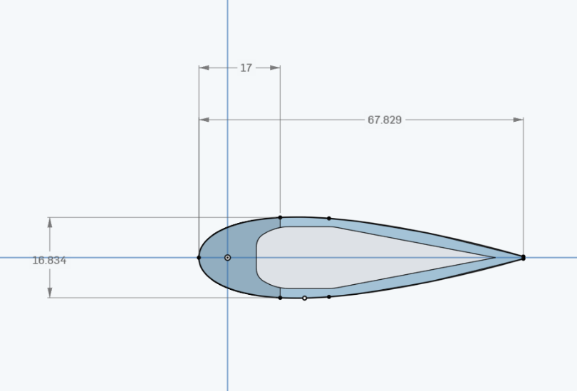
Aft strut
Parameter | Value | Unit
thickness | 16.9 | mm
Chord | 67.829 | mm
t/c | 0.24915596574 | [-]
length | 700 | mm

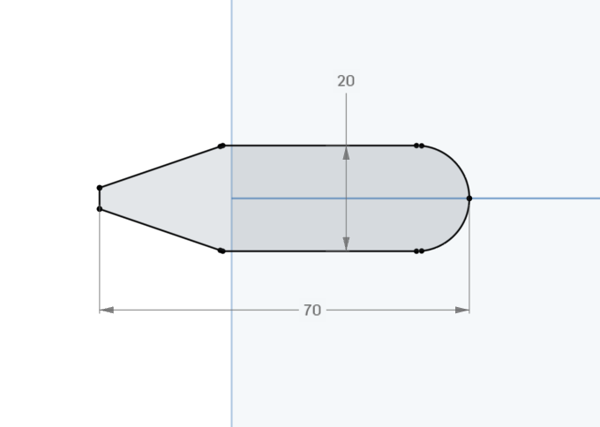
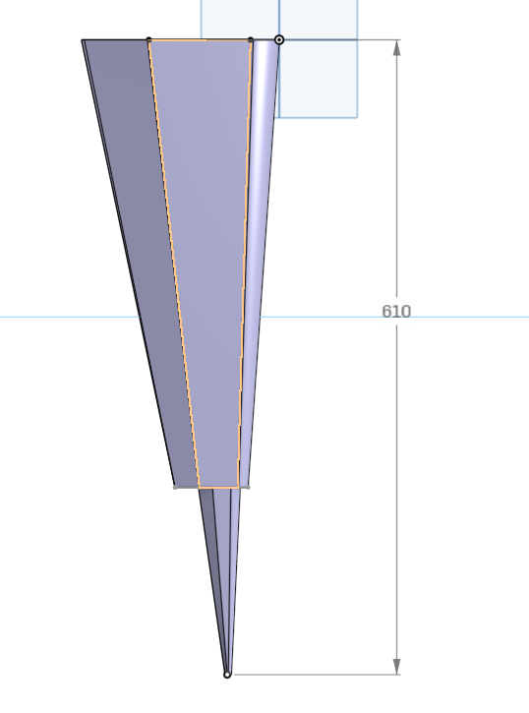
Wing struts
Parameter | Value | Unit
thickness | 20 | mm
Chord | 70 | mm
t/c | 0.28571428571 | [-]
length | 610 | mm

