Test Cases
Test Type | Test case ID | New or old | Product | Test items: (what do you test ) | Test priority (high/medium/low) | Dependencies (to other test case/requirement if any): | Test steps: | Expected output | Actual output: | Pass or Fail: | Bug id/link: | Additional notes
Python unittest | 1.1 | New | Application Backend-- | app/api_module/user_controllers.py | high | None | Login through admin user id Test for user login with valid user credential Test for user login with invalid user credential Create a new user :test@email.com Test new user is an instance of User class Test to get new user created: - Login through new username and password created - Get the user id from the login response (the token contains the id) - Retreive more information about the user with his id. | - Login with valid creadential returns a status code of 200. - Login with invalid creadential returns a status code of 401 - New user "test@email.com" gets created - New user is an instance of User class - Get the new user id created |  | Pass | None
Python unittest | 1.1 | New | Application Backend--test_role_controller | app/api_module/test_role_controller.py | medium | User | Login through admin user id and get valid token Test to create new role by admin account Test to create new role by non-admin account Test to get all roles information by admin account Test to get all roles information by non-admin account | Successfully get admin user token New role gets created by admin account successfully New role won't be created by non-admin account and gets hint "Cannot perform that function!" All roles information will successfully be displayed by admin account Non-admin won't be able to get all roles information by hint "Cannot perform that function!" |  | Pass | None
Python unittest | 1.1 | New | Application Backend--test_sprint_controller | app/api_module/test_sprint_controller.py | medium | Company Project | Get admin token first Test to create new sprint by admin ID Test to get all sprints by admin account | Successfully get the token Sucessfully create new sprint by admin ID Successfullly get all information by admin account |  | Pass | None | Some probems with Sprint that only one project can only have one sprint.
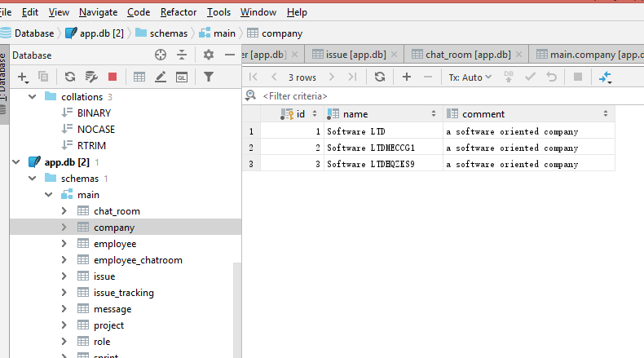
Python unittest | 1.1 | New | Application Backend--test_company_controller | app/api_module/test_company_controller.py | medium | None | Login through admin user id and get valid token Test to create new company by admin account Test to get all companies information by admin account | Successfully get admin user token New company gets created by admin account successfully All companies information will successfully be displayed by admin account | 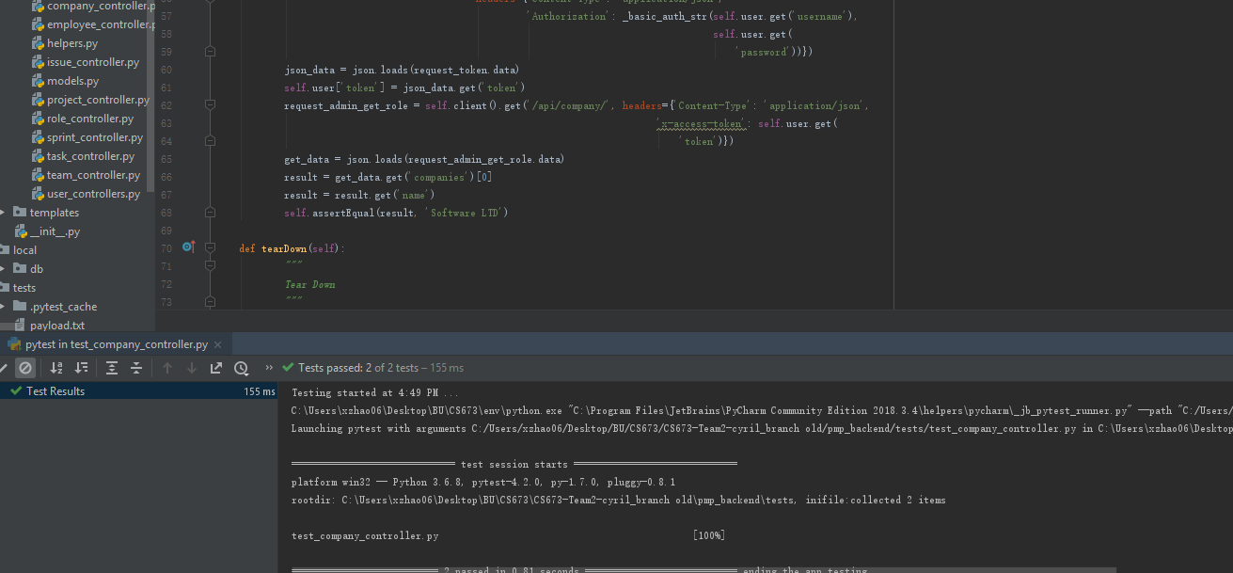 | Pass | None

