1
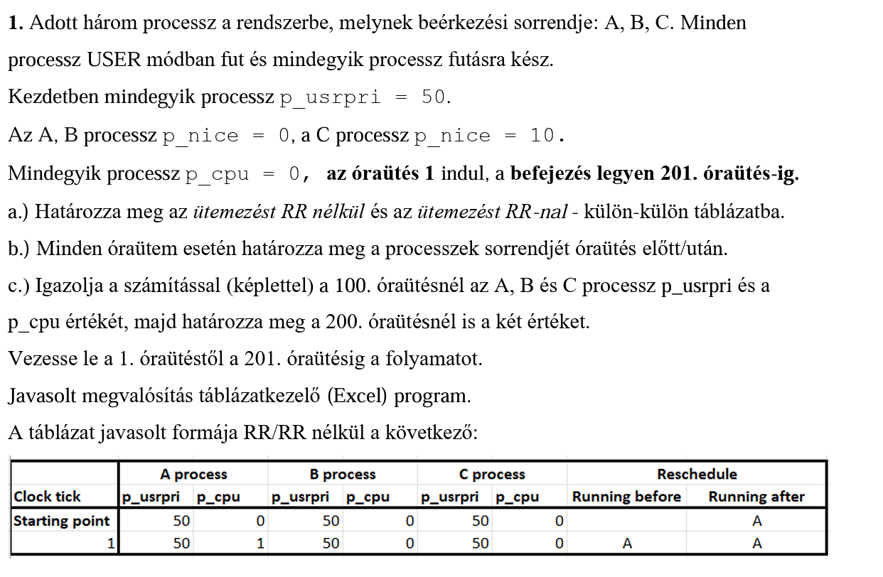
 |  | A process |  | B process |  | C process |  | Reschedule
Clock tick |  | p_usrpri | p_cpu | p_usrpri | p_cpu | p_usrpri | p_cpu | Running before |  | Running After
Starting point |  | 50 | 0 | 50 | 0 | 50 | 0 |  |  |  | A
 | 1 | 50 | 1 | 50 | 0 | 50 | 0 |  | A |  | A
 | 2 | 50 | 2 | 50 | 0 | 60 | 0 |  | A |  | A
 | 3 | 51 | 3 | 50 | 0 | 60 | 0 |  | B |  | A
 | 4 | 51 | 3 | 50 | 1 | 60 | 0 |  | B |  | B
 | 5 | 51 | 3 | 50 | 2 | 60 | 0 |  | B |  | B
 | 6 | 51 | 3 | 51 | 3 | 60 | 0 |  | A |  | B
 | 7 | 51 | 4 | 51 | 3 | 60 | 0 |  | A |  | A
 | 8 | 52 | 5 | 51 | 3 | 60 | 0 |  | B |  | A
 | 9 | 52 | 5 | 51 | 4 | 60 | 0 |  | B |  | B
 | 10 | 52 | 5 | 52 | 5 | 60 | 0 |  | A |  | B
 | 11 | 52 | 6 | 52 | 5 | 60 | 0 |  | A |  | A
 | 12 | 53 | 7 | 52 | 5 | 60 | 0 |  | B |  | A
 | 13 | 53 | 7 | 52 | 6 | 60 | 0 |  | B |  | B
 | 14 | 53 | 7 | 53 | 7 | 60 | 0 |  | A |  | B
 | 15 | 53 | 8 | 53 | 7 | 60 | 0 |  | A |  | A
 | 16 | 54 | 9 | 53 | 7 | 60 | 0 |  | B |  | A
 | 17 | 54 | 9 | 53 | 8 | 60 | 0 |  | B |  | B
 | 18 | 54 | 9 | 54 | 9 | 60 | 0 |  | A |  | B
 | 19 | 54 | 10 | 54 | 9 | 60 | 0 |  | A |  | A
 | 20 | 55 | 11 | 54 | 9 | 60 | 0 |  | B |  | A
 | 21 | 55 | 11 | 54 | 10 | 60 | 0 |  | B |  | B
 | 22 | 55 | 11 | 55 | 11 | 60 | 0 |  | A |  | B
 | 23 | 55 | 12 | 55 | 11 | 60 | 0 |  | A |  | A
 | 24 | 56 | 13 | 55 | 11 | 60 | 0 |  | B |  | A
 | 25 | 56 | 13 | 55 | 12 | 60 | 0 |  | B |  | B
 | 26 | 56 | 13 | 56 | 13 | 60 | 0 |  | A |  | B
 | 27 | 56 | 14 | 56 | 13 | 60 | 0 |  | A |  | A
 | 28 | 57 | 15 | 56 | 13 | 60 | 0 |  | B |  | A
 | 29 | 57 | 15 | 56 | 14 | 60 | 0 |  | B |  | B
 | 30 | 57 | 15 | 57 | 15 | 60 | 0 |  | A |  | B
 | 31 | 57 | 16 | 57 | 15 | 60 | 0 |  | A |  | A
 | 32 | 58 | 17 | 57 | 15 | 60 | 0 |  | B |  | A
 | 33 | 58 | 17 | 57 | 16 | 60 | 0 |  | B |  | B
 | 34 | 58 | 17 | 58 | 17 | 60 | 0 |  | A |  | B
 | 35 | 58 | 18 | 58 | 17 | 60 | 0 |  | A |  | A
 | 36 | 59 | 19 | 58 | 17 | 60 | 0 |  | B |  | A
 | 37 | 59 | 19 | 58 | 18 | 60 | 0 |  | B |  | B
 | 38 | 59 | 19 | 59 | 19 | 60 | 0 |  | A |  | B
 | 39 | 59 | 20 | 59 | 19 | 60 | 0 |  | A |  | A
 | 40 | 60 | 21 | 59 | 19 | 60 | 0 |  | B |  | A
 | 41 | 60 | 21 | 59 | 20 | 60 | 0 |  | B |  | B
 | 42 | 60 | 21 | 60 | 21 | 60 | 0 |  | A |  | B
 | 43 | 60 | 22 | 60 | 21 | 60 | 0 |  | A |  | A
 | 44 | 61 | 23 | 60 | 21 | 60 | 0 |  | B |  | A
 | 45 | 61 | 23 | 60 | 22 | 60 | 0 |  | B |  | B
 | 46 | 61 | 23 | 61 | 23 | 60 | 0 |  | C |  | B
 | 47 | 61 | 23 | 61 | 23 | 60 | 1 |  | C |  | C
 | 48 | 61 | 23 | 61 | 23 | 60 | 2 |  | C |  | C
 | 49 | 61 | 23 | 61 | 23 | 61 | 3 |  | A |  | C
 | 50 | 61 | 24 | 61 | 23 | 61 | 3 |  | A |  | A
 | 51 | 62 | 25 | 61 | 23 | 61 | 3 |  | B |  | A
 | 52 | 62 | 25 | 61 | 24 | 61 | 3 |  | B |  | B
 | 53 | 62 | 25 | 62 | 25 | 61 | 3 |  | C |  | B
 | 54 | 62 | 25 | 62 | 25 | 61 | 4 |  | C |  | C
 | 55 | 62 | 25 | 62 | 25 | 62 | 5 |  | A |  | C
 | 56 | 62 | 26 | 62 | 25 | 62 | 5 |  | A |  | A
 | 57 | 63 | 27 | 62 | 25 | 62 | 5 |  | B |  | A
 | 58 | 63 | 27 | 62 | 26 | 62 | 5 |  | B |  | B
 | 59 | 63 | 27 | 63 | 27 | 62 | 5 |  | C |  | B
 | 60 | 63 | 27 | 63 | 27 | 62 | 6 |  | C |  | C
 | 61 | 63 | 27 | 63 | 27 | 63 | 7 |  | A |  | C
 | 62 | 63 | 28 | 63 | 27 | 63 | 7 |  | A |  | A
 | 63 | 64 | 29 | 63 | 27 | 63 | 7 |  | B |  | A
 | 64 | 64 | 29 | 63 | 28 | 63 | 7 |  | B |  | B
 | 65 | 64 | 29 | 64 | 29 | 63 | 7 |  | C |  | B
 | 66 | 64 | 29 | 64 | 29 | 63 | 8 |  | C |  | C
 | 67 | 64 | 29 | 64 | 29 | 64 | 9 |  | A |  | C
 | 68 | 64 | 30 | 64 | 29 | 64 | 9 |  | A |  | A
 | 69 | 65 | 31 | 64 | 29 | 64 | 9 |  | B |  | A
 | 70 | 65 | 31 | 64 | 30 | 64 | 9 |  | B |  | B
 | 71 | 65 | 31 | 65 | 31 | 64 | 9 |  | C |  | B
 | 72 | 65 | 31 | 65 | 31 | 64 | 10 |  | C |  | C
 | 73 | 65 | 31 | 65 | 31 | 65 | 11 |  | A |  | C
 | 74 | 65 | 32 | 65 | 31 | 65 | 11 |  | A |  | A
 | 75 | 66 | 33 | 65 | 31 | 65 | 11 |  | B |  | A
 | 76 | 66 | 33 | 65 | 32 | 65 | 11 |  | B |  | B
 | 77 | 66 | 33 | 66 | 33 | 65 | 11 |  | C |  | B
 | 78 | 66 | 33 | 66 | 33 | 65 | 12 |  | C |  | C
 | 79 | 66 | 33 | 66 | 33 | 66 | 13 |  | A |  | C
 | 80 | 66 | 34 | 66 | 33 | 66 | 13 |  | A |  | A
 | 81 | 67 | 35 | 66 | 33 | 66 | 13 |  | B |  | A
 | 82 | 67 | 35 | 66 | 34 | 66 | 13 |  | B |  | B
 | 83 | 67 | 35 | 67 | 35 | 66 | 13 |  | C |  | B
 | 84 | 67 | 35 | 67 | 35 | 66 | 14 |  | C |  | C
 | 85 | 67 | 35 | 67 | 35 | 67 | 15 |  | A |  | C
 | 86 | 67 | 36 | 67 | 35 | 67 | 15 |  | A |  | A
 | 87 | 68 | 37 | 67 | 35 | 67 | 15 |  | B |  | A
 | 88 | 68 | 37 | 67 | 36 | 67 | 15 |  | B |  | B
 | 89 | 68 | 37 | 68 | 37 | 67 | 15 |  | C |  | B
 | 90 | 68 | 37 | 68 | 37 | 67 | 16 |  | C |  | C
 | 91 | 68 | 37 | 68 | 37 | 68 | 17 |  | A |  | C
 | 92 | 68 | 38 | 68 | 37 | 68 | 17 |  | A |  | A
 | 93 | 69 | 39 | 68 | 37 | 68 | 17 |  | B |  | A
 | 94 | 69 | 39 | 68 | 38 | 68 | 17 |  | B |  | B
 | 95 | 69 | 39 | 69 | 39 | 68 | 17 |  | C |  | B
 | 96 | 69 | 39 | 69 | 39 | 68 | 18 |  | C |  | C
 | 97 | 69 | 39 | 69 | 39 | 69 | 19 |  | A |  | C
 | 98 | 69 | 40 | 69 | 39 | 69 | 19 |  | A |  | A
 | 99 | 70 | 41 | 69 | 39 | 69 | 19 |  | B |  | A
 | 100 | 70 | 41 | 69 | 40 | 69 | 19 |  | B |  | B
 | 101 | 70 | 41 | 70 | 41 | 69 | 19 |  | C |  | B
 | 102 | 70 | 41 | 70 | 41 | 69 | 20 |  | C |  | C
 | 103 | 70 | 41 | 70 | 41 | 70 | 21 |  | A |  | C
 | 104 | 70 | 42 | 70 | 41 | 70 | 21 |  | A |  | A
 | 105 | 71 | 43 | 70 | 41 | 70 | 21 |  | B |  | A
 | 106 | 71 | 43 | 70 | 42 | 70 | 21 |  | B |  | B
 | 107 | 71 | 43 | 71 | 43 | 70 | 21 |  | C |  | B
 | 108 | 71 | 43 | 71 | 43 | 70 | 22 |  | C |  | C
 | 109 | 71 | 43 | 71 | 43 | 71 | 23 |  | A |  | C
 | 110 | 71 | 44 | 71 | 43 | 71 | 23 |  | A |  | A
 | 111 | 72 | 45 | 71 | 43 | 71 | 23 |  | B |  | A
 | 112 | 72 | 45 | 71 | 44 | 71 | 23 |  | B |  | B
 | 113 | 72 | 45 | 72 | 45 | 71 | 23 |  | C |  | B
 | 114 | 72 | 45 | 72 | 45 | 71 | 24 |  | C |  | C
 | 115 | 72 | 45 | 72 | 45 | 72 | 25 |  | A |  | C
 | 116 | 72 | 46 | 72 | 45 | 72 | 25 |  | A |  | A
 | 117 | 73 | 47 | 72 | 45 | 72 | 25 |  | B |  | A
 | 118 | 73 | 47 | 72 | 46 | 72 | 25 |  | B |  | B
 | 119 | 73 | 47 | 73 | 47 | 72 | 25 |  | C |  | B
 | 120 | 73 | 47 | 73 | 47 | 72 | 26 |  | C |  | C
 | 121 | 73 | 47 | 73 | 47 | 73 | 27 |  | A |  | C
 | 122 | 73 | 48 | 73 | 47 | 73 | 27 |  | A |  | A
 | 123 | 74 | 49 | 73 | 47 | 73 | 27 |  | B |  | A
 | 124 | 74 | 49 | 73 | 48 | 73 | 27 |  | B |  | B
 | 125 | 74 | 49 | 74 | 49 | 73 | 27 |  | C |  | B
 | 126 | 74 | 49 | 74 | 49 | 73 | 28 |  | C |  | C
 | 127 | 74 | 49 | 74 | 49 | 74 | 29 |  | A |  | C
 | 128 | 74 | 50 | 74 | 49 | 74 | 29 |  | A |  | A
 | 129 | 75 | 51 | 74 | 49 | 74 | 29 |  | B |  | A
 | 130 | 75 | 51 | 74 | 50 | 74 | 29 |  | B |  | B
 | 131 | 75 | 51 | 75 | 51 | 74 | 29 |  | C |  | B
 | 132 | 75 | 51 | 75 | 51 | 74 | 30 |  | C |  | C
 | 133 | 75 | 51 | 75 | 51 | 75 | 31 |  | A |  | C
 | 134 | 75 | 52 | 75 | 51 | 75 | 31 |  | A |  | A
 | 135 | 76 | 53 | 75 | 51 | 75 | 31 |  | B |  | A
 | 136 | 76 | 53 | 75 | 52 | 75 | 31 |  | B |  | B
 | 137 | 76 | 53 | 76 | 53 | 75 | 31 |  | C |  | B
 | 138 | 76 | 53 | 76 | 53 | 75 | 32 |  | C |  | C
 | 139 | 76 | 53 | 76 | 53 | 76 | 33 |  | A |  | C
 | 140 | 76 | 54 | 76 | 53 | 76 | 33 |  | A |  | A
 | 141 | 77 | 55 | 76 | 53 | 76 | 33 |  | B |  | A
 | 142 | 77 | 55 | 76 | 54 | 76 | 33 |  | B |  | B
 | 143 | 77 | 55 | 77 | 55 | 76 | 33 |  | C |  | B
 | 144 | 77 | 55 | 77 | 55 | 76 | 34 |  | C |  | C
 | 145 | 77 | 55 | 77 | 55 | 77 | 35 |  | A |  | C
 | 146 | 77 | 56 | 77 | 55 | 77 | 35 |  | A |  | A
 | 147 | 78 | 57 | 77 | 55 | 77 | 35 |  | B |  | A
 | 148 | 78 | 57 | 77 | 56 | 77 | 35 |  | B |  | B
 | 149 | 78 | 57 | 78 | 57 | 77 | 35 |  | C |  | B
 | 150 | 78 | 57 | 78 | 57 | 77 | 36 |  | C |  | C
 | 151 | 78 | 57 | 78 | 57 | 78 | 37 |  | A |  | C
 | 152 | 78 | 58 | 78 | 57 | 78 | 37 |  | A |  | A
 | 153 | 79 | 59 | 78 | 57 | 78 | 37 |  | B |  | A
 | 154 | 79 | 59 | 78 | 58 | 78 | 37 |  | B |  | B
 | 155 | 79 | 59 | 79 | 59 | 78 | 37 |  | C |  | B
 | 156 | 79 | 59 | 79 | 59 | 78 | 38 |  | C |  | C
 | 157 | 79 | 59 | 79 | 59 | 79 | 39 |  | A |  | C
 | 158 | 79 | 60 | 79 | 59 | 79 | 39 |  | A |  | A
 | 159 | 80 | 61 | 79 | 59 | 79 | 39 |  | B |  | A
 | 160 | 80 | 61 | 79 | 60 | 79 | 39 |  | B |  | B
 | 161 | 80 | 61 | 80 | 61 | 79 | 39 |  | C |  | B
 | 162 | 80 | 61 | 80 | 61 | 79 | 40 |  | C |  | C
 | 163 | 80 | 61 | 80 | 61 | 80 | 41 |  | A |  | C
 | 164 | 80 | 62 | 80 | 61 | 80 | 41 |  | A |  | A
 | 165 | 81 | 63 | 80 | 61 | 80 | 41 |  | B |  | A
 | 166 | 81 | 63 | 80 | 62 | 80 | 41 |  | B |  | B
 | 167 | 81 | 63 | 81 | 63 | 80 | 41 |  | C |  | B
 | 168 | 81 | 63 | 81 | 63 | 80 | 42 |  | C |  | C
 | 169 | 81 | 63 | 81 | 63 | 81 | 43 |  | A |  | C
 | 170 | 81 | 64 | 81 | 63 | 81 | 43 |  | A |  | A
 | 171 | 82 | 65 | 81 | 63 | 81 | 43 |  | B |  | A
 | 172 | 82 | 65 | 81 | 64 | 81 | 43 |  | B |  | B
 | 173 | 82 | 65 | 82 | 65 | 81 | 43 |  | C |  | B
 | 174 | 82 | 65 | 82 | 65 | 81 | 44 |  | C |  | C
 | 175 | 82 | 65 | 82 | 65 | 82 | 45 |  | A |  | C
 | 176 | 82 | 66 | 82 | 65 | 82 | 45 |  | A |  | A
 | 177 | 83 | 67 | 82 | 65 | 82 | 45 |  | B |  | A
 | 178 | 83 | 67 | 82 | 66 | 82 | 45 |  | B |  | B
 | 179 | 83 | 67 | 83 | 67 | 82 | 45 |  | C |  | B
 | 180 | 83 | 67 | 83 | 67 | 82 | 46 |  | C |  | C
 | 181 | 83 | 67 | 83 | 67 | 83 | 47 |  | A |  | C
 | 182 | 83 | 68 | 83 | 67 | 83 | 47 |  | A |  | A
 | 183 | 84 | 69 | 83 | 67 | 83 | 47 |  | B |  | A
 | 184 | 84 | 69 | 83 | 68 | 83 | 47 |  | B |  | B
 | 185 | 84 | 69 | 84 | 69 | 83 | 47 |  | C |  | B
 | 186 | 84 | 69 | 84 | 69 | 83 | 48 |  | C |  | C
 | 187 | 84 | 69 | 84 | 69 | 84 | 49 |  | A |  | C
 | 188 | 84 | 70 | 84 | 69 | 84 | 49 |  | A |  | A
 | 189 | 85 | 71 | 84 | 69 | 84 | 49 |  | B |  | A
 | 190 | 85 | 71 | 84 | 70 | 84 | 49 |  | B |  | B
 | 191 | 85 | 71 | 85 | 71 | 84 | 49 |  | C |  | B
 | 192 | 85 | 71 | 85 | 71 | 84 | 50 |  | C |  | C
 | 193 | 85 | 71 | 85 | 71 | 85 | 51 |  | A |  | C
 | 194 | 85 | 72 | 85 | 71 | 85 | 51 |  | A |  | A
 | 195 | 86 | 73 | 85 | 71 | 85 | 51 |  | B |  | A
 | 196 | 86 | 73 | 85 | 72 | 85 | 51 |  | B |  | B
 | 197 | 86 | 73 | 86 | 73 | 85 | 51 |  | C |  | B
 | 198 | 86 | 73 | 86 | 73 | 85 | 52 |  | C |  | C
 | 199 | 86 | 73 | 86 | 73 | 86 | 53 |  | A |  | C
 | 200 | 86 | 74 | 86 | 73 | 86 | 53 |  | A |  | A
 | 201 | 87 | 75 | 86 | 73 | 86 | 53 |  | B |  | A

2
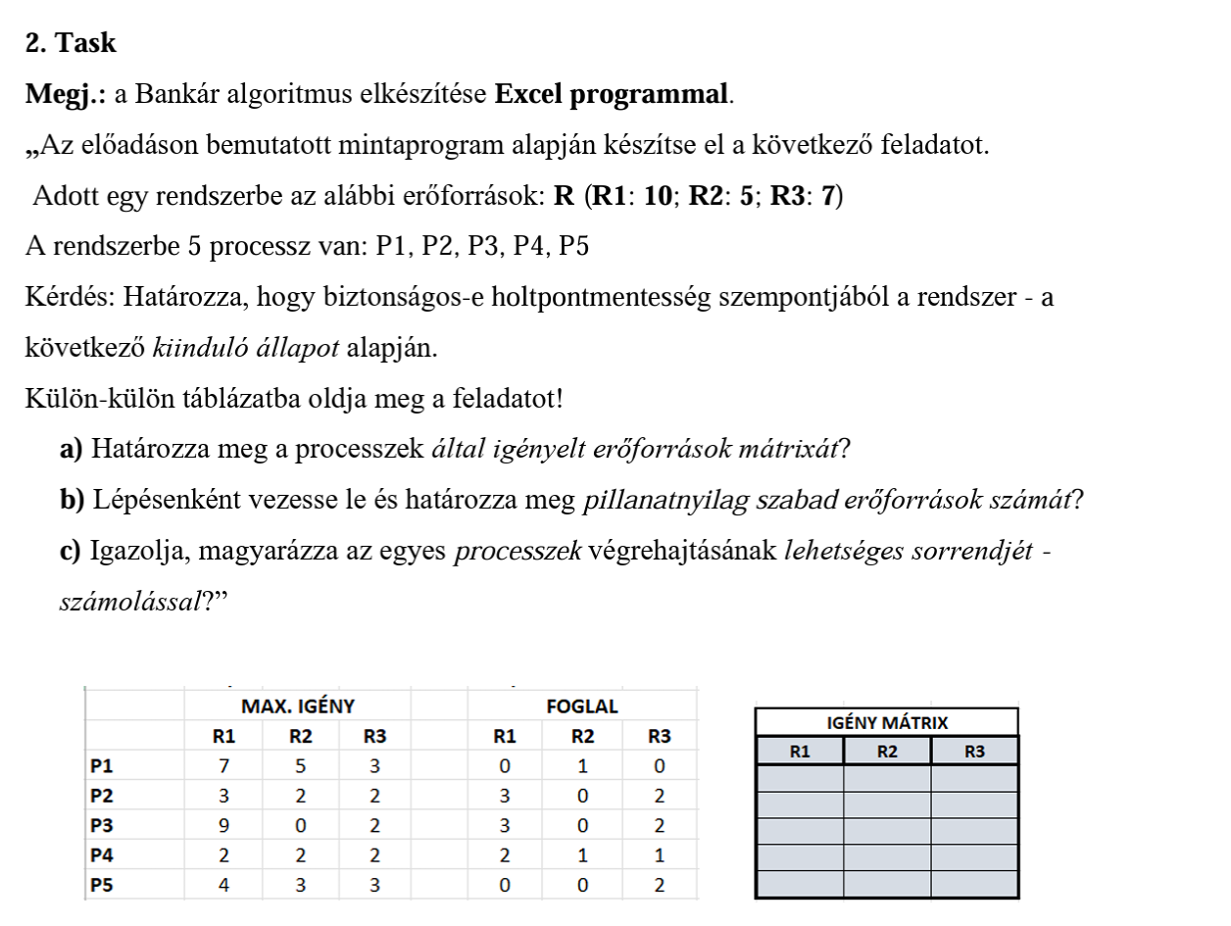
R1=10 | R2=5 | R3=7

 | MAX.IGÉNY |  |  | FOGLAL |  |  | IGÉNY MÁTRIX
 | R1 | R2 | R3 | R1 | R2 | R3 | R1 | R2 | R3
P1 | 7 | 5 | 3 | 0 | 1 | 0 | 7 | 4 | 3
P2 | 3 | 2 | 2 | 3 | 0 | 2 | 0 | 2 | 0
P3 | 9 | 0 | 2 | 3 | 0 | 2 | 6 | 0 | 0
P4 | 2 | 2 | 2 | 2 | 1 | 1 | 0 | 1 | 1
P5 | 4 | 3 | 3 | 0 | 0 | 2 | 4 | 3 | 1

2
3
0

P2>P4>P5>P1>P3

