Spirality
Test Report Number 报告编号: |  |  |  | 87.405.26.15703.01
Determination of spirality after laundering 洗后扭曲的测定
REF ISO 16322-3:2021
KIK Method : Garment,side-panel：服装侧缝法(洗前如存在扭曲,同样方法测量,洗后扭曲包含洗前扭曲)

After | 1 | Wash
Sample |  |  | AA'(cm) |  |  | AB(cm) |  |  | X(%)
 |  |  |  |  |  |  |  |  | X=100×(AA’/AB)

A

B

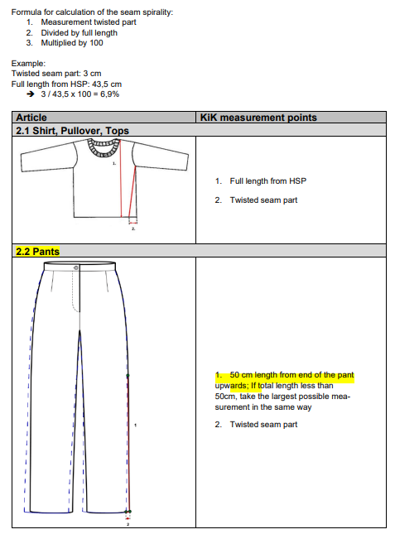
Remark: AA’=Twisted seam part
AB =Full length
 |  |  |  |  | Miele: Machine wash at: |  |  | 30 |  |  | °C with
 |  |  |  |  | 77％ECE(A)+3%TAED+20% sodium perborate
 |  |  |  |  | ,using domestic washing machine, |  |  |  |  | 900RPM
 |  |  |  |  | Cotton procedure |  |  |  |  |  | ,with 2.0kg total
 |  |  |  |  | dry ballast, |  | Flat Dry |  |  | ， | / Iron
 |  |  |  |  | -

Equipment No(设备号)：SFL-NGB-EQP-

