DStoWashing&DC-BSS
Test Report Number 报告编号:
Dimensional Stability to Washing 尺寸稳定性-水洗
DIN EN ISO 5077:2007/ISO 3759:2011/ISO 6330:2012
Miele: Machine wash at: |  |  | °C with | 77％ECE(A)+3%TAED+20% sodium perborate |  |  |  |  |  |  | ,using domestic
washing machine, |  |  |  |  |  | ,with 2.0kg total dry ballast,
 | . | 900revs
Due to the inconsistent nature of the fabric,results may not truly reflect the real percentage and actual garment fitting would be advised.
 |  |  | Original 洗前尺寸 (cm) |  | After | wash | After | wash | Shrinkage(%) 收缩率 |  |  | Shrinkage(%) 收缩率
 |  |  |  |  | 洗后尺寸 (cm) |  | 洗后尺寸 (cm)
 |  |  |  |  |  |  |  |  | After | wash |  | After | wash
Bra
Sample
1 Total length of under breast
band
2 Cup at seam

Body/Allover suit
Sample
1 ½ Chest(1cm under armhole)
2 Sleeve length(from armhole)
3 Center front length(from front
neck drop)
4 ½ Centre point of front(a)and back leg opening(b)must be placed that in and out seam lay on top of each other ,the arch must be followed while measuring

Slip
Sample
1 ½ Waist
2 Front length(at slips for men with jockstrap :folded at centre front: from waist to lowest point, the arch must be followed while measuring)

3 ½ leg opening centre point front (a)and back leg opening(b)must be placed that in and out seam lay on top of each other ,the arch must be followed while measuring

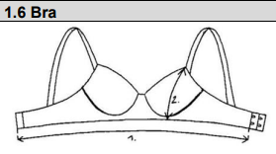
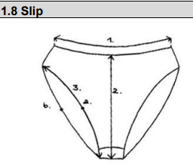
Equipment No(设备号)：SFL-NGB-EQP-

Spirality
Test Report Number 报告编号:
Determination of spirality after laundering 洗后扭曲的测定
REF ISO 16322-3:2021
KIK Method : Garment,side-panel：服装侧缝法(洗前如存在扭曲,同样方法测量,洗后扭曲包含洗前扭曲)

After | Wash
Sample |  | AA'(cm) |  | AB(cm) | X(%)
 |  |  |  |  | X=100×(AA’/AB)

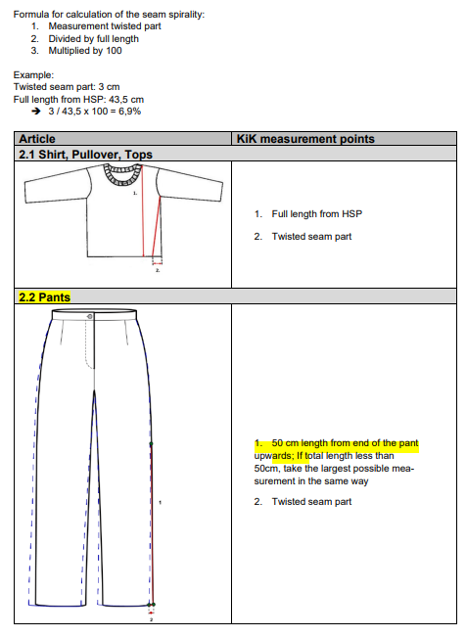
Remark: AA’=Twisted seam part
AB =Full length
 |  |  | Miele: Machine wash at: |  |  |  | °C with
 |  |  | 77％ECE(A)+3%TAED+20% sodium perborate
 |  |  | ,using domestic washing machine, |  |  | 900revs
 |  |  |  |  |  |  | ,with 2.0kg total
 |  |  | dry ballast, |  |  | ，

Equipment No(设备号)：SFL-NGB-EQP-

