DStoWashing-Jacket
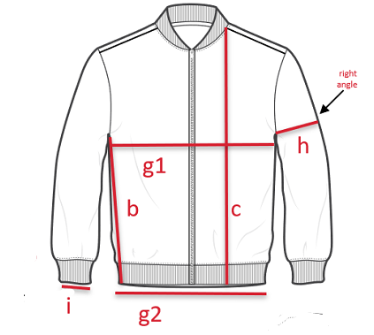
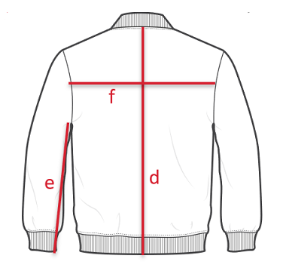
Test Report Number 报告编号:
1.Dimensional Stability to Washing 尺寸稳定性-水洗
Adidas method PHX-AP0701: ISO 5077:2007/ISO 3759:2011/ISO 6330:2012
Procedure No: |  | Using horizontal axis, front-loading type machine: Machine wash at
degree C with _2.0_ kg total dry mass( |  |  |  |  |  |  | + specimen) and
"77%" ECE(A)+3%TAED+20% sodium perborate, |  |  |  |  |  | , / iron.

(Jacket-like garment)
(Including dress,coats,pajamas,shirt and vests)
Sample样品 | A |  | Original | After 1 Wash | After 3 Wash |  | After 1 Wash | After 3 Wash
 |  |  | (cm) | (cm) | (cm) |  | Shrinkage(%) | Shrinkage(%)
B: Length from lowest point
armpit to bottom hem
C: Front length from high point
shoulder to bottom hem
D: Centre back length
E: Underarm seam length
F: Across back width
G1: Chest width
G2: Hem opening
H: Sleeve length
I: Sleeve opening

Equipment No(设备号)：SFL-NGB-EQP-

DStoWashing-Pants&Skirt
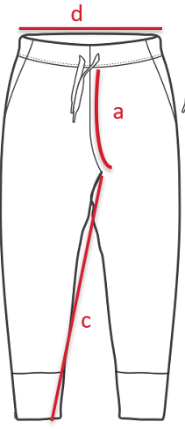
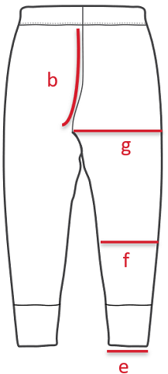
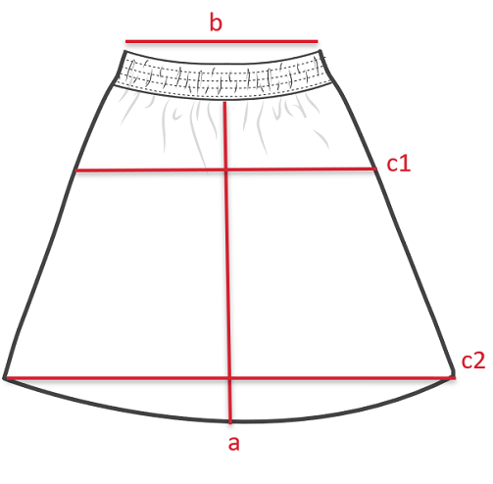
Test Report Number 报告编号:
1.Dimensional Stability to Washing 尺寸稳定性-水洗
Adidas method PHX-AP0701: ISO 5077:2007/ISO 3759:2011/ISO 6330:2012
Procedure No: |  | Using horizontal axis, front-loading type machine: Machine wash at
degree C with _2.0_ kg total dry mass( |  |  |  |  |  |  | + specimen) and
"77%" ECE(A)+3%TAED+20% sodium perborate, |  |  |  |  |  | , / iron.

(Trouse-like garment)
Sample样品 | A |  | Original | After 1 Wash | After 3 Wash |  | After 1 Wash | After 3 Wash
 |  |  | (cm) | (cm) | (cm) |  | Shrinkage(%) | Shrinkage(%)
A: Front Rise
B: Back Rise
C: Inseam
D: Waistband width
E: Leg opening
F: Leg halfway width
G: Thigh width

(Skirt)
Sample样品 | A |  | Original | After 1 Wash | After 3 Wash |  | After 1 Wash | After 3 Wash
 |  |  | (cm) | (cm) | (cm) |  | Shrinkage(%) | Shrinkage(%)
A: Skirt length
B: Waistband width
C1: Hip width
C2: Hem opening

Equipment No(设备号)：SFL-NGB-EQP-

DStoWashing-Boiler suits
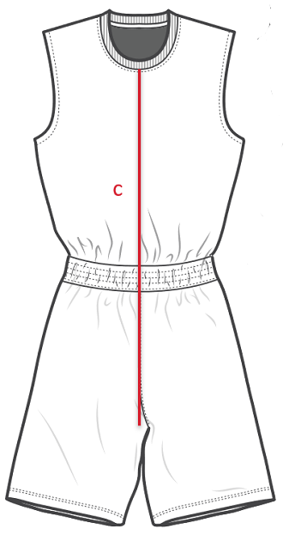
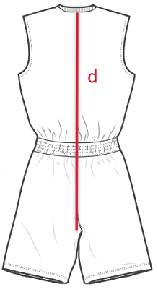
Test Report Number 报告编号:
1.Dimensional Stability to Washing 尺寸稳定性-水洗
Adidas method PHX-AP0701: ISO 5077:2007/ISO 3759:2011/ISO 6330:2012
Procedure No: |  | Using horizontal axis, front-loading type machine: Machine wash at
degree C with _2.0_ kg total dry mass( |  |  |  |  |  |  | + specimen) and
"77%" ECE(A)+3%TAED+20% sodium perborate, |  |  |  |  |  | , / iron.

(Boiler suits, ect)
(Boiler suits, coveralls, bib and brace overalls, combinations and one-piece swimsuits)
Sample样品 | A |  | Original | After 1 Wash | After 3 Wash |  | After 1 Wash | After 3 Wash
 |  |  | (cm) | (cm) | (cm) |  | Shrinkage(%) | Shrinkage(%)
B: Length from lowest point
armpit to bottom hem
C: Front length from high point
shoulder to bottom hem
D: Centre back length
E: Underarm seam length
F: Across back width
G1: Chest width
G2: Hem opening
H: Sleeve length
I: Sleeve opening

Equipment No(设备号)：SFL-NGB-EQP-

