solarPV
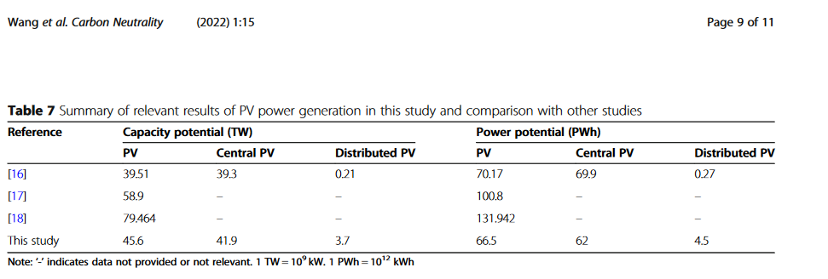
 | Heinrichs2026 | Shen_solarPV_base | Shen_solarPV_strict | Yang_solarPV | Wang2022_centralPV | Tian2023_solarPV | Qiu2022_solarPV | Sanchez2021_solarPV | Sterl2022_solarPV | Benalcazar2024 | Zink2024
country | review | China | China | China | China | China |  | Mexico | Africa | Poland | Africa
resolution (m) | - | 1000 | 1000 |  |  |  |  | 100 | ? | 100
comment | values below indicate ranges of "excludes values or distances" (s. table 4) | - | - | - | rooftop & groundmounted? | rooftop & groundmounted? |  | ground mounted | ground mounted | ground mounted
max elevation | > 60 - 5000m | 5000 | 5000 | ? | ? | 3000 |  | 1750 | 2000 | 2000
max slope | > 2.1 - 35° | 20% | 20% |  |  | 5% |  | 10° | 20% | 30°
max northward slope | - | - | - | - | - | - |  | 3° | - | -
land use | exclusion: - urban and built up: <100m and >50km - forests: 0 - cropland: 0 | exclusion: irrigated cropland, closed forest, high coverage grasslands, water bodies, wetlands, urban, built-up | exclusion: irrigated cropland, closed forest, high coverage grasslands, water bodies, wetlands, urban, built-up, dry cropland, shrubland, open forest, other forest, medium cover grassland | suitable (all other excluded): mosaic vegetation, closed to open grassland, sparse vegetation, bare areas | exclusion: - water bodies - permanent wetlands - snow, ice - forests - closed grasslands - croplands utilization factors: - shrublands: 0.2 - urban and built-up: 0.5 - sparse grasslands: 0.8 - barren or sparsely vegetated: 1 | exclusion: - water bodies - forest utilization factors: - cropland: 0.02 - urban: 0.05 - grassland: 0.2 - shrub: 0.05 |  | exclusion: - settlements: 200 - woodlands: 300 - wetlands: 1000 - | included: - 11, 14, 20, 30, 110, 120 130, 140, 150, 180, 190, 200 | exclusion: - urban areas: 500 - industrial areas: 500 - forestes: 0 - non-irrigated arable land: 0 - permanently irrigated land: 0
railways | <100m and >5miles | - | - | - | - | - |  | - | - | 100
roads | <50m and >50km | - | - | - | - | - |  | - | inclusion distance: 50000 | 100
airports | 1000 | 2000 | 2000 | - | - | - |  | 0 | - | 5000
waterbodies | 100 | see landcover | see landcover | see landcover | see landcover | see landcover |  | 1000 | - | 0
military | 0 | - | - | - | - | - |  | 1000 | - | -
coastlines | - | - | - | - | - | - |  | 1000 | - | -
protected areas | 1000 | 0 | 0 | 0 |  | 0 |  | 1000 | 0 | 300
transmission lines | <6m and >13km | - | - | - | - | - |  | - | 0 | 120

country boarders | - | - | - | - | - | - |  | 500 | - | -
historical/religious sites | <500m | - | - | - | - | - |  | 1000 | - | -
world heritage | - | 0 | 0 |  | - | - |  | - | - | -
functional areas | - | 3000 | 3000 | - | - | - |  | - | - | -
population density | - | exclude >1000/km² | exclude >1000/km² | - | - | - |  | - | exclude >100/km² | -
min ressources | min 1400-1700 kWh/m²/a | >1000 kWh/m² GHI | >1000 kWh/m² GHI | "areas with relatively low GHI should not be excluded from regional potential assessment." | min 1000 FLH | min 1050 kWh/m²/yr GHI |  | - | >4000 Wh/m²/day GHI | -
weather data |  | GSA (2024) | GSA (2024) | WorldClim, 1970-2000 | solar: CAS Satellite-based model, 5km, 1h, 2007-2014 |  |  |  | GSA and ERA5, bias-correction | GSA

DATA | - | available land | available land | - map in figure national level - power potential - energy potential | - map in figure provincial level - power potential - energy potential | - map in figure - energy potential |  |  | Model supply regions & timeseries | maps, authors didn’t respond
DATA availability | - | YES | YES | authors (contacted) do not find original data because it was done so far in the past | contacted Qingchen Chao | contacted Yu Wang |  |  | YES | maps, authors didn’t respond

deployment density | - | - | - | - | 30 MW/km² | - | - |  | 33 MW/km² | 35 MW/km²; 50 MW/km²

power potential | - | - | - | 1.41e5 GW = 141 TW | 41.88e9 kW = 42 TW |  | 78 TW | 23 TW (@ <70 EUR/MWh); 578,000 km² |  | 394 GW; 563 GW (3.61% of total area)
energy potential | - | - | - | 1.38874e14 kWh = 139 PWh | 62 PWh | 134 PWh | 132 PWh

onshoreWind
 | Spyridonidou2020 | Shen_wind_base | Shen_wind_strict | Wang2022_onshorewind | Tian2023_onshorewind | Sterl2022 | Zink2024 | Krauland2024
country | review | China | China | China | China | Africa | Africa | India
resolution | - |  |  |  |  |  | 50 | 10
comment | mean value, min/max, predominant value |  |  |  |  |  | only using min values see paper for differentiated distances
max elevation | 1315, 200/2000, 2000 | 5000 | 5000 |  | 3000 | 2000 | - | 2000
max slope | 18.65%, 10/57.7%, 10% | 30% | 30% | utilization factors for different slope classes - max slope 30% | in %, utilization factor [0,3]=1 (3,6]=0.5 (6,30]=0.3 >30=0 | 20% | 5° | 20
land use | exclusion: - urban & residential: 1125, 0/3000, 500 | exclusion: irrigated cropland, closed forest, high coverage grasslands, water bodies, wetlands, urban, built-up | exclusion: irrigated cropland, closed forest, high coverage grasslands, water bodies, wetlands, urban, built-up, medium cover grassland | exclusion: - urban areas with 500m buffer (policy "wind power development in thousand townships ..." - water bodies - permanent wetlands - snow, ice - closed forest utilization factors: - shrublands: 0.2 - croplands: 0.25 - open forest and other forest: 0.65 - grasslands: 0.8 - barren or sparsely vegetated: 1 | exclusion: - water bodies - cropland - urban with 3km buffer utilization factors: - grassland: 0.8 - shrub: 0.65 - forest: 0.2 | included: - 11, 14, 20, 30, 110, 120 130, 140, 150, 180, 190, 200 | exclusion: - residential: 800 - industrial: 400 - snow, ice: 200 - wetland: 0 | see publication
railways | 142, 0/300, 100 |  |  |  |  |  | 200 | HH + 0.5 rotor d + 5m (ca205m)
roads | - |  |  |  |  | inclusion distance: 50000 | 150 | HH + 0.5 rotor d + 5m (ca205m)
airports | 4060, 0/17000, 3000 | 5000 | 5000 |  |  |  | 3000 | 10000
waterbodies | 475, 0/4000, 400 | see landcover | see landcover | see landcover | see landcover | see landcover | 0 | 205 (canals), 500 (river)
military | 1690, 0/10000, 0 |  |  |  |  |  | 1500 | 10000
coastlines | - |  |  |  |  |  | - | -
protected areas | 550, 0/2000, 0 | 0 | 0 | 0 | 0 | 0 | 0 | 0
transmission lines | - |  |  |  |  |  | 200 | -

country boarder | - | - | - | - | - | - | 1000 | -
historical/religious sites | 465, 300/500,500 | - | - | - | - | - | 1000 | -
world heritage | - | 0 | 0 |  |  |  | - | 500
functional areas | 750, 0/1000, 1000 | 3000 | 3000 |  |  |  | 1000 | -
population density | - | exclude >1000/km² | exclude >1000/km² |  |  | exclude >100/km² | - | -
min ressources | 5.2, 4/6.5, 5 | > 4.5 m/s | > 4.5 m/s | min 1800 FLH | min 15% CF | > 6m/s @ 100m | 6.9 m/s | 5 m/s
weather data | - | GWA (2024) | GWA (2024) | China Mteorological Administration, 3km, 1h, 1995-2016 | ERA5, 0.25°x0.25°, 1h, 2001-2020, b.-c. GWA 3.0 | GWA and ERA5, bias-correction | - | GWA, GSA
turbine | - | - | - | depending on windspeed: GW150-3.0; GW165-4.0; GW155-4.5; GW136-4.2 | GW155-4.5 |  | - | SG 3.4-145?

DATA | - | available land | available land | - map in figure provincial level - power potential - energy potential |  | Model supply regions & timeseries | -
DATA availability | - | YES, 1km | YES, 1km | contacted Qingchen Chao | contacted Yu Wang, 1km | YES | - | YES

deployment density | - | - | - |  |  | 11.8 MW/km² | - | 8.61 MW/km² wind turbines

power potential | - | - | - | @100m: 8.69e9 kW = 8.69 TW |  |  | - | see paper
energy potential | - | - | - | 29308e9 kWh = 29e12 kWh = 29 PWh | 19 PWh |  | - | see paper

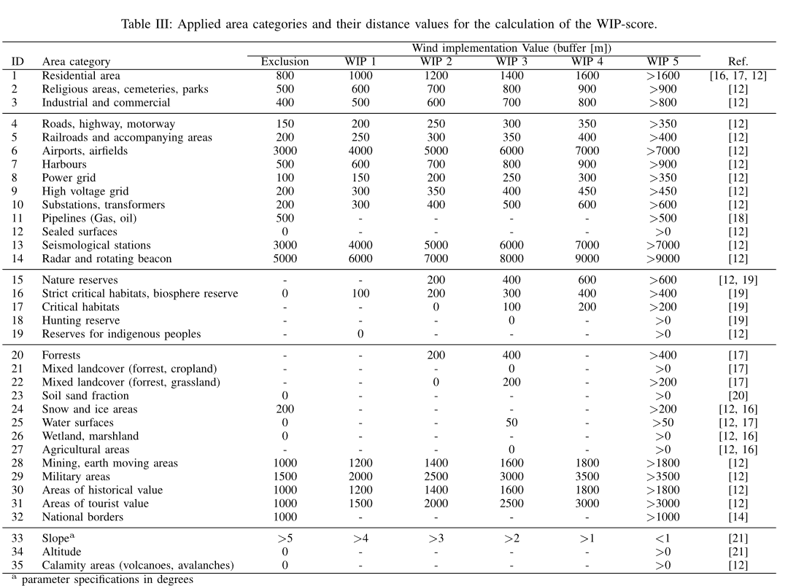
Zink2024

