Sheet1
T-U23W61080A-BOM
No. Item | 型号 Mfg Part | 封装 Package/Footprint | 规格参数 Description / Value | 位号 Designator | 单板用量 Qty per board | 物料备注 Instructions / Notes | 不良原因 Assembly Question | 客户回复 Reply from Customer
1 | SM1206NHC-IL | LED_SMD:LED_1206_3216Metric | CTL1206FWH1T | D1,D2,D3,D4,D5,D6,D7,D8,D9,D10,D11,D12 | 12 | SM1206NHC-IL | We purchased RED LEDs according to part number, but no color is listed in BOM, is it OK to be used ? |  | 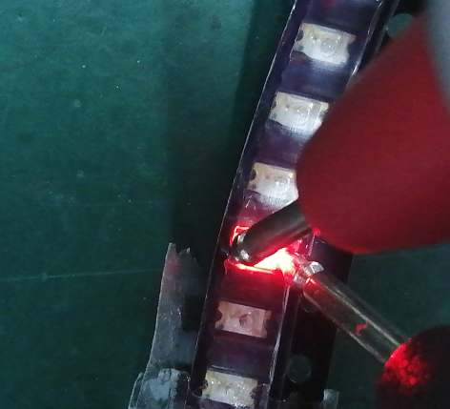 | 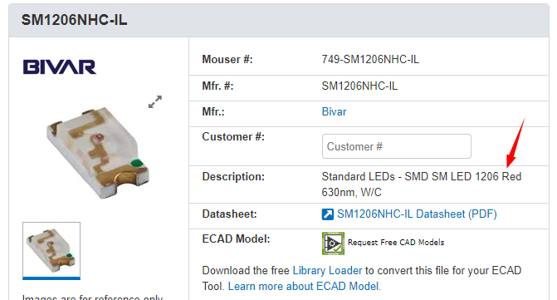
4 | MPU-6050 | DEAD10C5:QFN50P400X400X95-24N | MPU-6050 | U1 | 1 | sensitive led | There's no correponding solder pad at the center of the U1 pads, pls advise how should we proceed. |  | 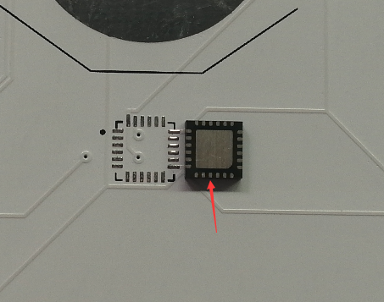 |  | 